LegacyPrivatePropertiesNonReact
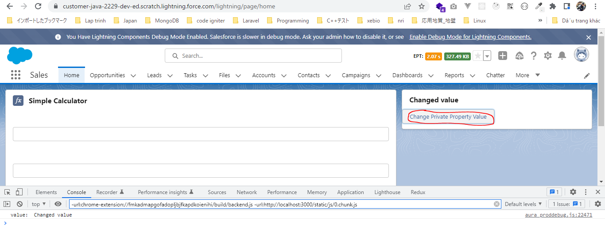
構成
 | LightningWebComponent
 |  | LWC
 |  |  | force-app
 |  |  |  | main
 |  |  |  |  | classes
 |  |  |  |  |  | abcd.cls
 |  |  |  |  | lwc
 |  |  |  |  |  | bmiCalculator |  |  |  | → | new Lightning Web Component. Tên phải để ở dạng camelCase
 |  |  |  |  |  |  | bmiCalculator.html
 |  |  |  |  |  |  | bmiCalculator.js
 |  |  |  |  |  |  | bmiCalculator.js-meta.xml
 |  |  |  |  |  | conditionalRenderingExample
 |  |  |  |  |  |  | conditionalRenderingExample.html
 |  |  |  |  |  |  | conditionalRenderingExample.js
 |  |  |  |  |  |  | conditionalRenderingExample.js-meta.xml
 |  |  |  |  |  | helloWorld
 |  |  |  |  |  |  | helloWorld.css
 |  |  |  |  |  |  | helloWorld.html
 |  |  |  |  |  |  | helloWorld.js
 |  |  |  |  |  |  | helloWorld.js-meta.xml
 |  |  |  |  |  | secondFileName
 |  |  |  |  |  | simpleCalculator
 |  |  |  |  |  |  | simpleCalculator.html
 |  |  |  |  |  |  | simpleCalculator.js
 |  |  |  |  |  |  | simpleCalculator.js-meta.xml

LightningWebComponent\LWC\force-app\main\default\lwc\bmiCalculator\bmiCalculator.js-meta.xml
 | <?xml version="1.0" encoding="UTF-8"?>
 | <LightningComponentBundle xmlns="http://soap.sforce.com/2006/04/metadata">
 | <apiVersion>55.0</apiVersion>
 | <isExposed>true</isExposed>
 | <targets>
 | <target>lightning__RecordPage</target>
 | <target>lightning__AppPage</target>
 | <target>lightning__HomePage</target>
 | </targets>
 | </LightningComponentBundle>

LightningWebComponent\LWC\force-app\main\default\lwc\bmiCalculator\bmiCalculator.html
 | <template>
 | <lightning-card title={cardTitle}>
 | <lightning-button label="Change Private Property Value" onclick={changePrivatePropertyValue} ></lightning-button>

 | </lightning-card>
 | </template>

LightningWebComponent\LWC\force-app\main\default\lwc\bmiCalculator\bmiCalculator.js
 | import { LightningElement } from 'lwc';

 | export default class BmiCalculator extends LightningElement {
 | cardTitle = 'BMI Calculator'; |  |  |  |  |  |  | → | We just need to give the name of a private property to declare private property. Lwc 2019 this private property is non-reactive
 |  |  |  |  |  |  |  |  | in nature because it is not trackable. So that changes in this private property will not notify our template an we will
 | changePrivatePropertyValue(){ |  |  |  |  |  |  |  | not render our template. Because non-reactive private property and we will not notify our template based on any of the changes
 | this.cardTitle = 'Changed value'; |  |  |  |  |  |  |  | But now all properties are reactive
 | console.log('value: ', this.cardTitle);
 | }
 | }

Test
 | 'BMI Calculator' is coming from our cardTitle private property
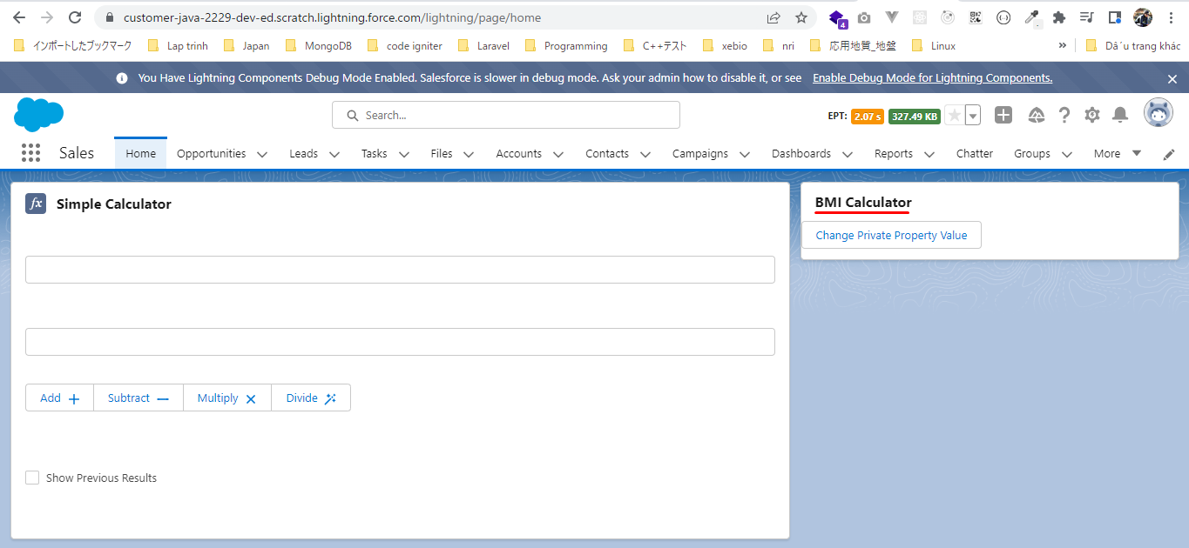

 | Click on button, the property value has changed lwc 2019 the cardTitle has not changed because this is a non-reactive private property and does not render our template when the value of
 | this property will be changed. But now all properties are reactive also cardTile has changed

Private Properties - Reactive
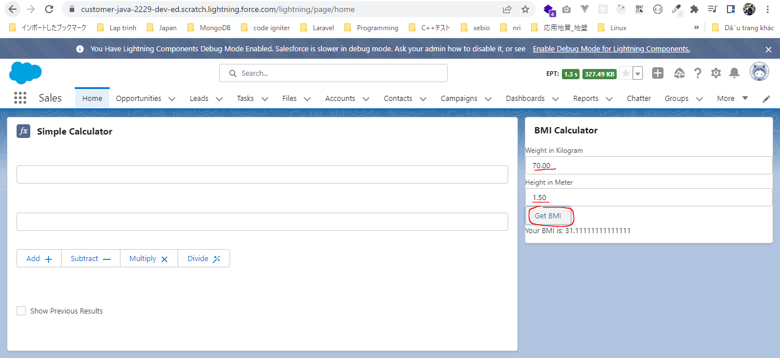
構成
 | LightningWebComponent
 |  | LWC
 |  |  | force-app
 |  |  |  | main
 |  |  |  |  | classes
 |  |  |  |  |  | abcd.cls
 |  |  |  |  | lwc
 |  |  |  |  |  | bmiCalculator
 |  |  |  |  |  |  | bmiCalculator.html |  |  | → | code
 |  |  |  |  |  |  | bmiCalculator.js |  |  | → | code
 |  |  |  |  |  |  | bmiCalculator.js-meta.xml
 |  |  |  |  |  | conditionalRenderingExample
 |  |  |  |  |  |  | conditionalRenderingExample.html
 |  |  |  |  |  |  | conditionalRenderingExample.js
 |  |  |  |  |  |  | conditionalRenderingExample.js-meta.xml
 |  |  |  |  |  | helloWorld
 |  |  |  |  |  |  | helloWorld.css
 |  |  |  |  |  |  | helloWorld.html
 |  |  |  |  |  |  | helloWorld.js
 |  |  |  |  |  |  | helloWorld.js-meta.xml
 |  |  |  |  |  | secondFileName
 |  |  |  |  |  | simpleCalculator
 |  |  |  |  |  |  | simpleCalculator.html
 |  |  |  |  |  |  | simpleCalculator.js
 |  |  |  |  |  |  | simpleCalculator.js-meta.xml

LightningWebComponent\LWC\force-app\main\default\lwc\bmiCalculator\bmiCalculator.html
 | <template>
 | <lightning-card title={cardTitle}>
 | <lightning-input type="number" step="0.01" label="Weight in Kilogram" onchange={onWeightChange} ></lightning-input>
 | <lightning-input type="number" step="0.01" label="Height in Meter" onchange={onHeightChange} ></lightning-input>
 | <lightning-button label="Get BMI" onclick={calculateBMI} ></lightning-button>
 | <p>
 | Your BMI is: {bmi}
 | </p>
 | </lightning-card>
 | </template>

LightningWebComponent\LWC\force-app\main\default\lwc\bmiCalculator\bmiCalculator.js
 | import { LightningElement, track } from 'lwc';

 | export default class BmiCalculator extends LightningElement {
 | cardTitle = 'BMI Calculator';

 | weight;
 | height;

 | @track bmi; |  |  |  |  |  |  | → | Reactive private property to store the bmi result because whenever the result will change(the bmi will change)
 | onWeightChange(event){ |  |  |  |  |  |  |  | we want to show the latest output.
 | this.weight = parseFloat(event.target.value); |  |  |  |  |  |  |  | The @track decorator is no more required for the primitive data types in Lightning Web Components. That means
 | } |  |  |  |  |  |  |  | all the private properties that we declare in our component they are reactive by nature
 |  |  |  |  |  |  |  |  | Before the spring'20 update, there was only one way to make it private property as a reactive property and that was
 | onHeightChange(event){ |  |  |  |  |  |  |  | using the track decorator. But now this track decorator is no more required for the primitive data types. It is still
 | this.height = parseFloat(event.target.value); |  |  |  |  |  |  |  | requied for non primitive types it means for the object properties or for the array properties
 | }

 | calculateBMI(){
 | try{
 | this.bmi = this.weight/(this.height*this.height);
 | } catch(error){
 | this.bmi = undefined;
 | }
 | }
 | }

Test

Getter Properties
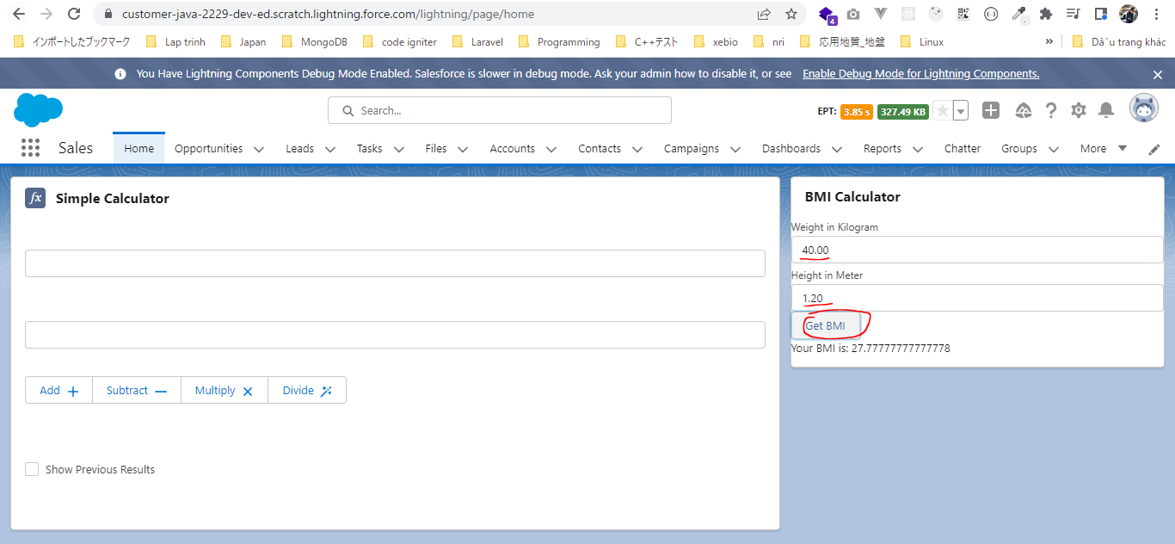
構成
 | LightningWebComponent
 |  | LWC
 |  |  | force-app
 |  |  |  | main
 |  |  |  |  | classes
 |  |  |  |  |  | abcd.cls
 |  |  |  |  | lwc
 |  |  |  |  |  | bmiCalculator
 |  |  |  |  |  |  | bmiCalculator.html |  |  | → | code
 |  |  |  |  |  |  | bmiCalculator.js |  |  | → | code
 |  |  |  |  |  |  | bmiCalculator.js-meta.xml
 |  |  |  |  |  | conditionalRenderingExample
 |  |  |  |  |  |  | conditionalRenderingExample.html
 |  |  |  |  |  |  | conditionalRenderingExample.js
 |  |  |  |  |  |  | conditionalRenderingExample.js-meta.xml
 |  |  |  |  |  | helloWorld
 |  |  |  |  |  |  | helloWorld.css
 |  |  |  |  |  |  | helloWorld.html
 |  |  |  |  |  |  | helloWorld.js
 |  |  |  |  |  |  | helloWorld.js-meta.xml
 |  |  |  |  |  | secondFileName
 |  |  |  |  |  | simpleCalculator
 |  |  |  |  |  |  | simpleCalculator.html
 |  |  |  |  |  |  | simpleCalculator.js
 |  |  |  |  |  |  | simpleCalculator.js-meta.xml

LightningWebComponent\LWC\force-app\main\default\lwc\bmiCalculator\bmiCalculator.html
 | <template>
 | <lightning-card title={cardTitle}>
 | <lightning-input type="number" step="0.01" label="Weight in Kilogram" onchange={onWeightChange} ></lightning-input>
 | <lightning-input type="number" step="0.01" label="Height in Meter" onchange={onHeightChange} ></lightning-input>
 | <lightning-button label="Get BMI" onclick={calculateBMI} ></lightning-button>
 | <p>
 | {bmiValue}
 | </p>
 | </lightning-card>
 | </template>

LightningWebComponent\LWC\force-app\main\default\lwc\bmiCalculator\bmiCalculator.js
 | import { LightningElement, track } from 'lwc';

 | export default class BmiCalculator extends LightningElement {
 | cardTitle = 'BMI Calculator';

 | weight;
 | height;

 | bmi;
 | onWeightChange(event){
 | this.weight = parseFloat(event.target.value);
 | }

 | onHeightChange(event){
 | this.height = parseFloat(event.target.value);
 | }

 | calculateBMI(){
 | try{
 | this.bmi = this.weight/(this.height*this.height);
 | } catch(error){
 | this.bmi = undefined;
 | }
 | }

 | get bmiValue(){ |  |  |  |  |  |  | → | to do some computationon our properties
 | if(this.bmi === undefined){
 | return "";
 | }
 | return `Your BMI is: ${this.bmi}`;
 | }
 | }

Test

