JTest Setup
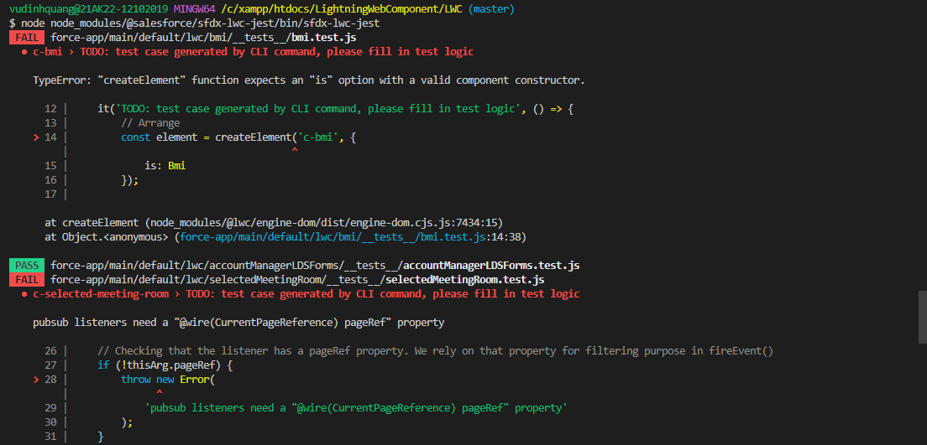
 | Similar to Apex, Lightning Web Component can also have units test and for that Salesforce uses jest framework. So this means we can write the unit test for our LWC component and then we
 | can run those tests to find out the bugs in our components or some may be programming errors as well. Now jest already have in project

構成
 | LightningWebComponent
 |  | LWC
 |  |  | force-app
 |  |  |  | main
 |  |  |  |  | classes
 |  |  |  |  |  | abcd.cls
 |  |  |  |  |  | AccountManager.cls
 |  |  |  |  | aura
 |  |  |  |  |  | MeetingRoomAura
 |  |  |  |  |  |  | MeetingRoomAura.cmp
 |  |  |  |  |  |  | MeetingRoomAuraController.js
 |  |  |  |  |  | MeetingRoomPubSubHandler
 |  |  |  |  |  |  | MeetingRoomPubSubHandler.cmp
 |  |  |  |  |  |  | MeetingRoomPubSubHandlerController.js
 |  |  |  |  | lwc
 |  |  |  |  |  | accountManageApex
 |  |  |  |  |  |  | accountManageApex.css
 |  |  |  |  |  |  | accountManageApex.html
 |  |  |  |  |  |  | accountManageApex.js
 |  |  |  |  |  |  | accountManageApex.js-meta.xml
 |  |  |  |  |  | accountManagerLDS
 |  |  |  |  |  |  | accountManagerLDS.html
 |  |  |  |  |  |  | accountManagerLDS.js
 |  |  |  |  |  |  | accountManagerLDS.js-meta.xml
 |  |  |  |  |  | accountManagerLDSForms
 |  |  |  |  |  |  | accountManagerLDSForms.html
 |  |  |  |  |  |  | accountManagerLDSForms.js
 |  |  |  |  |  |  | accountManagerLDSForms.js-meta.xml
 |  |  |  |  |  | accountRecordForm
 |  |  |  |  |  |  | accountRecordForm.html
 |  |  |  |  |  |  | accountRecordForm.js
 |  |  |  |  |  |  | accountRecordForm.js-meta.xml
 |  |  |  |  |  | auraPubsub
 |  |  |  |  |  |  | auraPubsub.js
 |  |  |  |  |  |  | auraPubsub.js-meta.xml
 |  |  |  |  |  | bmi
 |  |  |  |  |  |  | bmi.js
 |  |  |  |  |  | bmiCalculator
 |  |  |  |  |  |  | bmiCalculator.html
 |  |  |  |  |  |  | bmiCalculator.js
 |  |  |  |  |  |  | bmiCalculator.js-meta.xml
 |  |  |  |  |  | conditionalRenderingExample
 |  |  |  |  |  |  | conditionalRenderingExample.html
 |  |  |  |  |  |  | conditionalRenderingExample.js
 |  |  |  |  |  |  | conditionalRenderingExample.js-meta.xml
 |  |  |  |  |  | helloWorld
 |  |  |  |  |  |  | helloWorld.css
 |  |  |  |  |  |  | helloWorld.html
 |  |  |  |  |  |  | helloWorld.js
 |  |  |  |  |  |  | helloWorld.js-meta.xml
 |  |  |  |  |  | lifecycleDemo
 |  |  |  |  |  |  | lifecycleDemo.html
 |  |  |  |  |  |  | lifecycleDemo.js
 |  |  |  |  |  |  | lifecycleDemo.js-meta.xml
 |  |  |  |  |  | meetingRoom
 |  |  |  |  |  |  | meetingRoom.css
 |  |  |  |  |  |  | meetingRoom.html
 |  |  |  |  |  |  | meetingRoom.js
 |  |  |  |  |  | meetingRooms
 |  |  |  |  |  |  | meetingRooms.html
 |  |  |  |  |  |  | meetingRooms.js
 |  |  |  |  |  | navigationExample
 |  |  |  |  |  |  | navigationExample.html
 |  |  |  |  |  |  | navigationExample.js
 |  |  |  |  |  |  | navigationExample.js-meta.xml
 |  |  |  |  |  | publicMethodChild
 |  |  |  |  |  |  | publicMethodChild.css
 |  |  |  |  |  |  | publicMethodChild.html
 |  |  |  |  |  |  | publicMethodChild.js
 |  |  |  |  |  |  | publicMethodChild.js-meta.xml
 |  |  |  |  |  | publicMethodParent
 |  |  |  |  |  |  | publicMethodParent.css
 |  |  |  |  |  |  | publicMethodParent.html
 |  |  |  |  |  |  | publicMethodParent.js
 |  |  |  |  |  |  | publicMethodParent.js-meta.xml
 |  |  |  |  |  | pubsub
 |  |  |  |  |  |  | pubsub.js
 |  |  |  |  |  |  | pubsub.js-meta.xml
 |  |  |  |  |  | secondFileName
 |  |  |  |  |  | selectedMeetingRoom
 |  |  |  |  |  |  | selectedMeetingRoom.html
 |  |  |  |  |  |  | selectedMeetingRoom.js
 |  |  |  |  |  | simpleCalculator
 |  |  |  |  |  |  | simpleCalculator.html
 |  |  |  |  |  |  | simpleCalculator.js
 |  |  |  |  |  |  | simpleCalculator.js-meta.xml
 |  |  |  |  |  | simpleLightBoxExample
 |  |  |  |  |  |  | simpleLightBoxExample.html
 |  |  |  |  |  |  | simpleLightBoxExample.js
 |  |  |  |  |  |  | simpleLightBoxExample.js-meta.xml
 |  |  | package.json

htdocs\LightningWebComponent\LWC\package.json
 | {
 | "name": "salesforce-app",
 | "private": true,
 | "version": "1.0.0",
 | "description": "Salesforce App",
 | "scripts": {
 | "lint": "eslint **/{aura,lwc}/**",
 | "test": "npm run test:unit",
 | "test:unit": "sfdx-lwc-jest",
 | "test:unit:watch": "sfdx-lwc-jest --watch",
 | "test:unit:debug": "sfdx-lwc-jest --debug",
 | "test:unit:coverage": "sfdx-lwc-jest --coverage",
 | "prettier": "prettier --write \"**/*.{cls,cmp,component,css,html,js,json,md,page,trigger,xml,yaml,yml}\"",
 | "prettier:verify": "prettier --list-different \"**/*.{cls,cmp,component,css,html,js,json,md,page,trigger,xml,yaml,yml}\"",
 | "postinstall": "husky install",
 | "precommit": "lint-staged"
 | },
 | "devDependencies": {
 | "@lwc/eslint-plugin-lwc": "^1.1.2",
 | "@prettier/plugin-xml": "^2.0.1",
 | "@salesforce/eslint-config-lwc": "^3.2.3",
 | "@salesforce/eslint-plugin-aura": "^2.0.0",
 | "@salesforce/eslint-plugin-lightning": "^1.0.0",
 | "@salesforce/sfdx-lwc-jest": "^1.1.0", |  |  |  |  |  |  | → | That means already have the jest framework set up for our project
 | "eslint": "^8.11.0",
 | "eslint-plugin-import": "^2.25.4",
 | "eslint-plugin-jest": "^26.1.2",
 | "husky": "^7.0.4",
 | "lint-staged": "^12.3.7",
 | "prettier": "^2.6.0",
 | "prettier-plugin-apex": "^1.10.0"
 | },
 | "lint-staged": {
 | "**/*.{cls,cmp,component,css,html,js,json,md,page,trigger,xml,yaml,yml}": [
 | "prettier --write"
 | ],
 | "**/{aura,lwc}/**": [
 | "eslint"
 | ]
 | }
 | }

 | npm install
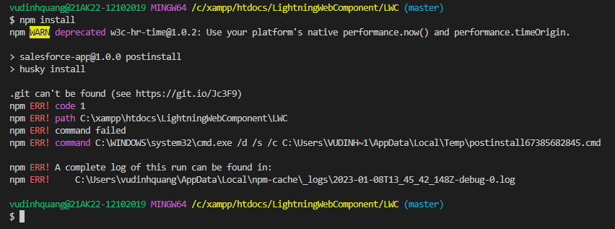

 | install jest framework
 | sfdx force:lightning:lwc:test:setup

 | make sure that jest framework is properly installed
 | node node_modules/@salesforce/sfdx-lwc-jest/bin/sfdx-lwc-jest
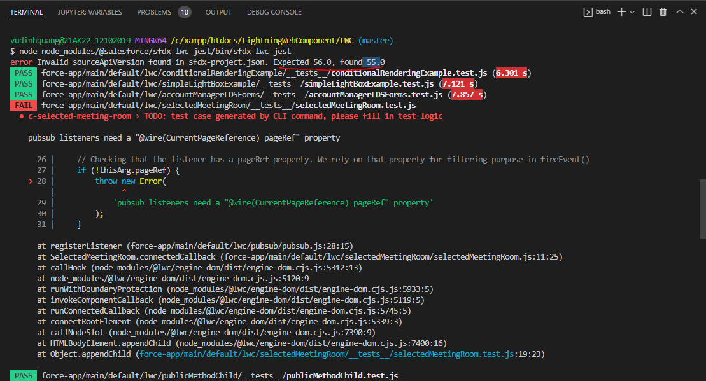

 | LightningWebComponent\LWC\sfdx-project.json
 | {
 | "packageDirectories": [
 | {
 | "path": "force-app",
 | "default": true
 | }
 | ],
 | "name": "LWC",
 | "namespace": "",
 | "sfdcLoginUrl": "https://login.salesforce.com",
 | "sourceApiVersion": "56.0"
 | }

 | test again
 | node node_modules/@salesforce/sfdx-lwc-jest/bin/sfdx-lwc-jest
 | We can confirm that are jest is properly installed

