Installing Schema
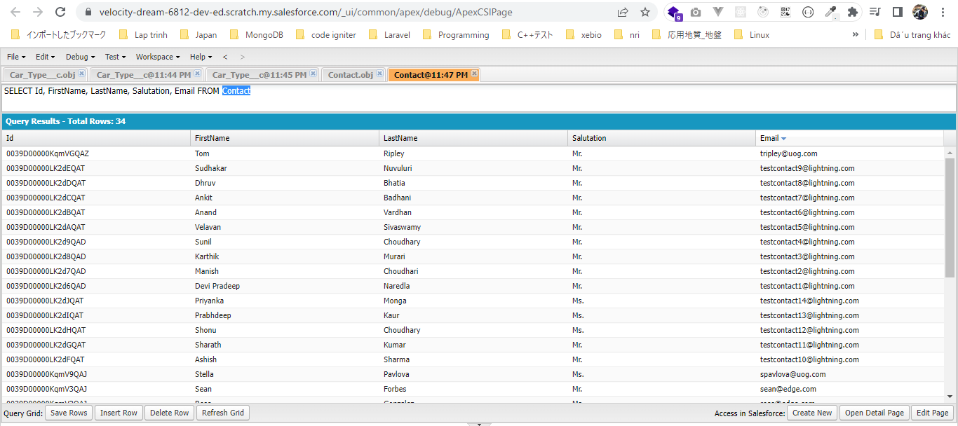
 | This part we will install our "Rent A Car" application backend schema, related tabs static resources in our project

構成
 | LightningWebComponent
 |  | .vscode
 |  |  | launch.json
 |  | LWC
 |  |  | force-app
 |  |  |  | main
 |  |  |  |  | classes
 |  |  |  |  |  | abcd.cls
 |  |  |  |  |  | AccountManager.cls
 |  |  |  |  |  | CreateData.cls
 |  |  |  |  |  | CreateDataTest.cls
 |  |  |  |  |  | DeleteData.cls
 |  |  |  |  |  | DeleteDataTest.cls
 |  |  |  |  |  | RentACarTestFactory.cls
 |  |  |  |  | aura
 |  |  |  |  |  | MeetingRoomAura
 |  |  |  |  |  |  | MeetingRoomAura.cmp
 |  |  |  |  |  |  | MeetingRoomAuraController.js
 |  |  |  |  |  | MeetingRoomPubSubHandler
 |  |  |  |  |  |  | MeetingRoomPubSubHandler.cmp
 |  |  |  |  |  |  | MeetingRoomPubSubHandlerController.js
 |  |  |  |  | lwc
 |  |  |  |  |  | accountManageApex
 |  |  |  |  |  |  | accountManageApex.css
 |  |  |  |  |  |  | accountManageApex.html
 |  |  |  |  |  |  | accountManageApex.js
 |  |  |  |  |  |  | accountManageApex.js-meta.xml
 |  |  |  |  |  | accountManagerLDS
 |  |  |  |  |  |  | accountManagerLDS.html
 |  |  |  |  |  |  | accountManagerLDS.js
 |  |  |  |  |  |  | accountManagerLDS.js-meta.xml
 |  |  |  |  |  | accountManagerLDSForms
 |  |  |  |  |  |  | accountManagerLDSForms.html
 |  |  |  |  |  |  | accountManagerLDSForms.js
 |  |  |  |  |  |  | accountManagerLDSForms.js-meta.xml
 |  |  |  |  |  | accountRecordForm
 |  |  |  |  |  |  | accountRecordForm.html
 |  |  |  |  |  |  | accountRecordForm.js
 |  |  |  |  |  |  | accountRecordForm.js-meta.xml
 |  |  |  |  |  | auraPubsub
 |  |  |  |  |  |  | auraPubsub.js
 |  |  |  |  |  |  | auraPubsub.js-meta.xml
 |  |  |  |  |  | bmi
 |  |  |  |  |  |  | bmi.js
 |  |  |  |  |  | bmiCalculator
 |  |  |  |  |  |  | bmiCalculator.html
 |  |  |  |  |  |  | bmiCalculator.js
 |  |  |  |  |  |  | bmiCalculator.js-meta.xml
 |  |  |  |  |  | conditionalRenderingExample
 |  |  |  |  |  |  | conditionalRenderingExample.html
 |  |  |  |  |  |  | conditionalRenderingExample.js
 |  |  |  |  |  |  | conditionalRenderingExample.js-meta.xml
 |  |  |  |  |  | helloWorld
 |  |  |  |  |  |  | helloWorld.css
 |  |  |  |  |  |  | helloWorld.html
 |  |  |  |  |  |  | helloWorld.js
 |  |  |  |  |  |  | helloWorld.js-meta.xml
 |  |  |  |  |  | lifecycleDemo
 |  |  |  |  |  |  | lifecycleDemo.html
 |  |  |  |  |  |  | lifecycleDemo.js
 |  |  |  |  |  |  | lifecycleDemo.js-meta.xml
 |  |  |  |  |  | meetingRoom
 |  |  |  |  |  |  | meetingRoom.css
 |  |  |  |  |  |  | meetingRoom.html
 |  |  |  |  |  |  | meetingRoom.js
 |  |  |  |  |  | meetingRooms
 |  |  |  |  |  |  | __tests__
 |  |  |  |  |  |  |  | meetingRooms.test.js
 |  |  |  |  |  |  | meetingRooms.html
 |  |  |  |  |  |  | meetingRooms.js
 |  |  |  |  |  | navigationExample
 |  |  |  |  |  |  | navigationExample.html
 |  |  |  |  |  |  | navigationExample.js
 |  |  |  |  |  |  | navigationExample.js-meta.xml
 |  |  |  |  |  | publicMethodChild
 |  |  |  |  |  |  | publicMethodChild.css
 |  |  |  |  |  |  | publicMethodChild.html
 |  |  |  |  |  |  | publicMethodChild.js
 |  |  |  |  |  |  | publicMethodChild.js-meta.xml
 |  |  |  |  |  | publicMethodParent
 |  |  |  |  |  |  | publicMethodParent.css
 |  |  |  |  |  |  | publicMethodParent.html
 |  |  |  |  |  |  | publicMethodParent.js
 |  |  |  |  |  |  | publicMethodParent.js-meta.xml
 |  |  |  |  |  | pubsub
 |  |  |  |  |  |  | pubsub.js
 |  |  |  |  |  |  | pubsub.js-meta.xml
 |  |  |  |  |  | secondFileName
 |  |  |  |  |  | selectedMeetingRoom
 |  |  |  |  |  |  | selectedMeetingRoom.html
 |  |  |  |  |  |  | selectedMeetingRoom.js
 |  |  |  |  |  | simpleCalculator
 |  |  |  |  |  |  | simpleCalculator.html
 |  |  |  |  |  |  | simpleCalculator.js
 |  |  |  |  |  |  | simpleCalculator.js-meta.xml
 |  |  |  |  |  | simpleLightBoxExample
 |  |  |  |  |  |  | simpleLightBoxExample.html
 |  |  |  |  |  |  | simpleLightBoxExample.js
 |  |  |  |  |  |  | simpleLightBoxExample.js-meta.xml
 |  |  |  |  | objects
 |  |  |  |  |  | Car__c
 |  |  |  |  |  | Car_Experience__c
 |  |  |  |  |  | Car_Type__c
 |  |  |  |  | staticresources
 |  |  |  |  |  | Leaflet
 |  |  |  |  |  |  | images
 |  |  |  |  |  |  | leaflet-src.js
 |  |  |  |  |  |  | leaflet-src.js.map
 |  |  |  |  |  |  | leaflet.css
 |  |  |  |  |  |  | leaflet.js
 |  |  |  |  |  |  | leaflet.js.map
 |  |  |  |  | tabs
 |  |  |  |  |  | Car__c.tab-meta.xml
 |  |  |  |  |  | Car_Experience__c.tab-meta.xml
 |  |  |  |  |  | Car_Type__c.tab-meta.xml
 |  |  | package.json

Check have 3 more custom objects
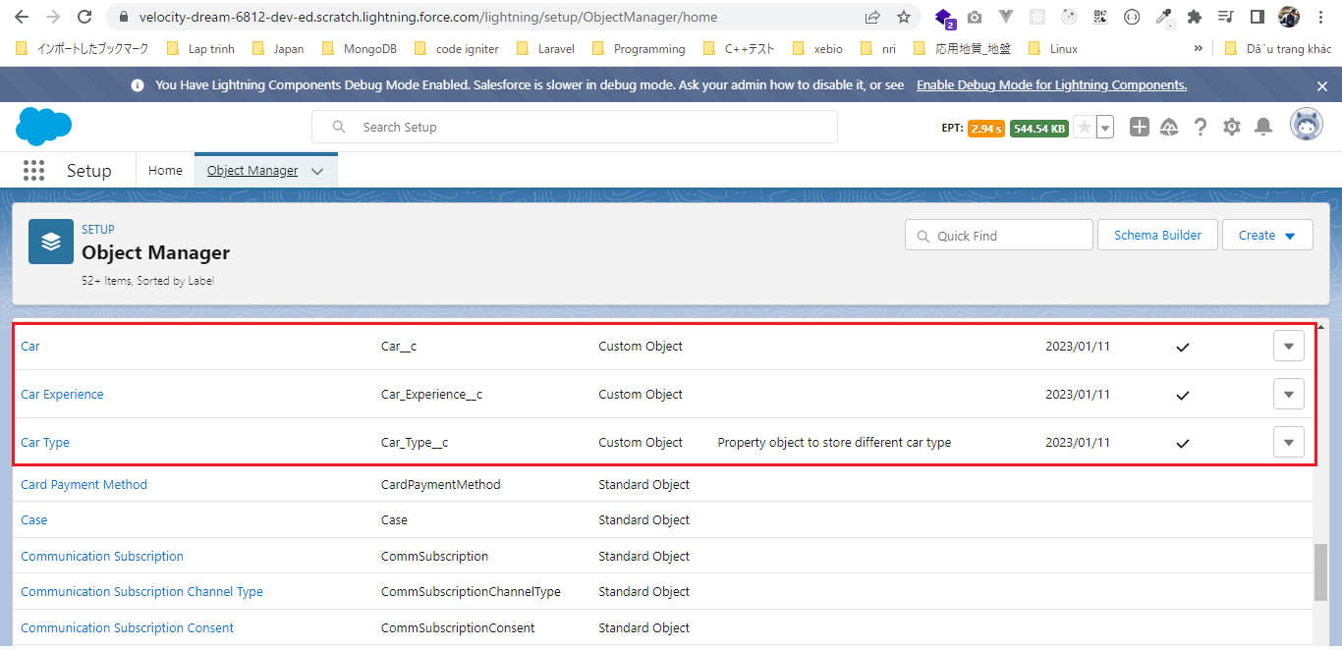

Static Resources
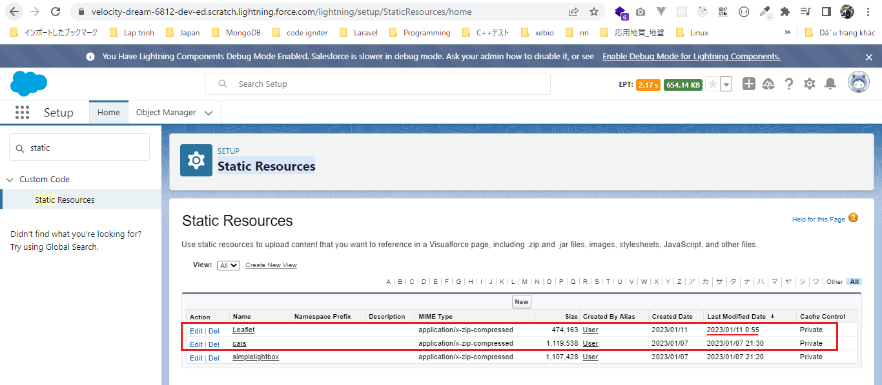

We need to make sure that we have given the proper access to these custom objects(Car__c, Car_Experience__c, Car_Type__c) and the fields
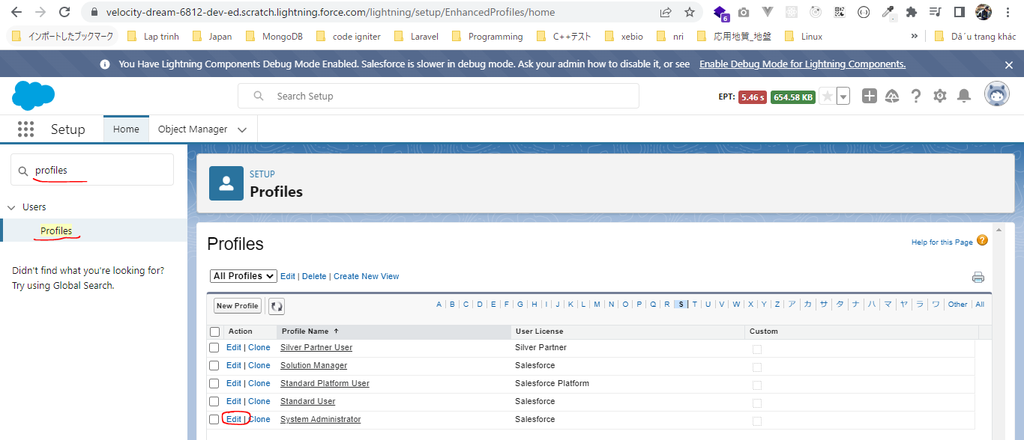

 | tabs options
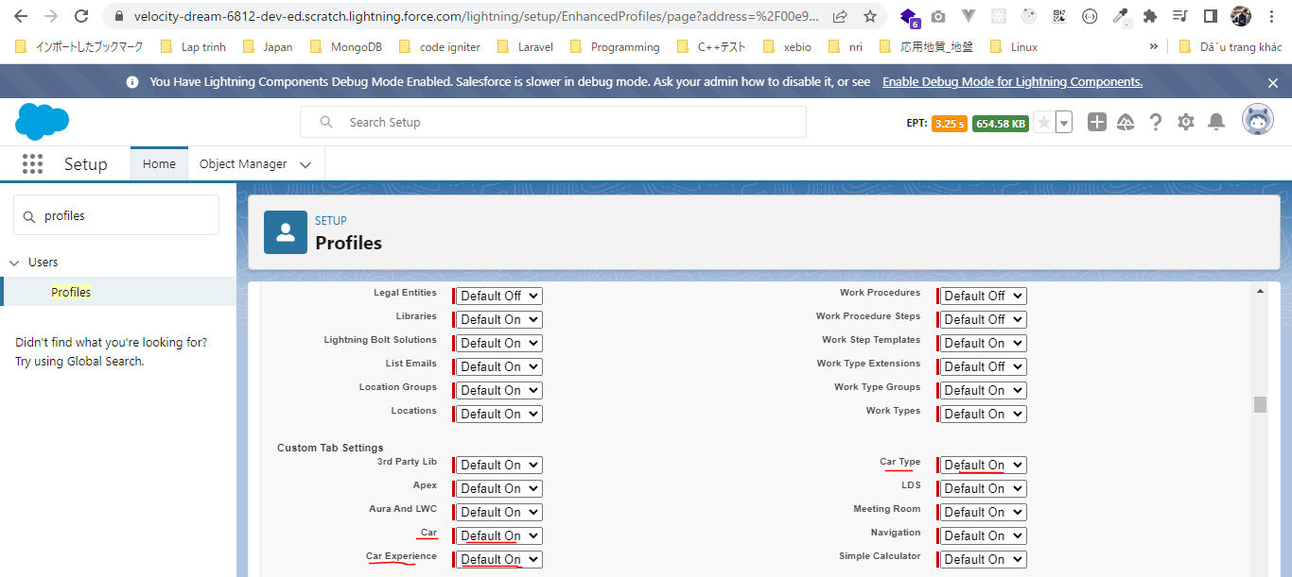

 | Car, Car Experience and Car Type already have proper access
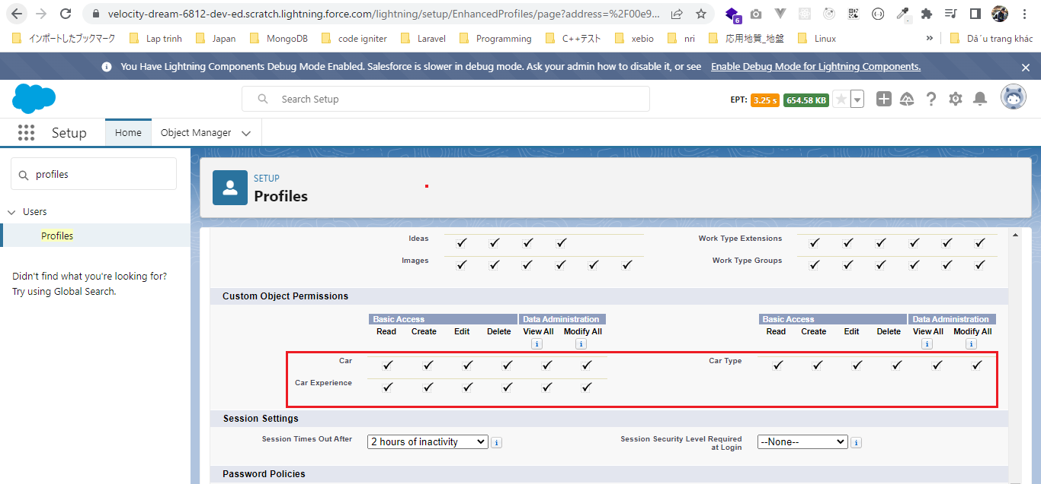

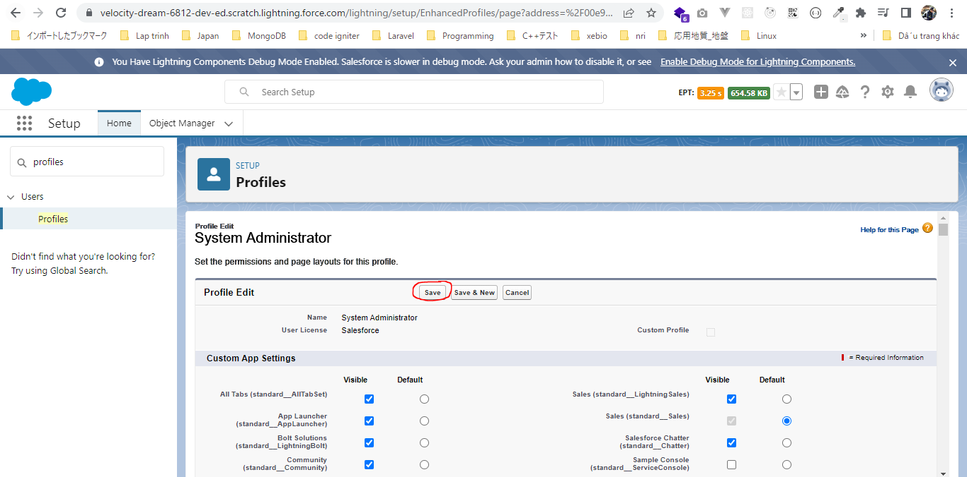

Field-Level Security
Give all access
 | Car
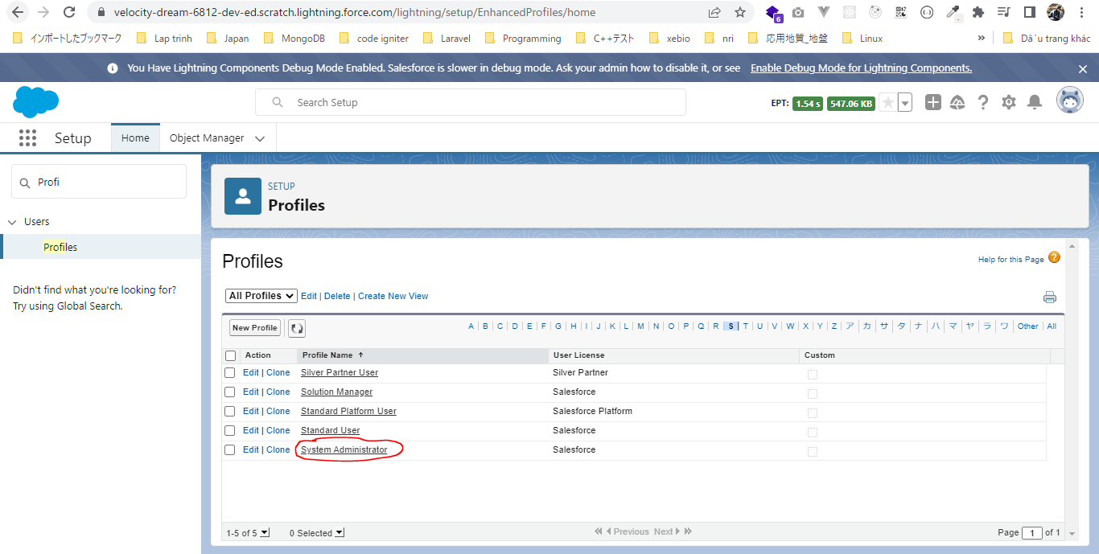

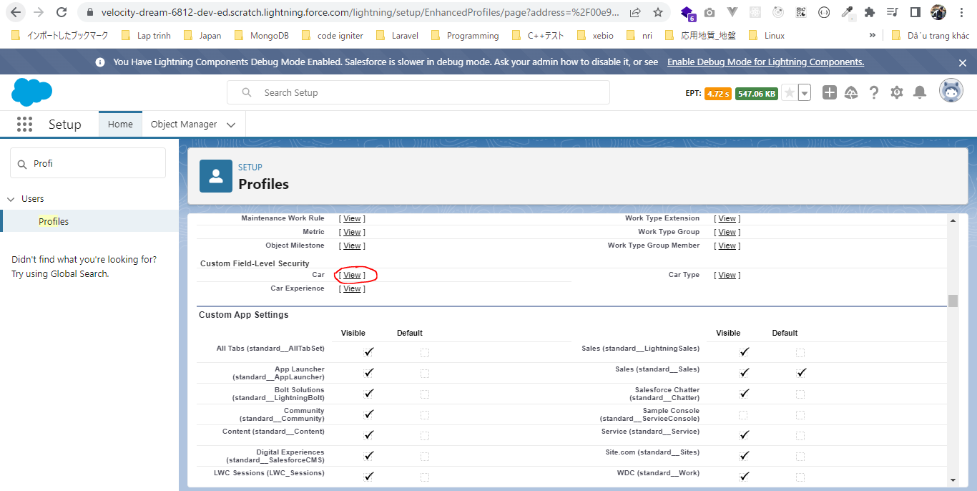

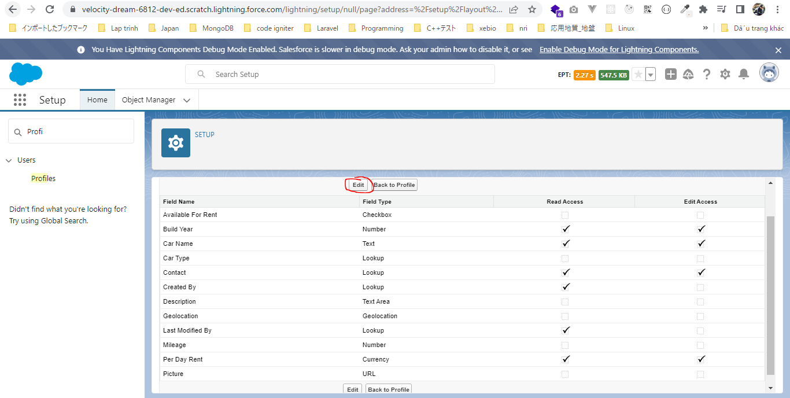

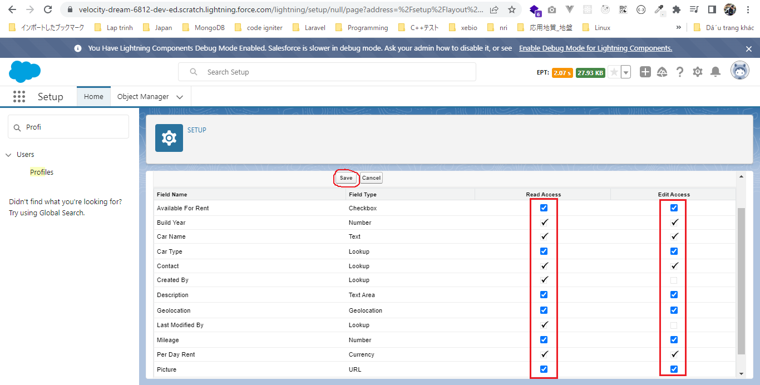

 | Car Experience
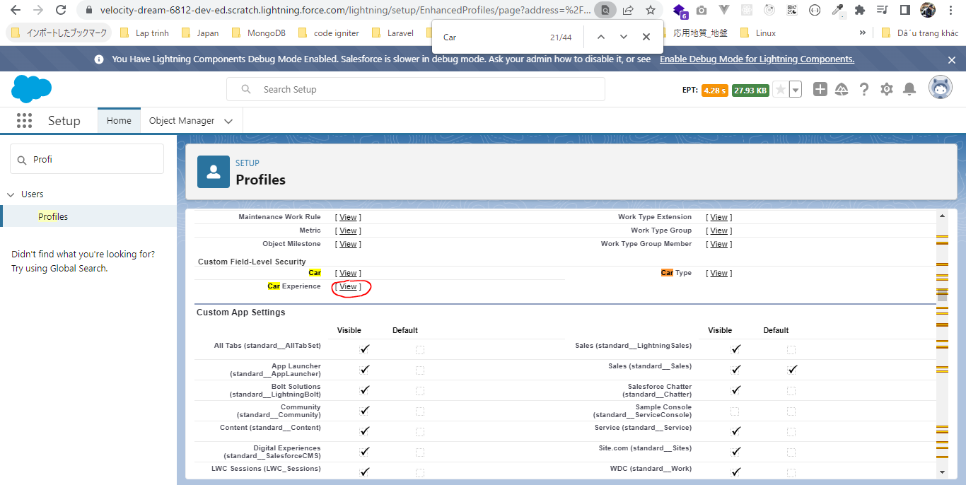

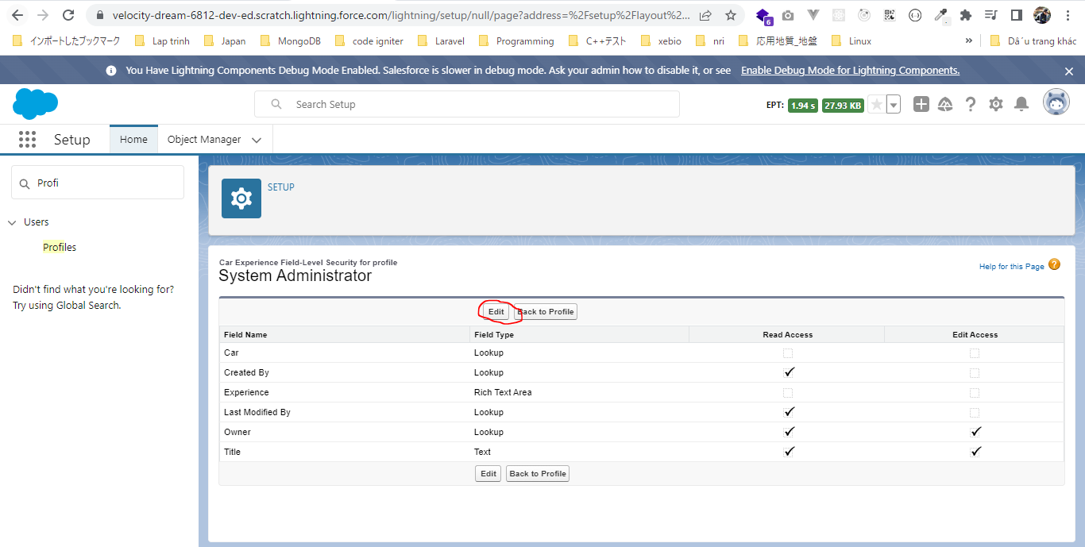

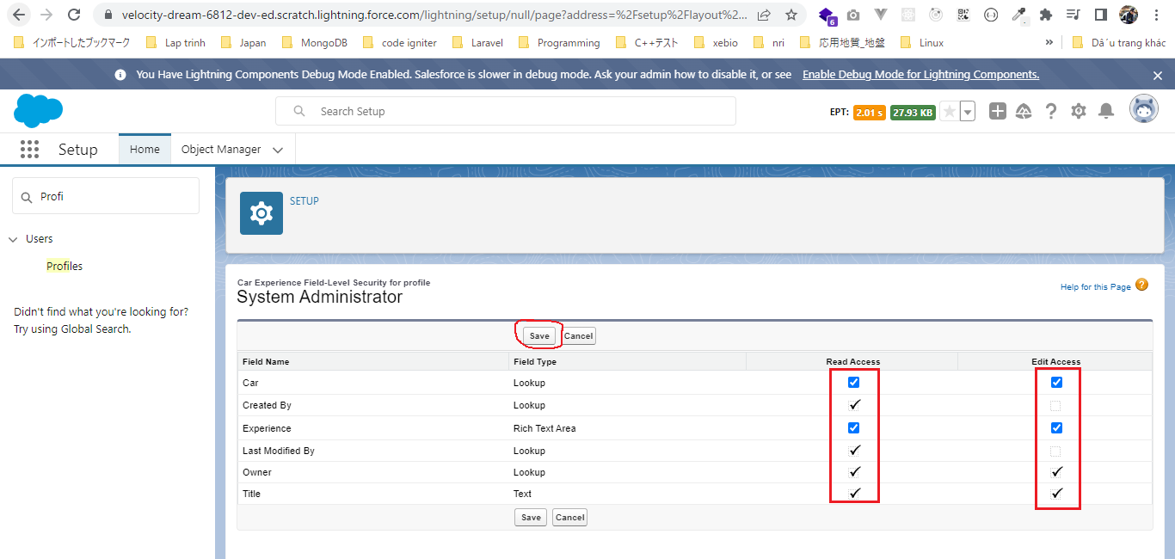

Create our data
 | CreateData.createPackageData();
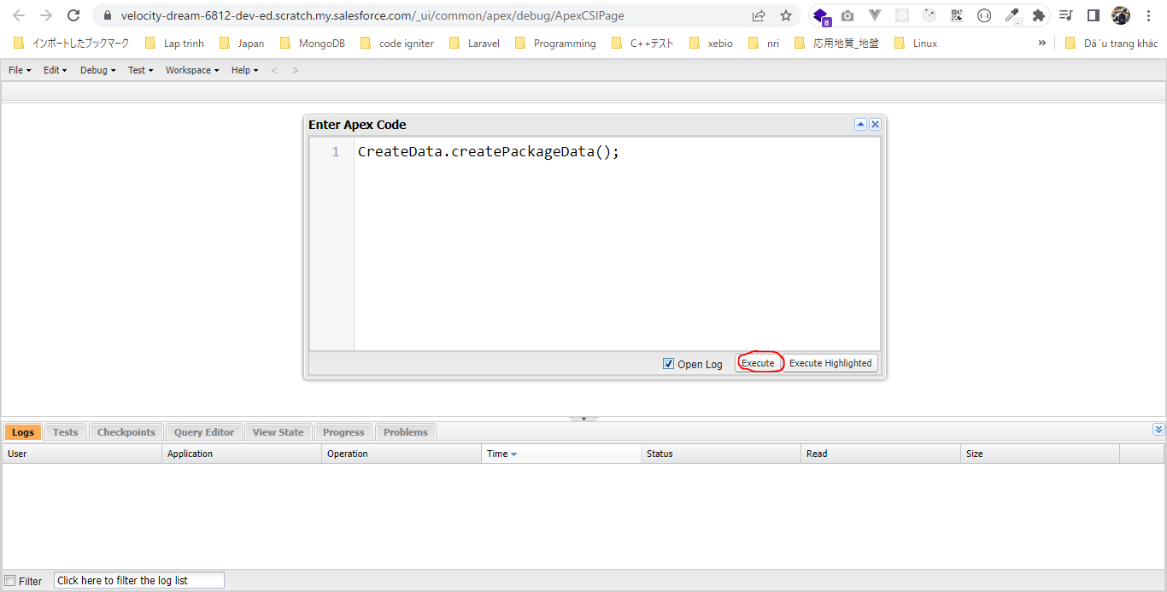

 | Check Car__c
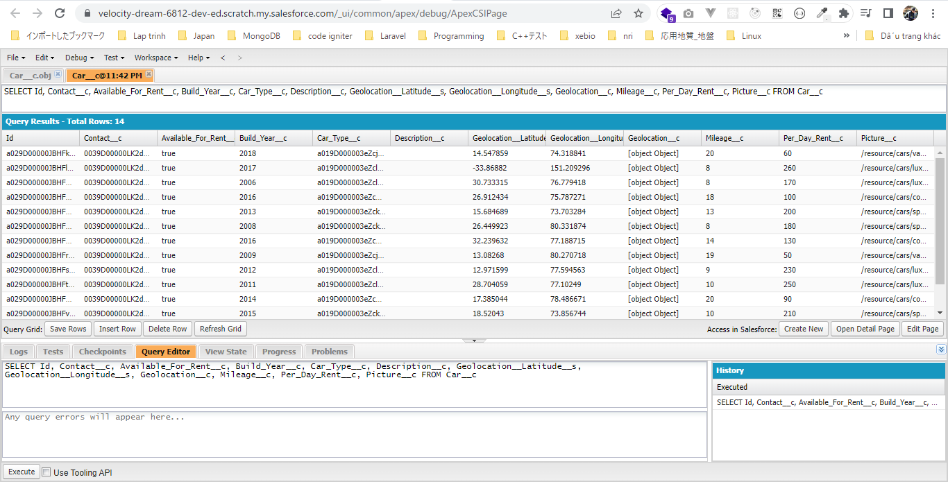

 | Check Car_Type__c
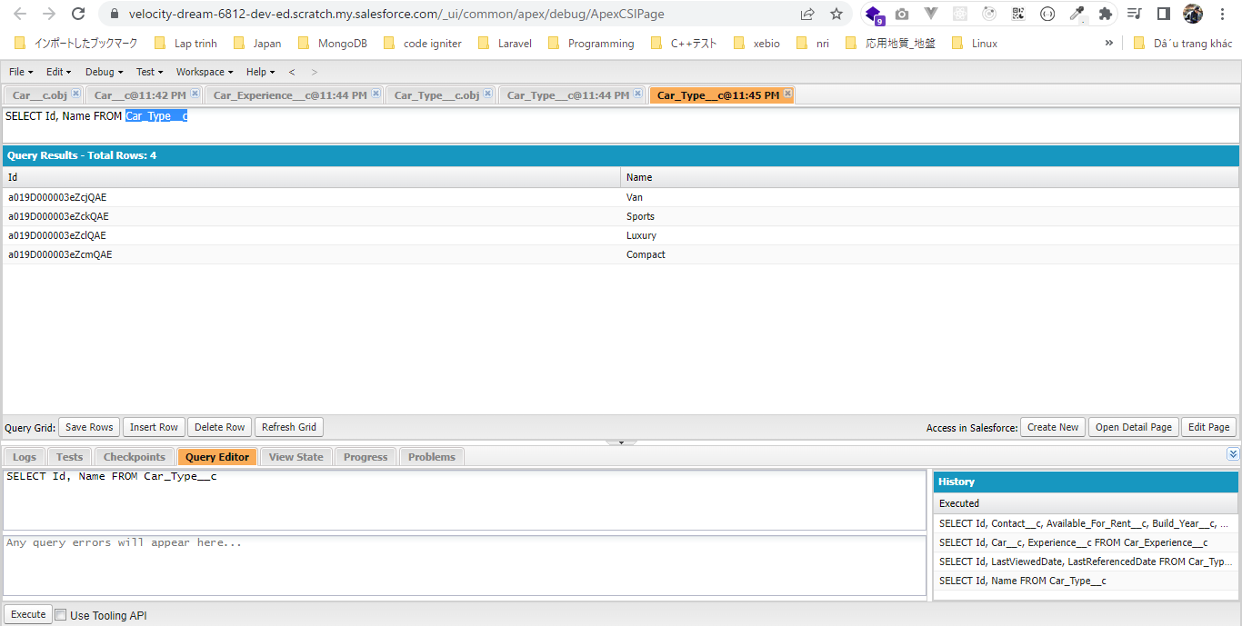

 | Check Contact

Develop CarSearchForm Component
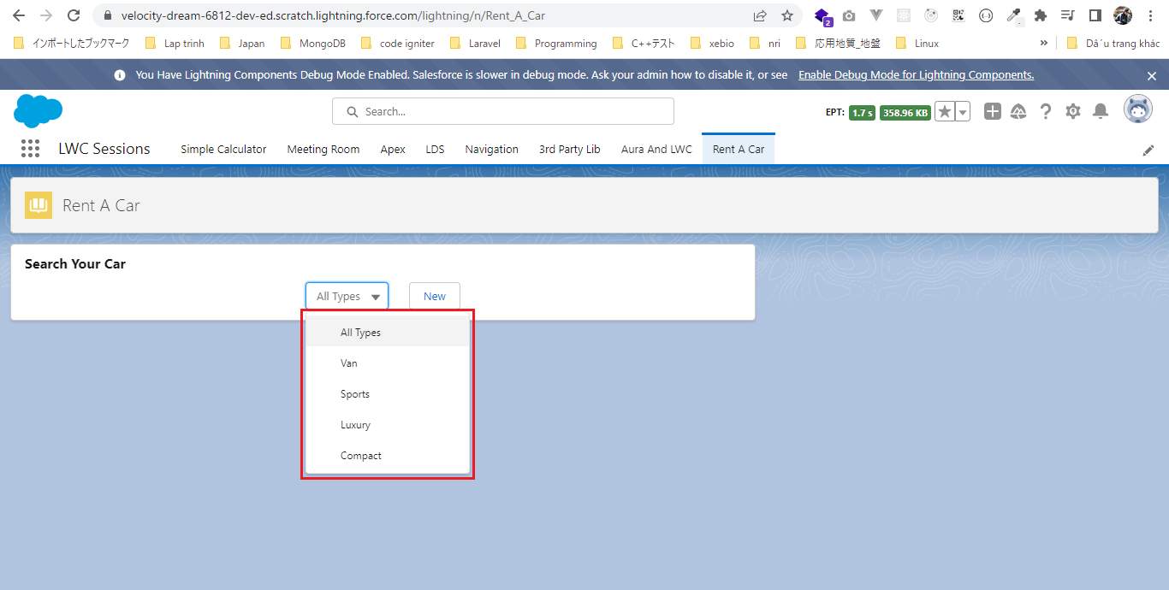
 | This part we will develop carSearchForm component which will have a select box and a button

 | carSearch component is parent of carSearchForm and carSearchResult component by this way carSearchForm component and carSearchResult will share the same parent and we can easily pass the
 | selected car type id from carSearchForm component to parent component using the custom event and then our parent component can easily pass the selected car type id to our carSearchResult
 | using the public properties and in the end our carSearchResult is going to make a server side call to fetch all the related cars
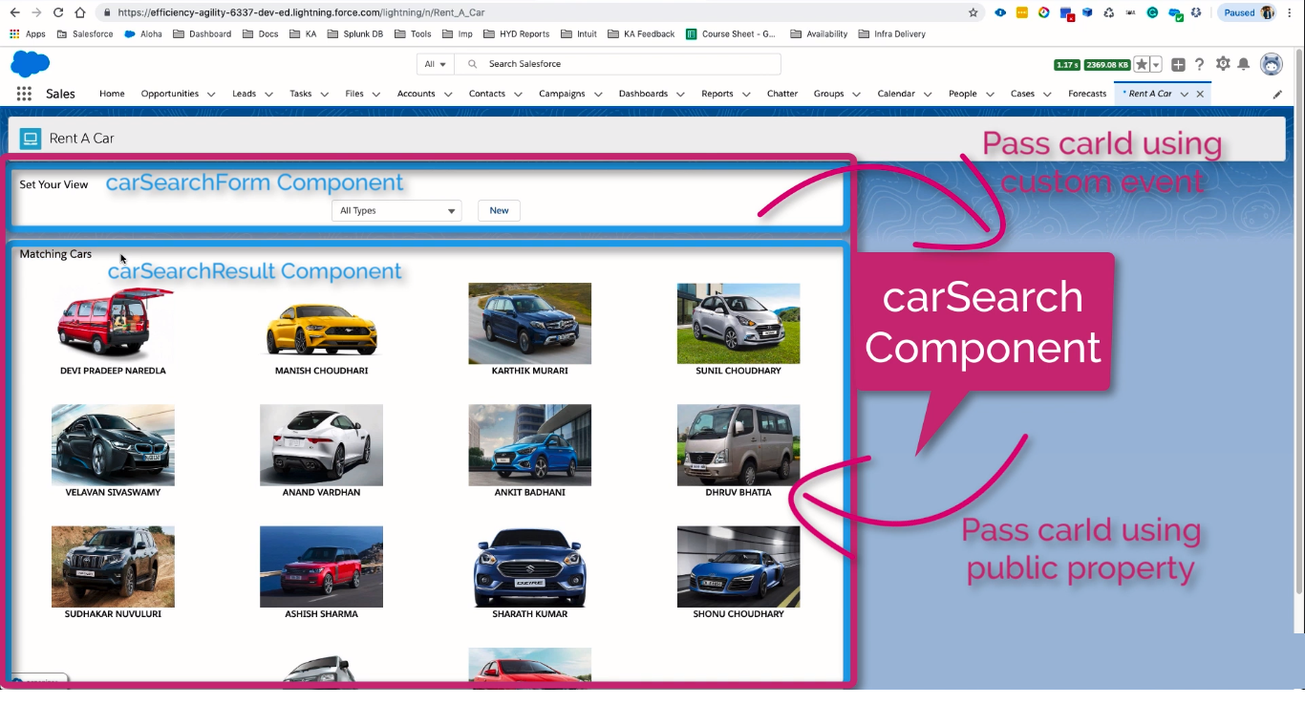

構成
 | LightningWebComponent
 |  | .vscode
 |  |  | launch.json
 |  | LWC
 |  |  | force-app
 |  |  |  | main
 |  |  |  |  | classes
 |  |  |  |  |  | abcd.cls
 |  |  |  |  |  | AccountManager.cls
 |  |  |  |  |  | CarSearchFormController.cls |  |  |  | → | new
 |  |  |  |  |  | CreateData.cls
 |  |  |  |  |  | CreateDataTest.cls
 |  |  |  |  |  | DeleteData.cls
 |  |  |  |  |  | DeleteDataTest.cls
 |  |  |  |  |  | RentACarTestFactory.cls
 |  |  |  |  | aura
 |  |  |  |  |  | MeetingRoomAura
 |  |  |  |  |  |  | MeetingRoomAura.cmp
 |  |  |  |  |  |  | MeetingRoomAuraController.js
 |  |  |  |  |  | MeetingRoomPubSubHandler
 |  |  |  |  |  |  | MeetingRoomPubSubHandler.cmp
 |  |  |  |  |  |  | MeetingRoomPubSubHandlerController.js
 |  |  |  |  | lwc
 |  |  |  |  |  | accountManageApex
 |  |  |  |  |  |  | accountManageApex.css
 |  |  |  |  |  |  | accountManageApex.html
 |  |  |  |  |  |  | accountManageApex.js
 |  |  |  |  |  |  | accountManageApex.js-meta.xml
 |  |  |  |  |  | accountManagerLDS
 |  |  |  |  |  |  | accountManagerLDS.html
 |  |  |  |  |  |  | accountManagerLDS.js
 |  |  |  |  |  |  | accountManagerLDS.js-meta.xml
 |  |  |  |  |  | accountManagerLDSForms
 |  |  |  |  |  |  | accountManagerLDSForms.html
 |  |  |  |  |  |  | accountManagerLDSForms.js
 |  |  |  |  |  |  | accountManagerLDSForms.js-meta.xml
 |  |  |  |  |  | accountRecordForm
 |  |  |  |  |  |  | accountRecordForm.html
 |  |  |  |  |  |  | accountRecordForm.js
 |  |  |  |  |  |  | accountRecordForm.js-meta.xml
 |  |  |  |  |  | auraPubsub
 |  |  |  |  |  |  | auraPubsub.js
 |  |  |  |  |  |  | auraPubsub.js-meta.xml
 |  |  |  |  |  | bmi
 |  |  |  |  |  |  | bmi.js
 |  |  |  |  |  | bmiCalculator
 |  |  |  |  |  |  | bmiCalculator.html
 |  |  |  |  |  |  | bmiCalculator.js
 |  |  |  |  |  |  | bmiCalculator.js-meta.xml
 |  |  |  |  |  | carSearch |  |  |  | → | new
 |  |  |  |  |  |  | carSearch.html
 |  |  |  |  |  |  | carSearch.js
 |  |  |  |  |  |  | carSearch.js-meta.xml
 |  |  |  |  |  | carSearchForm |  |  |  | → | new
 |  |  |  |  |  |  | carSearchForm.html
 |  |  |  |  |  |  | carSearchForm.js
 |  |  |  |  |  |  | carSearchForm.js-meta.xml
 |  |  |  |  |  | conditionalRenderingExample
 |  |  |  |  |  |  | conditionalRenderingExample.html
 |  |  |  |  |  |  | conditionalRenderingExample.js
 |  |  |  |  |  |  | conditionalRenderingExample.js-meta.xml
 |  |  |  |  |  | helloWorld
 |  |  |  |  |  |  | helloWorld.css
 |  |  |  |  |  |  | helloWorld.html
 |  |  |  |  |  |  | helloWorld.js
 |  |  |  |  |  |  | helloWorld.js-meta.xml
 |  |  |  |  |  | lifecycleDemo
 |  |  |  |  |  |  | lifecycleDemo.html
 |  |  |  |  |  |  | lifecycleDemo.js
 |  |  |  |  |  |  | lifecycleDemo.js-meta.xml
 |  |  |  |  |  | meetingRoom
 |  |  |  |  |  |  | meetingRoom.css
 |  |  |  |  |  |  | meetingRoom.html
 |  |  |  |  |  |  | meetingRoom.js
 |  |  |  |  |  | meetingRooms
 |  |  |  |  |  |  | __tests__
 |  |  |  |  |  |  |  | meetingRooms.test.js
 |  |  |  |  |  |  | meetingRooms.html
 |  |  |  |  |  |  | meetingRooms.js
 |  |  |  |  |  | navigationExample
 |  |  |  |  |  |  | navigationExample.html
 |  |  |  |  |  |  | navigationExample.js
 |  |  |  |  |  |  | navigationExample.js-meta.xml
 |  |  |  |  |  | publicMethodChild
 |  |  |  |  |  |  | publicMethodChild.css
 |  |  |  |  |  |  | publicMethodChild.html
 |  |  |  |  |  |  | publicMethodChild.js
 |  |  |  |  |  |  | publicMethodChild.js-meta.xml
 |  |  |  |  |  | publicMethodParent
 |  |  |  |  |  |  | publicMethodParent.css
 |  |  |  |  |  |  | publicMethodParent.html
 |  |  |  |  |  |  | publicMethodParent.js
 |  |  |  |  |  |  | publicMethodParent.js-meta.xml
 |  |  |  |  |  | pubsub
 |  |  |  |  |  |  | pubsub.js
 |  |  |  |  |  |  | pubsub.js-meta.xml
 |  |  |  |  |  | secondFileName
 |  |  |  |  |  | selectedMeetingRoom
 |  |  |  |  |  |  | selectedMeetingRoom.html
 |  |  |  |  |  |  | selectedMeetingRoom.js
 |  |  |  |  |  | simpleCalculator
 |  |  |  |  |  |  | simpleCalculator.html
 |  |  |  |  |  |  | simpleCalculator.js
 |  |  |  |  |  |  | simpleCalculator.js-meta.xml
 |  |  |  |  |  | simpleLightBoxExample
 |  |  |  |  |  |  | simpleLightBoxExample.html
 |  |  |  |  |  |  | simpleLightBoxExample.js
 |  |  |  |  |  |  | simpleLightBoxExample.js-meta.xml
 |  |  |  |  | objects
 |  |  |  |  |  | Car__c
 |  |  |  |  |  | Car_Experience__c
 |  |  |  |  |  | Car_Type__c
 |  |  |  |  | staticresources
 |  |  |  |  |  | Leaflet
 |  |  |  |  |  |  | images
 |  |  |  |  |  |  | leaflet-src.js
 |  |  |  |  |  |  | leaflet-src.js.map
 |  |  |  |  |  |  | leaflet.css
 |  |  |  |  |  |  | leaflet.js
 |  |  |  |  |  |  | leaflet.js.map
 |  |  |  |  | tabs
 |  |  |  |  |  | Car__c.tab-meta.xml
 |  |  |  |  |  | Car_Experience__c.tab-meta.xml
 |  |  |  |  |  | Car_Type__c.tab-meta.xml
 |  |  | package.json

LightningWebComponent\LWC\force-app\main\default\classes\CarSearchFormController.cls
 | public with sharing class CarSearchFormController {
 | @AuraEnabled(cacheable=true) |  |  |  |  |  | → | cacheable true because We use wire in carSearchForm
 | public static List<Car_Type__c> getCarTypes(){ |  |  |  |  |  | → | carry all the car type records from server
 | return [SELECT Id, Name FROM Car_Type__c];
 | }
 | }

LightningWebComponent\LWC\force-app\main\default\lwc\carSearchForm\carSearchForm.html
 | <template>
 | <lightning-layout horizontal-align="center">
 | <lightning-layout-item padding="horizontal-small">
 | <lightning-combobox
 | name="carTypes"
 | label="Car Types"
 | placeholder="All Types"
 | value={selectedValue}
 | onchange={handleCarTypeChange} |  |  |  |  |  | → | whenever the user is changing the selection we can load the cars of that car type
 | variant="label-hidden" |  |  |  |  |  | → | do not show the label of this combo box
 | options={carTypes}
 | ></lightning-combobox>
 | </lightning-layout-item>
 | <lightning-layout-item padding="horizontal-small">
 | <lightning-button
 | label="New"
 | onclick={createNewCarType} |  |  |  |  |  | → | We can create a new car type
 | ></lightning-button>
 | </lightning-layout-item>
 | </lightning-layout>
 | </template>

LightningWebComponent\LWC\force-app\main\default\lwc\carSearchForm\carSearchForm.js
 | import { LightningElement, track, wire } from 'lwc';
 | import getCarTypes from '@salesforce/apex/CarSearchFormController.getCarTypes'; |  |  |  |  |  |  |  | → | import getCarTypes method from CarSearchFormController apex class
 | import { ShowToastEvent } from 'lightning/platformShowToastEvent';
 | import { NavigationMixin } from 'lightning/navigation';

 | export default class CarSearchForm extends NavigationMixin(LightningElement) {
 | @track carTypes;

 | @wire(getCarTypes) |  |  |  |  |  |  |  | → | using wire adapter to call getCarTypes function
 | wiredCarType({data, error}){ |  |  |  |  |  |  |  | → | assign result of getCarTypes to on function call wiredCarType which accept the data and error from server as argument
 | if(data){ |  |  |  |  |  |  |  | → | check if there is any data from server then assign that data to our carTypes property
 | this.carTypes = [{value:'', label:'All Types'}]; |  |  |  |  |  |  |  | → | carTypes property should be an array of object with label and value pair because combo box only accepts an array of label and value
 | data.forEach(element => {
 | const carType = {};
 | carType.label = element.Name;
 | carType.value = element.Id;
 | this.carTypes.push(carType);
 | });
 | } else if(error){ |  |  |  |  |  |  |  | → | handle error
 | this.showToast('ERROR', error.body.message, 'error');
 | }
 | }

 | handleCarTypeChange(event){
 | const carTypeId = event.detail.value; |  |  |  |  |  |  |  | → | get the currently selected car type

 | const carTypeSelectionChangeEvent = new CustomEvent('cartypeselect', {detail : carTypeId});
 | this.dispatchEvent(carTypeSelectionChangeEvent); |  |  |  |  |  |  |  | → | dispatch custom event(name is cartypeselect) which should be handle in our parent component
 | }

 | createNewCarType(){

 | this[NavigationMixin.Navigate]({ |  |  |  |  |  |  |  | → | show popup to the user to create a new car type record
 | type:'standard__objectPage',
 | attributes:{
 | objectApiName : 'Car_Type__c',
 | actionName : 'new'
 | }
 | });

 | }

 | showToast(title, message, variant) {
 | const evt = new ShowToastEvent({
 | title: title,
 | message: message,
 | variant: variant,
 | });
 | this.dispatchEvent(evt);
 | }

 | }

LightningWebComponent\LWC\force-app\main\default\lwc\carSearch\carSearch.js-meta.xml
 | <?xml version="1.0" encoding="UTF-8"?>
 | <LightningComponentBundle xmlns="http://soap.sforce.com/2006/04/metadata">
 | <apiVersion>55.0</apiVersion>
 | <isExposed>true</isExposed>
 | <targets>
 | <target>lightning__AppPage</target>
 | <target>lightning__HomePage</target>
 | <target>lightning__RecordPage</target>
 | </targets>
 | </LightningComponentBundle>

LightningWebComponent\LWC\force-app\main\default\lwc\carSearch\carSearch.html
 | <template>
 | <lightning-card title="Search Your Car">
 | <c-car-search-form></c-car-search-form>
 | </lightning-card>
 | </template>

test browser

DevelopCarSearchResultComponent
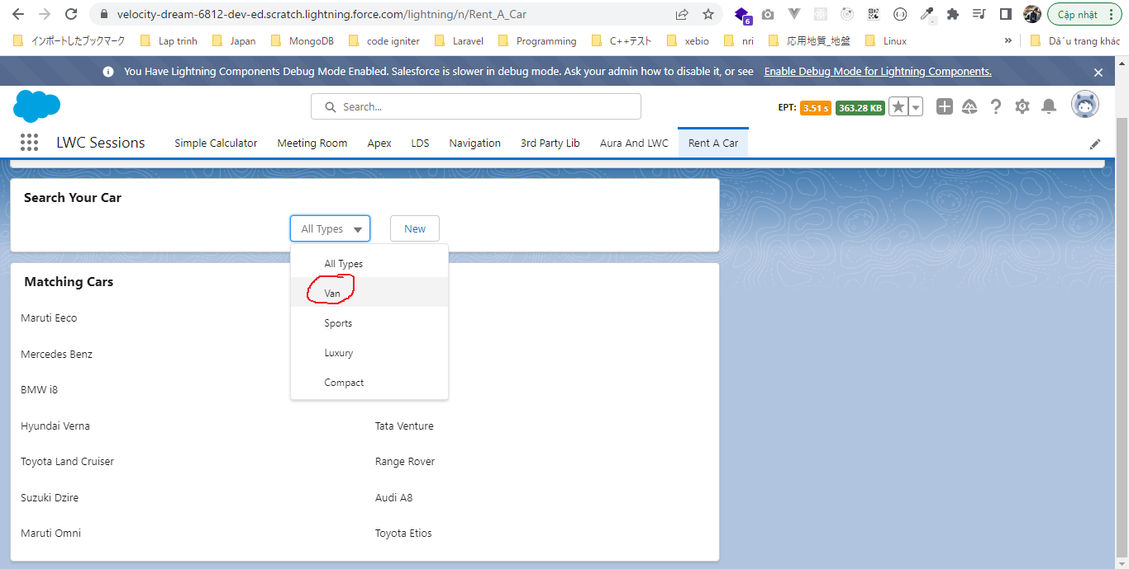
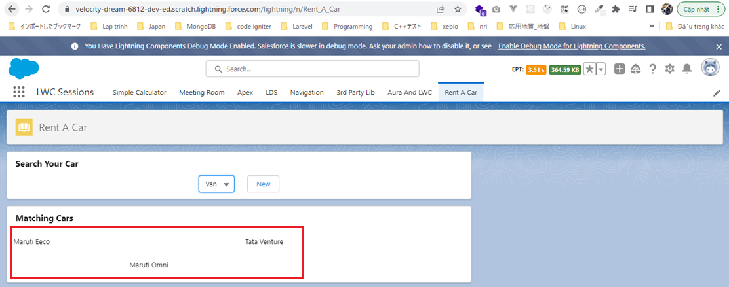
 | This part we are going to handle the event which is being fired from carSearchForm component which was firing an event with the name cartypeselect

構成
 | LightningWebComponent
 |  | .vscode
 |  |  | launch.json
 |  | LWC
 |  |  | force-app
 |  |  |  | main
 |  |  |  |  | classes
 |  |  |  |  |  | abcd.cls
 |  |  |  |  |  | AccountManager.cls
 |  |  |  |  |  | CarSearchFormController.cls
 |  |  |  |  |  | CarSearchResultController.cls |  |  |  |  | → | new
 |  |  |  |  |  | CreateData.cls
 |  |  |  |  |  | CreateDataTest.cls
 |  |  |  |  |  | DeleteData.cls
 |  |  |  |  |  | DeleteDataTest.cls
 |  |  |  |  |  | RentACarTestFactory.cls
 |  |  |  |  | aura
 |  |  |  |  |  | MeetingRoomAura
 |  |  |  |  |  |  | MeetingRoomAura.cmp
 |  |  |  |  |  |  | MeetingRoomAuraController.js
 |  |  |  |  |  | MeetingRoomPubSubHandler
 |  |  |  |  |  |  | MeetingRoomPubSubHandler.cmp
 |  |  |  |  |  |  | MeetingRoomPubSubHandlerController.js
 |  |  |  |  | lwc
 |  |  |  |  |  | accountManageApex
 |  |  |  |  |  |  | accountManageApex.css
 |  |  |  |  |  |  | accountManageApex.html
 |  |  |  |  |  |  | accountManageApex.js
 |  |  |  |  |  |  | accountManageApex.js-meta.xml
 |  |  |  |  |  | accountManagerLDS
 |  |  |  |  |  |  | accountManagerLDS.html
 |  |  |  |  |  |  | accountManagerLDS.js
 |  |  |  |  |  |  | accountManagerLDS.js-meta.xml
 |  |  |  |  |  | accountManagerLDSForms
 |  |  |  |  |  |  | accountManagerLDSForms.html
 |  |  |  |  |  |  | accountManagerLDSForms.js
 |  |  |  |  |  |  | accountManagerLDSForms.js-meta.xml
 |  |  |  |  |  | accountRecordForm
 |  |  |  |  |  |  | accountRecordForm.html
 |  |  |  |  |  |  | accountRecordForm.js
 |  |  |  |  |  |  | accountRecordForm.js-meta.xml
 |  |  |  |  |  | auraPubsub
 |  |  |  |  |  |  | auraPubsub.js
 |  |  |  |  |  |  | auraPubsub.js-meta.xml
 |  |  |  |  |  | bmi
 |  |  |  |  |  |  | bmi.js
 |  |  |  |  |  | bmiCalculator
 |  |  |  |  |  |  | bmiCalculator.html
 |  |  |  |  |  |  | bmiCalculator.js
 |  |  |  |  |  |  | bmiCalculator.js-meta.xml
 |  |  |  |  |  | carSearch
 |  |  |  |  |  |  | carSearch.html |  |  |  | → | code
 |  |  |  |  |  |  | carSearch.js |  |  |  | → | code
 |  |  |  |  |  |  | carSearch.js-meta.xml
 |  |  |  |  |  | carSearchForm
 |  |  |  |  |  |  | carSearchForm.html
 |  |  |  |  |  |  | carSearchForm.js
 |  |  |  |  |  |  | carSearchForm.js-meta.xml
 |  |  |  |  |  | carSearchResult |  |  |  |  | → | new
 |  |  |  |  |  |  | carSearchResult.html
 |  |  |  |  |  |  | carSearchResult.js
 |  |  |  |  |  | conditionalRenderingExample
 |  |  |  |  |  |  | conditionalRenderingExample.html
 |  |  |  |  |  |  | conditionalRenderingExample.js
 |  |  |  |  |  |  | conditionalRenderingExample.js-meta.xml
 |  |  |  |  |  | helloWorld
 |  |  |  |  |  |  | helloWorld.css
 |  |  |  |  |  |  | helloWorld.html
 |  |  |  |  |  |  | helloWorld.js
 |  |  |  |  |  |  | helloWorld.js-meta.xml
 |  |  |  |  |  | lifecycleDemo
 |  |  |  |  |  |  | lifecycleDemo.html
 |  |  |  |  |  |  | lifecycleDemo.js
 |  |  |  |  |  |  | lifecycleDemo.js-meta.xml
 |  |  |  |  |  | meetingRoom
 |  |  |  |  |  |  | meetingRoom.css
 |  |  |  |  |  |  | meetingRoom.html
 |  |  |  |  |  |  | meetingRoom.js
 |  |  |  |  |  | meetingRooms
 |  |  |  |  |  |  | __tests__
 |  |  |  |  |  |  |  | meetingRooms.test.js
 |  |  |  |  |  |  | meetingRooms.html
 |  |  |  |  |  |  | meetingRooms.js
 |  |  |  |  |  | navigationExample
 |  |  |  |  |  |  | navigationExample.html
 |  |  |  |  |  |  | navigationExample.js
 |  |  |  |  |  |  | navigationExample.js-meta.xml
 |  |  |  |  |  | publicMethodChild
 |  |  |  |  |  |  | publicMethodChild.css
 |  |  |  |  |  |  | publicMethodChild.html
 |  |  |  |  |  |  | publicMethodChild.js
 |  |  |  |  |  |  | publicMethodChild.js-meta.xml
 |  |  |  |  |  | publicMethodParent
 |  |  |  |  |  |  | publicMethodParent.css
 |  |  |  |  |  |  | publicMethodParent.html
 |  |  |  |  |  |  | publicMethodParent.js
 |  |  |  |  |  |  | publicMethodParent.js-meta.xml
 |  |  |  |  |  | pubsub
 |  |  |  |  |  |  | pubsub.js
 |  |  |  |  |  |  | pubsub.js-meta.xml
 |  |  |  |  |  | secondFileName
 |  |  |  |  |  | selectedMeetingRoom
 |  |  |  |  |  |  | selectedMeetingRoom.html
 |  |  |  |  |  |  | selectedMeetingRoom.js
 |  |  |  |  |  | simpleCalculator
 |  |  |  |  |  |  | simpleCalculator.html
 |  |  |  |  |  |  | simpleCalculator.js
 |  |  |  |  |  |  | simpleCalculator.js-meta.xml
 |  |  |  |  |  | simpleLightBoxExample
 |  |  |  |  |  |  | simpleLightBoxExample.html
 |  |  |  |  |  |  | simpleLightBoxExample.js
 |  |  |  |  |  |  | simpleLightBoxExample.js-meta.xml
 |  |  |  |  | objects
 |  |  |  |  |  | Car__c
 |  |  |  |  |  | Car_Experience__c
 |  |  |  |  |  | Car_Type__c
 |  |  |  |  | staticresources
 |  |  |  |  |  | Leaflet
 |  |  |  |  |  |  | images
 |  |  |  |  |  |  | leaflet-src.js
 |  |  |  |  |  |  | leaflet-src.js.map
 |  |  |  |  |  |  | leaflet.css
 |  |  |  |  |  |  | leaflet.js
 |  |  |  |  |  |  | leaflet.js.map
 |  |  |  |  | tabs
 |  |  |  |  |  | Car__c.tab-meta.xml
 |  |  |  |  |  | Car_Experience__c.tab-meta.xml
 |  |  |  |  |  | Car_Type__c.tab-meta.xml
 |  |  | package.json

LightningWebComponent\LWC\force-app\main\default\lwc\carSearch\carSearch.html
 | <template>
 | <div class="slds-m-bottom_small">
 | <lightning-card title="Search Your Car">
 | <c-car-search-form
 | oncartypeselect={carTypeSelectHandler} |  |  |  |  |  |  |  | → | which is fired from carSearchForm component
 | ></c-car-search-form>
 | </lightning-card>
 | </div>
 | <div class="slds-m-vertical_small">
 | <lightning-card title="Matching Cars">
 | <c-car-search-result car-type-id={carTypeId}></c-car-search-result>
 | </lightning-card>
 | </div>
 | </template>

LightningWebComponent\LWC\force-app\main\default\lwc\carSearch\carSearch.js
 | import { LightningElement, track } from 'lwc';

 | export default class CarSearch extends LightningElement {
 | @track carTypeId = '';
 | carTypeSelectHandler(event){
 | this.carTypeId = event.detail;
 | }
 | }

LightningWebComponent\LWC\force-app\main\default\classes\CarSearchResultController.cls
 | public with sharing class CarSearchResultController {
 | @AuraEnabled(cacheable=true)
 | public static List<Car__c> getCars(String carTypeId){

 | if(String.isEmpty(carTypeId)){
 | return [SELECT Id, Name, Picture__c, Contact__r.Name,
 | Geolocation__latitude__s, Geolocation__longitude__s
 | FROM Car__c
 | WHERE Available_For_Rent__c = true ];
 | } else{
 | return [SELECT Id, Name, Picture__c, Contact__r.Name,
 | Geolocation__latitude__s, Geolocation__longitude__s
 | FROM Car__c
 | WHERE Available_For_Rent__c = true
 | AND Car_type__c =: carTypeId];
 | }

 | }
 | }

LightningWebComponent\LWC\force-app\main\default\lwc\carSearchResult\carSearchResult.html
 | <template>
 | <lightning-layout multiple-rows horizontal-align="center">
 | <template if:true={carsFound}>
 | <template for:each={cars} for:item="car">
 | <lightning-layout-item
 | key={car.Id}
 | padding="around-small"
 | size="12"
 | small-device-size="6"
 | large-device-size="6"
 | medium-device-size="6"
 | >
 | {car.Name}
 | </lightning-layout-item>
 | </template>
 | </template>
 | <template if:false={carsFound}>
 | <div class="slds-align_absolute-center">No Cars Found</div>
 | </template>
 | </lightning-layout>
 | </template>

LightningWebComponent\LWC\force-app\main\default\lwc\carSearchResult\carSearchResult.js
 | import { LightningElement, api, wire, track } from 'lwc';
 | import getCars from '@salesforce/apex/CarSearchResultController.getCars';
 | import { ShowToastEvent } from 'lightning/platformShowToastEvent';

 | export default class CarSearchResult extends LightningElement {
 | @api carTypeId;

 | @track cars;

 | @wire(getCars, {carTypeId : '$carTypeId'}) |  |  |  |  |  |  |  | → | use wire adaptor to make a call getCars apex function. The wire adaptor may get fire beforce the component initiation and we may not have the carTypeId at that time so let's make our wire adaptor reactive and pass carTypeId using $ symbol. So whenever
 | wiredCars({data, error}){ |  |  |  |  |  |  |  |  | we are changing our selection from the combo box, the new carTypeId will be automatically supplied to this wire adaptor
 | if(data){
 | this.cars = data;
 | } else if(error){
 | this.showToast('ERROR', error.body.message, 'error');
 | }
 | }

 | showToast(title, message, variant) {
 | const evt = new ShowToastEvent({
 | title: title,
 | message: message,
 | variant: variant,
 | });
 | this.dispatchEvent(evt);
 | }

 | get carsFound(){
 | if(this.cars){
 | return true;
 | }
 | return false;
 | }
 | }

Check browser
 | Ban đầu
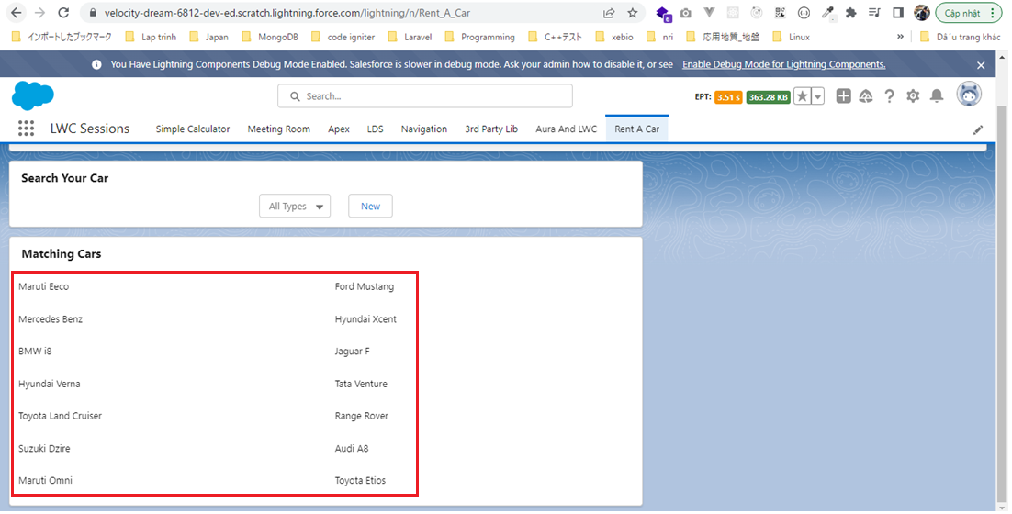

 | Thay đổi option khác

Develop CarTile Component
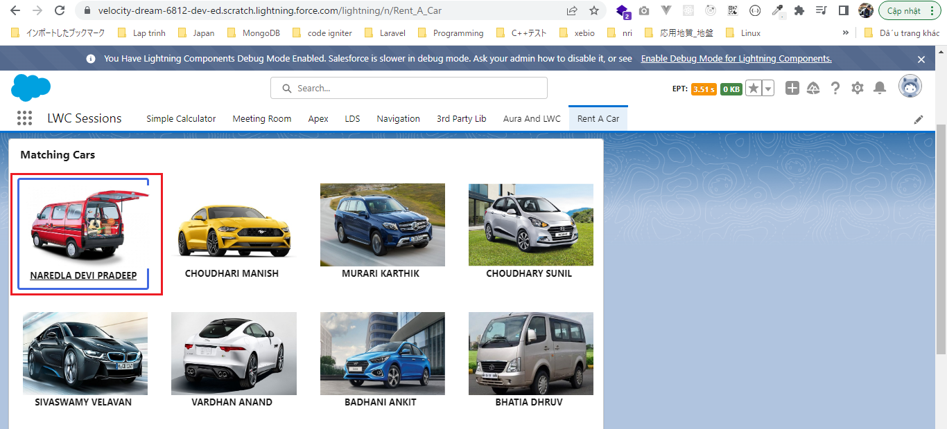
 | Create carTile component to show the car image and the car owner name

構成
 | LightningWebComponent
 |  | .vscode
 |  |  | launch.json
 |  | LWC
 |  |  | force-app
 |  |  |  | main
 |  |  |  |  | classes
 |  |  |  |  |  | abcd.cls
 |  |  |  |  |  | AccountManager.cls
 |  |  |  |  |  | CarSearchFormController.cls
 |  |  |  |  |  | CarSearchResultController.cls
 |  |  |  |  |  | CreateData.cls
 |  |  |  |  |  | CreateDataTest.cls
 |  |  |  |  |  | DeleteData.cls
 |  |  |  |  |  | DeleteDataTest.cls
 |  |  |  |  |  | RentACarTestFactory.cls
 |  |  |  |  | aura
 |  |  |  |  |  | MeetingRoomAura
 |  |  |  |  |  |  | MeetingRoomAura.cmp
 |  |  |  |  |  |  | MeetingRoomAuraController.js
 |  |  |  |  |  | MeetingRoomPubSubHandler
 |  |  |  |  |  |  | MeetingRoomPubSubHandler.cmp
 |  |  |  |  |  |  | MeetingRoomPubSubHandlerController.js
 |  |  |  |  | lwc
 |  |  |  |  |  | accountManageApex
 |  |  |  |  |  |  | accountManageApex.css
 |  |  |  |  |  |  | accountManageApex.html
 |  |  |  |  |  |  | accountManageApex.js
 |  |  |  |  |  |  | accountManageApex.js-meta.xml
 |  |  |  |  |  | accountManagerLDS
 |  |  |  |  |  |  | accountManagerLDS.html
 |  |  |  |  |  |  | accountManagerLDS.js
 |  |  |  |  |  |  | accountManagerLDS.js-meta.xml
 |  |  |  |  |  | accountManagerLDSForms
 |  |  |  |  |  |  | accountManagerLDSForms.html
 |  |  |  |  |  |  | accountManagerLDSForms.js
 |  |  |  |  |  |  | accountManagerLDSForms.js-meta.xml
 |  |  |  |  |  | accountRecordForm
 |  |  |  |  |  |  | accountRecordForm.html
 |  |  |  |  |  |  | accountRecordForm.js
 |  |  |  |  |  |  | accountRecordForm.js-meta.xml
 |  |  |  |  |  | auraPubsub
 |  |  |  |  |  |  | auraPubsub.js
 |  |  |  |  |  |  | auraPubsub.js-meta.xml
 |  |  |  |  |  | bmi
 |  |  |  |  |  |  | bmi.js
 |  |  |  |  |  | bmiCalculator
 |  |  |  |  |  |  | bmiCalculator.html
 |  |  |  |  |  |  | bmiCalculator.js
 |  |  |  |  |  |  | bmiCalculator.js-meta.xml
 |  |  |  |  |  | carSearch
 |  |  |  |  |  |  | carSearch.html
 |  |  |  |  |  |  | carSearch.js
 |  |  |  |  |  |  | carSearch.js-meta.xml
 |  |  |  |  |  | carSearchForm
 |  |  |  |  |  |  | carSearchForm.html
 |  |  |  |  |  |  | carSearchForm.js
 |  |  |  |  |  |  | carSearchForm.js-meta.xml
 |  |  |  |  |  | carSearchResult
 |  |  |  |  |  |  | carSearchResult.html |  |  |  | → | code
 |  |  |  |  |  |  | carSearchResult.js |  |  |  | → | code
 |  |  |  |  |  | carTile |  |  |  |  | → | new
 |  |  |  |  |  |  | carTile.css
 |  |  |  |  |  |  | carTile.html
 |  |  |  |  |  |  | carTile.js
 |  |  |  |  |  | conditionalRenderingExample
 |  |  |  |  |  |  | conditionalRenderingExample.html
 |  |  |  |  |  |  | conditionalRenderingExample.js
 |  |  |  |  |  |  | conditionalRenderingExample.js-meta.xml
 |  |  |  |  |  | helloWorld
 |  |  |  |  |  |  | helloWorld.css
 |  |  |  |  |  |  | helloWorld.html
 |  |  |  |  |  |  | helloWorld.js
 |  |  |  |  |  |  | helloWorld.js-meta.xml
 |  |  |  |  |  | lifecycleDemo
 |  |  |  |  |  |  | lifecycleDemo.html
 |  |  |  |  |  |  | lifecycleDemo.js
 |  |  |  |  |  |  | lifecycleDemo.js-meta.xml
 |  |  |  |  |  | meetingRoom
 |  |  |  |  |  |  | meetingRoom.css
 |  |  |  |  |  |  | meetingRoom.html
 |  |  |  |  |  |  | meetingRoom.js
 |  |  |  |  |  | meetingRooms
 |  |  |  |  |  |  | __tests__
 |  |  |  |  |  |  |  | meetingRooms.test.js
 |  |  |  |  |  |  | meetingRooms.html
 |  |  |  |  |  |  | meetingRooms.js
 |  |  |  |  |  | navigationExample
 |  |  |  |  |  |  | navigationExample.html
 |  |  |  |  |  |  | navigationExample.js
 |  |  |  |  |  |  | navigationExample.js-meta.xml
 |  |  |  |  |  | publicMethodChild
 |  |  |  |  |  |  | publicMethodChild.css
 |  |  |  |  |  |  | publicMethodChild.html
 |  |  |  |  |  |  | publicMethodChild.js
 |  |  |  |  |  |  | publicMethodChild.js-meta.xml
 |  |  |  |  |  | publicMethodParent
 |  |  |  |  |  |  | publicMethodParent.css
 |  |  |  |  |  |  | publicMethodParent.html
 |  |  |  |  |  |  | publicMethodParent.js
 |  |  |  |  |  |  | publicMethodParent.js-meta.xml
 |  |  |  |  |  | pubsub
 |  |  |  |  |  |  | pubsub.js
 |  |  |  |  |  |  | pubsub.js-meta.xml
 |  |  |  |  |  | secondFileName
 |  |  |  |  |  | selectedMeetingRoom
 |  |  |  |  |  |  | selectedMeetingRoom.html
 |  |  |  |  |  |  | selectedMeetingRoom.js
 |  |  |  |  |  | simpleCalculator
 |  |  |  |  |  |  | simpleCalculator.html
 |  |  |  |  |  |  | simpleCalculator.js
 |  |  |  |  |  |  | simpleCalculator.js-meta.xml
 |  |  |  |  |  | simpleLightBoxExample
 |  |  |  |  |  |  | simpleLightBoxExample.html
 |  |  |  |  |  |  | simpleLightBoxExample.js
 |  |  |  |  |  |  | simpleLightBoxExample.js-meta.xml
 |  |  |  |  | objects
 |  |  |  |  |  | Car__c
 |  |  |  |  |  | Car_Experience__c
 |  |  |  |  |  | Car_Type__c
 |  |  |  |  | staticresources
 |  |  |  |  |  | cars
 |  |  |  |  |  |  | compact
 |  |  |  |  |  |  | luxury
 |  |  |  |  |  |  | sports
 |  |  |  |  |  |  | van
 |  |  |  |  |  | Leaflet
 |  |  |  |  |  |  | images
 |  |  |  |  |  |  | leaflet-src.js
 |  |  |  |  |  |  | leaflet-src.js.map
 |  |  |  |  |  |  | leaflet.css
 |  |  |  |  |  |  | leaflet.js
 |  |  |  |  |  |  | leaflet.js.map
 |  |  |  |  | tabs
 |  |  |  |  |  | Car__c.tab-meta.xml
 |  |  |  |  |  | Car_Experience__c.tab-meta.xml
 |  |  |  |  |  | Car_Type__c.tab-meta.xml
 |  |  | package.json

LightningWebComponent\LWC\force-app\main\default\lwc\carTile\carTile.html
 | <template>
 | <a onclick={handleCarSelect}> |  |  |  |  |  |  |  | → | whenever user is clicking on any of this car we will create a blue border around it
 | <div class={isCarSelected}>
 | <img
 | src={car.Picture__c}
 | class="car slds-align_absolute-center"
 | alt="Car Picture"
 | />
 | <div>
 | <p class="title slds-align_absolute-center">{car.Contact__r.Name}</p>
 | </div>
 | </div>
 | </a>
 | </template>

LightningWebComponent\LWC\force-app\main\default\lwc\carTile\carTile.js
 | import { LightningElement, api } from 'lwc';

 | export default class CarTile extends LightningElement {
 | @api car; |  |  |  |  |  |  | → | carTile component accept the car object from parent carSearchResult component
 | @api carSelectedId;

 | handleCarSelect(event){
 | event.preventDefault();

 | const carId = this.car.Id;

 | const carSelect = new CustomEvent('carselect', {detail:carId}); |  |  |  |  |  |  | → | pass the selected car id to parent component(carSearchResult)
 | this.dispatchEvent(carSelect);
 | }

 | get isCarSelected(){
 | if(this.car.Id === this.carSelectedId){ |  |  |  |  |  |  | → | check the matching car id
 | return "tile selected"; |  |  |  |  |  |  | → | return CSS class name
 | }
 | return "tile";
 | }
 | }

LightningWebComponent\LWC\force-app\main\default\lwc\carTile\carTile.css
 | .tile {
 | padding: 8px;
 | background-color: #FFFFFF;
 | border-radius: 0.25rem;
 | }

 | a {
 | color: inherit;
 | }

 | img.car {
 | height: 120px;
 | max-width: initial;
 | pointer-events: none;
 | }

 | .title { |  |  |  |  | → | owner name
 | font-weight: bold;
 | text-transform: uppercase;
 | }

 | .selected { |  |  |  |  | → | selected car
 | border-width: medium;
 | border-radius: 4px;
 | border-color: royalblue;
 | border-style: solid;
 | }

LightningWebComponent\LWC\force-app\main\default\lwc\carSearchResult\carSearchResult.html
 | <template>
 | <lightning-layout multiple-rows horizontal-align="center">
 | <template if:true={carsFound}>
 | <template for:each={cars} for:item="car">
 | <lightning-layout-item
 | key={car.Id}
 | padding="around-small"
 | size="12"
 | small-device-size="6"
 | large-device-size="3"
 | medium-device-size="4"
 | >
 | <c-car-tile
 | car={car}
 | oncarselect={carSelectHandler}
 | car-selected-id={selectedCarId} |  |  |  |  |  |  | → | pass selectedCarId to carTile component
 | ></c-car-tile>
 | </lightning-layout-item>
 | </template>
 | </template>
 | <template if:false={carsFound}>
 | <div class="slds-align_absolute-center">No Cars Found</div>
 | </template>
 | </lightning-layout>
 | </template>

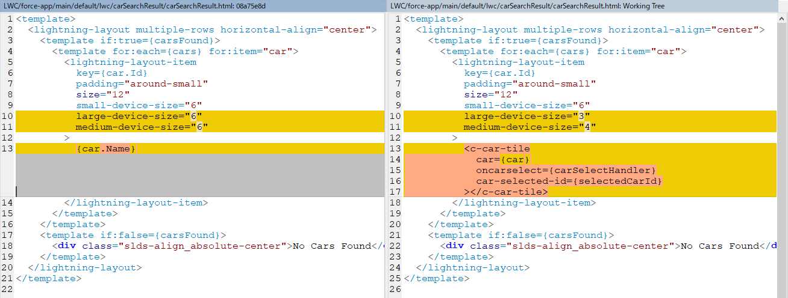

LightningWebComponent\LWC\force-app\main\default\lwc\carSearchResult\carSearchResult.js
 | import { LightningElement, api, wire, track } from 'lwc';
 | import getCars from '@salesforce/apex/CarSearchResultController.getCars';
 | import { ShowToastEvent } from 'lightning/platformShowToastEvent';

 | export default class CarSearchResult extends LightningElement {
 | @api carTypeId;

 | @track cars;
 | @track selectedCarId;

 | @wire(getCars, {carTypeId : '$carTypeId'})
 | wiredCars({data, error}){
 | if(data){
 | this.cars = data;
 | } else if(error){
 | this.showToast('ERROR', error.body.message, 'error');
 | }
 | }

 | showToast(title, message, variant) {
 | const evt = new ShowToastEvent({
 | title: title,
 | message: message,
 | variant: variant,
 | });
 | this.dispatchEvent(evt);
 | }

 | carSelectHandler(event){
 | const carId = event.detail;
 | this.selectedCarId = carId;
 | }

 | get carsFound(){
 | if(this.cars){
 | return true;
 | }
 | return false;
 | }
 | }

LightningWebComponent\LWC\force-app\main\default\lwc\simpleLightBoxExample\simpleLightBoxExample.js

Check browser
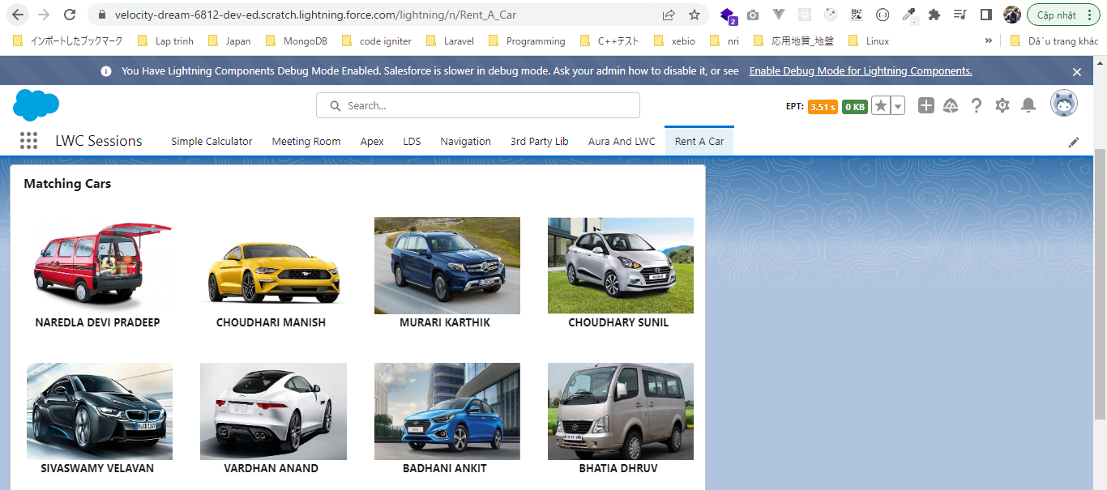

 | Click on any of car we can see a blue border around it

