Display A Toast Notification
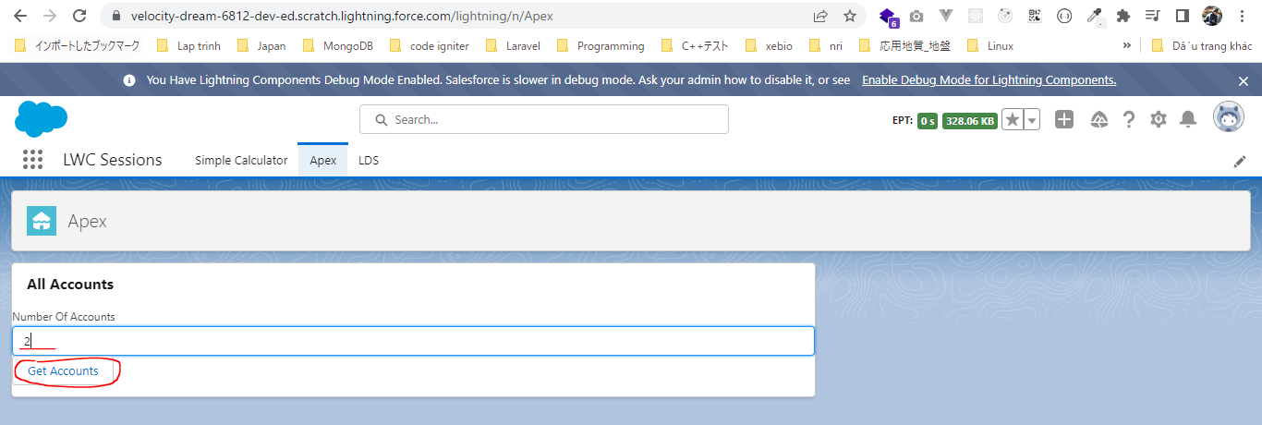
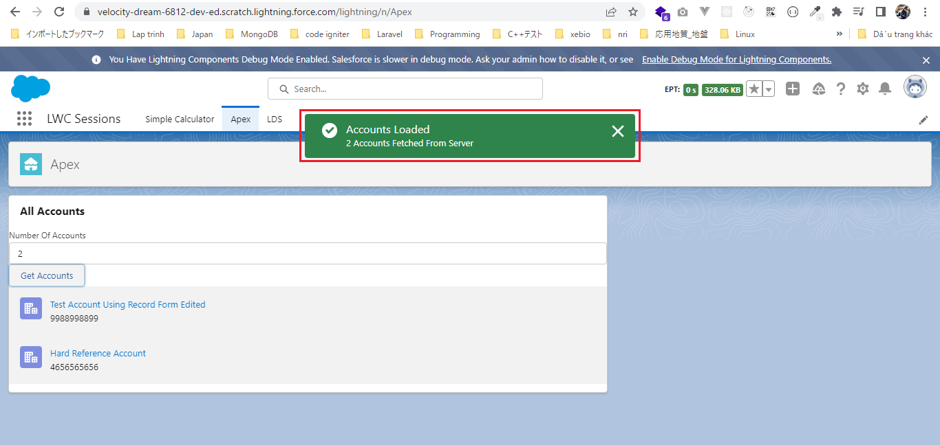
構成
 | LightningWebComponent
 |  | LWC
 |  |  | force-app
 |  |  |  | main
 |  |  |  |  | classes
 |  |  |  |  |  | abcd.cls
 |  |  |  |  |  | AccountManager.cls
 |  |  |  |  | lwc
 |  |  |  |  |  | accountManageApex
 |  |  |  |  |  |  | accountManageApex.css
 |  |  |  |  |  |  | accountManageApex.html
 |  |  |  |  |  |  | accountManageApex.js |  |  | → | code
 |  |  |  |  |  |  | accountManageApex.js-meta.xml
 |  |  |  |  |  | accountManagerLDS
 |  |  |  |  |  |  | accountManagerLDS.html
 |  |  |  |  |  |  | accountManagerLDS.js
 |  |  |  |  |  |  | accountManagerLDS.js-meta.xml
 |  |  |  |  |  | accountManagerLDSForms
 |  |  |  |  |  |  | accountManagerLDSForms.html
 |  |  |  |  |  |  | accountManagerLDSForms.js
 |  |  |  |  |  |  | accountManagerLDSForms.js-meta.xml
 |  |  |  |  |  | accountRecordForm
 |  |  |  |  |  |  | accountRecordForm.html
 |  |  |  |  |  |  | accountRecordForm.js
 |  |  |  |  |  |  | accountRecordForm.js-meta.xml
 |  |  |  |  |  | bmi
 |  |  |  |  |  |  | bmi.js
 |  |  |  |  |  | bmiCalculator
 |  |  |  |  |  |  | bmiCalculator.html
 |  |  |  |  |  |  | bmiCalculator.js
 |  |  |  |  |  |  | bmiCalculator.js-meta.xml
 |  |  |  |  |  | conditionalRenderingExample
 |  |  |  |  |  |  | conditionalRenderingExample.html
 |  |  |  |  |  |  | conditionalRenderingExample.js
 |  |  |  |  |  |  | conditionalRenderingExample.js-meta.xml
 |  |  |  |  |  | helloWorld
 |  |  |  |  |  |  | helloWorld.css
 |  |  |  |  |  |  | helloWorld.html
 |  |  |  |  |  |  | helloWorld.js
 |  |  |  |  |  |  | helloWorld.js-meta.xml
 |  |  |  |  |  | lifecycleDemo
 |  |  |  |  |  |  | lifecycleDemo.html
 |  |  |  |  |  |  | lifecycleDemo.js
 |  |  |  |  |  |  | lifecycleDemo.js-meta.xml
 |  |  |  |  |  | meetingRoom
 |  |  |  |  |  |  | meetingRoom.css
 |  |  |  |  |  |  | meetingRoom.html
 |  |  |  |  |  |  | meetingRoom.js
 |  |  |  |  |  | meetingRooms
 |  |  |  |  |  |  | meetingRooms.html
 |  |  |  |  |  |  | meetingRooms.js
 |  |  |  |  |  | publicMethodChild
 |  |  |  |  |  |  | publicMethodChild.css
 |  |  |  |  |  |  | publicMethodChild.html
 |  |  |  |  |  |  | publicMethodChild.js
 |  |  |  |  |  |  | publicMethodChild.js-meta.xml
 |  |  |  |  |  | publicMethodParent
 |  |  |  |  |  |  | publicMethodParent.css
 |  |  |  |  |  |  | publicMethodParent.html
 |  |  |  |  |  |  | publicMethodParent.js
 |  |  |  |  |  |  | publicMethodParent.js-meta.xml
 |  |  |  |  |  | pubsub
 |  |  |  |  |  |  | pubsub.js
 |  |  |  |  |  |  | pubsub.js-meta.xml
 |  |  |  |  |  | secondFileName
 |  |  |  |  |  | selectedMeetingRoom
 |  |  |  |  |  |  | selectedMeetingRoom.html
 |  |  |  |  |  |  | selectedMeetingRoom.js
 |  |  |  |  |  | simpleCalculator
 |  |  |  |  |  |  | simpleCalculator.html
 |  |  |  |  |  |  | simpleCalculator.js
 |  |  |  |  |  |  | simpleCalculator.js-meta.xml

LightningWebComponent\LWC\force-app\main\default\lwc\accountManageApex\accountManageApex.js
 | import { LightningElement, track } from 'lwc';
 | import getAllAccounts from '@salesforce/apex/AccountManager.getAccount'
 | import {ShowToastEvent} from 'lightning/platformShowToastEvent';

 | export default class AccountManageApex extends LightningElement {

 | numberOfRecords;
 | @track accounts;

 | get responseReceived(){
 | if(this.accounts){
 | return true;
 | }
 | return false;
 | }

 | numberOfAccountChangeHandler(event){
 | this.numberOfRecords = event.target.value;
 | }

 | getAccounts(){
 | getAllAccounts({numberOfRecords:this.numberOfRecords}).then(response =>{
 | this.accounts = response;
 | const toastEvent = new ShowToastEvent({ |  |  |  |  |  |  | → | constructor for ShowToastEvent
 | title : 'Accounts Loaded',
 | message : this.numberOfRecords + ' Accounts Fetched From Server',
 | variant : 'success',
 | });
 | this.dispatchEvent(toastEvent);
 | }).catch(error =>{
 | console.error('Error in getting the accounts', error.body.message);
 | const toastEvent = new ShowToastEvent({
 | title : 'ERROR',
 | message : error.body.message,
 | variant : 'error',
 | });
 | this.dispatchEvent(toastEvent);
 | })
 | }

 | }

Test browser

GetRecordIdandObjectNameFromFw
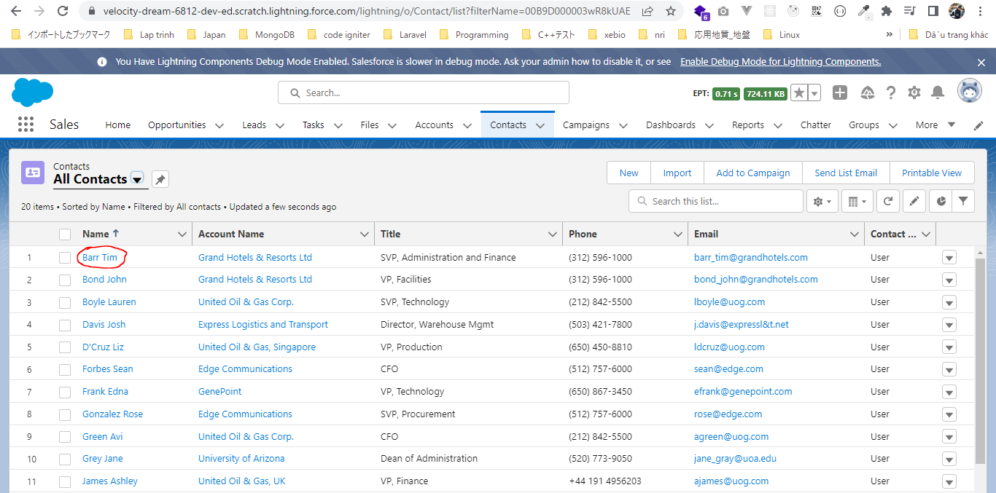
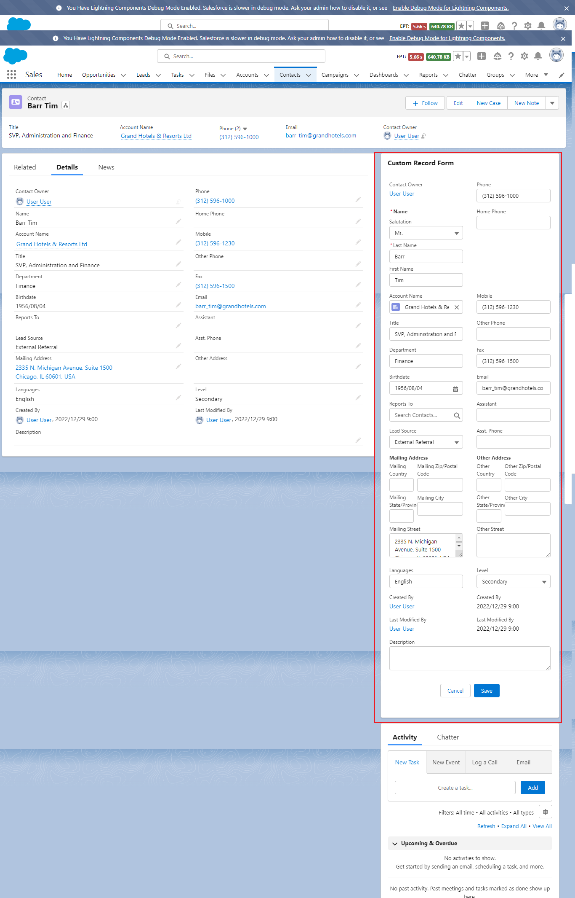
Get Record Id and Object Name From Framework
 | In this part we discus about how we can get the record-id and the object-api-name from the framework itself when we put a Lightning Web Component on a app builder record page
 | This only work on the record page, and the value of record id and object api name would be null if we put our component on home page or app page

構成
 | LightningWebComponent
 |  | LWC
 |  |  | force-app
 |  |  |  | main
 |  |  |  |  | classes
 |  |  |  |  |  | abcd.cls
 |  |  |  |  |  | AccountManager.cls
 |  |  |  |  | lwc
 |  |  |  |  |  | accountManageApex
 |  |  |  |  |  |  | accountManageApex.css
 |  |  |  |  |  |  | accountManageApex.html
 |  |  |  |  |  |  | accountManageApex.js
 |  |  |  |  |  |  | accountManageApex.js-meta.xml
 |  |  |  |  |  | accountManagerLDS
 |  |  |  |  |  |  | accountManagerLDS.html
 |  |  |  |  |  |  | accountManagerLDS.js
 |  |  |  |  |  |  | accountManagerLDS.js-meta.xml
 |  |  |  |  |  | accountManagerLDSForms
 |  |  |  |  |  |  | accountManagerLDSForms.html
 |  |  |  |  |  |  | accountManagerLDSForms.js
 |  |  |  |  |  |  | accountManagerLDSForms.js-meta.xml
 |  |  |  |  |  | accountRecordForm
 |  |  |  |  |  |  | accountRecordForm.html |  |  | → | code
 |  |  |  |  |  |  | accountRecordForm.js |  |  | → | code
 |  |  |  |  |  |  | accountRecordForm.js-meta.xml
 |  |  |  |  |  | bmi
 |  |  |  |  |  |  | bmi.js
 |  |  |  |  |  | bmiCalculator
 |  |  |  |  |  |  | bmiCalculator.html
 |  |  |  |  |  |  | bmiCalculator.js
 |  |  |  |  |  |  | bmiCalculator.js-meta.xml
 |  |  |  |  |  | conditionalRenderingExample
 |  |  |  |  |  |  | conditionalRenderingExample.html
 |  |  |  |  |  |  | conditionalRenderingExample.js
 |  |  |  |  |  |  | conditionalRenderingExample.js-meta.xml
 |  |  |  |  |  | helloWorld
 |  |  |  |  |  |  | helloWorld.css
 |  |  |  |  |  |  | helloWorld.html
 |  |  |  |  |  |  | helloWorld.js
 |  |  |  |  |  |  | helloWorld.js-meta.xml
 |  |  |  |  |  | lifecycleDemo
 |  |  |  |  |  |  | lifecycleDemo.html
 |  |  |  |  |  |  | lifecycleDemo.js
 |  |  |  |  |  |  | lifecycleDemo.js-meta.xml
 |  |  |  |  |  | meetingRoom
 |  |  |  |  |  |  | meetingRoom.css
 |  |  |  |  |  |  | meetingRoom.html
 |  |  |  |  |  |  | meetingRoom.js
 |  |  |  |  |  | meetingRooms
 |  |  |  |  |  |  | meetingRooms.html
 |  |  |  |  |  |  | meetingRooms.js
 |  |  |  |  |  | publicMethodChild
 |  |  |  |  |  |  | publicMethodChild.css
 |  |  |  |  |  |  | publicMethodChild.html
 |  |  |  |  |  |  | publicMethodChild.js
 |  |  |  |  |  |  | publicMethodChild.js-meta.xml
 |  |  |  |  |  | publicMethodParent
 |  |  |  |  |  |  | publicMethodParent.css
 |  |  |  |  |  |  | publicMethodParent.html
 |  |  |  |  |  |  | publicMethodParent.js
 |  |  |  |  |  |  | publicMethodParent.js-meta.xml
 |  |  |  |  |  | pubsub
 |  |  |  |  |  |  | pubsub.js
 |  |  |  |  |  |  | pubsub.js-meta.xml
 |  |  |  |  |  | secondFileName
 |  |  |  |  |  | selectedMeetingRoom
 |  |  |  |  |  |  | selectedMeetingRoom.html
 |  |  |  |  |  |  | selectedMeetingRoom.js
 |  |  |  |  |  | simpleCalculator
 |  |  |  |  |  |  | simpleCalculator.html
 |  |  |  |  |  |  | simpleCalculator.js
 |  |  |  |  |  |  | simpleCalculator.js-meta.xml

LightningWebComponent\LWC\force-app\main\default\lwc\accountRecordForm\accountRecordForm.html
 | <template>
 | <lightning-card title="Custom Record Form">
 | <div class="slds-p-around_medium">
 | <lightning-record-form object-api-name={objectApiName} record-id={recordId} columns="2" mode="edit" |  |  |  |  |  |  |  |  | → | make object-api-name property dynamic
 | layout-type="Full" onsuccess={handleSuccess}></lightning-record-form>
 | </div>
 | </lightning-card>
 | </template>

LightningWebComponent\LWC\force-app\main\default\lwc\accountRecordForm\accountRecordForm.js
 | import { LightningElement, api } from 'lwc';

 | export default class AccountRecordForm extends LightningElement {
 | @api recordId; |  |  |  |  |  |  | → | We need to declare public property so that the framework can supply the value of this public property to us. So when we put this component on a record page
 | @api objectApiName; |  |  |  |  |  |  |  | these 2 properties will automatically hold a value of the current record-id and object-api-name and these values will be supplied by the web component framework itself
 |  |  |  |  |  |  |  |  | But if we put this component somewhere else like on home page or app page then the value of these 2 properties would be null because the framework would not be aware
 | handleSuccess(event){ |  |  |  |  |  |  |  | which record we want to view
 | this.recordId = event.detail.id;
 | }
 | }

Push this component to Opportunities
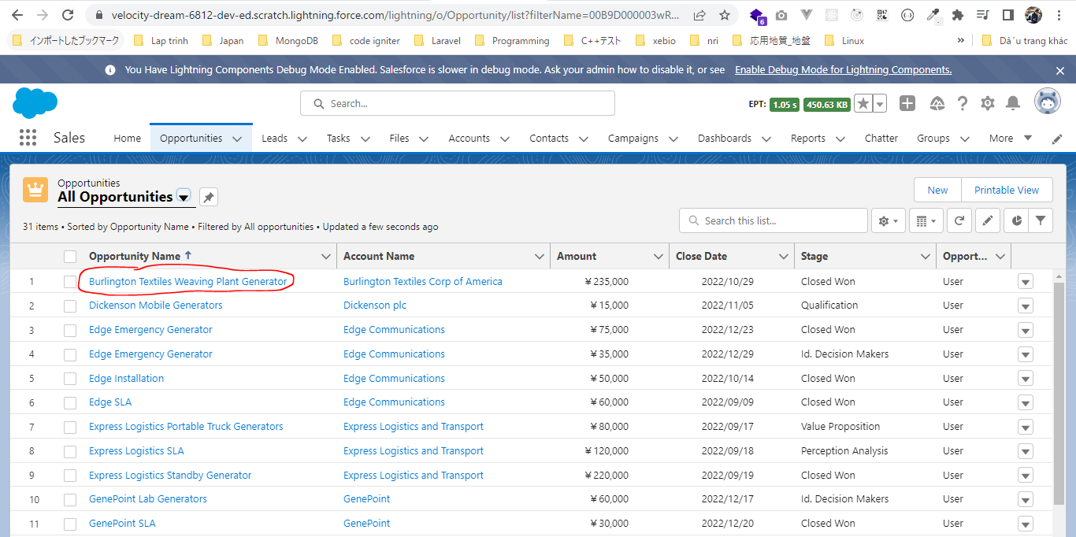

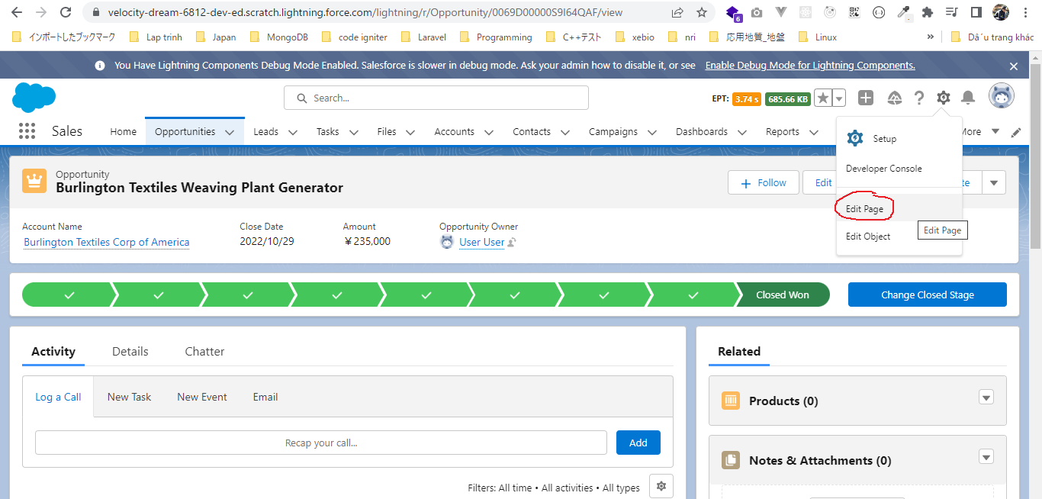

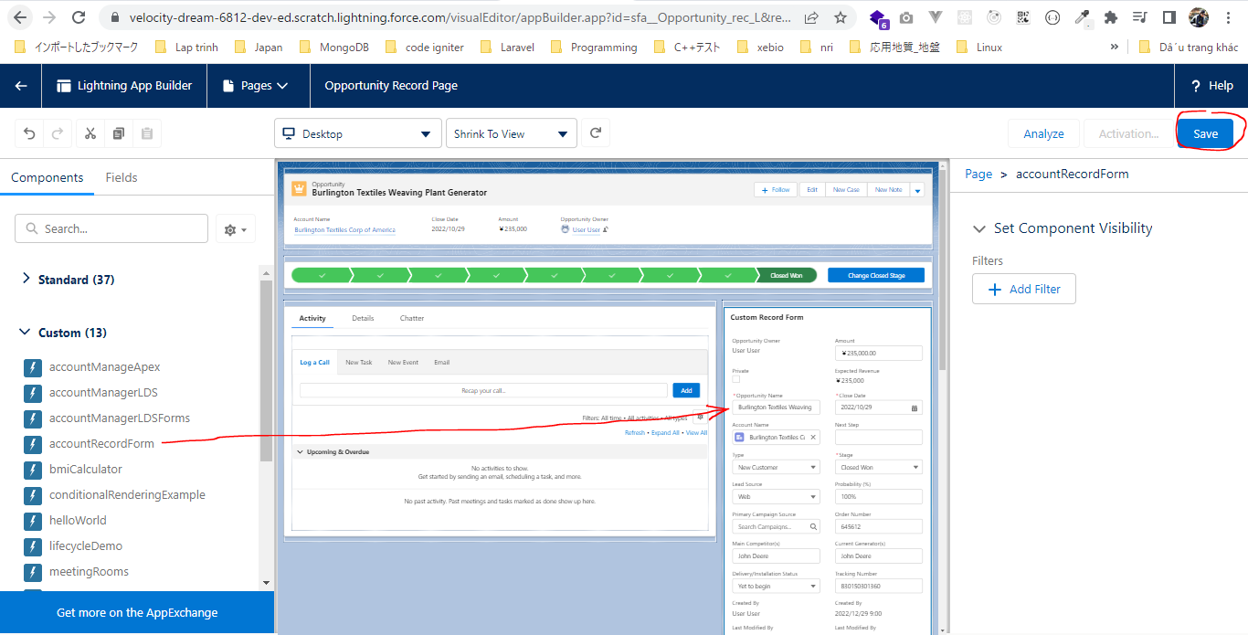

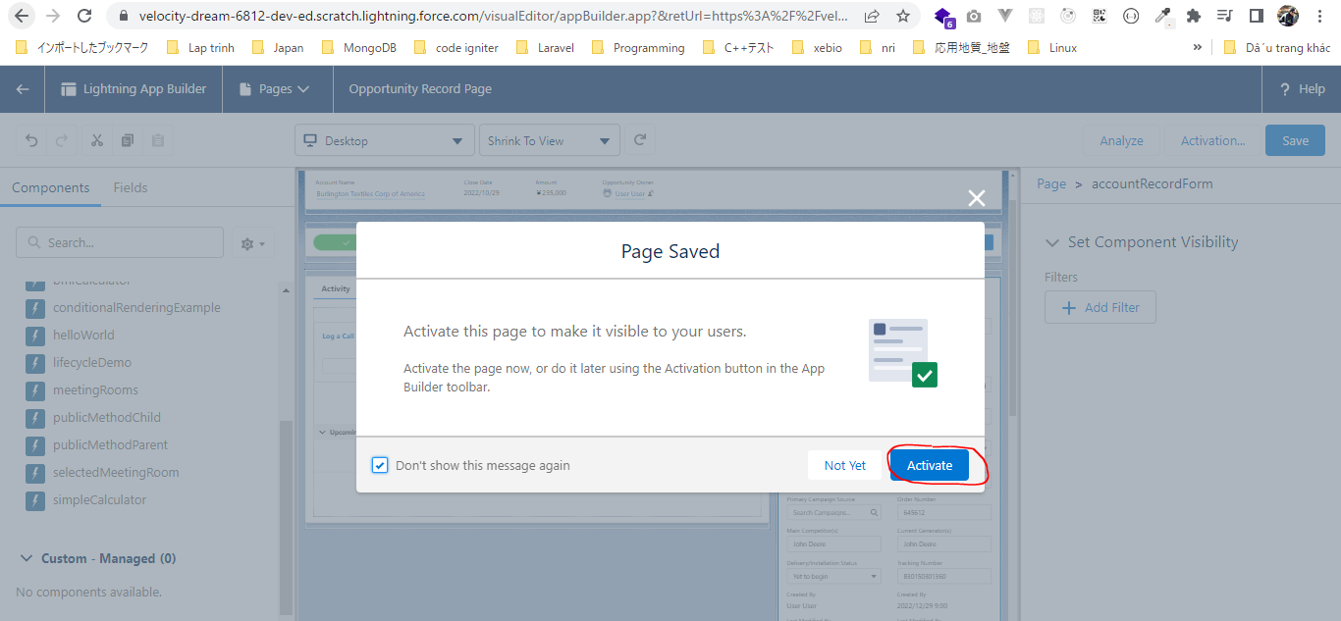

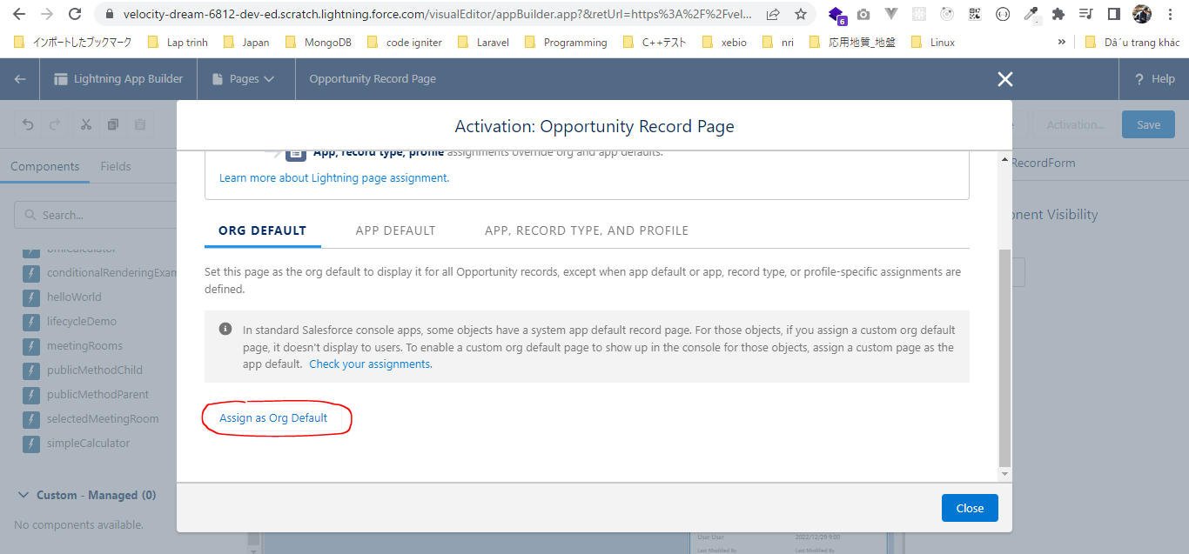

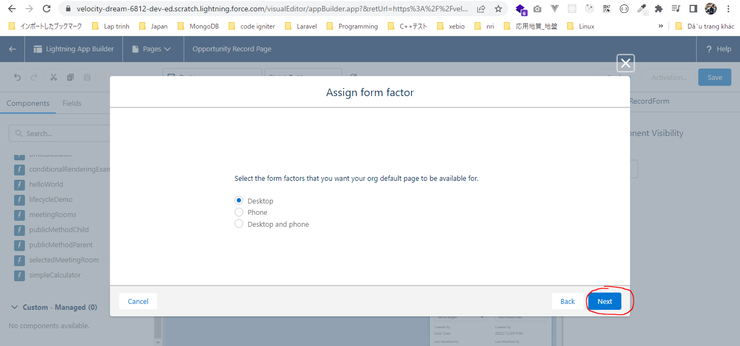

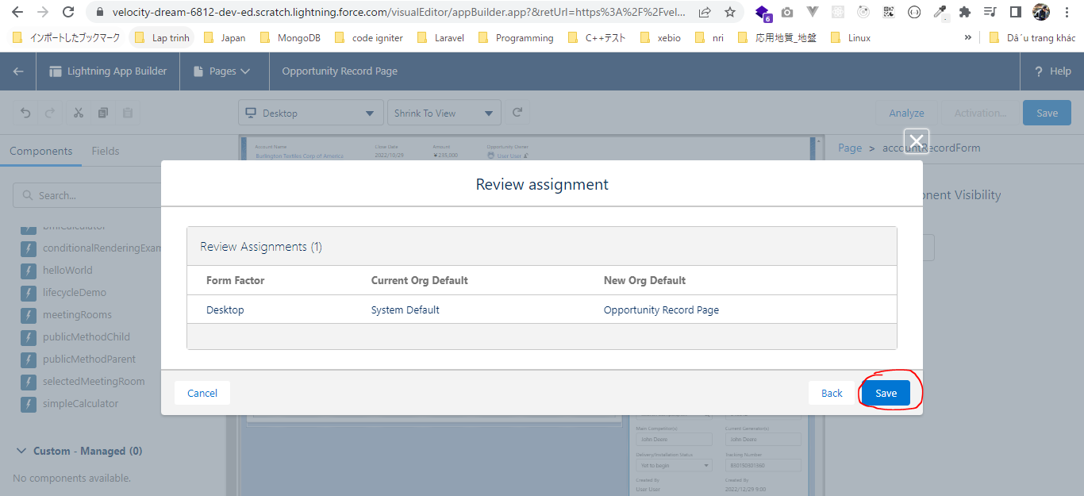

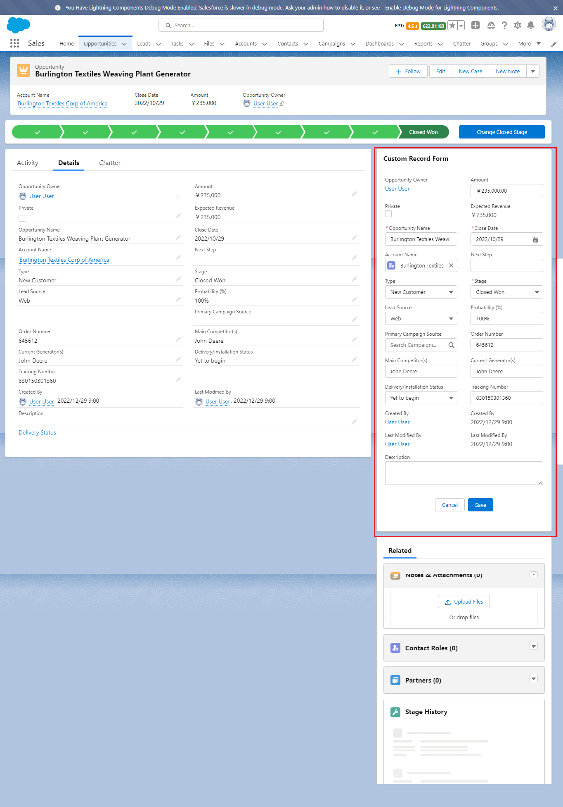

Push this component to Contacts

Meta File Configurations
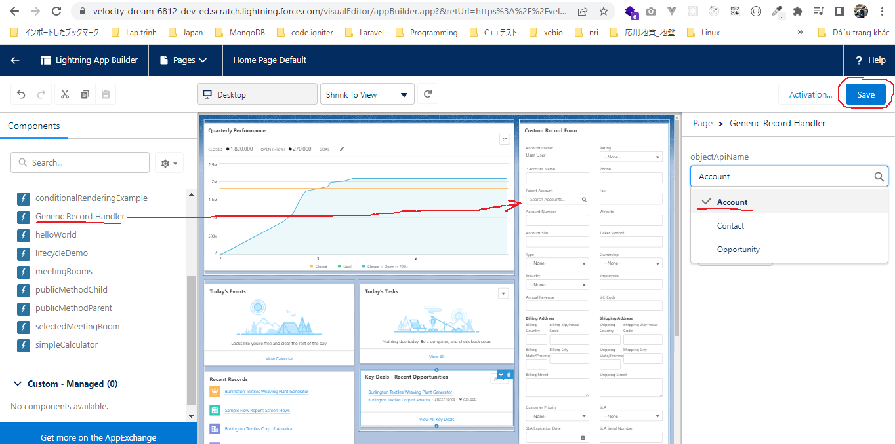
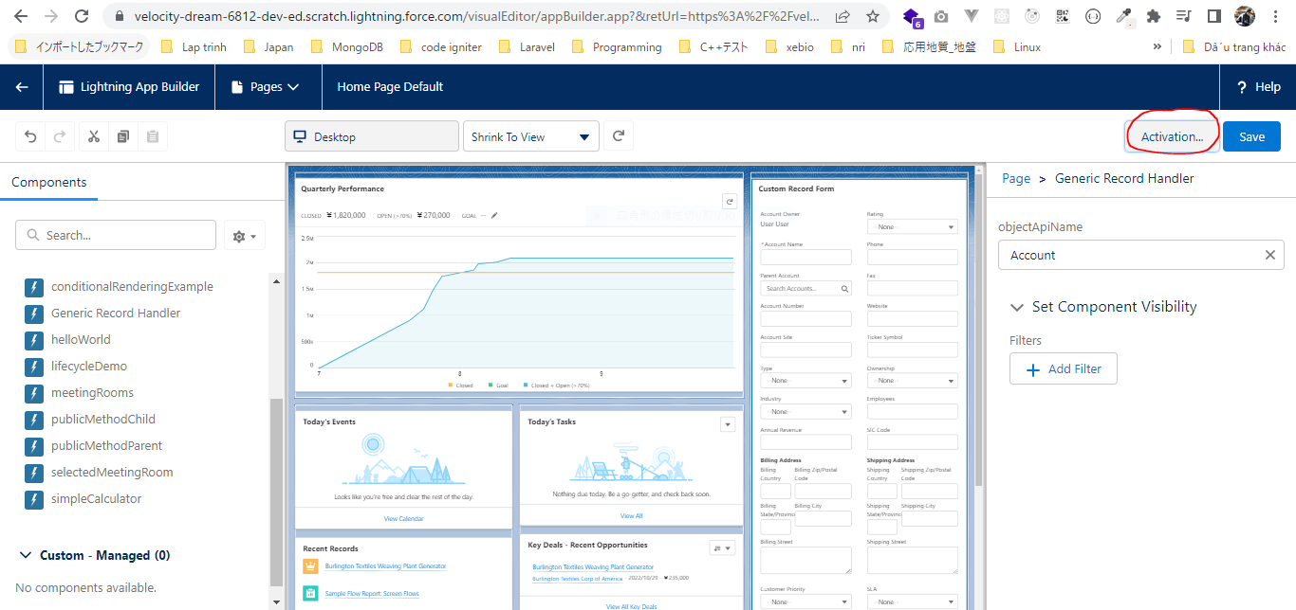
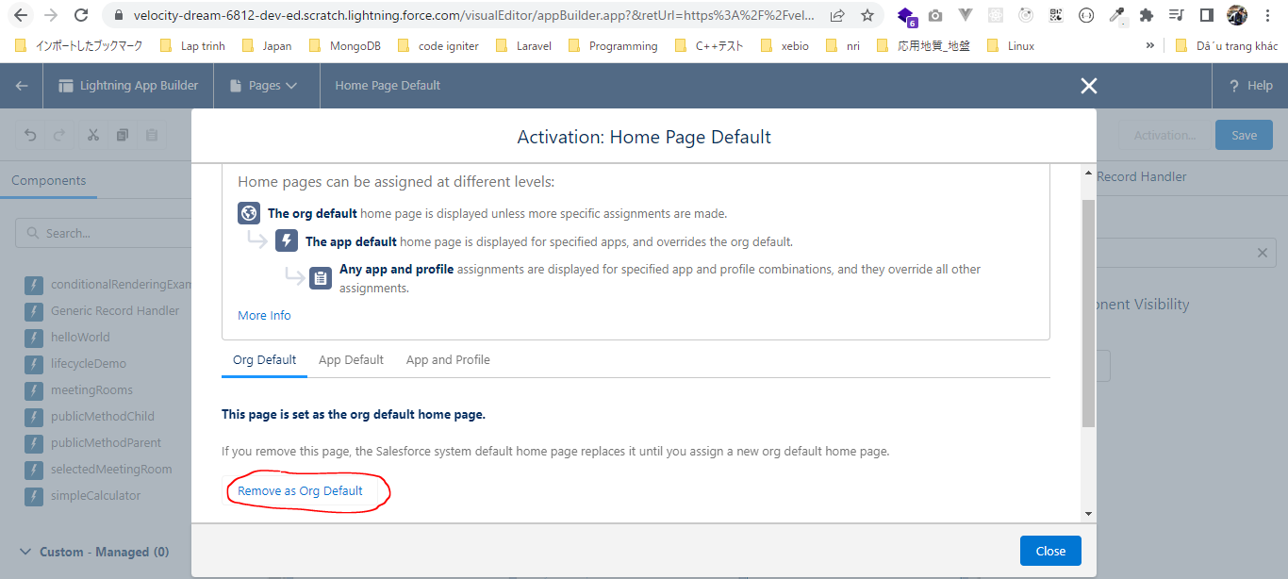
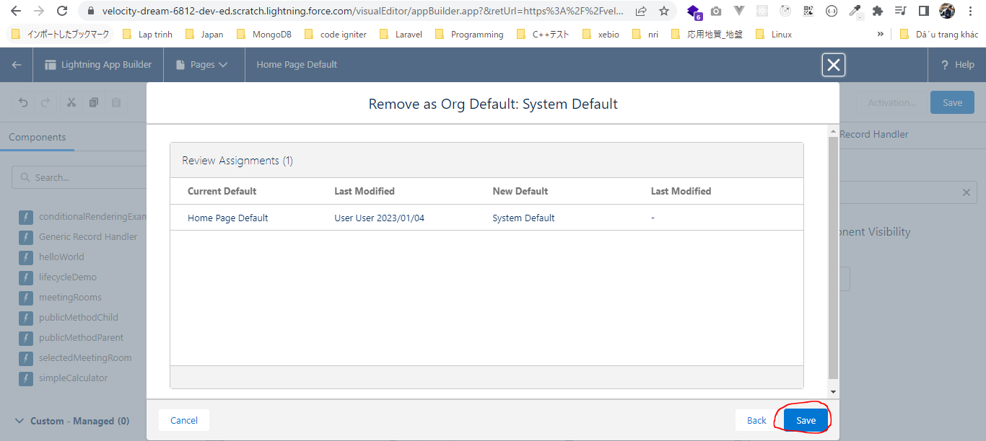
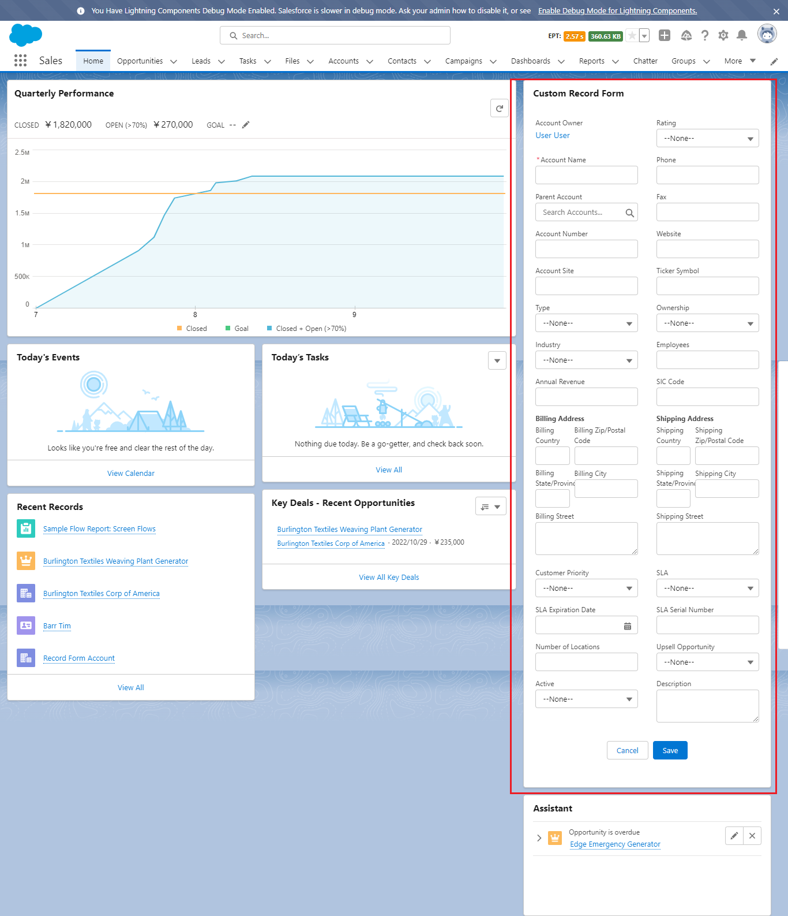
 | In this part we discus about our meta file like what other different properties are available for us how we can make our component available for different lightning component. How we can make
 | our component more generic using using the meta file

構成
 | LightningWebComponent
 |  | LWC
 |  |  | force-app
 |  |  |  | main
 |  |  |  |  | classes
 |  |  |  |  |  | abcd.cls
 |  |  |  |  |  | AccountManager.cls
 |  |  |  |  | lwc
 |  |  |  |  |  | accountManageApex
 |  |  |  |  |  |  | accountManageApex.css
 |  |  |  |  |  |  | accountManageApex.html
 |  |  |  |  |  |  | accountManageApex.js
 |  |  |  |  |  |  | accountManageApex.js-meta.xml
 |  |  |  |  |  | accountManagerLDS
 |  |  |  |  |  |  | accountManagerLDS.html
 |  |  |  |  |  |  | accountManagerLDS.js
 |  |  |  |  |  |  | accountManagerLDS.js-meta.xml
 |  |  |  |  |  | accountManagerLDSForms
 |  |  |  |  |  |  | accountManagerLDSForms.html
 |  |  |  |  |  |  | accountManagerLDSForms.js
 |  |  |  |  |  |  | accountManagerLDSForms.js-meta.xml
 |  |  |  |  |  | accountRecordForm
 |  |  |  |  |  |  | accountRecordForm.html
 |  |  |  |  |  |  | accountRecordForm.js
 |  |  |  |  |  |  | accountRecordForm.js-meta.xml
 |  |  |  |  |  | bmi
 |  |  |  |  |  |  | bmi.js
 |  |  |  |  |  | bmiCalculator
 |  |  |  |  |  |  | bmiCalculator.html
 |  |  |  |  |  |  | bmiCalculator.js
 |  |  |  |  |  |  | bmiCalculator.js-meta.xml
 |  |  |  |  |  | conditionalRenderingExample
 |  |  |  |  |  |  | conditionalRenderingExample.html
 |  |  |  |  |  |  | conditionalRenderingExample.js
 |  |  |  |  |  |  | conditionalRenderingExample.js-meta.xml
 |  |  |  |  |  | helloWorld
 |  |  |  |  |  |  | helloWorld.css
 |  |  |  |  |  |  | helloWorld.html
 |  |  |  |  |  |  | helloWorld.js
 |  |  |  |  |  |  | helloWorld.js-meta.xml
 |  |  |  |  |  | lifecycleDemo
 |  |  |  |  |  |  | lifecycleDemo.html
 |  |  |  |  |  |  | lifecycleDemo.js
 |  |  |  |  |  |  | lifecycleDemo.js-meta.xml
 |  |  |  |  |  | meetingRoom
 |  |  |  |  |  |  | meetingRoom.css
 |  |  |  |  |  |  | meetingRoom.html
 |  |  |  |  |  |  | meetingRoom.js
 |  |  |  |  |  | meetingRooms
 |  |  |  |  |  |  | meetingRooms.html
 |  |  |  |  |  |  | meetingRooms.js
 |  |  |  |  |  | publicMethodChild
 |  |  |  |  |  |  | publicMethodChild.css
 |  |  |  |  |  |  | publicMethodChild.html
 |  |  |  |  |  |  | publicMethodChild.js
 |  |  |  |  |  |  | publicMethodChild.js-meta.xml
 |  |  |  |  |  | publicMethodParent
 |  |  |  |  |  |  | publicMethodParent.css
 |  |  |  |  |  |  | publicMethodParent.html
 |  |  |  |  |  |  | publicMethodParent.js
 |  |  |  |  |  |  | publicMethodParent.js-meta.xml
 |  |  |  |  |  | pubsub
 |  |  |  |  |  |  | pubsub.js
 |  |  |  |  |  |  | pubsub.js-meta.xml
 |  |  |  |  |  | secondFileName
 |  |  |  |  |  | selectedMeetingRoom
 |  |  |  |  |  |  | selectedMeetingRoom.html
 |  |  |  |  |  |  | selectedMeetingRoom.js
 |  |  |  |  |  | simpleCalculator
 |  |  |  |  |  |  | simpleCalculator.html
 |  |  |  |  |  |  | simpleCalculator.js
 |  |  |  |  |  |  | simpleCalculator.js-meta.xml

LightningWebComponent\LWC\force-app\main\default\lwc\accountRecordForm\accountRecordForm.js-meta.xml
 | <?xml version="1.0" encoding="UTF-8"?>
 | <LightningComponentBundle xmlns="http://soap.sforce.com/2006/04/metadata">
 | <apiVersion>55.0</apiVersion>
 | <isExposed>true</isExposed>
 | <description> A Generic component to show or edit object records </description>
 | <masterLabel> Generic Record Handler </masterLabel> |  |  |  |  |  |  | → | give a friendly name our component
 | <targets>
 | <target>lightning__RecordPage</target>
 | <target>lightning__AppPage</target>
 | <target>lightning__HomePage</target>
 | <target>lightningCommunity__Page</target> |  |  |  |  |  |  | → | Make component avaiable for the lightning Communities
 | <target>lightningCommunity__Default</target> |  |  |  |  |  |  | →
 | </targets>
 | <targetConfigs> |  |  |  |  |  |  | → | Give some extra control to admins so that they can select that object name on which they want to create the record
 | <targetConfig targets='lightning__AppPage, lightning__HomePage'> |  |  |  |  |  |  | → | aply this property(objectApiName) to AppPage and HomePage
 | <property name="objectApiName" type='String' datasource='Account,Contact,Opportunity' |  |  |  |  |  |  | → | we want to give admin a power so that they can select the object name for which they want to create a record
 | default='Account'></property>
 | </targetConfig>
 | </targetConfigs>
 | </LightningComponentBundle>

LightningWebComponent\LWC\force-app\main\default\lwc\accountRecordForm\accountRecordForm.js
 | import { LightningElement, api } from 'lwc';

 | export default class AccountRecordForm extends LightningElement {
 | @api recordId;
 | @api objectApiName;

 | handleSuccess(event){
 | this.recordId = event.detail.id;
 | }
 | }

Test browser

