Hello World Component
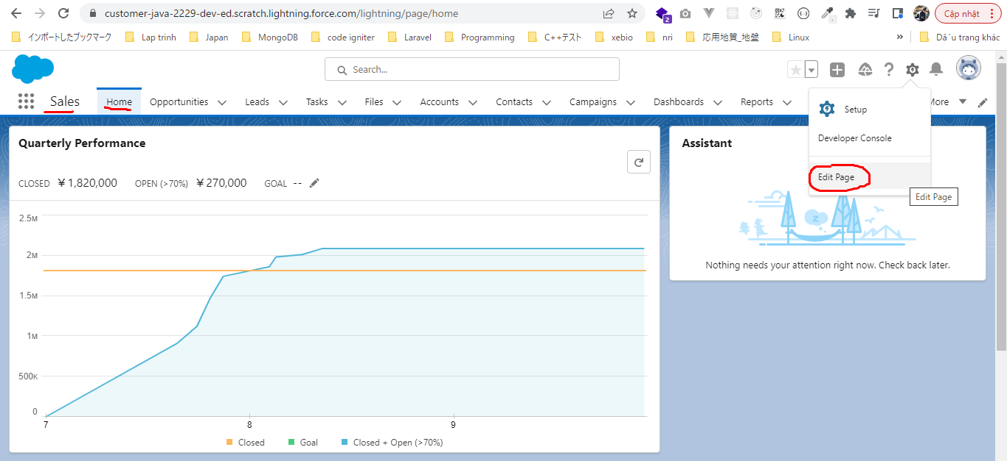
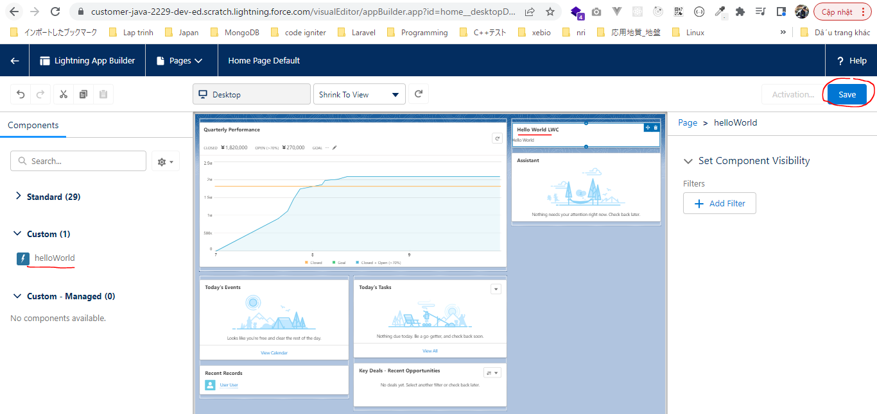
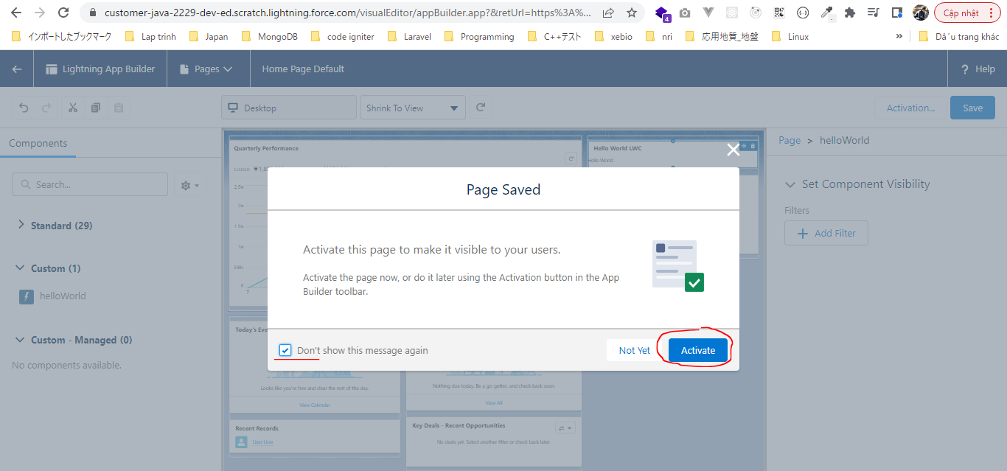
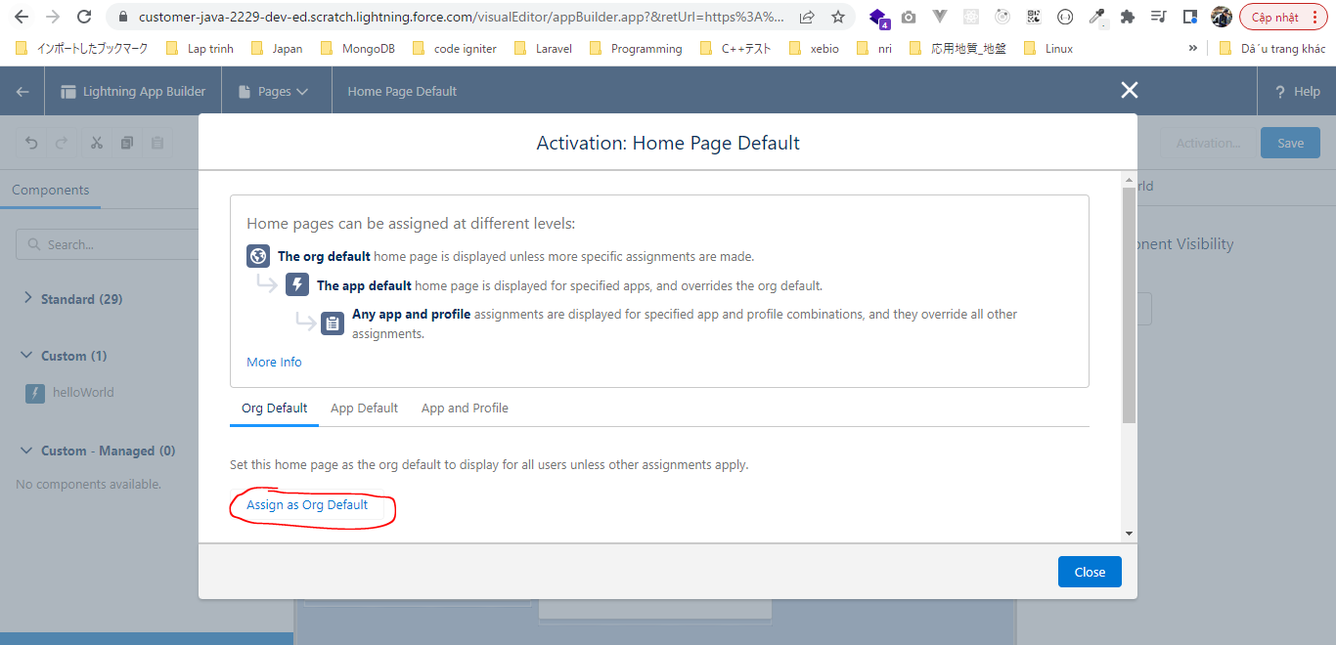
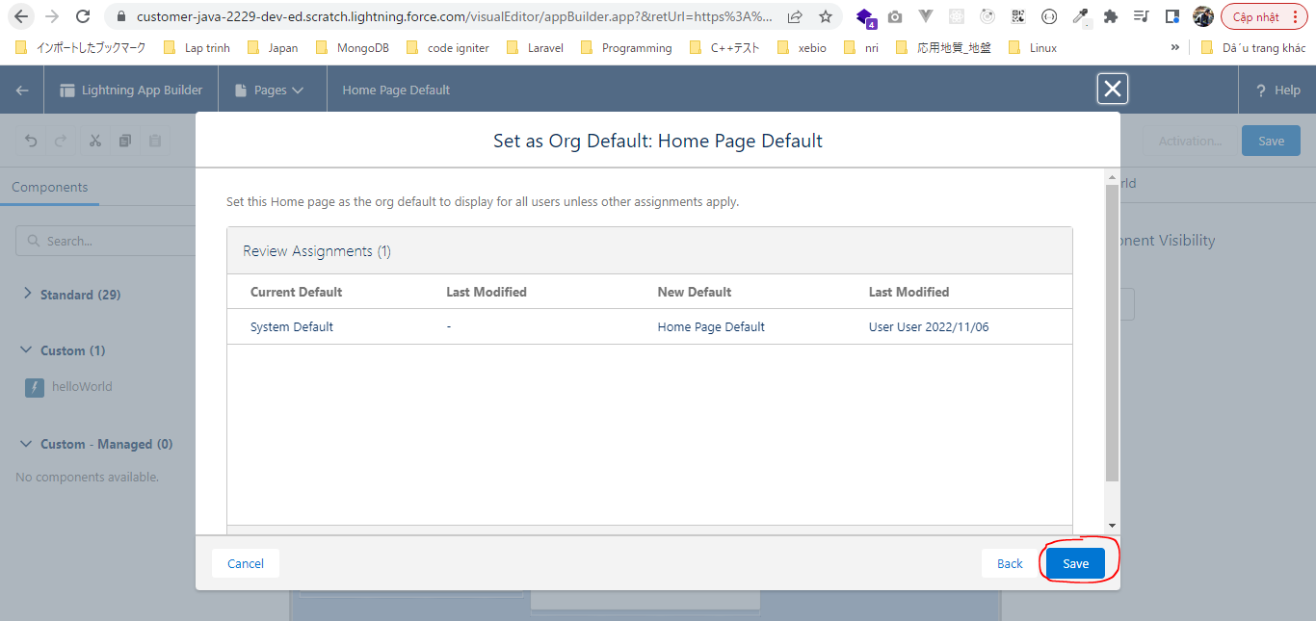
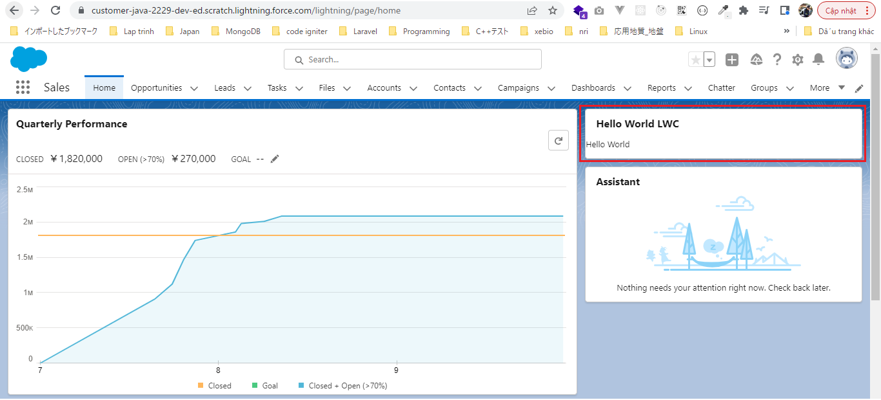
構成
 | LightningWebComponent
 |  | LWC
 |  |  | force-app
 |  |  |  | main
 |  |  |  |  | classes
 |  |  |  |  |  | abcd.cls
 |  |  |  |  | lwc
 |  |  |  |  |  | helloWorld |  | → | new Lightning Web Component. Tên phải để ở dạng camelCase
 |  |  |  |  |  |  | helloWorld.html
 |  |  |  |  |  |  | helloWorld.js
 |  |  |  |  |  |  | helloWorld.js-meta.xml
 |  |  |  |  |  | secondFileName

LightningWebComponent\LWC\force-app\main\default\lwc\helloWorld\helloWorld.html
 | <template> |  |  |  |  | → | Phải được bao ngoài là thẻ template
 | <lightning-card title="Hello World LWC">
 | <div>Hello World</div>
 | </lightning-card>
 | </template>

LightningWebComponent\LWC\force-app\main\default\lwc\helloWorld\helloWorld.js-meta.xml
 | <?xml version="1.0" encoding="UTF-8"?>
 | <LightningComponentBundle xmlns="http://soap.sforce.com/2006/04/metadata">
 | <apiVersion>55.0</apiVersion>
 | <isExposed>true</isExposed> |  |  |  |  |  |  | → | Make Lightning Web Component available to be used within the App builder page
 | <targets> |  |  |  |  |  |  | → | Define this particular Lightning Web Component can be used in a Salesforce environtment
 | <target>lightning__RecordPage</target> |  |  |  |  |  |  | → | Make Lightning Web Component available to be used within the App builder on Record pages
 | <target>lightning__AppPage</target> |  |  |  |  |  |  | → | Make Lightning Web Component available to be used within the App builder on App pages
 | <target>lightning__HomePage</target> |  |  |  |  |  |  | → | Make Lightning Web Component available to be used within the App builder on Home pages
 | </targets>
 | </LightningComponentBundle>

Push code to Scratch org
 | sfdx force:source:push
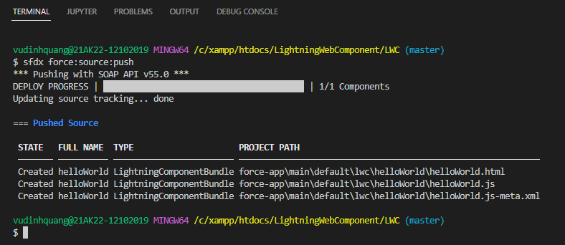

Cho component hiển thị
 | Sales App Home page
 | Click "Edit Page" to go to app builder page

Data Binding
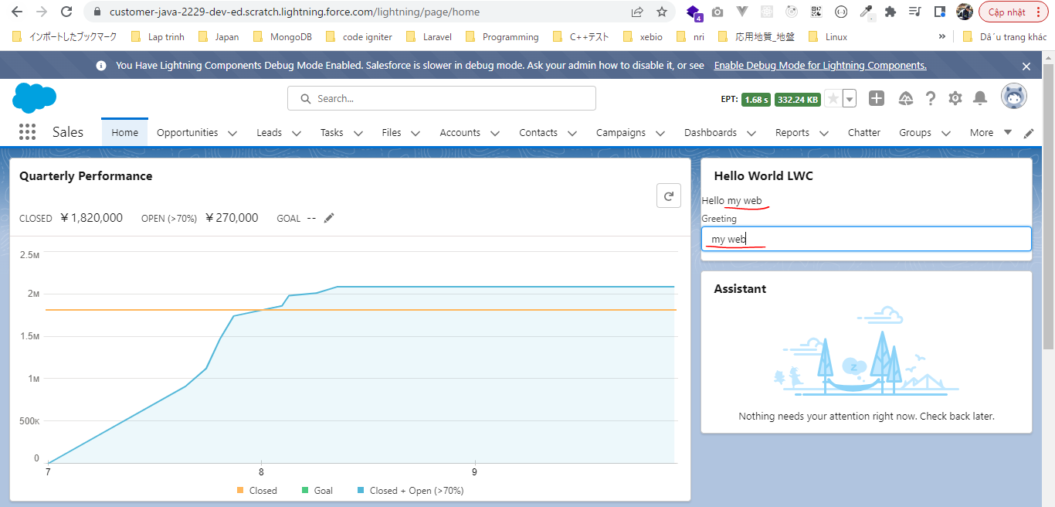
構成
 | LightningWebComponent
 |  | LWC
 |  |  | force-app
 |  |  |  | main
 |  |  |  |  | classes
 |  |  |  |  |  | abcd.cls
 |  |  |  |  | lwc
 |  |  |  |  |  | helloWorld
 |  |  |  |  |  |  | helloWorld.html |  | → | code
 |  |  |  |  |  |  | helloWorld.js |  | → | code
 |  |  |  |  |  |  | helloWorld.js-meta.xml
 |  |  |  |  |  | secondFileName

LightningWebComponent\LWC\force-app\main\default\lwc\helloWorld\helloWorld.html
 | <template>
 | <lightning-card title="Hello World LWC">
 | <div>Hello {dynamicGreeting}</div>
 | <lightning-input label="Greeting" onchange={greetingChangeHandler}></lightning-input> |  |  |  |  |  |  |  |  | → | onchange: html to javascript file binding
 | </lightning-card>
 | </template>

LightningWebComponent\LWC\force-app\main\default\lwc\helloWorld\helloWorld.js
 | import { LightningElement, track } from 'lwc'; |  |  |  |  |  |  | → | track(decorator): To create a binding of property in our Lingtning Web Component. The first thing that we need to
 |  |  |  |  |  |  |  |  | do for that is to create this property as a trackable properties. When a property is the trackable, it creates
 | export default class HelloWorld extends LightningElement { |  |  |  |  |  |  |  | a one way data binding in backend from our javascript file to html file. That means whenever the value of
 | @track dynamicGreeting = 'World'; |  |  |  |  |  |  |  | properry will change in javascript file that will reflect to html
 |  |  |  |  |  |  |  |  | HelloWorld Phải được để ở dạng PascalCase
 | greetingChangeHandler(event){
 | this.dynamicGreeting = event.target.value;
 | }
 | }

Check by browser
 | Màn hình ban đầu
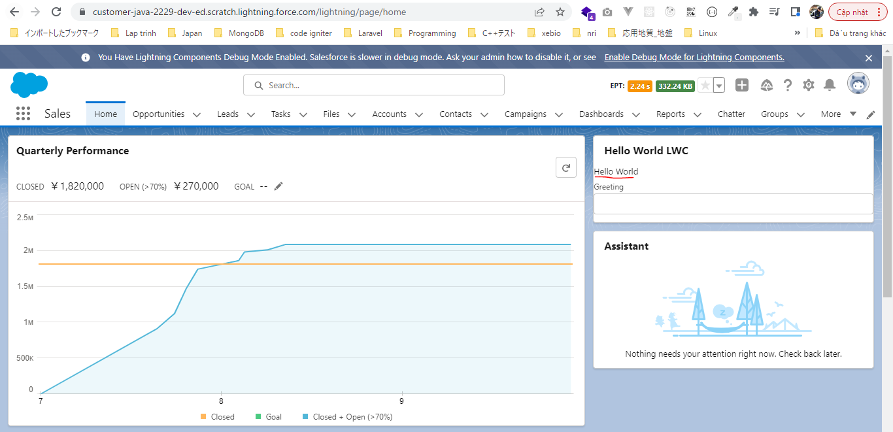

 | Nhập "my web" vào ô input

Applying CSS
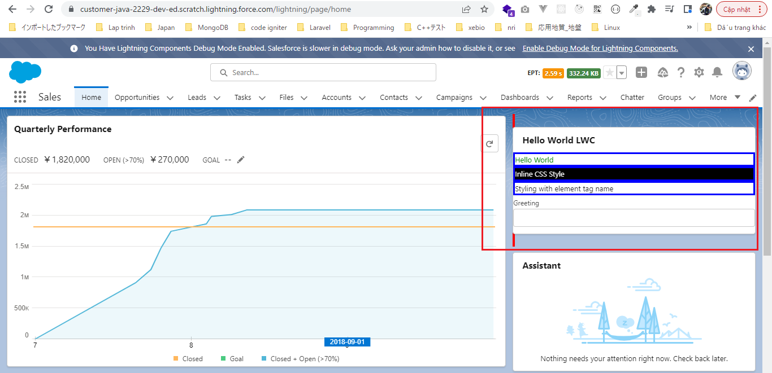
 | Keep in mind do not use id selector inside Lightning Web Component to assign css properties because Lightning Web Component gets rendered on browser the id of our element will be changed
 | dynamically so all css style that we applied using id selector will not work because the id itself will change

構成
 | LightningWebComponent
 |  | LWC
 |  |  | force-app
 |  |  |  | main
 |  |  |  |  | classes
 |  |  |  |  |  | abcd.cls
 |  |  |  |  | lwc
 |  |  |  |  |  | helloWorld
 |  |  |  |  |  |  | helloWorld.css | → | new. Css is not created by default, so the css file is not a mandatory file so we need to create css by ourself
 |  |  |  |  |  |  | helloWorld.html | → | code
 |  |  |  |  |  |  | helloWorld.js
 |  |  |  |  |  |  | helloWorld.js-meta.xml
 |  |  |  |  |  | secondFileName

LightningWebComponent\LWC\force-app\main\default\lwc\helloWorld\helloWorld.html
 | <template>
 | <lightning-card title="Hello World LWC">
 | <div class="greeting-class">Hello {dynamicGreeting}</div>
 | <div style="color: white; background:black;">Inline CSS Style</div> |  |  |  |  |  |  |  | → | style: We can also do inline styling here similar to any html markup

 | <div>Styling with element tag name</div>
 | <lightning-input label="Greeting" onchange={greetingChangeHandler}></lightning-input>
 | </lightning-card>
 | </template>

LightningWebComponent\LWC\force-app\main\default\lwc\helloWorld\helloWorld.css
 | .greeting-class {
 | color: green;
 | }

 | div {
 | border: 3px solid blue;
 | }

 | :host { |  |  |  | → | host: Can style the complete Lightning Web Component itself(template element)
 | border: 4px solid red;
 | }

Check by browser

Conditional Rendering
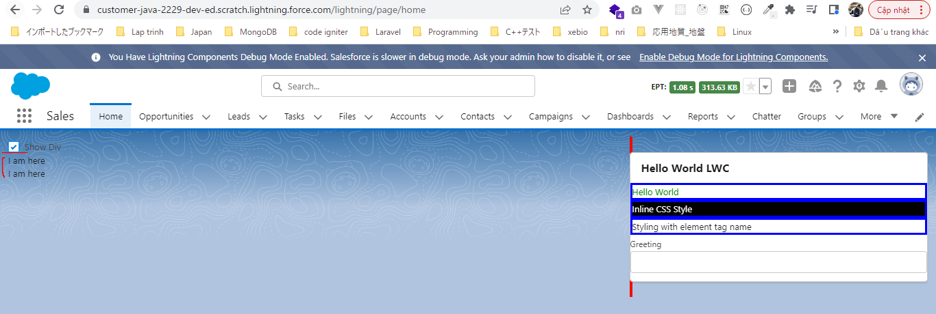
構成
 | LightningWebComponent
 |  | LWC
 |  |  | force-app
 |  |  |  | main
 |  |  |  |  | classes
 |  |  |  |  |  | abcd.cls
 |  |  |  |  | lwc
 |  |  |  |  |  | conditionalRenderingExample |  |  | → | new Lightning Web Component. Tên phải để ở dạng camelCase
 |  |  |  |  |  |  | conditionalRenderingExample.html
 |  |  |  |  |  |  | conditionalRenderingExample.js
 |  |  |  |  |  |  | conditionalRenderingExample.js-meta.xml
 |  |  |  |  |  | helloWorld
 |  |  |  |  |  |  | helloWorld.css
 |  |  |  |  |  |  | helloWorld.html
 |  |  |  |  |  |  | helloWorld.js
 |  |  |  |  |  |  | helloWorld.js-meta.xml
 |  |  |  |  |  | secondFileName

LightningWebComponent\LWC\force-app\main\default\lwc\conditionalRenderingExample\conditionalRenderingExample.html
 | <template>

 | <lightning-input type="checkbox" label="Show Div" onchange={showDivHandler}></lightning-input>
 | <template if:true={displayDiv}> |  |  |  |  |  |  | → | display base on condition
 | <div>I am here</div>
 | </template>
 | <template if:true={displayDiv}>
 | <div>I am here</div>
 | </template>
 | </template>

LightningWebComponent\LWC\force-app\main\default\lwc\conditionalRenderingExample\conditionalRenderingExample.js
 | import { LightningElement, track } from 'lwc';

 | export default class ConditionalRenderingExample extends LightningElement {
 | @track displayDiv = false;

 | showDivHandler(event){
 | this.displayDiv = event.target.checked;
 | }

 | }

LightningWebComponent\LWC\force-app\main\default\lwc\conditionalRenderingExample\conditionalRenderingExample.js-meta.xml
 | <?xml version="1.0" encoding="UTF-8"?>
 | <LightningComponentBundle xmlns="http://soap.sforce.com/2006/04/metadata">
 | <apiVersion>55.0</apiVersion>
 | <isExposed>true</isExposed>
 | <targets>
 | <target>lightning__RecordPage</target>
 | <target>lightning__AppPage</target>
 | <target>lightning__HomePage</target>
 | </targets>
 | </LightningComponentBundle>

Cho component hiển thị
 | Sales App Home page
 | Click "Edit Page" to go to app builder page
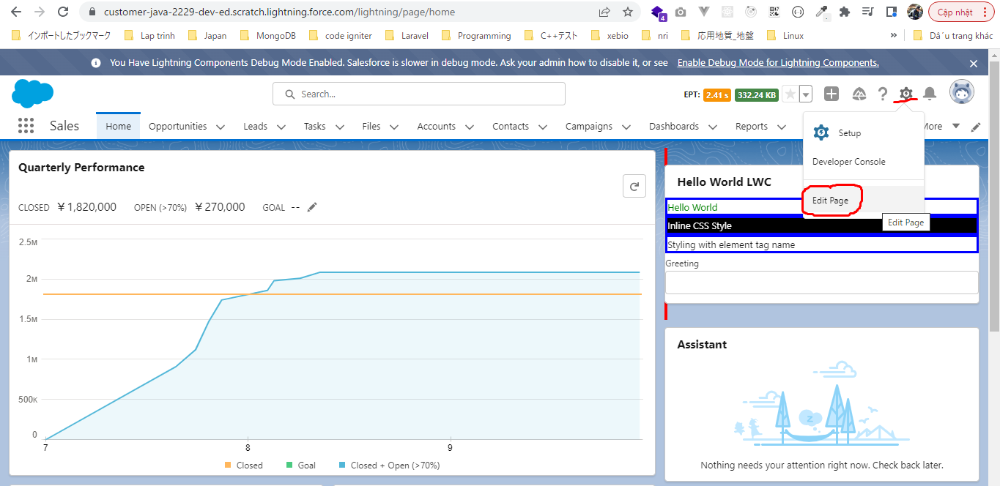

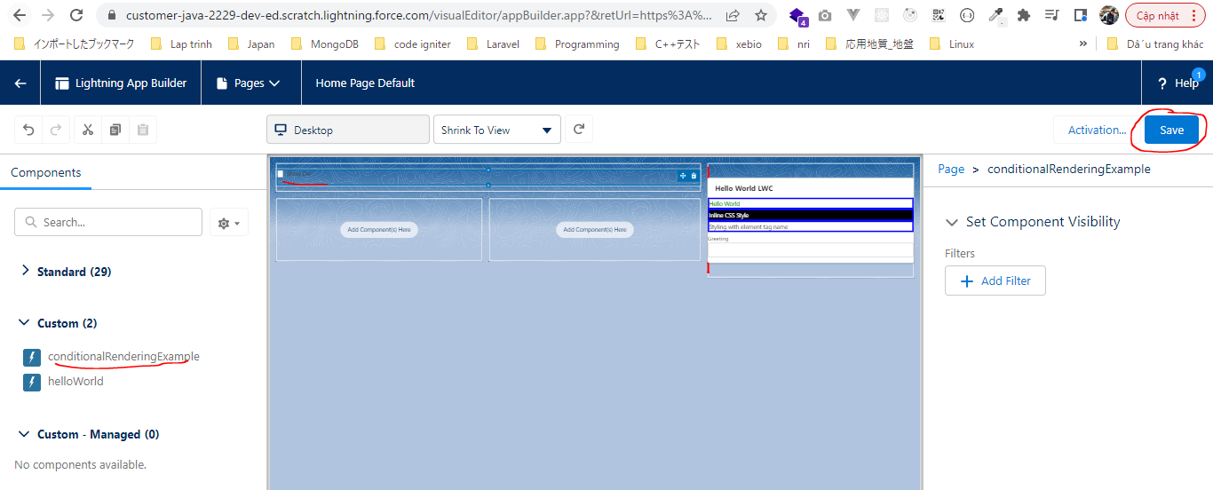

 | Hiên thị ban đầu


 | Chọn check box thì div được hiển thị

Looping or Iteration
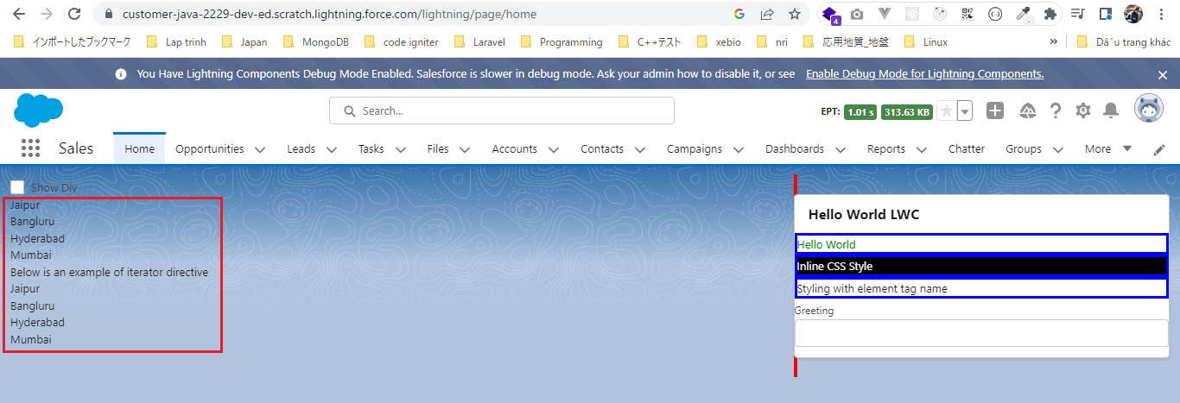
構成
 | LightningWebComponent
 |  | LWC
 |  |  | force-app
 |  |  |  | main
 |  |  |  |  | classes
 |  |  |  |  |  | abcd.cls
 |  |  |  |  | lwc
 |  |  |  |  |  | conditionalRenderingExample
 |  |  |  |  |  |  | conditionalRenderingExample.html
 |  |  |  |  |  |  | conditionalRenderingExample.js
 |  |  |  |  |  |  | conditionalRenderingExample.js-meta.xml
 |  |  |  |  |  | helloWorld
 |  |  |  |  |  |  | helloWorld.css
 |  |  |  |  |  |  | helloWorld.html
 |  |  |  |  |  |  | helloWorld.js
 |  |  |  |  |  |  | helloWorld.js-meta.xml
 |  |  |  |  |  | secondFileName

LightningWebComponent\LWC\force-app\main\default\lwc\conditionalRenderingExample\conditionalRenderingExample.js
 | import { LightningElement, track } from 'lwc';

 | export default class ConditionalRenderingExample extends LightningElement {
 | @track displayDiv = false;

 | @track cityList = ['Jaipur', 'Bangluru', 'Hyderabad', 'Mumbai']; |  |  |  |  |  |  | → | cityList: property

 | showDivHandler(event){
 | this.displayDiv = event.target.checked;
 | }

 | }

LightningWebComponent\LWC\force-app\main\default\lwc\conditionalRenderingExample\conditionalRenderingExample.html
 | <template>

 | <lightning-input type="checkbox" label="Show Div" onchange={showDivHandler}></lightning-input>
 | <template if:true={displayDiv}>
 | <div>I am here</div>
 | </template>
 | <template for:each={cityList} for:item="city"> |  |  |  |  |  |  |  |  | → | for:item -> any name(item or something else)
 | <p key={city}>{city}</p>
 | </template>

 | <h1>Below is an example of iterator directive</h1>
 | <template iterator:it={cityList}> |  |  |  |  |  |  |  |  | → | iterator directive
 | <p key={it.value}>{it.value}</p> |  |  |  |  |  |  |  |  |  | the iterator has some advantages over for:each directive because in the iterator we can
 | </template> |  |  |  |  |  |  |  |  |  | identify the first and last element from list by using it.first and it.last
 | </template>

Check browser

Project - Simple Calculator
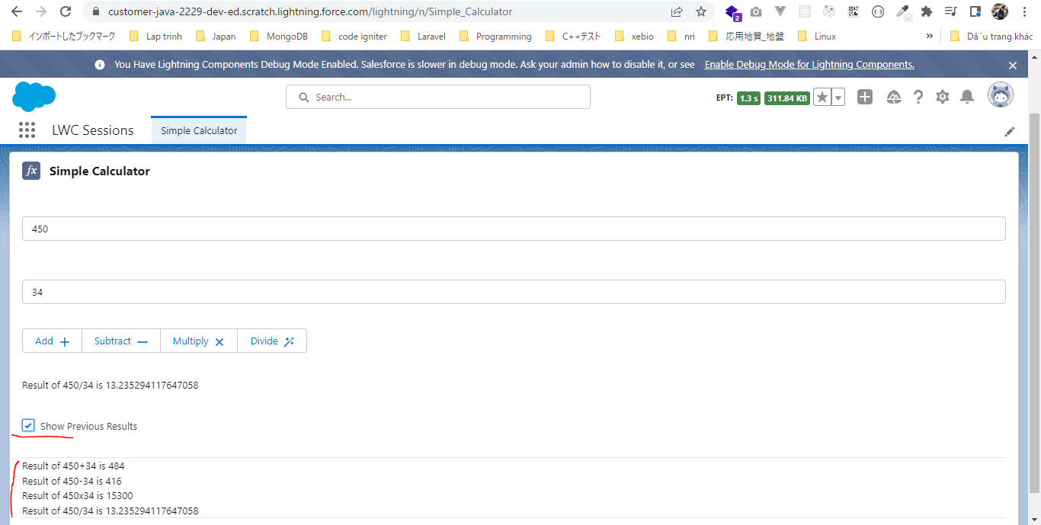
構成
 | LightningWebComponent
 |  | LWC
 |  |  | force-app
 |  |  |  | main
 |  |  |  |  | classes
 |  |  |  |  |  | abcd.cls
 |  |  |  |  | lwc
 |  |  |  |  |  | conditionalRenderingExample
 |  |  |  |  |  |  | conditionalRenderingExample.html
 |  |  |  |  |  |  | conditionalRenderingExample.js
 |  |  |  |  |  |  | conditionalRenderingExample.js-meta.xml
 |  |  |  |  |  | helloWorld
 |  |  |  |  |  |  | helloWorld.css
 |  |  |  |  |  |  | helloWorld.html
 |  |  |  |  |  |  | helloWorld.js
 |  |  |  |  |  |  | helloWorld.js-meta.xml
 |  |  |  |  |  | secondFileName
 |  |  |  |  |  | simpleCalculator |  |  |  | → | new Lightning Web Component. Tên phải để ở dạng camelCase
 |  |  |  |  |  |  | simpleCalculator.html
 |  |  |  |  |  |  | simpleCalculator.js
 |  |  |  |  |  |  | simpleCalculator.js-meta.xml

LightningWebComponent\LWC\force-app\main\default\lwc\simpleCalculator\simpleCalculator.js-meta.xml
 | <?xml version="1.0" encoding="UTF-8"?>
 | <LightningComponentBundle xmlns="http://soap.sforce.com/2006/04/metadata">
 | <apiVersion>55.0</apiVersion>
 | <isExposed>true</isExposed>
 | <description>Simple Calculator app build with LWC</description>
 | <targets>
 | <target>lightning__AppPage</target>
 | <target>lightning__HomePage</target>
 | <target>lightning__RecordPage</target>
 | </targets>
 | </LightningComponentBundle>

LightningWebComponent\LWC\force-app\main\default\lwc\simpleCalculator\simpleCalculator.html
 | <template>
 | <lightning-card title="Simple Calculator" icon-name="standard:formula">
 | <lightning-layout multiple-rows>
 | <lightning-layout-item size="12" padding="around-medium">
 | <lightning-input type="number" name="firstNumber" onchange={numberChangeHandler}></lightning-input>
 | </lightning-layout-item>
 | <lightning-layout-item size="12" padding="around-medium">
 | <lightning-input type="number" name="secondNumber" onchange={numberChangeHandler}></lightning-input>
 | </lightning-layout-item>
 | <lightning-layout-item size="12" padding="around-medium">
 | <lightning-button-group>
 | <lightning-button label="Add" icon-name="utility:add" icon-position="right" onclick={addHandler}></lightning-button>
 | <lightning-button label="Subtract" icon-name="utility:dash" icon-position="right" onclick={subHandler}></lightning-button>
 | <lightning-button label="Multiply" icon-name="utility:close" icon-position="right" onclick={multiplyHandler}></lightning-button>
 | <lightning-button label="Divide" icon-name="utility:magicwand" icon-position="right" onclick={divisionHandler}></lightning-button>
 | </lightning-button-group>
 | </lightning-layout-item>
 | <lightning-layout-item size="12" padding="around-medium">
 | <lightning-formatted-text value={currentResult}></lightning-formatted-text>
 | </lightning-layout-item>
 | <lightning-layout-item size="12" padding="around-medium">
 | <lightning-input type="checkbox" label="Show Previous Results" onchange={showPreviousResultToggle} ></lightning-input>
 | </lightning-layout-item>
 | <lightning-layout-item size="12" padding="around-medium">
 | <template if:true={showPreviousResults}>
 | <ul>
 | <template iterator:result={previousResults}>
 | <li key={result.value}>
 | <div if:true={result.first} class="slds-border_top"></div>
 | <lightning-formatted-text value={result.value}></lightning-formatted-text>
 | <div if:true={result.last} class="slds-border_bottom"></div>
 | </li>
 | </template>
 | </ul>
 | </template>
 | </lightning-layout-item>
 | </lightning-layout>
 | </lightning-card>
 | </template>

LightningWebComponent\LWC\force-app\main\default\lwc\simpleCalculator\simpleCalculator.js
 | import { LightningElement, track } from 'lwc';

 | export default class SimpleCalculator extends LightningElement {
 | @track currentResult;
 | @track previousResults = [];
 | @track showPreviousResults = false;

 | firstNumber;
 | secondNumber;

 | numberChangeHandler(event){
 | const inputBoxName = event.target.name;
 | if(inputBoxName === 'firstNumber'){
 | this.firstNumber = event.target.value;
 | } else if(inputBoxName === 'secondNumber'){
 | this.secondNumber = event.target.value;
 | }
 | }

 | addHandler(){
 | const firstN = parseInt(this.firstNumber); |  |  |  |  |  |  | → | parseInt: convert string to number
 | const secondN = parseInt(this.secondNumber);

 | //this.currentResult = 'Result of '+firstN+'+'+secondN+' is '+(firstN+secondN);
 | this.currentResult = `Result of ${firstN}+${secondN} is ${firstN+secondN}`;
 | this.previousResults.push(this.currentResult);
 | }

 | subHandler(){
 | const firstN = parseInt(this.firstNumber);
 | const secondN = parseInt(this.secondNumber);

 | //this.currentResult = 'Result of '+firstN+'+'+secondN+' is '+(firstN+secondN);
 | this.currentResult = `Result of ${firstN}-${secondN} is ${firstN-secondN}`;
 | this.previousResults.push(this.currentResult);
 | }

 | multiplyHandler(){
 | const firstN = parseInt(this.firstNumber);
 | const secondN = parseInt(this.secondNumber);

 | //this.currentResult = 'Result of '+firstN+'+'+secondN+' is '+(firstN+secondN);
 | this.currentResult = `Result of ${firstN}x${secondN} is ${firstN*secondN}`;
 | this.previousResults.push(this.currentResult);
 | }

 | divisionHandler(){
 | const firstN = parseInt(this.firstNumber);
 | const secondN = parseInt(this.secondNumber);

 | //this.currentResult = 'Result of '+firstN+'+'+secondN+' is '+(firstN+secondN);
 | this.currentResult = `Result of ${firstN}/${secondN} is ${firstN/secondN}`;
 | this.previousResults.push(this.currentResult);
 | }

 | showPreviousResultToggle(event){
 | this.showPreviousResults = event.target.checked;
 | }

 | }

Create a new lightning application
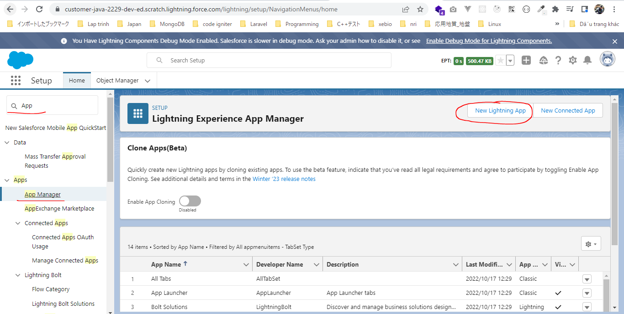

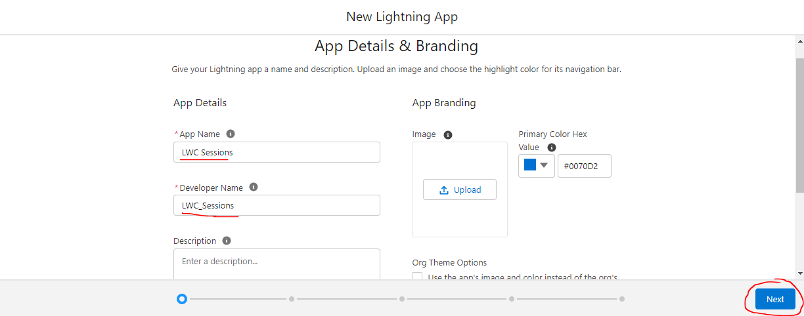

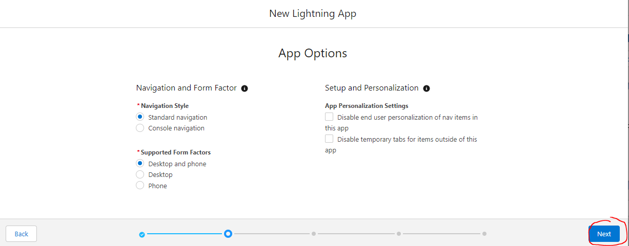

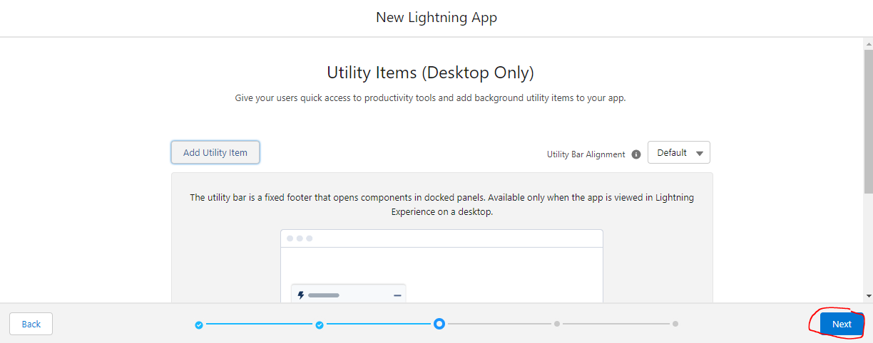

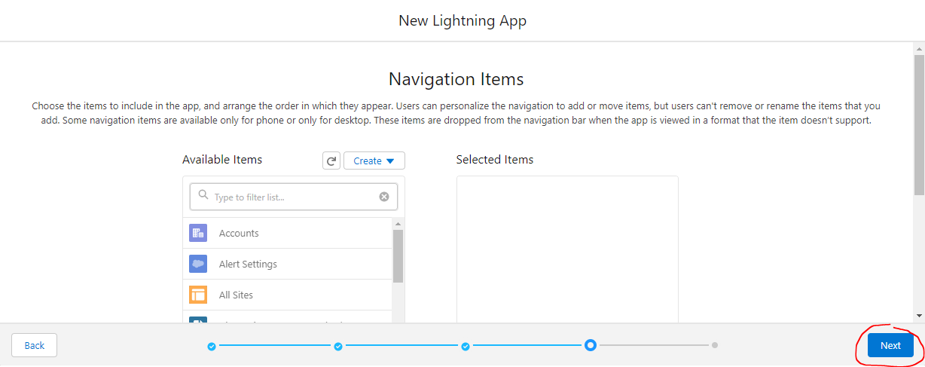

 | Give the access to all the profiles
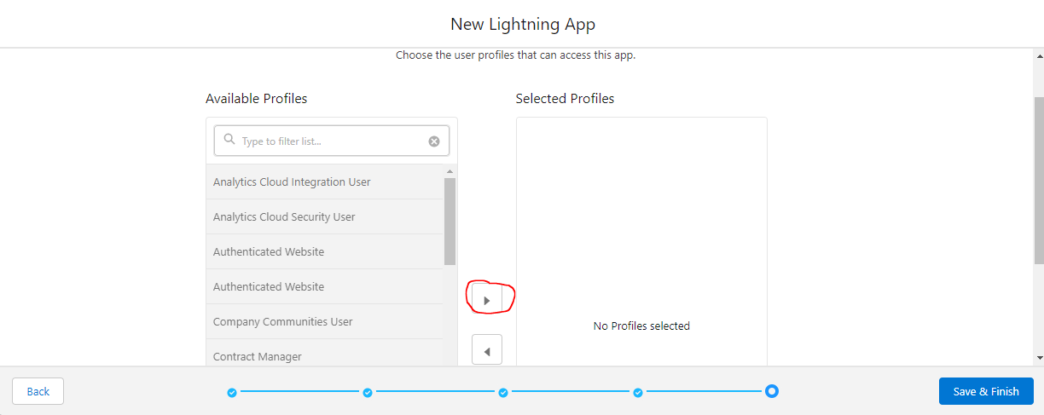

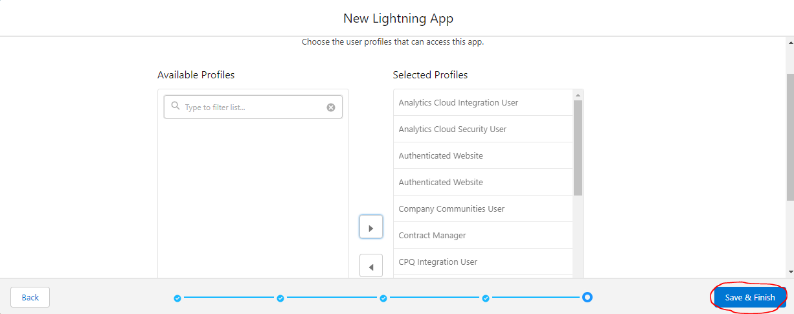

Create a new lightning app builder page
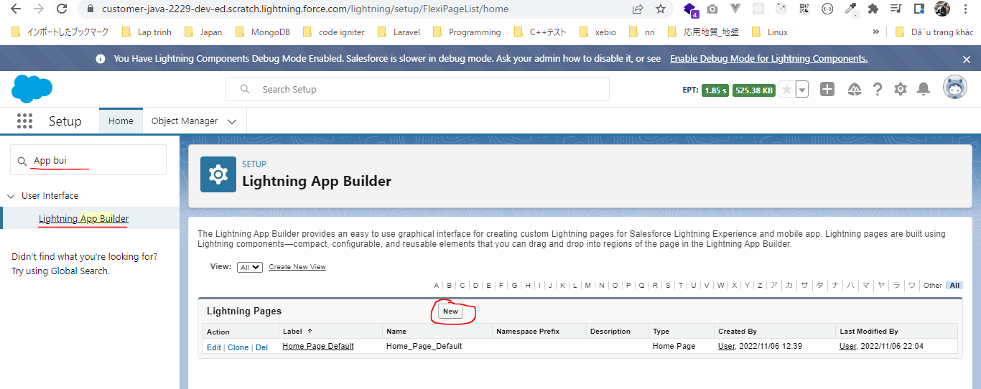

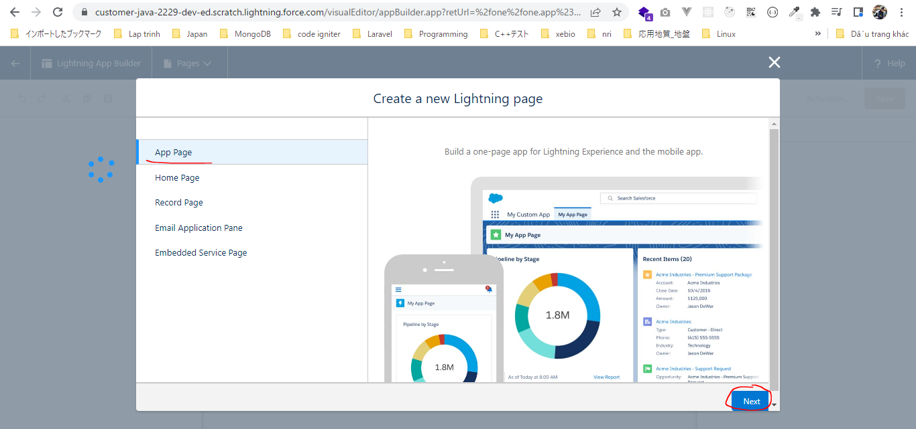

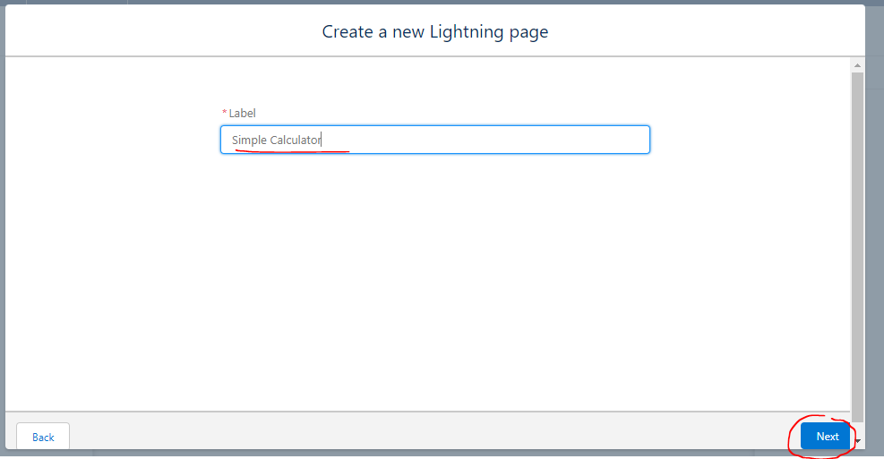

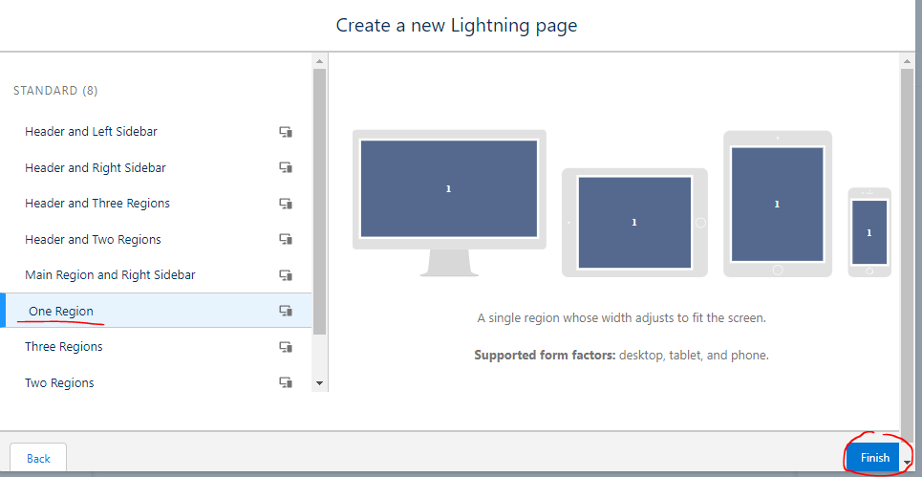

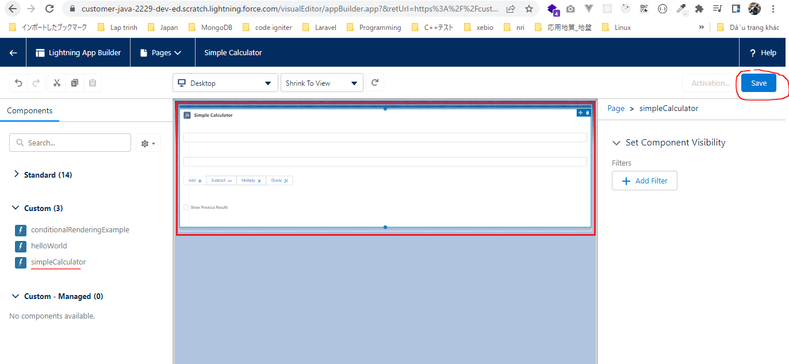

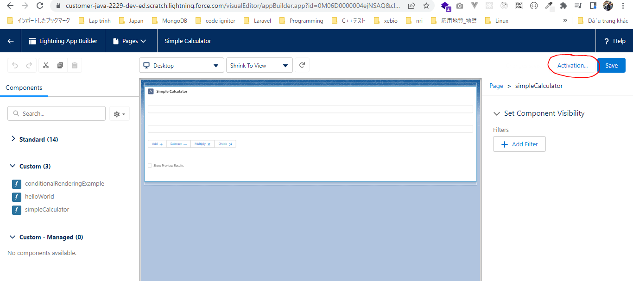

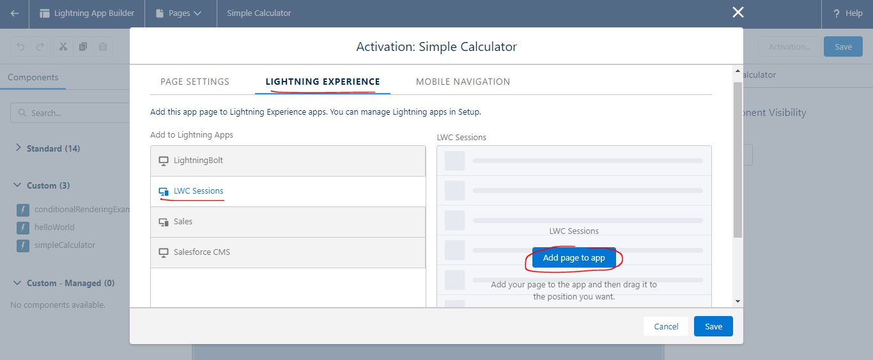

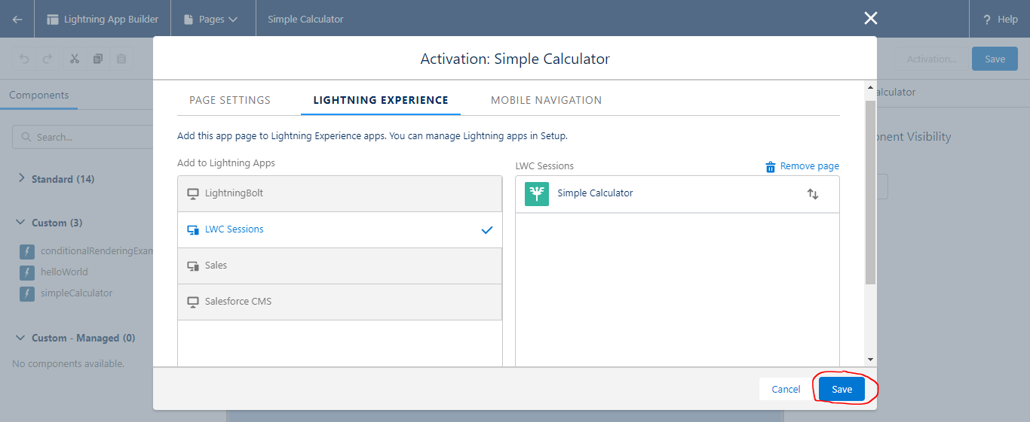

Open LWC Sessions App
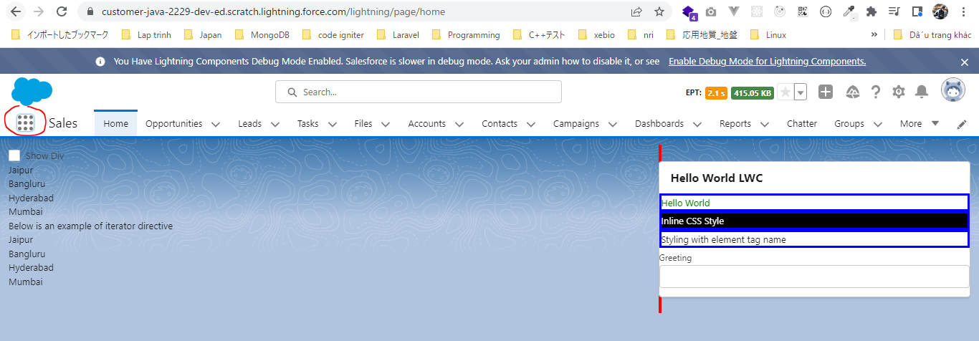

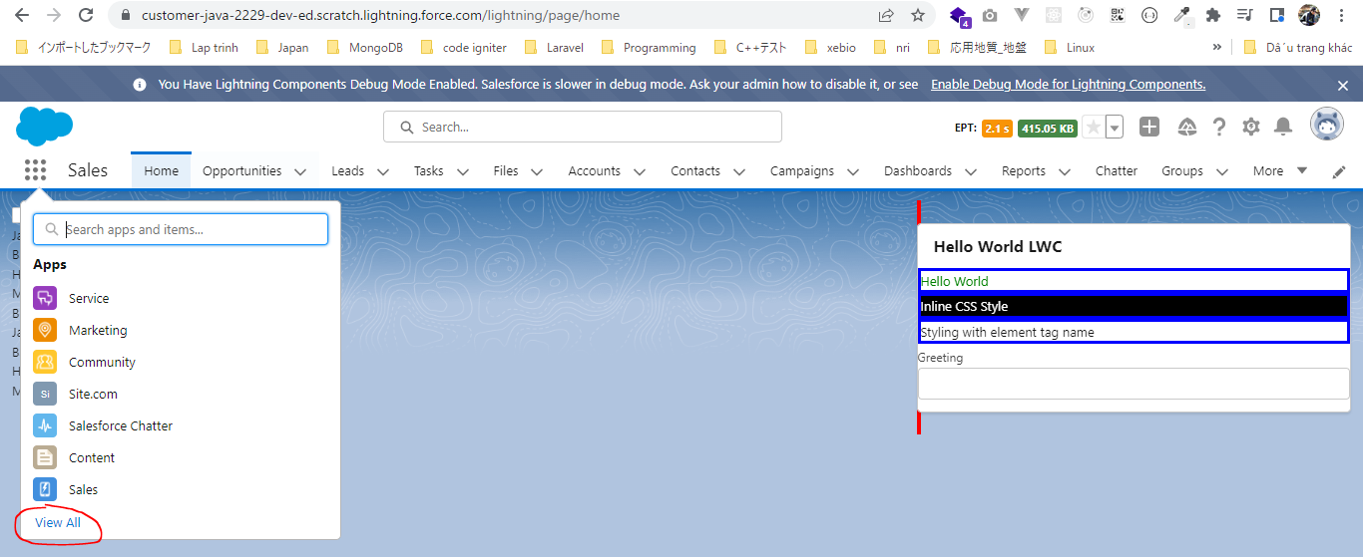

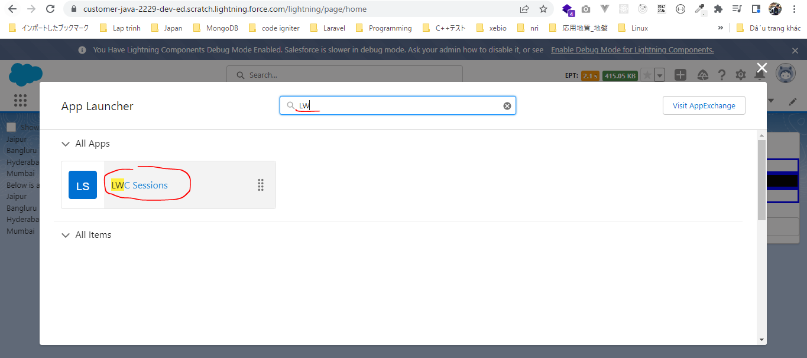

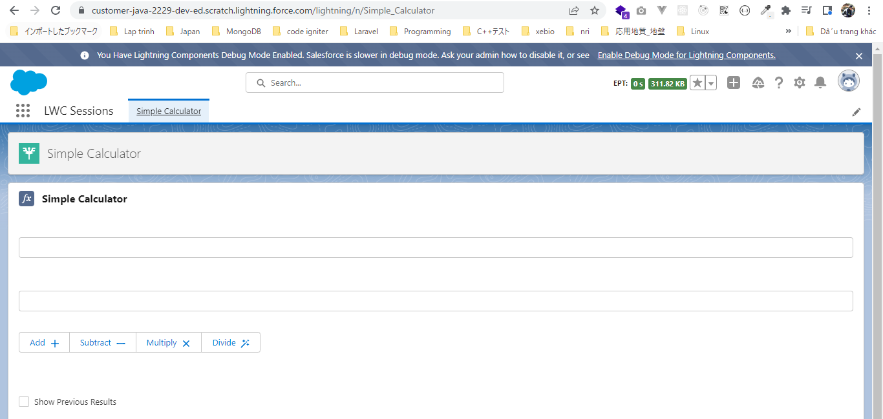

Test
 | ①Cộng
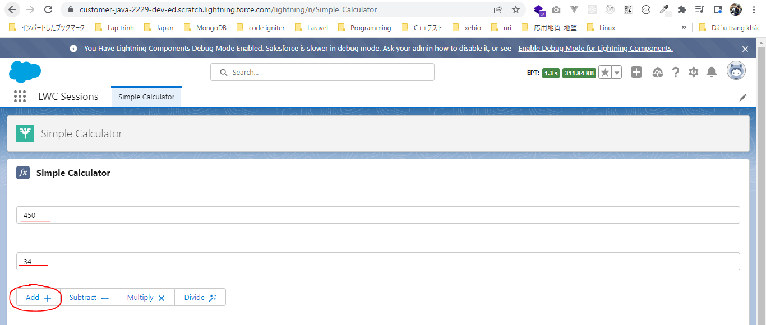

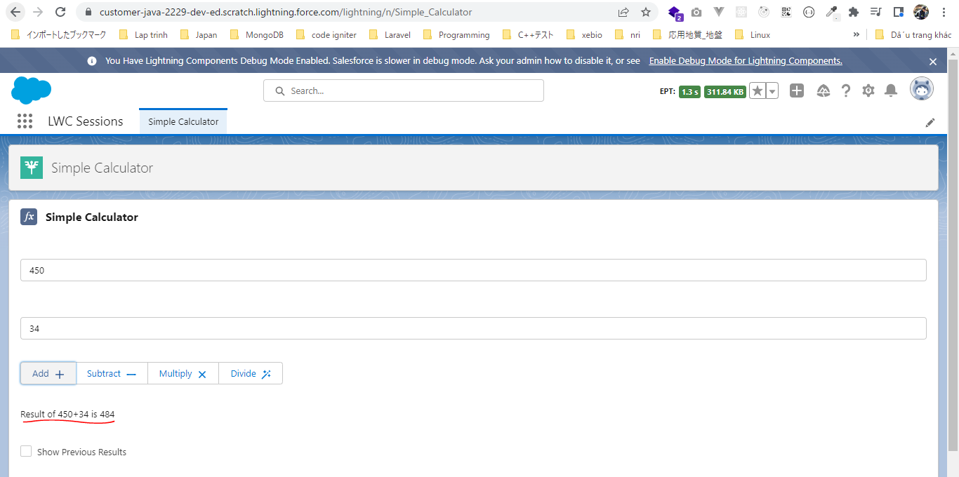

 | ②Trừ
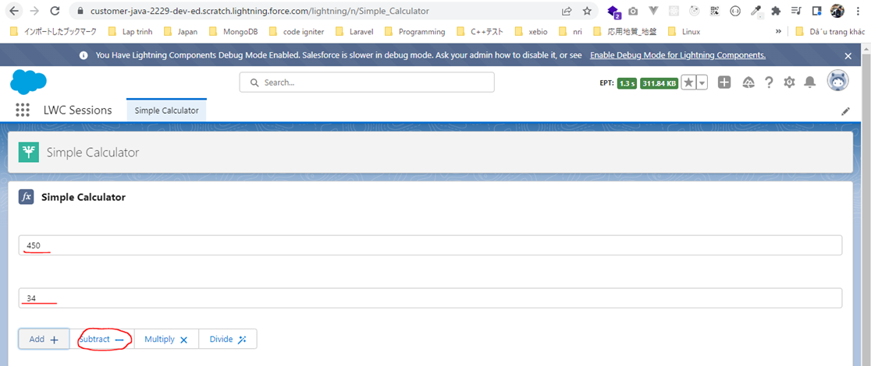

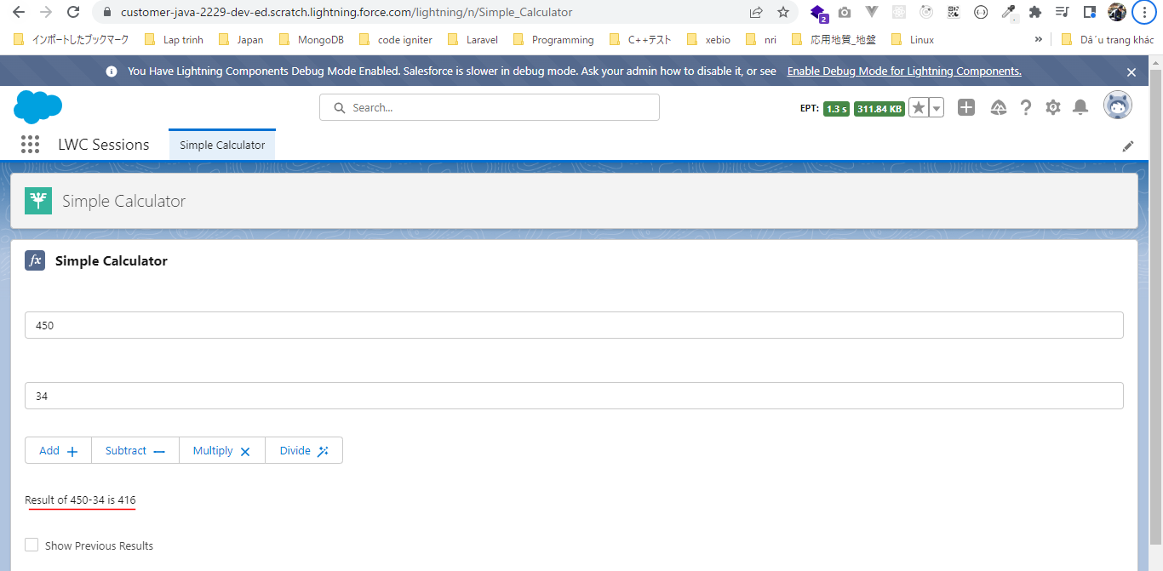

 | ③Nhân

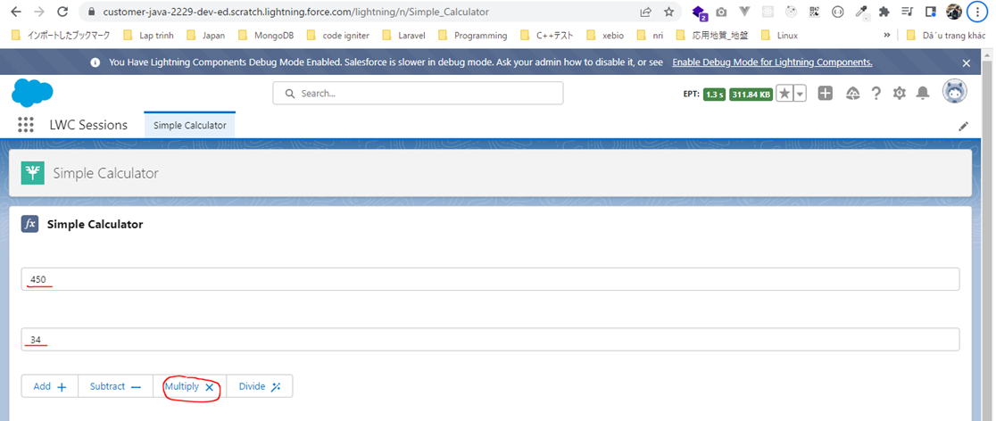

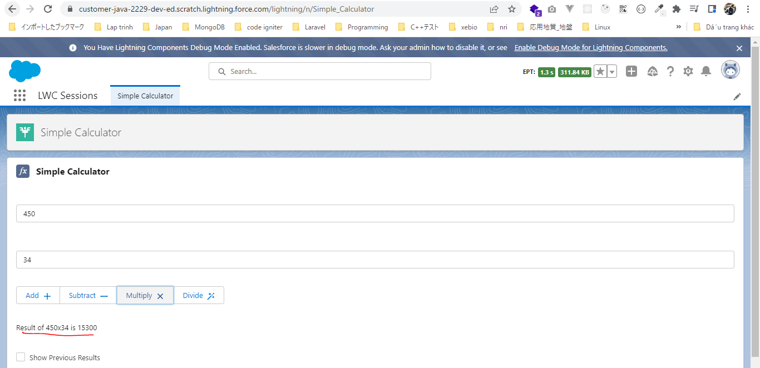

 | ④Chia
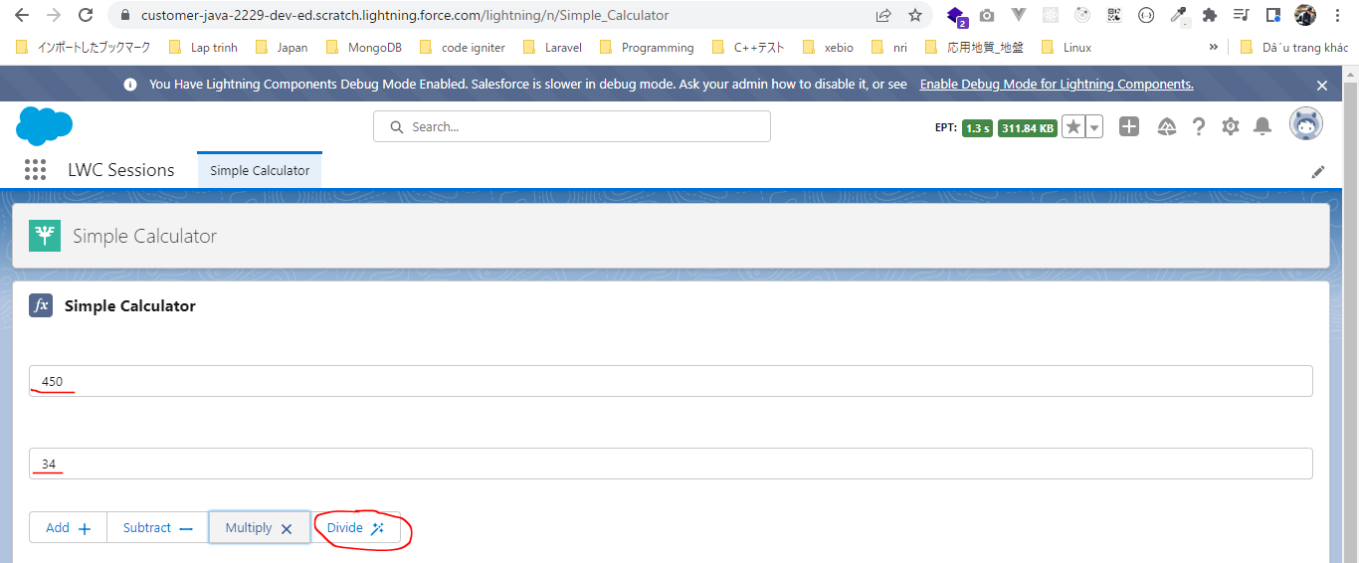

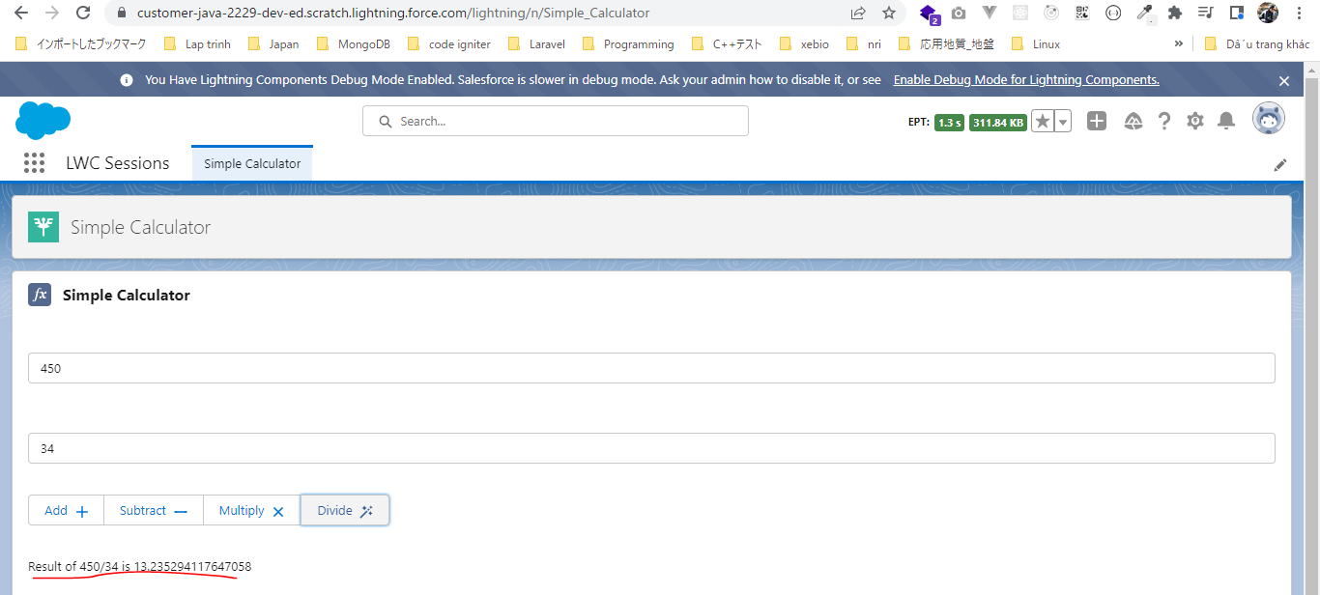

 | ⑤Show Previous Results

