CommunicateInSameCmpHierarchy
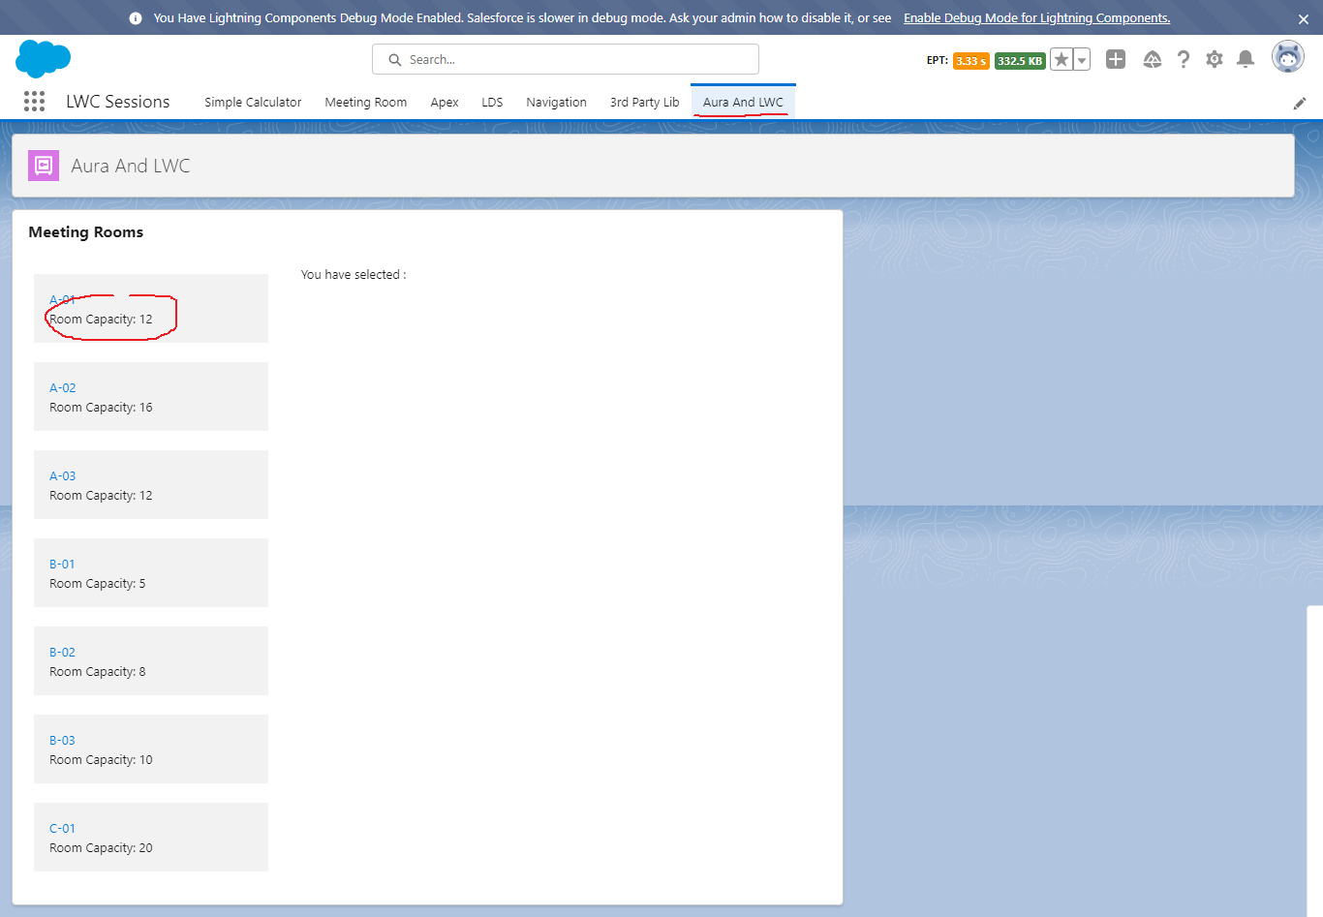
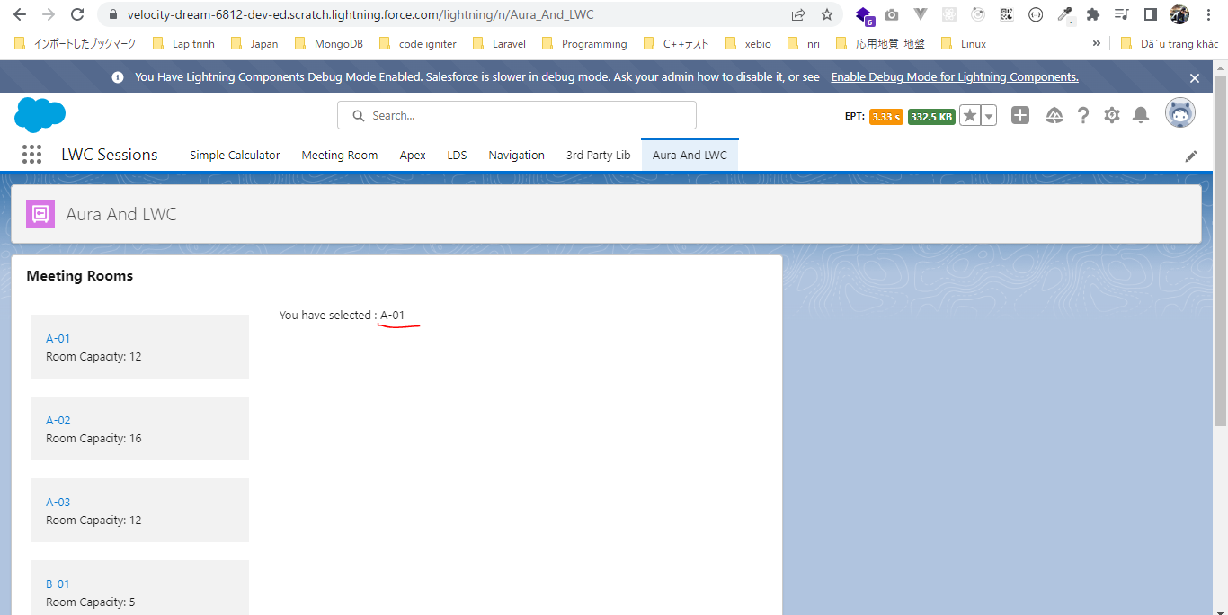
Communicate In Same Component Hierarchy

 | We will discus about how to use our Aura component and Lightning Web Component together and also how we can hadle the events being fired from our Lightning Web Component inside
 | our Aura Component and the events being fired from the Aura Component inside our Lightning Web Component. Until Summer 19 we can include our Lightning Web Component inside an Aura
 | component but can not include Aura component within Lightning Web Component.
 | So in this exmaple we are going to create our parent component is Aura Component and from that Aura component we are going to initiate Lightning Web Component

構成
 | LightningWebComponent
 |  | LWC
 |  |  | force-app
 |  |  |  | main
 |  |  |  |  | classes
 |  |  |  |  |  | abcd.cls
 |  |  |  |  |  | AccountManager.cls
 |  |  |  |  | aura
 |  |  |  |  |  | MeetingRoomAura |  |  |  |  | → | new
 |  |  |  |  |  |  | MeetingRoomAura.cmp
 |  |  |  |  |  |  | MeetingRoomAuraController.js
 |  |  |  |  | lwc
 |  |  |  |  |  | accountManageApex
 |  |  |  |  |  |  | accountManageApex.css
 |  |  |  |  |  |  | accountManageApex.html
 |  |  |  |  |  |  | accountManageApex.js
 |  |  |  |  |  |  | accountManageApex.js-meta.xml
 |  |  |  |  |  | accountManagerLDS
 |  |  |  |  |  |  | accountManagerLDS.html
 |  |  |  |  |  |  | accountManagerLDS.js
 |  |  |  |  |  |  | accountManagerLDS.js-meta.xml
 |  |  |  |  |  | accountManagerLDSForms
 |  |  |  |  |  |  | accountManagerLDSForms.html
 |  |  |  |  |  |  | accountManagerLDSForms.js
 |  |  |  |  |  |  | accountManagerLDSForms.js-meta.xml
 |  |  |  |  |  | accountRecordForm
 |  |  |  |  |  |  | accountRecordForm.html
 |  |  |  |  |  |  | accountRecordForm.js
 |  |  |  |  |  |  | accountRecordForm.js-meta.xml
 |  |  |  |  |  | bmi
 |  |  |  |  |  |  | bmi.js
 |  |  |  |  |  | bmiCalculator
 |  |  |  |  |  |  | bmiCalculator.html
 |  |  |  |  |  |  | bmiCalculator.js
 |  |  |  |  |  |  | bmiCalculator.js-meta.xml
 |  |  |  |  |  | conditionalRenderingExample
 |  |  |  |  |  |  | conditionalRenderingExample.html
 |  |  |  |  |  |  | conditionalRenderingExample.js
 |  |  |  |  |  |  | conditionalRenderingExample.js-meta.xml
 |  |  |  |  |  | helloWorld
 |  |  |  |  |  |  | helloWorld.css
 |  |  |  |  |  |  | helloWorld.html
 |  |  |  |  |  |  | helloWorld.js
 |  |  |  |  |  |  | helloWorld.js-meta.xml
 |  |  |  |  |  | lifecycleDemo
 |  |  |  |  |  |  | lifecycleDemo.html
 |  |  |  |  |  |  | lifecycleDemo.js
 |  |  |  |  |  |  | lifecycleDemo.js-meta.xml
 |  |  |  |  |  | meetingRoom
 |  |  |  |  |  |  | meetingRoom.css
 |  |  |  |  |  |  | meetingRoom.html
 |  |  |  |  |  |  | meetingRoom.js
 |  |  |  |  |  | meetingRooms
 |  |  |  |  |  |  | meetingRooms.html
 |  |  |  |  |  |  | meetingRooms.js
 |  |  |  |  |  | navigationExample
 |  |  |  |  |  |  | navigationExample.html
 |  |  |  |  |  |  | navigationExample.js
 |  |  |  |  |  |  | navigationExample.js-meta.xml
 |  |  |  |  |  | publicMethodChild
 |  |  |  |  |  |  | publicMethodChild.css
 |  |  |  |  |  |  | publicMethodChild.html
 |  |  |  |  |  |  | publicMethodChild.js
 |  |  |  |  |  |  | publicMethodChild.js-meta.xml
 |  |  |  |  |  | publicMethodParent
 |  |  |  |  |  |  | publicMethodParent.css
 |  |  |  |  |  |  | publicMethodParent.html
 |  |  |  |  |  |  | publicMethodParent.js
 |  |  |  |  |  |  | publicMethodParent.js-meta.xml
 |  |  |  |  |  | pubsub
 |  |  |  |  |  |  | pubsub.js
 |  |  |  |  |  |  | pubsub.js-meta.xml
 |  |  |  |  |  | secondFileName
 |  |  |  |  |  | selectedMeetingRoom
 |  |  |  |  |  |  | selectedMeetingRoom.html
 |  |  |  |  |  |  | selectedMeetingRoom.js
 |  |  |  |  |  | simpleCalculator
 |  |  |  |  |  |  | simpleCalculator.html
 |  |  |  |  |  |  | simpleCalculator.js
 |  |  |  |  |  |  | simpleCalculator.js-meta.xml
 |  |  |  |  |  | simpleLightBoxExample
 |  |  |  |  |  |  | simpleLightBoxExample.html
 |  |  |  |  |  |  | simpleLightBoxExample.js
 |  |  |  |  |  |  | simpleLightBoxExample.js-meta.xml

LightningWebComponent\LWC\force-app\main\default\aura\MeetingRoomAura\MeetingRoomAura.cmp
 | <aura:component implements="flexipage:availableForAllPageTypes">
 | <aura:attribute name="meetingRoomInfo" type="List" />
 | <aura:attribute name="selectedMeetingRoom" type="String" /> |  |  |  |  |  |  |  |  |  |  |  | → | populate selectedMeetingRoom by handling the tileclick event from our child component

 | <aura:handler name="init" value="{!this}" action="{!c.doInit}" />
 | <lightning:card title="Meeting Rooms">
 | <lightning:layout>
 | <lightning:layoutItem size="4" padding="around-small">
 | <ul>
 | <aura:iteration items="{!v.meetingRoomInfo}" var="item">
 | <li style="padding: 10px">
 | <c:meetingRoom meetingRoomInfo="{#item}" showRoomInfo="true" ontileclick="{!c.handleTileClick}"></c:meetingRoom> |  |  |  |  |  |  |  |  |  |  |  | → | handle the tileclick event which is being fired by the Lightning Web Component meetingRoom which belongs to this component. Whe we handle the event inside Lightning Web Component from the component tag itself we need to prepend on keyword
 | </li> |  |  |  |  |  |  |  |  |  |  |  |  | Passing item with unbound(#) expression to pass information
 | </aura:iteration>
 | </ul>
 | </lightning:layoutItem>
 | <lightning:layoutItem size="8" padding="around-small">
 | You have selected : {!v.selectedMeetingRoom}
 | </lightning:layoutItem>
 | </lightning:layout>
 | </lightning:card>

 | </aura:component>

LightningWebComponent\LWC\force-app\main\default\aura\MeetingRoomAura\MeetingRoomAuraController.js
 | ({
 | doInit : function(component, event, helper) { |  |  |  |  |  |  | → | Init event to populate meetingRoomInfo object
 | component.set("v.meetingRoomInfo", [ |  |  |  |  |  |  | → | meetingRoomInfo is array type here so in make set as List
 | {'roomName':'A-01', 'roomCapacity':'12'},
 | {'roomName':'A-02', 'roomCapacity':'16'},
 | {'roomName':'A-03', 'roomCapacity':'12'},
 | {'roomName':'B-01', 'roomCapacity':'5'},
 | {'roomName':'B-02', 'roomCapacity':'8'},
 | {'roomName':'B-03', 'roomCapacity':'10'},
 | {'roomName':'C-01', 'roomCapacity':'20'}

 | ]);
 | },

 | handleTileClick : function(component, event, helper) { |  |  |  |  |  |  | → | In this method we are going to populate selectedMeetingRoom
 | component.set("v.selectedMeetingRoom", event.getParam('roomName')); |  |  |  |  |  |  | → | having roomName and roomCapacity param. In Aura we need to use the getParam method to get the detail from event
 | }
 | })

existing component
LightningWebComponent\LWC\force-app\main\default\lwc\meetingRoom\meetingRoom.html
 | <template>
 | <template if:true={showRoomInfo}>
 | <div class="slds-p-around_medium lgc-bg" onclick={tileClickHandler}>
 | <lightning-tile label={meetingRoomInfo.roomName}>
 | <p class="slds-truncate" title={meetingRoomInfo.roomCapacity}>Room Capacity:
 | {meetingRoomInfo.roomCapacity}</p>
 | </lightning-tile>
 | </div>
 | </template>
 | </template>

LightningWebComponent\LWC\force-app\main\default\lwc\meetingRoom\meetingRoom.js
 | import { LightningElement, api, wire } from 'lwc';
 | import {fireEvent} from 'c/pubsub';
 | import { CurrentPageReference } from 'lightning/navigation';

 | export default class MeetingRoom extends LightningElement {
 | @api meetingRoomInfo = { roomName: 'A-01', roomCapacity: '12' }

 | @api showRoomInfo = false;

 | @wire(CurrentPageReference) pageReference;

 | tileClickHandler(){
 | const tileClicked = new CustomEvent('tileclick', {detail : this.meetingRoomInfo, bubbles :true}); |  |  |  |  |  |  |  |  | → | tileclick is event name and when we are going to handle this tileclick event in our parent component we need to prepend this even name which "on" keyword → ontitleclick

 | this.dispatchEvent(tileClicked);
 | fireEvent(this.pageReference, 'pubsubtileclick', this.meetingRoomInfo); |  |  |  |  |  |  |  |  | → | Using in existing meetingRooms component, Communication Between Independent Components
 | }
 | }

Test browser

