Sets in Javascript
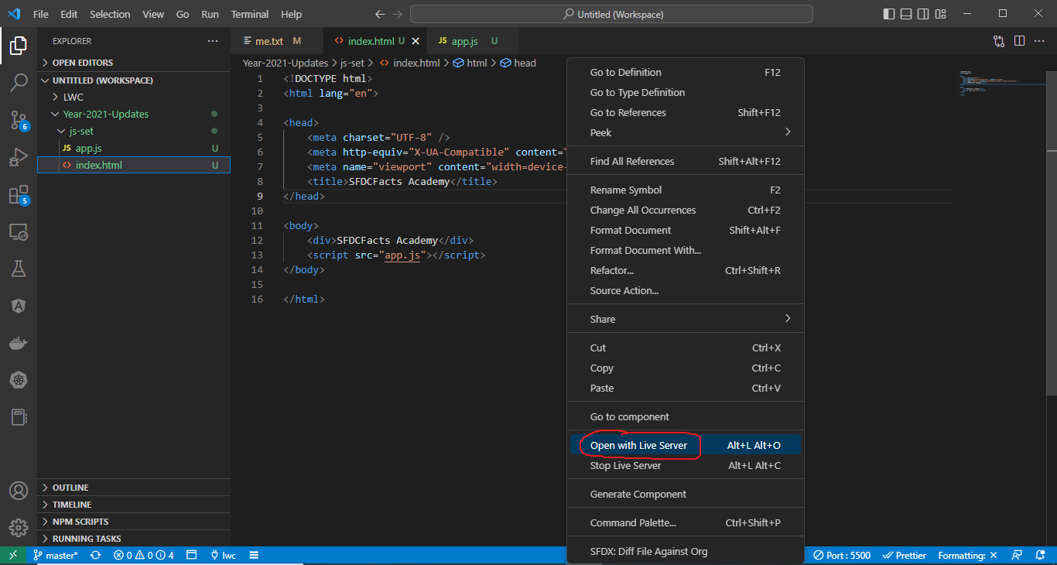
構成
 | LightningWebComponent
 |  | .vscode
 |  |  | launch.json
 |  | LWC
 |  |  | force-app
 |  |  |  | main
 |  |  |  |  | classes
 |  |  |  |  |  | abcd.cls
 |  |  |  |  |  | AccountManager.cls
 |  |  |  |  |  | CarExperience.cls
 |  |  |  |  |  | CarSearchFormController.cls
 |  |  |  |  |  | CarSearchResultController.cls
 |  |  |  |  |  | CreateData.cls
 |  |  |  |  |  | CreateDataTest.cls
 |  |  |  |  |  | DeleteData.cls
 |  |  |  |  |  | DeleteDataTest.cls
 |  |  |  |  |  | RentACarTestFactory.cls
 |  |  |  |  | aura
 |  |  |  |  |  | MeetingRoomAura
 |  |  |  |  |  |  | MeetingRoomAura.cmp
 |  |  |  |  |  |  | MeetingRoomAuraController.js
 |  |  |  |  |  | MeetingRoomPubSubHandler
 |  |  |  |  |  |  | MeetingRoomPubSubHandler.cmp
 |  |  |  |  |  |  | MeetingRoomPubSubHandlerController.js
 |  |  |  |  |  | MessageAura
 |  |  |  |  |  |  | MessageAura.cmp
 |  |  |  |  |  |  | MessageAura.css
 |  |  |  |  |  |  | MessageAuraController.js
 |  |  |  |  | lwc
 |  |  |  |  |  | accountManageApex
 |  |  |  |  |  |  | accountManageApex.css
 |  |  |  |  |  |  | accountManageApex.html
 |  |  |  |  |  |  | accountManageApex.js
 |  |  |  |  |  |  | accountManageApex.js-meta.xml
 |  |  |  |  |  | accountManagerLDS
 |  |  |  |  |  |  | accountManagerLDS.html
 |  |  |  |  |  |  | accountManagerLDS.js
 |  |  |  |  |  |  | accountManagerLDS.js-meta.xml
 |  |  |  |  |  | accountManagerLDSForms
 |  |  |  |  |  |  | accountManagerLDSForms.html
 |  |  |  |  |  |  | accountManagerLDSForms.js
 |  |  |  |  |  |  | accountManagerLDSForms.js-meta.xml
 |  |  |  |  |  | accountRecordForm
 |  |  |  |  |  |  | accountRecordForm.html
 |  |  |  |  |  |  | accountRecordForm.js
 |  |  |  |  |  |  | accountRecordForm.js-meta.xml
 |  |  |  |  |  | addCarExperience
 |  |  |  |  |  |  | addCarExperience.html
 |  |  |  |  |  |  | addCarExperience.js
 |  |  |  |  |  | auraPubsub
 |  |  |  |  |  |  | auraPubsub.js
 |  |  |  |  |  |  | auraPubsub.js-meta.xml
 |  |  |  |  |  | bmi
 |  |  |  |  |  |  | bmi.js
 |  |  |  |  |  | bmiCalculator
 |  |  |  |  |  |  | bmiCalculator.html
 |  |  |  |  |  |  | bmiCalculator.js
 |  |  |  |  |  |  | bmiCalculator.js-meta.xml
 |  |  |  |  |  | carDetail
 |  |  |  |  |  |  | carDetail.css
 |  |  |  |  |  |  | carDetail.html
 |  |  |  |  |  |  | carDetail.js
 |  |  |  |  |  | carDetails
 |  |  |  |  |  |  | carDetails.html
 |  |  |  |  |  |  | carDetails.js
 |  |  |  |  |  |  | carDetails.js-meta.xml
 |  |  |  |  |  | cardStyle
 |  |  |  |  |  |  | cardStyle.css
 |  |  |  |  |  |  | cardStyle.js-meta.xml
 |  |  |  |  |  | carExperiences
 |  |  |  |  |  |  | carExperiences.html
 |  |  |  |  |  |  | carExperiences.js
 |  |  |  |  |  | carLocation
 |  |  |  |  |  |  | carLocation.html
 |  |  |  |  |  |  | carLocation.js
 |  |  |  |  |  |  | carLocation.js-meta.xml
 |  |  |  |  |  | carSearch
 |  |  |  |  |  |  | carSearch.html
 |  |  |  |  |  |  | carSearch.js
 |  |  |  |  |  |  | carSearch.js-meta.xml
 |  |  |  |  |  | carSearchForm
 |  |  |  |  |  |  | carSearchForm.html
 |  |  |  |  |  |  | carSearchForm.js
 |  |  |  |  |  |  | carSearchForm.js-meta.xml
 |  |  |  |  |  | carSearchResult
 |  |  |  |  |  |  | carSearchResult.html
 |  |  |  |  |  |  | carSearchResult.js
 |  |  |  |  |  | carTile
 |  |  |  |  |  |  | carTile.css
 |  |  |  |  |  |  | carTile.html
 |  |  |  |  |  |  | carTile.js
 |  |  |  |  |  | conditionalRenderingExample
 |  |  |  |  |  |  | conditionalRenderingExample.html
 |  |  |  |  |  |  | conditionalRenderingExample.js
 |  |  |  |  |  |  | conditionalRenderingExample.js-meta.xml
 |  |  |  |  |  | helloWorld
 |  |  |  |  |  |  | helloWorld.css
 |  |  |  |  |  |  | helloWorld.html
 |  |  |  |  |  |  | helloWorld.js
 |  |  |  |  |  |  | helloWorld.js-meta.xml
 |  |  |  |  |  | lifecycleDemo
 |  |  |  |  |  |  | lifecycleDemo.html
 |  |  |  |  |  |  | lifecycleDemo.js
 |  |  |  |  |  |  | lifecycleDemo.js-meta.xml
 |  |  |  |  |  | meetingRoom
 |  |  |  |  |  |  | meetingRoom.css
 |  |  |  |  |  |  | meetingRoom.html
 |  |  |  |  |  |  | meetingRoom.js
 |  |  |  |  |  | meetingRooms
 |  |  |  |  |  |  | __tests__
 |  |  |  |  |  |  |  | meetingRooms.test.js
 |  |  |  |  |  |  | meetingRooms.html
 |  |  |  |  |  |  | meetingRooms.js
 |  |  |  |  |  | messageLwc
 |  |  |  |  |  |  | messageLwc.css
 |  |  |  |  |  |  | messageLwc.html
 |  |  |  |  |  |  | messageLwc.js
 |  |  |  |  |  |  | messageLwc.js-meta.xml
 |  |  |  |  |  | navigationExample
 |  |  |  |  |  |  | navigationExample.html
 |  |  |  |  |  |  | navigationExample.js
 |  |  |  |  |  |  | navigationExample.js-meta.xml
 |  |  |  |  |  | publicMethodChild
 |  |  |  |  |  |  | publicMethodChild.css
 |  |  |  |  |  |  | publicMethodChild.html
 |  |  |  |  |  |  | publicMethodChild.js
 |  |  |  |  |  |  | publicMethodChild.js-meta.xml
 |  |  |  |  |  | publicMethodParent
 |  |  |  |  |  |  | publicMethodParent.css
 |  |  |  |  |  |  | publicMethodParent.html
 |  |  |  |  |  |  | publicMethodParent.js
 |  |  |  |  |  |  | publicMethodParent.js-meta.xml
 |  |  |  |  |  | pubsub
 |  |  |  |  |  |  | pubsub.js
 |  |  |  |  |  |  | pubsub.js-meta.xml
 |  |  |  |  |  | secondFileName
 |  |  |  |  |  | selectedMeetingRoom
 |  |  |  |  |  |  | selectedMeetingRoom.html
 |  |  |  |  |  |  | selectedMeetingRoom.js
 |  |  |  |  |  | simpleCalculator
 |  |  |  |  |  |  | simpleCalculator.html
 |  |  |  |  |  |  | simpleCalculator.js
 |  |  |  |  |  |  | simpleCalculator.js-meta.xml
 |  |  |  |  |  | simpleLightBoxExample
 |  |  |  |  |  |  | simpleLightBoxExample.html
 |  |  |  |  |  |  | simpleLightBoxExample.js
 |  |  |  |  |  |  | simpleLightBoxExample.js-meta.xml
 |  |  |  |  |  | udemyVideosPipeline
 |  |  |  |  |  |  | udemyVideosPipeline.css
 |  |  |  |  |  |  | udemyVideosPipeline.html
 |  |  |  |  |  |  | udemyVideosPipeline.js
 |  |  |  |  |  |  | udemyVideosPipeline.js-meta.xml
 |  |  |  |  | messageChannels
 |  |  |  |  |  | messageDemo.messageChannel-meta.xml
 |  |  |  |  | objects
 |  |  |  |  |  | Car__c
 |  |  |  |  |  | Car_Experience__c
 |  |  |  |  |  | Car_Type__c
 |  |  |  |  | staticresources
 |  |  |  |  |  | cars
 |  |  |  |  |  |  | compact
 |  |  |  |  |  |  | luxury
 |  |  |  |  |  |  | sports
 |  |  |  |  |  |  | van
 |  |  |  |  |  | Leaflet
 |  |  |  |  |  |  | images
 |  |  |  |  |  |  | leaflet-src.js
 |  |  |  |  |  |  | leaflet-src.js.map
 |  |  |  |  |  |  | leaflet.css
 |  |  |  |  |  |  | leaflet.js
 |  |  |  |  |  |  | leaflet.js.map
 |  |  |  |  | tabs
 |  |  |  |  |  | Car__c.tab-meta.xml
 |  |  |  |  |  | Car_Experience__c.tab-meta.xml
 |  |  |  |  |  | Car_Type__c.tab-meta.xml
 |  |  | package.json
 |  | Year-2021-Updates |  |  |  |  |  |  | → | new
 |  |  | 1.js-set
 |  |  |  | app.js
 |  |  |  | index.html

LightningWebComponent\Year-2021-Updates\1.js-set\index.html
 | <!DOCTYPE html>
 | <html lang="en">

 | <head>
 | <meta charset="UTF-8" />
 | <meta http-equiv="X-UA-Compatible" content="IE=edge" />
 | <meta name="viewport" content="width=device-width, initial-scale=1.0" />
 | <title>SFDCFacts Academy</title>
 | </head>

 | <body>
 | <div>SFDCFacts Academy</div>
 | <script src="app.js"></script>
 | </body>

 | </html>

LightningWebComponent\Year-2021-Updates\1.js-set\app.js
 | // Sets in Javascript
 | const students = new Set(["John", "Aragorn"]);
 | students.add("Gimli");
 | console.log(students);

 | console.log(students.has("gimli")); |  |  |  |  | → | FALSE

 | students.delete("John");
 | console.log(students);

 | const studentsArr = Array.from(students); |  |  |  |  | → | Convert Set to an Array
 | console.log(studentsArr);

 | students.clear(); |  |  |  |  | → | Clear all value from Set

 | console.log(students);

Open with live server

CreateMarkupOfLWC-VSF project
Create Markup of LWC Component - VSF project

構成
 | LightningWebComponent
 |  | .vscode
 |  |  | launch.json
 |  | LWC
 |  |  | force-app
 |  |  |  | main
 |  |  |  |  | classes
 |  |  |  |  |  | abcd.cls
 |  |  |  |  |  | AccountManager.cls
 |  |  |  |  |  | CarExperience.cls
 |  |  |  |  |  | CarSearchFormController.cls
 |  |  |  |  |  | CarSearchResultController.cls
 |  |  |  |  |  | CreateData.cls
 |  |  |  |  |  | CreateDataTest.cls
 |  |  |  |  |  | DeleteData.cls
 |  |  |  |  |  | DeleteDataTest.cls
 |  |  |  |  |  | RentACarTestFactory.cls
 |  |  |  |  | aura
 |  |  |  |  |  | MeetingRoomAura
 |  |  |  |  |  |  | MeetingRoomAura.cmp
 |  |  |  |  |  |  | MeetingRoomAuraController.js
 |  |  |  |  |  | MeetingRoomPubSubHandler
 |  |  |  |  |  |  | MeetingRoomPubSubHandler.cmp
 |  |  |  |  |  |  | MeetingRoomPubSubHandlerController.js
 |  |  |  |  |  | MessageAura
 |  |  |  |  |  |  | MessageAura.cmp
 |  |  |  |  |  |  | MessageAura.css
 |  |  |  |  |  |  | MessageAuraController.js
 |  |  |  |  | lwc
 |  |  |  |  |  | accountManageApex
 |  |  |  |  |  |  | accountManageApex.css
 |  |  |  |  |  |  | accountManageApex.html
 |  |  |  |  |  |  | accountManageApex.js
 |  |  |  |  |  |  | accountManageApex.js-meta.xml
 |  |  |  |  |  | accountManagerLDS
 |  |  |  |  |  |  | accountManagerLDS.html
 |  |  |  |  |  |  | accountManagerLDS.js
 |  |  |  |  |  |  | accountManagerLDS.js-meta.xml
 |  |  |  |  |  | accountManagerLDSForms
 |  |  |  |  |  |  | accountManagerLDSForms.html
 |  |  |  |  |  |  | accountManagerLDSForms.js
 |  |  |  |  |  |  | accountManagerLDSForms.js-meta.xml
 |  |  |  |  |  | accountRecordForm
 |  |  |  |  |  |  | accountRecordForm.html
 |  |  |  |  |  |  | accountRecordForm.js
 |  |  |  |  |  |  | accountRecordForm.js-meta.xml
 |  |  |  |  |  | addCarExperience
 |  |  |  |  |  |  | addCarExperience.html
 |  |  |  |  |  |  | addCarExperience.js
 |  |  |  |  |  | auraPubsub
 |  |  |  |  |  |  | auraPubsub.js
 |  |  |  |  |  |  | auraPubsub.js-meta.xml
 |  |  |  |  |  | bmi
 |  |  |  |  |  |  | bmi.js
 |  |  |  |  |  | bmiCalculator
 |  |  |  |  |  |  | bmiCalculator.html
 |  |  |  |  |  |  | bmiCalculator.js
 |  |  |  |  |  |  | bmiCalculator.js-meta.xml
 |  |  |  |  |  | carDetail
 |  |  |  |  |  |  | carDetail.css
 |  |  |  |  |  |  | carDetail.html
 |  |  |  |  |  |  | carDetail.js
 |  |  |  |  |  | carDetails
 |  |  |  |  |  |  | carDetails.html
 |  |  |  |  |  |  | carDetails.js
 |  |  |  |  |  |  | carDetails.js-meta.xml
 |  |  |  |  |  | cardStyle
 |  |  |  |  |  |  | cardStyle.css
 |  |  |  |  |  |  | cardStyle.js-meta.xml
 |  |  |  |  |  | carExperiences
 |  |  |  |  |  |  | carExperiences.html
 |  |  |  |  |  |  | carExperiences.js
 |  |  |  |  |  | carLocation
 |  |  |  |  |  |  | carLocation.html
 |  |  |  |  |  |  | carLocation.js
 |  |  |  |  |  |  | carLocation.js-meta.xml
 |  |  |  |  |  | carSearch
 |  |  |  |  |  |  | carSearch.html
 |  |  |  |  |  |  | carSearch.js
 |  |  |  |  |  |  | carSearch.js-meta.xml
 |  |  |  |  |  | carSearchForm
 |  |  |  |  |  |  | carSearchForm.html
 |  |  |  |  |  |  | carSearchForm.js
 |  |  |  |  |  |  | carSearchForm.js-meta.xml
 |  |  |  |  |  | carSearchResult
 |  |  |  |  |  |  | carSearchResult.html
 |  |  |  |  |  |  | carSearchResult.js
 |  |  |  |  |  | carTile
 |  |  |  |  |  |  | carTile.css
 |  |  |  |  |  |  | carTile.html
 |  |  |  |  |  |  | carTile.js
 |  |  |  |  |  | conditionalRenderingExample
 |  |  |  |  |  |  | conditionalRenderingExample.html
 |  |  |  |  |  |  | conditionalRenderingExample.js
 |  |  |  |  |  |  | conditionalRenderingExample.js-meta.xml
 |  |  |  |  |  | helloWorld
 |  |  |  |  |  |  | helloWorld.css
 |  |  |  |  |  |  | helloWorld.html
 |  |  |  |  |  |  | helloWorld.js
 |  |  |  |  |  |  | helloWorld.js-meta.xml
 |  |  |  |  |  | lifecycleDemo
 |  |  |  |  |  |  | lifecycleDemo.html
 |  |  |  |  |  |  | lifecycleDemo.js
 |  |  |  |  |  |  | lifecycleDemo.js-meta.xml
 |  |  |  |  |  | meetingRoom
 |  |  |  |  |  |  | meetingRoom.css
 |  |  |  |  |  |  | meetingRoom.html
 |  |  |  |  |  |  | meetingRoom.js
 |  |  |  |  |  | meetingRooms
 |  |  |  |  |  |  | __tests__
 |  |  |  |  |  |  |  | meetingRooms.test.js
 |  |  |  |  |  |  | meetingRooms.html
 |  |  |  |  |  |  | meetingRooms.js
 |  |  |  |  |  | messageLwc
 |  |  |  |  |  |  | messageLwc.css
 |  |  |  |  |  |  | messageLwc.html
 |  |  |  |  |  |  | messageLwc.js
 |  |  |  |  |  |  | messageLwc.js-meta.xml
 |  |  |  |  |  | navigationExample
 |  |  |  |  |  |  | navigationExample.html
 |  |  |  |  |  |  | navigationExample.js
 |  |  |  |  |  |  | navigationExample.js-meta.xml
 |  |  |  |  |  | publicMethodChild
 |  |  |  |  |  |  | publicMethodChild.css
 |  |  |  |  |  |  | publicMethodChild.html
 |  |  |  |  |  |  | publicMethodChild.js
 |  |  |  |  |  |  | publicMethodChild.js-meta.xml
 |  |  |  |  |  | publicMethodParent
 |  |  |  |  |  |  | publicMethodParent.css
 |  |  |  |  |  |  | publicMethodParent.html
 |  |  |  |  |  |  | publicMethodParent.js
 |  |  |  |  |  |  | publicMethodParent.js-meta.xml
 |  |  |  |  |  | pubsub
 |  |  |  |  |  |  | pubsub.js
 |  |  |  |  |  |  | pubsub.js-meta.xml
 |  |  |  |  |  | secondFileName
 |  |  |  |  |  | selectedMeetingRoom
 |  |  |  |  |  |  | selectedMeetingRoom.html
 |  |  |  |  |  |  | selectedMeetingRoom.js
 |  |  |  |  |  | simpleCalculator
 |  |  |  |  |  |  | simpleCalculator.html
 |  |  |  |  |  |  | simpleCalculator.js
 |  |  |  |  |  |  | simpleCalculator.js-meta.xml
 |  |  |  |  |  | simpleLightBoxExample
 |  |  |  |  |  |  | simpleLightBoxExample.html
 |  |  |  |  |  |  | simpleLightBoxExample.js
 |  |  |  |  |  |  | simpleLightBoxExample.js-meta.xml
 |  |  |  |  |  | udemyVideosPipeline
 |  |  |  |  |  |  | udemyVideosPipeline.css
 |  |  |  |  |  |  | udemyVideosPipeline.html
 |  |  |  |  |  |  | udemyVideosPipeline.js
 |  |  |  |  |  |  | udemyVideosPipeline.js-meta.xml
 |  |  |  |  |  | vaccineSlotFinder |  |  |  |  | → | new
 |  |  |  |  |  |  | vaccineSlotFinder.html
 |  |  |  |  |  |  | vaccineSlotFinder.js
 |  |  |  |  |  |  | vaccineSlotFinder.js-meta.xml
 |  |  |  |  | messageChannels
 |  |  |  |  |  | messageDemo.messageChannel-meta.xml
 |  |  |  |  | objects
 |  |  |  |  |  | Car__c
 |  |  |  |  |  | Car_Experience__c
 |  |  |  |  |  | Car_Type__c
 |  |  |  |  | staticresources
 |  |  |  |  |  | cars
 |  |  |  |  |  |  | compact
 |  |  |  |  |  |  | luxury
 |  |  |  |  |  |  | sports
 |  |  |  |  |  |  | van
 |  |  |  |  |  | Leaflet
 |  |  |  |  |  |  | images
 |  |  |  |  |  |  | leaflet-src.js
 |  |  |  |  |  |  | leaflet-src.js.map
 |  |  |  |  |  |  | leaflet.css
 |  |  |  |  |  |  | leaflet.js
 |  |  |  |  |  |  | leaflet.js.map
 |  |  |  |  | tabs
 |  |  |  |  |  | Car__c.tab-meta.xml
 |  |  |  |  |  | Car_Experience__c.tab-meta.xml
 |  |  |  |  |  | Car_Type__c.tab-meta.xml
 |  |  | package.json
 |  | Year-2021-Updates
 |  |  | 1.js-set
 |  |  |  | app.js
 |  |  |  | index.html
 |  |  | 2.js-map
 |  |  |  | app.js
 |  |  |  | index.html

LightningWebComponent\LWC\force-app\main\default\lwc\vaccineSlotFinder\vaccineSlotFinder.js-meta.xml
 | <?xml version="1.0" encoding="UTF-8"?>
 | <LightningComponentBundle xmlns="http://soap.sforce.com/2006/04/metadata">
 | <apiVersion>56.0</apiVersion>
 | <isExposed>true</isExposed>

 | <targets>
 | <target>lightning__AppPage</target>
 | <target>lightning__HomePage</target>
 | <target>lightning__UtilityBar</target>
 | <target>lightning__Tab</target>
 | </targets>
 | </LightningComponentBundle>

LightningWebComponent\LWC\force-app\main\default\lwc\vaccineSlotFinder\vaccineSlotFinder.html
 | <!--
 | @description :
 | @author : ChangeMeIn@UserSettingsUnder.SFDoc
 | @group :
 | @last modified on : 05-23-2021
 | @last modified by : ChangeMeIn@UserSettingsUnder.SFDoc
 | Modifications Log
 | Ver Date Author Modification
 | 1.0 05-23-2021 ChangeMeIn@UserSettingsUnder.SFDoc Initial Version
 | -->
 | <template>
 | <lightning-card title="Vaccine Slot Finder">
 | <lightning-input |  |  |  |  |  |  |  | → | search for particular Pin code
 | type="search"
 | placeholder="Pincode"
 | slot="actions"
 | ></lightning-input>

 | <lightning-datatable |  |  |  |  |  |  |  | → | table to show slots availability
 | data={centers}
 | columns={dates}
 | key-field="id"
 | show-row-number-column |  |  |  |  |  |  |  | → | show the row number
 | hide-checkbox-column |  |  |  |  |  |  |  | → | hide the checkbox column
 | if:true={hideMessage}
 | ></lightning-datatable>

 | <div |  |  |  |  |  |  |  | → | If there are no slots available or if the user has not searched for a zip code or Pin code
 | if:false={hideMessage}
 | class="slds-text-align_center slds-text-heading_medium"
 | >
 | No Slots!! Please make a different search.
 | </div>
 | </lightning-card>
 | </template>

LightningWebComponent\LWC\force-app\main\default\lwc\vaccineSlotFinder\vaccineSlotFinder.js
 | import { LightningElement } from 'lwc';

 | export default class VaccineSlotFinder extends LightningElement {
 | centers = [];
 | dates = [];

 | get hideMessage() {
 | return false;
 | }
 | }

Deployment Status
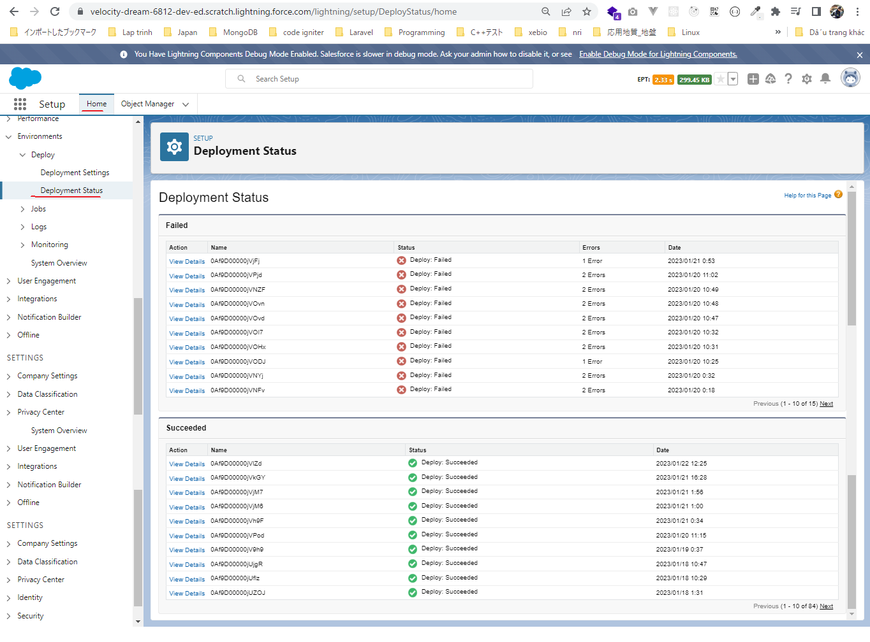

Check browser

Making a CalloutFromLWC-VSF Pj
Making a Callout from LWC - VSF Project

構成
 | LightningWebComponent
 |  | .vscode
 |  |  | launch.json
 |  | LWC
 |  |  | force-app
 |  |  |  | main
 |  |  |  |  | classes
 |  |  |  |  |  | abcd.cls
 |  |  |  |  |  | AccountManager.cls
 |  |  |  |  |  | CarExperience.cls
 |  |  |  |  |  | CarSearchFormController.cls
 |  |  |  |  |  | CarSearchResultController.cls
 |  |  |  |  |  | CreateData.cls
 |  |  |  |  |  | CreateDataTest.cls
 |  |  |  |  |  | DeleteData.cls
 |  |  |  |  |  | DeleteDataTest.cls
 |  |  |  |  |  | RentACarTestFactory.cls
 |  |  |  |  | aura
 |  |  |  |  |  | MeetingRoomAura
 |  |  |  |  |  |  | MeetingRoomAura.cmp
 |  |  |  |  |  |  | MeetingRoomAuraController.js
 |  |  |  |  |  | MeetingRoomPubSubHandler
 |  |  |  |  |  |  | MeetingRoomPubSubHandler.cmp
 |  |  |  |  |  |  | MeetingRoomPubSubHandlerController.js
 |  |  |  |  |  | MessageAura
 |  |  |  |  |  |  | MessageAura.cmp
 |  |  |  |  |  |  | MessageAura.css
 |  |  |  |  |  |  | MessageAuraController.js
 |  |  |  |  | lwc
 |  |  |  |  |  | accountManageApex
 |  |  |  |  |  |  | accountManageApex.css
 |  |  |  |  |  |  | accountManageApex.html
 |  |  |  |  |  |  | accountManageApex.js
 |  |  |  |  |  |  | accountManageApex.js-meta.xml
 |  |  |  |  |  | accountManagerLDS
 |  |  |  |  |  |  | accountManagerLDS.html
 |  |  |  |  |  |  | accountManagerLDS.js
 |  |  |  |  |  |  | accountManagerLDS.js-meta.xml
 |  |  |  |  |  | accountManagerLDSForms
 |  |  |  |  |  |  | accountManagerLDSForms.html
 |  |  |  |  |  |  | accountManagerLDSForms.js
 |  |  |  |  |  |  | accountManagerLDSForms.js-meta.xml
 |  |  |  |  |  | accountRecordForm
 |  |  |  |  |  |  | accountRecordForm.html
 |  |  |  |  |  |  | accountRecordForm.js
 |  |  |  |  |  |  | accountRecordForm.js-meta.xml
 |  |  |  |  |  | addCarExperience
 |  |  |  |  |  |  | addCarExperience.html
 |  |  |  |  |  |  | addCarExperience.js
 |  |  |  |  |  | auraPubsub
 |  |  |  |  |  |  | auraPubsub.js
 |  |  |  |  |  |  | auraPubsub.js-meta.xml
 |  |  |  |  |  | bmi
 |  |  |  |  |  |  | bmi.js
 |  |  |  |  |  | bmiCalculator
 |  |  |  |  |  |  | bmiCalculator.html
 |  |  |  |  |  |  | bmiCalculator.js
 |  |  |  |  |  |  | bmiCalculator.js-meta.xml
 |  |  |  |  |  | carDetail
 |  |  |  |  |  |  | carDetail.css
 |  |  |  |  |  |  | carDetail.html
 |  |  |  |  |  |  | carDetail.js
 |  |  |  |  |  | carDetails
 |  |  |  |  |  |  | carDetails.html
 |  |  |  |  |  |  | carDetails.js
 |  |  |  |  |  |  | carDetails.js-meta.xml
 |  |  |  |  |  | cardStyle
 |  |  |  |  |  |  | cardStyle.css
 |  |  |  |  |  |  | cardStyle.js-meta.xml
 |  |  |  |  |  | carExperiences
 |  |  |  |  |  |  | carExperiences.html
 |  |  |  |  |  |  | carExperiences.js
 |  |  |  |  |  | carLocation
 |  |  |  |  |  |  | carLocation.html
 |  |  |  |  |  |  | carLocation.js
 |  |  |  |  |  |  | carLocation.js-meta.xml
 |  |  |  |  |  | carSearch
 |  |  |  |  |  |  | carSearch.html
 |  |  |  |  |  |  | carSearch.js
 |  |  |  |  |  |  | carSearch.js-meta.xml
 |  |  |  |  |  | carSearchForm
 |  |  |  |  |  |  | carSearchForm.html
 |  |  |  |  |  |  | carSearchForm.js
 |  |  |  |  |  |  | carSearchForm.js-meta.xml
 |  |  |  |  |  | carSearchResult
 |  |  |  |  |  |  | carSearchResult.html
 |  |  |  |  |  |  | carSearchResult.js
 |  |  |  |  |  | carTile
 |  |  |  |  |  |  | carTile.css
 |  |  |  |  |  |  | carTile.html
 |  |  |  |  |  |  | carTile.js
 |  |  |  |  |  | conditionalRenderingExample
 |  |  |  |  |  |  | conditionalRenderingExample.html
 |  |  |  |  |  |  | conditionalRenderingExample.js
 |  |  |  |  |  |  | conditionalRenderingExample.js-meta.xml
 |  |  |  |  |  | helloWorld
 |  |  |  |  |  |  | helloWorld.css
 |  |  |  |  |  |  | helloWorld.html
 |  |  |  |  |  |  | helloWorld.js
 |  |  |  |  |  |  | helloWorld.js-meta.xml
 |  |  |  |  |  | lifecycleDemo
 |  |  |  |  |  |  | lifecycleDemo.html
 |  |  |  |  |  |  | lifecycleDemo.js
 |  |  |  |  |  |  | lifecycleDemo.js-meta.xml
 |  |  |  |  |  | meetingRoom
 |  |  |  |  |  |  | meetingRoom.css
 |  |  |  |  |  |  | meetingRoom.html
 |  |  |  |  |  |  | meetingRoom.js
 |  |  |  |  |  | meetingRooms
 |  |  |  |  |  |  | __tests__
 |  |  |  |  |  |  |  | meetingRooms.test.js
 |  |  |  |  |  |  | meetingRooms.html
 |  |  |  |  |  |  | meetingRooms.js
 |  |  |  |  |  | messageLwc
 |  |  |  |  |  |  | messageLwc.css
 |  |  |  |  |  |  | messageLwc.html
 |  |  |  |  |  |  | messageLwc.js
 |  |  |  |  |  |  | messageLwc.js-meta.xml
 |  |  |  |  |  | navigationExample
 |  |  |  |  |  |  | navigationExample.html
 |  |  |  |  |  |  | navigationExample.js
 |  |  |  |  |  |  | navigationExample.js-meta.xml
 |  |  |  |  |  | publicMethodChild
 |  |  |  |  |  |  | publicMethodChild.css
 |  |  |  |  |  |  | publicMethodChild.html
 |  |  |  |  |  |  | publicMethodChild.js
 |  |  |  |  |  |  | publicMethodChild.js-meta.xml
 |  |  |  |  |  | publicMethodParent
 |  |  |  |  |  |  | publicMethodParent.css
 |  |  |  |  |  |  | publicMethodParent.html
 |  |  |  |  |  |  | publicMethodParent.js
 |  |  |  |  |  |  | publicMethodParent.js-meta.xml
 |  |  |  |  |  | pubsub
 |  |  |  |  |  |  | pubsub.js
 |  |  |  |  |  |  | pubsub.js-meta.xml
 |  |  |  |  |  | secondFileName
 |  |  |  |  |  | selectedMeetingRoom
 |  |  |  |  |  |  | selectedMeetingRoom.html
 |  |  |  |  |  |  | selectedMeetingRoom.js
 |  |  |  |  |  | simpleCalculator
 |  |  |  |  |  |  | simpleCalculator.html
 |  |  |  |  |  |  | simpleCalculator.js
 |  |  |  |  |  |  | simpleCalculator.js-meta.xml
 |  |  |  |  |  | simpleLightBoxExample
 |  |  |  |  |  |  | simpleLightBoxExample.html
 |  |  |  |  |  |  | simpleLightBoxExample.js
 |  |  |  |  |  |  | simpleLightBoxExample.js-meta.xml
 |  |  |  |  |  | udemyVideosPipeline
 |  |  |  |  |  |  | udemyVideosPipeline.css
 |  |  |  |  |  |  | udemyVideosPipeline.html
 |  |  |  |  |  |  | udemyVideosPipeline.js
 |  |  |  |  |  |  | udemyVideosPipeline.js-meta.xml
 |  |  |  |  |  | vaccineSlotFinder
 |  |  |  |  |  |  | vaccineSlotFinder.html
 |  |  |  |  |  |  | vaccineSlotFinder.js |  |  | → | code
 |  |  |  |  |  |  | vaccineSlotFinder.js-meta.xml
 |  |  |  |  | messageChannels
 |  |  |  |  |  | messageDemo.messageChannel-meta.xml
 |  |  |  |  | objects
 |  |  |  |  |  | Car__c
 |  |  |  |  |  | Car_Experience__c
 |  |  |  |  |  | Car_Type__c
 |  |  |  |  | staticresources
 |  |  |  |  |  | cars
 |  |  |  |  |  |  | compact
 |  |  |  |  |  |  | luxury
 |  |  |  |  |  |  | sports
 |  |  |  |  |  |  | van
 |  |  |  |  |  | Leaflet
 |  |  |  |  |  |  | images
 |  |  |  |  |  |  | leaflet-src.js
 |  |  |  |  |  |  | leaflet-src.js.map
 |  |  |  |  |  |  | leaflet.css
 |  |  |  |  |  |  | leaflet.js
 |  |  |  |  |  |  | leaflet.js.map
 |  |  |  |  | tabs
 |  |  |  |  |  | Car__c.tab-meta.xml
 |  |  |  |  |  | Car_Experience__c.tab-meta.xml
 |  |  |  |  |  | Car_Type__c.tab-meta.xml
 |  |  | package.json
 |  | Year-2021-Updates
 |  |  | 1.js-set
 |  |  |  | app.js
 |  |  |  | index.html
 |  |  | 2.js-map
 |  |  |  | app.js
 |  |  |  | index.html
 |  |  | 3.VSF-Project
 |  |  |  | cowin-api-sample-response
 |  |  |  |  | db.json |  |  |  |  | → | backup

LightningWebComponent\LWC\force-app\main\default\lwc\vaccineSlotFinder\vaccineSlotFinder.js
 | import { LightningElement } from 'lwc';

 | export default class VaccineSlotFinder extends LightningElement {
 | centers = [];
 | dates = [];

 | connectedCallback() { |  |  |  |  |  |  |  | → | Later we will remove it but for now we just want to make a call out as soon as out component render here
 | const endpoint = `https://choudharymanish8585.github.io/cowin-api-sample-response/db.json`;
 | this.fetchVaccineSlots(endpoint);
 | }

 | async fetchVaccineSlots(endpoint) {
 | const vaccineSlotRes = await fetch(endpoint); |  |  |  |  |  |  |  | → | make an API call out from javascript. We need to use await to make sure fire is asynchronously.
 | const slotsData = await vaccineSlotRes.json();
 | console.log(slotsData);
 | }

 | get hideMessage() {
 | return false;
 | }
 | }

Check console browser
 | This is an error that we are most likely to get when we are going to make call out from our javascript code

Resolve error
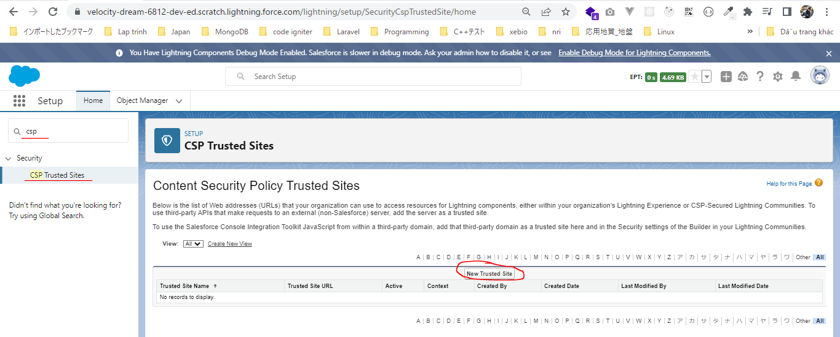

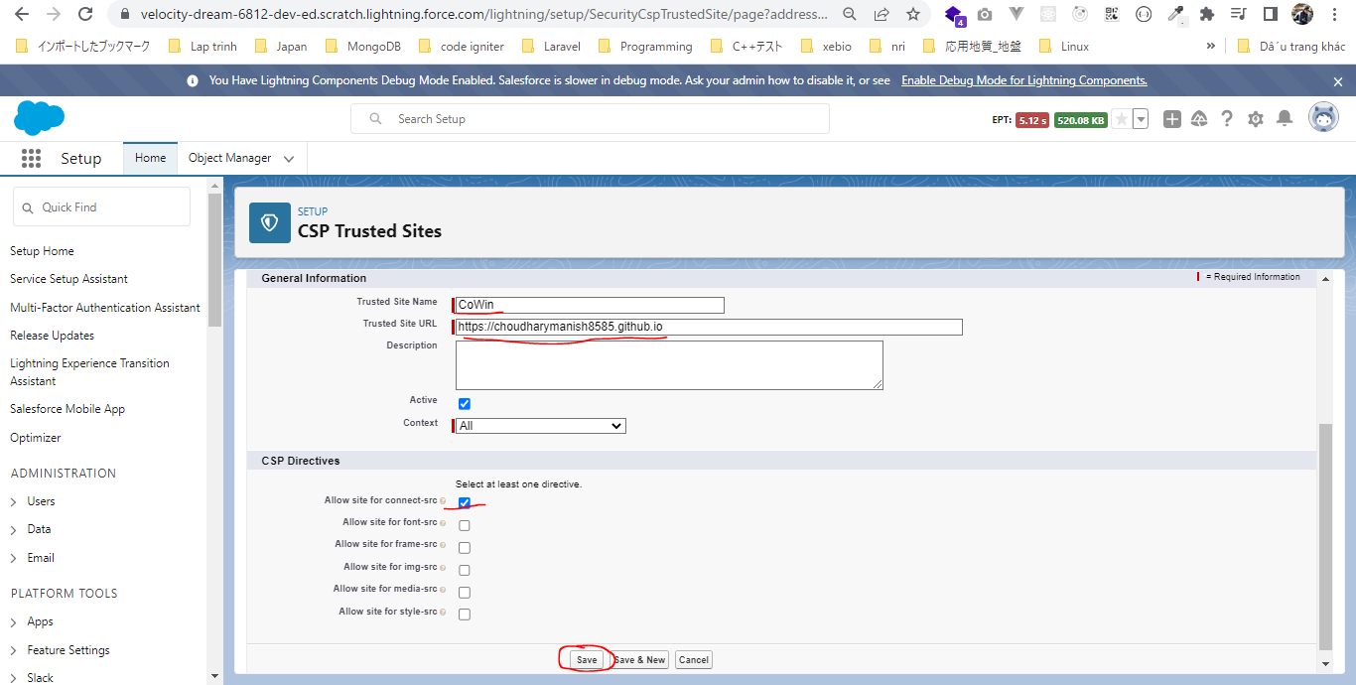

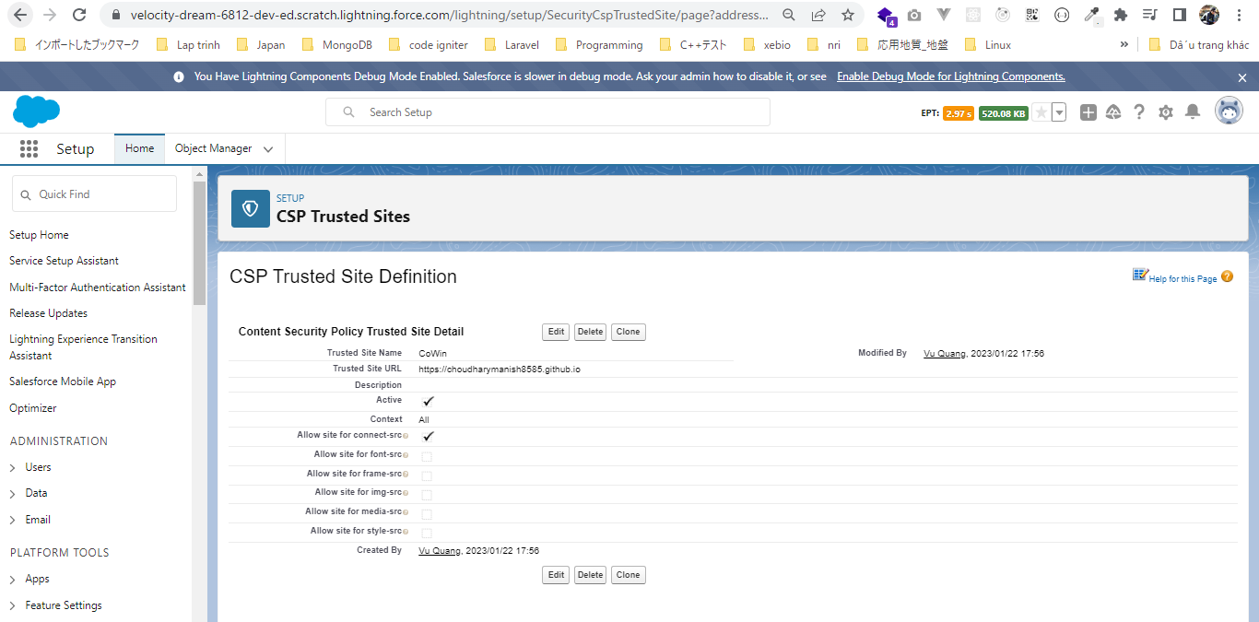

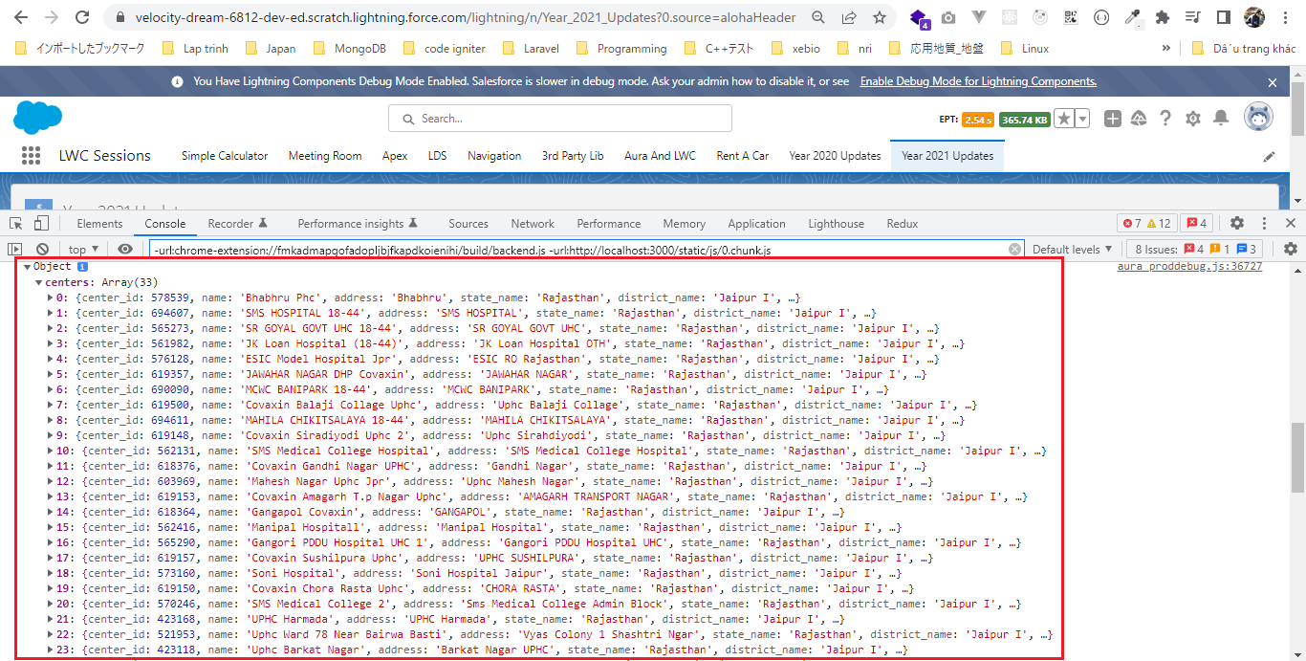

 | Can see here
 | LightningWebComponent\Year-2021-Updates\3.VSF-Project\cowin-api-sample-response\db.json

ParseAndFormatTheCalloutRespons
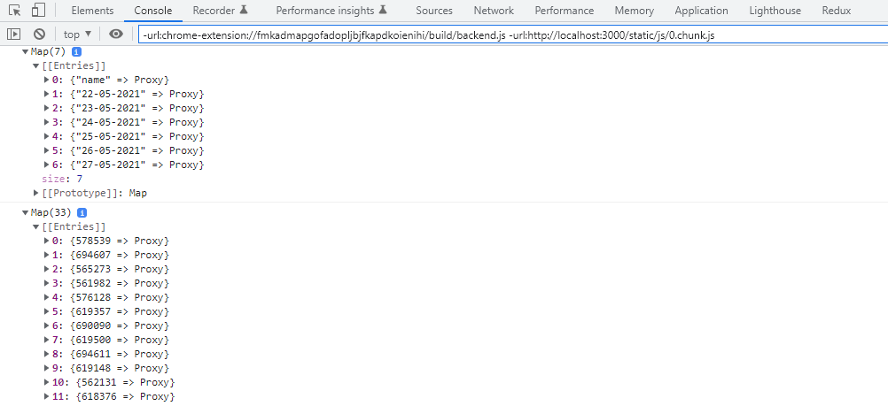
構成
 | LightningWebComponent
 |  | .vscode
 |  |  | launch.json
 |  | LWC
 |  |  | force-app
 |  |  |  | main
 |  |  |  |  | classes
 |  |  |  |  |  | abcd.cls
 |  |  |  |  |  | AccountManager.cls
 |  |  |  |  |  | CarExperience.cls
 |  |  |  |  |  | CarSearchFormController.cls
 |  |  |  |  |  | CarSearchResultController.cls
 |  |  |  |  |  | CreateData.cls
 |  |  |  |  |  | CreateDataTest.cls
 |  |  |  |  |  | DeleteData.cls
 |  |  |  |  |  | DeleteDataTest.cls
 |  |  |  |  |  | RentACarTestFactory.cls
 |  |  |  |  | aura
 |  |  |  |  |  | MeetingRoomAura
 |  |  |  |  |  |  | MeetingRoomAura.cmp
 |  |  |  |  |  |  | MeetingRoomAuraController.js
 |  |  |  |  |  | MeetingRoomPubSubHandler
 |  |  |  |  |  |  | MeetingRoomPubSubHandler.cmp
 |  |  |  |  |  |  | MeetingRoomPubSubHandlerController.js
 |  |  |  |  |  | MessageAura
 |  |  |  |  |  |  | MessageAura.cmp
 |  |  |  |  |  |  | MessageAura.css
 |  |  |  |  |  |  | MessageAuraController.js
 |  |  |  |  | lwc
 |  |  |  |  |  | accountManageApex
 |  |  |  |  |  |  | accountManageApex.css
 |  |  |  |  |  |  | accountManageApex.html
 |  |  |  |  |  |  | accountManageApex.js
 |  |  |  |  |  |  | accountManageApex.js-meta.xml
 |  |  |  |  |  | accountManagerLDS
 |  |  |  |  |  |  | accountManagerLDS.html
 |  |  |  |  |  |  | accountManagerLDS.js
 |  |  |  |  |  |  | accountManagerLDS.js-meta.xml
 |  |  |  |  |  | accountManagerLDSForms
 |  |  |  |  |  |  | accountManagerLDSForms.html
 |  |  |  |  |  |  | accountManagerLDSForms.js
 |  |  |  |  |  |  | accountManagerLDSForms.js-meta.xml
 |  |  |  |  |  | accountRecordForm
 |  |  |  |  |  |  | accountRecordForm.html
 |  |  |  |  |  |  | accountRecordForm.js
 |  |  |  |  |  |  | accountRecordForm.js-meta.xml
 |  |  |  |  |  | addCarExperience
 |  |  |  |  |  |  | addCarExperience.html
 |  |  |  |  |  |  | addCarExperience.js
 |  |  |  |  |  | auraPubsub
 |  |  |  |  |  |  | auraPubsub.js
 |  |  |  |  |  |  | auraPubsub.js-meta.xml
 |  |  |  |  |  | bmi
 |  |  |  |  |  |  | bmi.js
 |  |  |  |  |  | bmiCalculator
 |  |  |  |  |  |  | bmiCalculator.html
 |  |  |  |  |  |  | bmiCalculator.js
 |  |  |  |  |  |  | bmiCalculator.js-meta.xml
 |  |  |  |  |  | carDetail
 |  |  |  |  |  |  | carDetail.css
 |  |  |  |  |  |  | carDetail.html
 |  |  |  |  |  |  | carDetail.js
 |  |  |  |  |  | carDetails
 |  |  |  |  |  |  | carDetails.html
 |  |  |  |  |  |  | carDetails.js
 |  |  |  |  |  |  | carDetails.js-meta.xml
 |  |  |  |  |  | cardStyle
 |  |  |  |  |  |  | cardStyle.css
 |  |  |  |  |  |  | cardStyle.js-meta.xml
 |  |  |  |  |  | carExperiences
 |  |  |  |  |  |  | carExperiences.html
 |  |  |  |  |  |  | carExperiences.js
 |  |  |  |  |  | carLocation
 |  |  |  |  |  |  | carLocation.html
 |  |  |  |  |  |  | carLocation.js
 |  |  |  |  |  |  | carLocation.js-meta.xml
 |  |  |  |  |  | carSearch
 |  |  |  |  |  |  | carSearch.html
 |  |  |  |  |  |  | carSearch.js
 |  |  |  |  |  |  | carSearch.js-meta.xml
 |  |  |  |  |  | carSearchForm
 |  |  |  |  |  |  | carSearchForm.html
 |  |  |  |  |  |  | carSearchForm.js
 |  |  |  |  |  |  | carSearchForm.js-meta.xml
 |  |  |  |  |  | carSearchResult
 |  |  |  |  |  |  | carSearchResult.html
 |  |  |  |  |  |  | carSearchResult.js
 |  |  |  |  |  | carTile
 |  |  |  |  |  |  | carTile.css
 |  |  |  |  |  |  | carTile.html
 |  |  |  |  |  |  | carTile.js
 |  |  |  |  |  | conditionalRenderingExample
 |  |  |  |  |  |  | conditionalRenderingExample.html
 |  |  |  |  |  |  | conditionalRenderingExample.js
 |  |  |  |  |  |  | conditionalRenderingExample.js-meta.xml
 |  |  |  |  |  | helloWorld
 |  |  |  |  |  |  | helloWorld.css
 |  |  |  |  |  |  | helloWorld.html
 |  |  |  |  |  |  | helloWorld.js
 |  |  |  |  |  |  | helloWorld.js-meta.xml
 |  |  |  |  |  | lifecycleDemo
 |  |  |  |  |  |  | lifecycleDemo.html
 |  |  |  |  |  |  | lifecycleDemo.js
 |  |  |  |  |  |  | lifecycleDemo.js-meta.xml
 |  |  |  |  |  | meetingRoom
 |  |  |  |  |  |  | meetingRoom.css
 |  |  |  |  |  |  | meetingRoom.html
 |  |  |  |  |  |  | meetingRoom.js
 |  |  |  |  |  | meetingRooms
 |  |  |  |  |  |  | __tests__
 |  |  |  |  |  |  |  | meetingRooms.test.js
 |  |  |  |  |  |  | meetingRooms.html
 |  |  |  |  |  |  | meetingRooms.js
 |  |  |  |  |  | messageLwc
 |  |  |  |  |  |  | messageLwc.css
 |  |  |  |  |  |  | messageLwc.html
 |  |  |  |  |  |  | messageLwc.js
 |  |  |  |  |  |  | messageLwc.js-meta.xml
 |  |  |  |  |  | navigationExample
 |  |  |  |  |  |  | navigationExample.html
 |  |  |  |  |  |  | navigationExample.js
 |  |  |  |  |  |  | navigationExample.js-meta.xml
 |  |  |  |  |  | publicMethodChild
 |  |  |  |  |  |  | publicMethodChild.css
 |  |  |  |  |  |  | publicMethodChild.html
 |  |  |  |  |  |  | publicMethodChild.js
 |  |  |  |  |  |  | publicMethodChild.js-meta.xml
 |  |  |  |  |  | publicMethodParent
 |  |  |  |  |  |  | publicMethodParent.css
 |  |  |  |  |  |  | publicMethodParent.html
 |  |  |  |  |  |  | publicMethodParent.js
 |  |  |  |  |  |  | publicMethodParent.js-meta.xml
 |  |  |  |  |  | pubsub
 |  |  |  |  |  |  | pubsub.js
 |  |  |  |  |  |  | pubsub.js-meta.xml
 |  |  |  |  |  | secondFileName
 |  |  |  |  |  | selectedMeetingRoom
 |  |  |  |  |  |  | selectedMeetingRoom.html
 |  |  |  |  |  |  | selectedMeetingRoom.js
 |  |  |  |  |  | simpleCalculator
 |  |  |  |  |  |  | simpleCalculator.html
 |  |  |  |  |  |  | simpleCalculator.js
 |  |  |  |  |  |  | simpleCalculator.js-meta.xml
 |  |  |  |  |  | simpleLightBoxExample
 |  |  |  |  |  |  | simpleLightBoxExample.html
 |  |  |  |  |  |  | simpleLightBoxExample.js
 |  |  |  |  |  |  | simpleLightBoxExample.js-meta.xml
 |  |  |  |  |  | udemyVideosPipeline
 |  |  |  |  |  |  | udemyVideosPipeline.css
 |  |  |  |  |  |  | udemyVideosPipeline.html
 |  |  |  |  |  |  | udemyVideosPipeline.js
 |  |  |  |  |  |  | udemyVideosPipeline.js-meta.xml
 |  |  |  |  |  | vaccineSlotFinder
 |  |  |  |  |  |  | vaccineSlotFinder.html
 |  |  |  |  |  |  | vaccineSlotFinder.js |  |  | → | code
 |  |  |  |  |  |  | vaccineSlotFinder.js-meta.xml
 |  |  |  |  | messageChannels
 |  |  |  |  |  | messageDemo.messageChannel-meta.xml
 |  |  |  |  | objects
 |  |  |  |  |  | Car__c
 |  |  |  |  |  | Car_Experience__c
 |  |  |  |  |  | Car_Type__c
 |  |  |  |  | staticresources
 |  |  |  |  |  | cars
 |  |  |  |  |  |  | compact
 |  |  |  |  |  |  | luxury
 |  |  |  |  |  |  | sports
 |  |  |  |  |  |  | van
 |  |  |  |  |  | Leaflet
 |  |  |  |  |  |  | images
 |  |  |  |  |  |  | leaflet-src.js
 |  |  |  |  |  |  | leaflet-src.js.map
 |  |  |  |  |  |  | leaflet.css
 |  |  |  |  |  |  | leaflet.js
 |  |  |  |  |  |  | leaflet.js.map
 |  |  |  |  | tabs
 |  |  |  |  |  | Car__c.tab-meta.xml
 |  |  |  |  |  | Car_Experience__c.tab-meta.xml
 |  |  |  |  |  | Car_Type__c.tab-meta.xml
 |  |  | package.json
 |  | Year-2021-Updates
 |  |  | 1.js-set
 |  |  |  | app.js
 |  |  |  | index.html
 |  |  | 2.js-map
 |  |  |  | app.js
 |  |  |  | index.html
 |  |  | 3.VSF-Project
 |  |  |  | cowin-api-sample-response
 |  |  |  |  | db.json

Datatable
 | https://developer.salesforce.com/docs/component-library/bundle/lightning:datatable/example
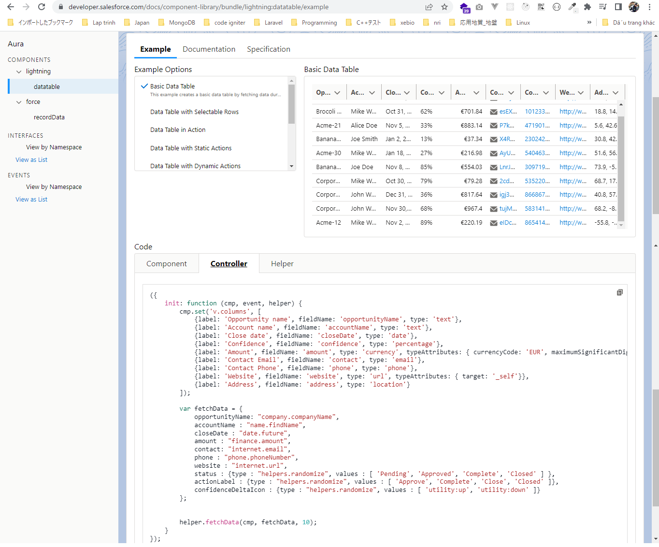

 |  |  |  |  |  |  |  |  |  |  |  | columns, it accepts an array of objects and each object should have label, fieldName and type

 |  |  |  |  |  |  |  |  |  |  |  | data

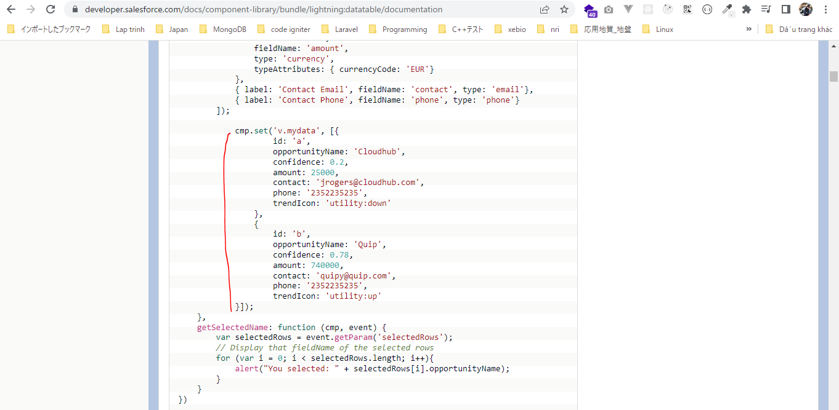
 | { |  |  |  |  |  |  |  |  |  | https://developer.salesforce.com/docs/component-library/bundle/lightning:datatable/documentation
 | "centers": [
 | {
 | "center_id": 578539,
 | "name": "Bhabhru Phc",
 | "address": "Bhabhru",
 | "state_name": "Rajasthan",
 | "district_name": "Jaipur I",
 | "block_name": "Virat Nagar",
 | "pincode": 303119,
 | "lat": 70,
 | "long": 70,
 | "from": "09:00:00",
 | "to": "17:00:00",
 | "fee_type": "Free",
 | "sessions": [
 | {
 | "session_id": "29f6d2ec-674b-4251-98e0-0c473e3ead19",
 | "date": "22-05-2021",
 | "available_capacity": 0,
 | "min_age_limit": 45,
 | "vaccine": "COVISHIELD",
 | "slots": [
 | "09:00AM-11:00AM",
 | "11:00AM-01:00PM",
 | "01:00PM-03:00PM",
 | "03:00PM-05:00PM"
 | ],
 | "available_capacity_dose1": 10,
 | "available_capacity_dose2": 30
 | }
 | ]
 | },
 | …
 | ]
 | }

LightningWebComponent\LWC\force-app\main\default\lwc\vaccineSlotFinder\vaccineSlotFinder.js
 | import { LightningElement } from 'lwc';

 | export default class VaccineSlotFinder extends LightningElement {
 | centers = [];
 | dates = [];

 | connectedCallback() {
 | const endpoint = `https://choudharymanish8585.github.io/cowin-api-sample-response/db.json`;
 | this.fetchVaccineSlots(endpoint);
 | }

 | async fetchVaccineSlots(endpoint) {
 | const vaccineSlotRes = await fetch(endpoint);
 | const slotsData = await vaccineSlotRes.json();
 | this.buildColumnsAndRows(slotsData.centers);
 | }

 | buildColumnsAndRows(data) {
 | // build columns/dates
 | const dates = new Map();
 | dates.set("name", { |  |  |  |  |  |  |  | → | building the columns and our columns will be the dates. We need to build a column called name(the hospital name). Which is going to store all the hospital's name. This is the first column
 | label: "Center Name", |  |  |  |  |  |  |  |  | with the help of Map we can detect the duplicate columns name and we can store these object as values
 | fieldName: "name",
 | type: "text"
 | });

 | // build rows/centers
 | const centers = new Map();

 | for (const center of data) {
 | !centers.has(center.center_id) &&
 | centers.set(center.center_id, { name: center.name }); |  |  |  |  |  |  |  | → | pass value for name column

 | for (const session of center.sessions) {
 | // destructuring syntax
 | const { date, available_capacity, min_age_limit } = session; |  |  |  |  |  |  |  | → | destructure object to get date, available_capacity, min_age_limit value

 | // add date as column in dates map
 | dates.set(date, { |  |  |  |  |  |  |  | → | use date value to add new value to dates map because we want all the posible dates as columns
 | label: date,
 | fieldName: date,
 | type: "text"
 | });
 | }
 | }

 | console.log(dates);
 | console.log(centers);

 | }

 | get hideMessage() {
 | return false;
 | }
 | }

FinishFormattingtheCalloutRespo
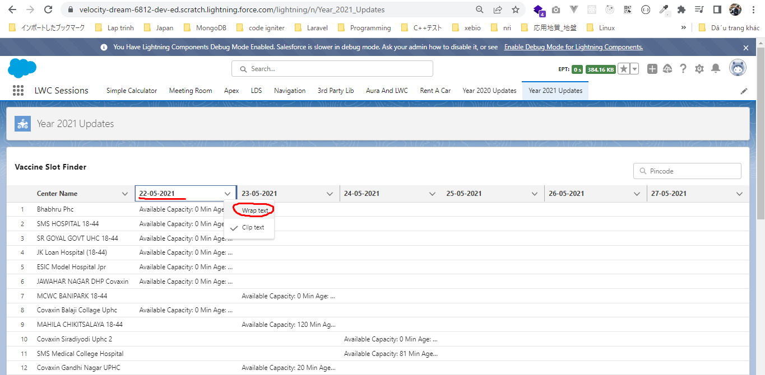
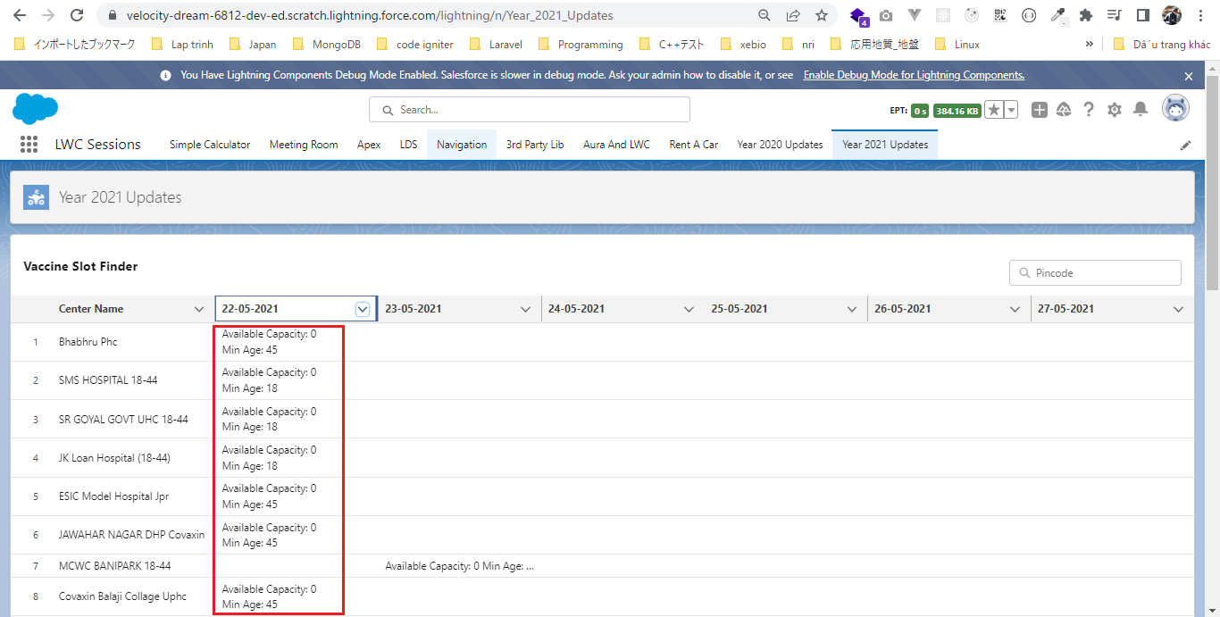
Finish Formatting the Callout Response - VSF Project

構成
 | LightningWebComponent
 |  | .vscode
 |  |  | launch.json
 |  | LWC
 |  |  | force-app
 |  |  |  | main
 |  |  |  |  | classes
 |  |  |  |  |  | abcd.cls
 |  |  |  |  |  | AccountManager.cls
 |  |  |  |  |  | CarExperience.cls
 |  |  |  |  |  | CarSearchFormController.cls
 |  |  |  |  |  | CarSearchResultController.cls
 |  |  |  |  |  | CreateData.cls
 |  |  |  |  |  | CreateDataTest.cls
 |  |  |  |  |  | DeleteData.cls
 |  |  |  |  |  | DeleteDataTest.cls
 |  |  |  |  |  | RentACarTestFactory.cls
 |  |  |  |  | aura
 |  |  |  |  |  | MeetingRoomAura
 |  |  |  |  |  |  | MeetingRoomAura.cmp
 |  |  |  |  |  |  | MeetingRoomAuraController.js
 |  |  |  |  |  | MeetingRoomPubSubHandler
 |  |  |  |  |  |  | MeetingRoomPubSubHandler.cmp
 |  |  |  |  |  |  | MeetingRoomPubSubHandlerController.js
 |  |  |  |  |  | MessageAura
 |  |  |  |  |  |  | MessageAura.cmp
 |  |  |  |  |  |  | MessageAura.css
 |  |  |  |  |  |  | MessageAuraController.js
 |  |  |  |  | lwc
 |  |  |  |  |  | accountManageApex
 |  |  |  |  |  |  | accountManageApex.css
 |  |  |  |  |  |  | accountManageApex.html
 |  |  |  |  |  |  | accountManageApex.js
 |  |  |  |  |  |  | accountManageApex.js-meta.xml
 |  |  |  |  |  | accountManagerLDS
 |  |  |  |  |  |  | accountManagerLDS.html
 |  |  |  |  |  |  | accountManagerLDS.js
 |  |  |  |  |  |  | accountManagerLDS.js-meta.xml
 |  |  |  |  |  | accountManagerLDSForms
 |  |  |  |  |  |  | accountManagerLDSForms.html
 |  |  |  |  |  |  | accountManagerLDSForms.js
 |  |  |  |  |  |  | accountManagerLDSForms.js-meta.xml
 |  |  |  |  |  | accountRecordForm
 |  |  |  |  |  |  | accountRecordForm.html
 |  |  |  |  |  |  | accountRecordForm.js
 |  |  |  |  |  |  | accountRecordForm.js-meta.xml
 |  |  |  |  |  | addCarExperience
 |  |  |  |  |  |  | addCarExperience.html
 |  |  |  |  |  |  | addCarExperience.js
 |  |  |  |  |  | auraPubsub
 |  |  |  |  |  |  | auraPubsub.js
 |  |  |  |  |  |  | auraPubsub.js-meta.xml
 |  |  |  |  |  | bmi
 |  |  |  |  |  |  | bmi.js
 |  |  |  |  |  | bmiCalculator
 |  |  |  |  |  |  | bmiCalculator.html
 |  |  |  |  |  |  | bmiCalculator.js
 |  |  |  |  |  |  | bmiCalculator.js-meta.xml
 |  |  |  |  |  | carDetail
 |  |  |  |  |  |  | carDetail.css
 |  |  |  |  |  |  | carDetail.html
 |  |  |  |  |  |  | carDetail.js
 |  |  |  |  |  | carDetails
 |  |  |  |  |  |  | carDetails.html
 |  |  |  |  |  |  | carDetails.js
 |  |  |  |  |  |  | carDetails.js-meta.xml
 |  |  |  |  |  | cardStyle
 |  |  |  |  |  |  | cardStyle.css
 |  |  |  |  |  |  | cardStyle.js-meta.xml
 |  |  |  |  |  | carExperiences
 |  |  |  |  |  |  | carExperiences.html
 |  |  |  |  |  |  | carExperiences.js
 |  |  |  |  |  | carLocation
 |  |  |  |  |  |  | carLocation.html
 |  |  |  |  |  |  | carLocation.js
 |  |  |  |  |  |  | carLocation.js-meta.xml
 |  |  |  |  |  | carSearch
 |  |  |  |  |  |  | carSearch.html
 |  |  |  |  |  |  | carSearch.js
 |  |  |  |  |  |  | carSearch.js-meta.xml
 |  |  |  |  |  | carSearchForm
 |  |  |  |  |  |  | carSearchForm.html
 |  |  |  |  |  |  | carSearchForm.js
 |  |  |  |  |  |  | carSearchForm.js-meta.xml
 |  |  |  |  |  | carSearchResult
 |  |  |  |  |  |  | carSearchResult.html
 |  |  |  |  |  |  | carSearchResult.js
 |  |  |  |  |  | carTile
 |  |  |  |  |  |  | carTile.css
 |  |  |  |  |  |  | carTile.html
 |  |  |  |  |  |  | carTile.js
 |  |  |  |  |  | conditionalRenderingExample
 |  |  |  |  |  |  | conditionalRenderingExample.html
 |  |  |  |  |  |  | conditionalRenderingExample.js
 |  |  |  |  |  |  | conditionalRenderingExample.js-meta.xml
 |  |  |  |  |  | helloWorld
 |  |  |  |  |  |  | helloWorld.css
 |  |  |  |  |  |  | helloWorld.html
 |  |  |  |  |  |  | helloWorld.js
 |  |  |  |  |  |  | helloWorld.js-meta.xml
 |  |  |  |  |  | lifecycleDemo
 |  |  |  |  |  |  | lifecycleDemo.html
 |  |  |  |  |  |  | lifecycleDemo.js
 |  |  |  |  |  |  | lifecycleDemo.js-meta.xml
 |  |  |  |  |  | meetingRoom
 |  |  |  |  |  |  | meetingRoom.css
 |  |  |  |  |  |  | meetingRoom.html
 |  |  |  |  |  |  | meetingRoom.js
 |  |  |  |  |  | meetingRooms
 |  |  |  |  |  |  | __tests__
 |  |  |  |  |  |  |  | meetingRooms.test.js
 |  |  |  |  |  |  | meetingRooms.html
 |  |  |  |  |  |  | meetingRooms.js
 |  |  |  |  |  | messageLwc
 |  |  |  |  |  |  | messageLwc.css
 |  |  |  |  |  |  | messageLwc.html
 |  |  |  |  |  |  | messageLwc.js
 |  |  |  |  |  |  | messageLwc.js-meta.xml
 |  |  |  |  |  | navigationExample
 |  |  |  |  |  |  | navigationExample.html
 |  |  |  |  |  |  | navigationExample.js
 |  |  |  |  |  |  | navigationExample.js-meta.xml
 |  |  |  |  |  | publicMethodChild
 |  |  |  |  |  |  | publicMethodChild.css
 |  |  |  |  |  |  | publicMethodChild.html
 |  |  |  |  |  |  | publicMethodChild.js
 |  |  |  |  |  |  | publicMethodChild.js-meta.xml
 |  |  |  |  |  | publicMethodParent
 |  |  |  |  |  |  | publicMethodParent.css
 |  |  |  |  |  |  | publicMethodParent.html
 |  |  |  |  |  |  | publicMethodParent.js
 |  |  |  |  |  |  | publicMethodParent.js-meta.xml
 |  |  |  |  |  | pubsub
 |  |  |  |  |  |  | pubsub.js
 |  |  |  |  |  |  | pubsub.js-meta.xml
 |  |  |  |  |  | secondFileName
 |  |  |  |  |  | selectedMeetingRoom
 |  |  |  |  |  |  | selectedMeetingRoom.html
 |  |  |  |  |  |  | selectedMeetingRoom.js
 |  |  |  |  |  | simpleCalculator
 |  |  |  |  |  |  | simpleCalculator.html
 |  |  |  |  |  |  | simpleCalculator.js
 |  |  |  |  |  |  | simpleCalculator.js-meta.xml
 |  |  |  |  |  | simpleLightBoxExample
 |  |  |  |  |  |  | simpleLightBoxExample.html
 |  |  |  |  |  |  | simpleLightBoxExample.js
 |  |  |  |  |  |  | simpleLightBoxExample.js-meta.xml
 |  |  |  |  |  | udemyVideosPipeline
 |  |  |  |  |  |  | udemyVideosPipeline.css
 |  |  |  |  |  |  | udemyVideosPipeline.html
 |  |  |  |  |  |  | udemyVideosPipeline.js
 |  |  |  |  |  |  | udemyVideosPipeline.js-meta.xml
 |  |  |  |  |  | vaccineSlotFinder
 |  |  |  |  |  |  | vaccineSlotFinder.html
 |  |  |  |  |  |  | vaccineSlotFinder.js |  |  | → | code
 |  |  |  |  |  |  | vaccineSlotFinder.js-meta.xml
 |  |  |  |  | messageChannels
 |  |  |  |  |  | messageDemo.messageChannel-meta.xml
 |  |  |  |  | objects
 |  |  |  |  |  | Car__c
 |  |  |  |  |  | Car_Experience__c
 |  |  |  |  |  | Car_Type__c
 |  |  |  |  | staticresources
 |  |  |  |  |  | cars
 |  |  |  |  |  |  | compact
 |  |  |  |  |  |  | luxury
 |  |  |  |  |  |  | sports
 |  |  |  |  |  |  | van
 |  |  |  |  |  | Leaflet
 |  |  |  |  |  |  | images
 |  |  |  |  |  |  | leaflet-src.js
 |  |  |  |  |  |  | leaflet-src.js.map
 |  |  |  |  |  |  | leaflet.css
 |  |  |  |  |  |  | leaflet.js
 |  |  |  |  |  |  | leaflet.js.map
 |  |  |  |  | tabs
 |  |  |  |  |  | Car__c.tab-meta.xml
 |  |  |  |  |  | Car_Experience__c.tab-meta.xml
 |  |  |  |  |  | Car_Type__c.tab-meta.xml
 |  |  | package.json
 |  | Year-2021-Updates
 |  |  | 1.js-set
 |  |  |  | app.js
 |  |  |  | index.html
 |  |  | 2.js-map
 |  |  |  | app.js
 |  |  |  | index.html
 |  |  | 3.VSF-Project
 |  |  |  | cowin-api-sample-response
 |  |  |  |  | db.json

LightningWebComponent\LWC\force-app\main\default\lwc\vaccineSlotFinder\vaccineSlotFinder.js
 | import { LightningElement } from 'lwc';

 | export default class VaccineSlotFinder extends LightningElement {
 | centers = [];
 | dates = [];

 | connectedCallback() {
 | const endpoint = `https://choudharymanish8585.github.io/cowin-api-sample-response/db.json`;
 | this.fetchVaccineSlots(endpoint);
 | }

 | async fetchVaccineSlots(endpoint) {
 | const vaccineSlotRes = await fetch(endpoint);
 | const slotsData = await vaccineSlotRes.json();
 | this.buildColumnsAndRows(slotsData.centers);
 | }

 | buildColumnsAndRows(data) {
 | // build columns/dates
 | const dates = new Map();
 | dates.set("name", {
 | label: "Center Name",
 | fieldName: "name",
 | type: "text"
 | });

 | // build rows/centers
 | const centers = new Map();

 | for (const center of data) {
 | !centers.has(center.center_id) && |  |  |  |  |  |  |  | → | check exist to avoid overwriting, if centers repeats value we do not want to override
 | centers.set(center.center_id, { name: center.name }); |  |  |  |  |  |  |  | → | name property

 | for (const session of center.sessions) {
 | // destructuring syntax
 | const { date, available_capacity, min_age_limit } = session;

 | // add date as column in dates map
 | dates.set(date, { |  |  |  |  |  |  |  | → | adding the date as a column
 | label: date,
 | fieldName: date,
 | type: "text"
 | });

 | // add column value for the row
 | centers.get(center.center_id)[ |  |  |  |  |  |  |  | → | add date property to this object
 | date |  |  |  |  |  |  |  | → | date property. We use [] to define or access object property, although we can use the dot operater but we need the variable name so we use []
 | ] = `Available Capacity: ${available_capacity}
 | Min Age: ${min_age_limit}`;
 | }
 | }
 | this.dates = Array.from(dates.values());
 | this.centers = Array.from(centers.values());
 | }

 | get hideMessage() {
 | return this.centers.length > 0;
 | }
 | }

Check browser
 | We can see our data gets truncated
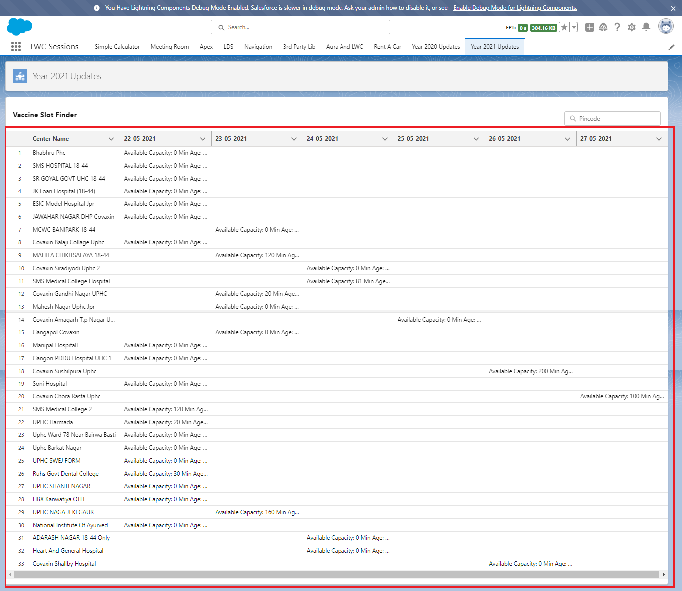

 | Wrap text feture will not get truncated

Stylise Lightning Datatable
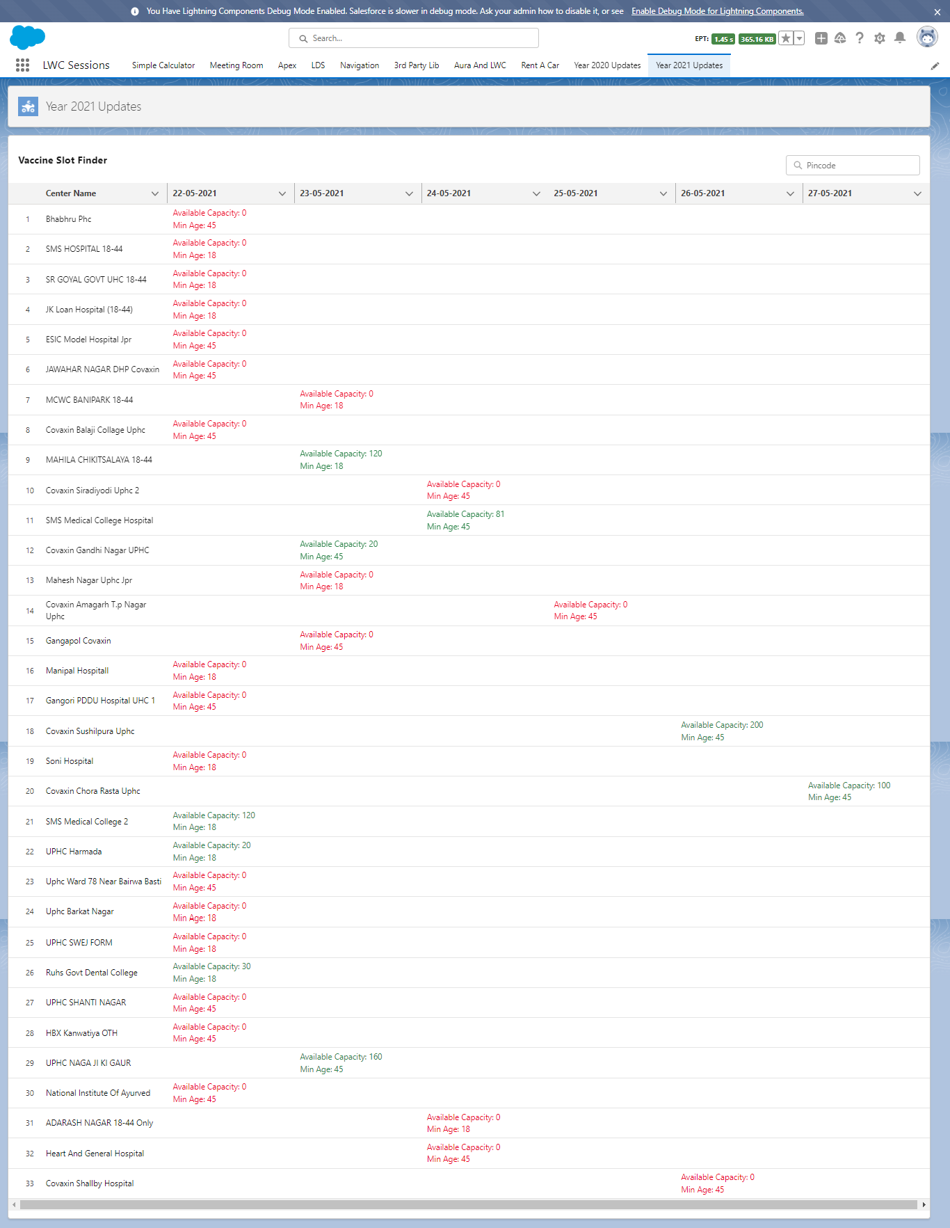
構成
 | LightningWebComponent
 |  | .vscode
 |  |  | launch.json
 |  | LWC
 |  |  | force-app
 |  |  |  | main
 |  |  |  |  | classes
 |  |  |  |  |  | abcd.cls
 |  |  |  |  |  | AccountManager.cls
 |  |  |  |  |  | CarExperience.cls
 |  |  |  |  |  | CarSearchFormController.cls
 |  |  |  |  |  | CarSearchResultController.cls
 |  |  |  |  |  | CreateData.cls
 |  |  |  |  |  | CreateDataTest.cls
 |  |  |  |  |  | DeleteData.cls
 |  |  |  |  |  | DeleteDataTest.cls
 |  |  |  |  |  | RentACarTestFactory.cls
 |  |  |  |  | aura
 |  |  |  |  |  | MeetingRoomAura
 |  |  |  |  |  |  | MeetingRoomAura.cmp
 |  |  |  |  |  |  | MeetingRoomAuraController.js
 |  |  |  |  |  | MeetingRoomPubSubHandler
 |  |  |  |  |  |  | MeetingRoomPubSubHandler.cmp
 |  |  |  |  |  |  | MeetingRoomPubSubHandlerController.js
 |  |  |  |  |  | MessageAura
 |  |  |  |  |  |  | MessageAura.cmp
 |  |  |  |  |  |  | MessageAura.css
 |  |  |  |  |  |  | MessageAuraController.js
 |  |  |  |  | lwc
 |  |  |  |  |  | accountManageApex
 |  |  |  |  |  |  | accountManageApex.css
 |  |  |  |  |  |  | accountManageApex.html
 |  |  |  |  |  |  | accountManageApex.js
 |  |  |  |  |  |  | accountManageApex.js-meta.xml
 |  |  |  |  |  | accountManagerLDS
 |  |  |  |  |  |  | accountManagerLDS.html
 |  |  |  |  |  |  | accountManagerLDS.js
 |  |  |  |  |  |  | accountManagerLDS.js-meta.xml
 |  |  |  |  |  | accountManagerLDSForms
 |  |  |  |  |  |  | accountManagerLDSForms.html
 |  |  |  |  |  |  | accountManagerLDSForms.js
 |  |  |  |  |  |  | accountManagerLDSForms.js-meta.xml
 |  |  |  |  |  | accountRecordForm
 |  |  |  |  |  |  | accountRecordForm.html
 |  |  |  |  |  |  | accountRecordForm.js
 |  |  |  |  |  |  | accountRecordForm.js-meta.xml
 |  |  |  |  |  | addCarExperience
 |  |  |  |  |  |  | addCarExperience.html
 |  |  |  |  |  |  | addCarExperience.js
 |  |  |  |  |  | auraPubsub
 |  |  |  |  |  |  | auraPubsub.js
 |  |  |  |  |  |  | auraPubsub.js-meta.xml
 |  |  |  |  |  | bmi
 |  |  |  |  |  |  | bmi.js
 |  |  |  |  |  | bmiCalculator
 |  |  |  |  |  |  | bmiCalculator.html
 |  |  |  |  |  |  | bmiCalculator.js
 |  |  |  |  |  |  | bmiCalculator.js-meta.xml
 |  |  |  |  |  | carDetail
 |  |  |  |  |  |  | carDetail.css
 |  |  |  |  |  |  | carDetail.html
 |  |  |  |  |  |  | carDetail.js
 |  |  |  |  |  | carDetails
 |  |  |  |  |  |  | carDetails.html
 |  |  |  |  |  |  | carDetails.js
 |  |  |  |  |  |  | carDetails.js-meta.xml
 |  |  |  |  |  | cardStyle
 |  |  |  |  |  |  | cardStyle.css
 |  |  |  |  |  |  | cardStyle.js-meta.xml
 |  |  |  |  |  | carExperiences
 |  |  |  |  |  |  | carExperiences.html
 |  |  |  |  |  |  | carExperiences.js
 |  |  |  |  |  | carLocation
 |  |  |  |  |  |  | carLocation.html
 |  |  |  |  |  |  | carLocation.js
 |  |  |  |  |  |  | carLocation.js-meta.xml
 |  |  |  |  |  | carSearch
 |  |  |  |  |  |  | carSearch.html
 |  |  |  |  |  |  | carSearch.js
 |  |  |  |  |  |  | carSearch.js-meta.xml
 |  |  |  |  |  | carSearchForm
 |  |  |  |  |  |  | carSearchForm.html
 |  |  |  |  |  |  | carSearchForm.js
 |  |  |  |  |  |  | carSearchForm.js-meta.xml
 |  |  |  |  |  | carSearchResult
 |  |  |  |  |  |  | carSearchResult.html
 |  |  |  |  |  |  | carSearchResult.js
 |  |  |  |  |  | carTile
 |  |  |  |  |  |  | carTile.css
 |  |  |  |  |  |  | carTile.html
 |  |  |  |  |  |  | carTile.js
 |  |  |  |  |  | conditionalRenderingExample
 |  |  |  |  |  |  | conditionalRenderingExample.html
 |  |  |  |  |  |  | conditionalRenderingExample.js
 |  |  |  |  |  |  | conditionalRenderingExample.js-meta.xml
 |  |  |  |  |  | helloWorld
 |  |  |  |  |  |  | helloWorld.css
 |  |  |  |  |  |  | helloWorld.html
 |  |  |  |  |  |  | helloWorld.js
 |  |  |  |  |  |  | helloWorld.js-meta.xml
 |  |  |  |  |  | lifecycleDemo
 |  |  |  |  |  |  | lifecycleDemo.html
 |  |  |  |  |  |  | lifecycleDemo.js
 |  |  |  |  |  |  | lifecycleDemo.js-meta.xml
 |  |  |  |  |  | meetingRoom
 |  |  |  |  |  |  | meetingRoom.css
 |  |  |  |  |  |  | meetingRoom.html
 |  |  |  |  |  |  | meetingRoom.js
 |  |  |  |  |  | meetingRooms
 |  |  |  |  |  |  | __tests__
 |  |  |  |  |  |  |  | meetingRooms.test.js
 |  |  |  |  |  |  | meetingRooms.html
 |  |  |  |  |  |  | meetingRooms.js
 |  |  |  |  |  | messageLwc
 |  |  |  |  |  |  | messageLwc.css
 |  |  |  |  |  |  | messageLwc.html
 |  |  |  |  |  |  | messageLwc.js
 |  |  |  |  |  |  | messageLwc.js-meta.xml
 |  |  |  |  |  | navigationExample
 |  |  |  |  |  |  | navigationExample.html
 |  |  |  |  |  |  | navigationExample.js
 |  |  |  |  |  |  | navigationExample.js-meta.xml
 |  |  |  |  |  | publicMethodChild
 |  |  |  |  |  |  | publicMethodChild.css
 |  |  |  |  |  |  | publicMethodChild.html
 |  |  |  |  |  |  | publicMethodChild.js
 |  |  |  |  |  |  | publicMethodChild.js-meta.xml
 |  |  |  |  |  | publicMethodParent
 |  |  |  |  |  |  | publicMethodParent.css
 |  |  |  |  |  |  | publicMethodParent.html
 |  |  |  |  |  |  | publicMethodParent.js
 |  |  |  |  |  |  | publicMethodParent.js-meta.xml
 |  |  |  |  |  | pubsub
 |  |  |  |  |  |  | pubsub.js
 |  |  |  |  |  |  | pubsub.js-meta.xml
 |  |  |  |  |  | secondFileName
 |  |  |  |  |  | selectedMeetingRoom
 |  |  |  |  |  |  | selectedMeetingRoom.html
 |  |  |  |  |  |  | selectedMeetingRoom.js
 |  |  |  |  |  | simpleCalculator
 |  |  |  |  |  |  | simpleCalculator.html
 |  |  |  |  |  |  | simpleCalculator.js
 |  |  |  |  |  |  | simpleCalculator.js-meta.xml
 |  |  |  |  |  | simpleLightBoxExample
 |  |  |  |  |  |  | simpleLightBoxExample.html
 |  |  |  |  |  |  | simpleLightBoxExample.js
 |  |  |  |  |  |  | simpleLightBoxExample.js-meta.xml
 |  |  |  |  |  | udemyVideosPipeline
 |  |  |  |  |  |  | udemyVideosPipeline.css
 |  |  |  |  |  |  | udemyVideosPipeline.html
 |  |  |  |  |  |  | udemyVideosPipeline.js
 |  |  |  |  |  |  | udemyVideosPipeline.js-meta.xml
 |  |  |  |  |  | vaccineSlotFinder
 |  |  |  |  |  |  | vaccineSlotFinder.html
 |  |  |  |  |  |  | vaccineSlotFinder.js |  |  | → | code
 |  |  |  |  |  |  | vaccineSlotFinder.js-meta.xml
 |  |  |  |  | messageChannels
 |  |  |  |  |  | messageDemo.messageChannel-meta.xml
 |  |  |  |  | objects
 |  |  |  |  |  | Car__c
 |  |  |  |  |  | Car_Experience__c
 |  |  |  |  |  | Car_Type__c
 |  |  |  |  | staticresources
 |  |  |  |  |  | cars
 |  |  |  |  |  |  | compact
 |  |  |  |  |  |  | luxury
 |  |  |  |  |  |  | sports
 |  |  |  |  |  |  | van
 |  |  |  |  |  | Leaflet
 |  |  |  |  |  |  | images
 |  |  |  |  |  |  | leaflet-src.js
 |  |  |  |  |  |  | leaflet-src.js.map
 |  |  |  |  |  |  | leaflet.css
 |  |  |  |  |  |  | leaflet.js
 |  |  |  |  |  |  | leaflet.js.map
 |  |  |  |  | tabs
 |  |  |  |  |  | Car__c.tab-meta.xml
 |  |  |  |  |  | Car_Experience__c.tab-meta.xml
 |  |  |  |  |  | Car_Type__c.tab-meta.xml
 |  |  | package.json
 |  | Year-2021-Updates
 |  |  | 1.js-set
 |  |  |  | app.js
 |  |  |  | index.html
 |  |  | 2.js-map
 |  |  |  | app.js
 |  |  |  | index.html
 |  |  | 3.VSF-Project
 |  |  |  | cowin-api-sample-response
 |  |  |  |  | db.json

Adding Styles to Columns
 | https://developer.salesforce.com/docs/component-library/bundle/lightning:datatable/documentation
 | use custom class
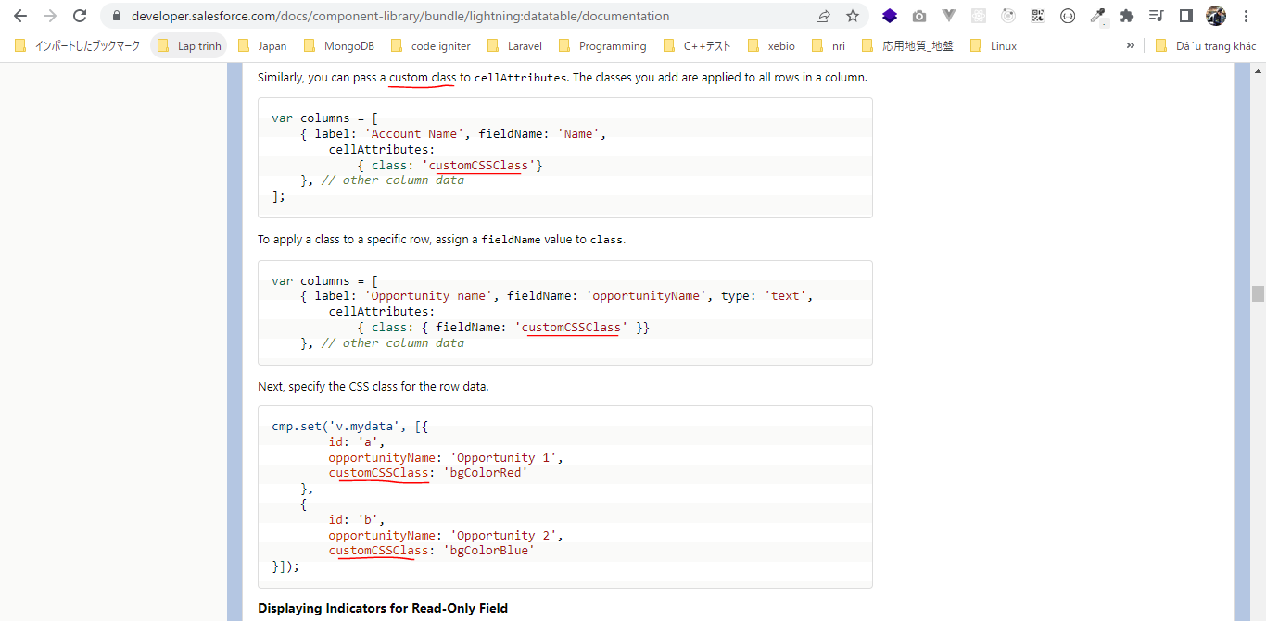

LightningWebComponent\LWC\force-app\main\default\lwc\vaccineSlotFinder\vaccineSlotFinder.js
 | import { LightningElement } from 'lwc';

 | export default class VaccineSlotFinder extends LightningElement {
 | centers = [];
 | dates = [];

 | connectedCallback() {
 | const endpoint = `https://choudharymanish8585.github.io/cowin-api-sample-response/db.json`;
 | this.fetchVaccineSlots(endpoint);
 | }

 | async fetchVaccineSlots(endpoint) {
 | const vaccineSlotRes = await fetch(endpoint);
 | const slotsData = await vaccineSlotRes.json();
 | this.buildColumnsAndRows(slotsData.centers);
 | }

 | buildColumnsAndRows(data) {
 | // build columns/dates
 | const dates = new Map();
 | dates.set("name", {
 | label: "Center Name",
 | fieldName: "name",
 | type: "text",
 | wrapText: true |  |  |  |  |  |  |  | → | default enable wrapText so we can read the text if there is not enough it on the screen(small screen) to show the complete data
 | });

 | // build rows/centers
 | const centers = new Map();

 | for (const center of data) {
 | !centers.has(center.center_id) &&
 | centers.set(center.center_id, { name: center.name });

 | for (const session of center.sessions) {
 | // destructuring syntax
 | const { date, available_capacity, min_age_limit } = session;

 | // add date as column in dates map
 | dates.set(date, {
 | label: date,
 | fieldName: date,
 | type: "text",
 | wrapText: true,
 | cellAttributes: { class: { fieldName: "className" } } |  |  |  |  |  |  |  | → | stylize date column by class atribute with custom class
 | });

 | // add column value for the row
 | centers.get(center.center_id)[
 | date
 | ] = `Available Capacity: ${available_capacity}
 | Min Age: ${min_age_limit}`;

 | centers.get(center.center_id).className =
 | available_capacity > 0
 | ? "slds-text-color_success"
 | : "slds-text-color_error";
 | }
 | }
 | this.dates = Array.from(dates.values());
 | this.centers = Array.from(centers.values());
 | }

 | get hideMessage() {
 | return this.centers.length > 0;
 | }
 | }

Check browser

Add LWC as a Custom Tab
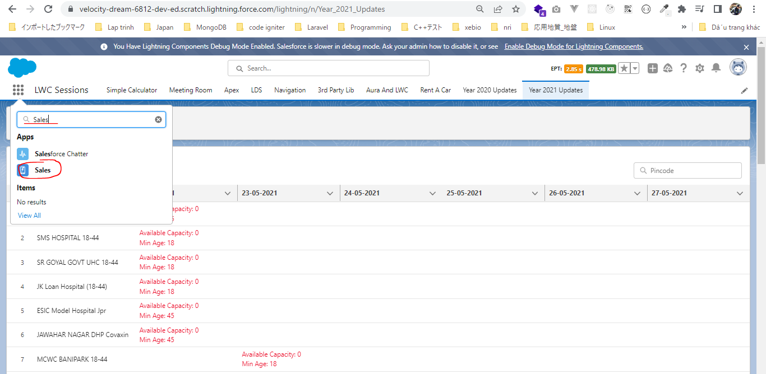
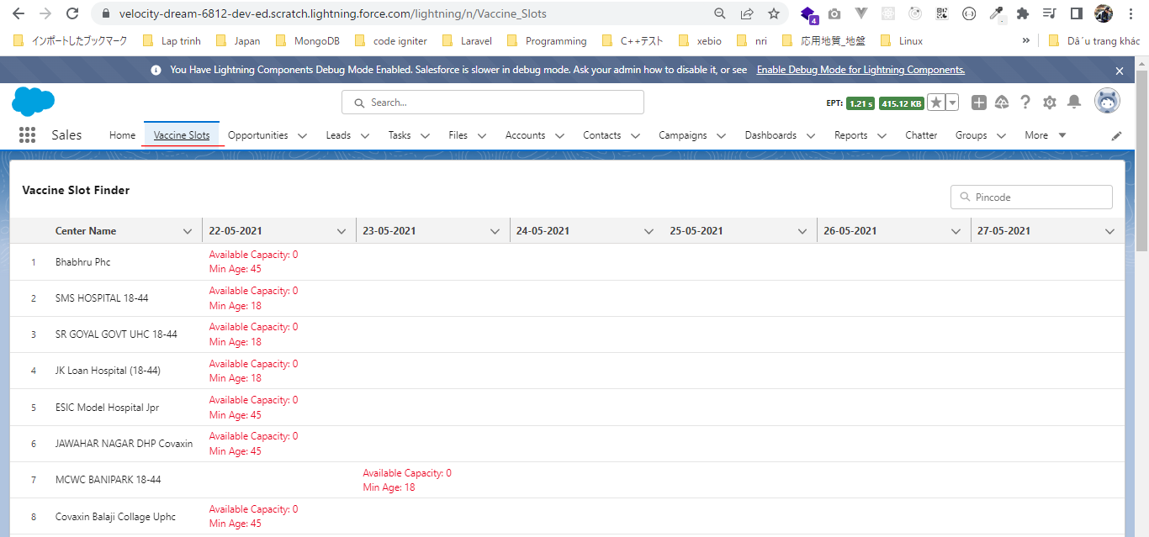
Lightning Tab - Add LWC as a Custom Tab

 | https://developer.salesforce.com/docs/component-library/documentation/en/lwc/lwc.reference_configuration_tags
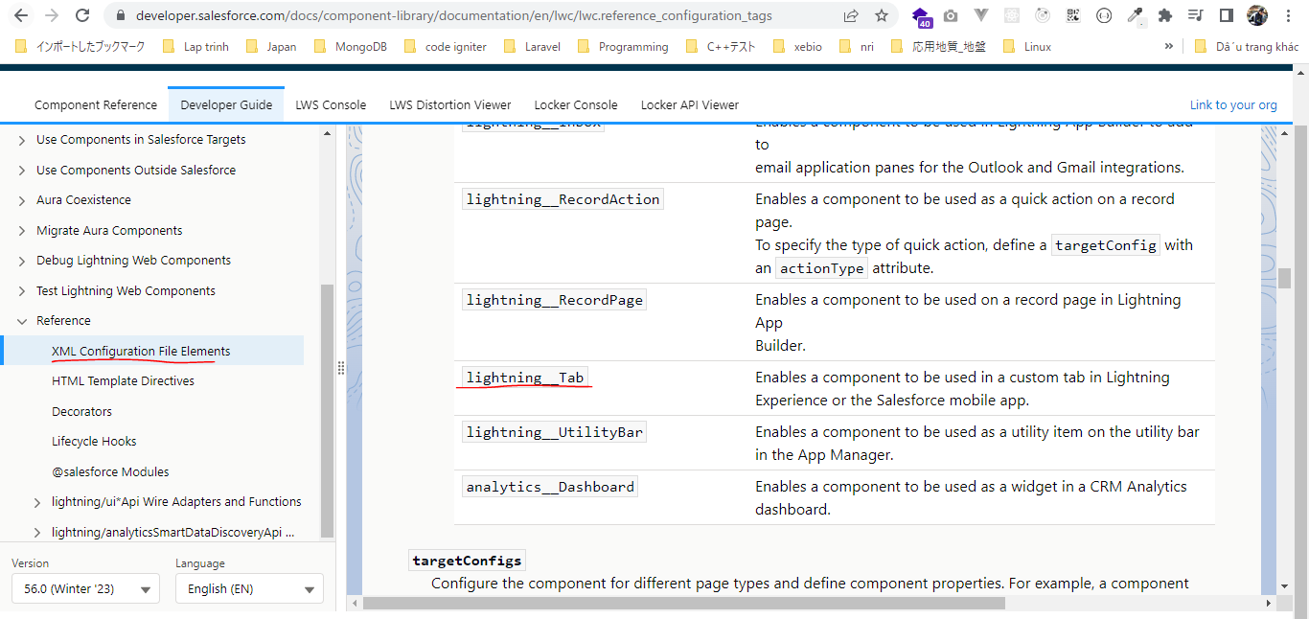

構成
 | LightningWebComponent
 |  | .vscode
 |  |  | launch.json
 |  | LWC
 |  |  | force-app
 |  |  |  | main
 |  |  |  |  | classes
 |  |  |  |  |  | abcd.cls
 |  |  |  |  |  | AccountManager.cls
 |  |  |  |  |  | CarExperience.cls
 |  |  |  |  |  | CarSearchFormController.cls
 |  |  |  |  |  | CarSearchResultController.cls
 |  |  |  |  |  | CreateData.cls
 |  |  |  |  |  | CreateDataTest.cls
 |  |  |  |  |  | DeleteData.cls
 |  |  |  |  |  | DeleteDataTest.cls
 |  |  |  |  |  | RentACarTestFactory.cls
 |  |  |  |  | aura
 |  |  |  |  |  | MeetingRoomAura
 |  |  |  |  |  |  | MeetingRoomAura.cmp
 |  |  |  |  |  |  | MeetingRoomAuraController.js
 |  |  |  |  |  | MeetingRoomPubSubHandler
 |  |  |  |  |  |  | MeetingRoomPubSubHandler.cmp
 |  |  |  |  |  |  | MeetingRoomPubSubHandlerController.js
 |  |  |  |  |  | MessageAura
 |  |  |  |  |  |  | MessageAura.cmp
 |  |  |  |  |  |  | MessageAura.css
 |  |  |  |  |  |  | MessageAuraController.js
 |  |  |  |  | lwc
 |  |  |  |  |  | accountManageApex
 |  |  |  |  |  |  | accountManageApex.css
 |  |  |  |  |  |  | accountManageApex.html
 |  |  |  |  |  |  | accountManageApex.js
 |  |  |  |  |  |  | accountManageApex.js-meta.xml
 |  |  |  |  |  | accountManagerLDS
 |  |  |  |  |  |  | accountManagerLDS.html
 |  |  |  |  |  |  | accountManagerLDS.js
 |  |  |  |  |  |  | accountManagerLDS.js-meta.xml
 |  |  |  |  |  | accountManagerLDSForms
 |  |  |  |  |  |  | accountManagerLDSForms.html
 |  |  |  |  |  |  | accountManagerLDSForms.js
 |  |  |  |  |  |  | accountManagerLDSForms.js-meta.xml
 |  |  |  |  |  | accountRecordForm
 |  |  |  |  |  |  | accountRecordForm.html
 |  |  |  |  |  |  | accountRecordForm.js
 |  |  |  |  |  |  | accountRecordForm.js-meta.xml
 |  |  |  |  |  | addCarExperience
 |  |  |  |  |  |  | addCarExperience.html
 |  |  |  |  |  |  | addCarExperience.js
 |  |  |  |  |  | auraPubsub
 |  |  |  |  |  |  | auraPubsub.js
 |  |  |  |  |  |  | auraPubsub.js-meta.xml
 |  |  |  |  |  | bmi
 |  |  |  |  |  |  | bmi.js
 |  |  |  |  |  | bmiCalculator
 |  |  |  |  |  |  | bmiCalculator.html
 |  |  |  |  |  |  | bmiCalculator.js
 |  |  |  |  |  |  | bmiCalculator.js-meta.xml
 |  |  |  |  |  | carDetail
 |  |  |  |  |  |  | carDetail.css
 |  |  |  |  |  |  | carDetail.html
 |  |  |  |  |  |  | carDetail.js
 |  |  |  |  |  | carDetails
 |  |  |  |  |  |  | carDetails.html
 |  |  |  |  |  |  | carDetails.js
 |  |  |  |  |  |  | carDetails.js-meta.xml
 |  |  |  |  |  | cardStyle
 |  |  |  |  |  |  | cardStyle.css
 |  |  |  |  |  |  | cardStyle.js-meta.xml
 |  |  |  |  |  | carExperiences
 |  |  |  |  |  |  | carExperiences.html
 |  |  |  |  |  |  | carExperiences.js
 |  |  |  |  |  | carLocation
 |  |  |  |  |  |  | carLocation.html
 |  |  |  |  |  |  | carLocation.js
 |  |  |  |  |  |  | carLocation.js-meta.xml
 |  |  |  |  |  | carSearch
 |  |  |  |  |  |  | carSearch.html
 |  |  |  |  |  |  | carSearch.js
 |  |  |  |  |  |  | carSearch.js-meta.xml
 |  |  |  |  |  | carSearchForm
 |  |  |  |  |  |  | carSearchForm.html
 |  |  |  |  |  |  | carSearchForm.js
 |  |  |  |  |  |  | carSearchForm.js-meta.xml
 |  |  |  |  |  | carSearchResult
 |  |  |  |  |  |  | carSearchResult.html
 |  |  |  |  |  |  | carSearchResult.js
 |  |  |  |  |  | carTile
 |  |  |  |  |  |  | carTile.css
 |  |  |  |  |  |  | carTile.html
 |  |  |  |  |  |  | carTile.js
 |  |  |  |  |  | conditionalRenderingExample
 |  |  |  |  |  |  | conditionalRenderingExample.html
 |  |  |  |  |  |  | conditionalRenderingExample.js
 |  |  |  |  |  |  | conditionalRenderingExample.js-meta.xml
 |  |  |  |  |  | helloWorld
 |  |  |  |  |  |  | helloWorld.css
 |  |  |  |  |  |  | helloWorld.html
 |  |  |  |  |  |  | helloWorld.js
 |  |  |  |  |  |  | helloWorld.js-meta.xml
 |  |  |  |  |  | lifecycleDemo
 |  |  |  |  |  |  | lifecycleDemo.html
 |  |  |  |  |  |  | lifecycleDemo.js
 |  |  |  |  |  |  | lifecycleDemo.js-meta.xml
 |  |  |  |  |  | meetingRoom
 |  |  |  |  |  |  | meetingRoom.css
 |  |  |  |  |  |  | meetingRoom.html
 |  |  |  |  |  |  | meetingRoom.js
 |  |  |  |  |  | meetingRooms
 |  |  |  |  |  |  | __tests__
 |  |  |  |  |  |  |  | meetingRooms.test.js
 |  |  |  |  |  |  | meetingRooms.html
 |  |  |  |  |  |  | meetingRooms.js
 |  |  |  |  |  | messageLwc
 |  |  |  |  |  |  | messageLwc.css
 |  |  |  |  |  |  | messageLwc.html
 |  |  |  |  |  |  | messageLwc.js
 |  |  |  |  |  |  | messageLwc.js-meta.xml
 |  |  |  |  |  | navigationExample
 |  |  |  |  |  |  | navigationExample.html
 |  |  |  |  |  |  | navigationExample.js
 |  |  |  |  |  |  | navigationExample.js-meta.xml
 |  |  |  |  |  | publicMethodChild
 |  |  |  |  |  |  | publicMethodChild.css
 |  |  |  |  |  |  | publicMethodChild.html
 |  |  |  |  |  |  | publicMethodChild.js
 |  |  |  |  |  |  | publicMethodChild.js-meta.xml
 |  |  |  |  |  | publicMethodParent
 |  |  |  |  |  |  | publicMethodParent.css
 |  |  |  |  |  |  | publicMethodParent.html
 |  |  |  |  |  |  | publicMethodParent.js
 |  |  |  |  |  |  | publicMethodParent.js-meta.xml
 |  |  |  |  |  | pubsub
 |  |  |  |  |  |  | pubsub.js
 |  |  |  |  |  |  | pubsub.js-meta.xml
 |  |  |  |  |  | secondFileName
 |  |  |  |  |  | selectedMeetingRoom
 |  |  |  |  |  |  | selectedMeetingRoom.html
 |  |  |  |  |  |  | selectedMeetingRoom.js
 |  |  |  |  |  | simpleCalculator
 |  |  |  |  |  |  | simpleCalculator.html
 |  |  |  |  |  |  | simpleCalculator.js
 |  |  |  |  |  |  | simpleCalculator.js-meta.xml
 |  |  |  |  |  | simpleLightBoxExample
 |  |  |  |  |  |  | simpleLightBoxExample.html
 |  |  |  |  |  |  | simpleLightBoxExample.js
 |  |  |  |  |  |  | simpleLightBoxExample.js-meta.xml
 |  |  |  |  |  | udemyVideosPipeline
 |  |  |  |  |  |  | udemyVideosPipeline.css
 |  |  |  |  |  |  | udemyVideosPipeline.html
 |  |  |  |  |  |  | udemyVideosPipeline.js
 |  |  |  |  |  |  | udemyVideosPipeline.js-meta.xml
 |  |  |  |  |  | vaccineSlotFinder
 |  |  |  |  |  |  | vaccineSlotFinder.html
 |  |  |  |  |  |  | vaccineSlotFinder.js
 |  |  |  |  |  |  | vaccineSlotFinder.js-meta.xml
 |  |  |  |  | messageChannels
 |  |  |  |  |  | messageDemo.messageChannel-meta.xml
 |  |  |  |  | objects
 |  |  |  |  |  | Car__c
 |  |  |  |  |  | Car_Experience__c
 |  |  |  |  |  | Car_Type__c
 |  |  |  |  | staticresources
 |  |  |  |  |  | cars
 |  |  |  |  |  |  | compact
 |  |  |  |  |  |  | luxury
 |  |  |  |  |  |  | sports
 |  |  |  |  |  |  | van
 |  |  |  |  |  | Leaflet
 |  |  |  |  |  |  | images
 |  |  |  |  |  |  | leaflet-src.js
 |  |  |  |  |  |  | leaflet-src.js.map
 |  |  |  |  |  |  | leaflet.css
 |  |  |  |  |  |  | leaflet.js
 |  |  |  |  |  |  | leaflet.js.map
 |  |  |  |  | tabs
 |  |  |  |  |  | Car__c.tab-meta.xml
 |  |  |  |  |  | Car_Experience__c.tab-meta.xml
 |  |  |  |  |  | Car_Type__c.tab-meta.xml
 |  |  | package.json
 |  | Year-2021-Updates
 |  |  | 1.js-set
 |  |  |  | app.js
 |  |  |  | index.html
 |  |  | 2.js-map
 |  |  |  | app.js
 |  |  |  | index.html
 |  |  | 3.VSF-Project
 |  |  |  | cowin-api-sample-response
 |  |  |  |  | db.json

LightningWebComponent\LWC\force-app\main\default\lwc\vaccineSlotFinder\vaccineSlotFinder.js-meta.xml
 | <?xml version="1.0" encoding="UTF-8"?>
 | <LightningComponentBundle xmlns="http://soap.sforce.com/2006/04/metadata">
 | <apiVersion>56.0</apiVersion>
 | <isExposed>true</isExposed>

 | <targets>
 | <target>lightning__AppPage</target>
 | <target>lightning__HomePage</target>
 | <target>lightning__UtilityBar</target>
 | <target>lightning__Tab</target> |  |  |  |  |  |  |  | → | Add component in the utility bar of Salesforce application
 | </targets>
 | </LightningComponentBundle>

Tab
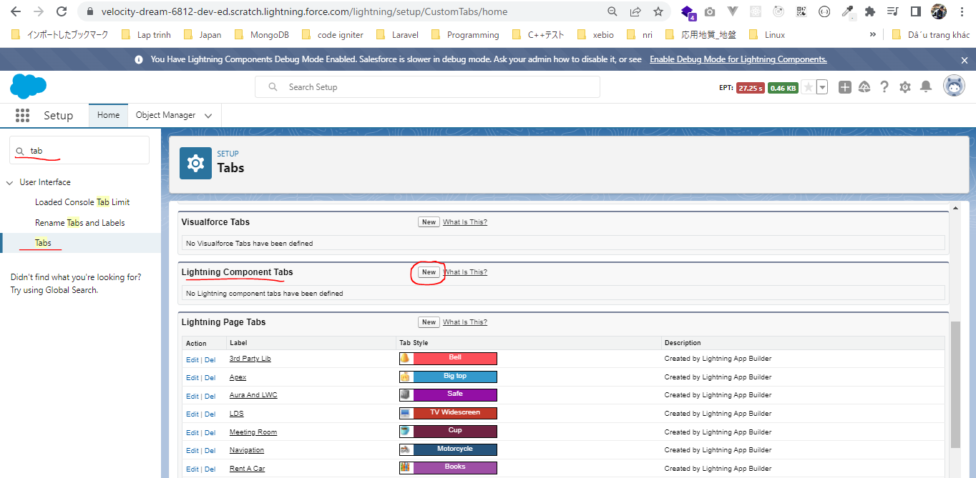

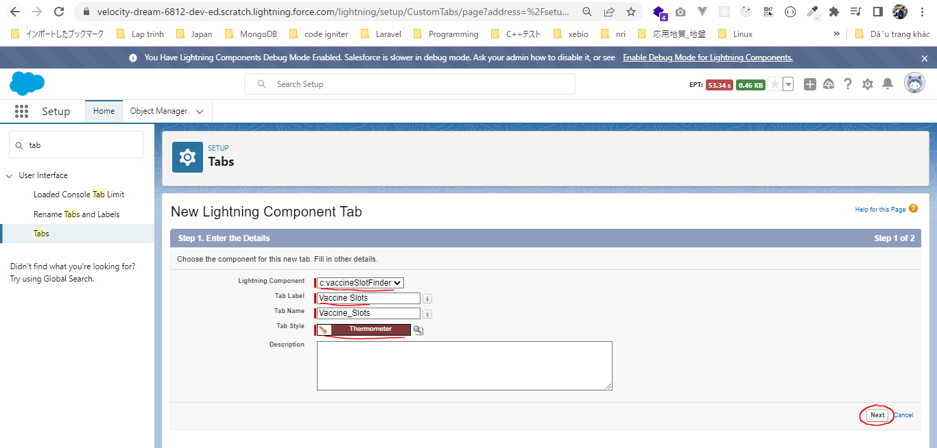

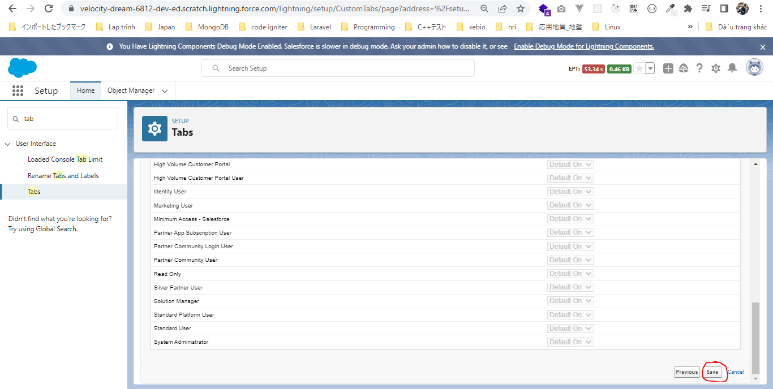

App
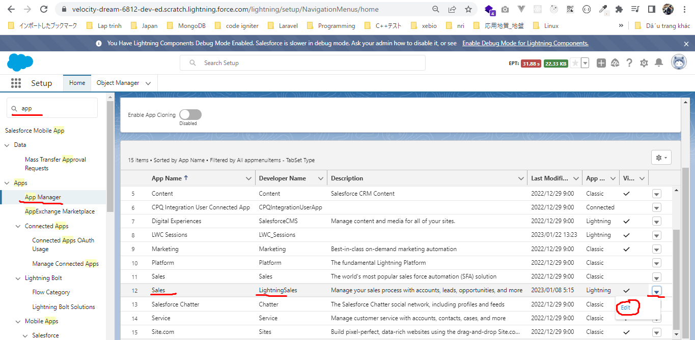

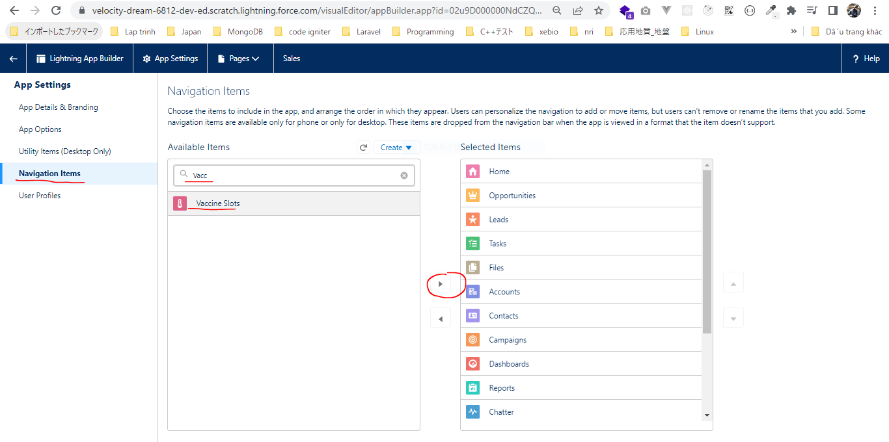

 | Make it comes after Home tab
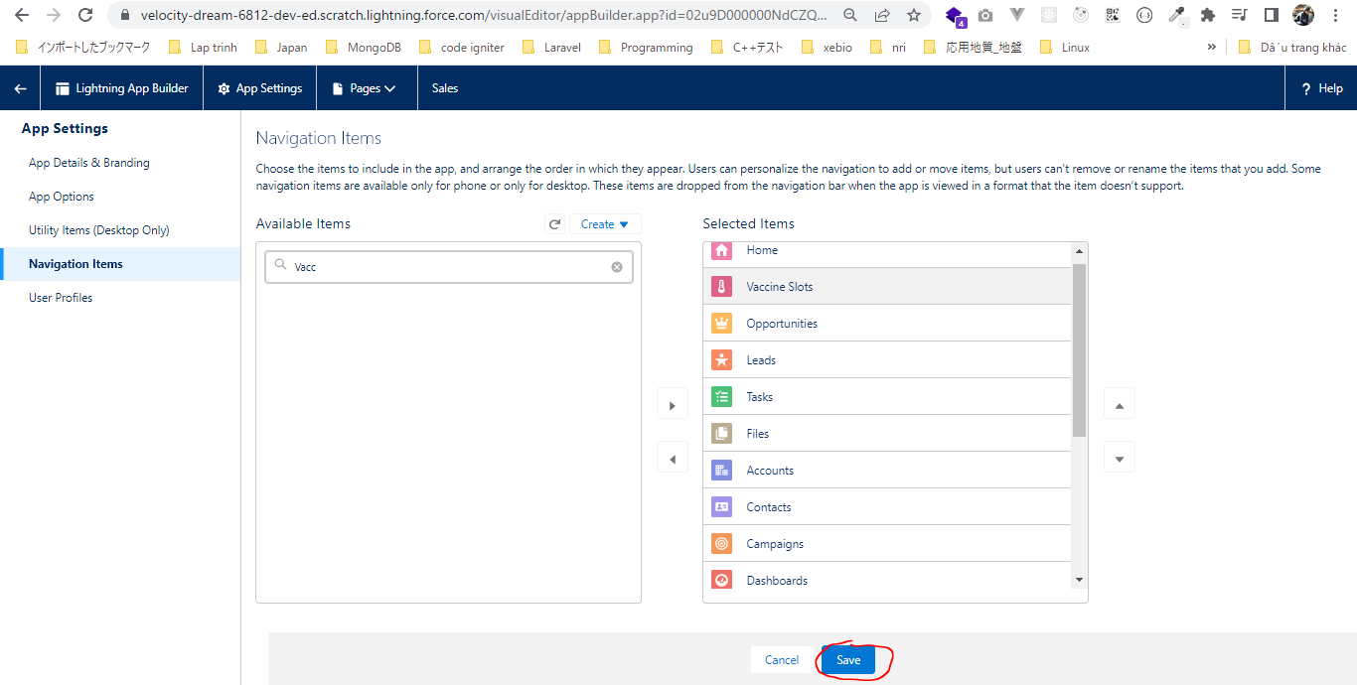

Open Sales

