CommunicateInSameCmpHierarchy
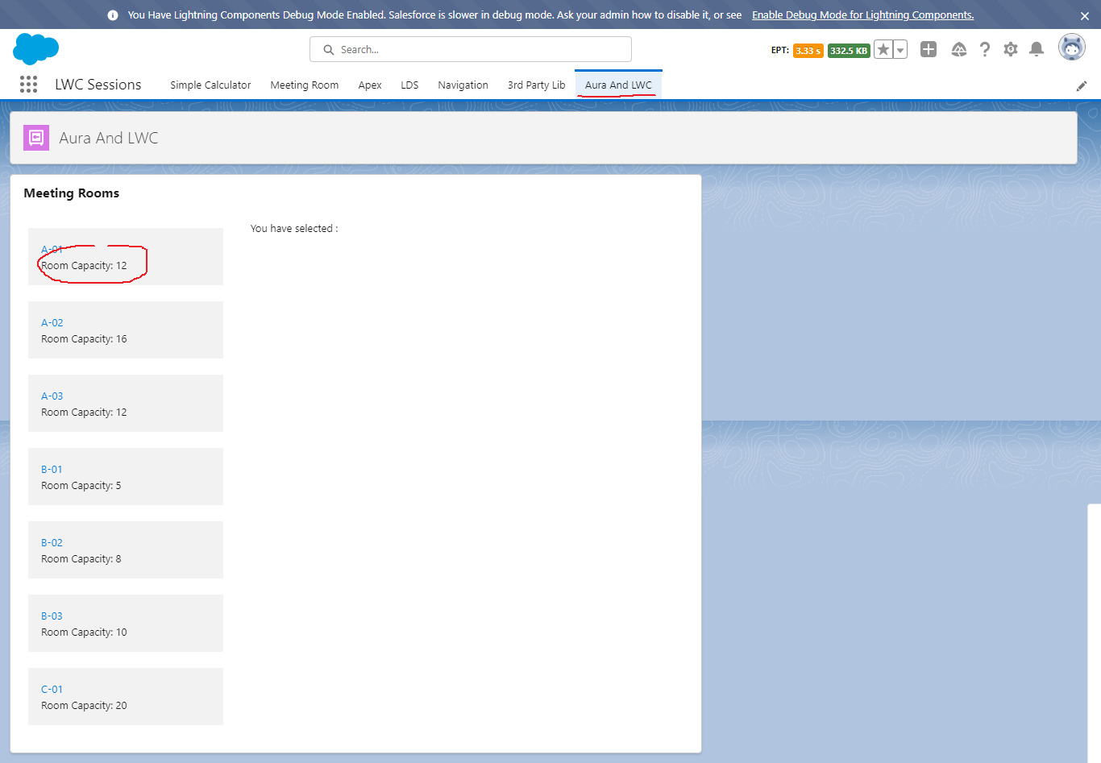
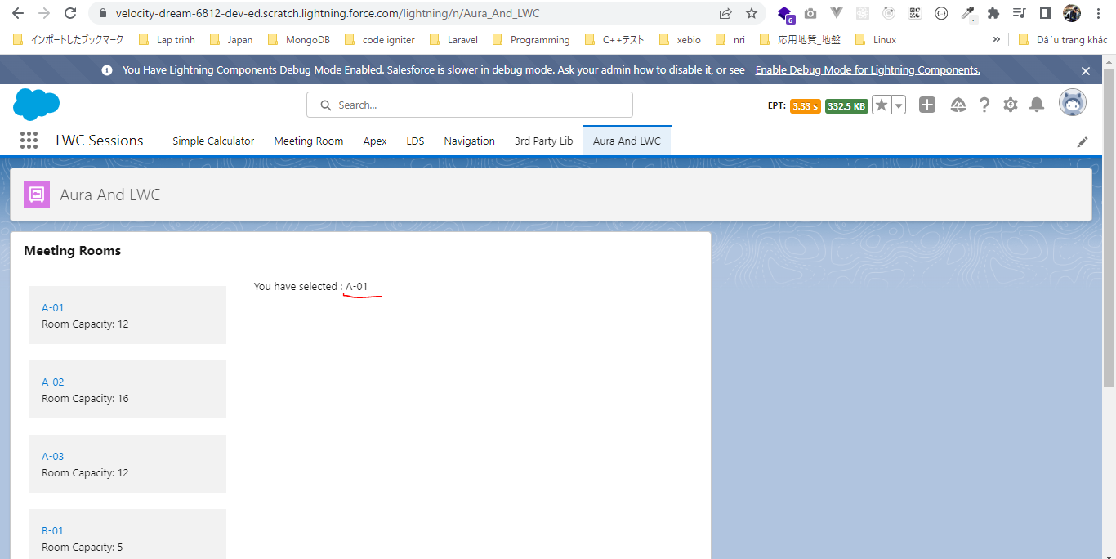
Communicate In Same Component Hierarchy

 | We will discus about how to use our Aura component and Lightning Web Component together and also how we can hadle the events being fired from our Lightning Web Component inside
 | our Aura Component and the events being fired from the Aura Component inside our Lightning Web Component. Until Summer 19 we can include our Lightning Web Component inside an Aura
 | component but can not include Aura component within Lightning Web Component.
 | So in this exmaple we are going to create our parent component is Aura Component and from that Aura component we are going to initiate Lightning Web Component

構成
 | LightningWebComponent
 |  | LWC
 |  |  | force-app
 |  |  |  | main
 |  |  |  |  | classes
 |  |  |  |  |  | abcd.cls
 |  |  |  |  |  | AccountManager.cls
 |  |  |  |  | aura
 |  |  |  |  |  | MeetingRoomAura |  |  |  |  | → | new
 |  |  |  |  |  |  | MeetingRoomAura.cmp
 |  |  |  |  |  |  | MeetingRoomAuraController.js
 |  |  |  |  | lwc
 |  |  |  |  |  | accountManageApex
 |  |  |  |  |  |  | accountManageApex.css
 |  |  |  |  |  |  | accountManageApex.html
 |  |  |  |  |  |  | accountManageApex.js
 |  |  |  |  |  |  | accountManageApex.js-meta.xml
 |  |  |  |  |  | accountManagerLDS
 |  |  |  |  |  |  | accountManagerLDS.html
 |  |  |  |  |  |  | accountManagerLDS.js
 |  |  |  |  |  |  | accountManagerLDS.js-meta.xml
 |  |  |  |  |  | accountManagerLDSForms
 |  |  |  |  |  |  | accountManagerLDSForms.html
 |  |  |  |  |  |  | accountManagerLDSForms.js
 |  |  |  |  |  |  | accountManagerLDSForms.js-meta.xml
 |  |  |  |  |  | accountRecordForm
 |  |  |  |  |  |  | accountRecordForm.html
 |  |  |  |  |  |  | accountRecordForm.js
 |  |  |  |  |  |  | accountRecordForm.js-meta.xml
 |  |  |  |  |  | bmi
 |  |  |  |  |  |  | bmi.js
 |  |  |  |  |  | bmiCalculator
 |  |  |  |  |  |  | bmiCalculator.html
 |  |  |  |  |  |  | bmiCalculator.js
 |  |  |  |  |  |  | bmiCalculator.js-meta.xml
 |  |  |  |  |  | conditionalRenderingExample
 |  |  |  |  |  |  | conditionalRenderingExample.html
 |  |  |  |  |  |  | conditionalRenderingExample.js
 |  |  |  |  |  |  | conditionalRenderingExample.js-meta.xml
 |  |  |  |  |  | helloWorld
 |  |  |  |  |  |  | helloWorld.css
 |  |  |  |  |  |  | helloWorld.html
 |  |  |  |  |  |  | helloWorld.js
 |  |  |  |  |  |  | helloWorld.js-meta.xml
 |  |  |  |  |  | lifecycleDemo
 |  |  |  |  |  |  | lifecycleDemo.html
 |  |  |  |  |  |  | lifecycleDemo.js
 |  |  |  |  |  |  | lifecycleDemo.js-meta.xml
 |  |  |  |  |  | meetingRoom
 |  |  |  |  |  |  | meetingRoom.css
 |  |  |  |  |  |  | meetingRoom.html
 |  |  |  |  |  |  | meetingRoom.js
 |  |  |  |  |  | meetingRooms
 |  |  |  |  |  |  | meetingRooms.html
 |  |  |  |  |  |  | meetingRooms.js
 |  |  |  |  |  | navigationExample
 |  |  |  |  |  |  | navigationExample.html
 |  |  |  |  |  |  | navigationExample.js
 |  |  |  |  |  |  | navigationExample.js-meta.xml
 |  |  |  |  |  | publicMethodChild
 |  |  |  |  |  |  | publicMethodChild.css
 |  |  |  |  |  |  | publicMethodChild.html
 |  |  |  |  |  |  | publicMethodChild.js
 |  |  |  |  |  |  | publicMethodChild.js-meta.xml
 |  |  |  |  |  | publicMethodParent
 |  |  |  |  |  |  | publicMethodParent.css
 |  |  |  |  |  |  | publicMethodParent.html
 |  |  |  |  |  |  | publicMethodParent.js
 |  |  |  |  |  |  | publicMethodParent.js-meta.xml
 |  |  |  |  |  | pubsub
 |  |  |  |  |  |  | pubsub.js
 |  |  |  |  |  |  | pubsub.js-meta.xml
 |  |  |  |  |  | secondFileName
 |  |  |  |  |  | selectedMeetingRoom
 |  |  |  |  |  |  | selectedMeetingRoom.html
 |  |  |  |  |  |  | selectedMeetingRoom.js
 |  |  |  |  |  | simpleCalculator
 |  |  |  |  |  |  | simpleCalculator.html
 |  |  |  |  |  |  | simpleCalculator.js
 |  |  |  |  |  |  | simpleCalculator.js-meta.xml
 |  |  |  |  |  | simpleLightBoxExample
 |  |  |  |  |  |  | simpleLightBoxExample.html
 |  |  |  |  |  |  | simpleLightBoxExample.js
 |  |  |  |  |  |  | simpleLightBoxExample.js-meta.xml

LightningWebComponent\LWC\force-app\main\default\aura\MeetingRoomAura\MeetingRoomAura.cmp
 | <aura:component implements="flexipage:availableForAllPageTypes">
 | <aura:attribute name="meetingRoomInfo" type="List" />
 | <aura:attribute name="selectedMeetingRoom" type="String" /> |  |  |  |  |  |  |  |  |  |  |  | → | populate selectedMeetingRoom by handling the tileclick event from our child component

 | <aura:handler name="init" value="{!this}" action="{!c.doInit}" />
 | <lightning:card title="Meeting Rooms">
 | <lightning:layout>
 | <lightning:layoutItem size="4" padding="around-small">
 | <ul>
 | <aura:iteration items="{!v.meetingRoomInfo}" var="item">
 | <li style="padding: 10px">
 | <c:meetingRoom meetingRoomInfo="{#item}" showRoomInfo="true" ontileclick="{!c.handleTileClick}"></c:meetingRoom> |  |  |  |  |  |  |  |  |  |  |  | → | handle the tileclick event which is being fired by the Lightning Web Component meetingRoom which belongs to this component. Whe we handle the event inside Lightning Web Component from the component tag itself we need to prepend on keyword
 | </li> |  |  |  |  |  |  |  |  |  |  |  |  | Passing item with unbound(#) expression to pass information
 | </aura:iteration>
 | </ul>
 | </lightning:layoutItem>
 | <lightning:layoutItem size="8" padding="around-small">
 | You have selected : {!v.selectedMeetingRoom}
 | </lightning:layoutItem>
 | </lightning:layout>
 | </lightning:card>

 | </aura:component>

LightningWebComponent\LWC\force-app\main\default\aura\MeetingRoomAura\MeetingRoomAuraController.js
 | ({
 | doInit : function(component, event, helper) { |  |  |  |  |  |  | → | Init event to populate meetingRoomInfo object
 | component.set("v.meetingRoomInfo", [ |  |  |  |  |  |  | → | meetingRoomInfo is array type here so in make set as List
 | {'roomName':'A-01', 'roomCapacity':'12'},
 | {'roomName':'A-02', 'roomCapacity':'16'},
 | {'roomName':'A-03', 'roomCapacity':'12'},
 | {'roomName':'B-01', 'roomCapacity':'5'},
 | {'roomName':'B-02', 'roomCapacity':'8'},
 | {'roomName':'B-03', 'roomCapacity':'10'},
 | {'roomName':'C-01', 'roomCapacity':'20'}

 | ]);
 | },

 | handleTileClick : function(component, event, helper) { |  |  |  |  |  |  | → | In this method we are going to populate selectedMeetingRoom
 | component.set("v.selectedMeetingRoom", event.getParam('roomName')); |  |  |  |  |  |  | → | having roomName and roomCapacity param. In Aura we need to use the getParam method to get the detail from event
 | }
 | })

existing component
LightningWebComponent\LWC\force-app\main\default\lwc\meetingRoom\meetingRoom.html
 | <template>
 | <template if:true={showRoomInfo}>
 | <div class="slds-p-around_medium lgc-bg" onclick={tileClickHandler}>
 | <lightning-tile label={meetingRoomInfo.roomName}>
 | <p class="slds-truncate" title={meetingRoomInfo.roomCapacity}>Room Capacity:
 | {meetingRoomInfo.roomCapacity}</p>
 | </lightning-tile>
 | </div>
 | </template>
 | </template>

LightningWebComponent\LWC\force-app\main\default\lwc\meetingRoom\meetingRoom.js
 | import { LightningElement, api, wire } from 'lwc';
 | import {fireEvent} from 'c/pubsub';
 | import { CurrentPageReference } from 'lightning/navigation';

 | export default class MeetingRoom extends LightningElement {
 | @api meetingRoomInfo = { roomName: 'A-01', roomCapacity: '12' }

 | @api showRoomInfo = false;

 | @wire(CurrentPageReference) pageReference;

 | tileClickHandler(){
 | const tileClicked = new CustomEvent('tileclick', {detail : this.meetingRoomInfo, bubbles :true}); |  |  |  |  |  |  |  |  | → | tileclick is event name and when we are going to handle this tileclick event in our parent component we need to prepend this even name which "on" keyword → ontitleclick

 | this.dispatchEvent(tileClicked);
 | fireEvent(this.pageReference, 'pubsubtileclick', this.meetingRoomInfo); |  |  |  |  |  |  |  |  | → | Using in existing meetingRooms component, Communication Between Independent Components
 | }
 | }

Test browser

CommunicateInDiffCmpHierarchy
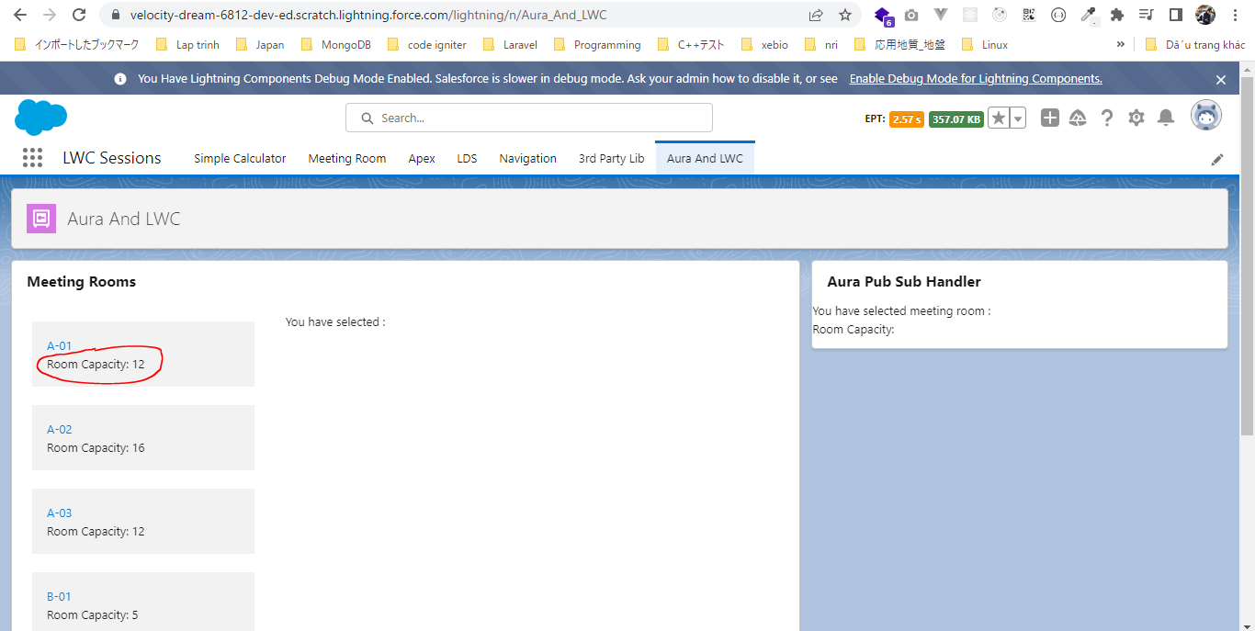
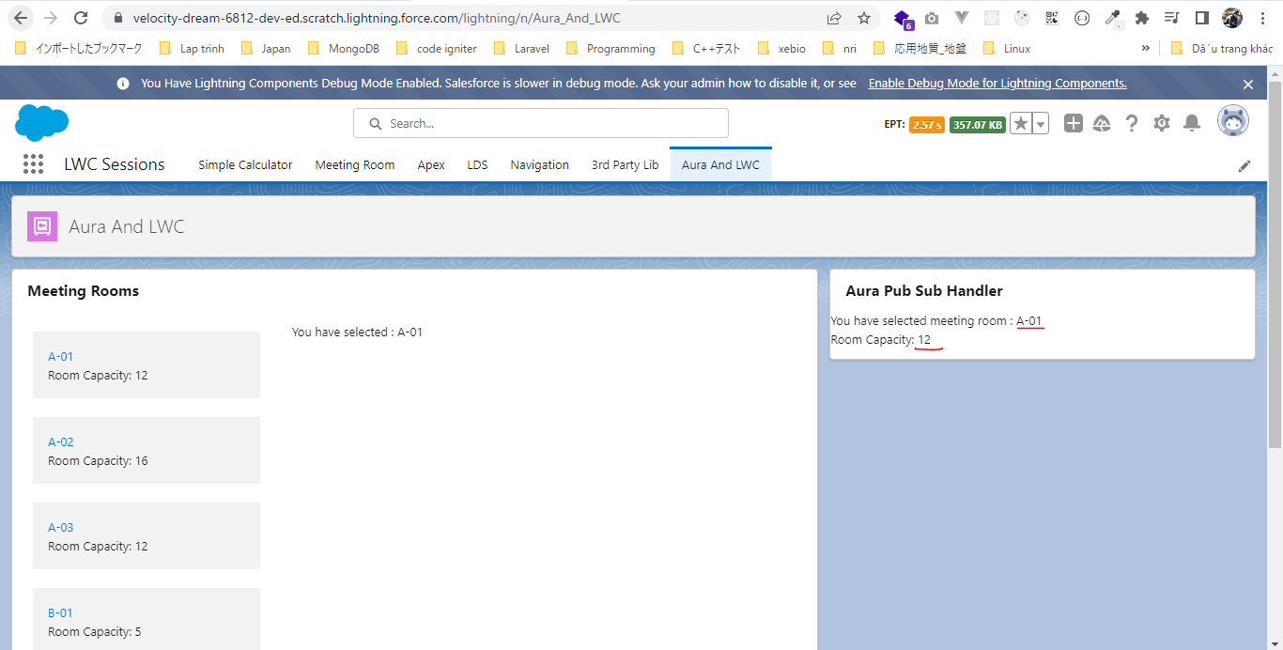
Communicate In Different Components Hierarchy

 | In this part we will discus about 2 components are in different hierachy or do not have any relation to each other one of them is Aura component and second one is a Lightning Web Component
 | and they want to handle the events being fired from each other.
 | In this case we need to use an enhanced version of pubsub module, we need to do is in Lightning Web Component we need to use pubsub module that we were using beforce and in our Aura
 | Component we need to use enhanced version of it(auraPubsub) so that we can pass some of the required parameters like page reference which we can not get directly in our Aura Component so
 | we need to rely on our new enhanced auraPubsub module to supply this particular page reference

構成
 | LightningWebComponent
 |  | LWC
 |  |  | force-app
 |  |  |  | main
 |  |  |  |  | classes
 |  |  |  |  |  | abcd.cls
 |  |  |  |  |  | AccountManager.cls
 |  |  |  |  | aura
 |  |  |  |  |  | MeetingRoomAura
 |  |  |  |  |  |  | MeetingRoomAura.cmp
 |  |  |  |  |  |  | MeetingRoomAuraController.js
 |  |  |  |  |  | MeetingRoomPubSubHandler |  |  |  |  | → | new
 |  |  |  |  |  |  | MeetingRoomPubSubHandler.cmp
 |  |  |  |  |  |  | MeetingRoomPubSubHandlerController.js
 |  |  |  |  | lwc
 |  |  |  |  |  | accountManageApex
 |  |  |  |  |  |  | accountManageApex.css
 |  |  |  |  |  |  | accountManageApex.html
 |  |  |  |  |  |  | accountManageApex.js
 |  |  |  |  |  |  | accountManageApex.js-meta.xml
 |  |  |  |  |  | accountManagerLDS
 |  |  |  |  |  |  | accountManagerLDS.html
 |  |  |  |  |  |  | accountManagerLDS.js
 |  |  |  |  |  |  | accountManagerLDS.js-meta.xml
 |  |  |  |  |  | accountManagerLDSForms
 |  |  |  |  |  |  | accountManagerLDSForms.html
 |  |  |  |  |  |  | accountManagerLDSForms.js
 |  |  |  |  |  |  | accountManagerLDSForms.js-meta.xml
 |  |  |  |  |  | accountRecordForm
 |  |  |  |  |  |  | accountRecordForm.html
 |  |  |  |  |  |  | accountRecordForm.js
 |  |  |  |  |  |  | accountRecordForm.js-meta.xml
 |  |  |  |  |  | auraPubsub |  |  |  |  | → | new
 |  |  |  |  |  |  | auraPubsub.js
 |  |  |  |  |  |  | auraPubsub.js-meta.xml
 |  |  |  |  |  | bmi
 |  |  |  |  |  |  | bmi.js
 |  |  |  |  |  | bmiCalculator
 |  |  |  |  |  |  | bmiCalculator.html
 |  |  |  |  |  |  | bmiCalculator.js
 |  |  |  |  |  |  | bmiCalculator.js-meta.xml
 |  |  |  |  |  | conditionalRenderingExample
 |  |  |  |  |  |  | conditionalRenderingExample.html
 |  |  |  |  |  |  | conditionalRenderingExample.js
 |  |  |  |  |  |  | conditionalRenderingExample.js-meta.xml
 |  |  |  |  |  | helloWorld
 |  |  |  |  |  |  | helloWorld.css
 |  |  |  |  |  |  | helloWorld.html
 |  |  |  |  |  |  | helloWorld.js
 |  |  |  |  |  |  | helloWorld.js-meta.xml
 |  |  |  |  |  | lifecycleDemo
 |  |  |  |  |  |  | lifecycleDemo.html
 |  |  |  |  |  |  | lifecycleDemo.js
 |  |  |  |  |  |  | lifecycleDemo.js-meta.xml
 |  |  |  |  |  | meetingRoom
 |  |  |  |  |  |  | meetingRoom.css
 |  |  |  |  |  |  | meetingRoom.html
 |  |  |  |  |  |  | meetingRoom.js
 |  |  |  |  |  | meetingRooms
 |  |  |  |  |  |  | meetingRooms.html
 |  |  |  |  |  |  | meetingRooms.js
 |  |  |  |  |  | navigationExample
 |  |  |  |  |  |  | navigationExample.html
 |  |  |  |  |  |  | navigationExample.js
 |  |  |  |  |  |  | navigationExample.js-meta.xml
 |  |  |  |  |  | publicMethodChild
 |  |  |  |  |  |  | publicMethodChild.css
 |  |  |  |  |  |  | publicMethodChild.html
 |  |  |  |  |  |  | publicMethodChild.js
 |  |  |  |  |  |  | publicMethodChild.js-meta.xml
 |  |  |  |  |  | publicMethodParent
 |  |  |  |  |  |  | publicMethodParent.css
 |  |  |  |  |  |  | publicMethodParent.html
 |  |  |  |  |  |  | publicMethodParent.js
 |  |  |  |  |  |  | publicMethodParent.js-meta.xml
 |  |  |  |  |  | pubsub
 |  |  |  |  |  |  | pubsub.js
 |  |  |  |  |  |  | pubsub.js-meta.xml
 |  |  |  |  |  | secondFileName
 |  |  |  |  |  | selectedMeetingRoom
 |  |  |  |  |  |  | selectedMeetingRoom.html
 |  |  |  |  |  |  | selectedMeetingRoom.js
 |  |  |  |  |  | simpleCalculator
 |  |  |  |  |  |  | simpleCalculator.html
 |  |  |  |  |  |  | simpleCalculator.js
 |  |  |  |  |  |  | simpleCalculator.js-meta.xml
 |  |  |  |  |  | simpleLightBoxExample
 |  |  |  |  |  |  | simpleLightBoxExample.html
 |  |  |  |  |  |  | simpleLightBoxExample.js
 |  |  |  |  |  |  | simpleLightBoxExample.js-meta.xml

LightningWebComponent\LWC\force-app\main\default\lwc\auraPubsub\auraPubsub.js-meta.xml
 | <?xml version="1.0" encoding="UTF-8"?>
 | <LightningComponentBundle xmlns="http://soap.sforce.com/2006/04/metadata">
 | <apiVersion>55.0</apiVersion>
 | <isExposed>true</isExposed>
 | </LightningComponentBundle>

LightningWebComponent\LWC\force-app\main\default\lwc\auraPubsub\auraPubsub.js
 | /**
 | * A Lightning Web component that wraps the methods of the pubsub ES6 module.
 | * This utility component allows Aura components to exchange messages (events) with Lightning web components.
 | * You can import an ES6 module directly into an Aura component, but in this case, we need to get the current page reference.
 | * You can't get the current page reference in an ES6 module; you must use a Lightning web component.
 | * Usage: add this component to an Aura component to publish events or subscribe to events using the pubsub utility.
 | * Do NOT use this component inside Lightning web components where you can import the pubsub module directly.
 | * The pubsub approach is used to provide a communication mechanism between sibling components assembled in a flexipage (App Builder) where traditional parent/child communication patterns are not available.
 | * Do NOT use this utility for parent/child communication.
 | */
 | import { LightningElement, api, wire } from 'lwc';
 | import { CurrentPageReference } from 'lightning/navigation';
 | import {
 | registerListener,
 | unregisterListener,
 | unregisterAllListeners,
 | fireEvent
 | } from 'c/pubsub';

 | export default class AuraPubsub extends LightningElement {
 | @wire(CurrentPageReference) pageRef;

 | connectedCallback() {
 | this.dispatchEvent(new CustomEvent('ready')); |  |  |  |  |  |  |  | → | fires an event called called "ready" which we can handle in the Aura component to register for the listeners whenever this particular module has been imported successfully inside an Aura Component
 | }

 | @api
 | registerListener(eventName, callback) {
 | registerListener(eventName, callback, this);
 | }

 | @api
 | unregisterListener(eventName, callback) {
 | unregisterListener(eventName, callback, this);
 | }

 | @api
 | unregisterAllListeners() {
 | unregisterAllListeners(this);
 | }

 | @api
 | fireEvent(eventName, data) {
 | fireEvent(this.pageRef, eventName, data);
 | }
 | }

existing component because we using it beforce
LightningWebComponent\LWC\force-app\main\default\lwc\pubsub\pubsub.js
 | /**
 | * A basic pub-sub mechanism for sibling component communication
 | *
 | * TODO - adopt standard flexipage sibling communication mechanism when it's available.
 | */

 | const events = {};

 | const samePageRef = (pageRef1, pageRef2) => {
 | const obj1 = pageRef1.attributes;
 | const obj2 = pageRef2.attributes;
 | return Object.keys(obj1)
 | .concat(Object.keys(obj2))
 | .every(key => {
 | return obj1[key] === obj2[key];
 | });
 | };

 | /**
 | * Registers a callback for an event
 | * @param {string} eventName - Name of the event to listen for.
 | * @param {function} callback - Function to invoke when said event is fired.
 | * @param {object} thisArg - The value to be passed as the this parameter to the callback function is bound.
 | */
 | const registerListener = (eventName, callback, thisArg) => {
 | // Checking that the listener has a pageRef property. We rely on that property for filtering purpose in fireEvent()
 | if (!thisArg.pageRef) {
 | throw new Error(
 | 'pubsub listeners need a "@wire(CurrentPageReference) pageRef" property'
 | );
 | }

 | if (!events[eventName]) {
 | events[eventName] = [];
 | }
 | const duplicate = events[eventName].find(listener => {
 | return listener.callback === callback && listener.thisArg === thisArg;
 | });
 | if (!duplicate) {
 | events[eventName].push({ callback, thisArg });
 | }
 | };

 | /**
 | * Unregisters a callback for an event
 | * @param {string} eventName - Name of the event to unregister from.
 | * @param {function} callback - Function to unregister.
 | * @param {object} thisArg - The value to be passed as the this parameter to the callback function is bound.
 | */
 | const unregisterListener = (eventName, callback, thisArg) => {
 | if (events[eventName]) {
 | events[eventName] = events[eventName].filter(
 | listener =>
 | listener.callback !== callback || listener.thisArg !== thisArg
 | );
 | }
 | };

 | /**
 | * Unregisters all event listeners bound to an object.
 | * @param {object} thisArg - All the callbacks bound to this object will be removed.
 | */
 | const unregisterAllListeners = thisArg => {
 | Object.keys(events).forEach(eventName => {
 | events[eventName] = events[eventName].filter(
 | listener => listener.thisArg !== thisArg
 | );
 | });
 | };

 | /**
 | * Fires an event to listeners.
 | * @param {object} pageRef - Reference of the page that represents the event scope.
 | * @param {string} eventName - Name of the event to fire.
 | * @param {*} payload - Payload of the event to fire.
 | */
 | const fireEvent = (pageRef, eventName, payload) => {
 | if (events[eventName]) {
 | const listeners = events[eventName];
 | listeners.forEach(listener => {
 | if (samePageRef(pageRef, listener.thisArg.pageRef)) {
 | try {
 | listener.callback.call(listener.thisArg, payload);
 | } catch (error) {
 | // fail silently
 | }
 | }
 | });
 | }
 | };

 | export {
 | registerListener,
 | unregisterListener,
 | unregisterAllListeners,
 | fireEvent
 | };

existing component
LightningWebComponent\LWC\force-app\main\default\lwc\meetingRoom\meetingRoom.js |  |  |  |  |  |  |  |  |  |  | ※Whenever user click on meeting room tile, the separate MeetingRoomPubSubHandler(aura component) component listen for this event and show us detail of selected meeting room
 | import { LightningElement, api, wire } from 'lwc';
 | import {fireEvent} from 'c/pubsub'; |  |  |  |  |  |  |  |  | → | include the namespace c beforce pubsub module because this is a custom module we have created. It belongs to custom namespace
 | import { CurrentPageReference } from 'lightning/navigation';

 | export default class MeetingRoom extends LightningElement {
 | @api meetingRoomInfo = { roomName: 'A-01', roomCapacity: '12' }

 | @api showRoomInfo = false;

 | @wire(CurrentPageReference) pageReference; |  |  |  |  |  |  |  |  | → | we need to wire CurrentPageReference property to get the actual page reference

 | tileClickHandler(){
 | const tileClicked = new CustomEvent('tileclick', {detail : this.meetingRoomInfo, bubbles :true});

 | this.dispatchEvent(tileClicked);
 | fireEvent(this.pageReference, 'pubsubtileclick', this.meetingRoomInfo); |  |  |  |  |  |  |  |  | → | fire pubsubtileclick event to push pubsubtileclick event inside pubsub moudle which can be subscribed by other components and they can listen for this event
 | } |  |  |  |  |  |  |  |  |  | pubsubtileclick: event name
 | } |  |  |  |  |  |  |  |  |  | pass showRoomInfo as payload

LightningWebComponent\LWC\force-app\main\default\aura\MeetingRoomPubSubHandler\MeetingRoomPubSubHandler.cmp
 | <aura:component implements="flexipage:availableForAllPageTypes">
 | <aura:attribute name="selectedMeetingRoom" type="Object" />

 | <c:auraPubsub aura:id="pubSubModule" onready="{!c.subscribeEvent}" /> |  |  |  |  |  |  | → | import auraPubsub module as well as Lightning Web Component. Give its aura id is "pubSubModule" because we want to get this module inside our controller file and want to access its method
 | <lightning:card title="Aura Pub Sub Handler"> |  |  |  |  |  |  | → | show our selected meeting room information
 | You have selected meeting room : {!v.selectedMeetingRoom.roomName}
 | <p>
 | Room Capacity: {!v.selectedMeetingRoom.roomCapacity}
 | </p>
 | </lightning:card>
 | </aura:component>

LightningWebComponent\LWC\force-app\main\default\aura\MeetingRoomPubSubHandler\MeetingRoomPubSubHandlerController.js
 | ({
 | subscribeEvent : function(component, event, helper) {
 | const pubsubModule = component.find("pubSubModule"); |  |  |  |  |  |  | → | get auraPubsub module component

 | const callbackFunction = $A.getCallback(function(payload){ |  |  |  |  |  |  | → | accept the payload from "pubsubtileclick" event
 | component.set("v.selectedMeetingRoom", payload); |  |  |  |  |  |  | → | set value of selectedMeetingRoom attribute
 | });

 | pubsubModule.registerListener('pubsubtileclick', callbackFunction);
 | }
 | })

Test browser

