LegacyPrivatePropertiesNonReact
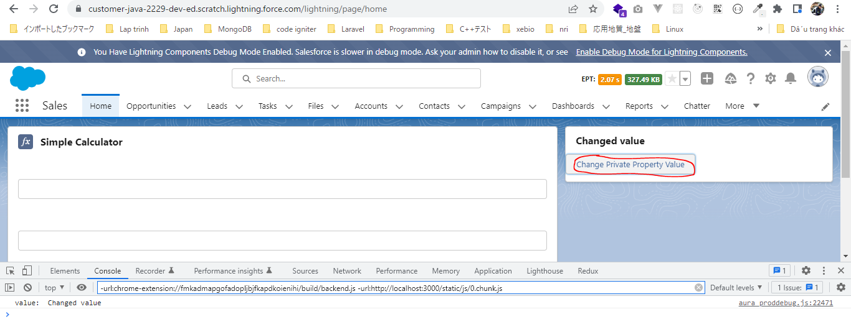
構成
 | LightningWebComponent
 |  | LWC
 |  |  | force-app
 |  |  |  | main
 |  |  |  |  | classes
 |  |  |  |  |  | abcd.cls
 |  |  |  |  | lwc
 |  |  |  |  |  | bmiCalculator |  |  |  | → | new Lightning Web Component. Tên phải để ở dạng camelCase
 |  |  |  |  |  |  | bmiCalculator.html
 |  |  |  |  |  |  | bmiCalculator.js
 |  |  |  |  |  |  | bmiCalculator.js-meta.xml
 |  |  |  |  |  | conditionalRenderingExample
 |  |  |  |  |  |  | conditionalRenderingExample.html
 |  |  |  |  |  |  | conditionalRenderingExample.js
 |  |  |  |  |  |  | conditionalRenderingExample.js-meta.xml
 |  |  |  |  |  | helloWorld
 |  |  |  |  |  |  | helloWorld.css
 |  |  |  |  |  |  | helloWorld.html
 |  |  |  |  |  |  | helloWorld.js
 |  |  |  |  |  |  | helloWorld.js-meta.xml
 |  |  |  |  |  | secondFileName
 |  |  |  |  |  | simpleCalculator
 |  |  |  |  |  |  | simpleCalculator.html
 |  |  |  |  |  |  | simpleCalculator.js
 |  |  |  |  |  |  | simpleCalculator.js-meta.xml

LightningWebComponent\LWC\force-app\main\default\lwc\bmiCalculator\bmiCalculator.js-meta.xml
 | <?xml version="1.0" encoding="UTF-8"?>
 | <LightningComponentBundle xmlns="http://soap.sforce.com/2006/04/metadata">
 | <apiVersion>55.0</apiVersion>
 | <isExposed>true</isExposed>
 | <targets>
 | <target>lightning__RecordPage</target>
 | <target>lightning__AppPage</target>
 | <target>lightning__HomePage</target>
 | </targets>
 | </LightningComponentBundle>

LightningWebComponent\LWC\force-app\main\default\lwc\bmiCalculator\bmiCalculator.html
 | <template>
 | <lightning-card title={cardTitle}>
 | <lightning-button label="Change Private Property Value" onclick={changePrivatePropertyValue} ></lightning-button>

 | </lightning-card>
 | </template>

LightningWebComponent\LWC\force-app\main\default\lwc\bmiCalculator\bmiCalculator.js
 | import { LightningElement } from 'lwc';

 | export default class BmiCalculator extends LightningElement {
 | cardTitle = 'BMI Calculator'; |  |  |  |  |  |  | → | We just need to give the name of a private property to declare private property. Lwc 2019 this private property is non-reactive
 |  |  |  |  |  |  |  |  | in nature because it is not trackable. So that changes in this private property will not notify our template an we will
 | changePrivatePropertyValue(){ |  |  |  |  |  |  |  | not render our template. Because non-reactive private property and we will not notify our template based on any of the changes
 | this.cardTitle = 'Changed value'; |  |  |  |  |  |  |  | But now all properties are reactive
 | console.log('value: ', this.cardTitle);
 | }
 | }

Test
 | 'BMI Calculator' is coming from our cardTitle private property
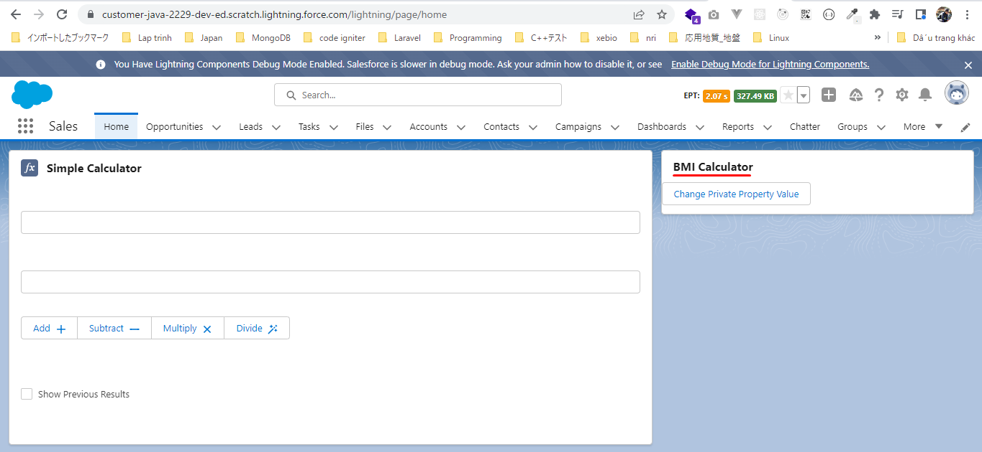

 | Click on button, the property value has changed lwc 2019 the cardTitle has not changed because this is a non-reactive private property and does not render our template when the value of
 | this property will be changed. But now all properties are reactive also cardTile has changed

Private Properties - Reactive
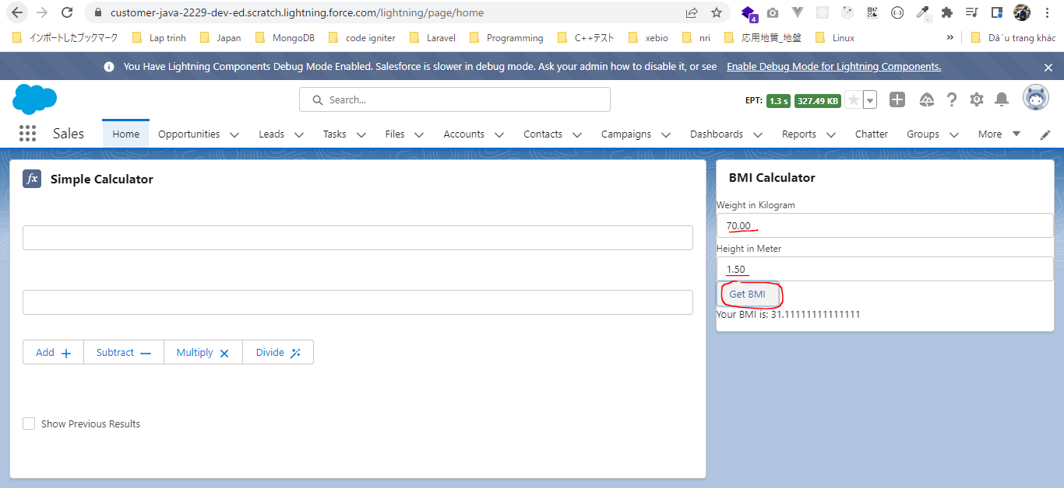
構成
 | LightningWebComponent
 |  | LWC
 |  |  | force-app
 |  |  |  | main
 |  |  |  |  | classes
 |  |  |  |  |  | abcd.cls
 |  |  |  |  | lwc
 |  |  |  |  |  | bmiCalculator
 |  |  |  |  |  |  | bmiCalculator.html |  |  | → | code
 |  |  |  |  |  |  | bmiCalculator.js |  |  | → | code
 |  |  |  |  |  |  | bmiCalculator.js-meta.xml
 |  |  |  |  |  | conditionalRenderingExample
 |  |  |  |  |  |  | conditionalRenderingExample.html
 |  |  |  |  |  |  | conditionalRenderingExample.js
 |  |  |  |  |  |  | conditionalRenderingExample.js-meta.xml
 |  |  |  |  |  | helloWorld
 |  |  |  |  |  |  | helloWorld.css
 |  |  |  |  |  |  | helloWorld.html
 |  |  |  |  |  |  | helloWorld.js
 |  |  |  |  |  |  | helloWorld.js-meta.xml
 |  |  |  |  |  | secondFileName
 |  |  |  |  |  | simpleCalculator
 |  |  |  |  |  |  | simpleCalculator.html
 |  |  |  |  |  |  | simpleCalculator.js
 |  |  |  |  |  |  | simpleCalculator.js-meta.xml

LightningWebComponent\LWC\force-app\main\default\lwc\bmiCalculator\bmiCalculator.html
 | <template>
 | <lightning-card title={cardTitle}>
 | <lightning-input type="number" step="0.01" label="Weight in Kilogram" onchange={onWeightChange} ></lightning-input>
 | <lightning-input type="number" step="0.01" label="Height in Meter" onchange={onHeightChange} ></lightning-input>
 | <lightning-button label="Get BMI" onclick={calculateBMI} ></lightning-button>
 | <p>
 | Your BMI is: {bmi}
 | </p>
 | </lightning-card>
 | </template>

LightningWebComponent\LWC\force-app\main\default\lwc\bmiCalculator\bmiCalculator.js
 | import { LightningElement, track } from 'lwc';

 | export default class BmiCalculator extends LightningElement {
 | cardTitle = 'BMI Calculator';

 | weight;
 | height;

 | @track bmi; |  |  |  |  |  |  | → | Reactive private property to store the bmi result because whenever the result will change(the bmi will change)
 | onWeightChange(event){ |  |  |  |  |  |  |  | we want to show the latest output.
 | this.weight = parseFloat(event.target.value); |  |  |  |  |  |  |  | The @track decorator is no more required for the primitive data types in Lightning Web Components. That means
 | } |  |  |  |  |  |  |  | all the private properties that we declare in our component they are reactive by nature
 |  |  |  |  |  |  |  |  | Before the spring'20 update, there was only one way to make it private property as a reactive property and that was
 | onHeightChange(event){ |  |  |  |  |  |  |  | using the track decorator. But now this track decorator is no more required for the primitive data types. It is still
 | this.height = parseFloat(event.target.value); |  |  |  |  |  |  |  | requied for non primitive types it means for the object properties or for the array properties
 | }

 | calculateBMI(){
 | try{
 | this.bmi = this.weight/(this.height*this.height);
 | } catch(error){
 | this.bmi = undefined;
 | }
 | }
 | }

Test

Getter Properties
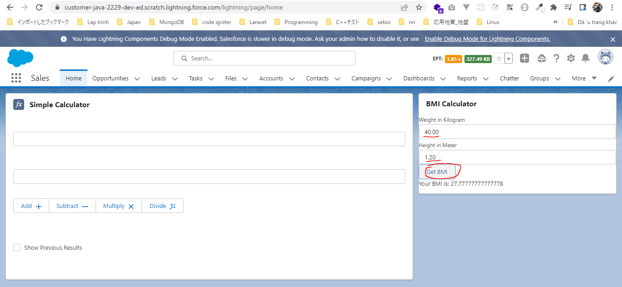
構成
 | LightningWebComponent
 |  | LWC
 |  |  | force-app
 |  |  |  | main
 |  |  |  |  | classes
 |  |  |  |  |  | abcd.cls
 |  |  |  |  | lwc
 |  |  |  |  |  | bmiCalculator
 |  |  |  |  |  |  | bmiCalculator.html |  |  | → | code
 |  |  |  |  |  |  | bmiCalculator.js |  |  | → | code
 |  |  |  |  |  |  | bmiCalculator.js-meta.xml
 |  |  |  |  |  | conditionalRenderingExample
 |  |  |  |  |  |  | conditionalRenderingExample.html
 |  |  |  |  |  |  | conditionalRenderingExample.js
 |  |  |  |  |  |  | conditionalRenderingExample.js-meta.xml
 |  |  |  |  |  | helloWorld
 |  |  |  |  |  |  | helloWorld.css
 |  |  |  |  |  |  | helloWorld.html
 |  |  |  |  |  |  | helloWorld.js
 |  |  |  |  |  |  | helloWorld.js-meta.xml
 |  |  |  |  |  | secondFileName
 |  |  |  |  |  | simpleCalculator
 |  |  |  |  |  |  | simpleCalculator.html
 |  |  |  |  |  |  | simpleCalculator.js
 |  |  |  |  |  |  | simpleCalculator.js-meta.xml

LightningWebComponent\LWC\force-app\main\default\lwc\bmiCalculator\bmiCalculator.html
 | <template>
 | <lightning-card title={cardTitle}>
 | <lightning-input type="number" step="0.01" label="Weight in Kilogram" onchange={onWeightChange} ></lightning-input>
 | <lightning-input type="number" step="0.01" label="Height in Meter" onchange={onHeightChange} ></lightning-input>
 | <lightning-button label="Get BMI" onclick={calculateBMI} ></lightning-button>
 | <p>
 | {bmiValue}
 | </p>
 | </lightning-card>
 | </template>

LightningWebComponent\LWC\force-app\main\default\lwc\bmiCalculator\bmiCalculator.js
 | import { LightningElement, track } from 'lwc';

 | export default class BmiCalculator extends LightningElement {
 | cardTitle = 'BMI Calculator';

 | weight;
 | height;

 | bmi;
 | onWeightChange(event){
 | this.weight = parseFloat(event.target.value);
 | }

 | onHeightChange(event){
 | this.height = parseFloat(event.target.value);
 | }

 | calculateBMI(){
 | try{
 | this.bmi = this.weight/(this.height*this.height);
 | } catch(error){
 | this.bmi = undefined;
 | }
 | }

 | get bmiValue(){ |  |  |  |  |  |  | → | to do some computationon our properties
 | if(this.bmi === undefined){
 | return "";
 | }
 | return `Your BMI is: ${this.bmi}`;
 | }
 | }

Test

Public Properties
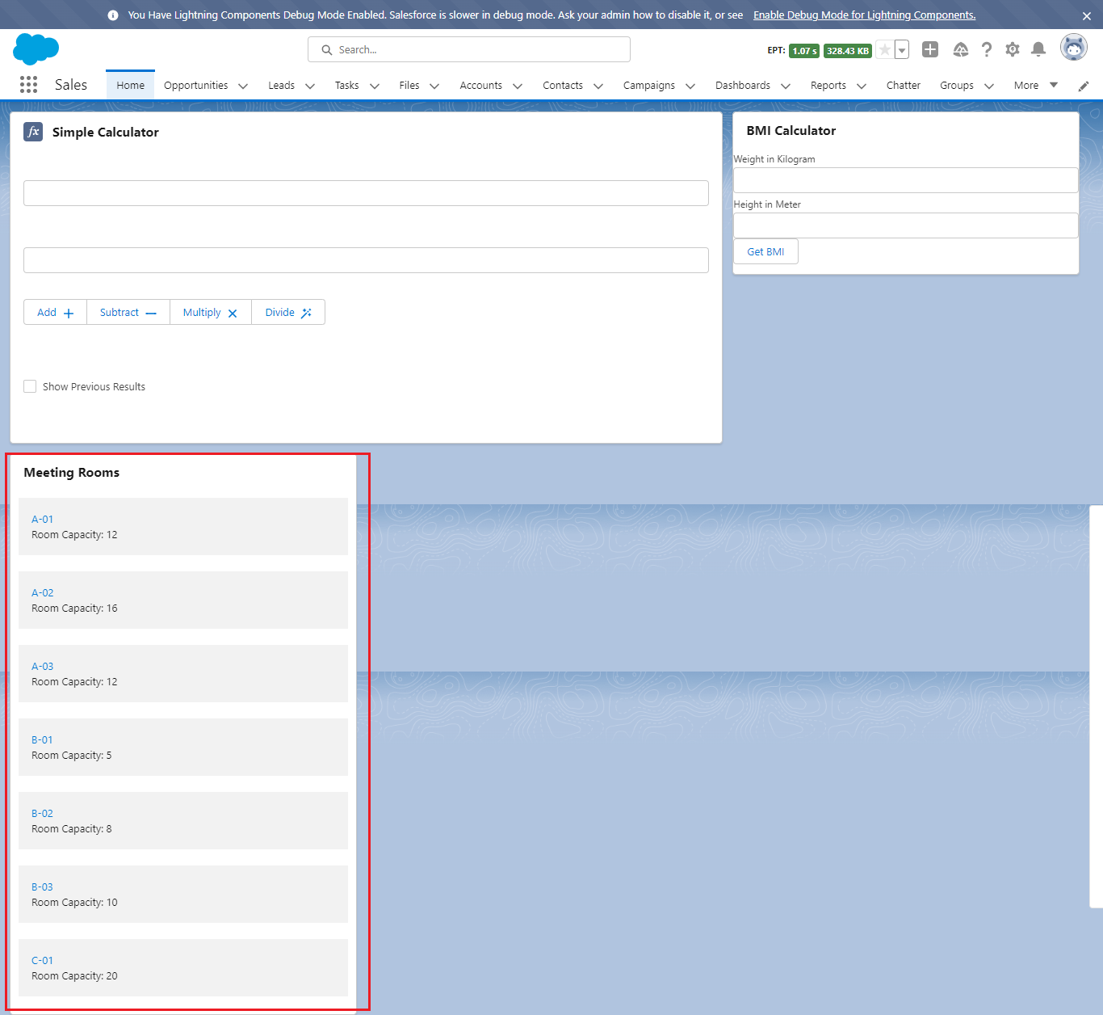
 | The limitation of private properties they can only be accessed from the same component or the controller and the template file of the same component. They can not accessed outside the
 | particular component. In Lightning Web Component we have something called public properties as well which can be supplied by a parent component and which can be accessed outside the
 | current component as well.

構成
 | LightningWebComponent
 |  | LWC
 |  |  | force-app
 |  |  |  | main
 |  |  |  |  | classes
 |  |  |  |  |  | abcd.cls
 |  |  |  |  | lwc
 |  |  |  |  |  | bmiCalculator
 |  |  |  |  |  |  | bmiCalculator.html
 |  |  |  |  |  |  | bmiCalculator.js
 |  |  |  |  |  |  | bmiCalculator.js-meta.xml
 |  |  |  |  |  | conditionalRenderingExample
 |  |  |  |  |  |  | conditionalRenderingExample.html
 |  |  |  |  |  |  | conditionalRenderingExample.js
 |  |  |  |  |  |  | conditionalRenderingExample.js-meta.xml
 |  |  |  |  |  | helloWorld
 |  |  |  |  |  |  | helloWorld.css
 |  |  |  |  |  |  | helloWorld.html
 |  |  |  |  |  |  | helloWorld.js
 |  |  |  |  |  |  | helloWorld.js-meta.xml
 |  |  |  |  |  | meetingRoom
 |  |  |  |  |  |  | meetingRoom.css
 |  |  |  |  |  |  | meetingRoom.html
 |  |  |  |  |  |  | meetingRoom.js
 |  |  |  |  |  | meetingRooms
 |  |  |  |  |  |  | meetingRooms.html
 |  |  |  |  |  |  | meetingRooms.js
 |  |  |  |  |  | secondFileName
 |  |  |  |  |  | simpleCalculator
 |  |  |  |  |  |  | simpleCalculator.html
 |  |  |  |  |  |  | simpleCalculator.js
 |  |  |  |  |  |  | simpleCalculator.js-meta.xml

LightningWebComponent\LWC\force-app\main\default\lwc\meetingRoom\meetingRoom.js
 | import { LightningElement, api } from 'lwc';

 | export default class MeetingRoom extends LightningElement {
 | @api meetingRoomInfo = {roomName:'A-01', roomCapacity:'12'} |  |  |  |  |  |  | → | To declare a public property we need to decorate api decorator, this meetingRoomInfo hold the meeting room
 |  |  |  |  |  |  |  |  | info and it will be supplied by a parent component to this component
 | }

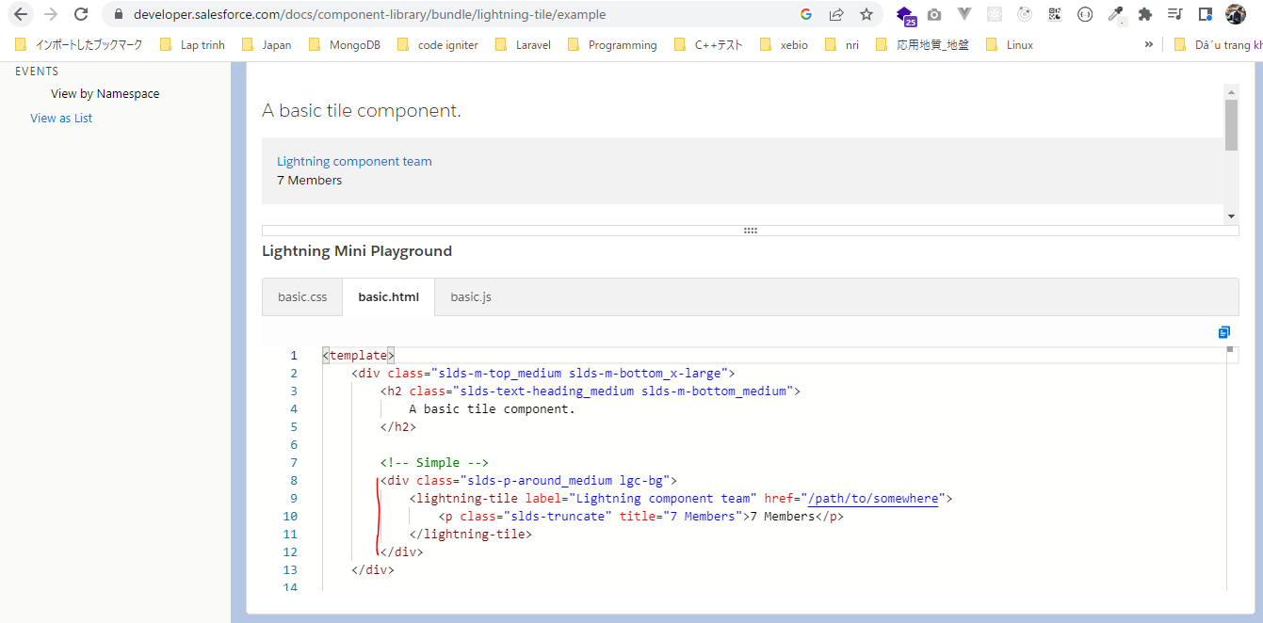
LightningWebComponent\LWC\force-app\main\default\lwc\meetingRoom\meetingRoom.html
 | <template> |  |  |  |  |  |  |  |  |  | lightning-tile
 | <div class="slds-p-around_medium lgc-bg">
 | <lightning-tile label={meetingRoomInfo.roomName} href="/path/to/somewhere">
 | <p class="slds-truncate" title={meetingRoomInfo.roomCapacity}>Room Capacity: {meetingRoomInfo.roomCapacity}</p>
 | </lightning-tile>
 | </div>
 | </template>

LightningWebComponent\LWC\force-app\main\default\lwc\meetingRoom\meetingRoom.css
 | .lgc-bg {
 | background-color: rgb(242, 242, 242);
 | }

 | .lgc-bg-inverse {
 | background-color: rgb(22, 50, 92);
 | }

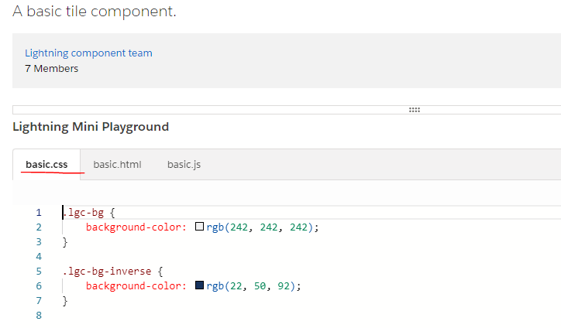

LightningWebComponent\LWC\force-app\main\default\lwc\meetingRooms\meetingRooms.html
 | <template>
 | <lightning-card title="Meeting Rooms">
 | <ul>
 | <template for:each={meetingRoomsInfo} for:item="room">
 | <li key={room.roomName} style="padding: 10px">
 | <c-meeting-room meeting-room-info={room}></c-meeting-room> |  |  |  |  |  |  |  | → | c-meeting-room: Declare MeetingRoom child component
 | </li> |  |  |  |  |  |  |  |  | c: namespace
 | </template> |  |  |  |  |  |  |  |  | MeetingRoom: component name, it is converted from the camelCase to Kebab Case
 | </ul> |  |  |  |  |  |  |  |  | meeting-room-info: converted meetingRoomInfo public property in child component to Kebab
 | </lightning-card> |  |  |  |  |  |  |  |  | Case
 | </template>

LightningWebComponent\LWC\force-app\main\default\lwc\meetingRooms\meetingRooms.js
 | import { LightningElement } from 'lwc';

 | export default class MeetingRooms extends LightningElement {

 | meetingRoomsInfo = [
 | {roomName:'A-01', roomCapacity:'12'},
 | {roomName:'A-02', roomCapacity:'16'},
 | {roomName:'A-03', roomCapacity:'12'},
 | {roomName:'B-01', roomCapacity:'5'},
 | {roomName:'B-02', roomCapacity:'8'},
 | {roomName:'B-03', roomCapacity:'10'},
 | {roomName:'C-01', roomCapacity:'20'}

 | ];
 | }

LightningWebComponent\LWC\force-app\main\default\lwc\meetingRooms\meetingRooms.js-meta.xml
 | <?xml version="1.0" encoding="UTF-8"?>
 | <LightningComponentBundle xmlns="http://soap.sforce.com/2006/04/metadata">
 | <apiVersion>55.0</apiVersion>
 | <isExposed>true</isExposed>
 | <targets>
 | <target>lightning__AppPage</target>
 | <target>lightning__HomePage</target>
 | <target>lightning__RecordPage</target>
 | </targets>
 | </LightningComponentBundle>

Test

