LWC Local Development
 | LWC Local Development is a new way to develop uor local Lightning Web Components see the result in real time without pushing our Lightning Web Component to our Scratch Org
 | To use the local dev server is we must be interacting with a Developer Hub enabled Org
 | Local dev server can directly access the data in our Salesforce Org so Salesforce recommends that we do not use the local dev server with our production Org because in that case if
 | our component modifying the data in our Salesforce Org then this modification will be happening directly in our production Org

構成
 | LightningWebComponent
 |  | LWC
 |  |  | force-app
 |  |  |  | main
 |  |  |  |  | classes
 |  |  |  |  |  | abcd.cls
 |  |  |  |  | lwc
 |  |  |  |  |  | bmiCalculator
 |  |  |  |  |  |  | bmiCalculator.html
 |  |  |  |  |  |  | bmiCalculator.js
 |  |  |  |  |  |  | bmiCalculator.js-meta.xml
 |  |  |  |  |  | conditionalRenderingExample
 |  |  |  |  |  |  | conditionalRenderingExample.html
 |  |  |  |  |  |  | conditionalRenderingExample.js
 |  |  |  |  |  |  | conditionalRenderingExample.js-meta.xml
 |  |  |  |  |  | helloWorld
 |  |  |  |  |  |  | helloWorld.css
 |  |  |  |  |  |  | helloWorld.html
 |  |  |  |  |  |  | helloWorld.js
 |  |  |  |  |  |  | helloWorld.js-meta.xml
 |  |  |  |  |  | meetingRoom
 |  |  |  |  |  |  | meetingRoom.css
 |  |  |  |  |  |  | meetingRoom.html
 |  |  |  |  |  |  | meetingRoom.js
 |  |  |  |  |  | meetingRooms
 |  |  |  |  |  |  | meetingRooms.html
 |  |  |  |  |  |  | meetingRooms.js
 |  |  |  |  |  | secondFileName
 |  |  |  |  |  | simpleCalculator
 |  |  |  |  |  |  | simpleCalculator.html
 |  |  |  |  |  |  | simpleCalculator.js
 |  |  |  |  |  |  | simpleCalculator.js-meta.xml

download the local dev server plugin
 | sfdx update
 | sfdx plugins:install @salesforce/lwc-dev-server
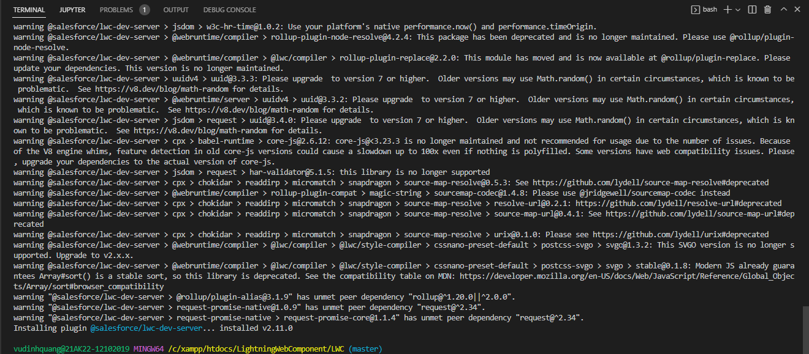

Start local dev server
 | sfdx force:lightning:lwc:start
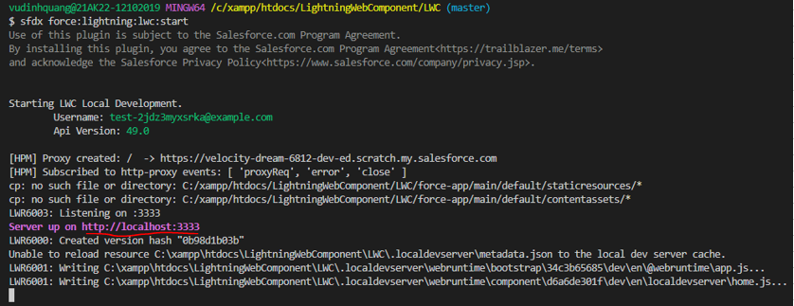

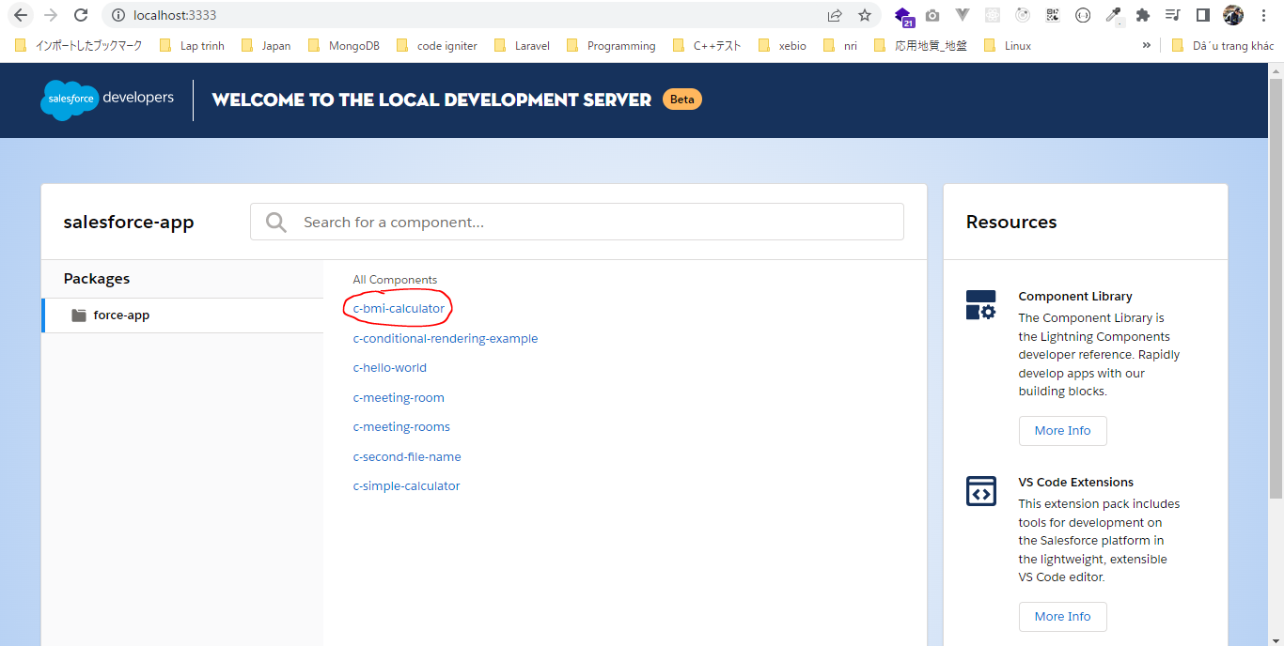

 | Test component
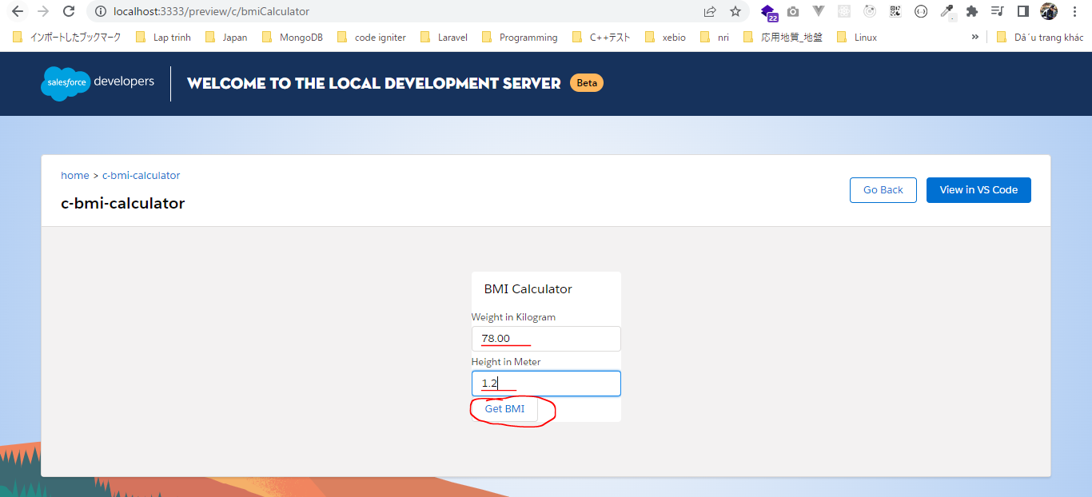

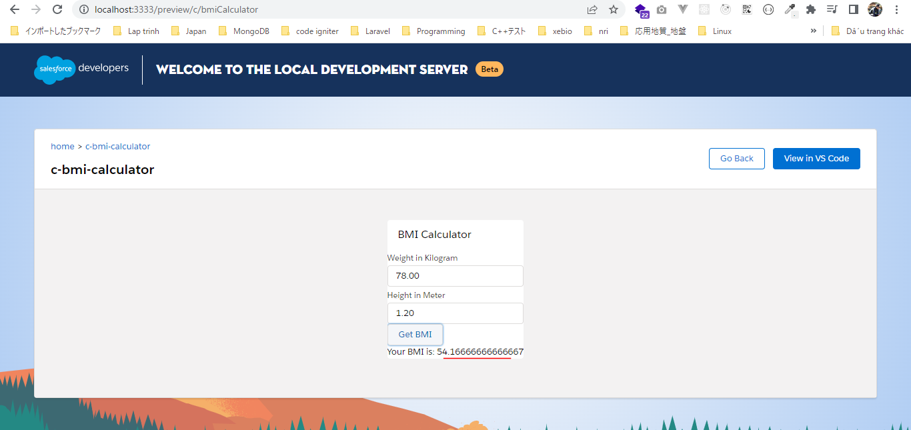

 | Stop local development
 | Ctrl + C
 | Y → Enter
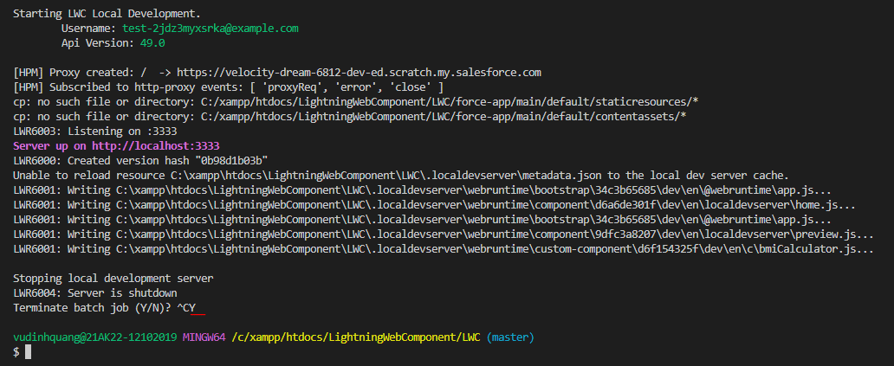

 | Start by command palette
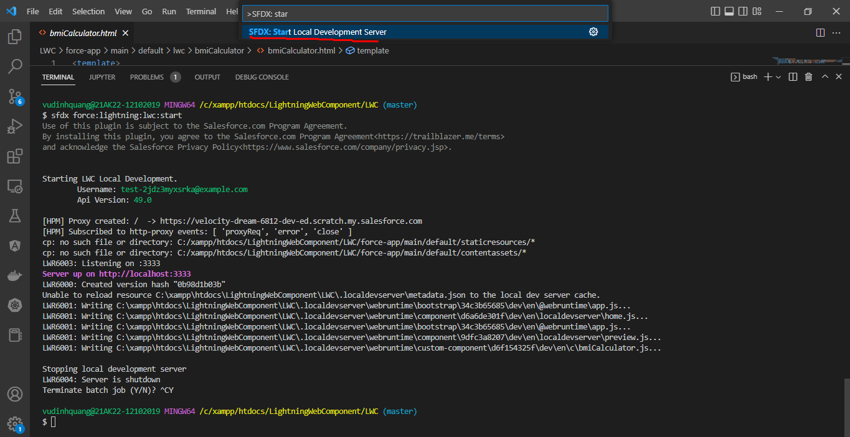

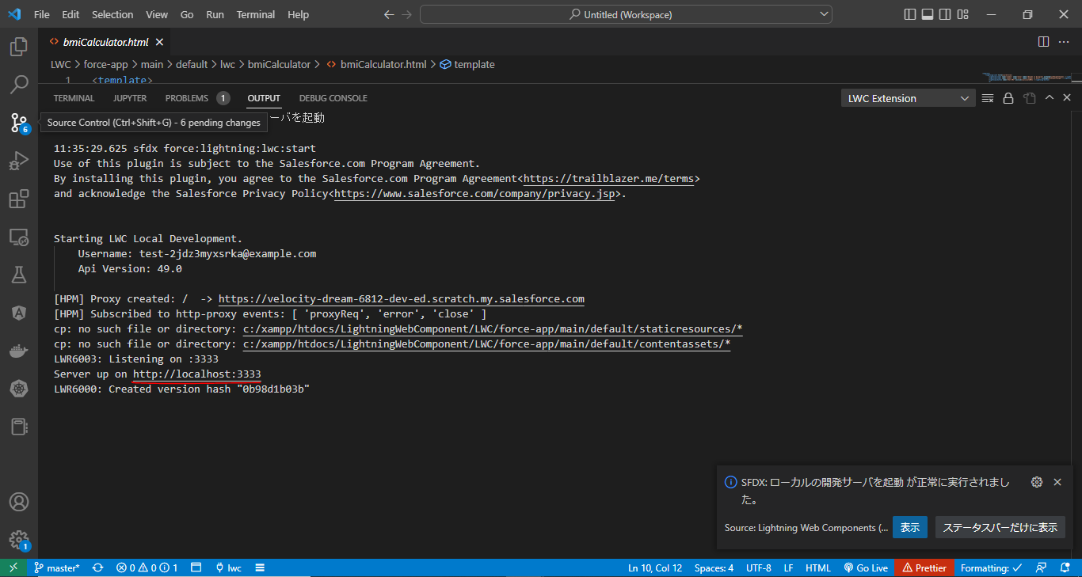

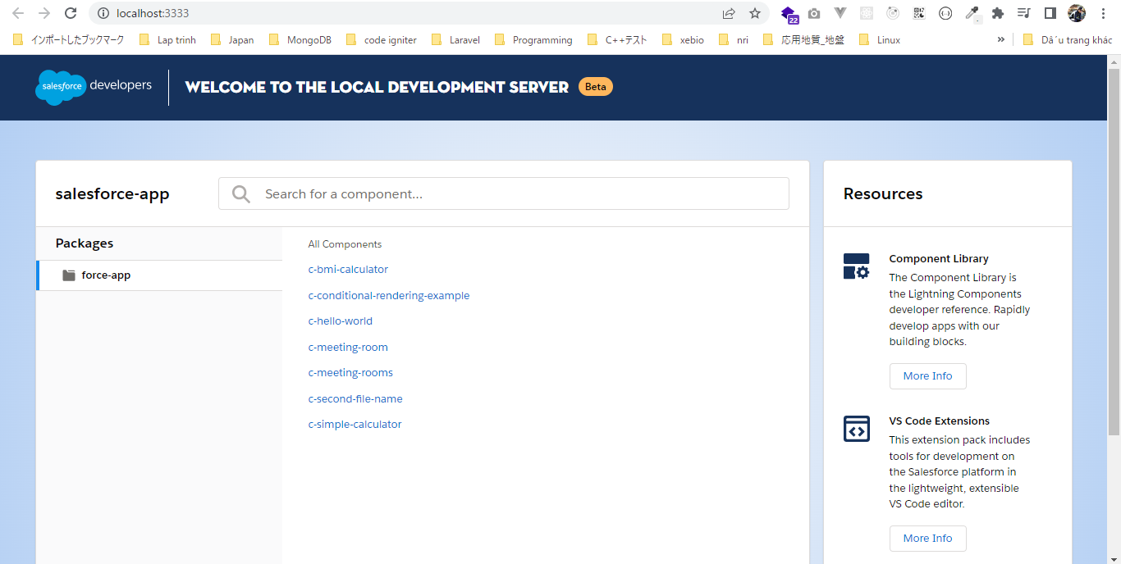

 | Stop by command palette
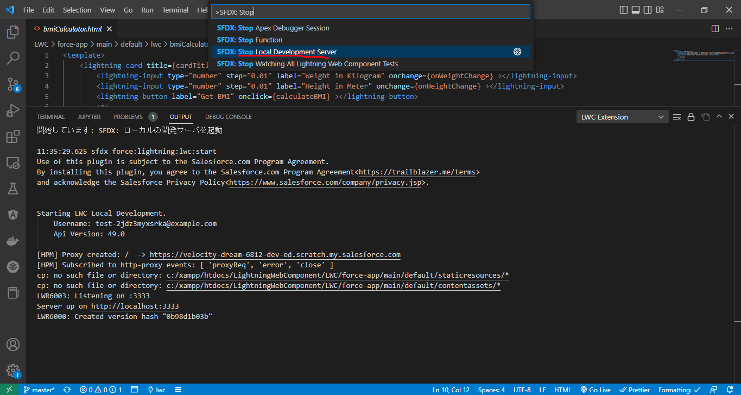

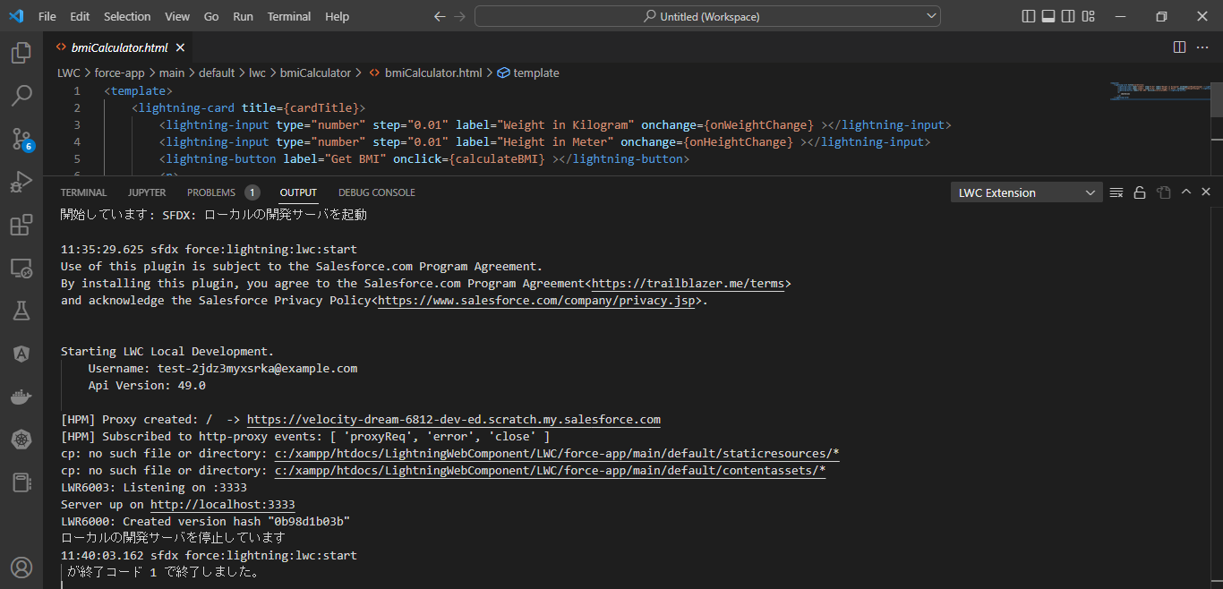

 | The other way to start local dev server
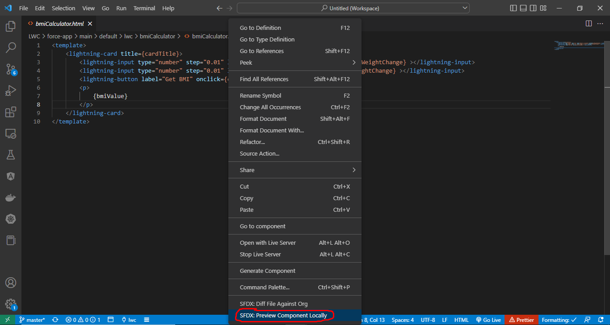

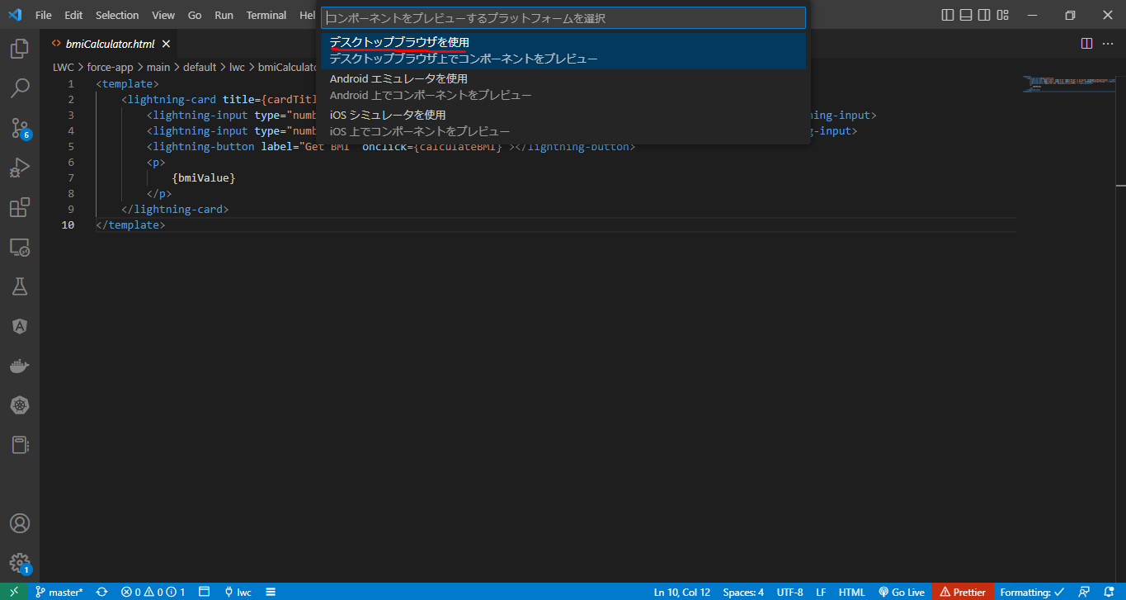

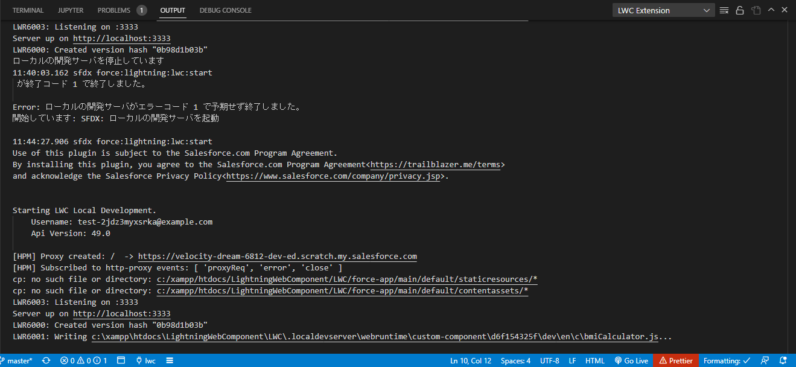

 | wait then auto opened
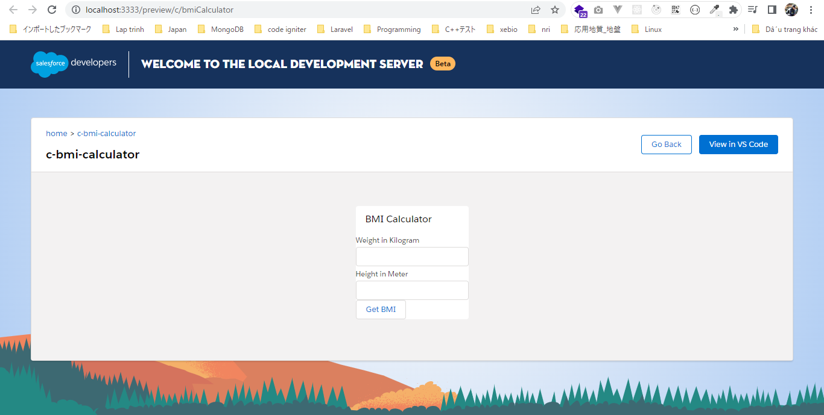

 | Stop

