Create Scratch Org
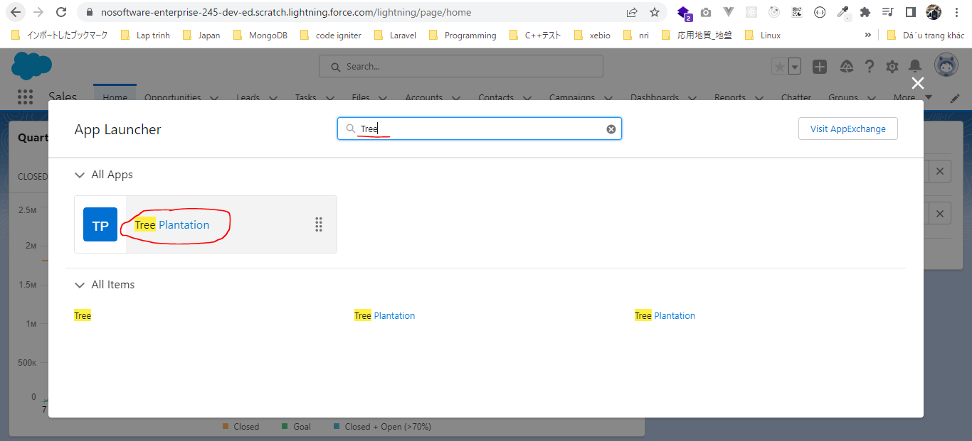
構成
 | CLISession
 |  | .sfdx
 |  |  | sfdx-config.json
 |  | config
 |  |  | project-scratch-def.json
 |  | force-app
 |  |  | main
 |  |  |  | default
 |  |  |  |  | applications
 |  |  |  |  | classes
 |  |  |  |  |  | TreeListControllerTest
 |  |  |  |  |  | TreeLocationControllerTest
 |  |  |  |  | flexipages
 |  |  |  |  |  | Tree_Plantation.flexipage-meta.xml |  | → | edit
 |  |  |  |  | layouts
 |  |  |  |  | lwc
 |  |  |  |  |  | newTreePlantation
 |  |  |  |  |  |  | newTreePlantation.html
 |  |  |  |  |  |  | newTreePlantation.js
 |  |  |  |  |  |  | newTreePlantation.js-meta.xml
 |  |  |  |  |  | treePlantationExplorer
 |  |  |  |  |  |  | treePlantationExplorer.html
 |  |  |  |  |  |  | treePlantationExplorer.js
 |  |  |  |  |  |  | treePlantationExplorer.js-meta.xml
 |  |  |  |  | objects
 |  |  |  |  | permissionsets
 |  |  |  |  |  | TreePlantation.permissionset-meta.xml
 |  |  |  |  | staticresources
 |  |  |  |  | tabs
 |  | manifest
 |  |  | package.xml
 |  | metadata
 |  | sample-data
 |  |  | City__c.json
 |  |  | Tree__c-Tree_Plantation__c-plan.json
 |  |  | Tree__cs.json
 |  |  | Tree_Plantation__cs.json

 | To create a Scratch Org we need to make sure that we have a Dev Hub Org
 | once this setting to enabled we can not disable it again and this setting will allow us to create Scratch Org as a Dev Hub Org
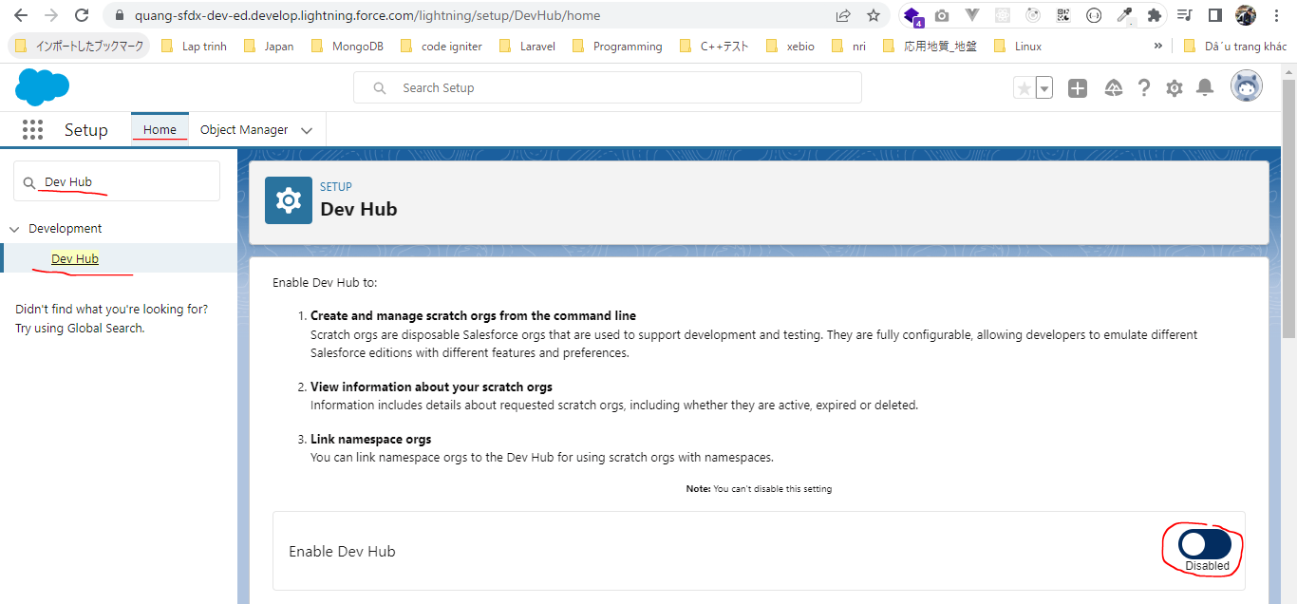

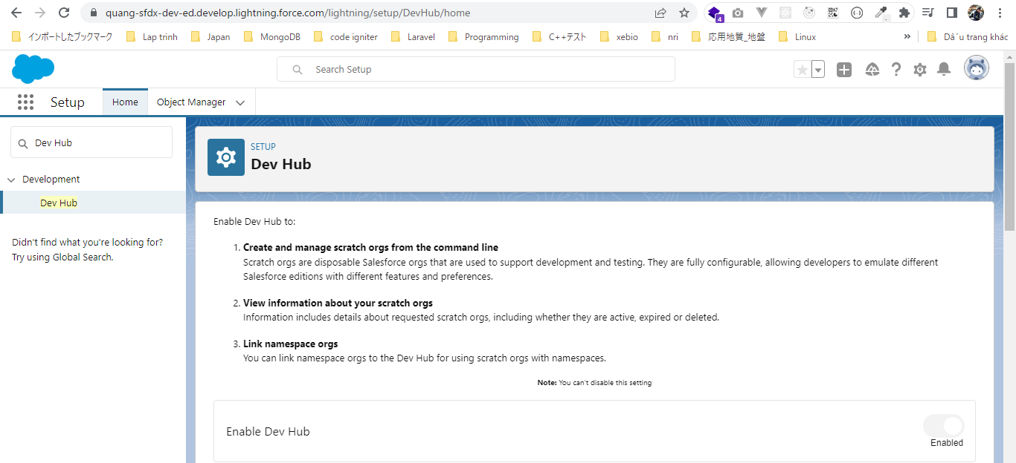

 | After authorize ourselves against our Org which we will call now Dev Hub Org. We will create the Scratch Org from this Org
 | sfdx force:org:create --help
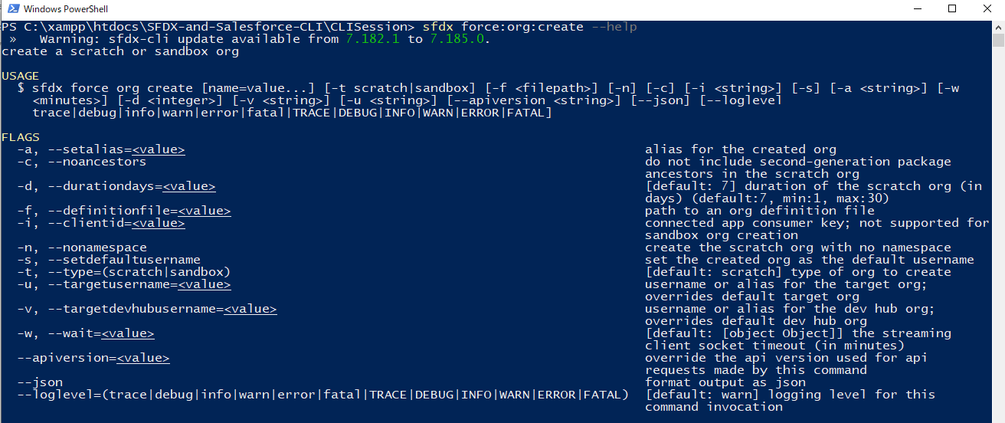

 | -a, --setalias: This is always benefical when we work with a lot of Salesforce Org and we do not want to remember the user name
 | -f, --definitionfile: The definitionfile is the Scratch Org definition file which we have in our sfdx project. It has Org name and all the different properties about Scratch Org
 |  | CLISession\config\project-scratch-def.json
 |  | {
 |  | "orgName": "SFDCFacts Academy",
 |  | "edition": "Developer",
 |  | "hasSampleData": true,
 |  | "features": ["EnableSetPasswordInApi"],
 |  | "settings": {
 |  | "lightningExperienceSettings": {
 |  | "enableS1DesktopEnabled": true
 |  | },
 |  | "mobileSettings": {
 |  | "enableS1EncryptedStoragePref2": false
 |  | }
 |  | }
 |  | }
 | -s, --setdefaultusername: This is one of the important option, if we us this parameter, then our Scratch Org will be set to default username
 |  | CLISession\.sfdx\sfdx-config.json
 |  | {
 |  | "defaultusername": "sfdx",
 |  | "defaultdevhubusername": "sfdx"
 |  | }

 | -u, --targetusername: If we have the defaultusername set in CLISession\.sfdx\sfdx-config.json then we do not have to define this parameter but we can define if we want to override
 | -v, --targetdevhubusername: If we have the defaultdevhubusername set in CLISession\.sfdx\sfdx-config.json then we do not have to define this parameter but we can define if we want to override

 | Run by VS code
 | sfdx force:org:create -a CLICourseSC1 -d 30 -f config/project-scratch-def.json -s

 |  | scratch org |  |  | username
 |  | 00D6D0000003YjsUAE |  |  | test-djcrkoaii18o@example.com

 |  | CLISession\.sfdx\sfdx-config.json
 |  | {
 |  | "defaultusername": "CLICourseSC1",
 |  | "defaultdevhubusername": "sfdx"
 |  | }

 | In case we have not used "-s"parameter and we want to set this Scatch Org as default username explicitly we can also use the config commands
 | sfdx force:config:set defaultusername="CLICourseSC1"

Push Metadata in Scratch Org
 | sfdx force:org:open

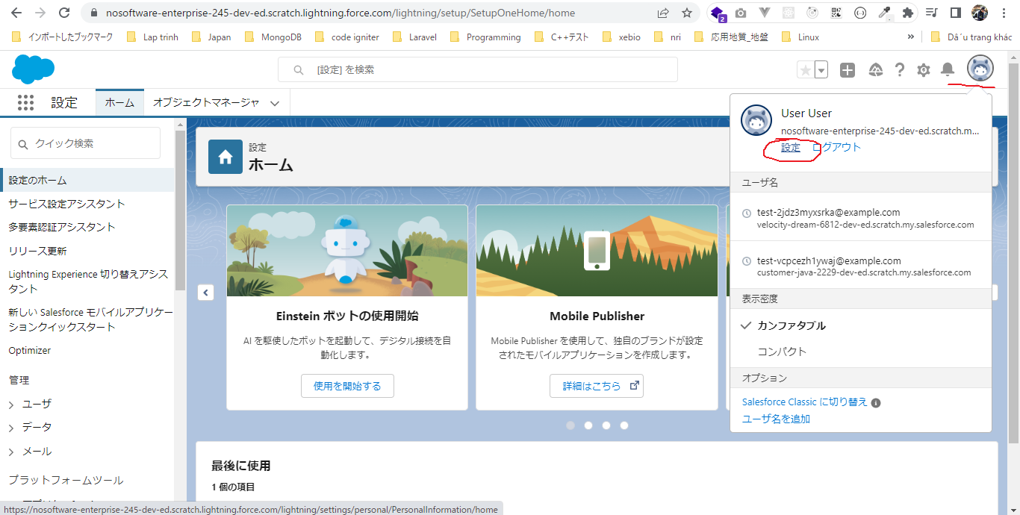

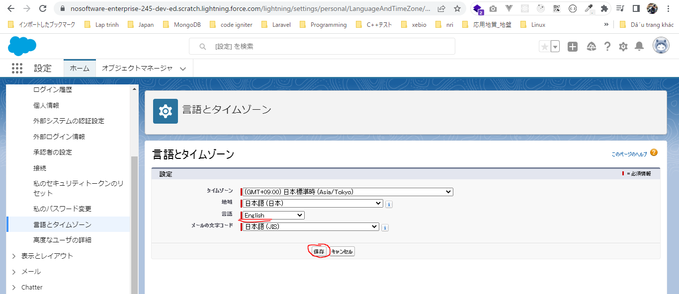

 | sfdx force:source:push

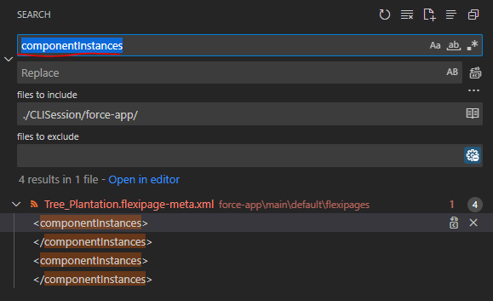

 |  | SFDX-and-Salesforce-CLI\CLISession\force-app\main\default\flexipages\Tree_Plantation.flexipage-meta.xml
 |  | <?xml version="1.0" encoding="UTF-8"?>
 |  | <FlexiPage xmlns="http://soap.sforce.com/2006/04/metadata">
 |  | <flexiPageRegions>
 |  | <name>region1</name>
 |  | <type>Region</type>
 |  | </flexiPageRegions>
 |  | <flexiPageRegions>
 |  | <componentInstances>
 |  | <componentName>treePlantationExplorer</componentName>
 |  | </componentInstances>
 |  | <name>region2</name>
 |  | <type>Region</type>
 |  | </flexiPageRegions>
 |  | <flexiPageRegions>
 |  | <componentInstances>
 |  | <componentName>treeLocation</componentName>
 |  | </componentInstances>
 |  | <name>region3</name>
 |  | <type>Region</type>
 |  | </flexiPageRegions>
 |  | <masterLabel>Tree Plantation</masterLabel>
 |  | <template>
 |  | <name>flexipage:appHomeTemplateHeaderTwoColumns</name>
 |  | </template>
 |  | <type>AppPage</type>
 |  | </FlexiPage>

 |  | <?xml version="1.0" encoding="UTF-8"?>
 |  | <FlexiPage xmlns="http://soap.sforce.com/2006/04/metadata">
 |  | <flexiPageRegions>
 |  | <name>region1</name>
 |  | <type>Region</type>
 |  | </flexiPageRegions>
 |  | <flexiPageRegions>
 |  | <name>region2</name>
 |  | <type>Region</type>
 |  | </flexiPageRegions>
 |  | <flexiPageRegions>
 |  | <name>region3</name>
 |  | <type>Region</type>
 |  | </flexiPageRegions>
 |  | <masterLabel>Tree Plantation</masterLabel>
 |  | <template>
 |  | <name>flexipage:appHomeTemplateHeaderTwoColumns</name>
 |  | </template>
 |  | <type>AppPage</type>
 |  | </FlexiPage>

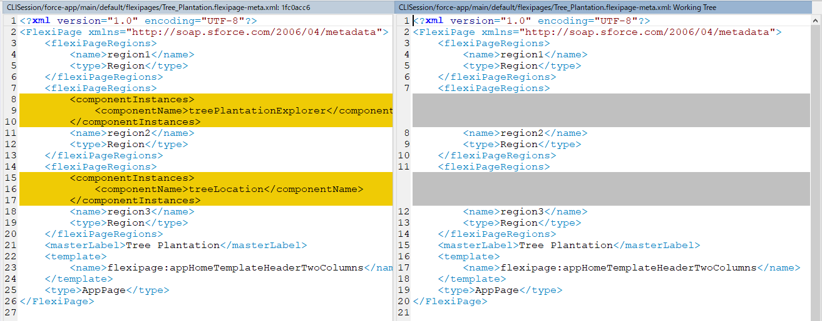

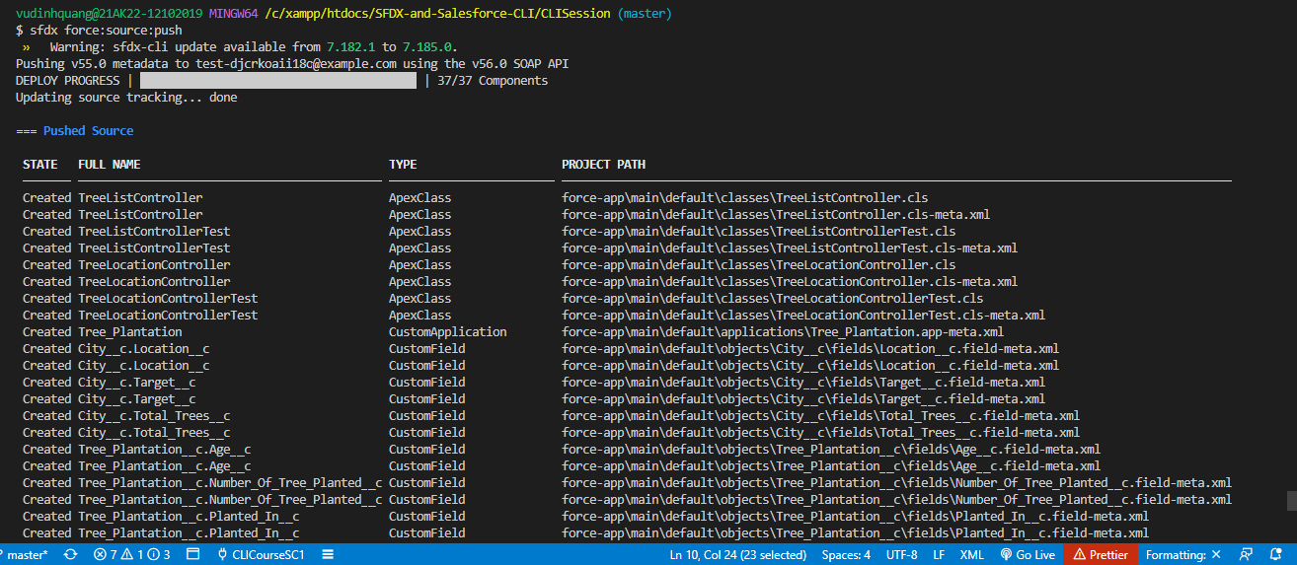

 | We will still not see the Tree Plantation application yet although the components had been deployed
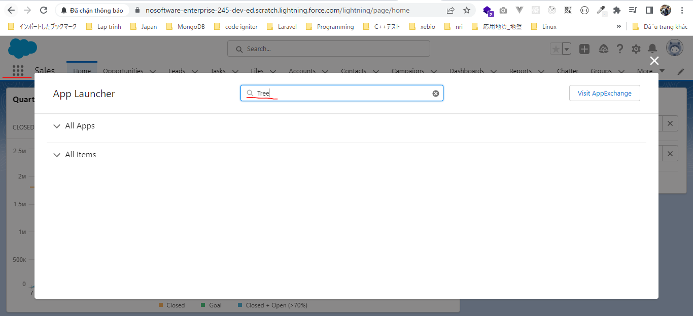

 | We can see that our application has been deployed but we still do not see it inside our application because we do not have access to this application
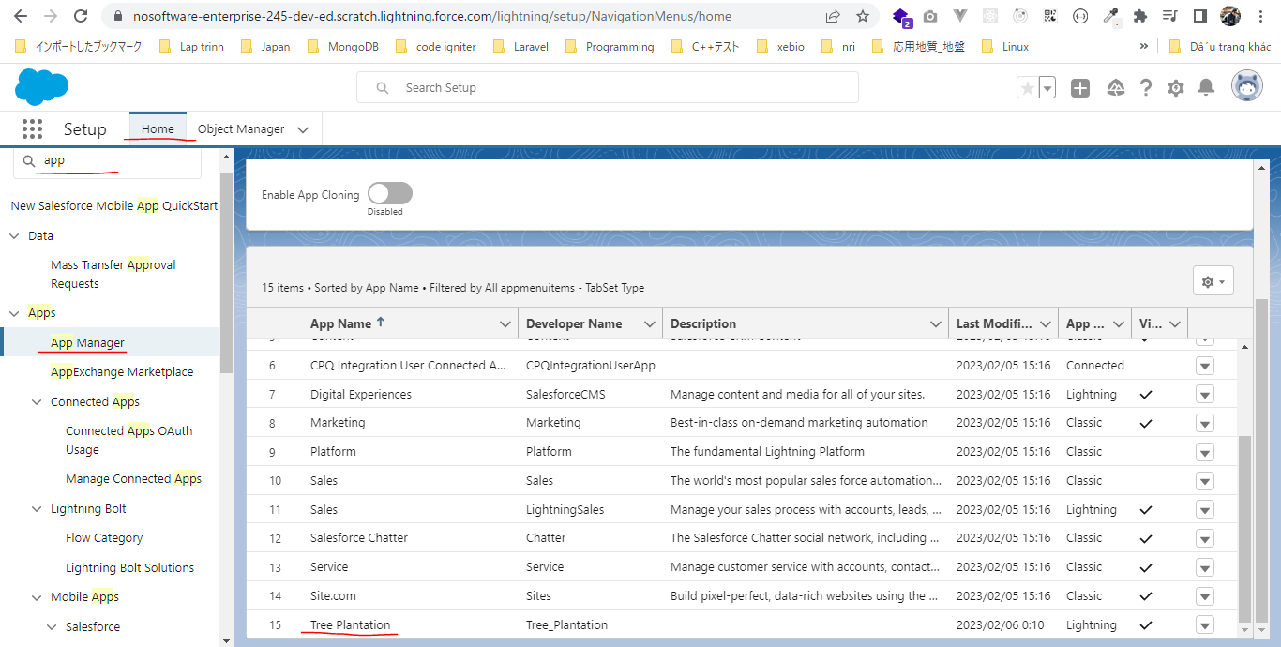

 | So for that we created a Permission Set which is part of the package, it call TreePlantation
 |  | SFDX-and-Salesforce-CLI\CLISession\force-app\main\default\permissionsets\TreePlantation.permissionset-meta.xml
 |  | <?xml version="1.0" encoding="UTF-8"?>
 |  | <PermissionSet xmlns="http://soap.sforce.com/2006/04/metadata">
 |  | <applicationVisibilities>
 |  | <application>Tree_Plantation</application>
 |  | <visible>true</visible>
 |  | </applicationVisibilities>
 |  | <fieldPermissions>
 |  | <editable>true</editable>
 |  | <field>City__c.Location__c</field>
 |  | <readable>true</readable>
 |  | </fieldPermissions>
 |  | <fieldPermissions>
 |  | <editable>true</editable>
 |  | <field>City__c.Target__c</field>
 |  | <readable>true</readable>
 |  | </fieldPermissions>
 |  | <fieldPermissions>
 |  | <editable>false</editable>
 |  | <field>City__c.Total_Trees__c</field>
 |  | <readable>false</readable>
 |  | </fieldPermissions>
 |  | <fieldPermissions>
 |  | <editable>true</editable>
 |  | <field>Tree_Plantation__c.Age__c</field>
 |  | <readable>true</readable>
 |  | </fieldPermissions>
 |  | <fieldPermissions>
 |  | <editable>true</editable>
 |  | <field>Tree_Plantation__c.Number_Of_Tree_Planted__c</field>
 |  | <readable>true</readable>
 |  | </fieldPermissions>
 |  | <fieldPermissions>
 |  | <editable>true</editable>
 |  | <field>Tree__c.Benefit__c</field>
 |  | <readable>true</readable>
 |  | </fieldPermissions>
 |  | <fieldPermissions>
 |  | <editable>true</editable>
 |  | <field>Tree__c.Picture__c</field>
 |  | <readable>true</readable>
 |  | </fieldPermissions>
 |  | <hasActivationRequired>false</hasActivationRequired>
 |  | <label>TreePlantation</label>
 |  | <objectPermissions>
 |  | <allowCreate>true</allowCreate>
 |  | <allowDelete>true</allowDelete>
 |  | <allowEdit>true</allowEdit>
 |  | <allowRead>true</allowRead>
 |  | <modifyAllRecords>false</modifyAllRecords>
 |  | <object>City__c</object>
 |  | <viewAllRecords>false</viewAllRecords>
 |  | </objectPermissions>
 |  | <objectPermissions>
 |  | <allowCreate>true</allowCreate>
 |  | <allowDelete>true</allowDelete>
 |  | <allowEdit>true</allowEdit>
 |  | <allowRead>true</allowRead>
 |  | <modifyAllRecords>false</modifyAllRecords>
 |  | <object>Tree_Plantation__c</object>
 |  | <viewAllRecords>false</viewAllRecords>
 |  | </objectPermissions>
 |  | <objectPermissions>
 |  | <allowCreate>true</allowCreate>
 |  | <allowDelete>true</allowDelete>
 |  | <allowEdit>true</allowEdit>
 |  | <allowRead>true</allowRead>
 |  | <modifyAllRecords>false</modifyAllRecords>
 |  | <object>Tree__c</object>
 |  | <viewAllRecords>false</viewAllRecords>
 |  | </objectPermissions>
 |  | <tabSettings>
 |  | <tab>City__c</tab>
 |  | <visibility>Visible</visibility>
 |  | </tabSettings>
 |  | <tabSettings>
 |  | <tab>Tree_Plantation</tab>
 |  | <visibility>Visible</visibility>
 |  | </tabSettings>
 |  | <tabSettings>
 |  | <tab>Tree_Plantation__c</tab>
 |  | <visibility>Visible</visibility>
 |  | </tabSettings>
 |  | <tabSettings>
 |  | <tab>Tree__c</tab>
 |  | <visibility>Visible</visibility>
 |  | </tabSettings>
 |  | </PermissionSet>

 | We need to assign this Permission Set to user(the Scratch Org user)
 | sfdx force:user:permset:assign -n TreePlantation

 | This time we can see our Tree Plantation application

PushMetadatainScratchOrg
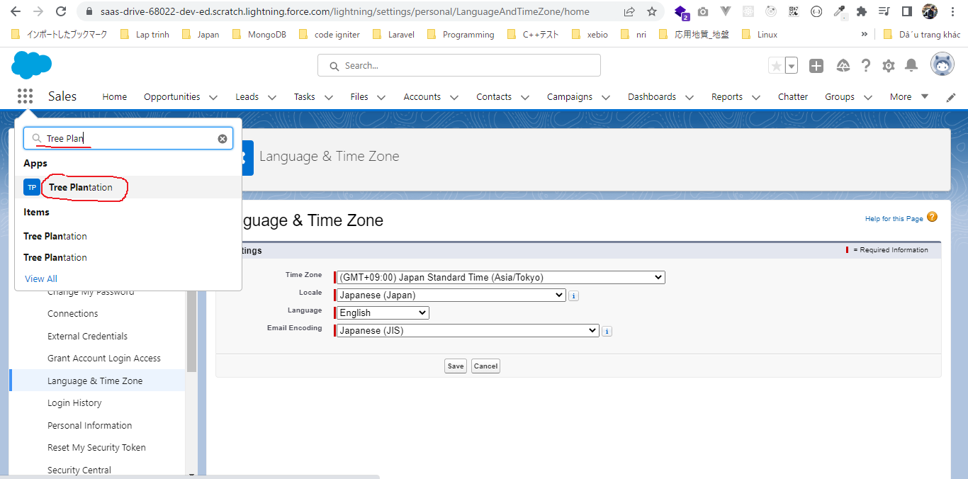
Push Metadata in Scratch Org from GitHub Repository

構成
 | CLISession
 |  | .sfdx
 |  |  | sfdx-config.json
 |  | config
 |  |  | project-scratch-def.json
 |  | force-app
 |  |  | main
 |  |  |  | default
 |  |  |  |  | applications
 |  |  |  |  | classes
 |  |  |  |  |  | TreeListControllerTest
 |  |  |  |  |  | TreeLocationControllerTest
 |  |  |  |  | flexipages
 |  |  |  |  |  | Tree_Plantation.flexipage-meta.xml
 |  |  |  |  | layouts
 |  |  |  |  | lwc
 |  |  |  |  |  | newTreePlantation
 |  |  |  |  |  |  | newTreePlantation.html
 |  |  |  |  |  |  | newTreePlantation.js
 |  |  |  |  |  |  | newTreePlantation.js-meta.xml
 |  |  |  |  |  | treePlantationExplorer
 |  |  |  |  |  |  | treePlantationExplorer.html
 |  |  |  |  |  |  | treePlantationExplorer.js
 |  |  |  |  |  |  | treePlantationExplorer.js-meta.xml
 |  |  |  |  | objects
 |  |  |  |  | permissionsets
 |  |  |  |  |  | TreePlantation.permissionset-meta.xml
 |  |  |  |  | staticresources
 |  |  |  |  | tabs
 |  | manifest
 |  |  | package.xml
 |  | metadata
 |  | sample-data
 |  |  | City__c.json
 |  |  | Tree__c-Tree_Plantation__c-plan.json
 |  |  | Tree__cs.json
 |  |  | Tree_Plantation__cs.json
 | tree-plantation |  |  |  |  |  |  | → | clone from github

Clone Github Repo
 | git clone https://github.com/choudharymanish8585/tree-plantation.git
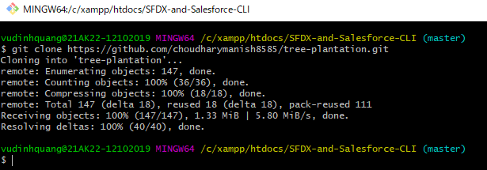

Authorize tree-plantation against the Salesforce Dev Hub Org
 | sfdx force:auth:web:login -a CLISessionDevHub -d -s

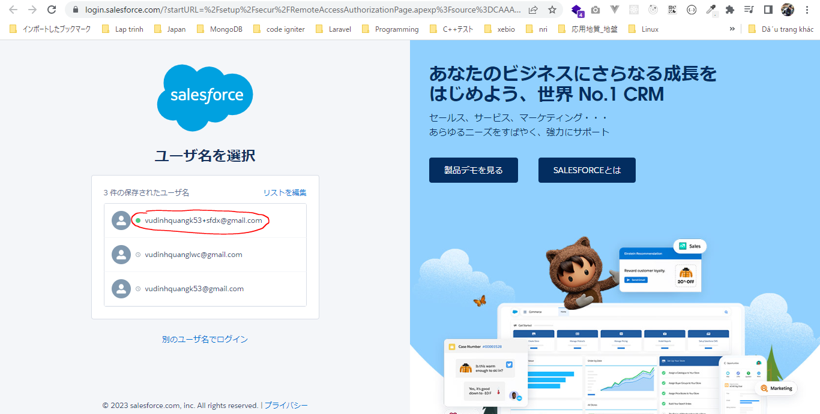

 | sfdx force:config:set defaultdevhubusername=vudinhquangk53+sfdx@gmail.com

 | sfdx force:config:set defaultusername=CLISessionDevHub

 | SFDX-and-Salesforce-CLI\tree-plantation\.sfdx\sfdx-config.json
 | {
 | "defaultusername": "CLISessionDevHub",
 | "defaultdevhubusername": "vudinhquangk53+sfdx@gmail.com"
 | }

Create a new Scratch Org using Dev Hub Org
 | SFDX-and-Salesforce-CLI\tree-plantation\config\project-scratch-def.json
 | {
 | "orgName": "SFDCFacts Academy",
 | "edition": "Developer",
 | "hasSampleData": true,
 | "features": ["EnableSetPasswordInApi"],
 | "settings": {
 | "lightningExperienceSettings": {
 | "enableS1DesktopEnabled": true
 | },
 | "mobileSettings": {
 | "enableS1EncryptedStoragePref2": false
 | }
 | }
 | }

 | sfdx force:org:create -a CLICourseSC1 -d 30 -f config/project-scratch-def.json -s

 | sfdx force:org:list

 |  | test-94p07bckp6lj@example.com
 |  | test-qc74pyudz8jw@example.com
 |  | test-djcrkoaii18o@example.com

 | sfdx force:org:delete -u test-94p07bckp6lj@example.com

 | sfdx force:org:delete -u test-qc74pyudz8jw@example.com

 | sfdx force:org:delete -u test-djcrkoaii18o@example.com

 | Create Scatch Org again
 | sfdx force:org:create -a CLICourseSC1 -d 30 -f config/project-scratch-def.json -s

 |  | scratch org |  |  | username
 |  | 00D1y0000002Xz4EAE |  |  | test-fpysgjuboesn@example.com

With Scatch Org we can use the push command from source topic
 | sfdx force:source:push
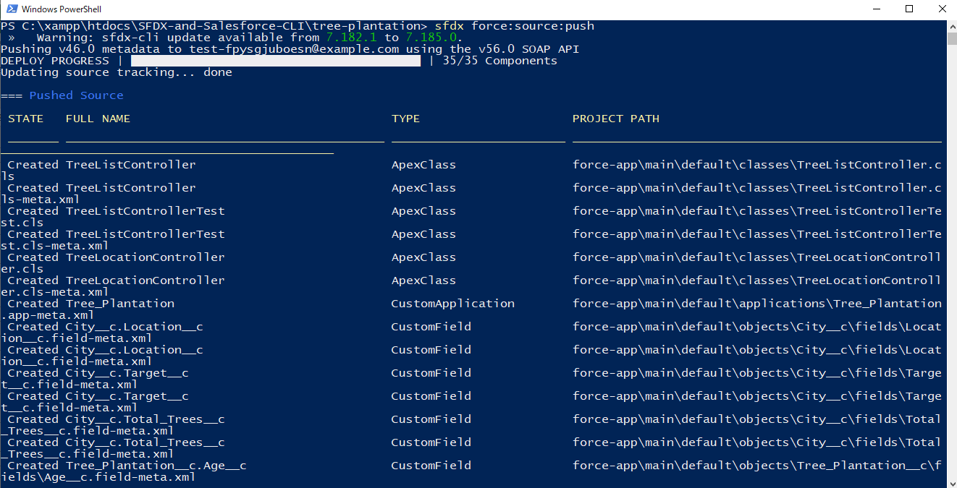

Open Scatch Org to see if these components exist or not
 | sfdx force:org:open

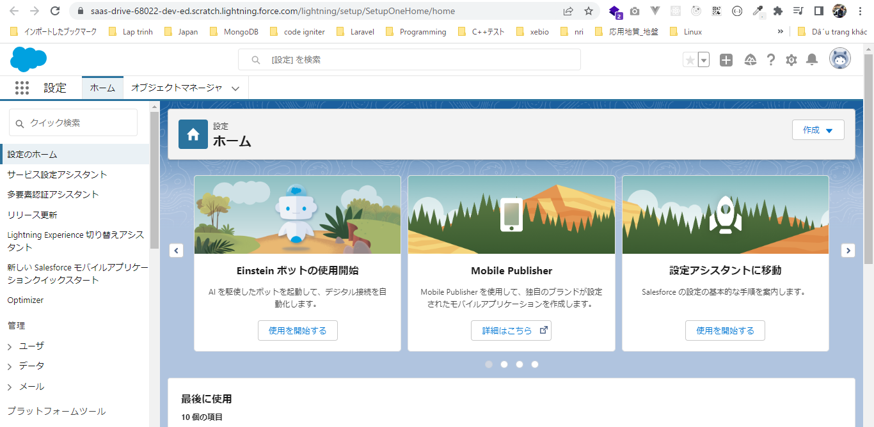

We still do not see the Tree Plantation application yet although the components had been deployed
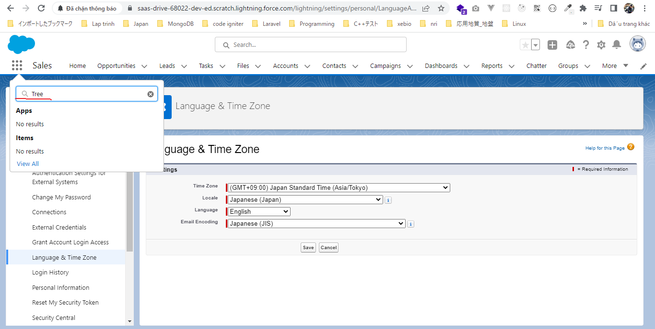

 | We can see that Tree Plantation application has been deployed but we still do not see it inside our application launcher, that is because we do not have access to this application
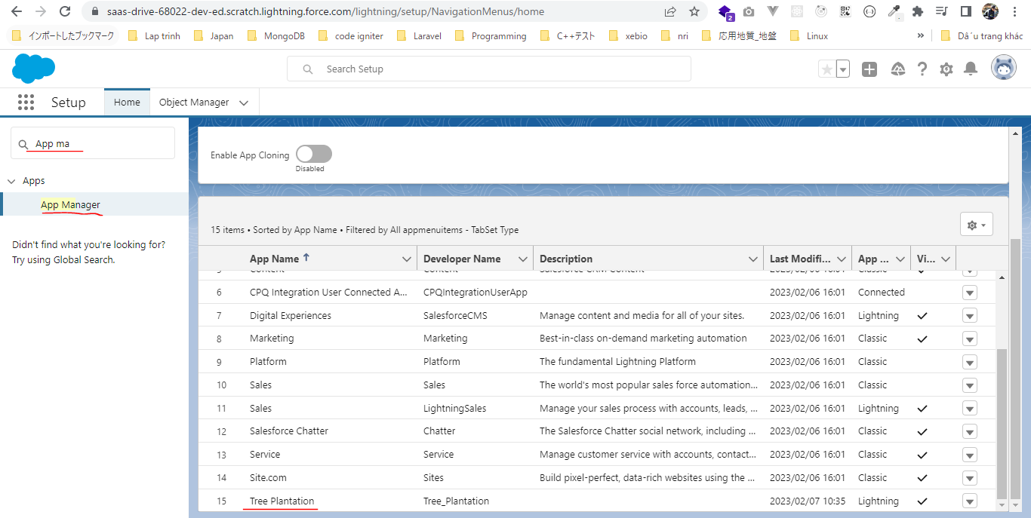

 | We have a Permission Set which is part of the package, it is call TreePlantation. We need to assign this Permission Set to our user(the Scratch Org user), then we can see our application
 | in all the metadata
 |  | SFDX-and-Salesforce-CLI\tree-plantation\force-app\main\default\permissionsets\TreePlantation.permissionset-meta.xml
 |  | <?xml version="1.0" encoding="UTF-8"?>
 |  | <PermissionSet xmlns="http://soap.sforce.com/2006/04/metadata">
 |  | <applicationVisibilities>
 |  | <application>Tree_Plantation</application>
 |  | <visible>true</visible>
 |  | </applicationVisibilities>
 |  | <fieldPermissions>
 |  | <editable>true</editable>
 |  | <field>City__c.Location__c</field>
 |  | <readable>true</readable>
 |  | </fieldPermissions>
 |  | <fieldPermissions>
 |  | <editable>true</editable>
 |  | <field>City__c.Target__c</field>
 |  | <readable>true</readable>
 |  | </fieldPermissions>
 |  | <fieldPermissions>
 |  | <editable>false</editable>
 |  | <field>City__c.Total_Trees__c</field>
 |  | <readable>false</readable>
 |  | </fieldPermissions>
 |  | <fieldPermissions>
 |  | <editable>true</editable>
 |  | <field>Tree_Plantation__c.Age__c</field>
 |  | <readable>true</readable>
 |  | </fieldPermissions>
 |  | <fieldPermissions>
 |  | <editable>true</editable>
 |  | <field>Tree_Plantation__c.Number_Of_Tree_Planted__c</field>
 |  | <readable>true</readable>
 |  | </fieldPermissions>
 |  | <fieldPermissions>
 |  | <editable>true</editable>
 |  | <field>Tree__c.Benefit__c</field>
 |  | <readable>true</readable>
 |  | </fieldPermissions>
 |  | <fieldPermissions>
 |  | <editable>true</editable>
 |  | <field>Tree__c.Picture__c</field>
 |  | <readable>true</readable>
 |  | </fieldPermissions>
 |  | <hasActivationRequired>false</hasActivationRequired>
 |  | <label>TreePlantation</label>
 |  | <objectPermissions>
 |  | <allowCreate>true</allowCreate>
 |  | <allowDelete>true</allowDelete>
 |  | <allowEdit>true</allowEdit>
 |  | <allowRead>true</allowRead>
 |  | <modifyAllRecords>false</modifyAllRecords>
 |  | <object>City__c</object>
 |  | <viewAllRecords>false</viewAllRecords>
 |  | </objectPermissions>
 |  | <objectPermissions>
 |  | <allowCreate>true</allowCreate>
 |  | <allowDelete>true</allowDelete>
 |  | <allowEdit>true</allowEdit>
 |  | <allowRead>true</allowRead>
 |  | <modifyAllRecords>false</modifyAllRecords>
 |  | <object>Tree_Plantation__c</object>
 |  | <viewAllRecords>false</viewAllRecords>
 |  | </objectPermissions>
 |  | <objectPermissions>
 |  | <allowCreate>true</allowCreate>
 |  | <allowDelete>true</allowDelete>
 |  | <allowEdit>true</allowEdit>
 |  | <allowRead>true</allowRead>
 |  | <modifyAllRecords>false</modifyAllRecords>
 |  | <object>Tree__c</object>
 |  | <viewAllRecords>false</viewAllRecords>
 |  | </objectPermissions>
 |  | <tabSettings>
 |  | <tab>City__c</tab>
 |  | <visibility>Visible</visibility>
 |  | </tabSettings>
 |  | <tabSettings>
 |  | <tab>Tree_Plantation</tab>
 |  | <visibility>Visible</visibility>
 |  | </tabSettings>
 |  | <tabSettings>
 |  | <tab>Tree_Plantation__c</tab>
 |  | <visibility>Visible</visibility>
 |  | </tabSettings>
 |  | <tabSettings>
 |  | <tab>Tree__c</tab>
 |  | <visibility>Visible</visibility>
 |  | </tabSettings>
 |  | </PermissionSet>

 | sfdx force:user:permset:assign -n TreePlantation

 | We can see our Tree Plantation application in application launcher

Upload Data in Scratch Org
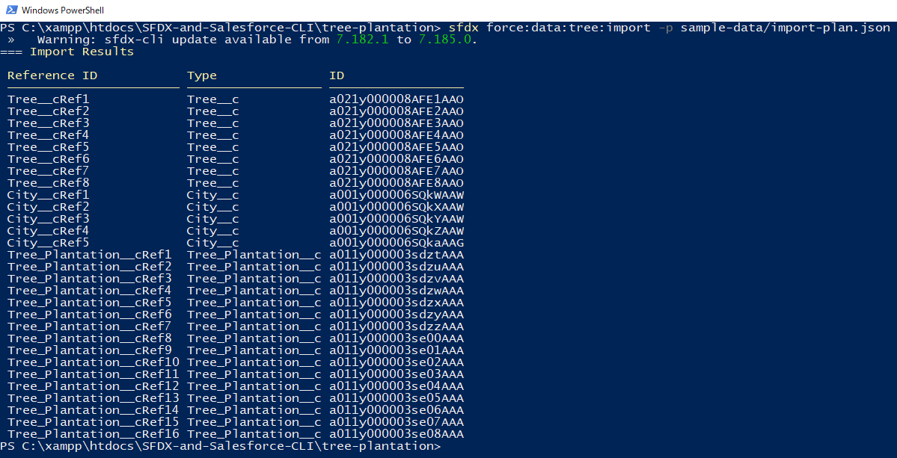
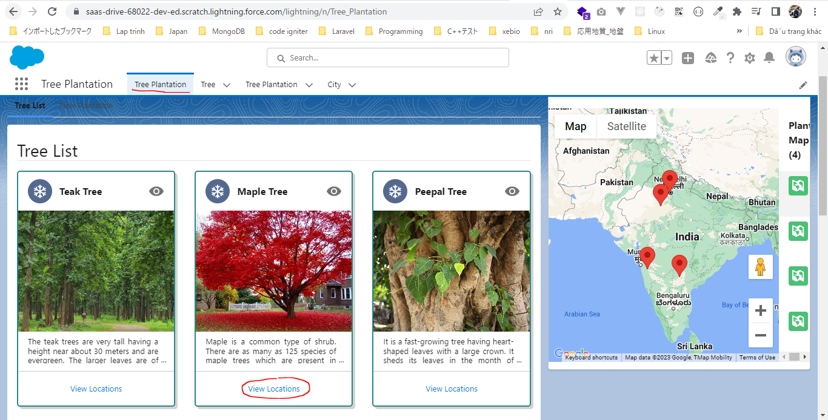
構成
 | CLISession
 |  | .sfdx
 |  |  | sfdx-config.json
 |  | config
 |  |  | project-scratch-def.json
 |  | force-app
 |  |  | main
 |  |  |  | default
 |  |  |  |  | applications
 |  |  |  |  | classes
 |  |  |  |  |  | TreeListControllerTest
 |  |  |  |  |  | TreeLocationControllerTest
 |  |  |  |  | flexipages
 |  |  |  |  |  | Tree_Plantation.flexipage-meta.xml
 |  |  |  |  | layouts
 |  |  |  |  | lwc
 |  |  |  |  |  | newTreePlantation
 |  |  |  |  |  |  | newTreePlantation.html
 |  |  |  |  |  |  | newTreePlantation.js
 |  |  |  |  |  |  | newTreePlantation.js-meta.xml
 |  |  |  |  |  | treePlantationExplorer
 |  |  |  |  |  |  | treePlantationExplorer.html
 |  |  |  |  |  |  | treePlantationExplorer.js
 |  |  |  |  |  |  | treePlantationExplorer.js-meta.xml
 |  |  |  |  | objects
 |  |  |  |  | permissionsets
 |  |  |  |  |  | TreePlantation.permissionset-meta.xml
 |  |  |  |  | staticresources
 |  |  |  |  | tabs
 |  | manifest
 |  |  | package.xml
 |  | metadata
 |  | sample-data
 |  |  | City__c.json
 |  |  | Tree__c-Tree_Plantation__c-plan.json
 |  |  | Tree__cs.json
 |  |  | Tree_Plantation__cs.json
 | tree-plantation
 |  | sample-data
 |  |  | City__c.json
 |  |  | import-plan.json
 |  |  | Tree__cs.json
 |  |  | Tree_Plantation__cs.json

 | sfdx force:data:tree:import -p sample-data/import-plan.json

CompleteApplicationInScratchOrg
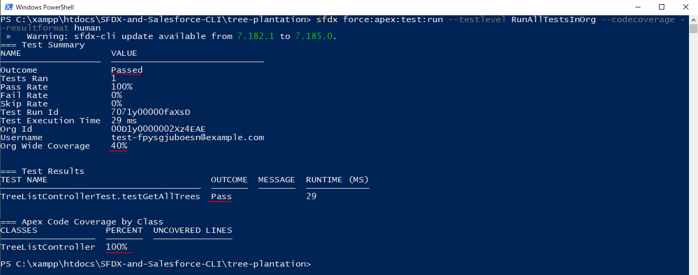
構成
 | CLISession
 |  | .sfdx
 |  |  | sfdx-config.json
 |  | config
 |  |  | project-scratch-def.json
 |  | force-app
 |  |  | main
 |  |  |  | default
 |  |  |  |  | applications
 |  |  |  |  | classes
 |  |  |  |  |  | TreeListControllerTest
 |  |  |  |  |  | TreeLocationControllerTest
 |  |  |  |  | flexipages
 |  |  |  |  |  | Tree_Plantation.flexipage-meta.xml
 |  |  |  |  | layouts
 |  |  |  |  | lwc
 |  |  |  |  |  | newTreePlantation
 |  |  |  |  |  |  | newTreePlantation.html
 |  |  |  |  |  |  | newTreePlantation.js
 |  |  |  |  |  |  | newTreePlantation.js-meta.xml
 |  |  |  |  |  | treePlantationExplorer
 |  |  |  |  |  |  | treePlantationExplorer.html
 |  |  |  |  |  |  | treePlantationExplorer.js
 |  |  |  |  |  |  | treePlantationExplorer.js-meta.xml
 |  |  |  |  | objects
 |  |  |  |  | permissionsets
 |  |  |  |  |  | TreePlantation.permissionset-meta.xml
 |  |  |  |  | staticresources
 |  |  |  |  | tabs
 |  | manifest
 |  |  | package.xml
 |  | metadata
 |  | sample-data
 |  |  | City__c.json
 |  |  | Tree__c-Tree_Plantation__c-plan.json
 |  |  | Tree__cs.json
 |  |  | Tree_Plantation__cs.json
 | tree-plantation
 |  | force-app
 |  |  | main
 |  |  |  | default
 |  |  |  |  | lwc
 |  |  |  |  |  | newTreePlantation |  | → | create new component
 |  |  |  |  |  |  | newTreePlantation.html
 |  |  |  |  |  |  | newTreePlantation.js
 |  | sample-data
 |  |  | City__c.json
 |  |  | import-plan.json
 |  |  | Tree__cs.json
 |  |  | Tree_Plantation__cs.json

 | sfdx force:lightning:component:create -n newTreePlantation --type lwc -d force-app/main/default/lwc/

 | SFDX-and-Salesforce-CLI\tree-plantation\force-app\main\default\lwc\newTreePlantation\newTreePlantation.html |  |  |  |  |  |  |  | → | just same SFDX-and-Salesforce-CLI\CLISession\force-app\main\default\lwc\newTreePlantation\newTreePlantation.js-meta.xml
 | <template>
 | <lightning-card>
 | <lightning-button slot="actions" label="Record New Plantation" variant="brand" onclick={recordNewPlantation}>
 | </lightning-button>
 | <template if:true={showForm}>
 | <lightning-record-form object-api-name="Tree_Plantation__c"
 | record-id={recordId}
 | layout-type="Full"
 | mode={mode}
 | onsuccess={handleSuccess}>
 | </lightning-record-form>
 | </template>
 | </lightning-card>
 | </template>

 | SFDX-and-Salesforce-CLI\tree-plantation\force-app\main\default\lwc\newTreePlantation\newTreePlantation.js |  |  |  |  |  |  | → | just same SFDX-and-Salesforce-CLI\CLISession\force-app\main\default\lwc\newTreePlantation\newTreePlantation.js
 | import { LightningElement, track } from 'lwc';
 | import { ShowToastEvent } from 'lightning/platformShowToastEvent';

 | export default class NewTreePlantation extends LightningElement {

 | @track recordId;
 | @track showForm = false;

 | recordNewPlantation(){
 | this.showForm = true;
 | this.recordId = undefined;
 | }

 | handleSuccess(event) {
 | const evt = new ShowToastEvent({
 | title: "Plantation Recorded",
 | message: "Record ID: " + event.detail.id,
 | variant: "success"
 | });
 | this.dispatchEvent(evt);
 | }

 | get mode(){
 | return this.recordId ? 'view' : 'edit';
 | }
 | }

 | SFDX-and-Salesforce-CLI\tree-plantation\force-app\main\default\lwc\treePlantationExplorer\treePlantationExplorer.html
 | <template>
 | <lightning-tabset>
 | <lightning-tab label="Tree List" >
 | <c-tree-list></c-tree-list>
 | </lightning-tab>
 | <lightning-tab label="New Plantation">
 | <c-new-tree-plantation ></c-new-tree-plantation>
 | </lightning-tab>
 | </lightning-tabset>
 | </template>

 | sfdx force:source:push
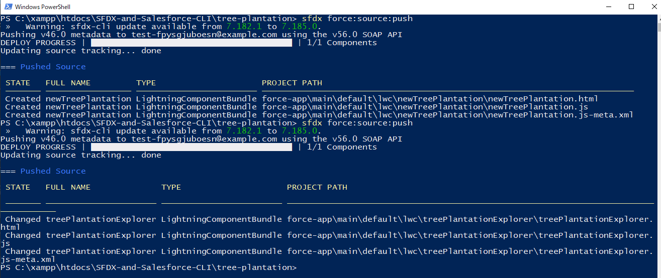

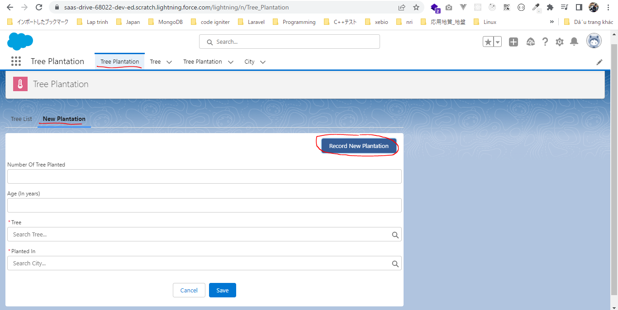

Run test classes in our Org
 | sfdx force:apex:test:run --testlevel RunAllTestsInOrg --codecoverage --resultformat human

