Source Driven Development Flow
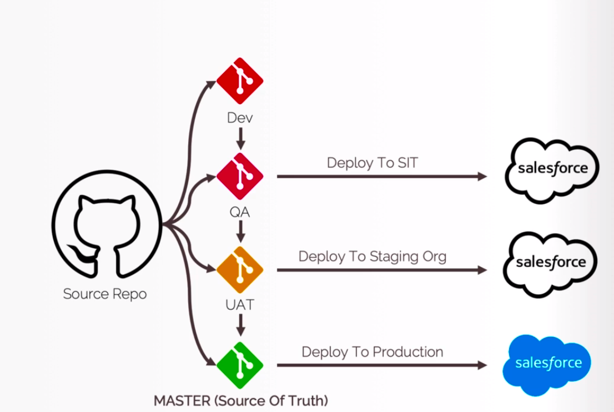
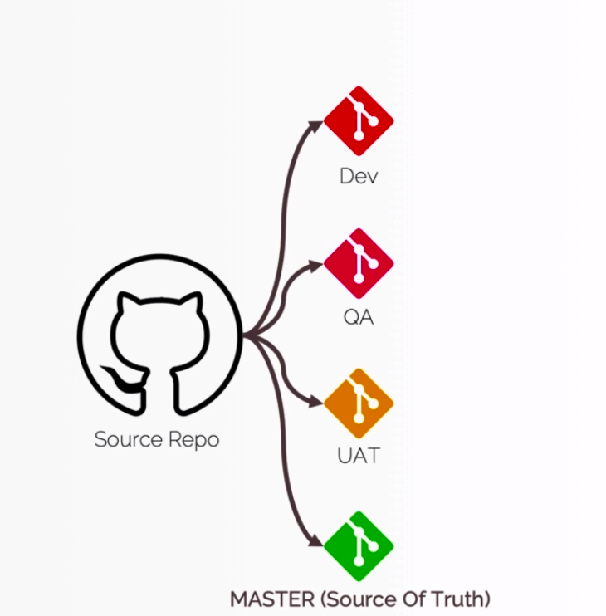

Dev branch: would be mostly used by the developers, so when they will be working on the new functionality or the new features
 | they will be pushing all their metadata in to DEV branch
QA branch: will have the metadata from DEV branch once the development is complete and then we are going to generate our Sandbox
 | or we are going to push this metadata to our QA sandbox. Grom their all the QA testers can perform their testing and if everything
 | goes well, then we can push this metadata to UAT branch
UAT branch: would be performed by the testers or Bas. Now if everything goes well in UAT as well, then we can push these changes to our
 | master branch which is called source of truth.
Master branch: At any point of time our master branch should reflect what is there in our Production Org

Base on the process that we follow in our project we may have more or less branches

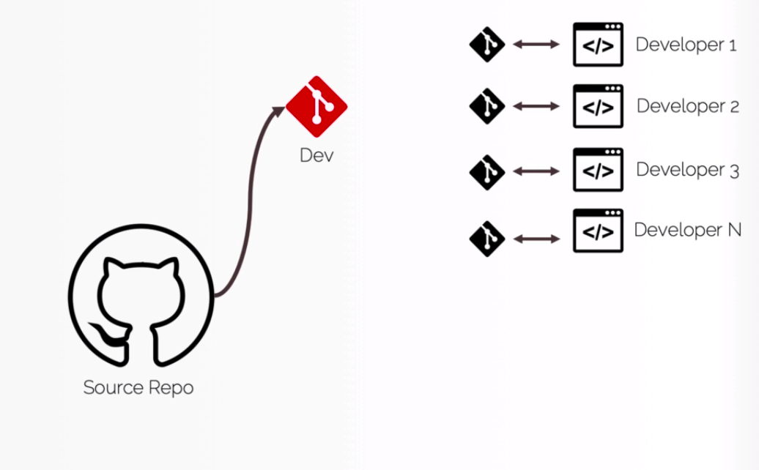

 |  | DEV branch will be used by the developers widely. At a time we can have mutiple developers who working on mutiple user user stories and
 |  | the functionalities. All of the developers will have their own Scratch Orgs and they will have their own private branch and they will
 |  | keep on changing this data in their Scratch Orgs and we will keep on pushing their changes to their private branches. If one this is done
 |  | we will merge the changes of all these private branches to our main DEV branch and the code of all these developers will reflect in our
 |  | DEV branch. From these we can push our metadata to QA branch and from here we can push these changes or metadata to our Sandbox
 |  | or QA Sandbox where would be perform by the testers. If everything goes well in QA as well, then we will push our changes to UAT branch but
 |  | if testers find some bug then we would let our developers know that there is some bug with one of the user stories and then we need to change
 |  | our code or fix this bug. Then we have to go through the same cycle again, the developers would create a new Scratch Org, they will push the new
 |  | changes to their private branch which will be merged with the DEV branch and then we will bring back those changes to QA branch again.
 |  | if the testing pass in our SIT or QA Sanbox then we push these changes to UAT branch and from this UAT branch we will push all our metadata to our
 |  | staging or UAT Org where will be performed by Bas or testers.
 |  | Then finally we can push or merged our metadata to MASTER branch we will deploy the metadata in our Production Org

TrackChangesPullMetadatafromOrg
Track Changes and Pull Metadata from Scratch Org

構成
 | CLISession
 |  | .sfdx
 |  |  | sfdx-config.json
 |  | config
 |  |  | project-scratch-def.json
 |  | force-app
 |  |  | main
 |  |  |  | default
 |  |  |  |  | applications
 |  |  |  |  | classes
 |  |  |  |  |  | TreeListControllerTest
 |  |  |  |  |  | TreeLocationControllerTest
 |  |  |  |  | flexipages
 |  |  |  |  |  | Tree_Plantation.flexipage-meta.xml
 |  |  |  |  | layouts
 |  |  |  |  | lwc
 |  |  |  |  |  | newTreePlantation
 |  |  |  |  |  |  | newTreePlantation.html
 |  |  |  |  |  |  | newTreePlantation.js
 |  |  |  |  |  |  | newTreePlantation.js-meta.xml
 |  |  |  |  |  | treePlantationExplorer
 |  |  |  |  |  |  | treePlantationExplorer.html
 |  |  |  |  |  |  | treePlantationExplorer.js
 |  |  |  |  |  |  | treePlantationExplorer.js-meta.xml
 |  |  |  |  | objects
 |  |  |  |  | permissionsets
 |  |  |  |  |  | TreePlantation.permissionset-meta.xml
 |  |  |  |  | staticresources
 |  |  |  |  | tabs
 |  | manifest
 |  |  | package.xml
 |  | metadata
 |  | sample-data
 |  |  | City__c.json
 |  |  | Tree__c-Tree_Plantation__c-plan.json
 |  |  | Tree__cs.json
 |  |  | Tree_Plantation__cs.json
 | tree-plantation
 |  | force-app
 |  |  | main
 |  |  |  | default
 |  |  |  |  | lwc
 |  |  |  |  |  | newTreePlantation
 |  |  |  |  |  |  | newTreePlantation.html
 |  |  |  |  |  |  | newTreePlantation.js
 |  |  |  |  | staticresources
 |  |  |  |  |  | treeimages
 |  |  |  |  |  |  | __MACOSX | → | Will delete
 |  | sample-data
 |  |  | City__c.json
 |  |  | import-plan.json
 |  |  | Tree__cs.json
 |  |  | Tree_Plantation__cs.json

Status command help us to check components which does not exist in our sfdx project or may be does not exist in our Scratch Org
 | sfdx force:source:status --help
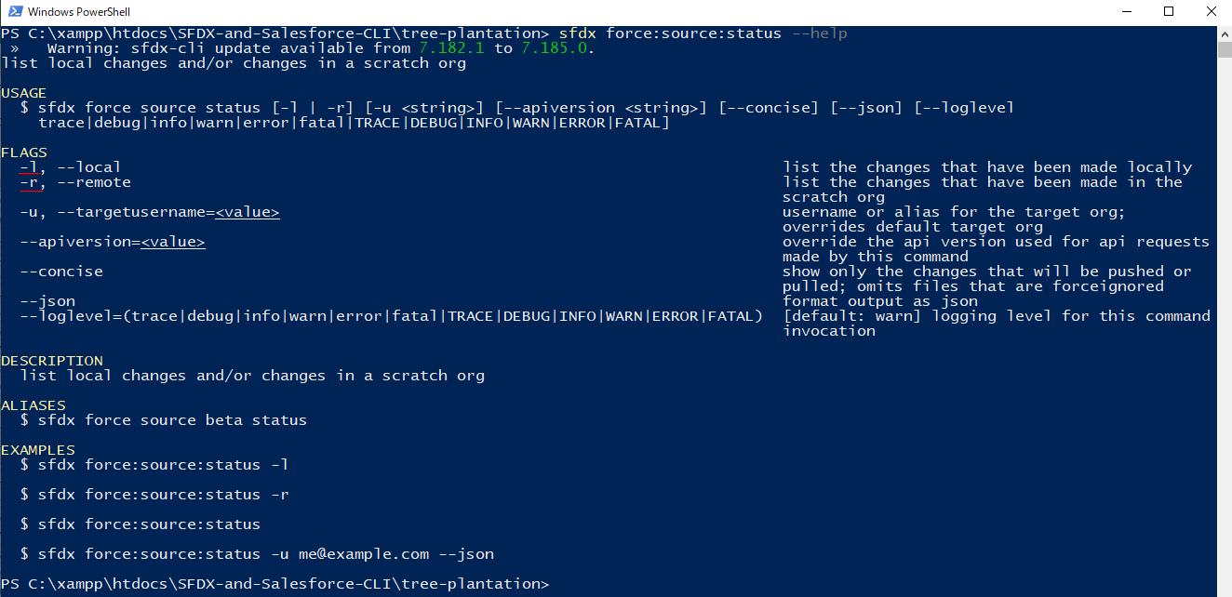

 | -l, --local: Track only local changes
 | -r, --remote: track only the Scratch Org changes

 | Check local
 | sfdx force:source:status -l

 | There are __MACOSX files but we do not need to push to Scratch Org so we can delete these folder

 | rm -r force-app\main\default\staticresources\treeimages\__MACOSX

 | run command again
 | sfdx force:source:status -l

 | Check Scratch Org
 | sfdx force:source:status -r

 | Pull to local
 | sfdx force:source:pull

 | Check again

Make some small changes in our Permission Set
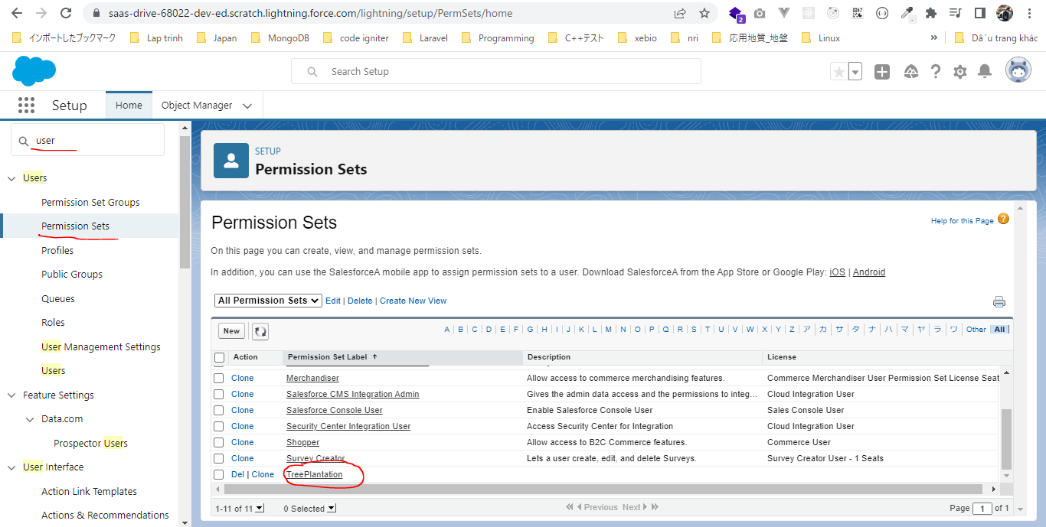

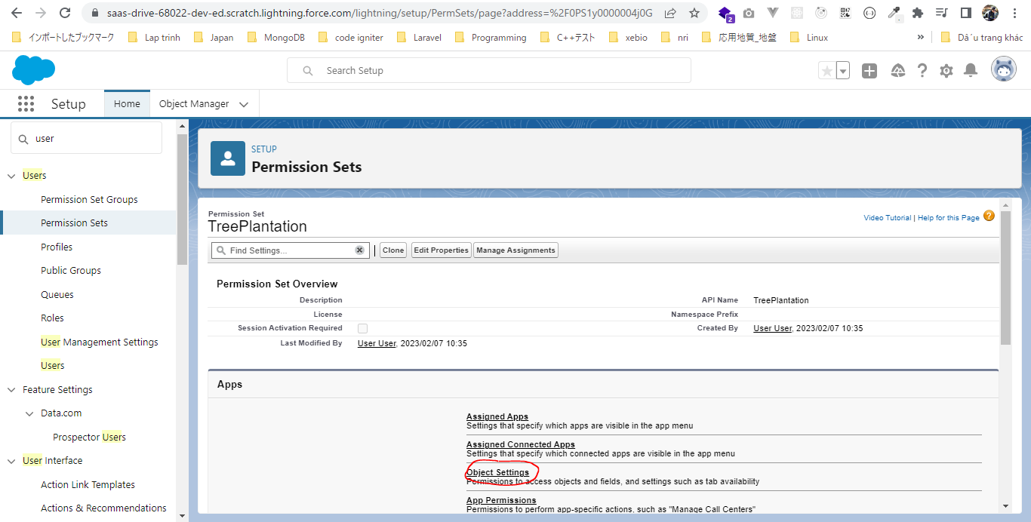

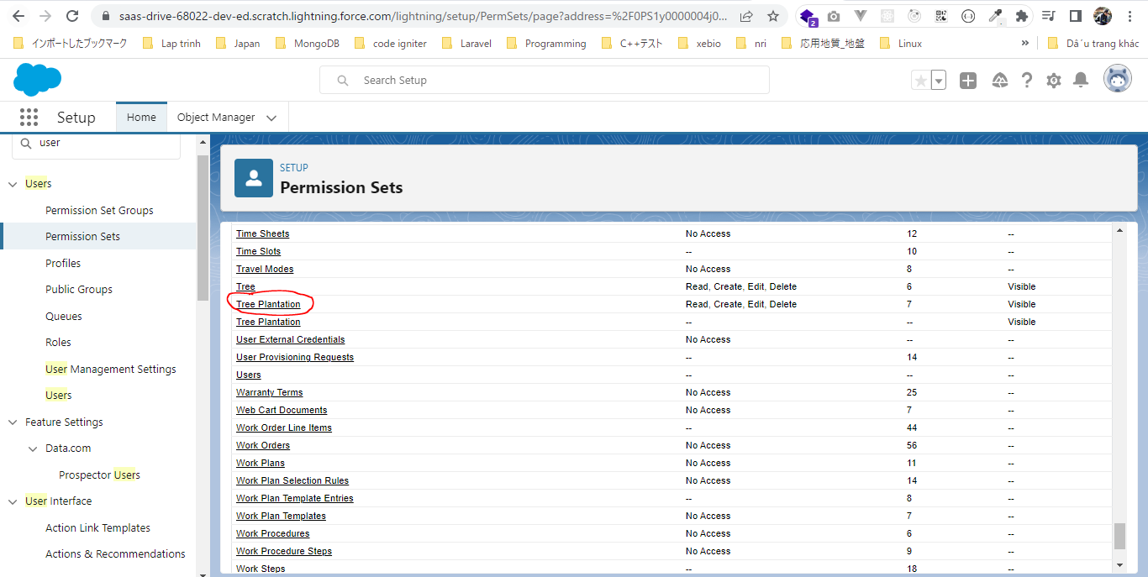

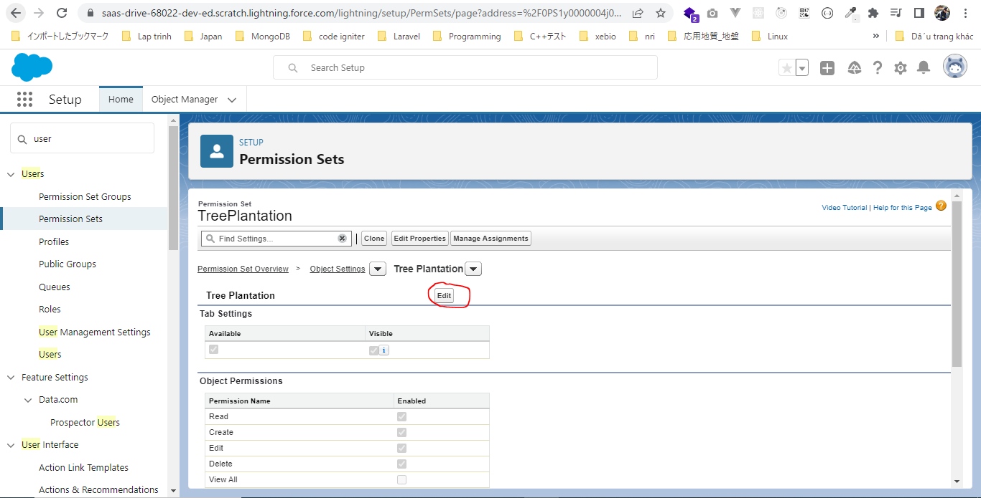

 | Check out
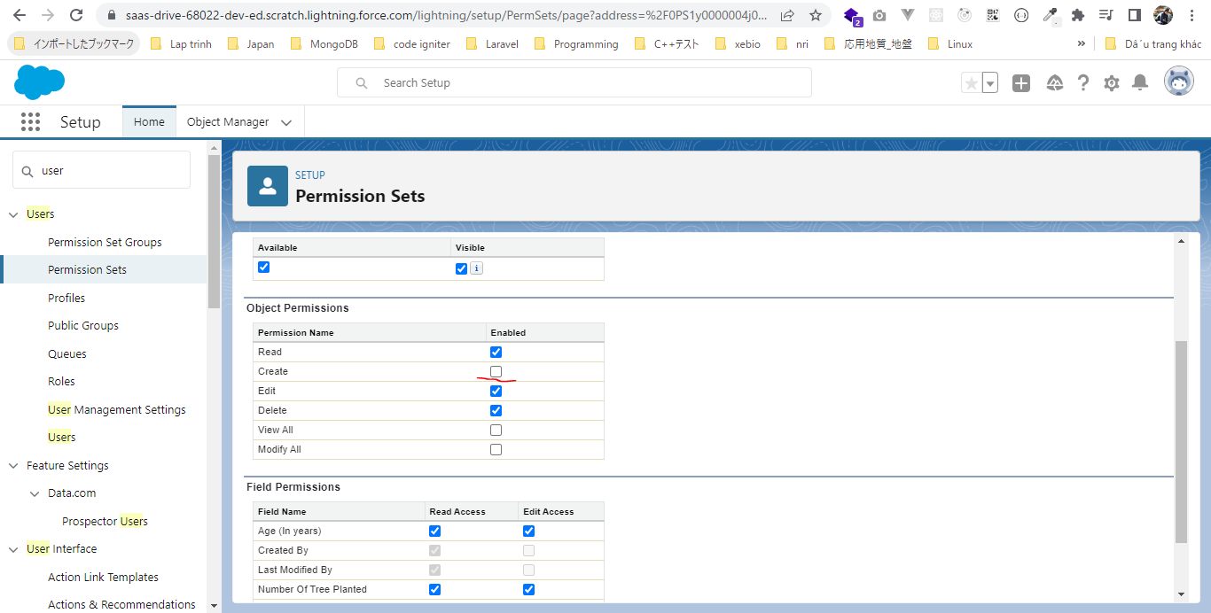

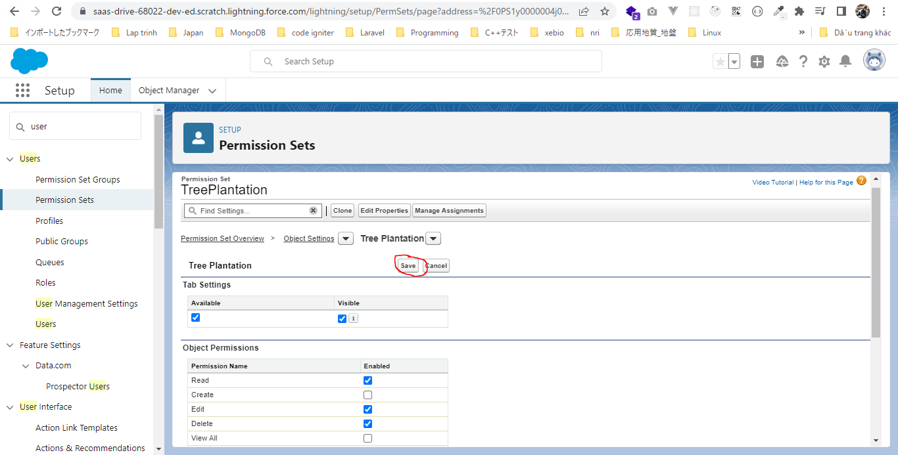

Run status command again
 | sfdx force:source:status -r

 | sfdx force:source:pull

 | Check status again
 | sfdx force:source:status -r

Develop Application 1
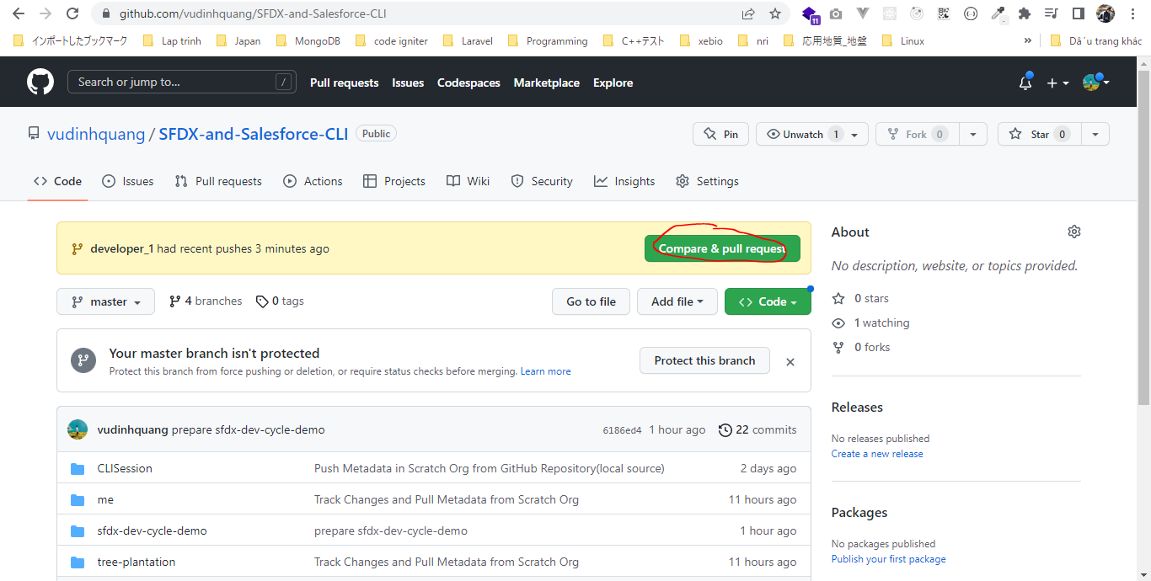
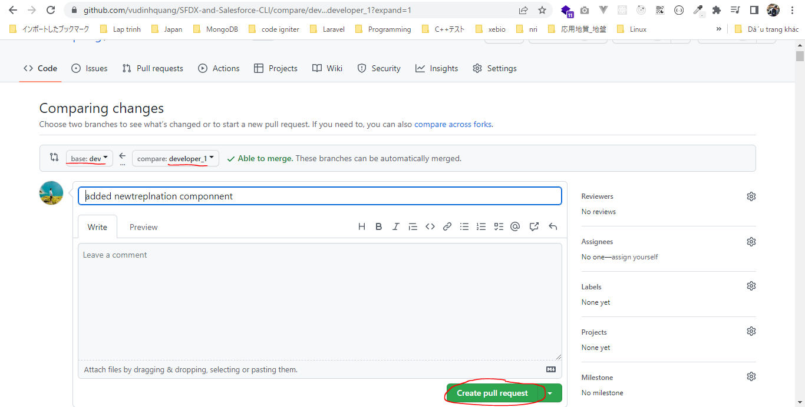
構成
 | CLISession
 |  | .sfdx
 |  |  | sfdx-config.json
 |  | config
 |  |  | project-scratch-def.json
 |  | force-app
 |  |  | main
 |  |  |  | default
 |  |  |  |  | applications
 |  |  |  |  | classes
 |  |  |  |  |  | TreeListControllerTest
 |  |  |  |  |  | TreeLocationControllerTest
 |  |  |  |  | flexipages
 |  |  |  |  |  | Tree_Plantation.flexipage-meta.xml
 |  |  |  |  | layouts
 |  |  |  |  | lwc
 |  |  |  |  |  | newTreePlantation
 |  |  |  |  |  |  | newTreePlantation.html
 |  |  |  |  |  |  | newTreePlantation.js
 |  |  |  |  |  |  | newTreePlantation.js-meta.xml
 |  |  |  |  |  | treePlantationExplorer
 |  |  |  |  |  |  | treePlantationExplorer.html
 |  |  |  |  |  |  | treePlantationExplorer.js
 |  |  |  |  |  |  | treePlantationExplorer.js-meta.xml
 |  |  |  |  | objects
 |  |  |  |  | permissionsets
 |  |  |  |  |  | TreePlantation.permissionset-meta.xml
 |  |  |  |  | staticresources
 |  |  |  |  | tabs
 |  | manifest
 |  |  | package.xml
 |  | metadata
 |  | sample-data
 |  |  | City__c.json
 |  |  | Tree__c-Tree_Plantation__c-plan.json
 |  |  | Tree__cs.json
 |  |  | Tree_Plantation__cs.json
 | sfdx-dev-cycle-demo
 |  | force-app
 |  |  | main
 |  |  |  | default
 |  |  |  |  | lwc
 |  |  |  |  |  | newTreePlantation |  | → | will create this component
 |  |  |  |  |  |  | newTreePlantation.html
 |  |  |  |  |  |  | newTreePlantation.js
 |  |  |  |  |  | treePlantationExplorer
 |  |  |  |  |  |  | treePlantationExplorer.html | → | edit
 | tree-plantation
 |  | force-app
 |  |  | main
 |  |  |  | default
 |  |  |  |  | lwc
 |  |  |  |  |  | newTreePlantation
 |  |  |  |  |  |  | newTreePlantation.html
 |  |  |  |  |  |  | newTreePlantation.js
 |  |  |  |  | staticresources
 |  |  |  |  |  | treeimages
 |  | sample-data
 |  |  | City__c.json
 |  |  | import-plan.json
 |  |  | Tree__cs.json
 |  |  | Tree_Plantation__cs.json

Create dev branch from master branch
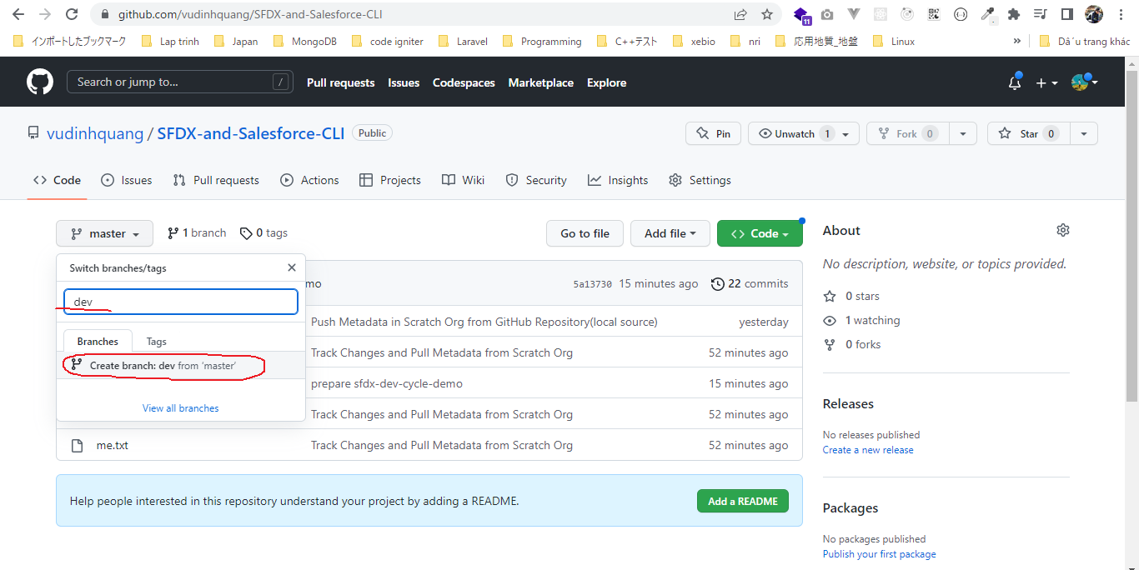

Create qa branch from master branch
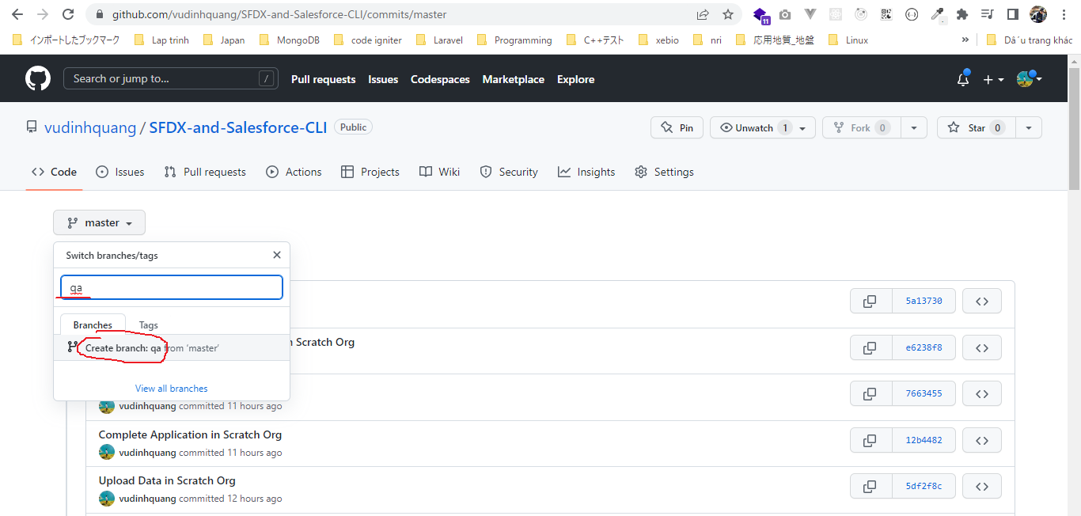

A typical developer would clone dev branch in his branch local system and then he can start developing on it
 | Checkout to dev branch
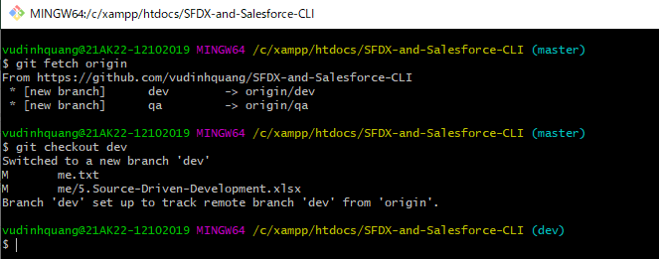

 | Create new branch to start create a new Lightning Web Component

Auth to Dev Hub Org
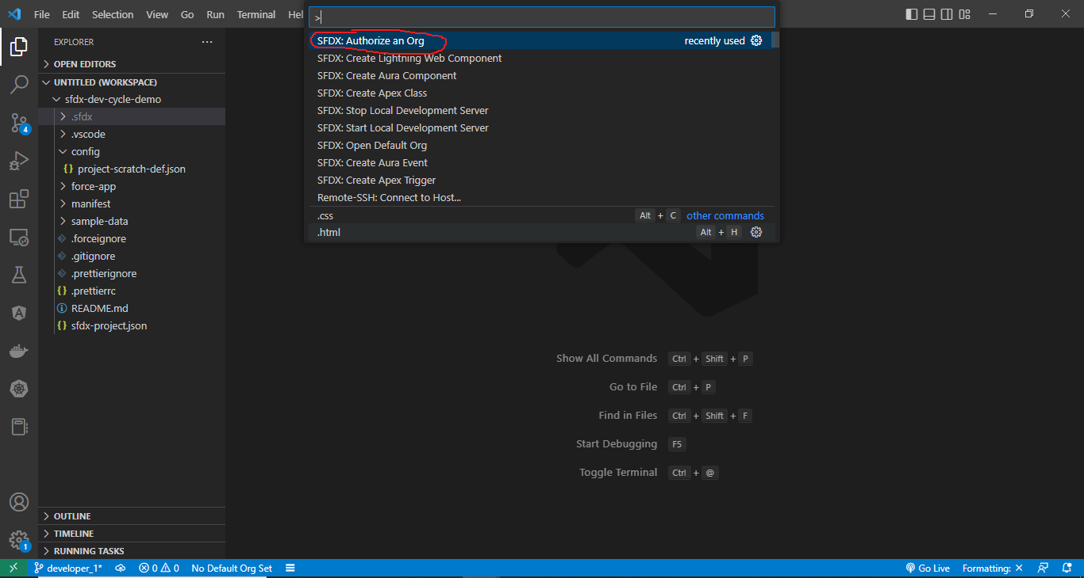

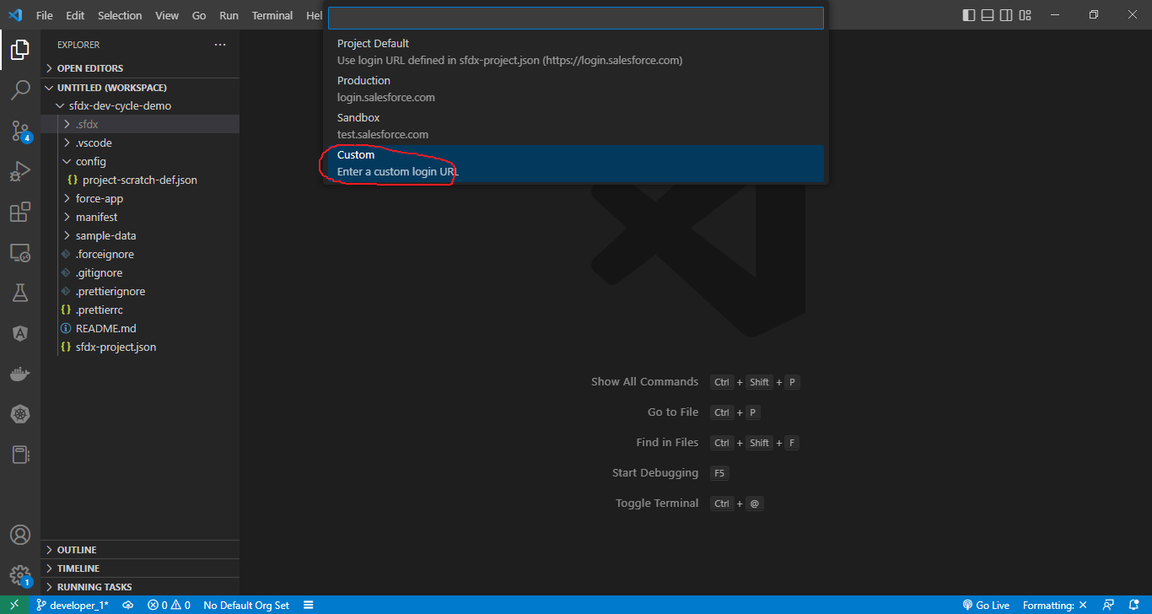

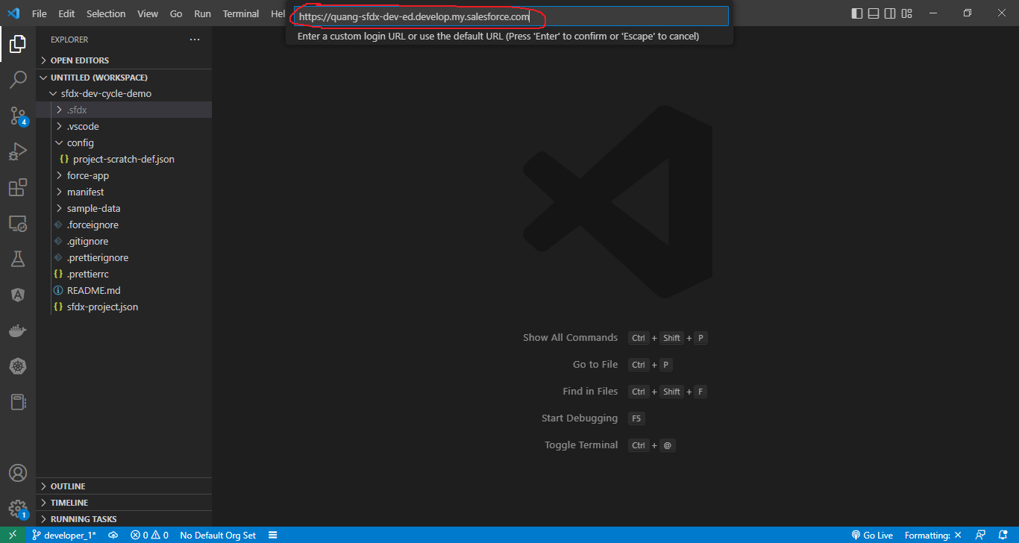

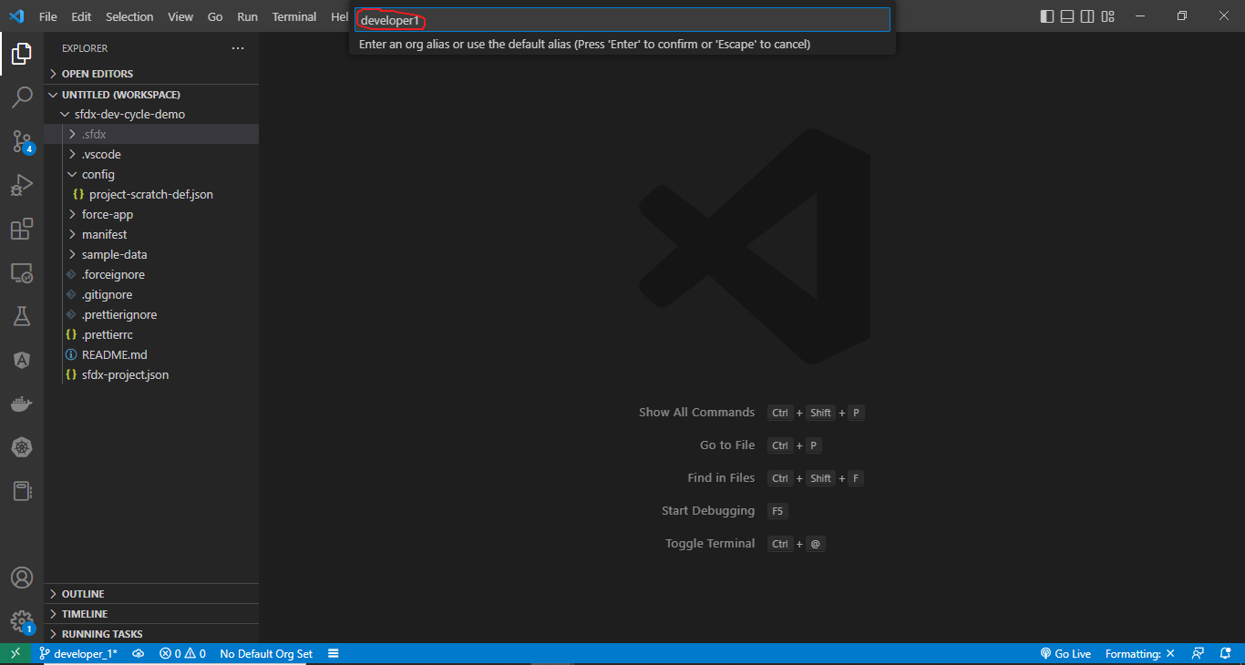

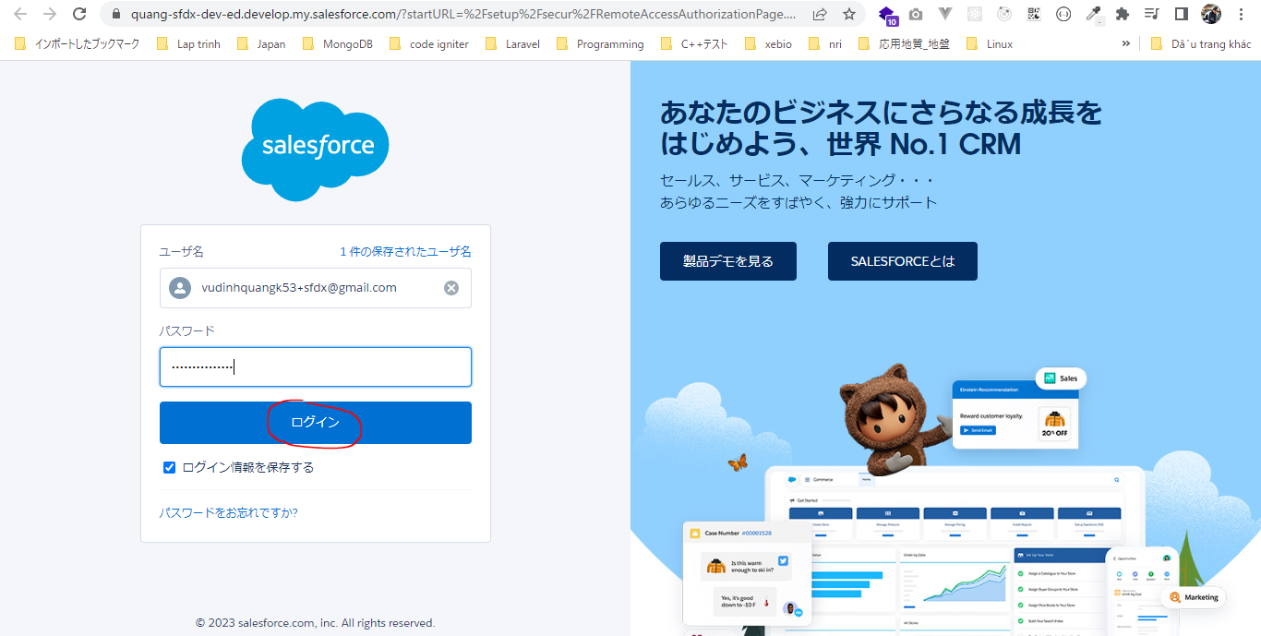

Login
 | sfdx force:auth:web:login -a developer1 -d -s
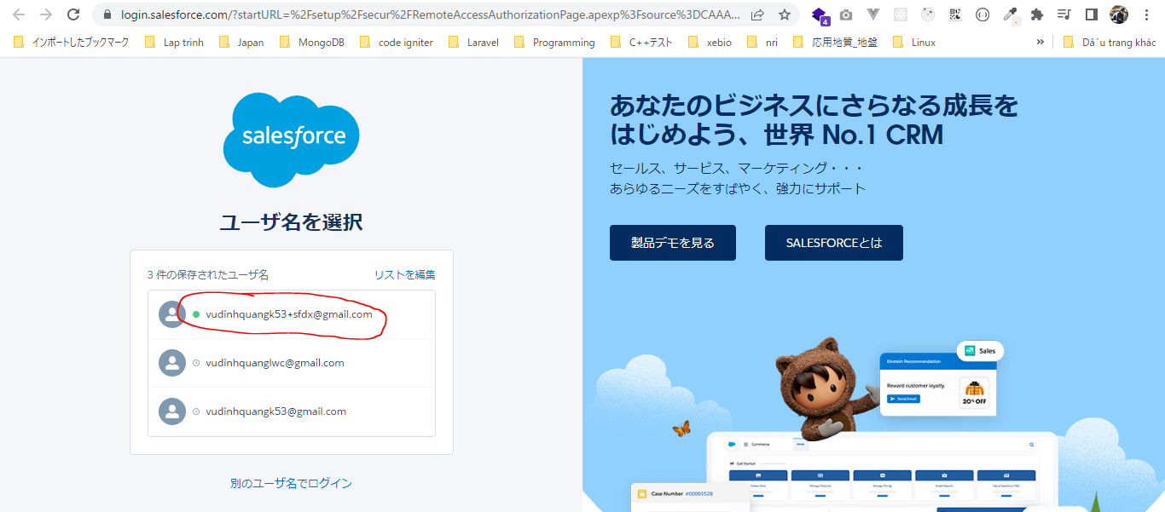

 | sfdx force:org:list

 | sfdx force:config:set defaultusername=developer1
 | sfdx force:config:set defaultdevhubusername=vudinhquangk53+sfdx@gmail.com

 | Check file
 | SFDX-and-Salesforce-CLI\sfdx-dev-cycle-demo\.sfdx\sfdx-config.json
 | {
 | "defaultusername": "developer1",
 | "defaultdevhubusername": "vudinhquangk53+sfdx@gmail.com"
 | }

 | sfdx force:org:list

 |  |  |  |  |  |  |  |  |  | → | Updated(sfdx force:config:set defaultusername=developer1)

 | Create Scratch Org
 | sfdx force:org:create -a developer1 -d 30 -f config/project-scratch-def.json -s

 |  | scratch org |  |  | username
 |  | 00D6D0000003YqRUAU |  |  | test-wx6prp0ejinr@example.com

 | sfdx force:org:list

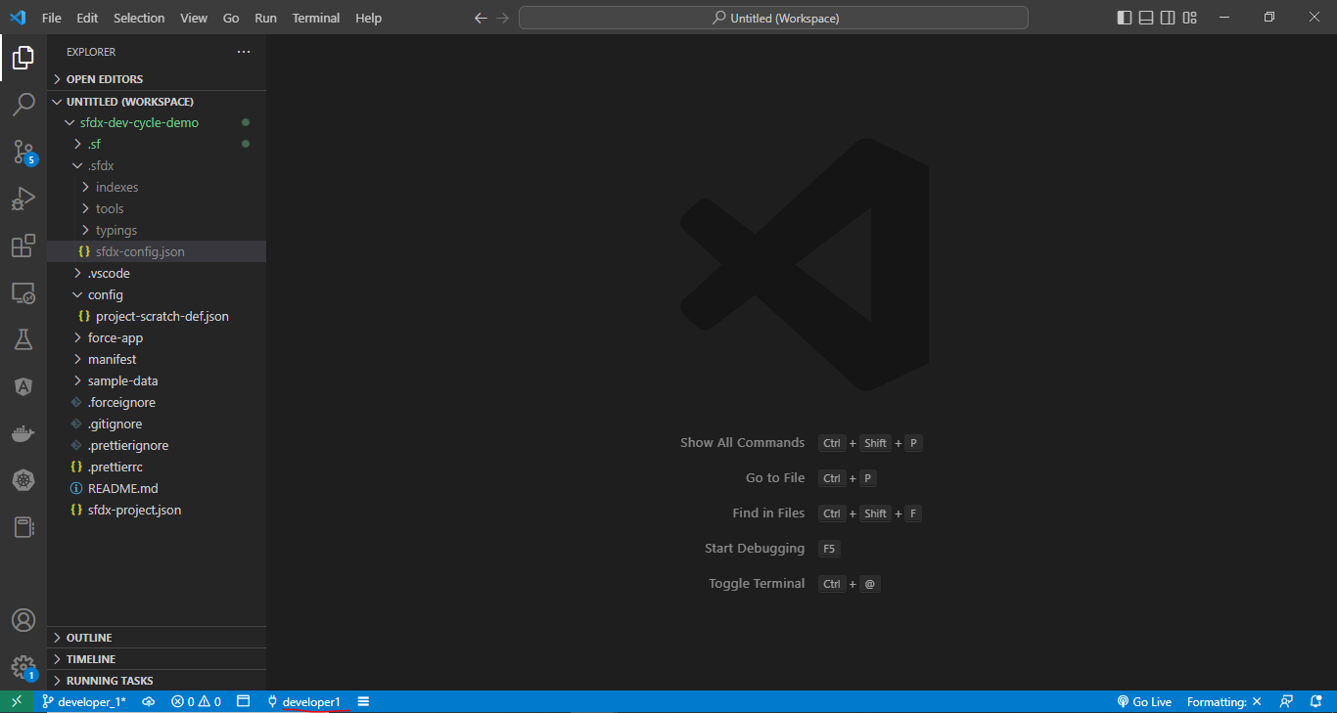

Create newTreePlantation component
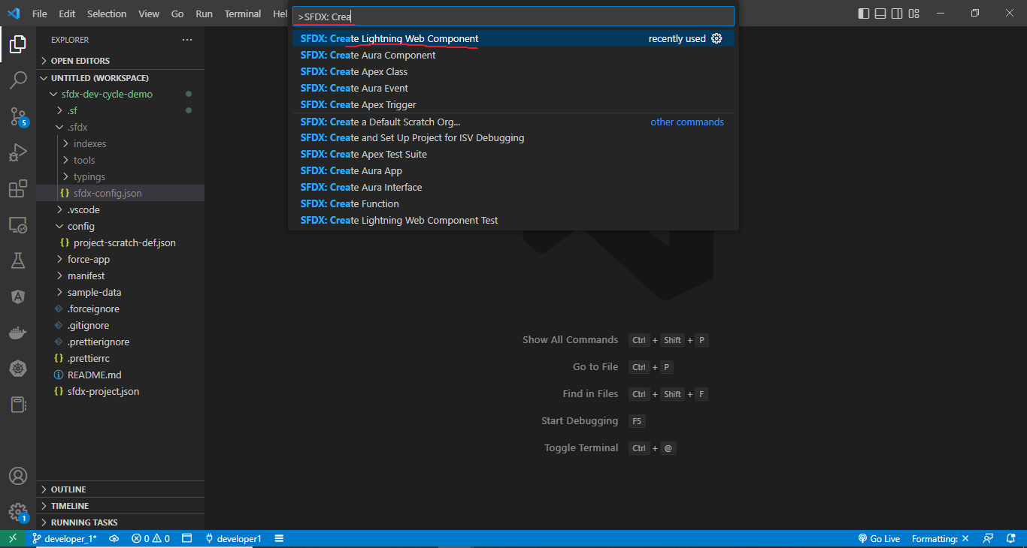

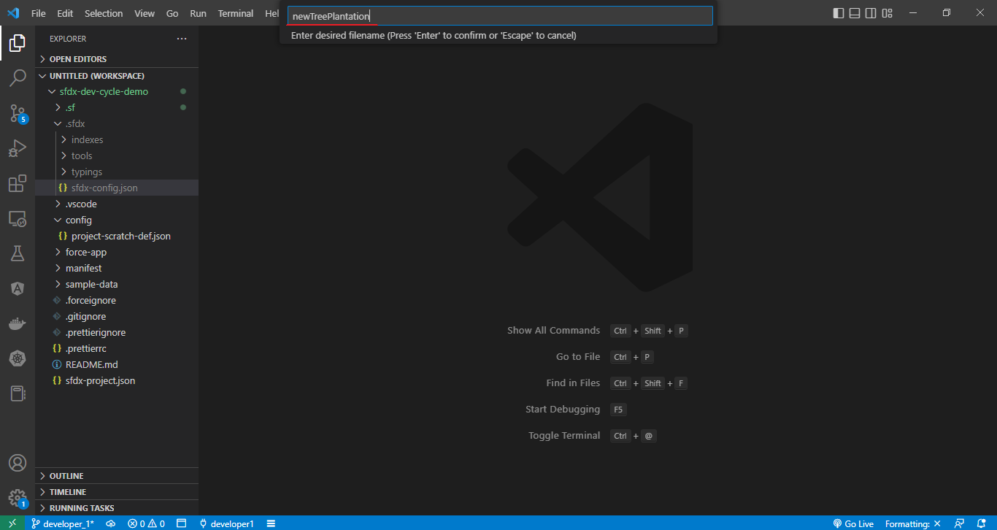

SFDX-and-Salesforce-CLI\sfdx-dev-cycle-demo\force-app\main\default\lwc\newTreePlantation\newTreePlantation.html
 | <template>
 | <lightning-card>
 | <lightning-button slot="actions" label="Record New Plantation" variant="brand" onclick={recordNewPlantation}>
 | </lightning-button>
 | <template if:true={showForm}>
 | <lightning-record-form object-api-name="Tree_Plantation__c"
 | record-id={recordId}
 | layout-type="Full"
 | mode={mode}
 | onsuccess={handleSuccess}>
 | </lightning-record-form>
 | </template>
 | </lightning-card>
 | </template>

SFDX-and-Salesforce-CLI\sfdx-dev-cycle-demo\force-app\main\default\lwc\newTreePlantation\newTreePlantation.js
 | import { LightningElement, track } from 'lwc';
 | import { ShowToastEvent } from 'lightning/platformShowToastEvent';

 | export default class NewTreePlantation extends LightningElement {

 | @track recordId;
 | @track showForm = false;

 | recordNewPlantation(){
 | this.showForm = true;
 | this.recordId = undefined;
 | }

 | handleSuccess(event) {
 | const evt = new ShowToastEvent({
 | title: "Plantation Recorded",
 | message: "Record ID: " + event.detail.id,
 | variant: "success"
 | });
 | this.dispatchEvent(evt);
 | }

 | get mode(){
 | return this.recordId ? 'view' : 'edit';
 | }
 | }

SFDX-and-Salesforce-CLI\sfdx-dev-cycle-demo\force-app\main\default\lwc\treePlantationExplorer\treePlantationExplorer.html
 | <template>
 | <lightning-tabset>
 | <lightning-tab label="Tree List" >
 | <c-tree-list></c-tree-list>
 | </lightning-tab>
 | <lightning-tab label="New Plantation">
 | <c-new-tree-plantation ></c-new-tree-plantation>
 | </lightning-tab>
 | </lightning-tabset>
 | </template>

push to Scratch Org
 | sfdx force:source:push
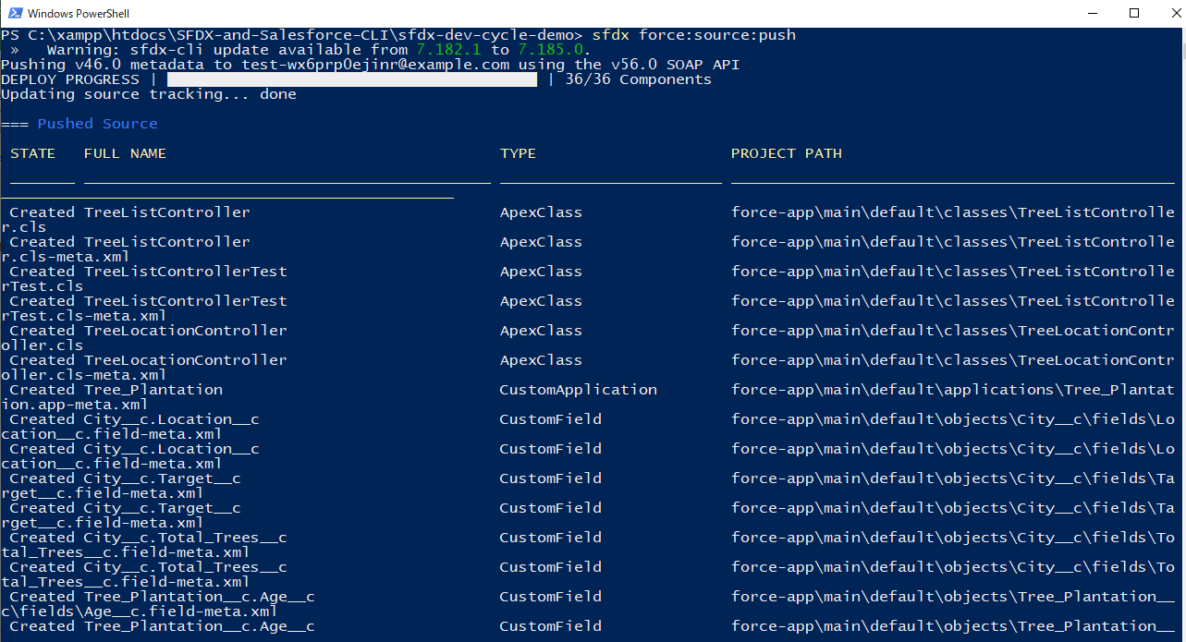

Assign Permission Set
 | sfdx force:user:permset:assign -n TreePlantation

Open Scratch Org to test
 | sfdx force:org:open

Commit
 | git add sfdx-dev-cycle-demo/
 | git commit -m 'added newtreplnation componnent'
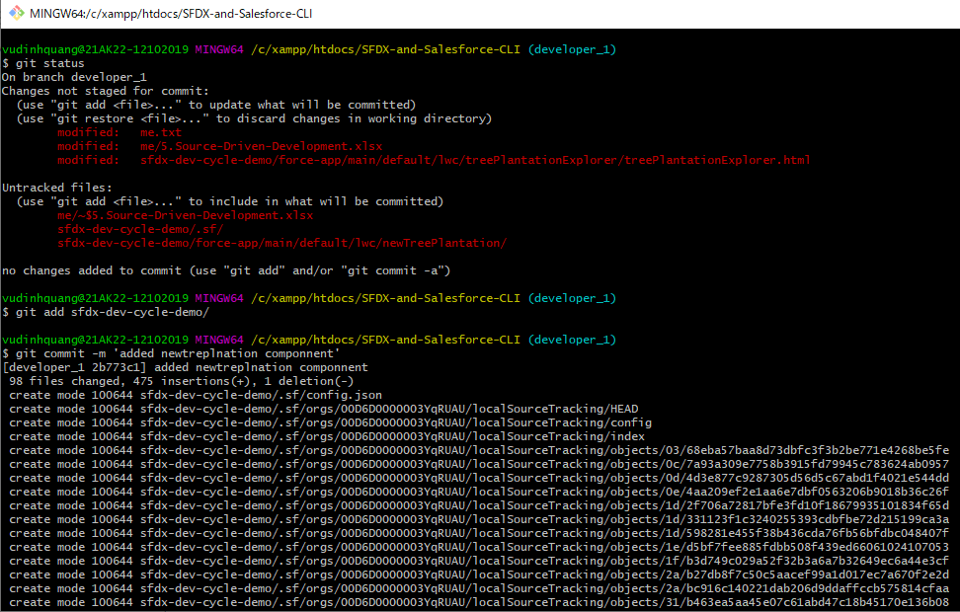

Push to remote
 | git push origin developer_1
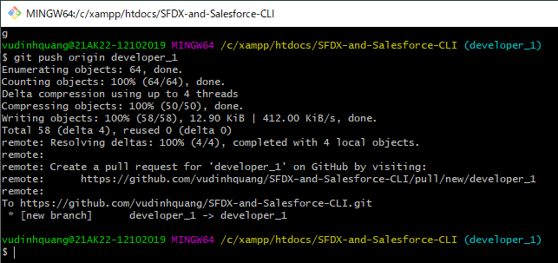

Pull request

