RetrieveMetaDataUsingMdapiTopic
Retrieve Metadata - using "mdapi" topic

 | We have authorized our Salesforce Org to work with our sfdx project. Which means now our sfdx project can connect with our Salesforce Org and it can retrieve the metadata or deploy
 | the metadata.
 | This part we are going to retrieve the content of CLISession\manifest\package.xml file. Before we retrieve the content we need to know about the source format and metadata format
 | Source format is something that our sfdx project understand, so if we retrieve the metadata from our Salesforce Org, our sfdx project can not directly work with that metadata. This metadata
 | has to be in the source format because the source format files are smaller that means they are more understandable and our sfdx project can only work with the soure format where the
 | metadata format files are relatively bigger files and our sfdx project can not work with the metadata files directly

 | There are 2 topics that we have in Salesforce CLI to retrieve our metadata from Salesforce Org are source topic and mdapi topic
 | source topic can be used with normal Salesforce Orgs like Dev Hub, Dev Org, Sandbox Org, Production Org and can also be used with the Scratch Org. The metadata that we will retrieve
 | using the source topic will be directly converted to the source format and we can directly work with this metadata. Also the source topic commands like push and pull they can track
 | changes between our local sfdx project with exists in our local system and our Scratch Org wich means that if we change something in our local project, it can be synced with our
 | Scratch Org and if we change something in our Scratch Org it can be pulled down to our local project as well
 | mdapi topic can not be used with the Scratch Org, we can use it with the Developer Edition Org, Sandbox or Production Org but can not be used with the Scratch Org. The metadata that
 | we will retrieve using mdapi topic will be in the metadata format onlly so we have to convert it to the source format so that we can work with this metadata. It can not track the
 | changes between our local sfdx project with our Salesforce Org so we have to actually track those changes and deploy or retrieve the files that have been changed
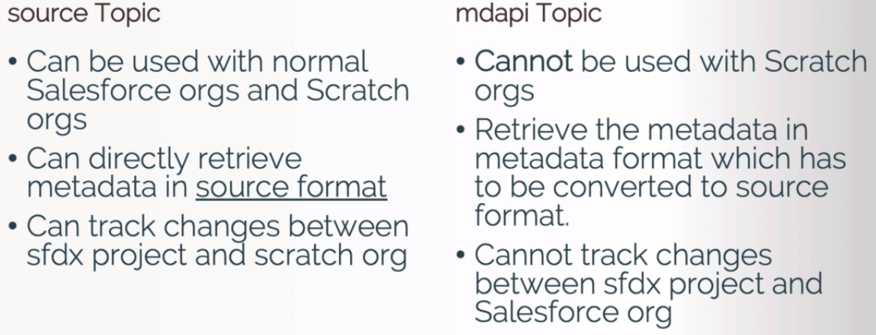

構成
 | CLISession
 |  | metadata | → | Create this folder

GitHub source
 | https://github.com/choudharymanish8585/tree-plantation
 | 1. Clone GitHub repo

 | 2. Open the repo root folder in VS Code

 | 3. Open terminal in this project root folder, or terminal window in VS Code

 | 4. Authorize a dev hub, or authorize a Salesforce Org

 | 5. Optional - Create a new scratch org

 | 6. Push/Deploy metadata in your Scratch Org/Salesforce Org

 | 1. Clone GitHub repo
 | 2. Open the repo root folder in VS Code
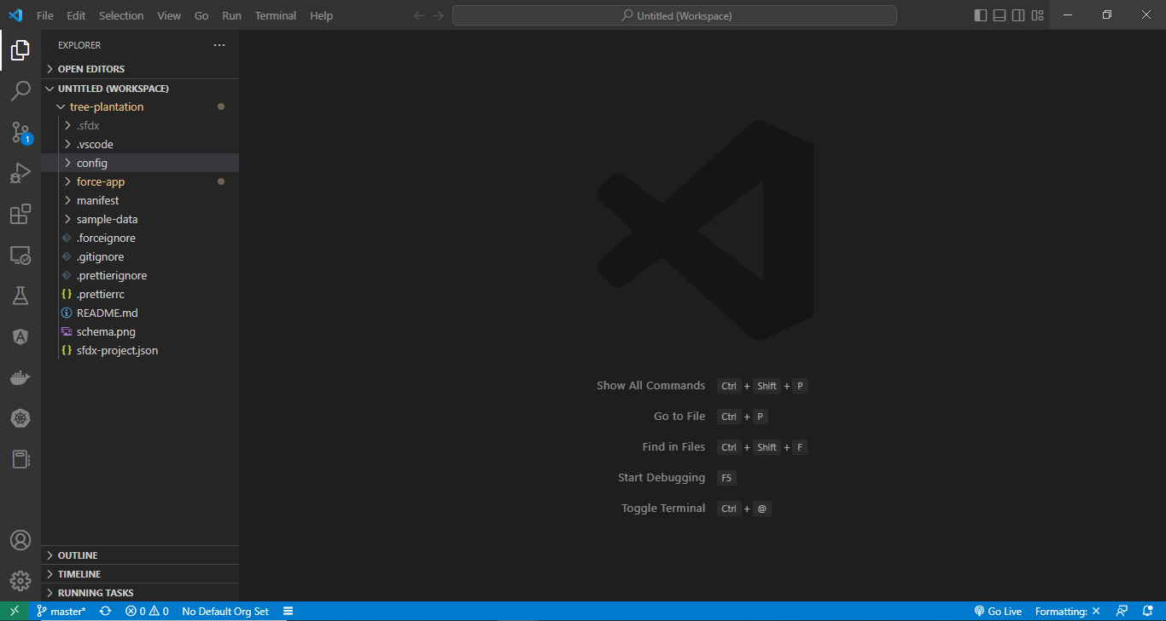

 | 3. Open terminal in this project root folder, or terminal window in VS Code
 | 4. Authorize a dev hub, or authorize a Salesforce Org
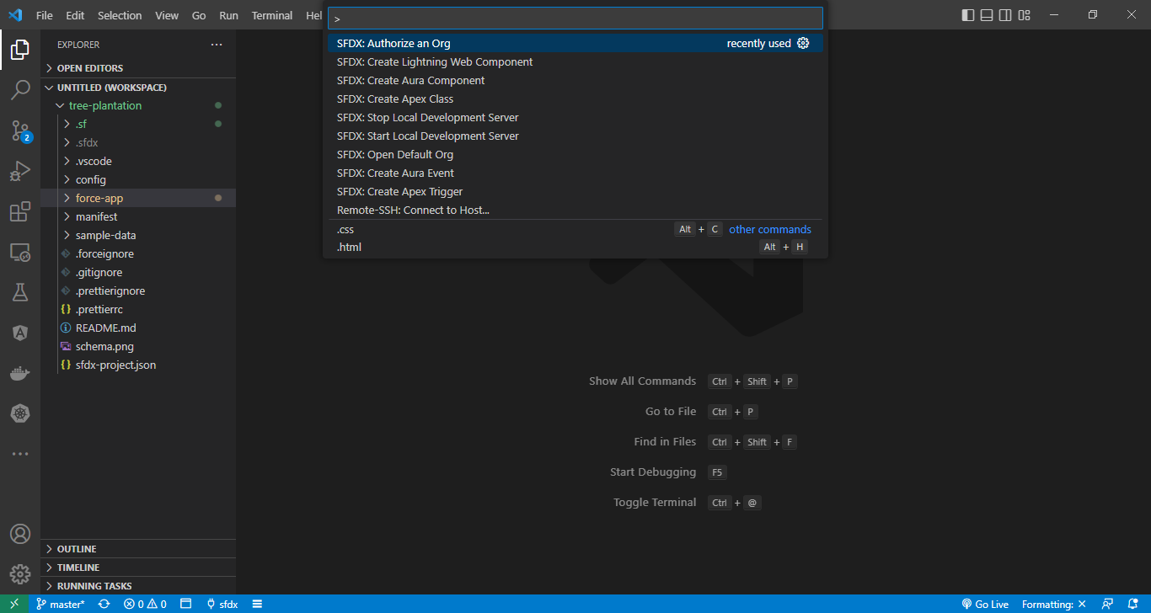

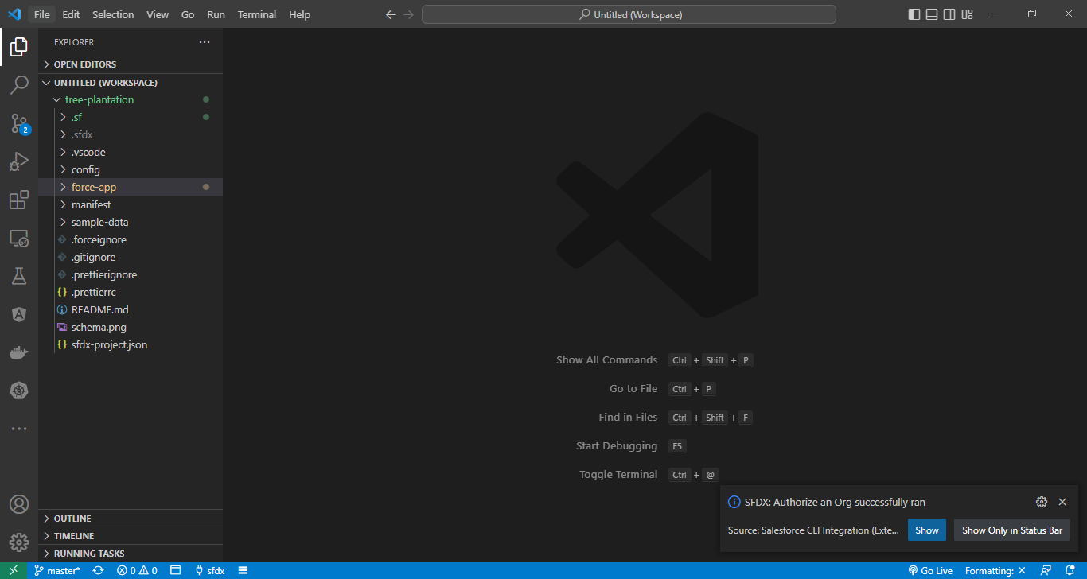

 | 6. Push/Deploy metadata in your Scratch Org/Salesforce Org
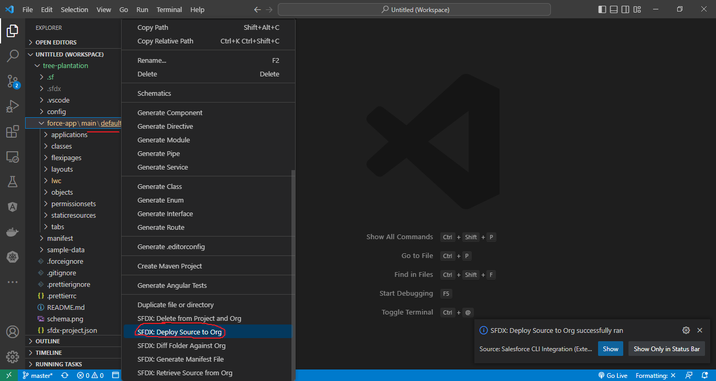

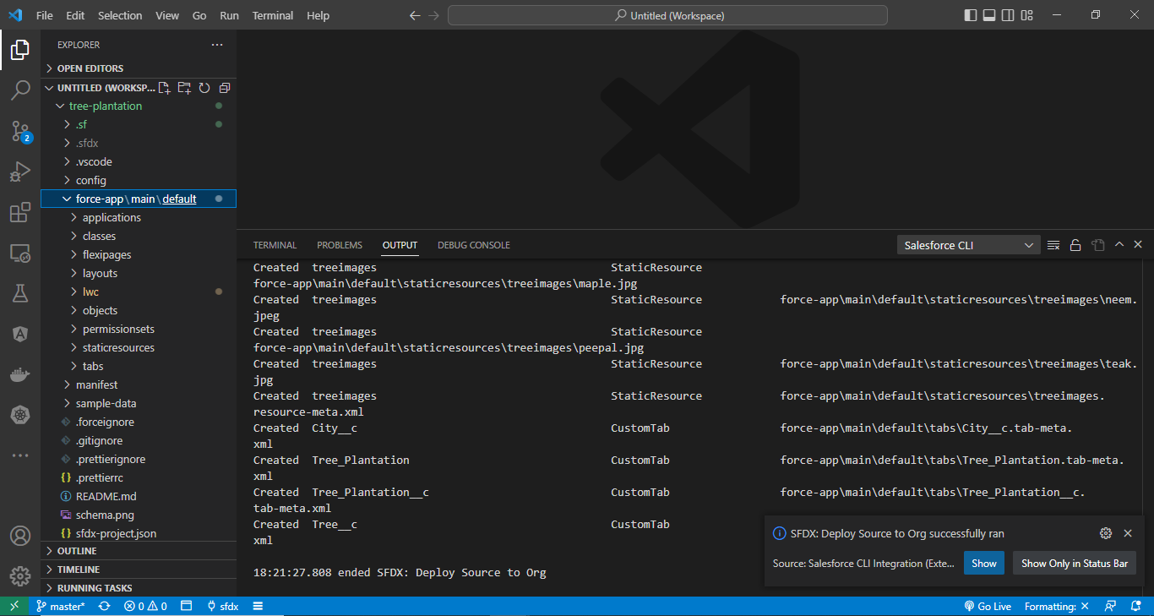

 | sfdx force:mdapi:retrieve --help
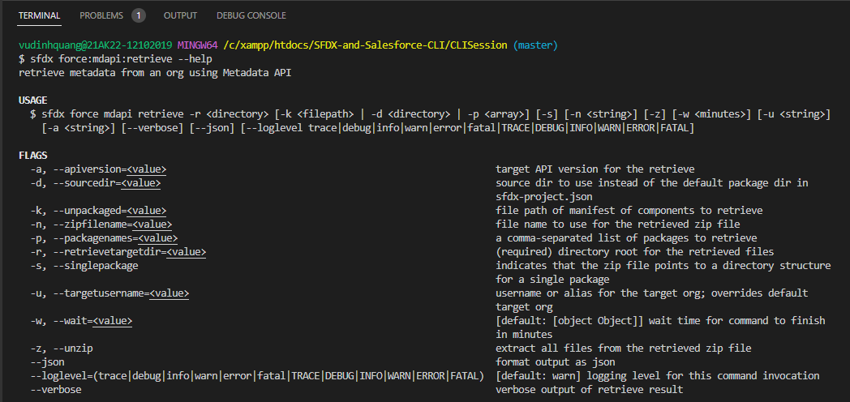

 | -d: default value is force-app

 | sfdx force:mdapi:retrieve -k manifest/package.xml -r metadata

 | this zip file has all our metadata which has been defined in the CLISession\manifest\package.xml fine

 | unzip metadata/unpackaged.zip -d metadata/
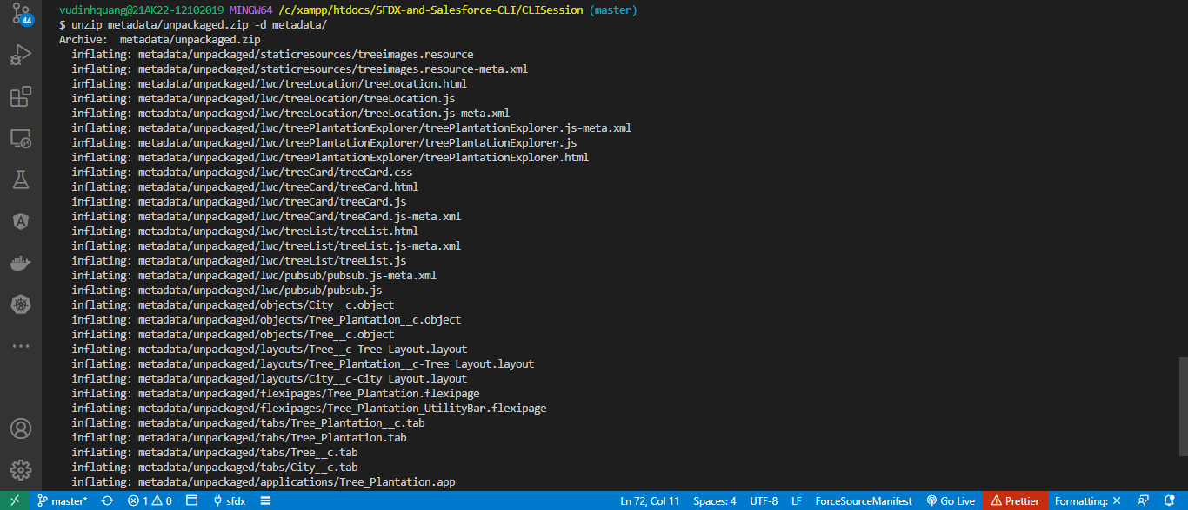

 | Convert to source format
 | sfdx force:mdapi:convert --help
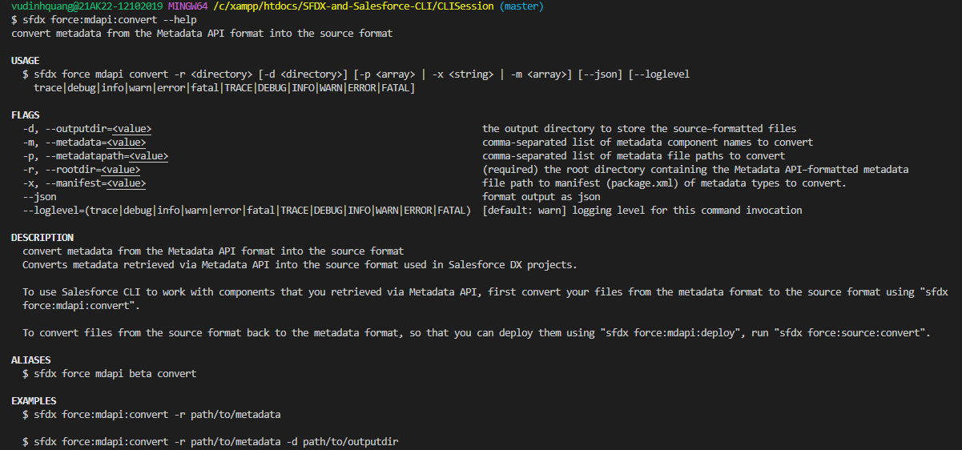

 | sfdx force:mdapi:convert -r metadata/unpackaged -d force-app/
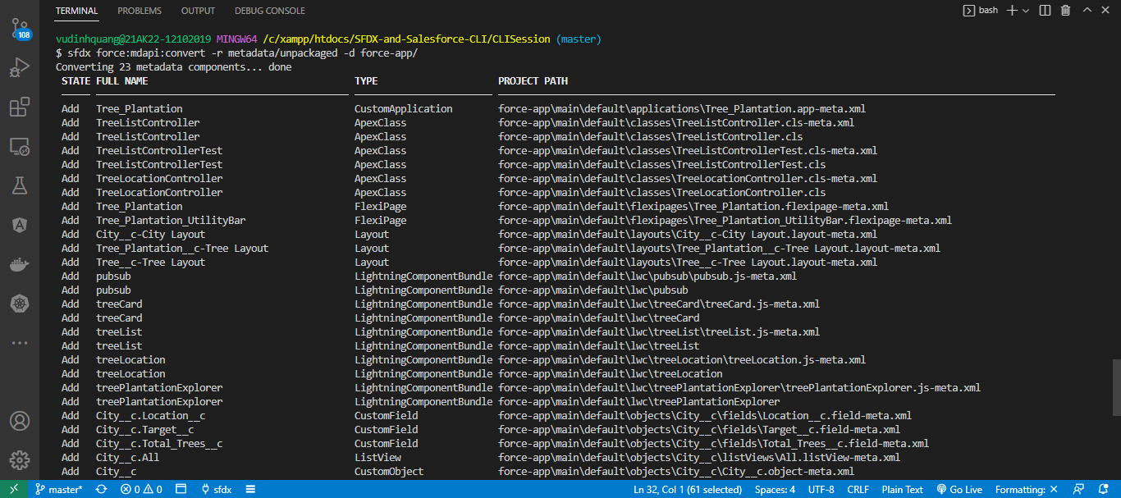

 | STATE FULL NAME TYPE PROJECT PATH
 | ───── ──────────────────────────────────────────── ──────────────────────── ───────────────────────────────────────────────────────────────────────
 | Add Tree_Plantation CustomApplication force-app\main\default\applications\Tree_Plantation.app-meta.xml
 | Add TreeListController ApexClass force-app\main\default\classes\TreeListController.cls-meta.xml
 | Add TreeListController ApexClass force-app\main\default\classes\TreeListController.cls
 | Add TreeListControllerTest ApexClass force-app\main\default\classes\TreeListControllerTest.cls-meta.xml
 | Add TreeListControllerTest ApexClass force-app\main\default\classes\TreeListControllerTest.cls
 | Add TreeLocationController ApexClass force-app\main\default\classes\TreeLocationController.cls-meta.xml
 | Add TreeLocationController ApexClass force-app\main\default\classes\TreeLocationController.cls
 | Add Tree_Plantation FlexiPage force-app\main\default\flexipages\Tree_Plantation.flexipage-meta.xml
 | Add Tree_Plantation_UtilityBar FlexiPage force-app\main\default\flexipages\Tree_Plantation_UtilityBar.flexipage-
 | Add City__c-City Layout Layout force-app\main\default\layouts\City__c-City Layout.layout-meta.xml
 | Add Tree_Plantation__c-Tree Layout Layout force-app\main\default\layouts\Tree_Plantation__c-Tree Layout.layout-me
 | Add Tree__c-Tree Layout Layout force-app\main\default\layouts\Tree__c-Tree Layout.layout-meta.xml
 | Add pubsub LightningComponentBundle force-app\main\default\lwc\pubsub\pubsub.js-meta.xml
 | Add pubsub LightningComponentBundle force-app\main\default\lwc\pubsub
 | Add treeCard LightningComponentBundle force-app\main\default\lwc\treeCard\treeCard.js-meta.xml
 | Add treeCard LightningComponentBundle force-app\main\default\lwc\treeCard
 | Add treeList LightningComponentBundle force-app\main\default\lwc\treeList\treeList.js-meta.xml
 | Add treeList LightningComponentBundle force-app\main\default\lwc\treeList
 | Add treeLocation LightningComponentBundle force-app\main\default\lwc\treeLocation\treeLocation.js-meta.xml
 | Add treeLocation LightningComponentBundle force-app\main\default\lwc\treeLocation
 | Add treePlantationExplorer LightningComponentBundle force-app\main\default\lwc\treePlantationExplorer\treePlantationExplore
 | Add treePlantationExplorer LightningComponentBundle force-app\main\default\lwc\treePlantationExplorer
 | Add City__c.Location__c CustomField force-app\main\default\objects\City__c\fields\Location__c.field-meta.xm
 | Add City__c.Target__c CustomField force-app\main\default\objects\City__c\fields\Target__c.field-meta.xml
 | Add City__c.Total_Trees__c CustomField force-app\main\default\objects\City__c\fields\Total_Trees__c.field-meta
 | Add City__c.All ListView force-app\main\default\objects\City__c\listViews\All.listView-meta.xml
 | Add City__c CustomObject force-app\main\default\objects\City__c\City__c.object-meta.xml
 | Add City__c CustomObject force-app\main\default\objects\City__c
 | Add Tree_Plantation__c.Age__c CustomField force-app\main\default\objects\Tree_Plantation__c\fields\Age__c.field-m
 | Add Tree_Plantation__c.Number_Of_Tree_Planted__c CustomField force-app\main\default\objects\Tree_Plantation__c\fields\Number_Of_Tree
 | Add Tree_Plantation__c.Planted_In__c CustomField force-app\main\default\objects\Tree_Plantation__c\fields\Planted_In__c.
 | Add Tree_Plantation__c.Tree__c CustomField force-app\main\default\objects\Tree_Plantation__c\fields\Tree__c.field-
 | Add Tree_Plantation__c.All ListView force-app\main\default\objects\Tree_Plantation__c\listViews\All.listVie
 | Add Tree_Plantation__c CustomObject force-app\main\default\objects\Tree_Plantation__c\Tree_Plantation__c.ob
 | Add Tree_Plantation__c CustomObject force-app\main\default\objects\Tree_Plantation__c
 | Add Tree__c.Benefit__c CustomField force-app\main\default\objects\Tree__c\fields\Benefit__c.field-meta.xml
 | Add Tree__c.Picture__c CustomField force-app\main\default\objects\Tree__c\fields\Picture__c.field-meta.xml
 | Add Tree__c.All ListView force-app\main\default\objects\Tree__c\listViews\All.listView-meta.xml
 | Add Tree__c CustomObject force-app\main\default\objects\Tree__c\Tree__c.object-meta.xml
 | Add Tree__c CustomObject force-app\main\default\objects\Tree__c
 | Add TreePlantation PermissionSet force-app\main\default\permissionsets\TreePlantation.permissionset-meta

 | Add treeimages StaticResource force-app\main\default\staticresources\treeimages
 | Add City__c CustomTab force-app\main\default\tabs\City__c.tab-meta.xml
 | Add Tree_Plantation CustomTab force-app\main\default\tabs\Tree_Plantation.tab-meta.xml
 | Add Tree_Plantation__c CustomTab force-app\main\default\tabs\Tree_Plantation__c.tab-meta.xml
 | Add Tree__c CustomTab force-app\main\default\tabs\Tree__c.tab-meta.xml

RetrieveMetadataUsingSourceTopi
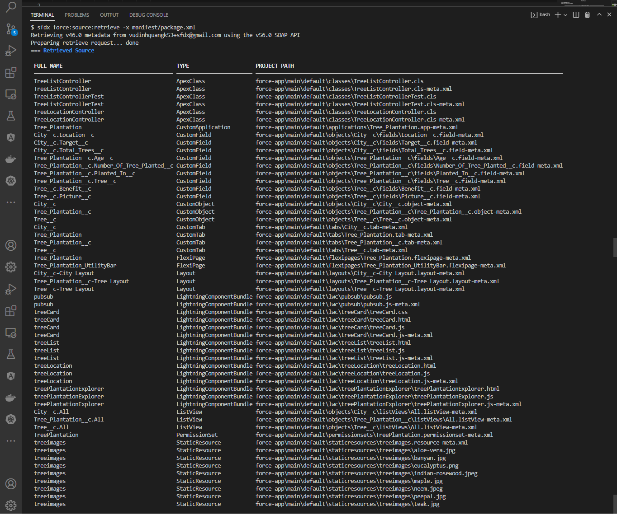
Retrieve Metadata - using "source" topic

 | This part we are going to use the source topic to retrieve the content of package.xml file. We will notice that all that content will be automatically converted to the source format and it will be
 | stored under default in force-app forlder

構成
 | CLISession
 |  | force-app
 |  |  | main
 |  |  |  | default
 |  |  |  |  | applications | → | will be created
 |  |  |  |  | classes | → | will be created
 |  |  |  |  | flexipages | → | will be created
 |  |  |  |  | layouts | → | will be created
 |  |  |  |  | lwc | → | will be created
 |  |  |  |  | objects | → | will be created
 |  |  |  |  | permissionsets | → | will be created
 |  |  |  |  | staticresources | → | will be created
 |  |  |  |  | tabs | → | will be created
 |  | manifest
 |  |  | package.xml

Delete all this folder which is created fom mdapi(RetrieveMetaDataUsingMdapiTopic)
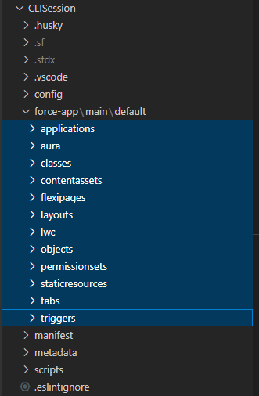

 | After delete
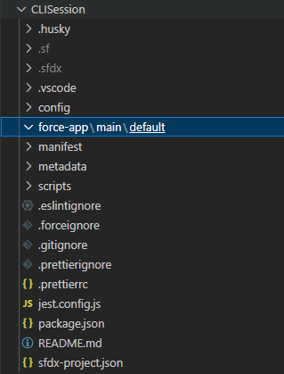

 | sfdx force:source --help
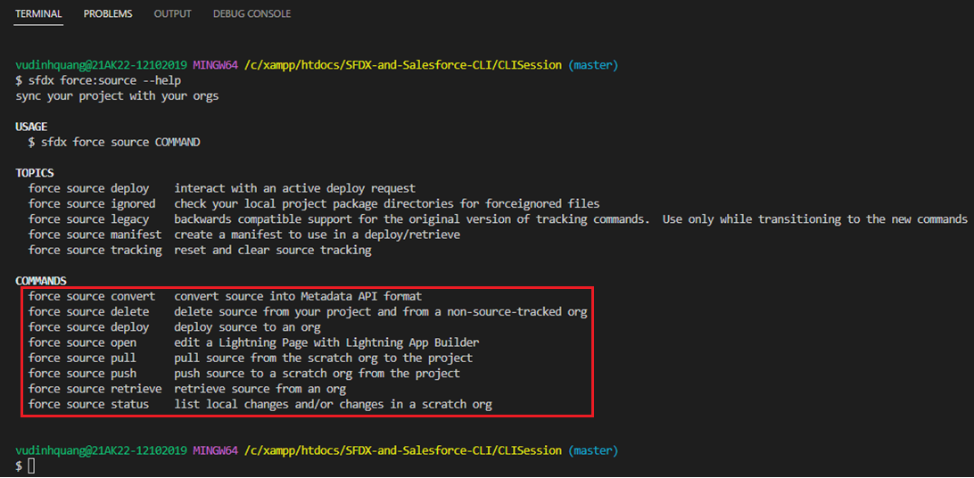

 | force source convert: Convert our source format files to metadata api format files
 | force source delete: delete file from local sfdx project and from Scatch Org as well
 | force source deploy: can use with Scratch Org or the normal Salesforce Org like developer Org , Sandbox Org and the Production Org
 | force source pull |  | → | two main commands within the source topic, these 2 commands can only be used with a Scratch Org and can not be used with a Developer Edition or Sandbox or
 | force source push |  |  | Production Org. The advantage of these 2 commands is they only push or pull the metadata or the content which has been changed
 | force source retrieve: Can be used with Scatch Org and the normal Salesforce Org as well similar to the deploy command

 | sfdx force:source:retrieve --help
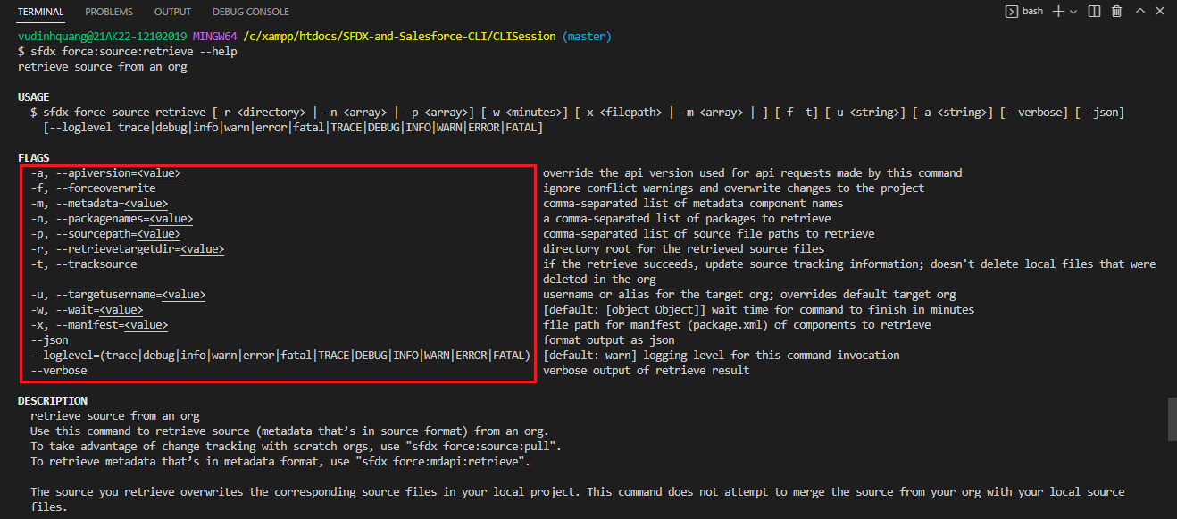

 | -m, --metadata: We can define the metadata name directly using the metadata parameter like if we want to retreive an Apex class we can give the Apex class name
 | -p, --sourcepath: If we want to retrieve a list of files within a directory
 | -x, --manifest: If we want to retrieve the content using a package.xml file

 | sfdx force:source:retrieve -x manifest/package.xml

Create Lightning Web Component
構成
 | CLISession
 |  | force-app
 |  |  | main
 |  |  |  | default
 |  |  |  |  | applications
 |  |  |  |  | classes
 |  |  |  |  | flexipages
 |  |  |  |  | layouts
 |  |  |  |  | lwc
 |  |  |  |  |  | newTreePlantation |  | → | new
 |  |  |  |  |  |  | newTreePlantation.html
 |  |  |  |  |  |  | newTreePlantation.js
 |  |  |  |  |  |  | newTreePlantation.js-meta.xml
 |  |  |  |  | objects
 |  |  |  |  | permissionsets
 |  |  |  |  | staticresources
 |  |  |  |  | tabs
 |  | manifest
 |  |  | package.xml

App Manager
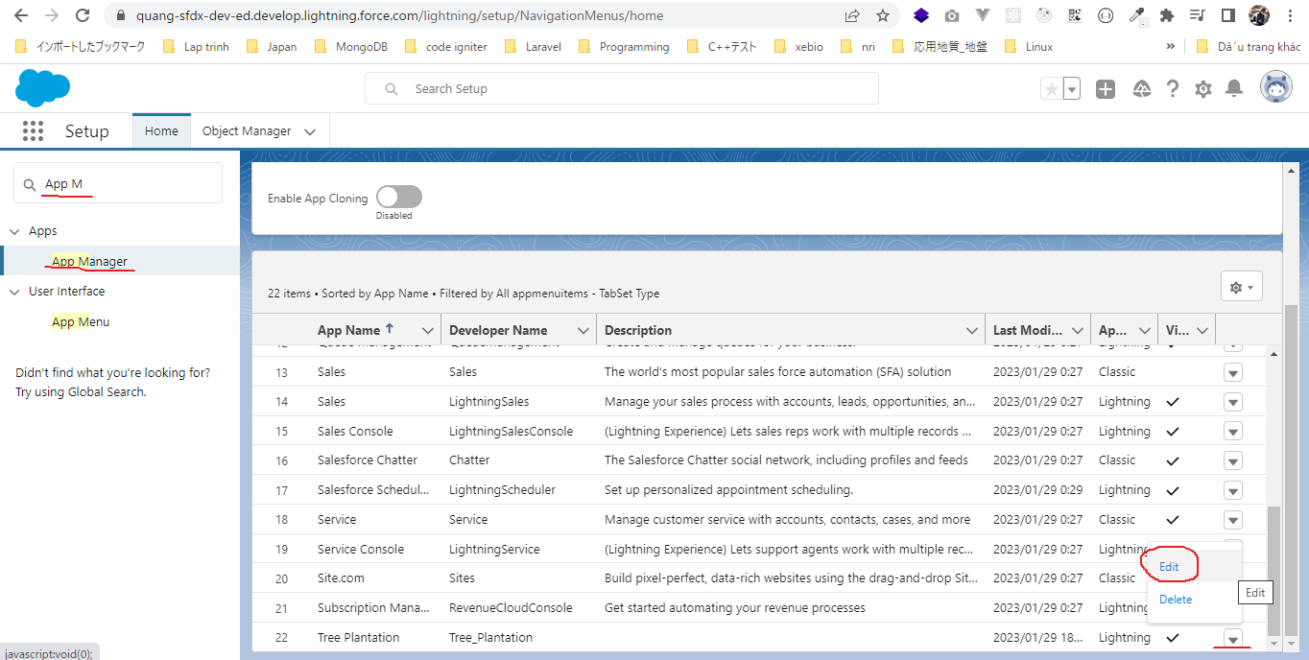

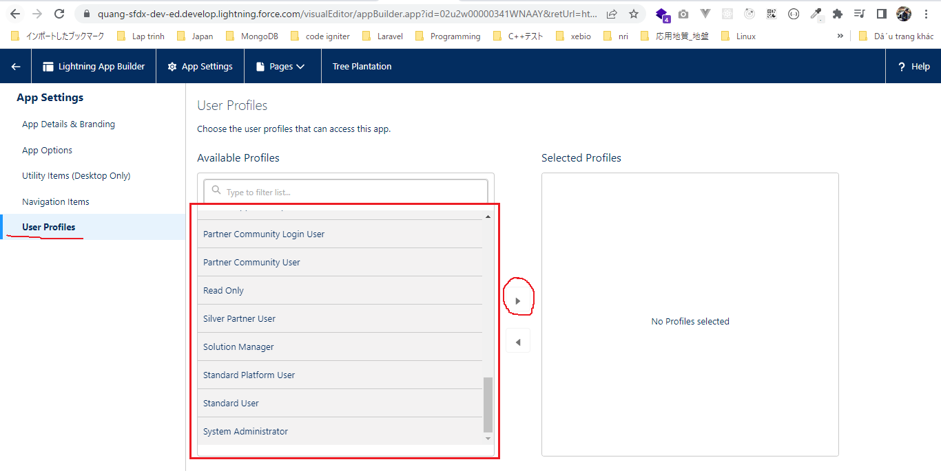

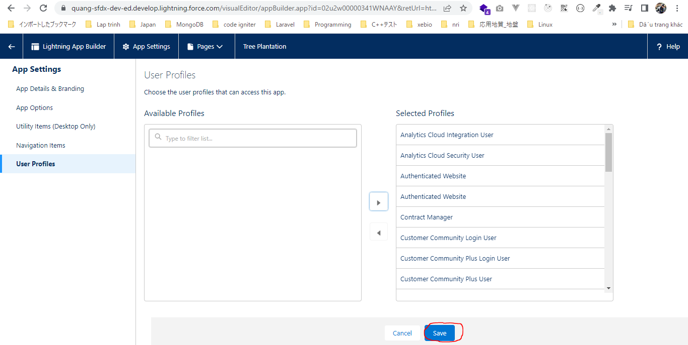

Lightning App Builder
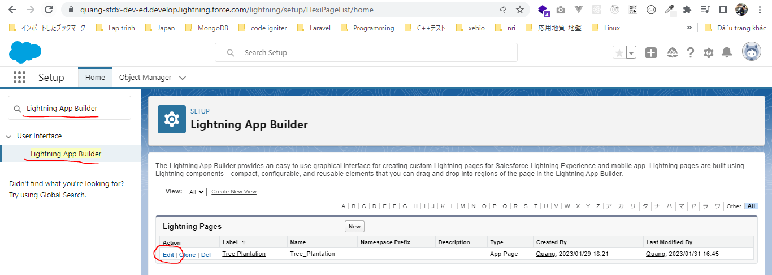

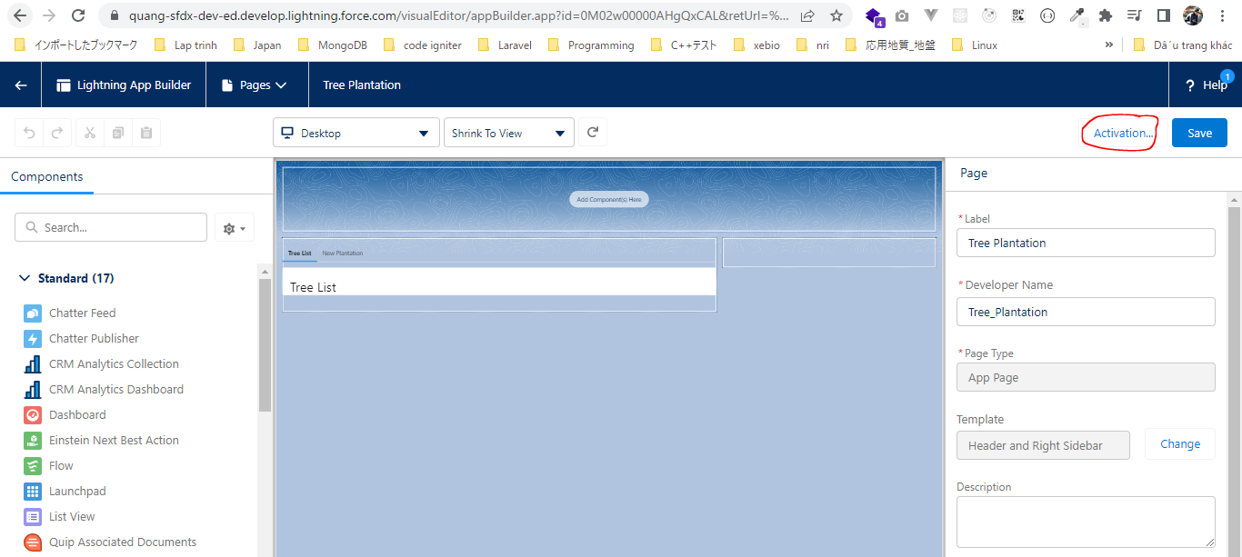

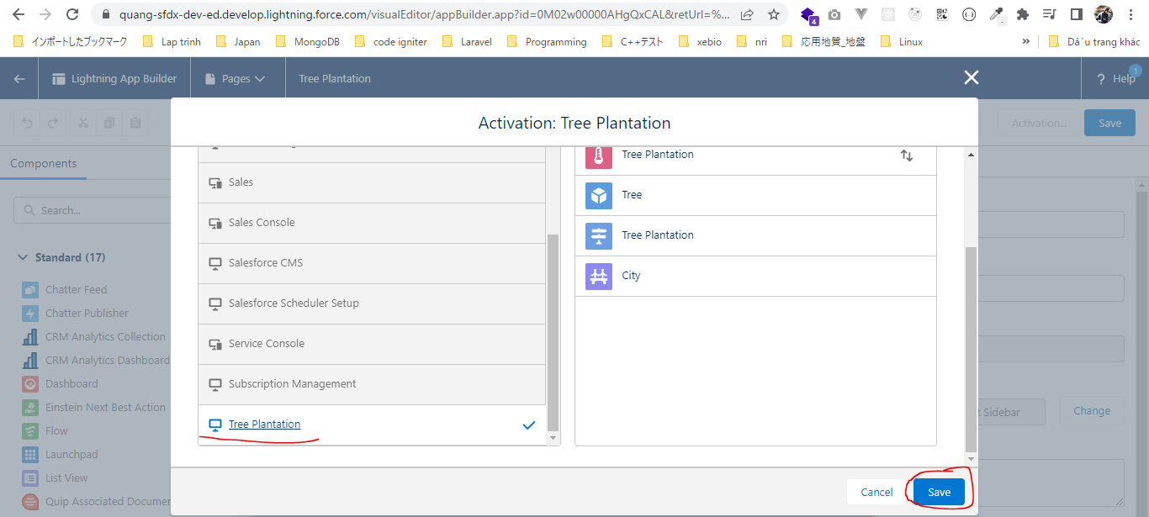

Profiles

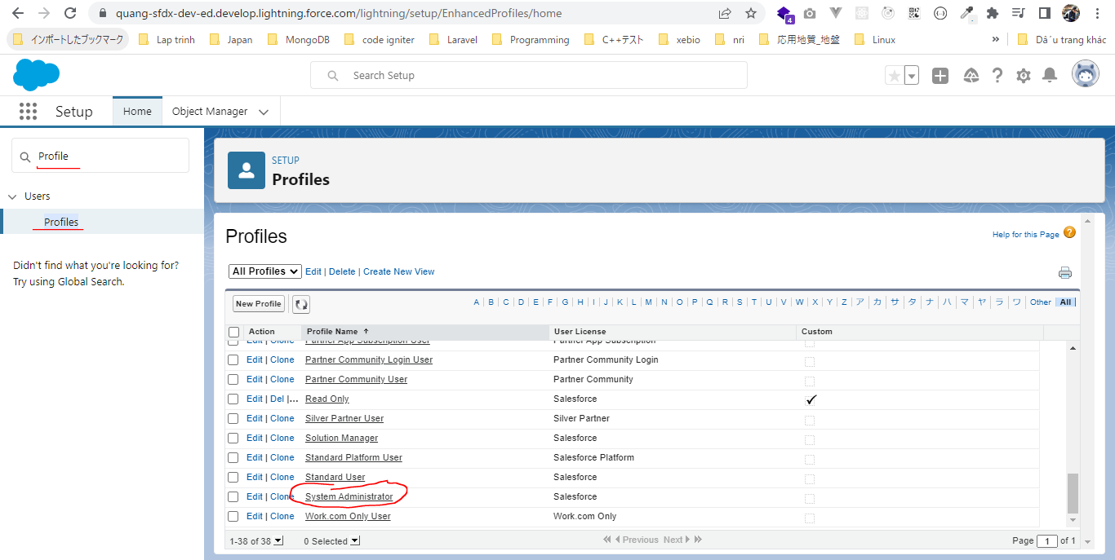

 | Field-Level Security
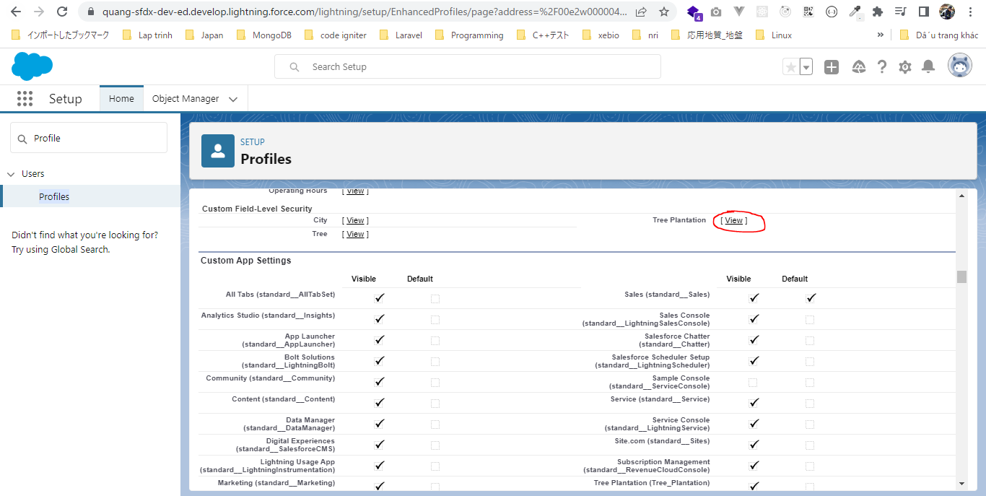

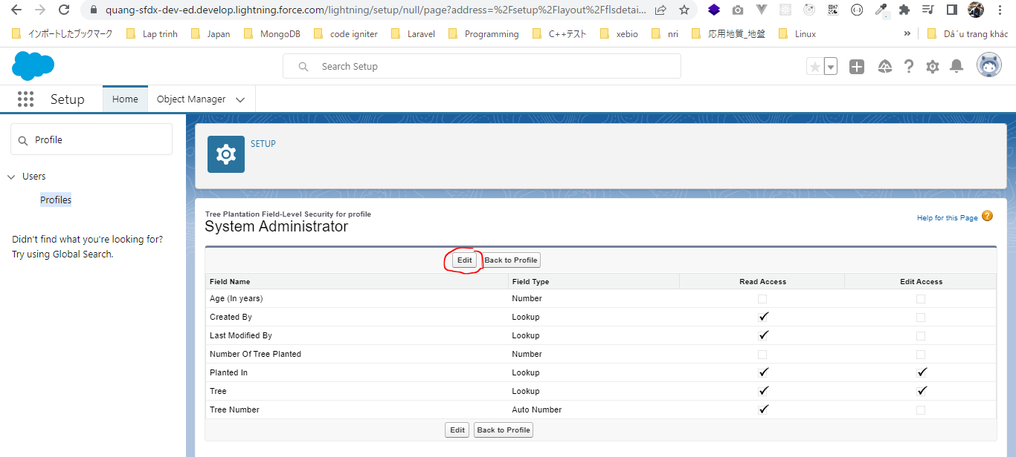

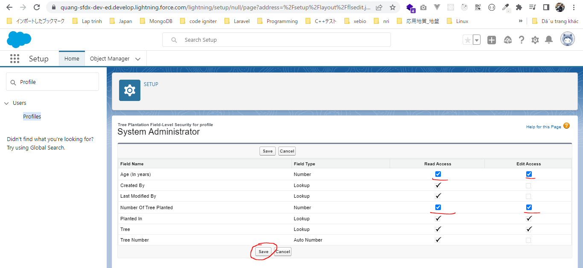

 | Same as City and Tree object

 | Custom Tab Settings
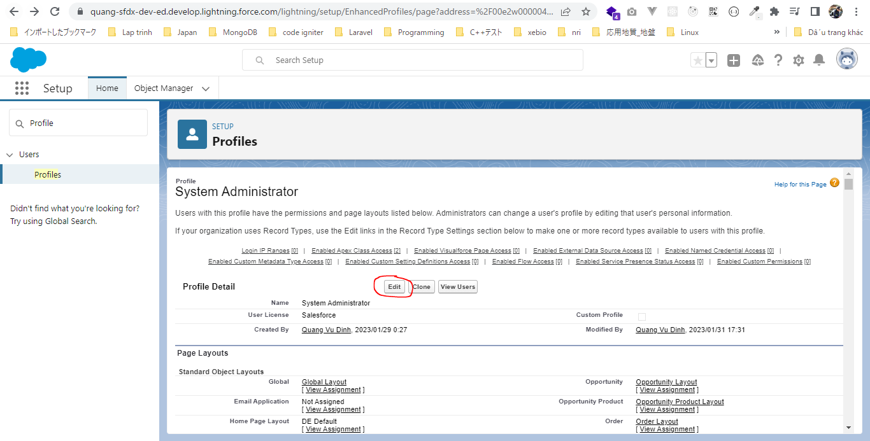

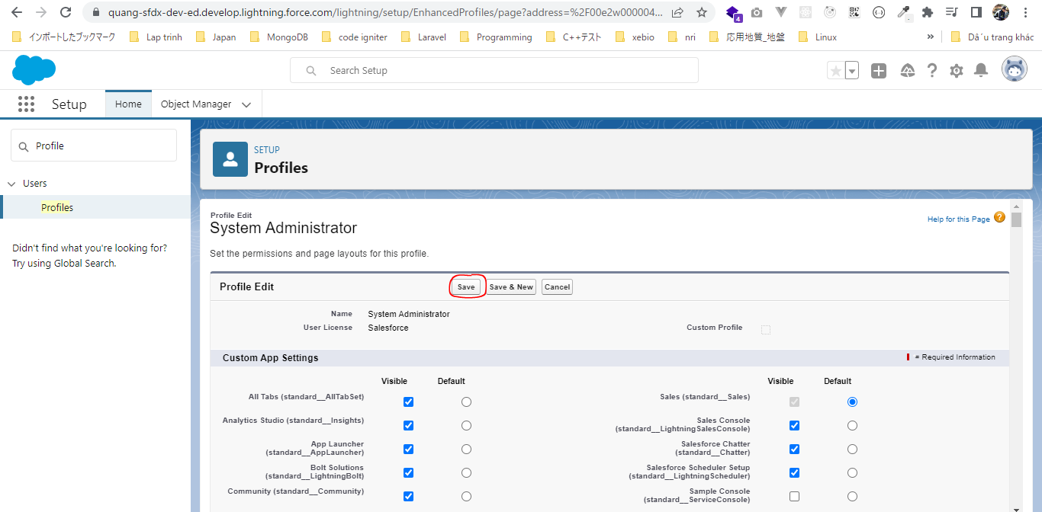

 | Check can see tab

 | sfdx force:lightning:component:create --help
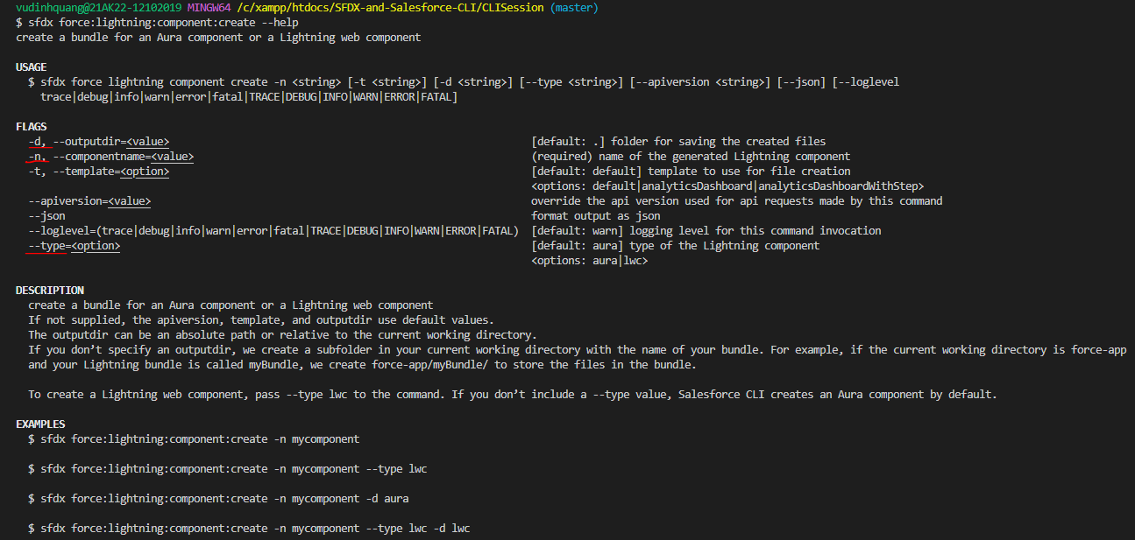

 | sfdx force:lightning:component:create -n newTreePlantation -d force-app/main/default/lwc/ --type lwc
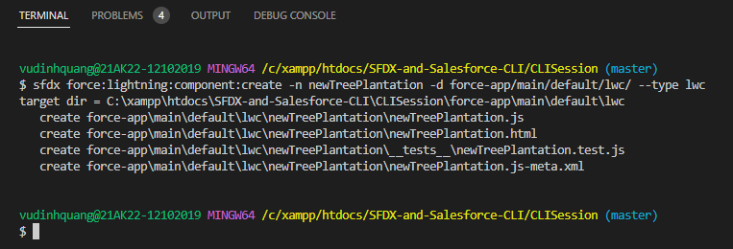

CLISession\force-app\main\default\lwc\newTreePlantation\newTreePlantation.html
 | <template>
 | <lightning-card>
 | <lightning-button slot="actions" label="Record New Plantation" variant="brand" onclick={recordNewPlantation}>
 | </lightning-button>
 | <template if:true={showForm}>
 | <lightning-record-form object-api-name="Tree_Plantation__c"
 | record-id={recordId}
 | layout-type="Full"
 | mode={mode}
 | onsuccess={handleSuccess}>
 | </lightning-record-form>
 | </template>
 | </lightning-card>
 | </template>

CLISession\force-app\main\default\lwc\newTreePlantation\newTreePlantation.js
 | import { LightningElement, track } from 'lwc';
 | import { ShowToastEvent } from 'lightning/platformShowToastEvent';

 | export default class NewTreePlantation extends LightningElement {

 | @track recordId;
 | @track showForm = false;

 | recordNewPlantation(){
 | this.showForm = true;
 | this.recordId = undefined;
 | }

 | handleSuccess(event) {
 | const evt = new ShowToastEvent({
 | title: "Plantation Recorded",
 | message: "Record ID: " + event.detail.id,
 | variant: "success"
 | });
 | this.dispatchEvent(evt);
 | }

 | get mode(){
 | return this.recordId ? 'view' : 'edit';
 | }
 | }

include newTreePlantation component within treePlantationExplorer component
CLISession\force-app\main\default\lwc\treePlantationExplorer\treePlantationExplorer.html
 | <template>
 | <lightning-tabset>
 | <lightning-tab label="Tree List" >
 | <c-tree-list></c-tree-list>
 | </lightning-tab>
 | <lightning-tab label="New Plantation">
 | <c-new-tree-plantation ></c-new-tree-plantation>
 | </lightning-tab>
 | </lightning-tabset>
 | </template>

