Create Scratch Org
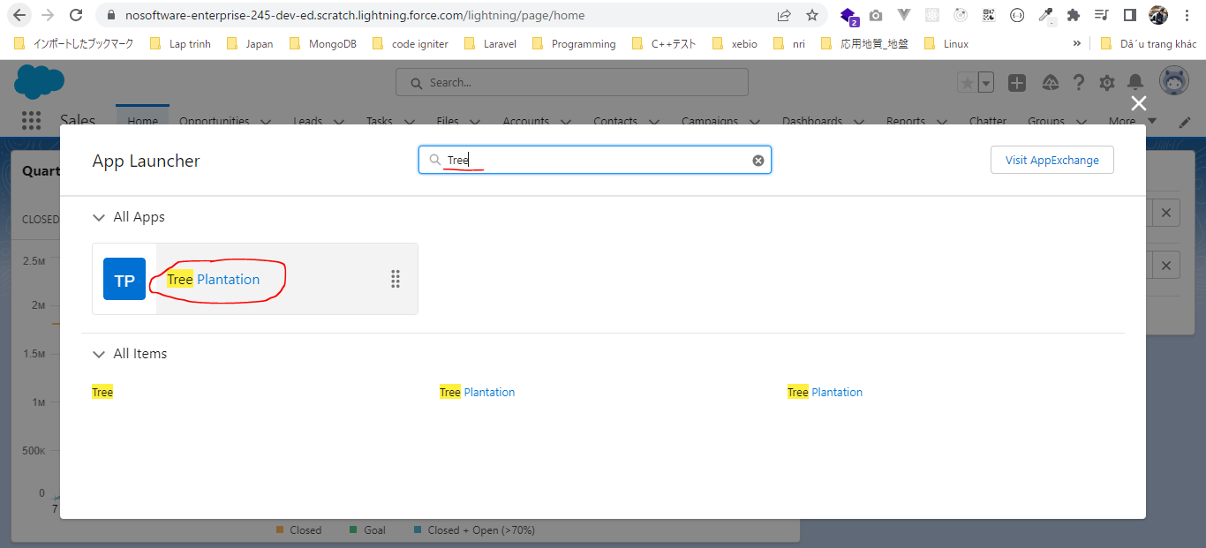
構成
 | CLISession
 |  | .sfdx
 |  |  | sfdx-config.json
 |  | config
 |  |  | project-scratch-def.json
 |  | force-app
 |  |  | main
 |  |  |  | default
 |  |  |  |  | applications
 |  |  |  |  | classes
 |  |  |  |  |  | TreeListControllerTest
 |  |  |  |  |  | TreeLocationControllerTest
 |  |  |  |  | flexipages
 |  |  |  |  | layouts
 |  |  |  |  | lwc
 |  |  |  |  |  | newTreePlantation
 |  |  |  |  |  |  | newTreePlantation.html
 |  |  |  |  |  |  | newTreePlantation.js
 |  |  |  |  |  |  | newTreePlantation.js-meta.xml
 |  |  |  |  |  | treePlantationExplorer
 |  |  |  |  |  |  | treePlantationExplorer.html
 |  |  |  |  |  |  | treePlantationExplorer.js
 |  |  |  |  |  |  | treePlantationExplorer.js-meta.xml
 |  |  |  |  | objects
 |  |  |  |  | permissionsets
 |  |  |  |  |  | TreePlantation.permissionset-meta.xml
 |  |  |  |  | staticresources
 |  |  |  |  | tabs
 |  | manifest
 |  |  | package.xml
 |  | metadata
 |  | sample-data
 |  |  | City__c.json
 |  |  | Tree__c-Tree_Plantation__c-plan.json
 |  |  | Tree__cs.json
 |  |  | Tree_Plantation__cs.json

 | To create a Scratch Org we need to make sure that we have a Dev Hub Org
 | once this setting to enabled we can not disable it again and this setting will allow us to create Scratch Org as a Dev Hub Org
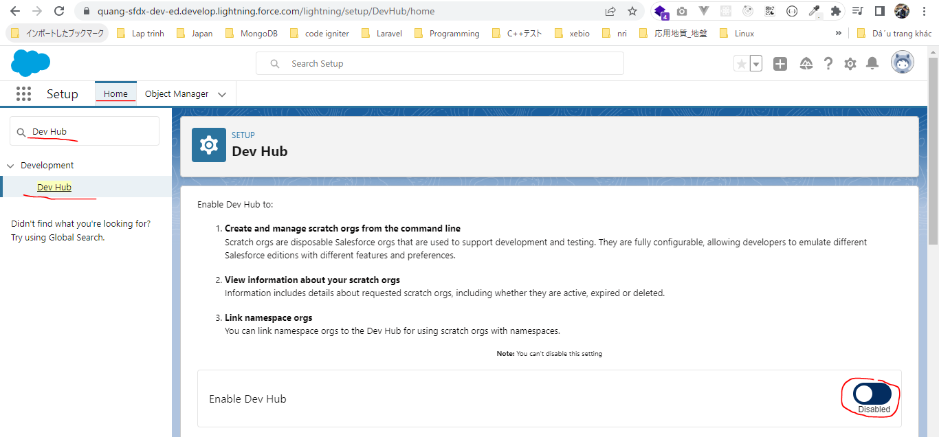

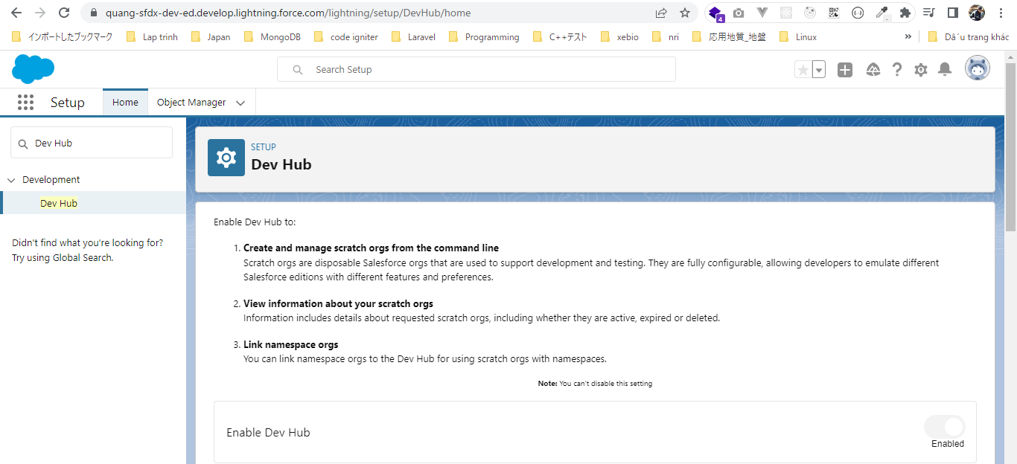

 | After authorize ourselves against our Org which we will call now Dev Hub Org. We will create the Scratch Org from this Org
 | sfdx force:org:create --help
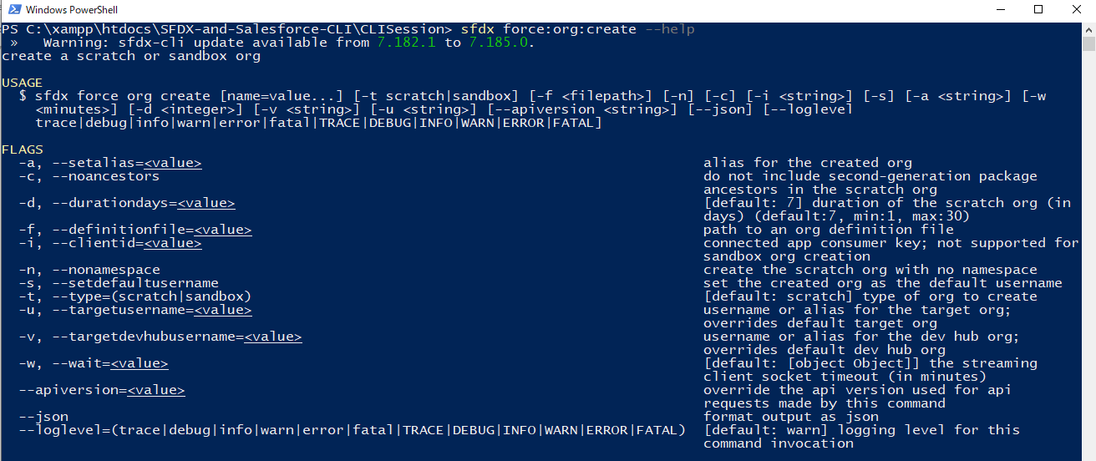

 | -a, --setalias: This is always benefical when we work with a lot of Salesforce Org and we do not want to remember the user name
 | -f, --definitionfile: The definitionfile is the Scratch Org definition file which we have in our sfdx project. It has Org name and all the different properties about Scratch Org
 |  | CLISession\config\project-scratch-def.json
 |  | {
 |  | "orgName": "SFDCFacts Academy",
 |  | "edition": "Developer",
 |  | "hasSampleData": true,
 |  | "features": ["EnableSetPasswordInApi"],
 |  | "settings": {
 |  | "lightningExperienceSettings": {
 |  | "enableS1DesktopEnabled": true
 |  | },
 |  | "mobileSettings": {
 |  | "enableS1EncryptedStoragePref2": false
 |  | }
 |  | }
 |  | }
 | -s, --setdefaultusername: This is one of the important option, if we us this parameter, then our Scratch Org will be set to default username
 |  | CLISession\.sfdx\sfdx-config.json
 |  | {
 |  | "defaultusername": "sfdx",
 |  | "defaultdevhubusername": "sfdx"
 |  | }

 | -u, --targetusername: If we have the defaultusername set in CLISession\.sfdx\sfdx-config.json then we do not have to define this parameter but we can define if we want to override
 | -v, --targetdevhubusername: If we have the defaultdevhubusername set in CLISession\.sfdx\sfdx-config.json then we do not have to define this parameter but we can define if we want to override

 | Run by VS code
 | sfdx force:org:create -a CLICourseSC1 -d 30 -f config/project-scratch-def.json -s

 |  | scratch org |  |  | username
 |  | 00D6D0000003YjsUAE |  |  | test-djcrkoaii18o@example.com

 |  | CLISession\.sfdx\sfdx-config.json
 |  | {
 |  | "defaultusername": "CLICourseSC1",
 |  | "defaultdevhubusername": "sfdx"
 |  | }

 | In case we have not used "-s"parameter and we want to set this Scatch Org as default username explicitly we can also use the config commands
 | sfdx force:config:set defaultusername="CLICourseSC1"

Push Metadata in Scratch Org from GitHub Repository(local source)
 | sfdx force:org:open

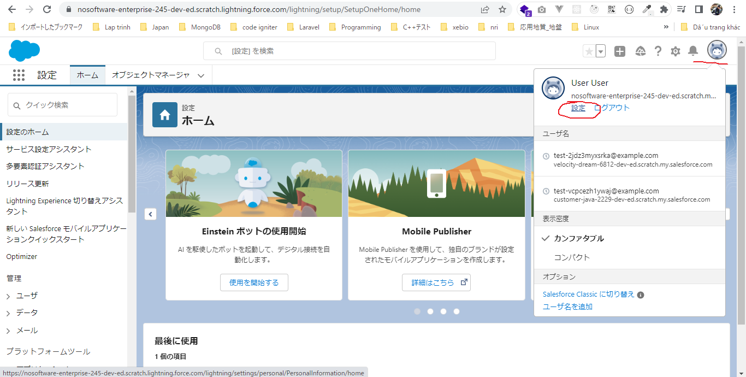

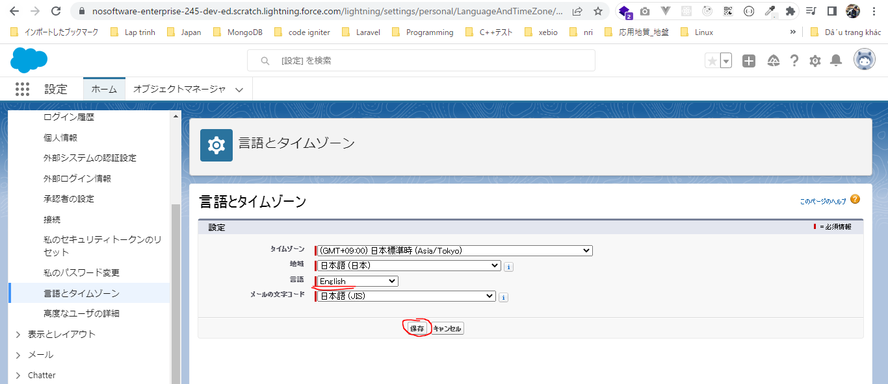

 | sfdx force:source:push

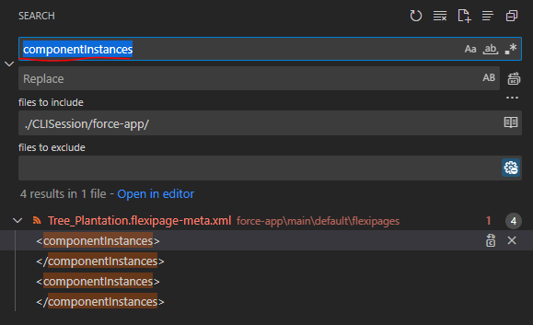

 |  | SFDX-and-Salesforce-CLI\CLISession\force-app\main\default\flexipages\Tree_Plantation.flexipage-meta.xml
 |  | <?xml version="1.0" encoding="UTF-8"?>
 |  | <FlexiPage xmlns="http://soap.sforce.com/2006/04/metadata">
 |  | <flexiPageRegions>
 |  | <name>region1</name>
 |  | <type>Region</type>
 |  | </flexiPageRegions>
 |  | <flexiPageRegions>
 |  | <componentInstances>
 |  | <componentName>treePlantationExplorer</componentName>
 |  | </componentInstances>
 |  | <name>region2</name>
 |  | <type>Region</type>
 |  | </flexiPageRegions>
 |  | <flexiPageRegions>
 |  | <componentInstances>
 |  | <componentName>treeLocation</componentName>
 |  | </componentInstances>
 |  | <name>region3</name>
 |  | <type>Region</type>
 |  | </flexiPageRegions>
 |  | <masterLabel>Tree Plantation</masterLabel>
 |  | <template>
 |  | <name>flexipage:appHomeTemplateHeaderTwoColumns</name>
 |  | </template>
 |  | <type>AppPage</type>
 |  | </FlexiPage>

 |  | <?xml version="1.0" encoding="UTF-8"?>
 |  | <FlexiPage xmlns="http://soap.sforce.com/2006/04/metadata">
 |  | <flexiPageRegions>
 |  | <name>region1</name>
 |  | <type>Region</type>
 |  | </flexiPageRegions>
 |  | <flexiPageRegions>
 |  | <name>region2</name>
 |  | <type>Region</type>
 |  | </flexiPageRegions>
 |  | <flexiPageRegions>
 |  | <name>region3</name>
 |  | <type>Region</type>
 |  | </flexiPageRegions>
 |  | <masterLabel>Tree Plantation</masterLabel>
 |  | <template>
 |  | <name>flexipage:appHomeTemplateHeaderTwoColumns</name>
 |  | </template>
 |  | <type>AppPage</type>
 |  | </FlexiPage>

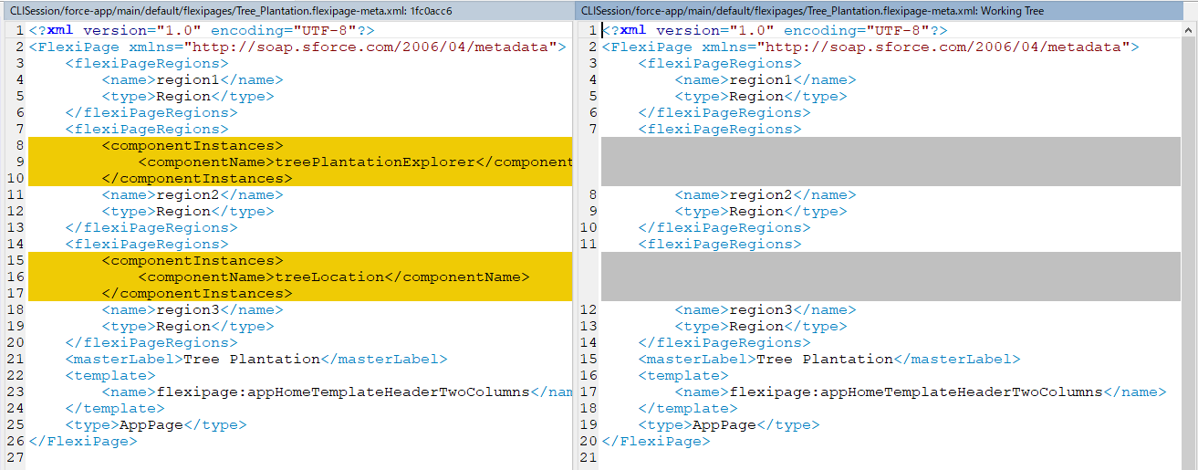

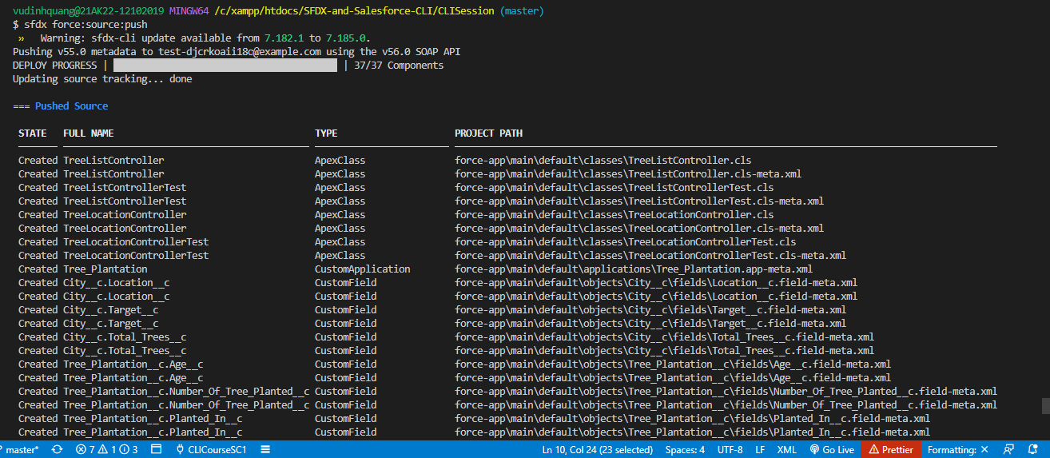

 | We will still not see the Tree Plantation application yet although the components had been deployed
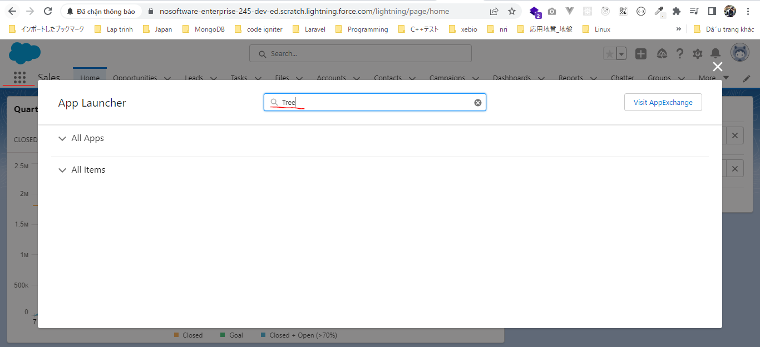

 | We can see that our application has been deployed but we still do not see it inside our application because we do not have access to this application
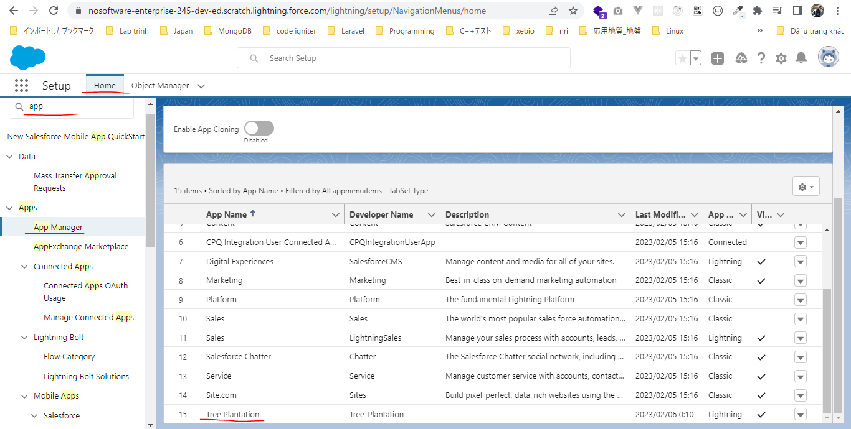

 | So for that we created a Permission Set which is part of the package, it call TreePlantation
 |  | SFDX-and-Salesforce-CLI\CLISession\force-app\main\default\permissionsets\TreePlantation.permissionset-meta.xml
 |  | <?xml version="1.0" encoding="UTF-8"?>
 |  | <PermissionSet xmlns="http://soap.sforce.com/2006/04/metadata">
 |  | <applicationVisibilities>
 |  | <application>Tree_Plantation</application>
 |  | <visible>true</visible>
 |  | </applicationVisibilities>
 |  | <fieldPermissions>
 |  | <editable>true</editable>
 |  | <field>City__c.Location__c</field>
 |  | <readable>true</readable>
 |  | </fieldPermissions>
 |  | <fieldPermissions>
 |  | <editable>true</editable>
 |  | <field>City__c.Target__c</field>
 |  | <readable>true</readable>
 |  | </fieldPermissions>
 |  | <fieldPermissions>
 |  | <editable>false</editable>
 |  | <field>City__c.Total_Trees__c</field>
 |  | <readable>false</readable>
 |  | </fieldPermissions>
 |  | <fieldPermissions>
 |  | <editable>true</editable>
 |  | <field>Tree_Plantation__c.Age__c</field>
 |  | <readable>true</readable>
 |  | </fieldPermissions>
 |  | <fieldPermissions>
 |  | <editable>true</editable>
 |  | <field>Tree_Plantation__c.Number_Of_Tree_Planted__c</field>
 |  | <readable>true</readable>
 |  | </fieldPermissions>
 |  | <fieldPermissions>
 |  | <editable>true</editable>
 |  | <field>Tree__c.Benefit__c</field>
 |  | <readable>true</readable>
 |  | </fieldPermissions>
 |  | <fieldPermissions>
 |  | <editable>true</editable>
 |  | <field>Tree__c.Picture__c</field>
 |  | <readable>true</readable>
 |  | </fieldPermissions>
 |  | <hasActivationRequired>false</hasActivationRequired>
 |  | <label>TreePlantation</label>
 |  | <objectPermissions>
 |  | <allowCreate>true</allowCreate>
 |  | <allowDelete>true</allowDelete>
 |  | <allowEdit>true</allowEdit>
 |  | <allowRead>true</allowRead>
 |  | <modifyAllRecords>false</modifyAllRecords>
 |  | <object>City__c</object>
 |  | <viewAllRecords>false</viewAllRecords>
 |  | </objectPermissions>
 |  | <objectPermissions>
 |  | <allowCreate>true</allowCreate>
 |  | <allowDelete>true</allowDelete>
 |  | <allowEdit>true</allowEdit>
 |  | <allowRead>true</allowRead>
 |  | <modifyAllRecords>false</modifyAllRecords>
 |  | <object>Tree_Plantation__c</object>
 |  | <viewAllRecords>false</viewAllRecords>
 |  | </objectPermissions>
 |  | <objectPermissions>
 |  | <allowCreate>true</allowCreate>
 |  | <allowDelete>true</allowDelete>
 |  | <allowEdit>true</allowEdit>
 |  | <allowRead>true</allowRead>
 |  | <modifyAllRecords>false</modifyAllRecords>
 |  | <object>Tree__c</object>
 |  | <viewAllRecords>false</viewAllRecords>
 |  | </objectPermissions>
 |  | <tabSettings>
 |  | <tab>City__c</tab>
 |  | <visibility>Visible</visibility>
 |  | </tabSettings>
 |  | <tabSettings>
 |  | <tab>Tree_Plantation</tab>
 |  | <visibility>Visible</visibility>
 |  | </tabSettings>
 |  | <tabSettings>
 |  | <tab>Tree_Plantation__c</tab>
 |  | <visibility>Visible</visibility>
 |  | </tabSettings>
 |  | <tabSettings>
 |  | <tab>Tree__c</tab>
 |  | <visibility>Visible</visibility>
 |  | </tabSettings>
 |  | </PermissionSet>

 | We need to assign this Permission Set to user(the Scratch Org user)
 | sfdx force:user:permset:assign -n TreePlantation

 | This time we can see our Tree Plantation application

