Source Driven Development Flow
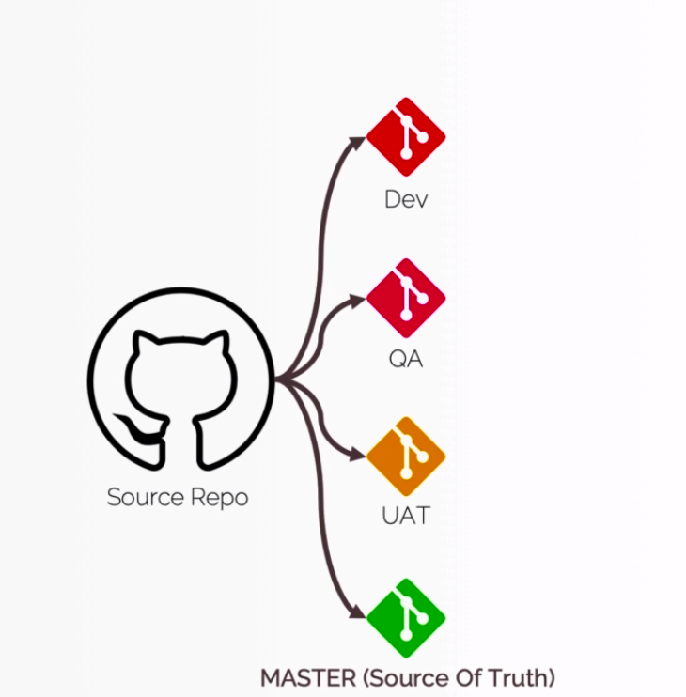

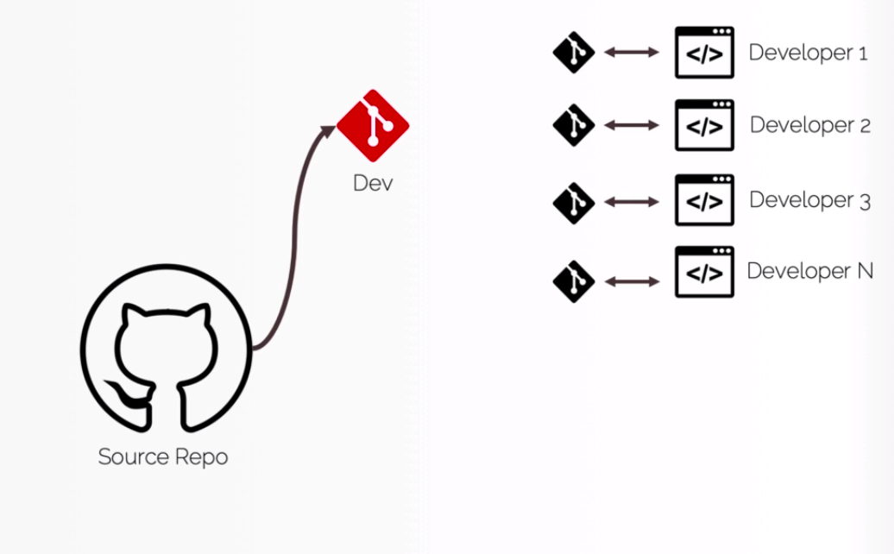

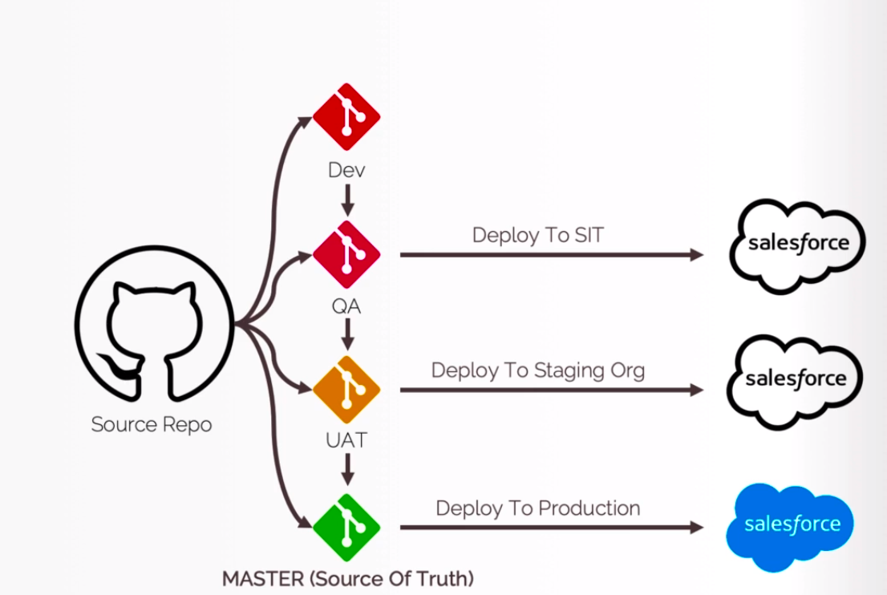

TrackChangesPullMetadatafromOrg
Track Changes and Pull Metadata from Scratch Org

構成
 | CLISession
 |  | .sfdx
 |  |  | sfdx-config.json
 |  | config
 |  |  | project-scratch-def.json
 |  | force-app
 |  |  | main
 |  |  |  | default
 |  |  |  |  | applications
 |  |  |  |  | classes
 |  |  |  |  |  | TreeListControllerTest
 |  |  |  |  |  | TreeLocationControllerTest
 |  |  |  |  | flexipages
 |  |  |  |  |  | Tree_Plantation.flexipage-meta.xml
 |  |  |  |  | layouts
 |  |  |  |  | lwc
 |  |  |  |  |  | newTreePlantation
 |  |  |  |  |  |  | newTreePlantation.html
 |  |  |  |  |  |  | newTreePlantation.js
 |  |  |  |  |  |  | newTreePlantation.js-meta.xml
 |  |  |  |  |  | treePlantationExplorer
 |  |  |  |  |  |  | treePlantationExplorer.html
 |  |  |  |  |  |  | treePlantationExplorer.js
 |  |  |  |  |  |  | treePlantationExplorer.js-meta.xml
 |  |  |  |  | objects
 |  |  |  |  | permissionsets
 |  |  |  |  |  | TreePlantation.permissionset-meta.xml
 |  |  |  |  | staticresources
 |  |  |  |  | tabs
 |  | manifest
 |  |  | package.xml
 |  | metadata
 |  | sample-data
 |  |  | City__c.json
 |  |  | Tree__c-Tree_Plantation__c-plan.json
 |  |  | Tree__cs.json
 |  |  | Tree_Plantation__cs.json
 | tree-plantation
 |  | force-app
 |  |  | main
 |  |  |  | default
 |  |  |  |  | lwc
 |  |  |  |  |  | newTreePlantation
 |  |  |  |  |  |  | newTreePlantation.html
 |  |  |  |  |  |  | newTreePlantation.js
 |  |  |  |  | staticresources
 |  |  |  |  |  | treeimages
 |  |  |  |  |  |  | __MACOSX | → | Will delete
 |  | sample-data
 |  |  | City__c.json
 |  |  | import-plan.json
 |  |  | Tree__cs.json
 |  |  | Tree_Plantation__cs.json

Status command help us to check components which does not exist in our sfdx project or may be does not exist in our Scratch Org
 | sfdx force:source:status --help
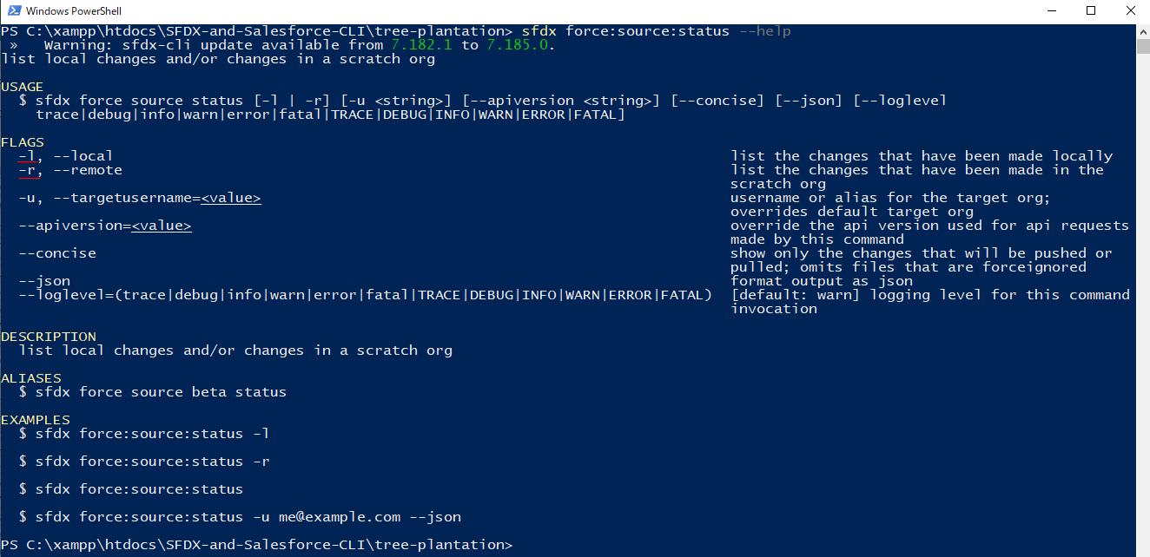

 | -l, --local: Track only local changes
 | -r, --remote: track only the Scratch Org changes

 | Check local
 | sfdx force:source:status -l

 | There are __MACOSX files but we do not need to push to Scratch Org so we can delete these folder

 | rm -r force-app\main\default\staticresources\treeimages\__MACOSX

 | run command again
 | sfdx force:source:status -l

 | Check Scratch Org
 | sfdx force:source:status -r

 | Pull to local
 | sfdx force:source:pull

 | Check again

Make some small changes in our Permission Set
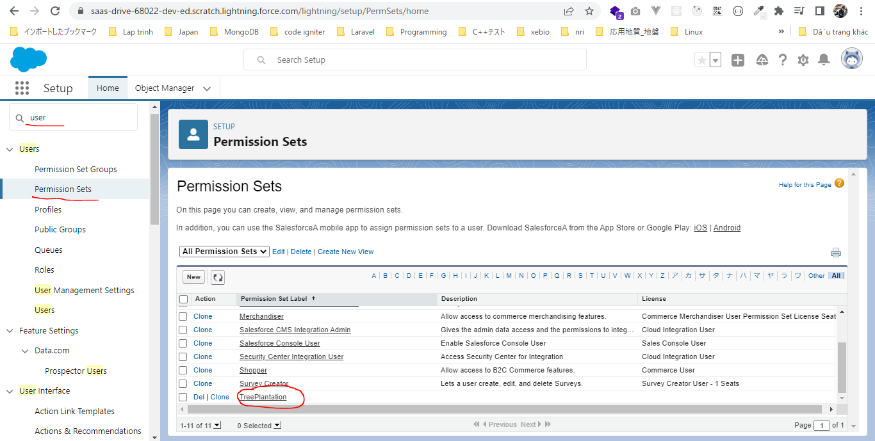

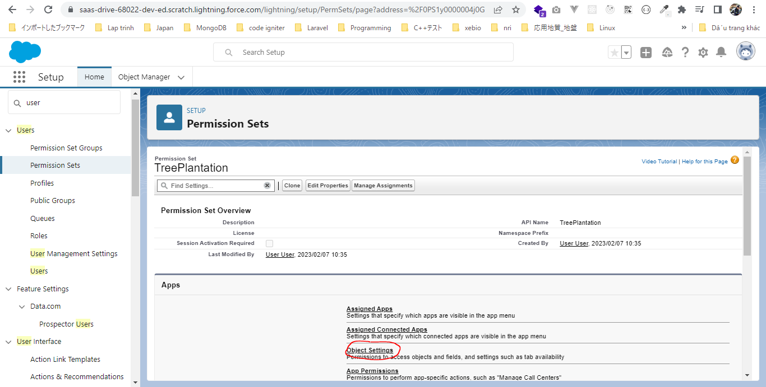

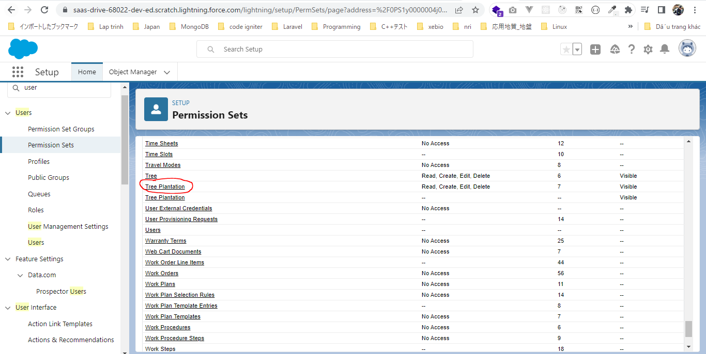

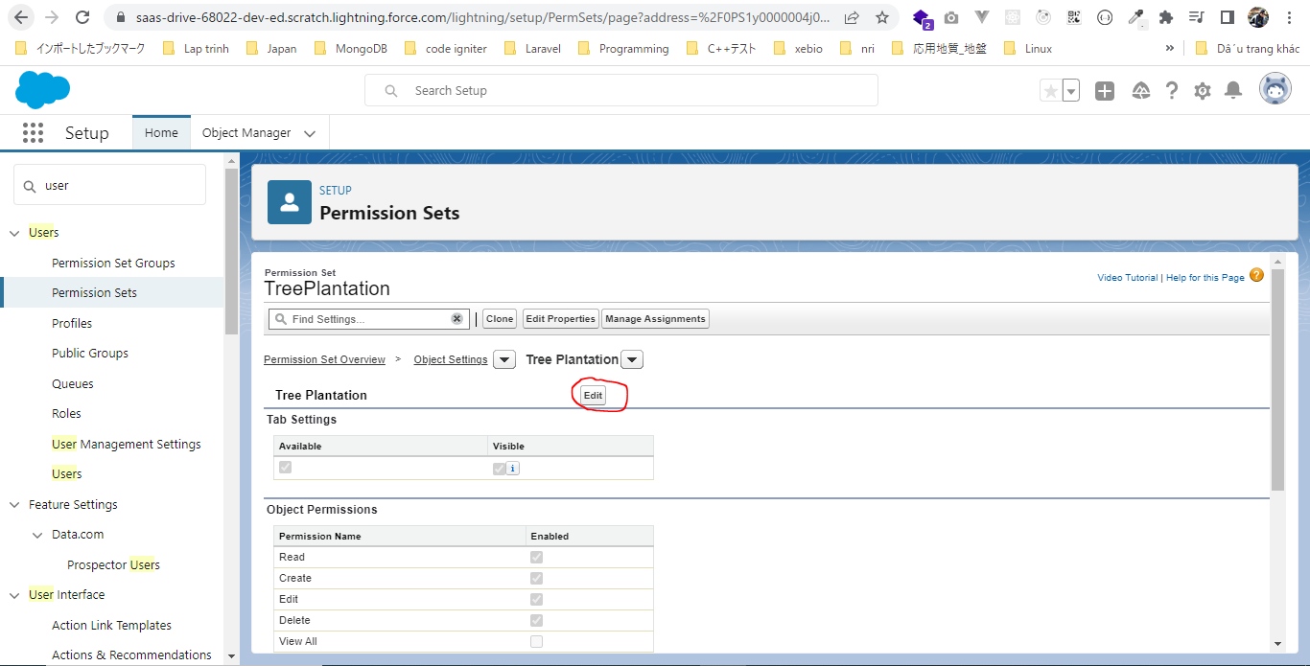

 | Check out
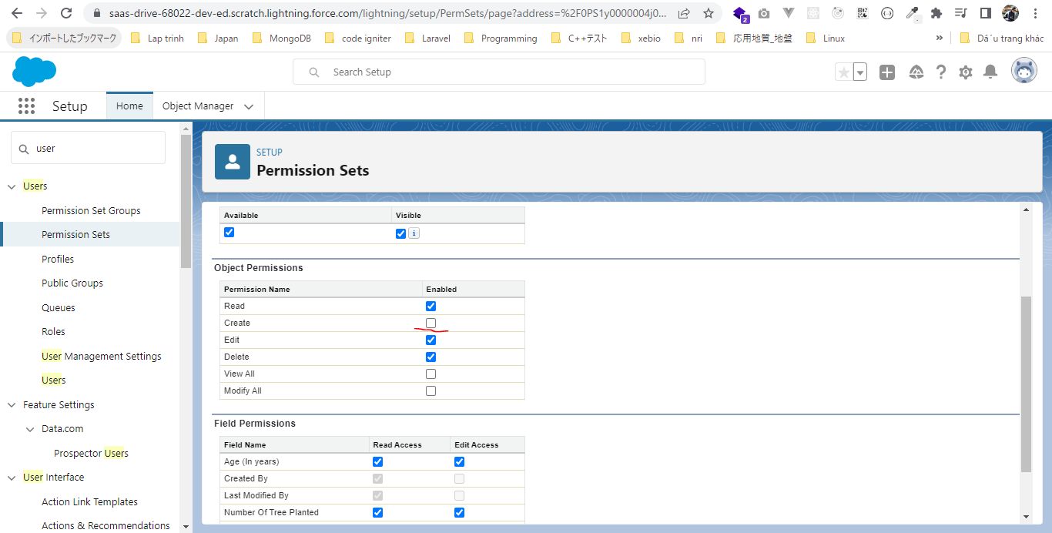

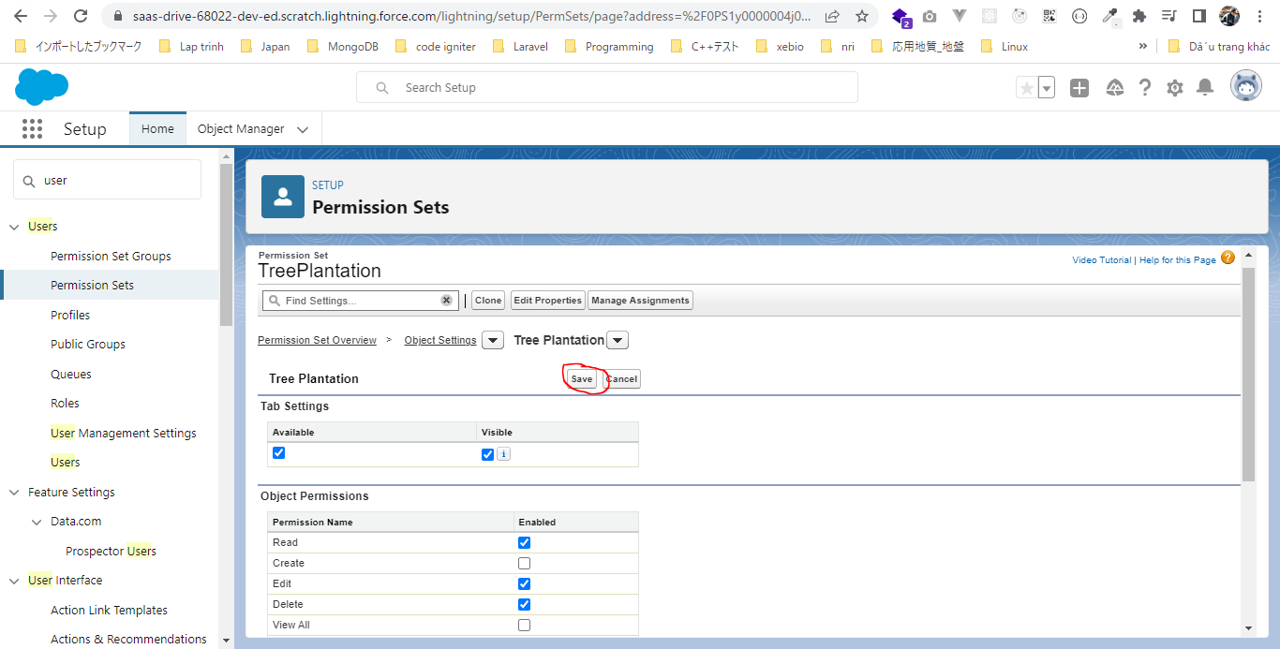

Run status command again
 | sfdx force:source:status -r

 | sfdx force:source:pull

 | Check status again
 | sfdx force:source:status -r

Develop Application 1
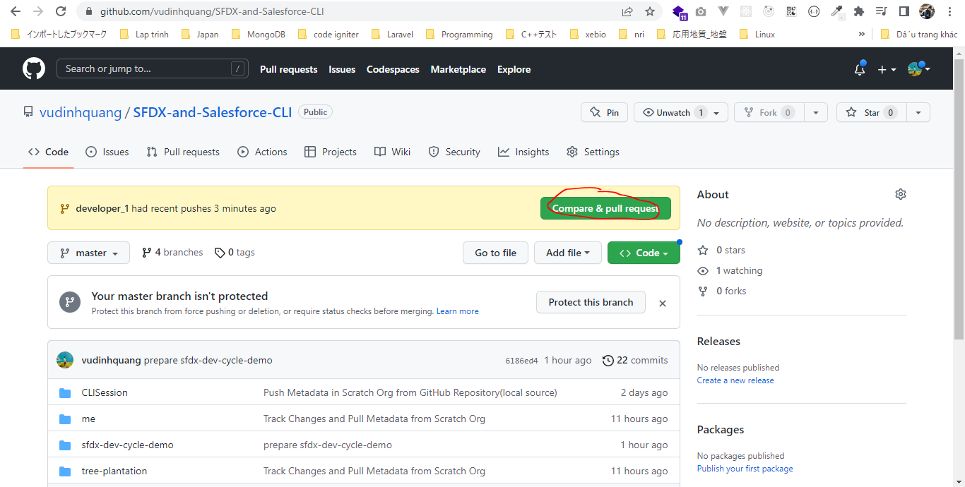
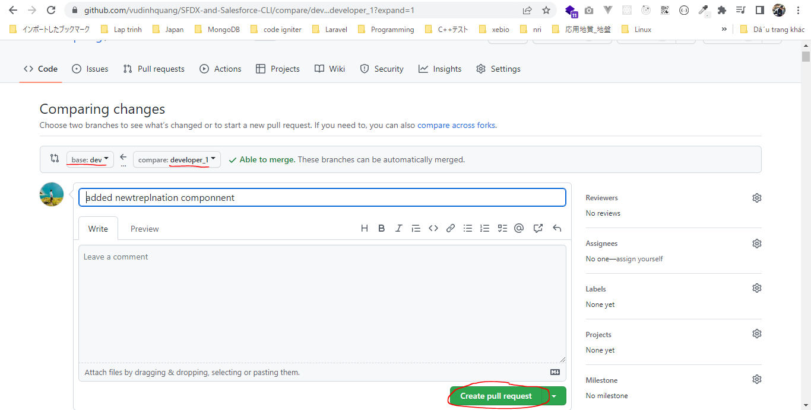
Develop Application 1 task: Create new component

構成
 | CLISession
 |  | .sfdx
 |  |  | sfdx-config.json
 |  | config
 |  |  | project-scratch-def.json
 |  | force-app
 |  |  | main
 |  |  |  | default
 |  |  |  |  | applications
 |  |  |  |  | classes
 |  |  |  |  |  | TreeListControllerTest
 |  |  |  |  |  | TreeLocationControllerTest
 |  |  |  |  | flexipages
 |  |  |  |  |  | Tree_Plantation.flexipage-meta.xml
 |  |  |  |  | layouts
 |  |  |  |  | lwc
 |  |  |  |  |  | newTreePlantation
 |  |  |  |  |  |  | newTreePlantation.html
 |  |  |  |  |  |  | newTreePlantation.js
 |  |  |  |  |  |  | newTreePlantation.js-meta.xml
 |  |  |  |  |  | treePlantationExplorer
 |  |  |  |  |  |  | treePlantationExplorer.html
 |  |  |  |  |  |  | treePlantationExplorer.js
 |  |  |  |  |  |  | treePlantationExplorer.js-meta.xml
 |  |  |  |  | objects
 |  |  |  |  | permissionsets
 |  |  |  |  |  | TreePlantation.permissionset-meta.xml
 |  |  |  |  | staticresources
 |  |  |  |  | tabs
 |  | manifest
 |  |  | package.xml
 |  | metadata
 |  | sample-data
 |  |  | City__c.json
 |  |  | Tree__c-Tree_Plantation__c-plan.json
 |  |  | Tree__cs.json
 |  |  | Tree_Plantation__cs.json
 | sfdx-dev-cycle-demo
 |  | force-app
 |  |  | main
 |  |  |  | default
 |  |  |  |  | lwc
 |  |  |  |  |  | newTreePlantation |  | → | will create this component
 |  |  |  |  |  |  | newTreePlantation.html
 |  |  |  |  |  |  | newTreePlantation.js
 |  |  |  |  |  | treePlantationExplorer
 |  |  |  |  |  |  | treePlantationExplorer.html | → | edit
 | tree-plantation
 |  | force-app
 |  |  | main
 |  |  |  | default
 |  |  |  |  | lwc
 |  |  |  |  |  | newTreePlantation
 |  |  |  |  |  |  | newTreePlantation.html
 |  |  |  |  |  |  | newTreePlantation.js
 |  |  |  |  | staticresources
 |  |  |  |  |  | treeimages
 |  | sample-data
 |  |  | City__c.json
 |  |  | import-plan.json
 |  |  | Tree__cs.json
 |  |  | Tree_Plantation__cs.json

Create dev branch from master branch
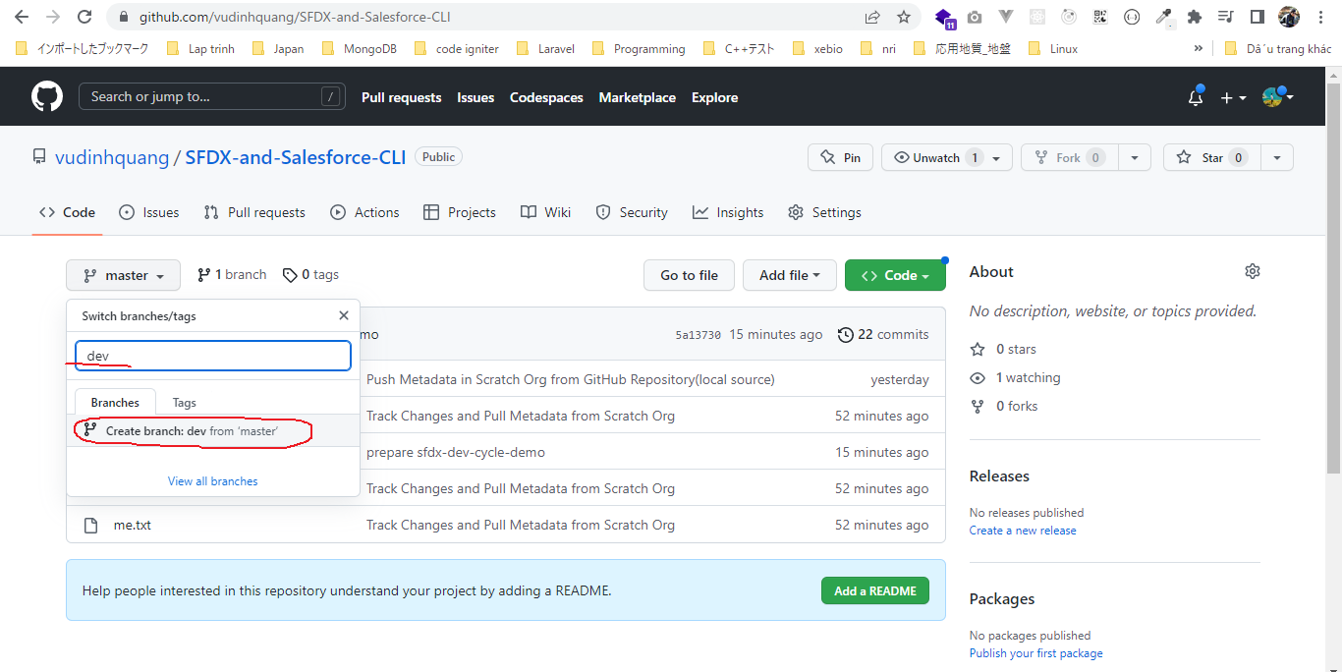

Create qa branch from master branch
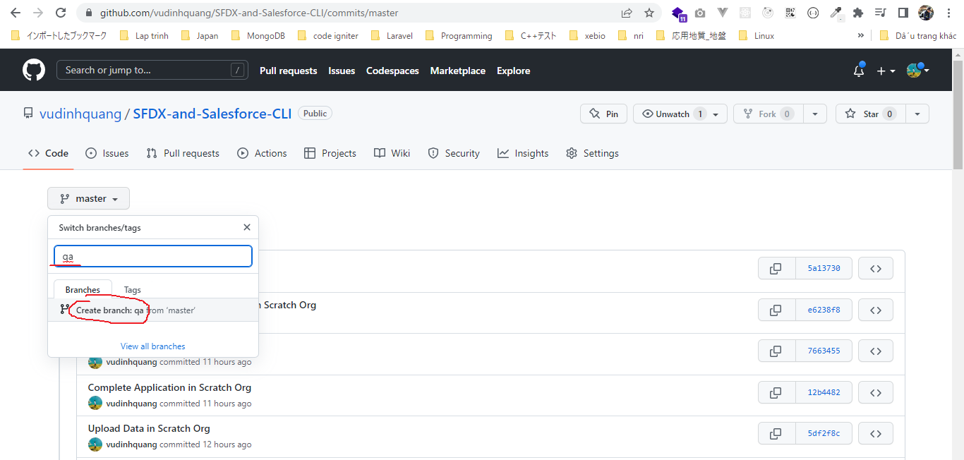

A typical developer would clone dev branch in his branch local system and then he can start developing on it
 | Checkout to dev branch
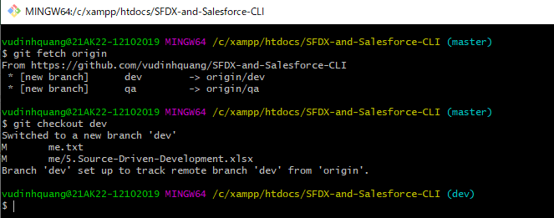

 | Create new branch to start create a new Lightning Web Component

Auth to Dev Hub Org
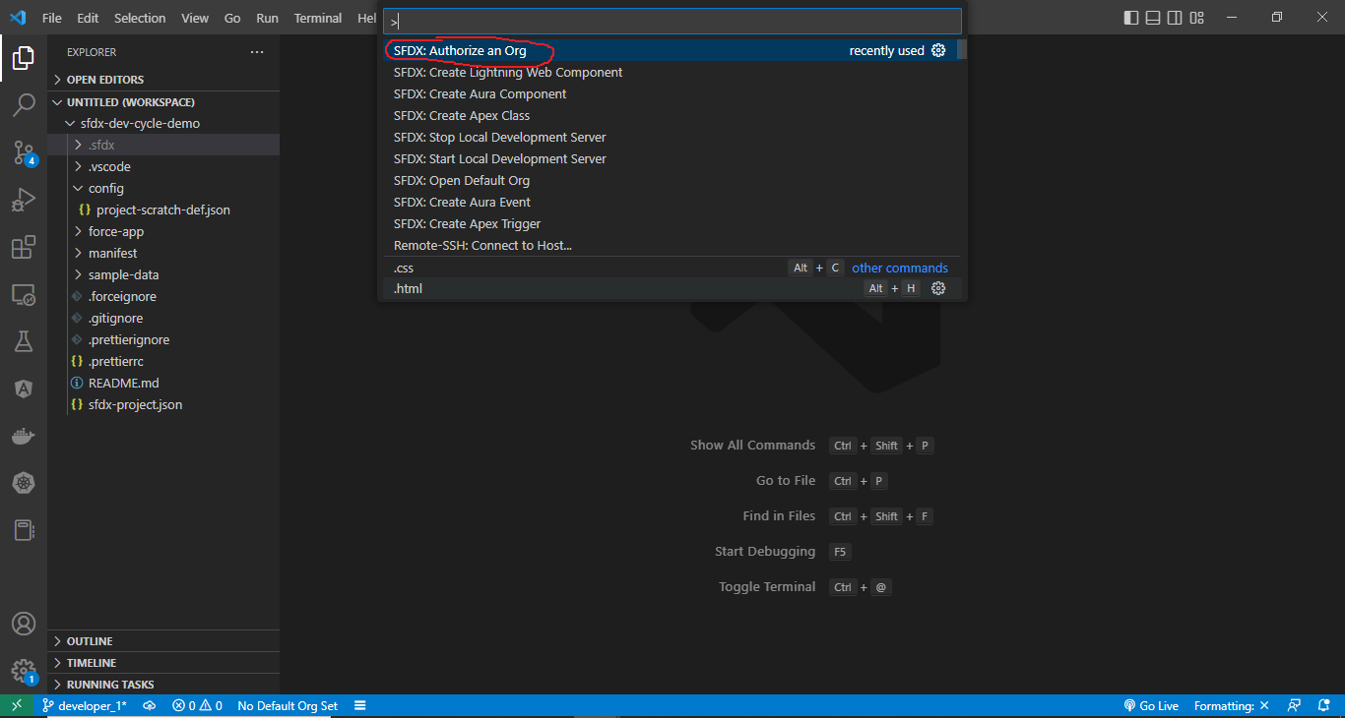

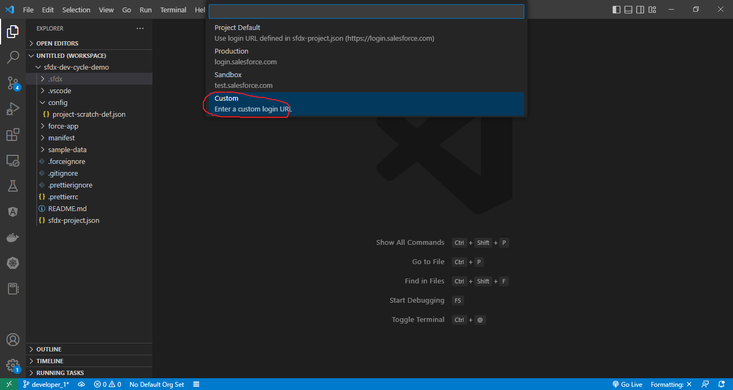

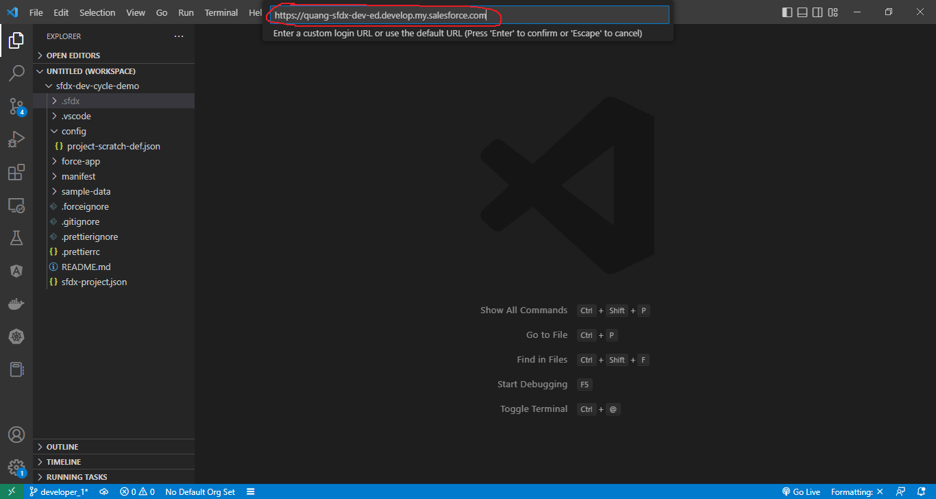

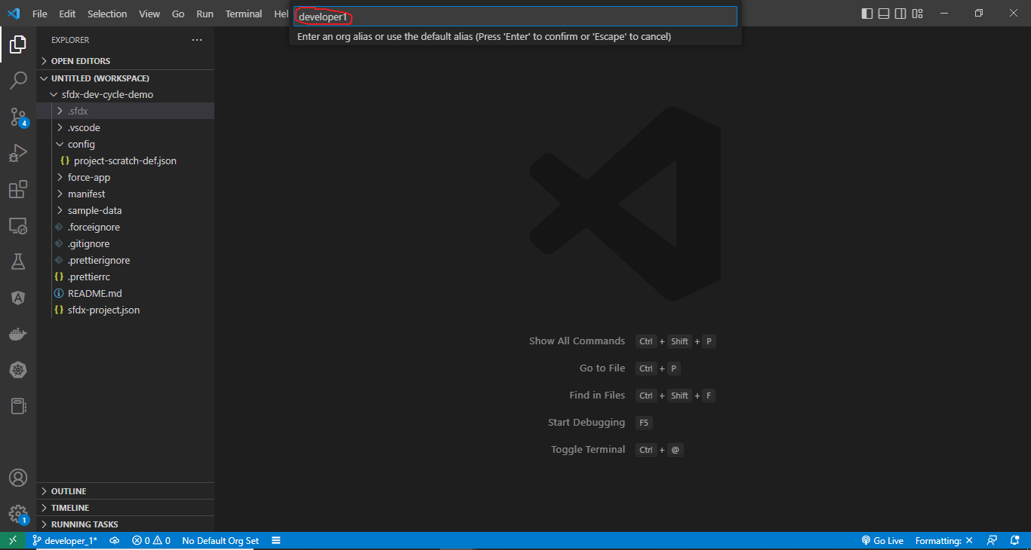

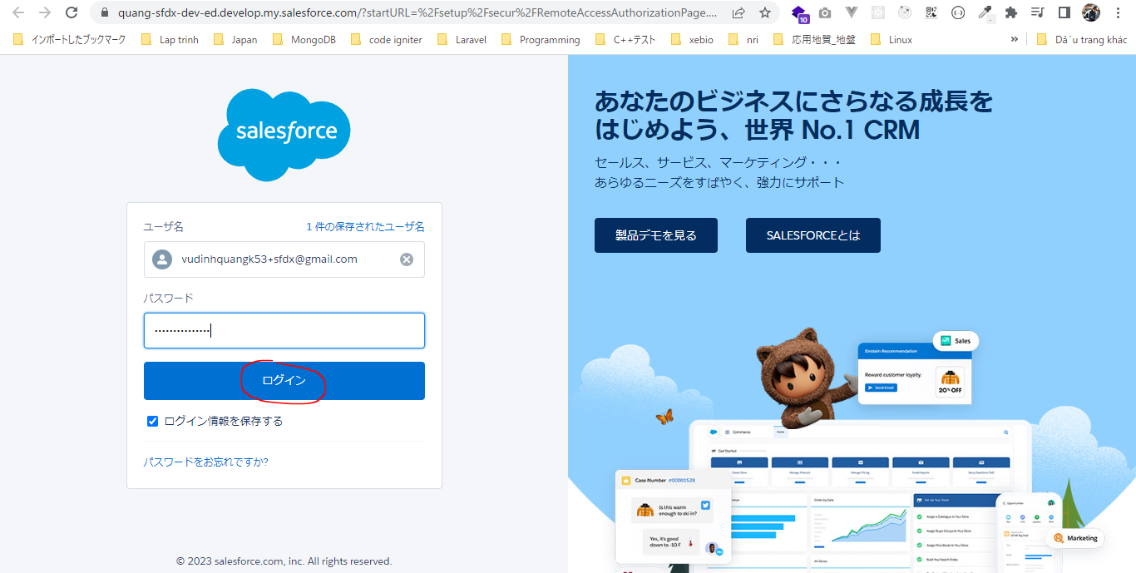

Login
 | sfdx force:auth:web:login -a developer1 -d -s
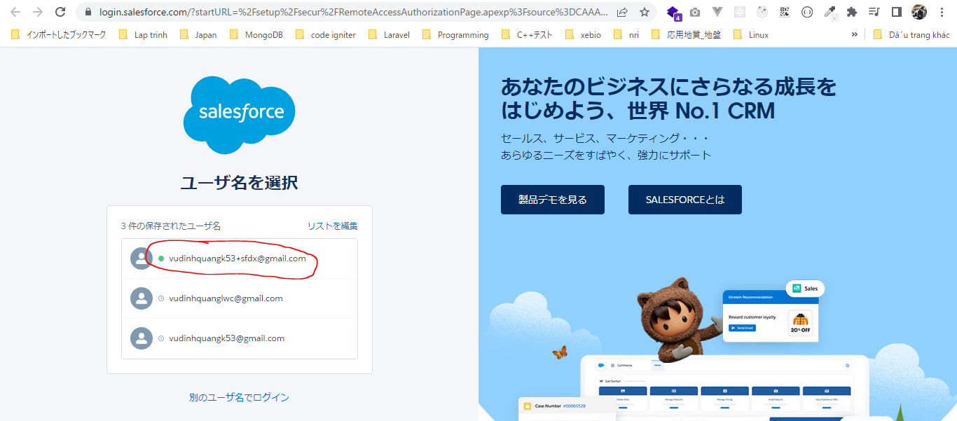

 | sfdx force:org:list

 | sfdx force:config:set defaultusername=developer1
 | sfdx force:config:set defaultdevhubusername=vudinhquangk53+sfdx@gmail.com

 | Check file
 | SFDX-and-Salesforce-CLI\sfdx-dev-cycle-demo\.sfdx\sfdx-config.json
 | {
 | "defaultusername": "developer1",
 | "defaultdevhubusername": "vudinhquangk53+sfdx@gmail.com"
 | }

 | sfdx force:org:list

 |  |  |  |  |  |  |  |  |  | → | Updated(sfdx force:config:set defaultusername=developer1)

 | Create Scratch Org
 | sfdx force:org:create -a developer1 -d 30 -f config/project-scratch-def.json -s

 |  | scratch org |  |  | username
 |  | 00D6D0000003YqRUAU |  |  | test-wx6prp0ejinr@example.com

 | sfdx force:org:list

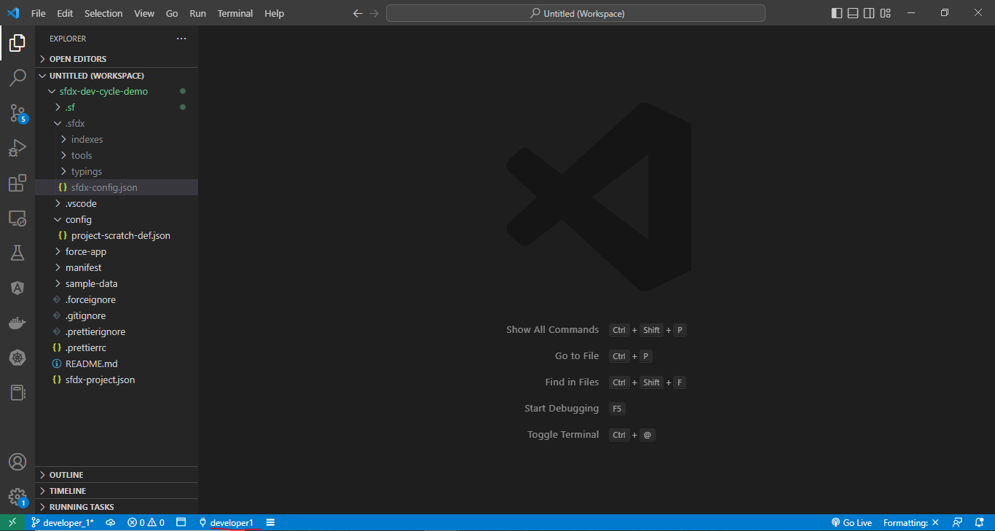

Create newTreePlantation component
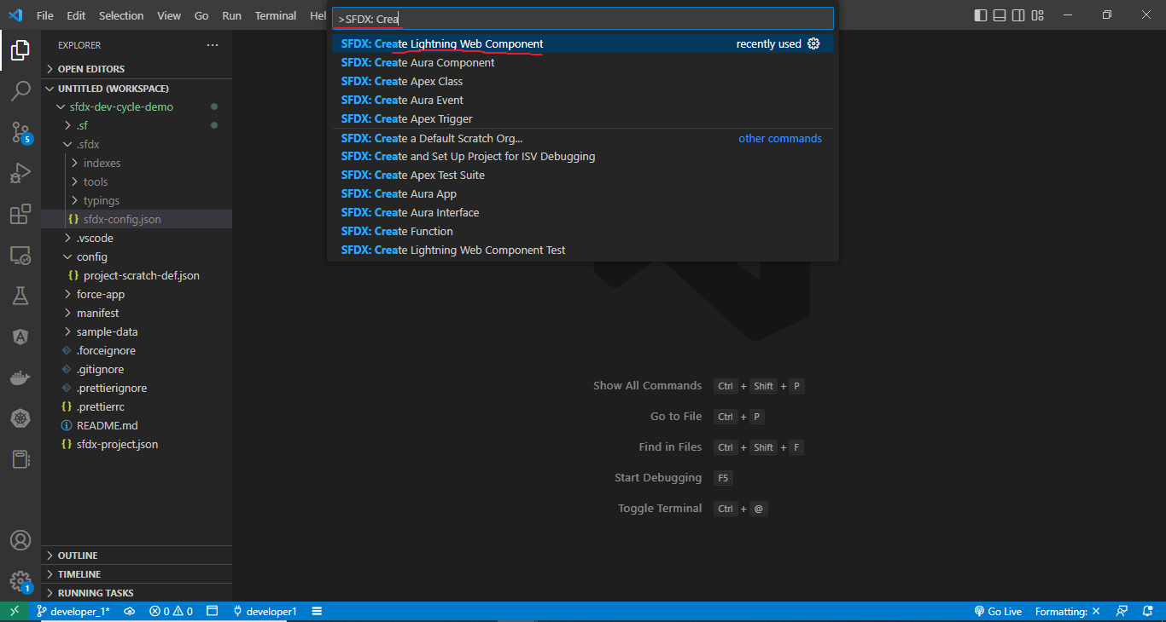

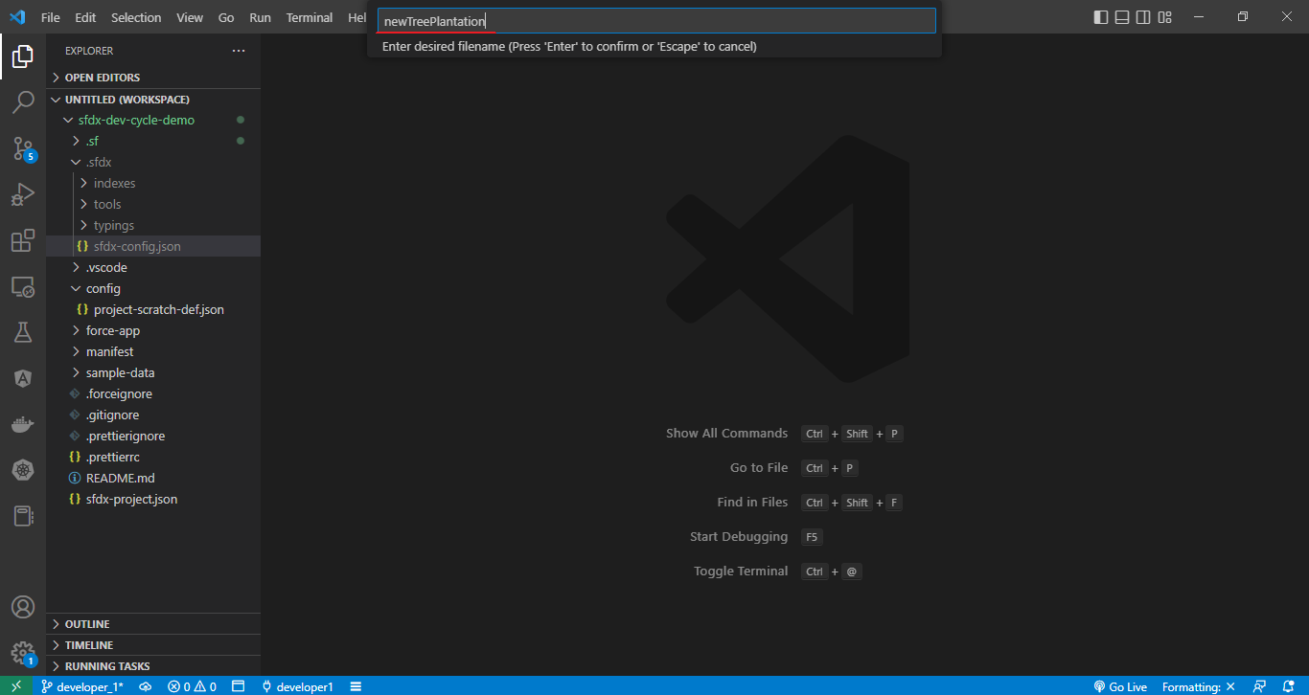

SFDX-and-Salesforce-CLI\sfdx-dev-cycle-demo\force-app\main\default\lwc\newTreePlantation\newTreePlantation.html
 | <template>
 | <lightning-card>
 | <lightning-button slot="actions" label="Record New Plantation" variant="brand" onclick={recordNewPlantation}>
 | </lightning-button>
 | <template if:true={showForm}>
 | <lightning-record-form object-api-name="Tree_Plantation__c"
 | record-id={recordId}
 | layout-type="Full"
 | mode={mode}
 | onsuccess={handleSuccess}>
 | </lightning-record-form>
 | </template>
 | </lightning-card>
 | </template>

SFDX-and-Salesforce-CLI\sfdx-dev-cycle-demo\force-app\main\default\lwc\newTreePlantation\newTreePlantation.js
 | import { LightningElement, track } from 'lwc';
 | import { ShowToastEvent } from 'lightning/platformShowToastEvent';

 | export default class NewTreePlantation extends LightningElement {

 | @track recordId;
 | @track showForm = false;

 | recordNewPlantation(){
 | this.showForm = true;
 | this.recordId = undefined;
 | }

 | handleSuccess(event) {
 | const evt = new ShowToastEvent({
 | title: "Plantation Recorded",
 | message: "Record ID: " + event.detail.id,
 | variant: "success"
 | });
 | this.dispatchEvent(evt);
 | }

 | get mode(){
 | return this.recordId ? 'view' : 'edit';
 | }
 | }

SFDX-and-Salesforce-CLI\sfdx-dev-cycle-demo\force-app\main\default\lwc\treePlantationExplorer\treePlantationExplorer.html
 | <template>
 | <lightning-tabset>
 | <lightning-tab label="Tree List" >
 | <c-tree-list></c-tree-list>
 | </lightning-tab>
 | <lightning-tab label="New Plantation">
 | <c-new-tree-plantation ></c-new-tree-plantation>
 | </lightning-tab>
 | </lightning-tabset>
 | </template>

push to Scratch Org
 | sfdx force:source:push
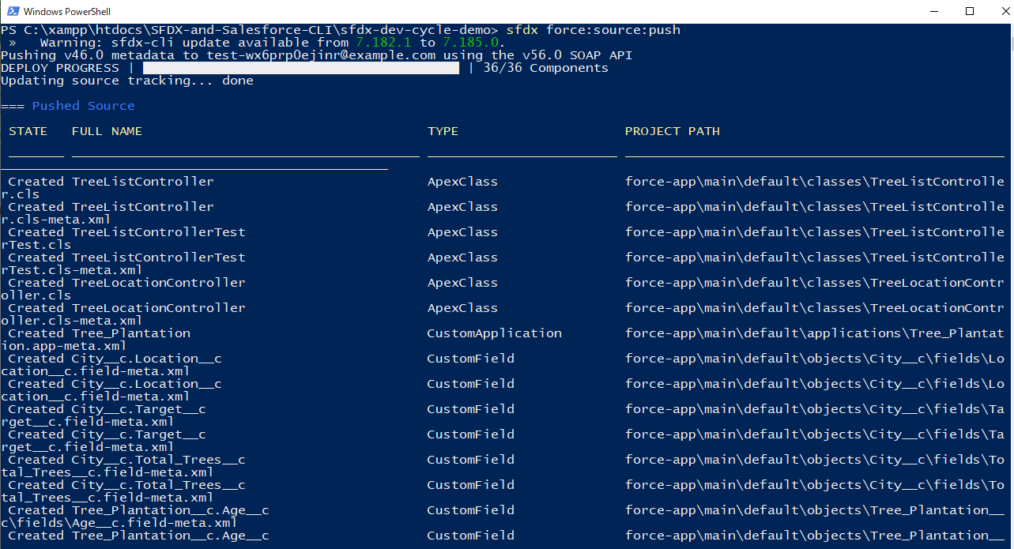

Assign Permission Set
 | sfdx force:user:permset:assign -n TreePlantation

Open Scratch Org to test
 | sfdx force:org:open

Commit
 | git add sfdx-dev-cycle-demo/
 | git commit -m 'added newtreplnation componnent'
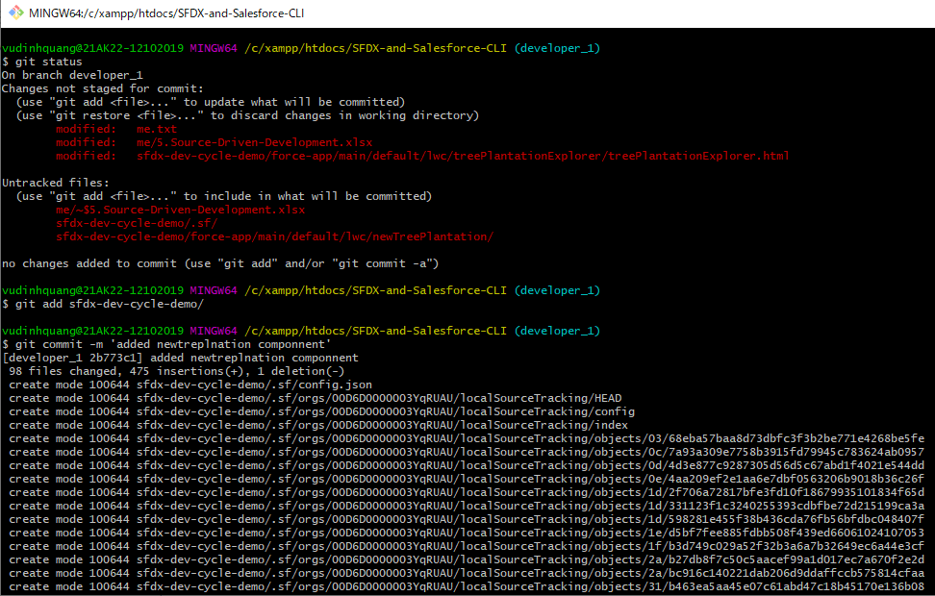

Push to remote
 | git push origin developer_1
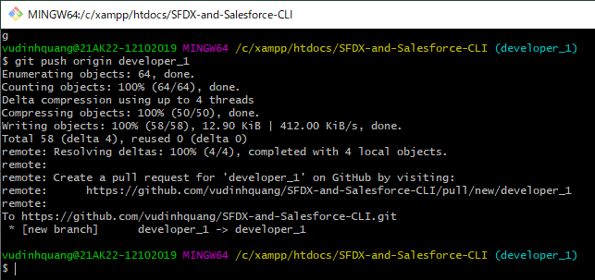

Pull request

Develop Application 2

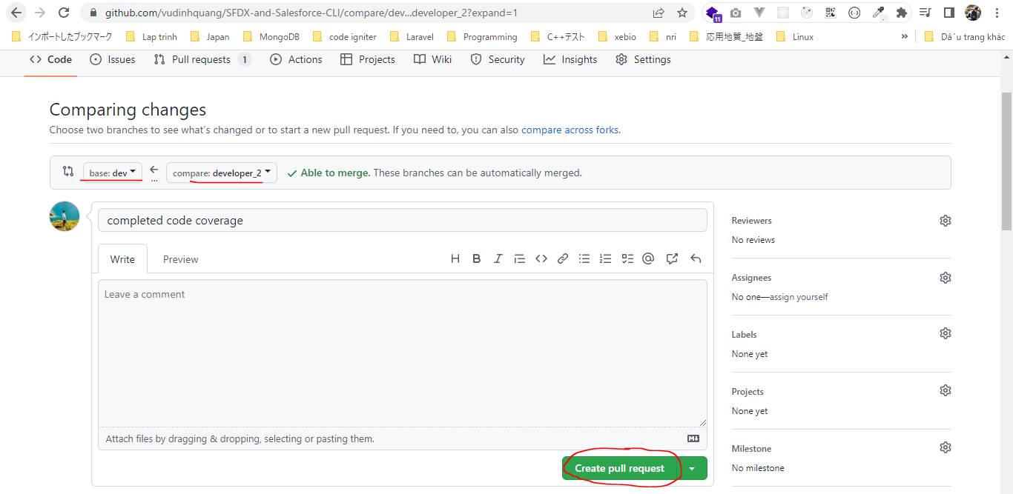
Develop Application 2 task: Create apex test

構成
 | CLISession
 |  | .sfdx
 |  |  | sfdx-config.json
 |  | config
 |  |  | project-scratch-def.json
 |  | force-app
 |  |  | main
 |  |  |  | default
 |  |  |  |  | applications
 |  |  |  |  | classes
 |  |  |  |  |  | TreeListControllerTest
 |  |  |  |  |  | TreeLocationControllerTest
 |  |  |  |  | flexipages
 |  |  |  |  |  | Tree_Plantation.flexipage-meta.xml
 |  |  |  |  | layouts
 |  |  |  |  | lwc
 |  |  |  |  |  | newTreePlantation
 |  |  |  |  |  |  | newTreePlantation.html
 |  |  |  |  |  |  | newTreePlantation.js
 |  |  |  |  |  |  | newTreePlantation.js-meta.xml
 |  |  |  |  |  | treePlantationExplorer
 |  |  |  |  |  |  | treePlantationExplorer.html
 |  |  |  |  |  |  | treePlantationExplorer.js
 |  |  |  |  |  |  | treePlantationExplorer.js-meta.xml
 |  |  |  |  | objects
 |  |  |  |  | permissionsets
 |  |  |  |  |  | TreePlantation.permissionset-meta.xml
 |  |  |  |  | staticresources
 |  |  |  |  | tabs
 |  | manifest
 |  |  | package.xml
 |  | metadata
 |  | sample-data
 |  |  | City__c.json
 |  |  | Tree__c-Tree_Plantation__c-plan.json
 |  |  | Tree__cs.json
 |  |  | Tree_Plantation__cs.json
 | sfdx-dev-cycle-demo
 |  | force-app
 |  |  | main
 |  |  |  | default
 |  |  |  |  | classes
 |  |  |  |  |  | TreeLocationControllerTest |  | → | Will create this class
 |  |  |  |  | lwc
 |  |  |  |  |  | newTreePlantation
 |  |  |  |  |  |  | newTreePlantation.html
 |  |  |  |  |  |  | newTreePlantation.js
 |  |  |  |  |  | treePlantationExplorer
 |  |  |  |  |  |  | treePlantationExplorer.html
 | tree-plantation
 |  | force-app
 |  |  | main
 |  |  |  | default
 |  |  |  |  | lwc
 |  |  |  |  |  | newTreePlantation
 |  |  |  |  |  |  | newTreePlantation.html
 |  |  |  |  |  |  | newTreePlantation.js
 |  |  |  |  | staticresources
 |  |  |  |  |  | treeimages
 |  | sample-data
 |  |  | City__c.json
 |  |  | import-plan.json
 |  |  | Tree__cs.json
 |  |  | Tree_Plantation__cs.json

A typical developer would clone dev branch in his branch local system and then he can start developing on it

 | Create new branch from dev branch

Login
 | sfdx force:auth:web:login -a developer2 -d -s

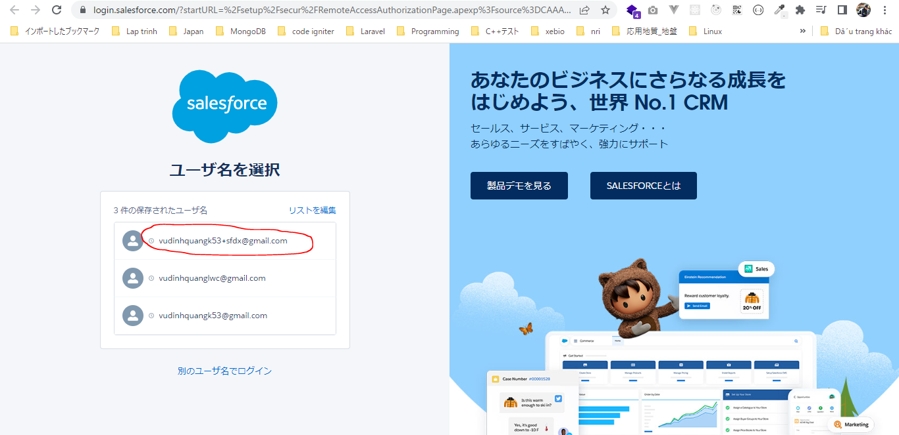

 | sfdx force:org:list
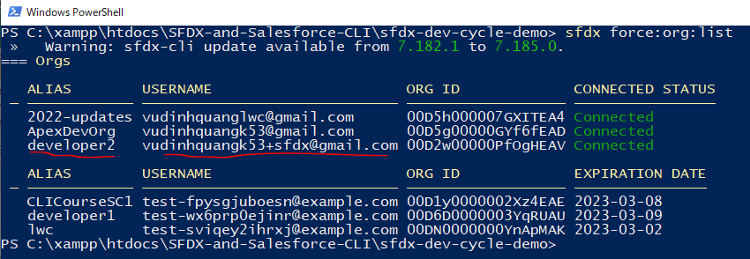

 | sfdx force:config:set defaultusername=developer2
 | sfdx force:config:set defaultdevhubusername=vudinhquangk53+sfdx@gmail.com

 | Check file
 | SFDX-and-Salesforce-CLI\sfdx-dev-cycle-demo\.sfdx\sfdx-config.json
 | {
 | "defaultusername": "developer2",
 | "defaultdevhubusername": "vudinhquangk53+sfdx@gmail.com"
 | }

 | sfdx force:org:list
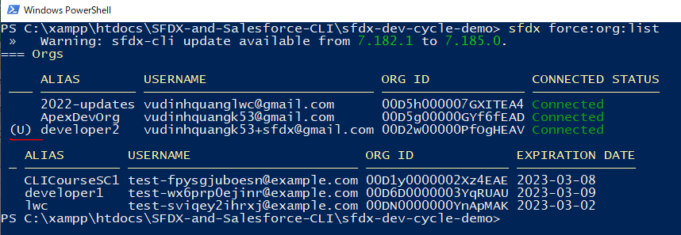

 |  |  |  |  |  |  |  |  |  | → | Updated(sfdx force:config:set defaultusername=developer2)

 | Create Scratch Org
 | sfdx force:org:create -a developer2 -d 30 -f config/project-scratch-def.json -s

 |  | scratch org |  |  | username
 |  | 00DN0000000GVdTMAW |  |  | test-c5ie8pnfxrqm@example.com

 | sfdx force:org:list
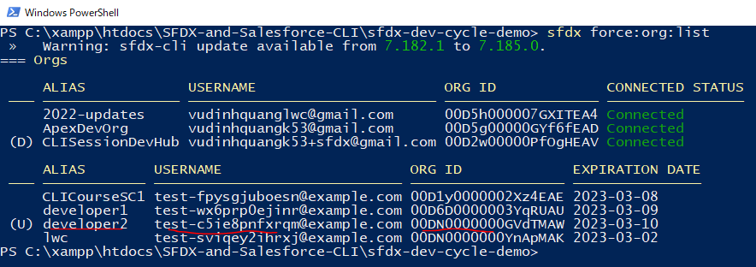

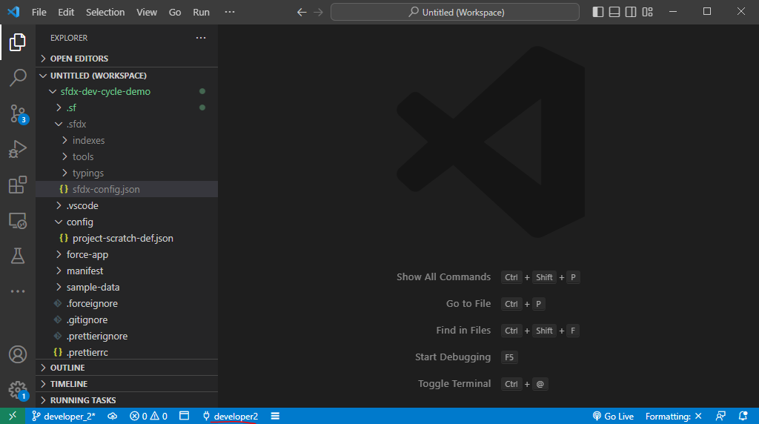

Create apex test class
 | sfdx force:apex:class:create -n TreeLocationControllerTest -d force-app/main/default/classes/ --template ApexUnitTest

 | SFDX-and-Salesforce-CLI\sfdx-dev-cycle-demo\force-app\main\default\classes\TreeLocationControllerTest.cls
 | /**
 | * This class contains unit tests for validating the behavior of Apex classes
 | * and triggers.
 | *
 | * Unit tests are class methods that verify whether a particular piece
 | * of code is working properly. Unit test methods take no arguments,
 | * commit no data to the database, and are flagged with the testMethod
 | * keyword in the method definition.
 | *
 | * All test methods in an org are executed whenever Apex code is deployed
 | * to a production org to confirm correctness, ensure code
 | * coverage, and prevent regressions. All Apex classes are
 | * required to have at least 75% code coverage in order to be deployed
 | * to a production org. In addition, all triggers must have some code coverage.
 | *
 | * The @isTest class annotation indicates this class only contains test
 | * methods. Classes defined with the @isTest annotation do not count against
 | * the org size limit for all Apex scripts.
 | *
 | * See the Apex Language Reference for more information about Testing and Code Coverage.
 | */
 | @isTest
 | public with sharing class TreeLocationControllerTest {

 | @TestSetup
 | static void makeData(){
 | Tree__c tree = new Tree__c(Name='Banyan Tree', Benefit__c='Dummy Benefits Here', Picture__c='');
 | insert tree;
 | City__c city = new City__c(Name='Jaipur', Location__Latitude__s=26.912434, Location__Longitude__s=75.78727);
 | insert city;
 | Tree_Plantation__c treePlantation = new Tree_Plantation__c(Planted_In__c=city.Id, Tree__c=tree.Id);
 | insert treePlantation;
 | }

 | @isTest
 | static void testGetTreeLocations(){
 | Test.startTest();
 | List<Tree__c> trees = [SELECT Id, Name FROM Tree__C];
 | List<Tree_Plantation__c> treePlantation = TreeLocationController.getTreeLocations(trees[0].Id);
 | Test.stopTest();

 | System.assert(trees.size() == 1, 'More or less tree found');
 | System.assertEquals('Banyan Tree', trees[0].Name, 'Tree name did not match');
 | System.assert(treePlantation.size() == 1, 'More or less treePlantation records found');
 | System.assertEquals('Jaipur', treePlantation[0].Planted_In__r.Name, 'City name did not match');
 | }
 | }

push to Scratch Org
 | sfdx force:source:push
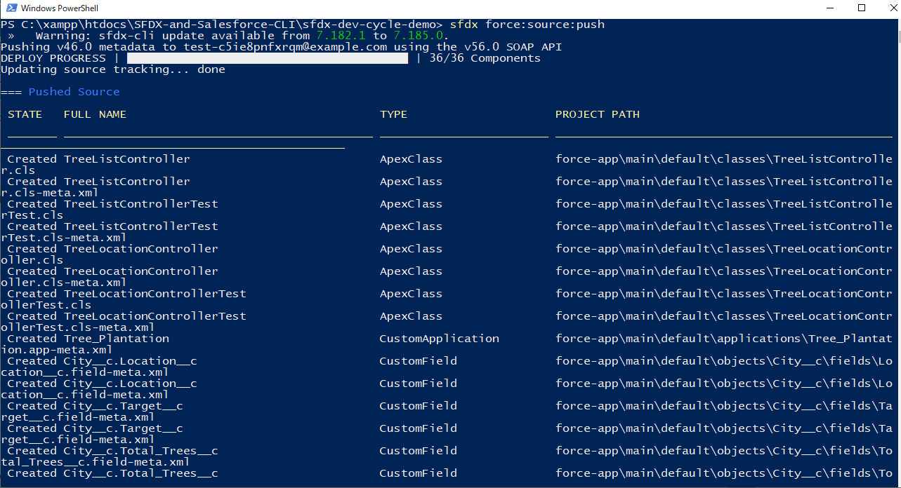

Check code coverage of our Org
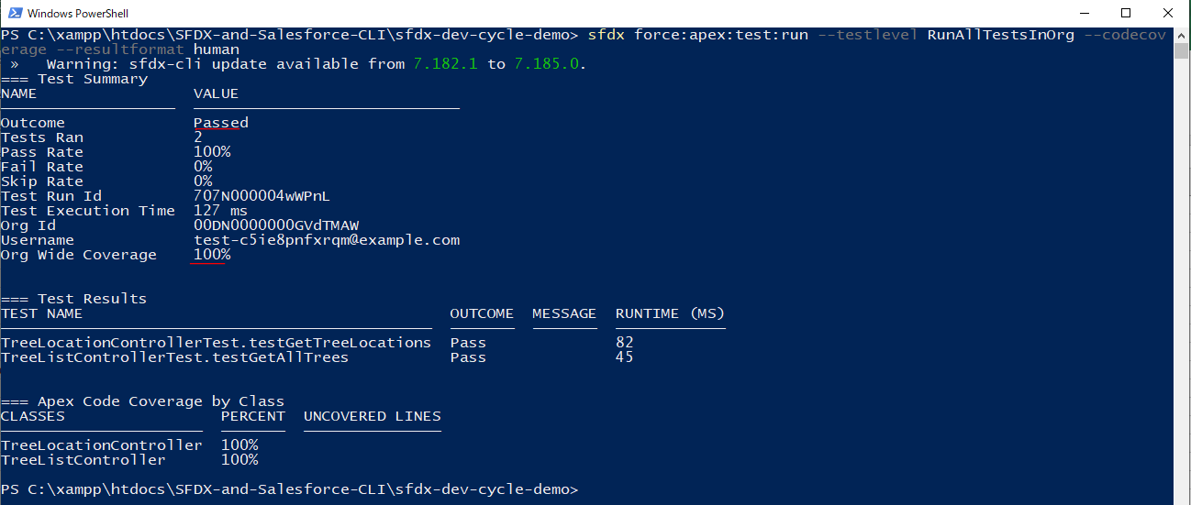

Commit
 | git add sfdx-dev-cycle-demo/
 | git commit -m 'completed code coverage'
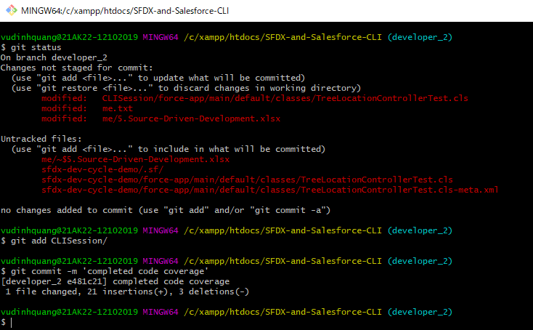

Push to remote
 | git push origin developer_2
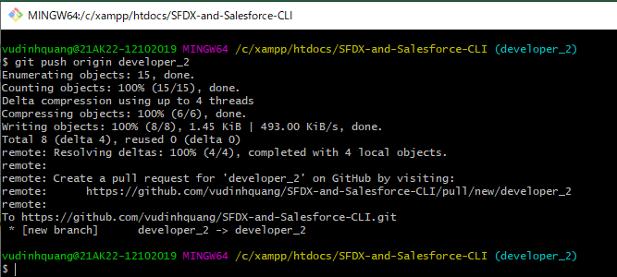

Pull request

