openssl
openssl for windows
 | download
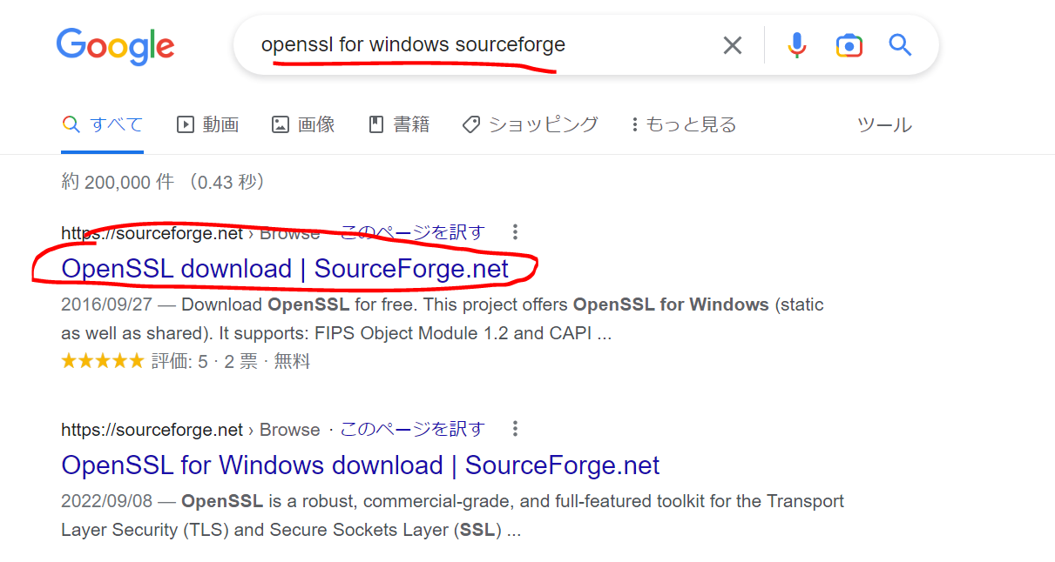

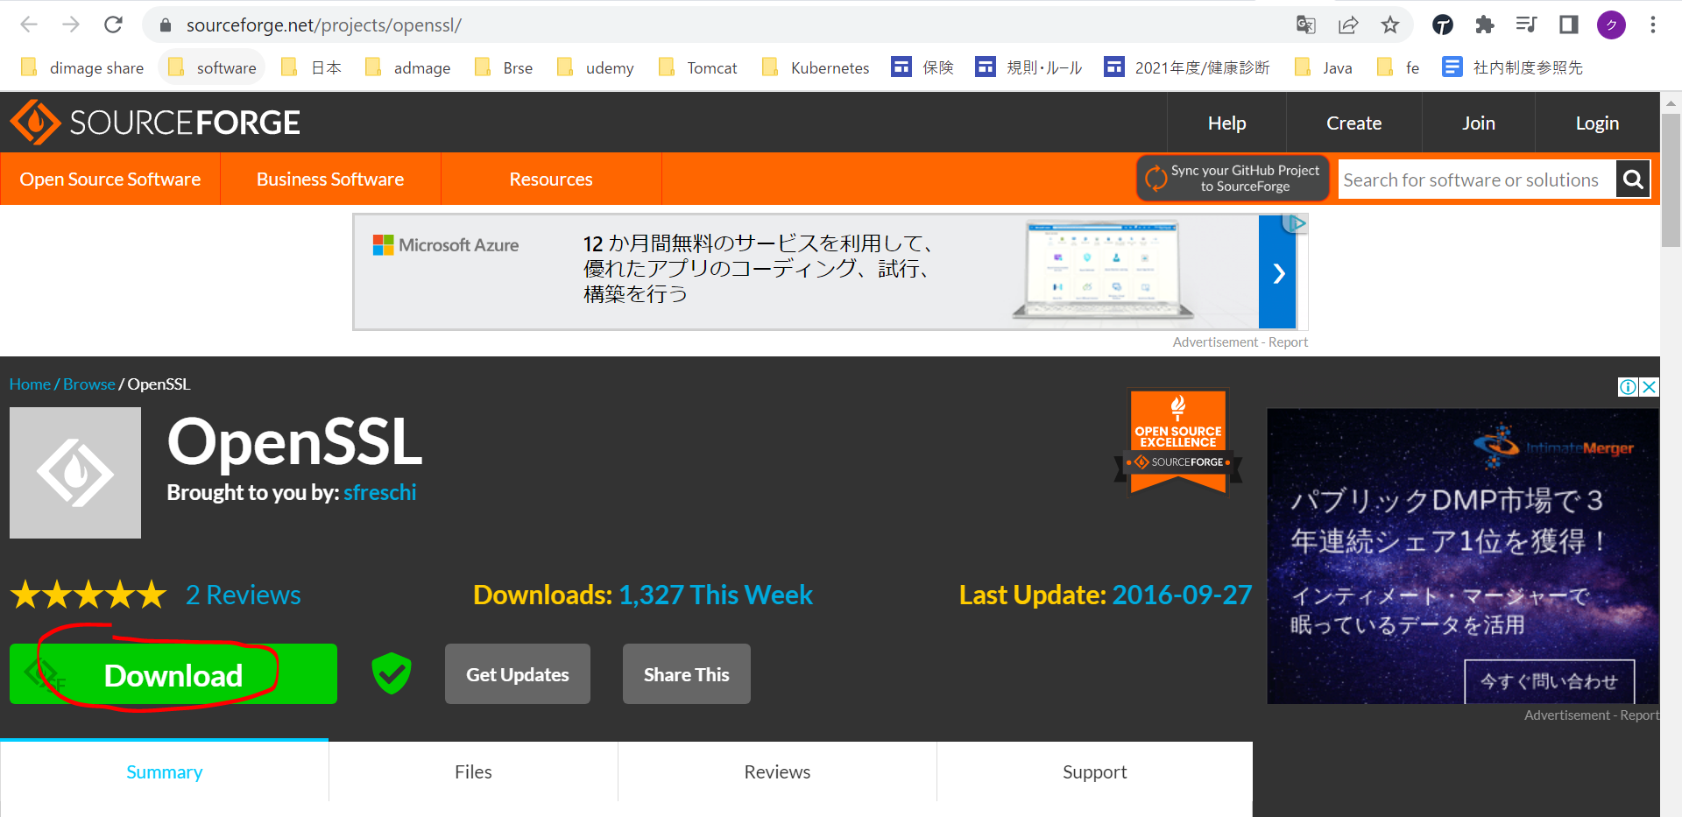

 | Sau khi download giải nén ra và copy vào folder Users\quang-vu

 | environment path
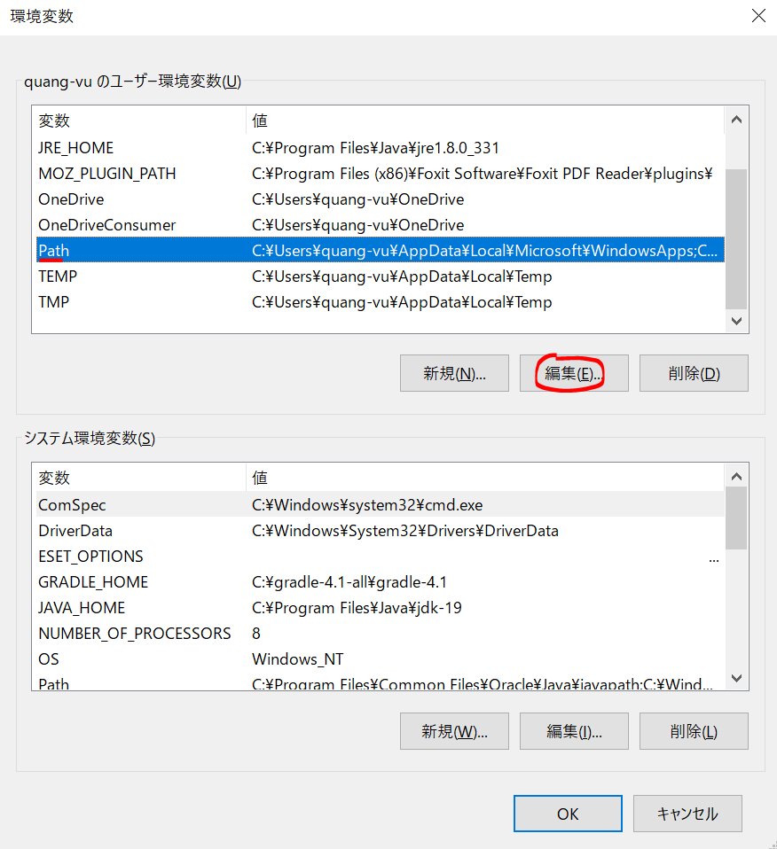

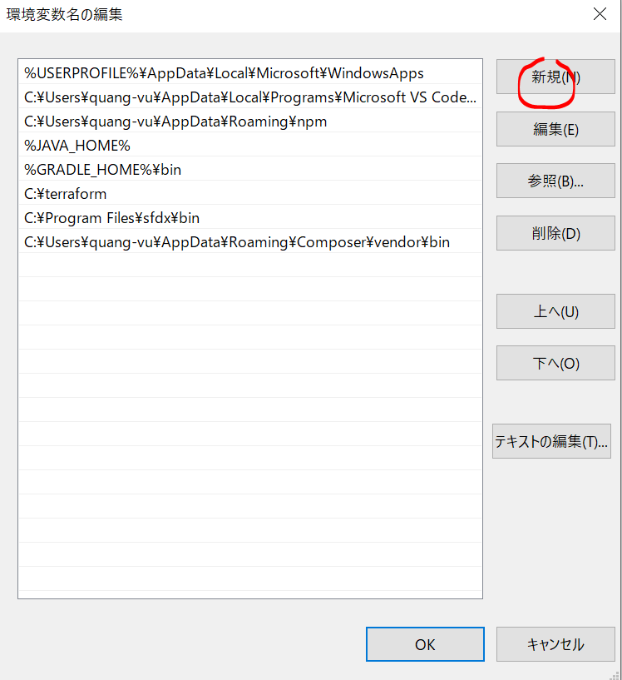

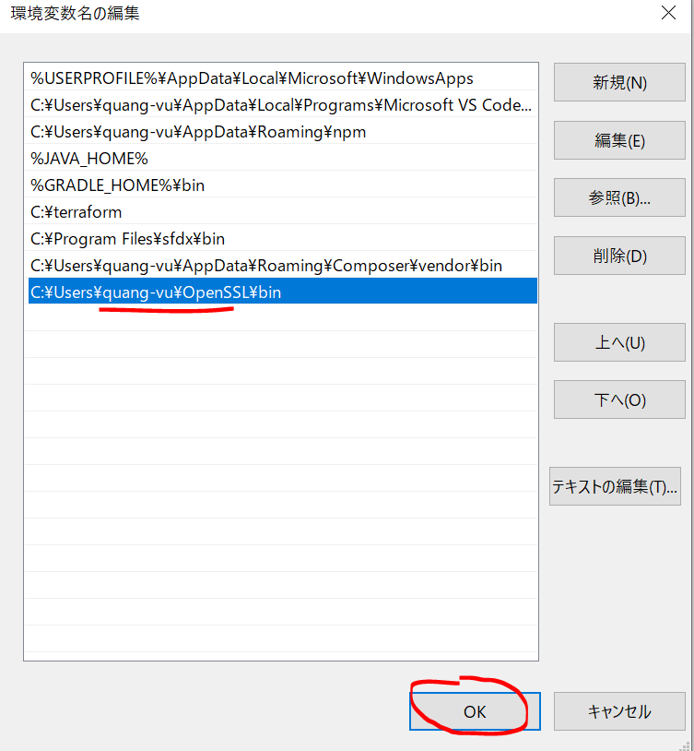

 | Config openssl.cnf
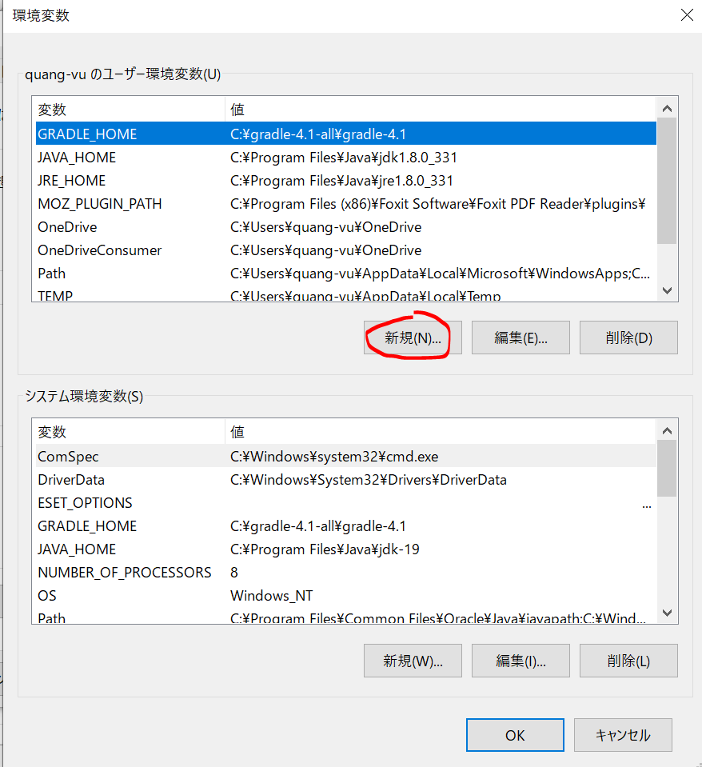

 | Check
 | openssl

Generate SSL Certificate
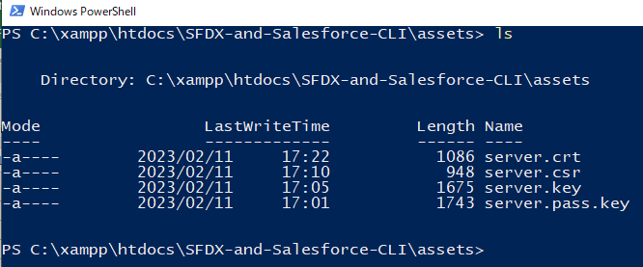
構成
 | assets |  |  |  |  |  |  | → | new
 |  | server.crt |  |  |  |  |  | → | created by command
 |  | server.csr |  |  |  |  |  | → | created by command
 |  | server.key |  |  |  |  |  | → | created by command
 |  | server.pass.key |  |  |  |  |  | → | created by command
 | CLISession
 |  | .sfdx
 |  |  | sfdx-config.json
 |  | config
 |  |  | project-scratch-def.json
 |  | force-app
 |  |  | main
 |  |  |  | default
 |  |  |  |  | applications
 |  |  |  |  | classes
 |  |  |  |  |  | TreeListControllerTest
 |  |  |  |  |  | TreeLocationControllerTest
 |  |  |  |  | flexipages
 |  |  |  |  |  | Tree_Plantation.flexipage-meta.xml
 |  |  |  |  | layouts
 |  |  |  |  | lwc
 |  |  |  |  |  | newTreePlantation
 |  |  |  |  |  |  | newTreePlantation.html
 |  |  |  |  |  |  | newTreePlantation.js
 |  |  |  |  |  |  | newTreePlantation.js-meta.xml
 |  |  |  |  |  | treePlantationExplorer
 |  |  |  |  |  |  | treePlantationExplorer.html
 |  |  |  |  |  |  | treePlantationExplorer.js
 |  |  |  |  |  |  | treePlantationExplorer.js-meta.xml
 |  |  |  |  | objects
 |  |  |  |  | permissionsets
 |  |  |  |  |  | TreePlantation.permissionset-meta.xml
 |  |  |  |  | staticresources
 |  |  |  |  | tabs
 |  | manifest
 |  |  | package.xml
 |  | metadata
 |  | sample-data
 |  |  | City__c.json
 |  |  | Tree__c-Tree_Plantation__c-plan.json
 |  |  | Tree__cs.json
 |  |  | Tree_Plantation__cs.json
 | sfdx-dev-cycle-demo
 |  | force-app
 |  |  | main
 |  |  |  | default
 |  |  |  |  | classes
 |  |  |  |  |  | TreeLocationControllerTest
 |  |  |  |  | lwc
 |  |  |  |  |  | newTreePlantation
 |  |  |  |  |  |  | newTreePlantation.html
 |  |  |  |  |  |  | newTreePlantation.js
 |  |  |  |  |  | treePlantationExplorer
 |  |  |  |  |  |  | treePlantationExplorer.html
 | tree-plantation
 |  | force-app
 |  |  | main
 |  |  |  | default
 |  |  |  |  | lwc
 |  |  |  |  |  | newTreePlantation
 |  |  |  |  |  |  | newTreePlantation.html
 |  |  |  |  |  |  | newTreePlantation.js
 |  |  |  |  | staticresources
 |  |  |  |  |  | treeimages
 |  | sample-data
 |  |  | City__c.json
 |  |  | import-plan.json
 |  |  | Tree__cs.json
 |  |  | Tree_Plantation__cs.json

 | Generate Private Key
 | openssl genrsa -des3 -passout pass:x -out server.pass.key 2048

 | Generate Server Key
 | openssl rsa -passin pass:x -in server.pass.key -out server.key

 | Generate ssl certificate request
 | openssl req -new -key server.key -out server.csr
 | it is going to ask us for the password, just leave it as blank and hit enter because we do not want to use the password here as we will be automating all our steps using
 | CLI and we do not want to enter password anywhere
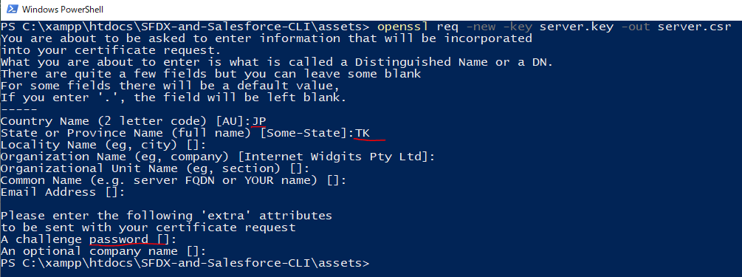

 | Generate ssl digital certificate
 | openssl x509 -req -sha256 -days 365 -in server.csr -signkey server.key -out server.crt

Create Connected App
構成
 | assets
 |  | server.crt
 |  | server.csr
 |  | server.key
 |  | server.pass.key
 | CLISession
 |  | .sfdx
 |  |  | sfdx-config.json
 |  | config
 |  |  | project-scratch-def.json
 |  | force-app
 |  |  | main
 |  |  |  | default
 |  |  |  |  | applications
 |  |  |  |  | classes
 |  |  |  |  |  | TreeListControllerTest
 |  |  |  |  |  | TreeLocationControllerTest
 |  |  |  |  | flexipages
 |  |  |  |  |  | Tree_Plantation.flexipage-meta.xml
 |  |  |  |  | layouts
 |  |  |  |  | lwc
 |  |  |  |  |  | newTreePlantation
 |  |  |  |  |  |  | newTreePlantation.html
 |  |  |  |  |  |  | newTreePlantation.js
 |  |  |  |  |  |  | newTreePlantation.js-meta.xml
 |  |  |  |  |  | treePlantationExplorer
 |  |  |  |  |  |  | treePlantationExplorer.html
 |  |  |  |  |  |  | treePlantationExplorer.js
 |  |  |  |  |  |  | treePlantationExplorer.js-meta.xml
 |  |  |  |  | objects
 |  |  |  |  | permissionsets
 |  |  |  |  |  | TreePlantation.permissionset-meta.xml
 |  |  |  |  | staticresources
 |  |  |  |  | tabs
 |  | manifest
 |  |  | package.xml
 |  | metadata
 |  | sample-data
 |  |  | City__c.json
 |  |  | Tree__c-Tree_Plantation__c-plan.json
 |  |  | Tree__cs.json
 |  |  | Tree_Plantation__cs.json
 | sfdx-dev-cycle-demo
 |  | force-app
 |  |  | main
 |  |  |  | default
 |  |  |  |  | classes
 |  |  |  |  |  | TreeLocationControllerTest
 |  |  |  |  | lwc
 |  |  |  |  |  | newTreePlantation
 |  |  |  |  |  |  | newTreePlantation.html
 |  |  |  |  |  |  | newTreePlantation.js
 |  |  |  |  |  | treePlantationExplorer
 |  |  |  |  |  |  | treePlantationExplorer.html
 | tree-plantation
 |  | force-app
 |  |  | main
 |  |  |  | default
 |  |  |  |  | lwc
 |  |  |  |  |  | newTreePlantation
 |  |  |  |  |  |  | newTreePlantation.html
 |  |  |  |  |  |  | newTreePlantation.js
 |  |  |  |  | staticresources
 |  |  |  |  |  | treeimages
 |  | sample-data
 |  |  | City__c.json
 |  |  | import-plan.json
 |  |  | Tree__cs.json
 |  |  | Tree_Plantation__cs.json

 | Check here, Dev Hub setting is enabled. This is the Dev Hub Org through it we want ot create our Scratch Org
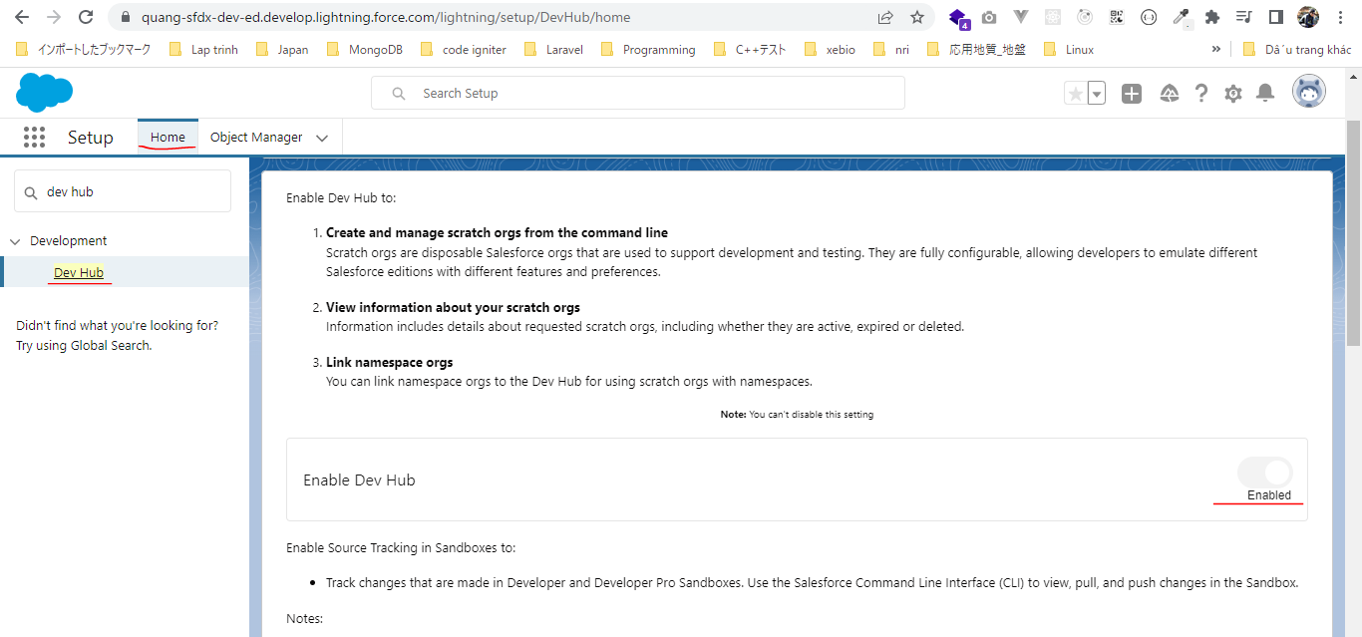

 | New Connected App
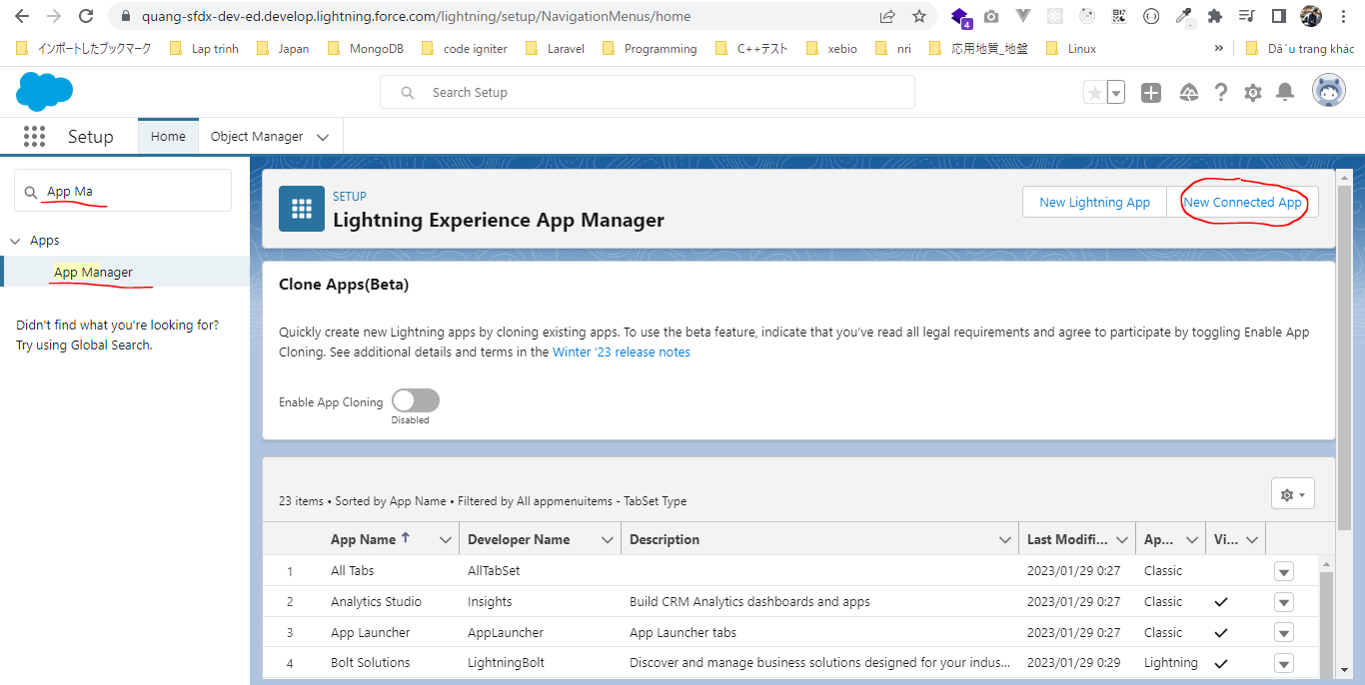

 | We need to add some Oauth Scopes in this Connected App and the Oauth Scopes means like what kind of operations that we want this Connected App to perform on behalf of us
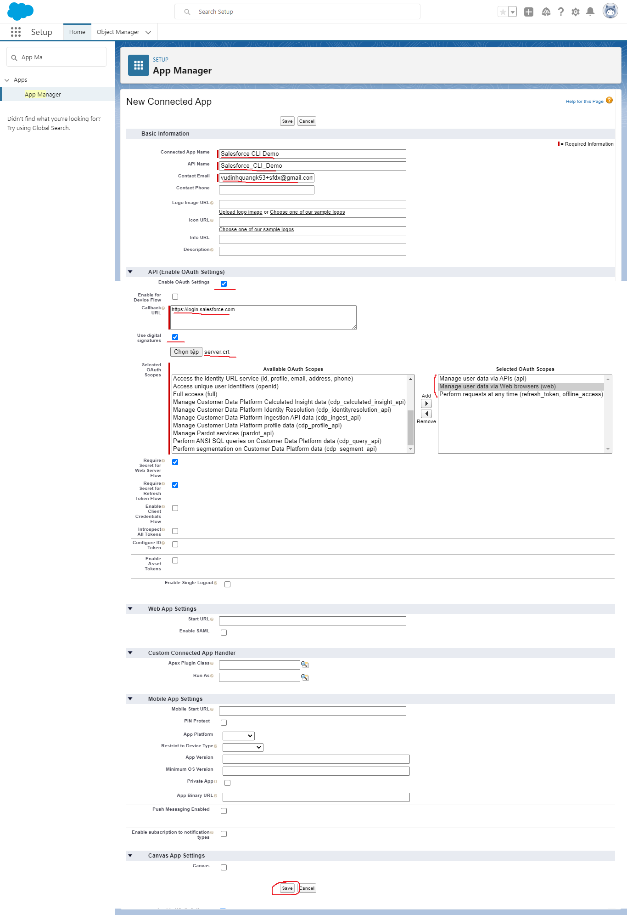

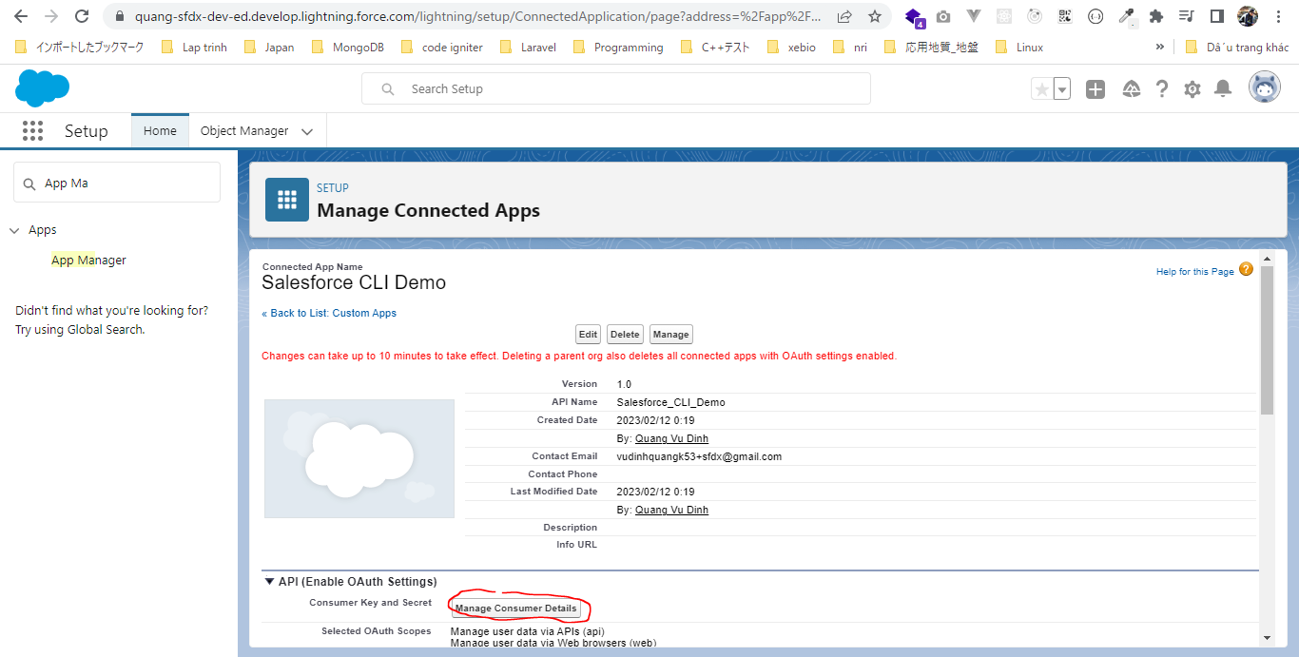

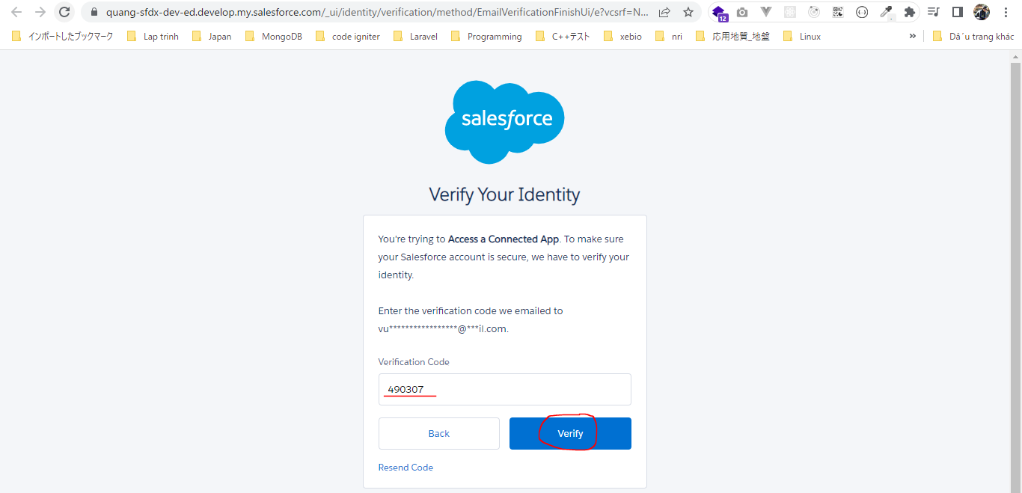

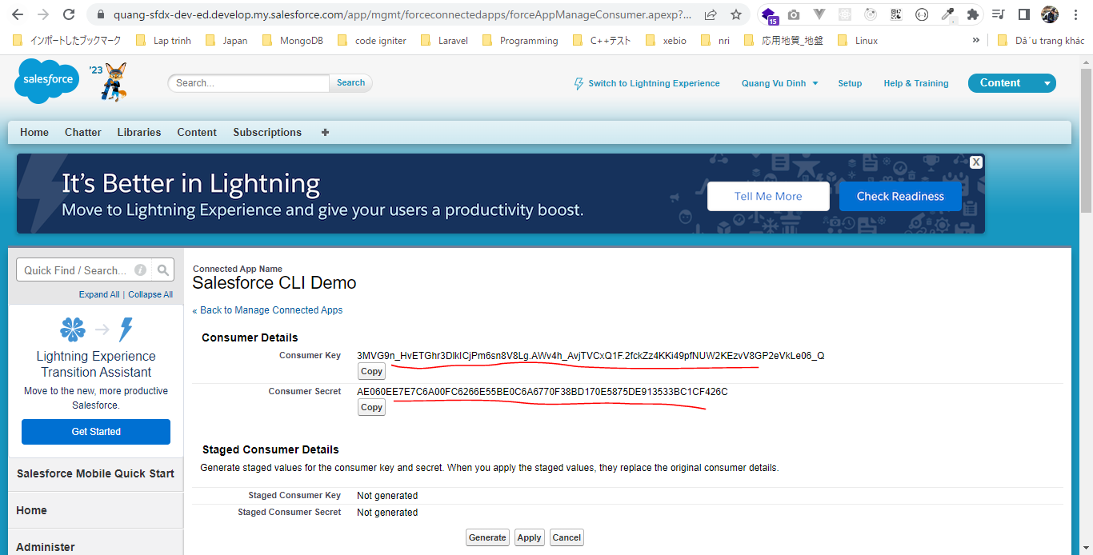

 |  | Consumer Key |  | 3MVG9n_HvETGhr3DlkICjPm6sn8V8Lg.AWv4h_AvjTVCxQ1F.2fckZz4KKi49pfNUW2KEzvV8GP2eVkLe06_Q
 |  | Consumer Secret |  | AE060EE7E7C6A00FC6266E55BE0C6A6770F38BD170E5875DE913533BC1CF426C

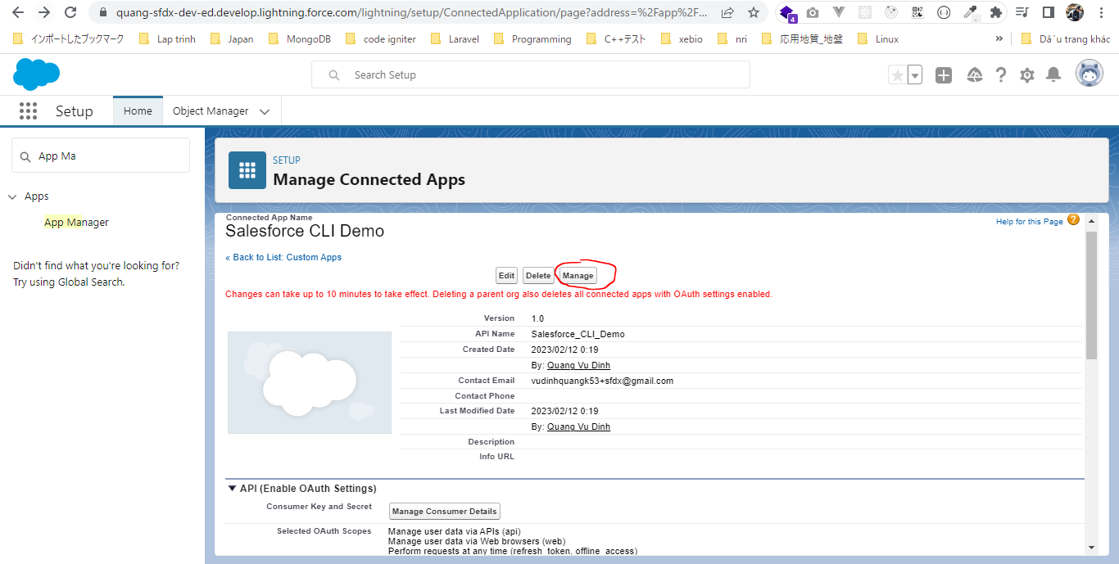

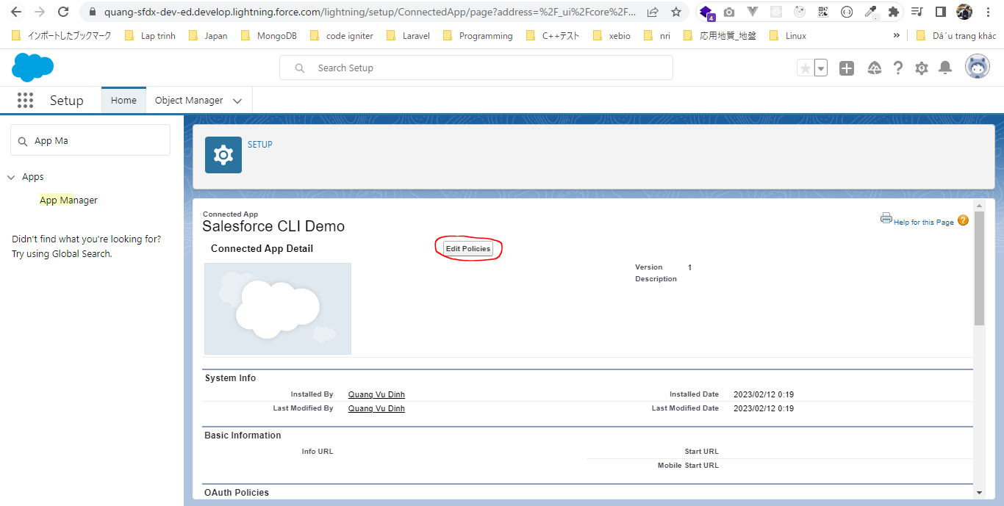

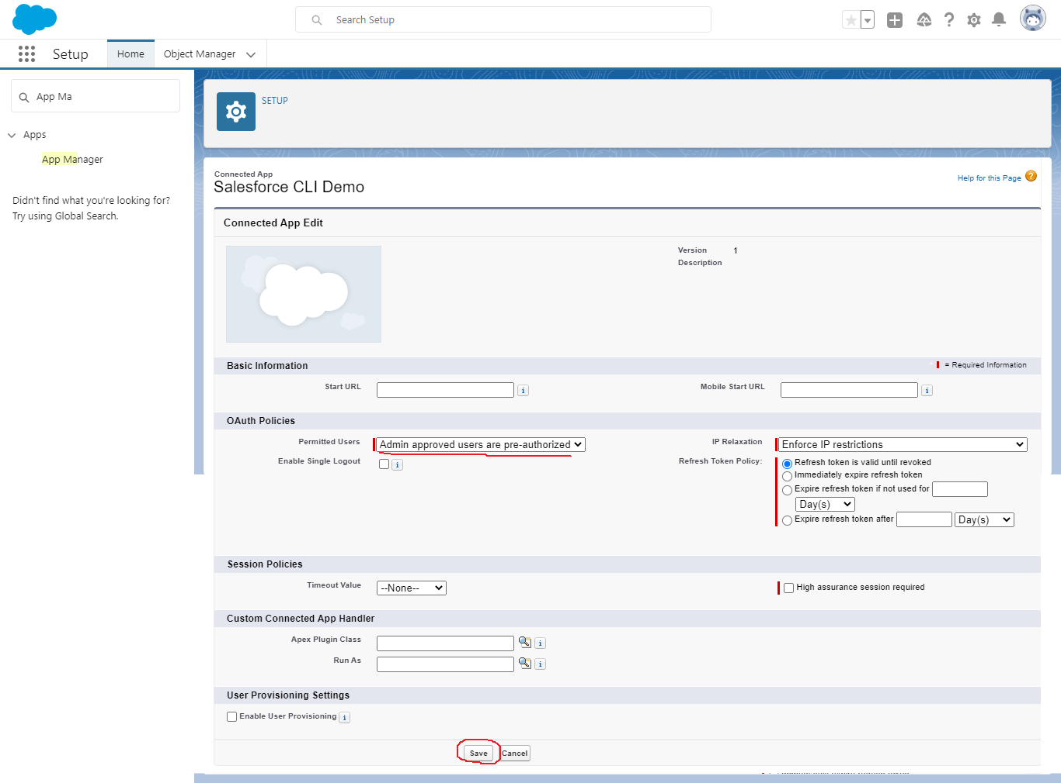

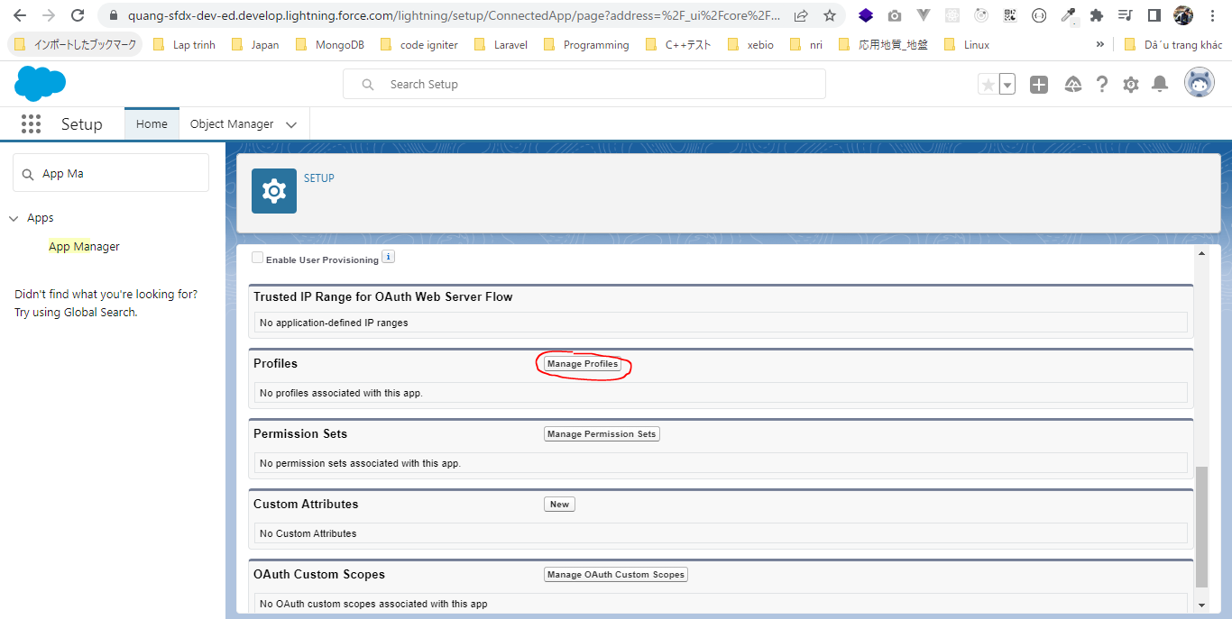

 | It does not need to be a System Admin profile if we are working with the enterprise application so we may have to select a different profile there. So just choose an appropriate frofile and assign
 | that profile to this Connected App
 | Check our user is System Administrator
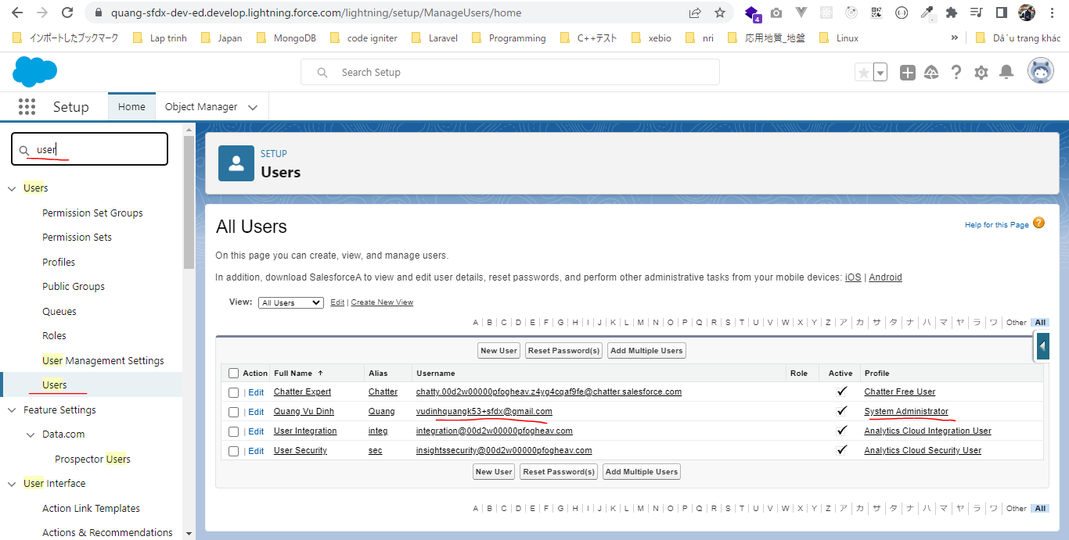

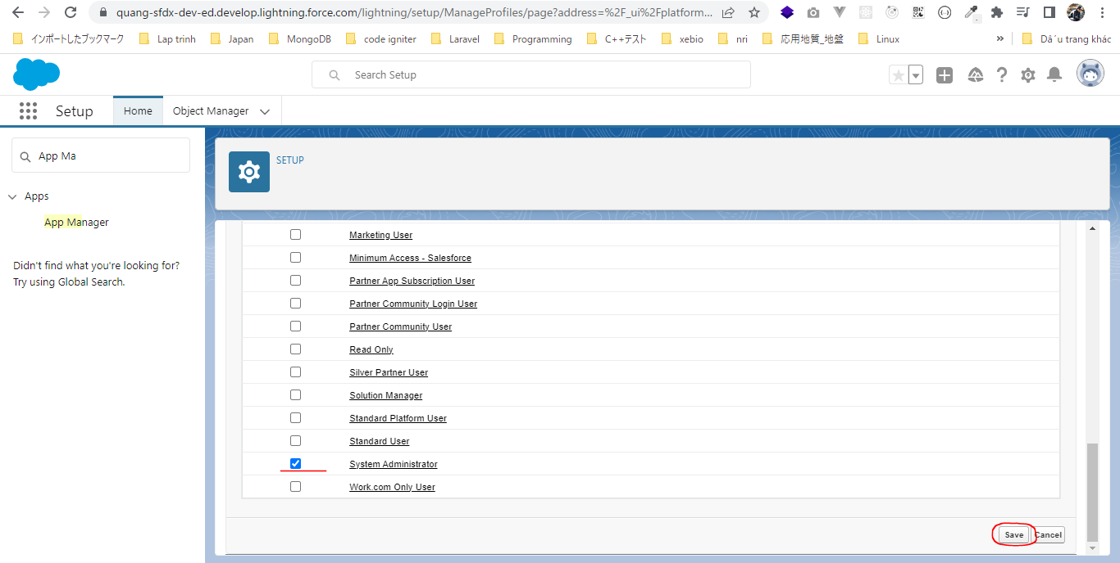

 | Try to login the web login before we can actually use JWT token
 | sfdx force:auth:web:login -d
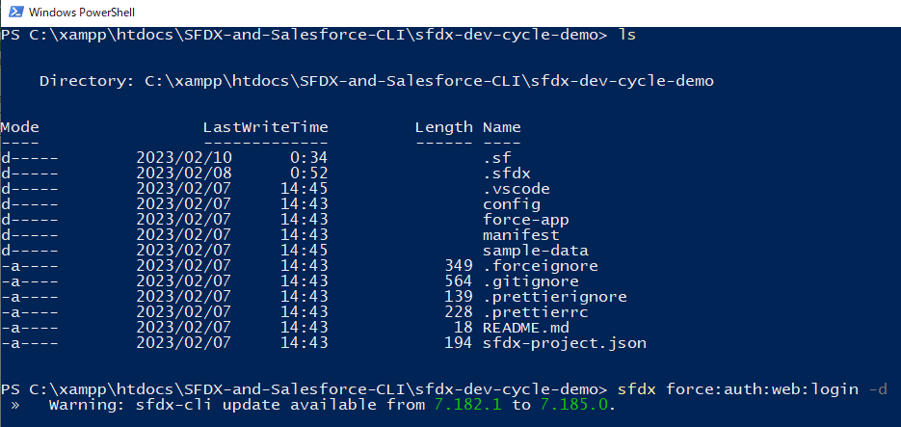

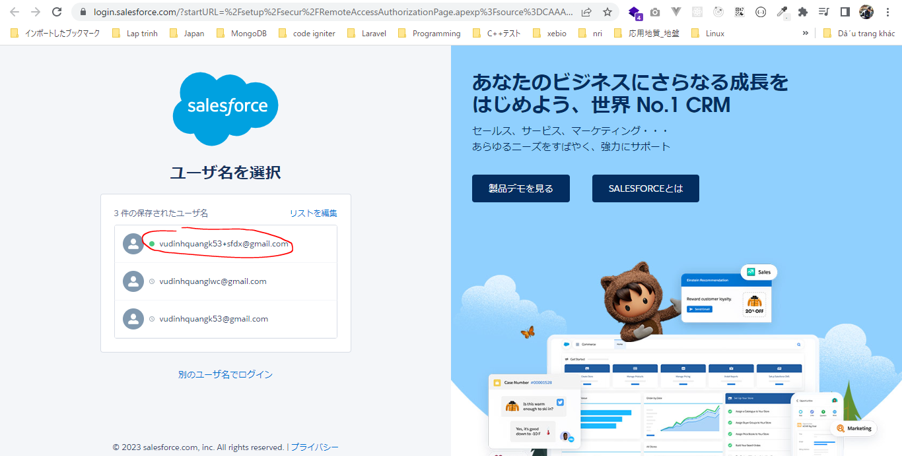

 | Using jwt flow
 | sfdx force:auth:jwt:grant --clientid 3MVG9n_HvETGhr3DlkICjPm6sn8V8Lg.AWv4h_AvjTVCxQ1F.2fckZz4KKi49pfNUW2KEzvV8GP2eVkLe06_Q --jwtkeyfile ../assets/server.key --username vudinhquangk53+sfdx@gmail.com --setdefaultdevhubusername

CLI Automation - 1
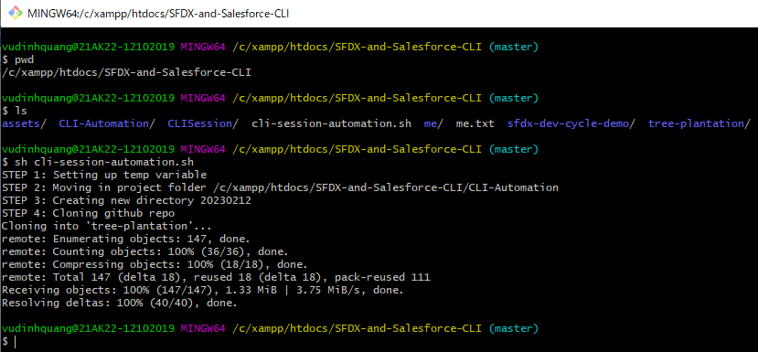
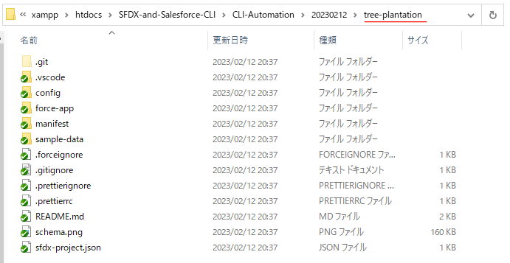
 | Writing our automation script using Salesforce CLI commands and we automating a few tasks that developer has to do very frequently or almost every day. And this task
 | including clone Github repo, then authorize ourselves against the Salesforce Org or a Dev Hub Org and then we will create a Scratch Org and we will push all our metadata in
 | our Scratch Org

構成
 | assets
 |  | server.crt
 |  | server.csr
 |  | server.key
 |  | server.pass.key
 | CLI-Automation |  |  |  |  |  |  | → | new
 | CLISession
 |  | .sfdx
 |  |  | sfdx-config.json
 |  | config
 |  |  | project-scratch-def.json
 |  | force-app
 |  |  | main
 |  |  |  | default
 |  |  |  |  | applications
 |  |  |  |  | classes
 |  |  |  |  |  | TreeListControllerTest
 |  |  |  |  |  | TreeLocationControllerTest
 |  |  |  |  | flexipages
 |  |  |  |  |  | Tree_Plantation.flexipage-meta.xml
 |  |  |  |  | layouts
 |  |  |  |  | lwc
 |  |  |  |  |  | newTreePlantation
 |  |  |  |  |  |  | newTreePlantation.html
 |  |  |  |  |  |  | newTreePlantation.js
 |  |  |  |  |  |  | newTreePlantation.js-meta.xml
 |  |  |  |  |  | treePlantationExplorer
 |  |  |  |  |  |  | treePlantationExplorer.html
 |  |  |  |  |  |  | treePlantationExplorer.js
 |  |  |  |  |  |  | treePlantationExplorer.js-meta.xml
 |  |  |  |  | objects
 |  |  |  |  | permissionsets
 |  |  |  |  |  | TreePlantation.permissionset-meta.xml
 |  |  |  |  | staticresources
 |  |  |  |  | tabs
 |  | manifest
 |  |  | package.xml
 |  | metadata
 |  | sample-data
 |  |  | City__c.json
 |  |  | Tree__c-Tree_Plantation__c-plan.json
 |  |  | Tree__cs.json
 |  |  | Tree_Plantation__cs.json
 | sfdx-dev-cycle-demo
 |  | force-app
 |  |  | main
 |  |  |  | default
 |  |  |  |  | classes
 |  |  |  |  |  | TreeLocationControllerTest
 |  |  |  |  | lwc
 |  |  |  |  |  | newTreePlantation
 |  |  |  |  |  |  | newTreePlantation.html
 |  |  |  |  |  |  | newTreePlantation.js
 |  |  |  |  |  | treePlantationExplorer
 |  |  |  |  |  |  | treePlantationExplorer.html
 | tree-plantation
 |  | force-app
 |  |  | main
 |  |  |  | default
 |  |  |  |  | lwc
 |  |  |  |  |  | newTreePlantation
 |  |  |  |  |  |  | newTreePlantation.html
 |  |  |  |  |  |  | newTreePlantation.js
 |  |  |  |  | staticresources
 |  |  |  |  |  | treeimages
 |  | sample-data
 |  |  | City__c.json
 |  |  | import-plan.json
 |  |  | Tree__cs.json
 |  |  | Tree_Plantation__cs.json
 | cli-session-automation.sh |  |  |  |  |  |  | → | new

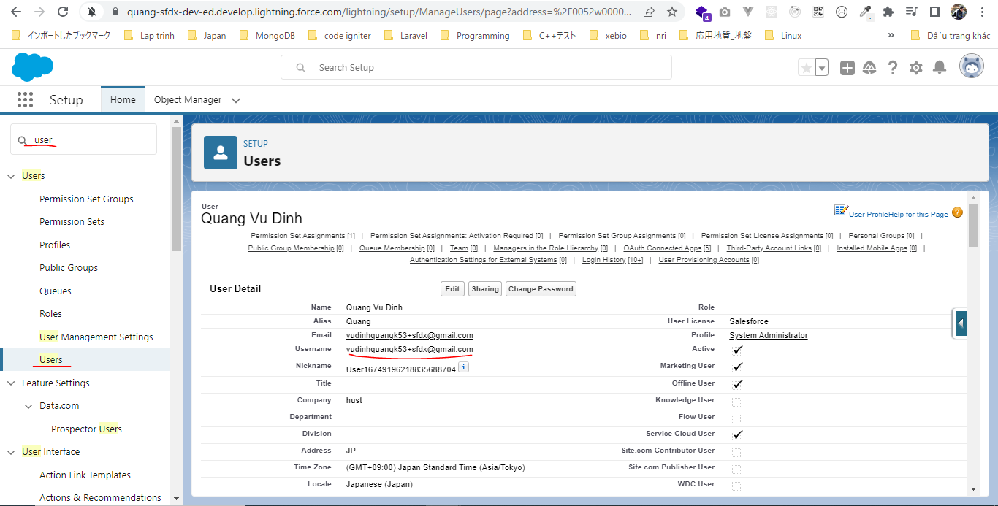

 | SFDX-and-Salesforce-CLI\cli-session-automation.sh
 | # Set env/temp variable
 | printf "STEP 1: Setting up temp variable\n"
 | export DEV_HUB_USER_NAME=vudinhquangk53+sfdx@gmail.com
 | export COSUMER_KEY=3MVG9n_HvETGhr3DlkICjPm6sn8V8Lg.AWv4h_AvjTVCxQ1F.2fckZz4KKi49pfNUW2KEzvV8GP2eVkLe06_Q
 | export SERVER_KEY_LOCATION="/c/xampp/htdocs/SFDX-and-Salesforce-CLI/assets/server.key"
 | export SFDX_PROJECT_LOCATION="/c/xampp/htdocs/SFDX-and-Salesforce-CLI/CLI-Automation" |  |  |  |  |  |  |  |  | → | The folder where we want to create our sfdx project

 | printf "STEP 2: Moving in project folder $SFDX_PROJECT_LOCATION\n"
 | cd "$SFDX_PROJECT_LOCATION"

 | printf "STEP 3: Creating new directory $(date +'%Y%m%d')\n"
 | mkdir $(date +'%Y%m%d') |  |  |  |  |  |  |  |  | → | Create a new folder where we can put our sfdx project and we want to create that folder using the current date because if we will run this script every day then we want the mutiple folders to be created with the current date as their name
 | cd $(date +'%Y%m%d')

 | # cloning github repo
 | printf "STEP 4: Cloning github repo\n"
 | git clone https://github.com/vudinhquang/tree-plantation.git
 | cd tree-plantation

 | Run script
 | sh cli-session-automation.sh

