Query Salesforce Data
We have a topic name 'data' in Salesforce CLI and there are a lot of different commands available to us to manipulate our data

sfdx force:data --help
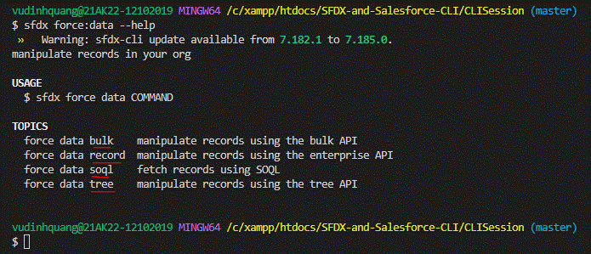

bulk: this sub topic which can be used to manipulate bulk records using Salesforce CLI
record: this sub topic can use to work with 1 record or mutiple records
soql: this sub topic to retrieve or fetch the data from Salesforce Org
tree: this sub topic is very useful when we want to import or export the data from multiple objects. And these objects can be related to eache other or can be unrelated objects as well. Like they
may share a lookup or master-detail relationship or they can be completely unrelated to each other as well

See all the different commands available to us as part of data topic
sfdx commands
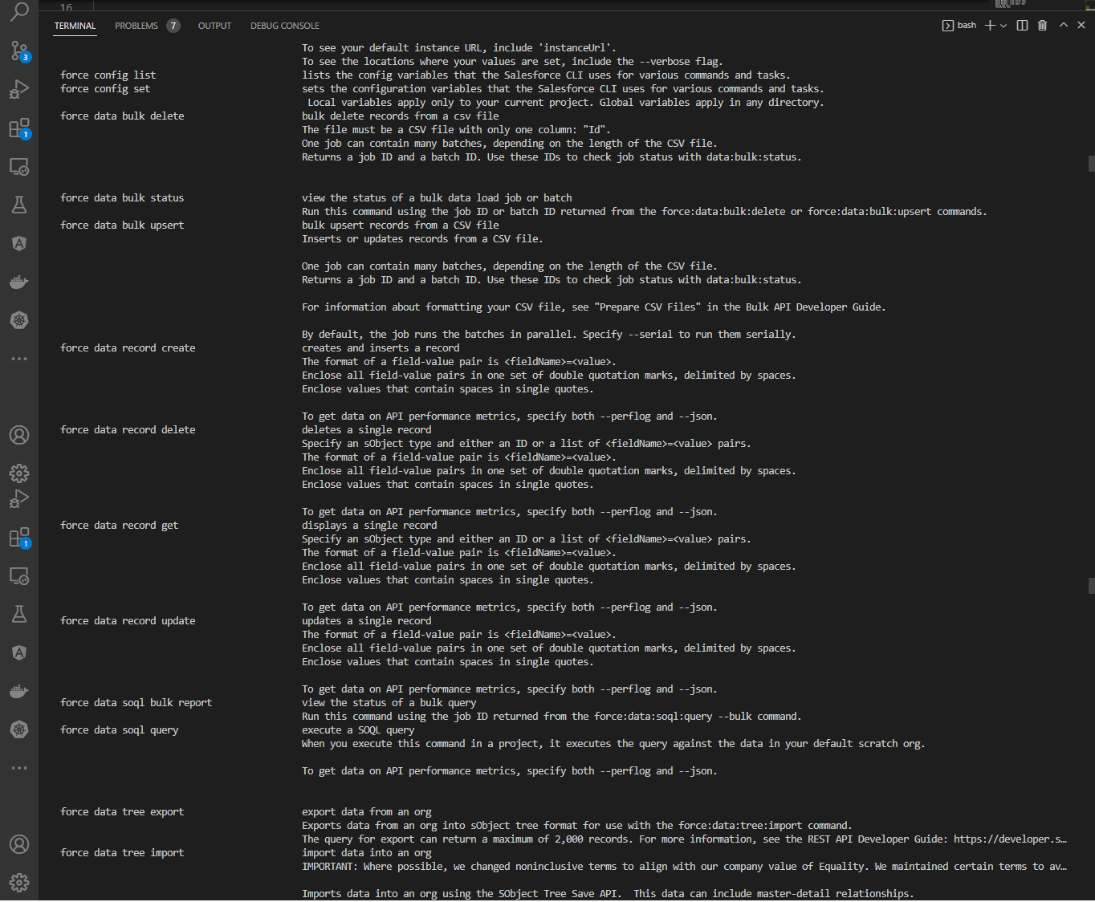

sfdx force:data:soql:query --help

sfdx force:data:soql:query -q 'SELECT Id, Name FROM Tree__c' -r human

'C:\Program' is not recognized as an internal or external command,
operable program or batch file.

We can execute by VS code but can execute by Power Shell

Set Env(may be not necessary)
$Env:LOCALAPPDATA = "C:\Users\vudinhquang\AppData\Local"

sfdx force:data:soql:query -q 'SELECT Id, Name FROM Tree__c' -r human

