Query Salesforce Data
We have a topic name 'data' in Salesforce CLI and there are a lot of different commands available to us to manipulate our data

sfdx force:data --help
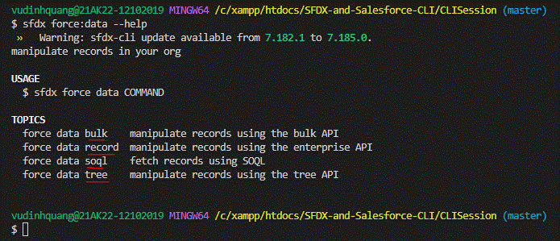

bulk: this sub topic which can be used to manipulate bulk records using Salesforce CLI
record: this sub topic can use to work with 1 record or mutiple records
soql: this sub topic to retrieve or fetch the data from Salesforce Org
tree: this sub topic is very useful when we want to import or export the data from multiple objects. And these objects can be related to eache other or can be unrelated objects as well. Like they
may share a lookup or master-detail relationship or they can be completely unrelated to each other as well

See all the different commands available to us as part of data topic
sfdx commands
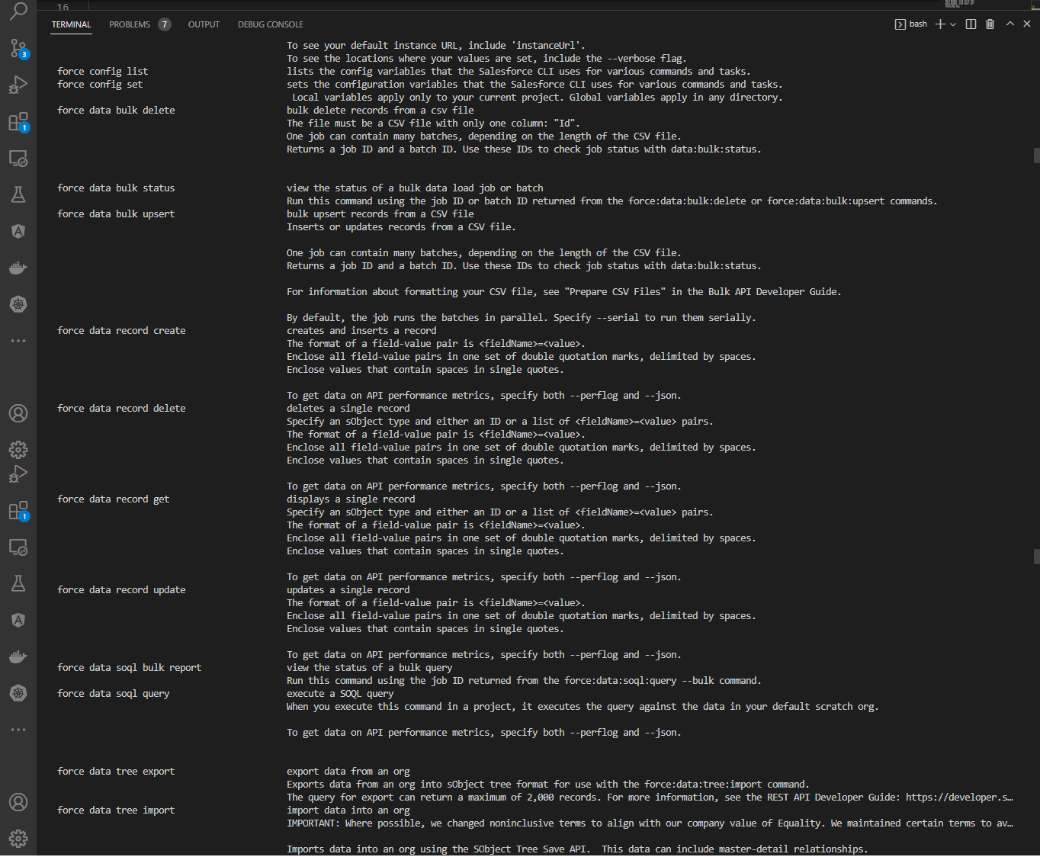

sfdx force:data:soql:query --help

sfdx force:data:soql:query -q 'SELECT Id, Name FROM Tree__c' -r human

'C:\Program' is not recognized as an internal or external command,
operable program or batch file.

We can execute by VS code but can execute by Power Shell

Set Env(may be not necessary)
$Env:LOCALAPPDATA = "C:\Users\vudinhquang\AppData\Local"

sfdx force:data:soql:query -q 'SELECT Id, Name FROM Tree__c' -r human

Export Salesforce Data
構成
 | CLISession
 |  | force-app
 |  |  | main
 |  |  |  | default
 |  |  |  |  | applications
 |  |  |  |  | classes
 |  |  |  |  |  | TreeListControllerTest
 |  |  |  |  |  | TreeLocationControllerTest
 |  |  |  |  | flexipages
 |  |  |  |  | layouts
 |  |  |  |  | lwc
 |  |  |  |  |  | newTreePlantation
 |  |  |  |  |  |  | newTreePlantation.html
 |  |  |  |  |  |  | newTreePlantation.js
 |  |  |  |  |  |  | newTreePlantation.js-meta.xml
 |  |  |  |  |  | treePlantationExplorer
 |  |  |  |  |  |  | treePlantationExplorer.html
 |  |  |  |  |  |  | treePlantationExplorer.js
 |  |  |  |  |  |  | treePlantationExplorer.js-meta.xml
 |  |  |  |  | objects
 |  |  |  |  | permissionsets
 |  |  |  |  | staticresources
 |  |  |  |  | tabs
 |  | manifest
 |  |  | package.xml
 |  | metadata
 |  | sample-data |  |  |  |  |  |  |  | → | Create this folder before run command
 |  |  | City__c.json |  |  |  |  |  |  | → | created after run command
 |  |  | Tree__c-Tree_Plantation__c-plan.json |  |  |  |  |  |  | → | created after run command
 |  |  | Tree__cs.json |  |  |  |  |  |  | → | created after run command
 |  |  | Tree_Plantation__cs.json |  |  |  |  |  |  | → | created after run command

 | SELECT Id, Picture__c FROM Tree__c

 | Id |  |  | Picture__c
 | a022w00000ij5YFAAY |  |  | https://quang-sfdx-dev-ed--c.develop.vf.force.com/resource/1674984079000/treeimages/neem.jpeg
 | a022w00000ij5YPAAY |  |  | https://quang-sfdx-dev-ed--c.develop.vf.force.com/resource/1674984079000/treeimages/peepal.jpg
 | a022w00000ij5XvAAI |  |  | https://quang-sfdx-dev-ed--c.develop.vf.force.com/resource/1674984079000/treeimages/aloe-vera.jpg
 | a022w00000ij5XwAAI |  |  | https://quang-sfdx-dev-ed--c.develop.vf.force.com/resource/1674984079000/treeimages/banyan.jpg
 | a022w00000ij5XqAAI |  |  | https://quang-sfdx-dev-ed--c.develop.vf.force.com/resource/1674984079000/treeimages/teak.jpg
 | a022w00000ij5XrAAI |  |  | https://quang-sfdx-dev-ed--c.develop.vf.force.com/resource/1674984079000/treeimages/eucalyptus.png
 | a022w00000ij5YAAAY |  |  | https://quang-sfdx-dev-ed--c.develop.vf.force.com/resource/1674984079000/treeimages/maple.jpg
 | a022w00000ij5Y5AAI |  |  | https://quang-sfdx-dev-ed--c.develop.vf.force.com/resource/1674984079000/treeimages/indian-rosewood.jpeg

 | We can edit to short Picture__c
 | Id |  |  | Picture__c
 | a022w00000ij5YFAAY |  |  | /resource/treeimages/neem.jpeg
 | a022w00000ij5YPAAY |  |  | /resource/treeimages/peepal.jpg
 | a022w00000ij5XvAAI |  |  | /resource/treeimages/aloe-vera.jpg
 | a022w00000ij5XwAAI |  |  | /resource/treeimages/banyan.jpg
 | a022w00000ij5XqAAI |  |  | /resource/treeimages/teak.jpg
 | a022w00000ij5XrAAI |  |  | /resource/treeimages/eucalyptus.png
 | a022w00000ij5YAAAY |  |  | /resource/treeimages/maple.jpg
 | a022w00000ij5Y5AAI |  |  | /resource/treeimages/indian-rosewood.jpeg

 | Tree picture also displaying
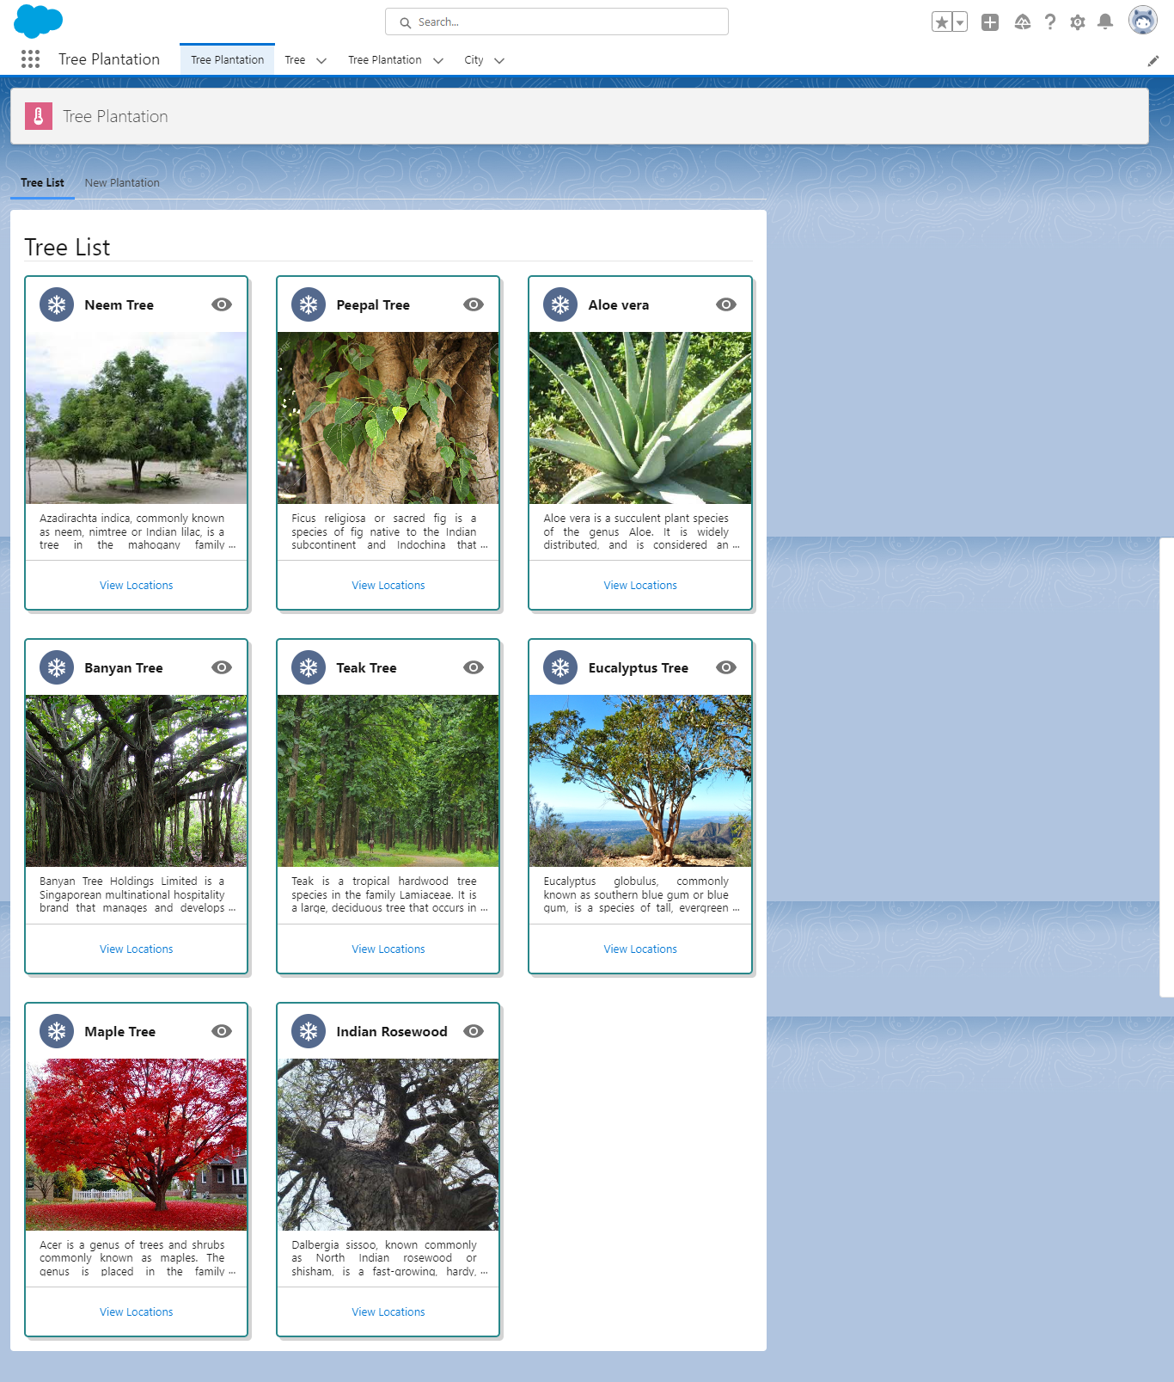

 | sfdx force:data:tree:export --help
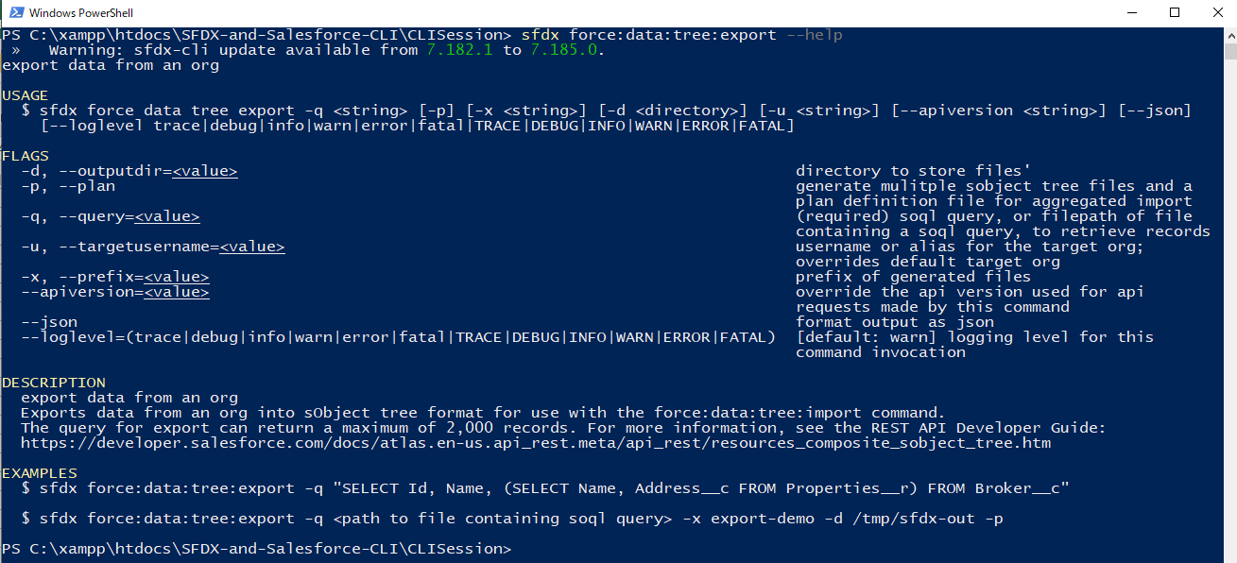

 | -p, --plan: If we use this parameter then Salesforce CLI will create a data import plan for us, that means if we export some data from our Salesforce Org and the object that we are retrieving,
 | they may share some relationship with each other like few of them are parent object, few of them are child object. We always need to make sure that we import or upload or insert the parent
 | object first beforce we start inserting the child object. So the Salesforce CLI will automatically create that plan for us. So it will make sure that our parent objects wil be imported first before
 | our child objects can be imported

 | Tree is our master or parent object where tree plantation is our child object
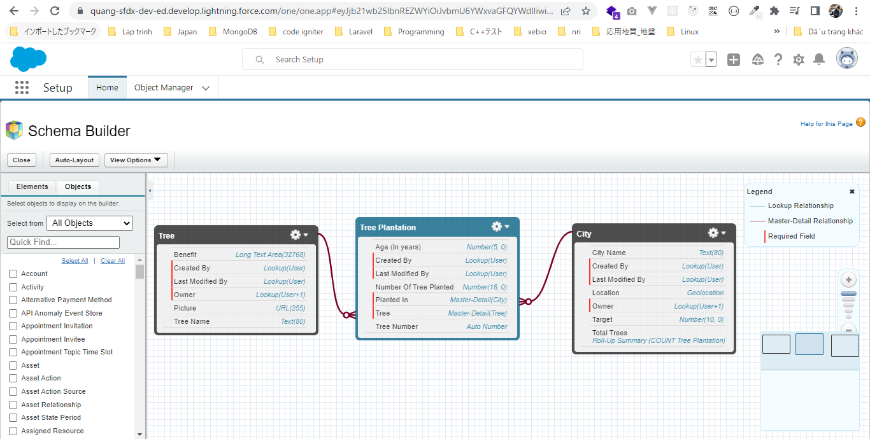

 | Using plan parameter
 | sfdx force:data:tree:export --json --query="SELECT Id, Name, Picture__c, Benefit__c, (SELECT Id, Number_Of_Tree_Planted__c, Age__c, Tree__c, Planted_In__c FROM Tree_Plantation__r) FROM Tree__c" --plan --outputdir sample-data/
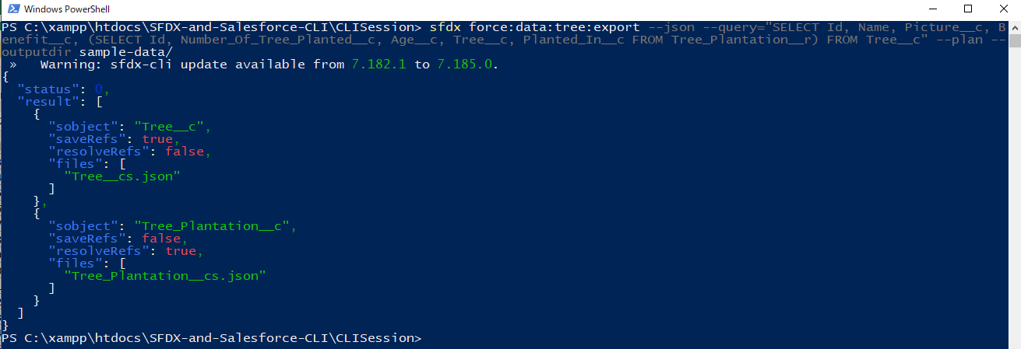

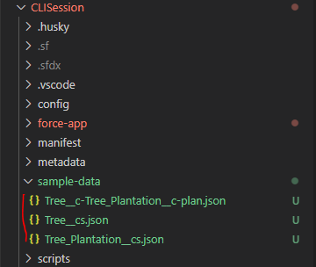

 |  |  |  |  |  |  | → | will be automatically created after run above command

 | CLISession\sample-data\Tree__cs.json
 | {
 | "records": [ |  |  |  |  |  |  | → | within this array it will have multiple records of metadata or we can call it data as well
 | {
 | "attributes": {
 | "type": "Tree__c",
 | "referenceId": "Tree__cRef1" |  |  |  |  |  |  | → | the referenceId will a digit or the character id, it will be something that we can reference in our other json file.
 | },
 | "Name": "Neem Tree",
 | "Picture__c": "/resource/treeimages/neem.jpeg",
 | "Benefit__c": "Azadirachta indica, commonly known as neem, nimtree or Indian lilac, is a tree in the mahogany family Meliaceae. It is one of two species in the genus Azadirachta, and is native to the Indian subcontinent. It is typically grown in tropical and semi-tropical regions. Neem trees also grow on islands in southern Iran"
 | },
 | {
 | "attributes": {
 | "type": "Tree__c",
 | "referenceId": "Tree__cRef2"
 | },
 | "Name": "Peepal Tree",
 | "Picture__c": "/resource/treeimages/peepal.jpg",
 | "Benefit__c": "Ficus religiosa or sacred fig is a species of fig native to the Indian subcontinent and Indochina that belongs to Moraceae, the fig or mulberry family. It is also known as the bodhi tree, pippala tree, peepul tree, peepal tree, pipal tree, or ashvattha tree"
 | },
 | {
 | "attributes": {
 | "type": "Tree__c",
 | "referenceId": "Tree__cRef3"
 | },
 | "Name": "Aloe vera",
 | "Picture__c": "/resource/treeimages/aloe-vera.jpg",
 | "Benefit__c": "Aloe vera is a succulent plant species of the genus Aloe. It is widely distributed, and is considered an invasive species in many world regions. An evergreen perennial, it originates from the Arabian Peninsula, but grows wild in tropical, semi-tropical, and arid climates around the world"
 | },
 | {
 | "attributes": {
 | "type": "Tree__c",
 | "referenceId": "Tree__cRef4"
 | },
 | "Name": "Banyan Tree",
 | "Picture__c": "/resource/treeimages/banyan.jpg",
 | "Benefit__c": "Banyan Tree Holdings Limited is a Singaporean multinational hospitality brand that manages and develops resorts, hotels and spas in Asia, America, Africa and the Middle East. The brand was established in 1994. As of 2021, the company operates 55 resorts and hotels"
 | },
 | {
 | "attributes": {
 | "type": "Tree__c",
 | "referenceId": "Tree__cRef5"
 | },
 | "Name": "Teak Tree",
 | "Picture__c": "/resource/treeimages/teak.jpg",
 | "Benefit__c": "Teak is a tropical hardwood tree species in the family Lamiaceae. It is a large, deciduous tree that occurs in mixed hardwood forests. Tectona grandis has small, fragrant white flowers arranged in dense clusters at the end of the branches. These flowers contain both types of reproductive organs"
 | },
 | {
 | "attributes": {
 | "type": "Tree__c",
 | "referenceId": "Tree__cRef6"
 | },
 | "Name": "Eucalyptus Tree",
 | "Picture__c": "/resource/treeimages/eucalyptus.png",
 | "Benefit__c": "Eucalyptus globulus, commonly known as southern blue gum or blue gum, is a species of tall, evergreen tree endemic to southeastern Australia"
 | },
 | {
 | "attributes": {
 | "type": "Tree__c",
 | "referenceId": "Tree__cRef7"
 | },
 | "Name": "Maple Tree",
 | "Picture__c": "/resource/treeimages/maple.jpg",
 | "Benefit__c": "Acer is a genus of trees and shrubs commonly known as maples. The genus is placed in the family Sapindaceae. There are approximately 132 species, most of which are native to Asia, with a number also appearing in Europe, northern Africa, and North America"
 | },
 | {
 | "attributes": {
 | "type": "Tree__c",
 | "referenceId": "Tree__cRef8"
 | },
 | "Name": "Indian Rosewood",
 | "Picture__c": "/resource/treeimages/indian-rosewood.jpeg",
 | "Benefit__c": "Dalbergia sissoo, known commonly as North Indian rosewood or shisham, is a fast-growing, hardy, deciduous rosewood tree native to the Indian subcontinent and southern Iran. D. sissoo is a large, crooked tree with long, leathery leaves and whitish or pink flowers"
 | }
 | ]
 | }

 | CLISession\sample-data\Tree_Plantation__cs.json
 | {
 | "records": [
 | {
 | "attributes": {
 | "type": "Tree_Plantation__c",
 | "referenceId": "Tree_Plantation__cRef1"
 | },
 | "Number_Of_Tree_Planted__c": 3000,
 | "Age__c": 3,
 | "Tree__c": "@Tree__cRef7" |  |  |  |  | → | Tree Plantation is the child object oj our Tree object
 | }
 | ]
 | }

 | CLISession\sample-data\Tree__c-Tree_Plantation__c-plan.json |  |  |  |  |  |  | → | this is the plan file, define the plan like how we want to import our data
 | [
 | {
 | "sobject": "Tree__c", |  |  |  |  |  |  | → | First import the Tree object and the file for Tree object data is Tree__cs.json. After that inset the Tree_Plantation__c.
 | "saveRefs": true, |  |  |  |  |  |  |  | So we need to insert the parent object first and then going to insert the child record. Tree_Plantation__c is a junction
 | "resolveRefs": false, |  |  |  |  |  |  |  | object, it will have one more parent object is City__c object so we need to get the data from City__c object as well beforce
 | "files": [ |  |  |  |  |  |  |  | we can use our plan
 | "Tree__cs.json"
 | ]
 | },
 | {
 | "sobject": "Tree_Plantation__c",
 | "saveRefs": false,
 | "resolveRefs": true,
 | "files": [
 | "Tree_Plantation__cs.json"
 | ]
 | }
 | ]

 | Do not need to use plan parameter because we do not want to create plan for it
 | sfdx force:data:tree:export --json --query="SELECT Id, Name, Location__latitude__s, Location__longitude__s, Target__c FROM City__c" --outputdir sample-data/
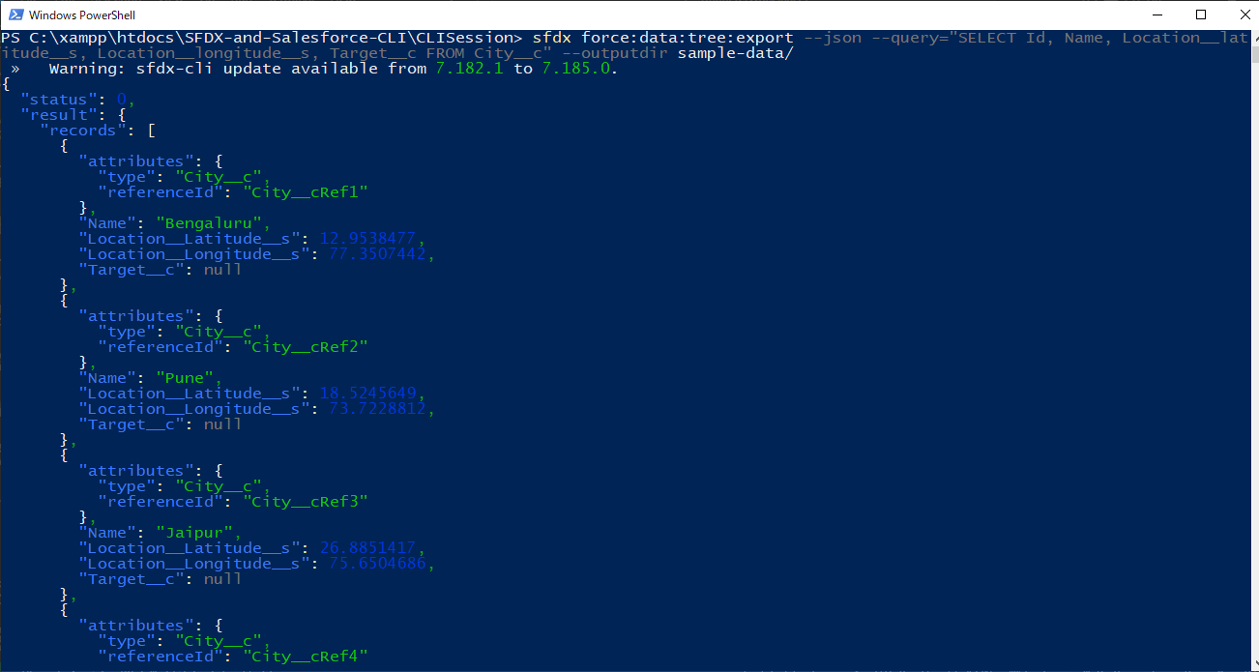

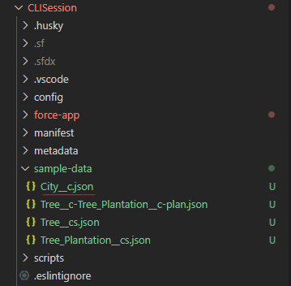

 |  |  |  |  |  |  |  | → | will be created after run command

 | CLISession\sample-data\City__c.json
 | {
 | "records": [
 | {
 | "attributes": {
 | "type": "City__c",
 | "referenceId": "City__cRef1"
 | },
 | "Name": "Bengaluru",
 | "Location__Latitude__s": 12.9538477,
 | "Location__Longitude__s": 77.3507442,
 | "Target__c": null
 | },
 | {
 | "attributes": {
 | "type": "City__c",
 | "referenceId": "City__cRef2"
 | },
 | "Name": "Pune",
 | "Location__Latitude__s": 18.5245649,
 | "Location__Longitude__s": 73.7228812,
 | "Target__c": null
 | },
 | {
 | "attributes": {
 | "type": "City__c",
 | "referenceId": "City__cRef3"
 | },
 | "Name": "Jaipur",
 | "Location__Latitude__s": 26.8851417,
 | "Location__Longitude__s": 75.6504686,
 | "Target__c": null
 | },
 | {
 | "attributes": {
 | "type": "City__c",
 | "referenceId": "City__cRef4"
 | },
 | "Name": "Delhi",
 | "Location__Latitude__s": 28.5272803,
 | "Location__Longitude__s": 77.0688997,
 | "Target__c": null
 | },
 | {
 | "attributes": {
 | "type": "City__c",
 | "referenceId": "City__cRef5"
 | },
 | "Name": "Hyderabad",
 | "Location__Latitude__s": 17.4121531,
 | "Location__Longitude__s": 78.1278513,
 | "Target__c": null
 | }
 | ]
 | }

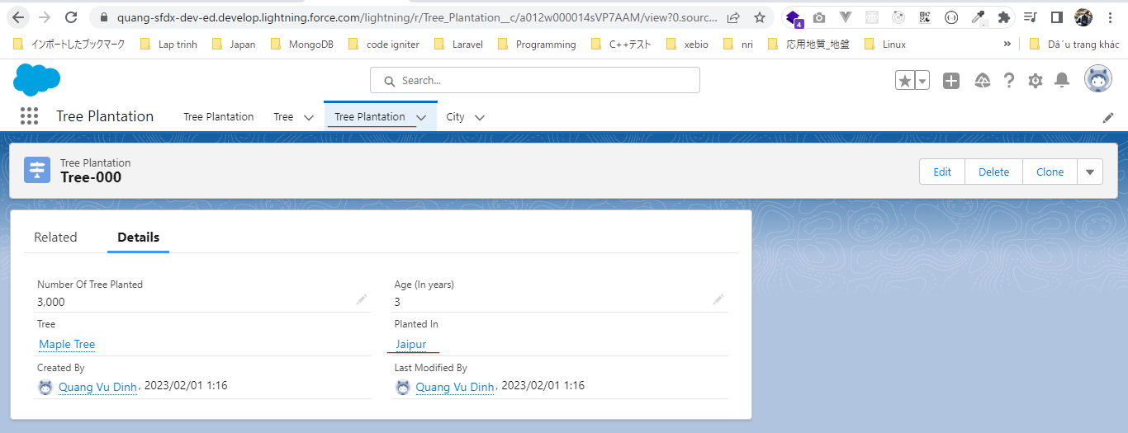

 | In plan file we need to make sure that first of all our Tree__c object gets imported. Then after that our City__c object should get imported, Tree_Plantation__c is the child of both Tree__c and
 | City__c so Tree_Plantation__c is the last imported
 | CLISession\sample-data\Tree__c-Tree_Plantation__c-plan.json
 | [
 | {
 | "sobject": "Tree__c",
 | "saveRefs": true,
 | "resolveRefs": false,
 | "files": [
 | "Tree__cs.json"
 | ]
 | },
 | {
 | "sobject": "City__c",
 | "saveRefs": true,
 | "resolveRefs": false,
 | "files": [
 | "City__c.json"
 | ]
 | },
 | {
 | "sobject": "Tree_Plantation__c",
 | "saveRefs": false,
 | "resolveRefs": true,
 | "files": [
 | "Tree_Plantation__cs.json"
 | ]
 | }
 | ]

 | We need to give the reference of City record inside our Tree_Plantation__c record
 | CLISession\sample-data\Tree_Plantation__cs.json
 | {
 | "records": [
 | {
 | "attributes": {
 | "type": "Tree_Plantation__c",
 | "referenceId": "Tree_Plantation__cRef1"
 | },
 | "Number_Of_Tree_Planted__c": 3000,
 | "Age__c": 3,
 | "Tree__c": "@Tree__cRef7",
 | "Planted_In__c": "@City__cRef3"
 | }
 | ]
 | }

Import Salesforce Data
構成
 | CLISession
 |  | force-app
 |  |  | main
 |  |  |  | default
 |  |  |  |  | applications
 |  |  |  |  | classes
 |  |  |  |  |  | TreeListControllerTest
 |  |  |  |  |  | TreeLocationControllerTest
 |  |  |  |  | flexipages
 |  |  |  |  | layouts
 |  |  |  |  | lwc
 |  |  |  |  |  | newTreePlantation
 |  |  |  |  |  |  | newTreePlantation.html
 |  |  |  |  |  |  | newTreePlantation.js
 |  |  |  |  |  |  | newTreePlantation.js-meta.xml
 |  |  |  |  |  | treePlantationExplorer
 |  |  |  |  |  |  | treePlantationExplorer.html
 |  |  |  |  |  |  | treePlantationExplorer.js
 |  |  |  |  |  |  | treePlantationExplorer.js-meta.xml
 |  |  |  |  | objects
 |  |  |  |  | permissionsets
 |  |  |  |  | staticresources
 |  |  |  |  | tabs
 |  | manifest
 |  |  | package.xml
 |  | metadata
 |  | sample-data
 |  |  | City__c.json
 |  |  | Tree__c-Tree_Plantation__c-plan.json
 |  |  | Tree__cs.json
 |  |  | Tree_Plantation__cs.json

 | sfdx force:data:tree:import --help
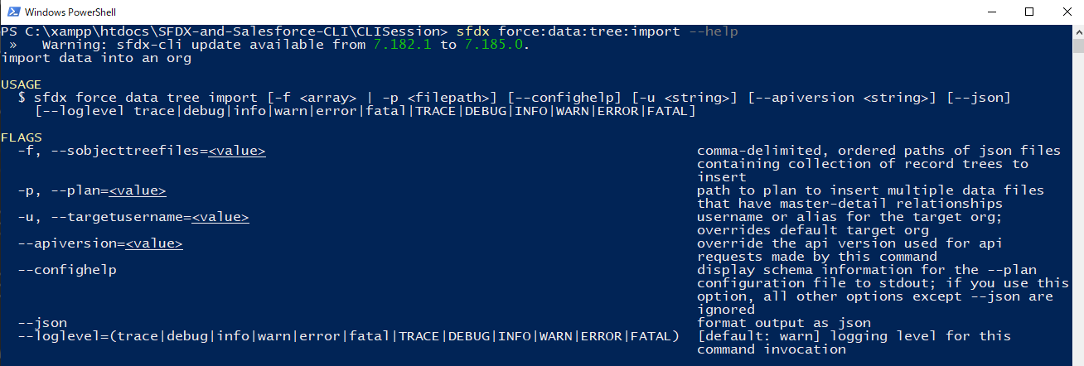

 | -f, --sobjecttreefiles: In case we are not using any import plan and we want to upload data one by one. And here we can specify all our json files, the data import json files by using comma in
 | between. But if we have a data import plan then we do not to use this parameter and we can use -p parameter
 | -p, --plan: This parameter only accept the json file path which has the import plan

 | sfdx force:data:tree:import -p .\sample-data\Tree__c-Tree_Plantation__c-plan.json

 | SELECT Id, Name, CreatedDate, LastModifiedDate, Location__c, Target__c, Total_Trees__c, Location__Latitude__s, Location__Longitude__s FROM City__c
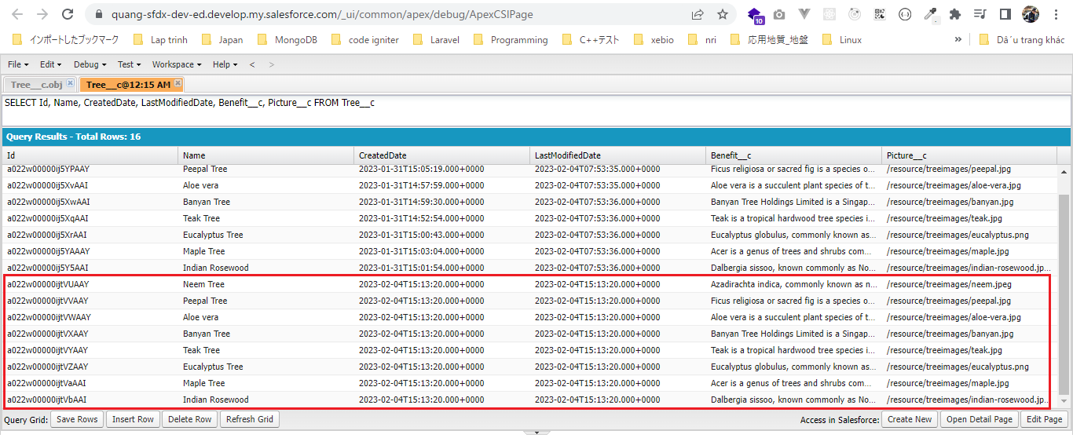

 | SELECT Id, Name, CreatedDate, LastModifiedDate, Benefit__c, Picture__c FROM Tree__c

 | SELECT Id, Name, CreatedDate, LastModifiedDate, Planted_In__c, Tree__c, Age__c, Number_Of_Tree_Planted__c FROM Tree_Plantation__c

