Create SFDX Project
 | sfdx force:project:create --help
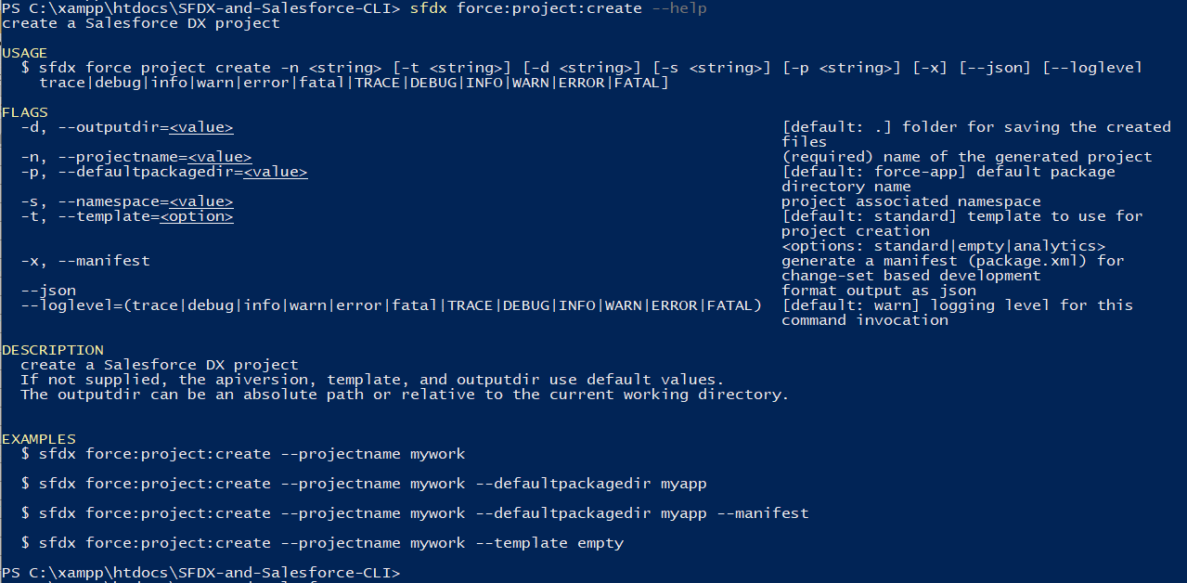

 | --manifest: If we use the manifest option the CLI will create a blank package.xml for us so that we can retrieve some metadata from our Salesforce Org. But if we want to start something new or if
 | we do not want to retrieve any metadata from our Salesforce Org we can leave this option. In our case we are going to use it because we want to retrieve some metadata from our Salesforce Org

 | sfdx force:project:create -n CLISession -x
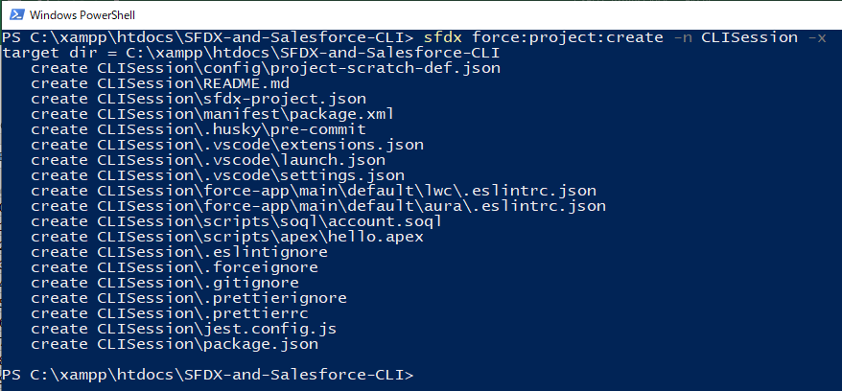

SFDX-and-Salesforce-CLI\CLISession\sfdx-project.json |  |  | This file has the information about our project
 | {
 | "packageDirectories": [
 | {
 | "path": "force-app", | → | the name of our folder which has all the source files
 | "default": true
 | }
 | ],
 | "name": "CLISession",
 | "namespace": "",
 | "sfdcLoginUrl": "https://login.salesforce.com",
 | "sourceApiVersion": "55.0"
 | }

SFDX-and-Salesforce-CLI\CLISession\manifest\package.xml
 | <?xml version="1.0" encoding="UTF-8" standalone="yes"?>
 | <Package xmlns="http://soap.sforce.com/2006/04/metadata">
 | <types>
 | <name>CustomApplication</name>
 | <members>Tree_Plantation</members>
 | </types>
 | <types>
 | <name>ApexClass</name>
 | <members>TreeListController</members>
 | <members>TreeListControllerTest</members>
 | <members>TreeLocationController</members>
 | </types>
 | <types>
 | <name>FlexiPage</name>
 | <members>Tree_Plantation</members>
 | <members>Tree_Plantation_UtilityBar</members>
 | </types>
 | <types>
 | <name>Layout</name>
 | <members>City__c-City Layout</members>
 | <members>Tree_Plantation__c-Tree Layout</members>
 | <members>Tree__c-Tree Layout</members>
 | </types>
 | <types>
 | <name>LightningComponentBundle</name>
 | <members>pubsub</members>
 | <members>treeCard</members>
 | <members>treeList</members>
 | <members>treeLocation</members>
 | <members>treePlantationExplorer</members>
 | </types>
 | <types>
 | <name>CustomObject</name>
 | <members>City__c</members>
 | <members>Tree_Plantation__c</members>
 | <members>Tree__c</members>
 | </types>
 | <types>
 | <name>CustomField</name>
 | <members>City__c.Location__c</members>
 | <members>City__c.Target__c</members>
 | <members>City__c.Total_Trees__c</members>
 | <members>Tree_Plantation__c.Age__c</members>
 | <members>Tree_Plantation__c.Number_Of_Tree_Planted__c</members>
 | <members>Tree_Plantation__c.Planted_In__c</members>
 | <members>Tree_Plantation__c.Tree__c</members>
 | <members>Tree__c.Benefit__c</members>
 | <members>Tree__c.Picture__c</members>
 | </types>
 | <types>
 | <name>ListView</name>
 | <members>City__c.All</members>
 | <members>Tree_Plantation__c.All</members>
 | <members>Tree__c.All</members>
 | </types>
 | <types>
 | <name>PermissionSet</name>
 | <members>TreePlantation</members>
 | </types>
 | <types>
 | <name>StaticResource</name>
 | <members>treeimages</members>
 | </types>
 | <types>
 | <name>CustomTab</name>
 | <members>City__c</members>
 | <members>Tree_Plantation</members>
 | <members>Tree_Plantation__c</members>
 | <members>Tree__c</members>
 | </types>
 | <version>55.0</version>
 | </Package>

SFDX-and-Salesforce-CLI\CLISession\config\project-scratch-def.json |  |  | The config folder has the Scratch Org definition
 | {
 | "orgName": "SFDCFacts Academy",
 | "edition": "Developer",
 | "hasSampleData": true, | → | We want our Scratch Org to have the dummy data
 | "features": ["EnableSetPasswordInApi"],
 | "settings": {
 | "lightningExperienceSettings": {
 | "enableS1DesktopEnabled": true
 | },
 | "mobileSettings": {
 | "enableS1EncryptedStoragePref2": false
 | }
 | }
 | }

SFDX-and-Salesforce-CLI\CLISession\.vscode
 | have the vscode settings information

SFDX-and-Salesforce-CLI\CLISession\.sfdx
 | have information about our project and the Org associated with it like what is the Dev Hub Org for this project, what is the Scratch Org for this project, what is the default username for this project

