Create SFDX Project
 | sfdx force:project:create --help
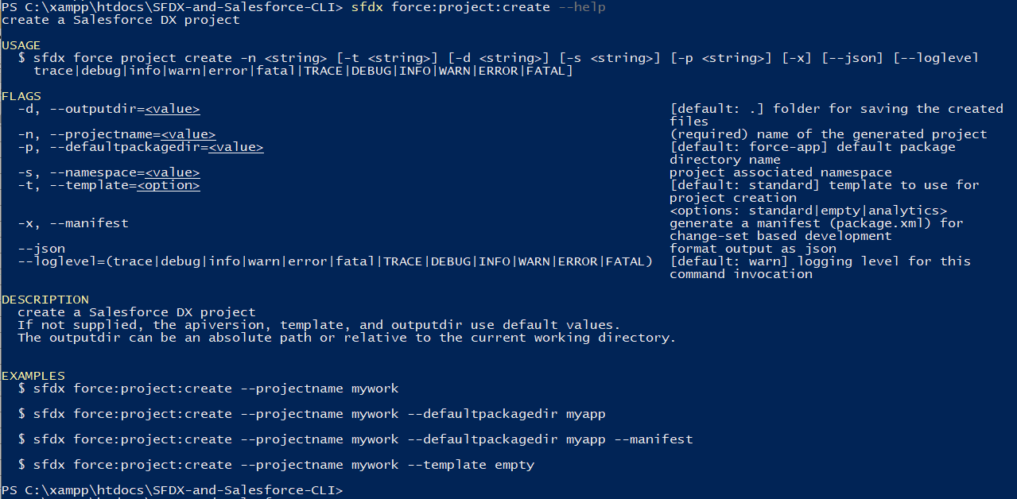

 | --manifest: If we use the manifest option the CLI will create a blank package.xml for us so that we can retrieve some metadata from our Salesforce Org. But if we want to start something new or if
 | we do not want to retrieve any metadata from our Salesforce Org we can leave this option. In our case we are going to use it because we want to retrieve some metadata from our Salesforce Org

 | sfdx force:project:create -n CLISession -x
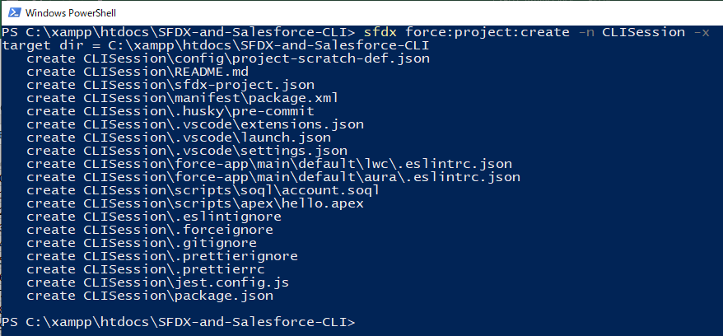

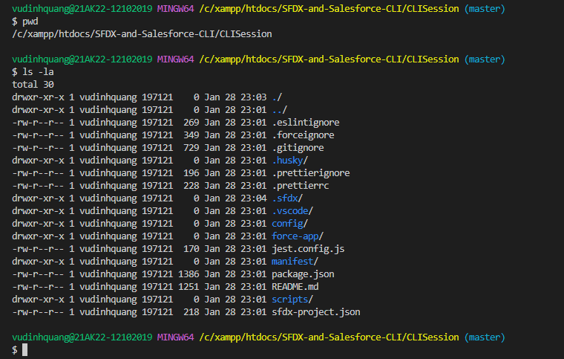

SFDX-and-Salesforce-CLI\CLISession\sfdx-project.json |  |  | This file has the information about our project
 | {
 | "packageDirectories": [
 | {
 | "path": "force-app", | → | the name of our folder which has all the source files
 | "default": true
 | }
 | ],
 | "name": "CLISession",
 | "namespace": "",
 | "sfdcLoginUrl": "https://login.salesforce.com",
 | "sourceApiVersion": "55.0"
 | }

SFDX-and-Salesforce-CLI\CLISession\manifest\package.xml
 | <?xml version="1.0" encoding="UTF-8" standalone="yes"?>
 | <Package xmlns="http://soap.sforce.com/2006/04/metadata">
 | <types>
 | <name>CustomApplication</name>
 | <members>Tree_Plantation</members>
 | </types>
 | <types>
 | <name>ApexClass</name>
 | <members>TreeListController</members>
 | <members>TreeListControllerTest</members>
 | <members>TreeLocationController</members>
 | </types>
 | <types>
 | <name>FlexiPage</name>
 | <members>Tree_Plantation</members>
 | <members>Tree_Plantation_UtilityBar</members>
 | </types>
 | <types>
 | <name>Layout</name>
 | <members>City__c-City Layout</members>
 | <members>Tree_Plantation__c-Tree Layout</members>
 | <members>Tree__c-Tree Layout</members>
 | </types>
 | <types>
 | <name>LightningComponentBundle</name>
 | <members>pubsub</members>
 | <members>treeCard</members>
 | <members>treeList</members>
 | <members>treeLocation</members>
 | <members>treePlantationExplorer</members>
 | </types>
 | <types>
 | <name>CustomObject</name>
 | <members>City__c</members>
 | <members>Tree_Plantation__c</members>
 | <members>Tree__c</members>
 | </types>
 | <types>
 | <name>CustomField</name>
 | <members>City__c.Location__c</members>
 | <members>City__c.Target__c</members>
 | <members>City__c.Total_Trees__c</members>
 | <members>Tree_Plantation__c.Age__c</members>
 | <members>Tree_Plantation__c.Number_Of_Tree_Planted__c</members>
 | <members>Tree_Plantation__c.Planted_In__c</members>
 | <members>Tree_Plantation__c.Tree__c</members>
 | <members>Tree__c.Benefit__c</members>
 | <members>Tree__c.Picture__c</members>
 | </types>
 | <types>
 | <name>ListView</name>
 | <members>City__c.All</members>
 | <members>Tree_Plantation__c.All</members>
 | <members>Tree__c.All</members>
 | </types>
 | <types>
 | <name>PermissionSet</name>
 | <members>TreePlantation</members>
 | </types>
 | <types>
 | <name>StaticResource</name>
 | <members>treeimages</members>
 | </types>
 | <types>
 | <name>CustomTab</name>
 | <members>City__c</members>
 | <members>Tree_Plantation</members>
 | <members>Tree_Plantation__c</members>
 | <members>Tree__c</members>
 | </types>
 | <version>46.0</version>
 | </Package>

SFDX-and-Salesforce-CLI\CLISession\config\project-scratch-def.json |  |  | The config folder has the Scratch Org definition
 | {
 | "orgName": "SFDCFacts Academy",
 | "edition": "Developer",
 | "hasSampleData": true, | → | We want our Scratch Org to have the dummy data
 | "features": ["EnableSetPasswordInApi"],
 | "settings": {
 | "lightningExperienceSettings": {
 | "enableS1DesktopEnabled": true
 | },
 | "mobileSettings": {
 | "enableS1EncryptedStoragePref2": false
 | }
 | }
 | }

SFDX-and-Salesforce-CLI\CLISession\.vscode
 | have the vscode settings information

SFDX-and-Salesforce-CLI\CLISession\.sfdx
 | have information about our project and the Org associated with it like what is the Dev Hub Org for this project, what is the Scratch Org for this project, what is the default username for this project

Authorize a Salesforce Org
 | We have created our local SFDX project and we have midified our package .xml file with the components that we want to retrive from our Salesforce Org.
 | Now we are going to authorize a Salesforce Org to use in our SFDX project. So that we can retrieve the metadata from our Org or we can deploy the metadata in our Org.

 | Instance Url |  | https://login.salesforce.com/ | https://quang-sfdx-dev-ed.develop.my.salesforce.com
 | Username |  | vudinhquangk53+sfdx@gmail.com
 | mail |  | vudinhquangk53+sfdx@gmail.com

構成
 | CLISession
 |  | .sfdx
 |  |  | sfdx-config.json | → | new

 | sfdx force:auth:web:login --help
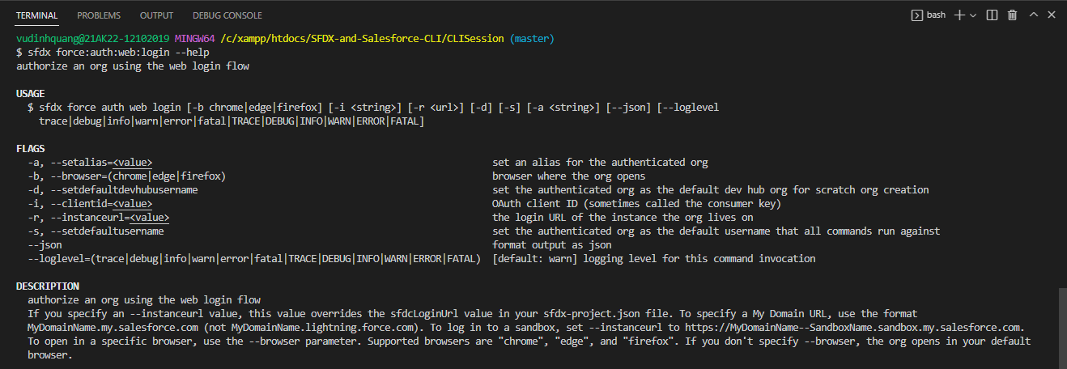

 | sfdx force:auth:web:login -a sfdx -s

 | After run command this file will be automatically created having defaultusername property, we still not use -d parameter so defaultdevhubusername prpperty not exist in created sfdx-config.json
 | file so at this moment if we want to create Scratch Org our command would fail
SFDX-and-Salesforce-CLI\CLISession\.sfdx\sfdx-config.json
 | {
 | "defaultusername": "sfdx"
 | }

 | We have also not used -d parameter but we can still set our Org as the default Dev Hub username as well by using config topic
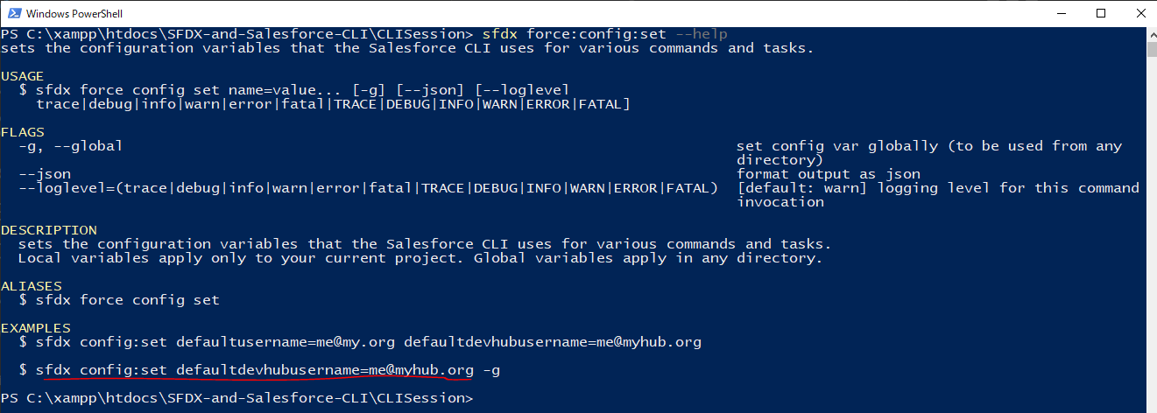

 | sfdx config:set defaultdevhubusername=sfdx

 | defaultdevhubusername property is added
SFDX-and-Salesforce-CLI\CLISession\.sfdx\sfdx-config.json
 | {
 | "defaultusername": "sfdx",
 | "defaultdevhubusername": "sfdx"
 | }

