Source Driven Development Flow
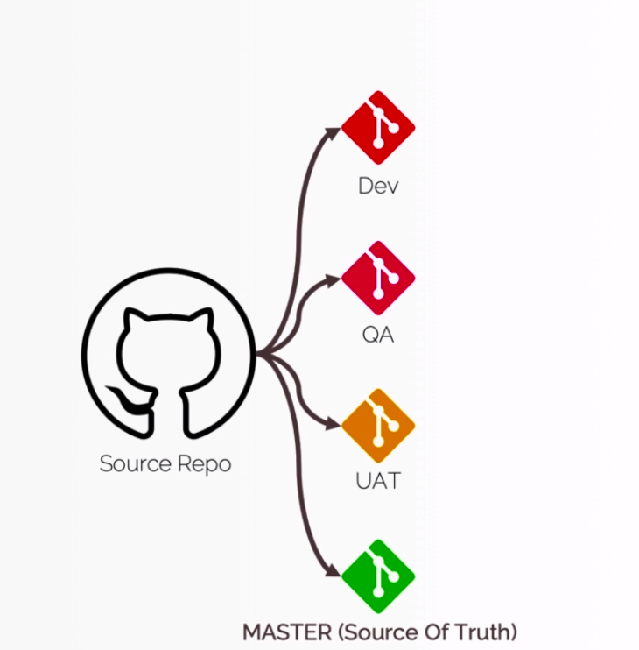

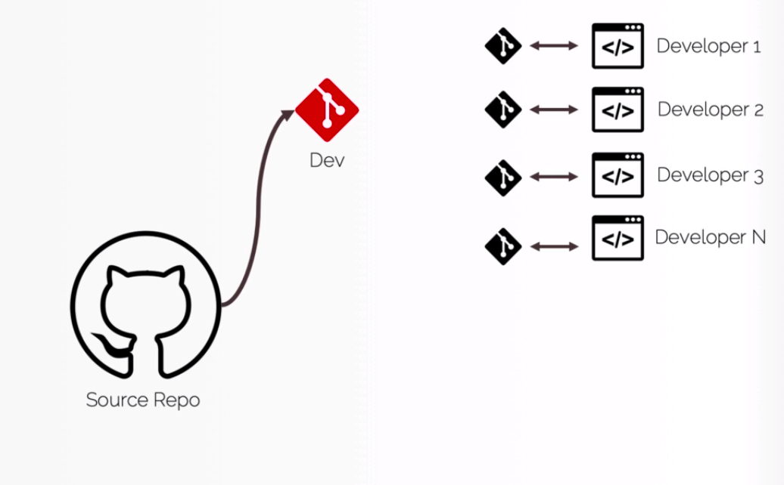

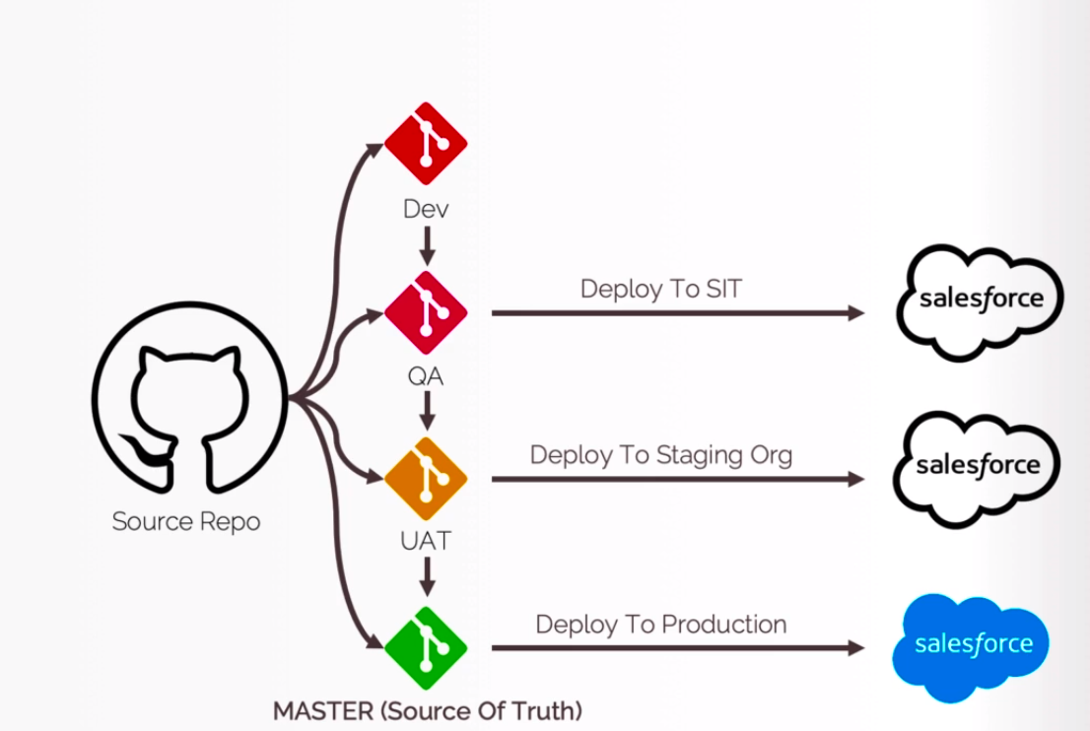

TrackChangesPullMetadatafromOrg
Track Changes and Pull Metadata from Scratch Org

構成
 | CLISession
 |  | .sfdx
 |  |  | sfdx-config.json
 |  | config
 |  |  | project-scratch-def.json
 |  | force-app
 |  |  | main
 |  |  |  | default
 |  |  |  |  | applications
 |  |  |  |  | classes
 |  |  |  |  |  | TreeListControllerTest
 |  |  |  |  |  | TreeLocationControllerTest
 |  |  |  |  | flexipages
 |  |  |  |  |  | Tree_Plantation.flexipage-meta.xml
 |  |  |  |  | layouts
 |  |  |  |  | lwc
 |  |  |  |  |  | newTreePlantation
 |  |  |  |  |  |  | newTreePlantation.html
 |  |  |  |  |  |  | newTreePlantation.js
 |  |  |  |  |  |  | newTreePlantation.js-meta.xml
 |  |  |  |  |  | treePlantationExplorer
 |  |  |  |  |  |  | treePlantationExplorer.html
 |  |  |  |  |  |  | treePlantationExplorer.js
 |  |  |  |  |  |  | treePlantationExplorer.js-meta.xml
 |  |  |  |  | objects
 |  |  |  |  | permissionsets
 |  |  |  |  |  | TreePlantation.permissionset-meta.xml
 |  |  |  |  | staticresources
 |  |  |  |  | tabs
 |  | manifest
 |  |  | package.xml
 |  | metadata
 |  | sample-data
 |  |  | City__c.json
 |  |  | Tree__c-Tree_Plantation__c-plan.json
 |  |  | Tree__cs.json
 |  |  | Tree_Plantation__cs.json
 | tree-plantation
 |  | force-app
 |  |  | main
 |  |  |  | default
 |  |  |  |  | lwc
 |  |  |  |  |  | newTreePlantation
 |  |  |  |  |  |  | newTreePlantation.html
 |  |  |  |  |  |  | newTreePlantation.js
 |  |  |  |  | staticresources
 |  |  |  |  |  | treeimages
 |  |  |  |  |  |  | __MACOSX | → | Will delete
 |  | sample-data
 |  |  | City__c.json
 |  |  | import-plan.json
 |  |  | Tree__cs.json
 |  |  | Tree_Plantation__cs.json

Status command help us to check components which does not exist in our sfdx project or may be does not exist in our Scratch Org
 | sfdx force:source:status --help
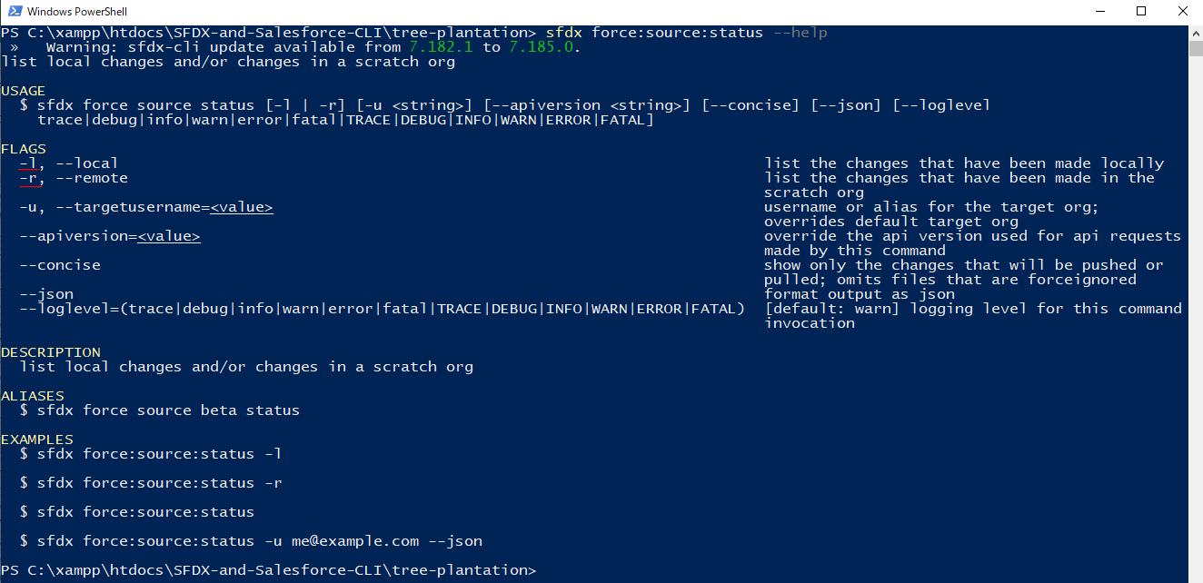

 | -l, --local: Track only local changes
 | -r, --remote: track only the Scratch Org changes

 | Check local
 | sfdx force:source:status -l

 | There are __MACOSX files but we do not need to push to Scratch Org so we can delete these folder

 | rm -r force-app\main\default\staticresources\treeimages\__MACOSX

 | run command again
 | sfdx force:source:status -l

 | Check Scratch Org
 | sfdx force:source:status -r

 | Pull to local
 | sfdx force:source:pull

 | Check again

Make some small changes in our Permission Set
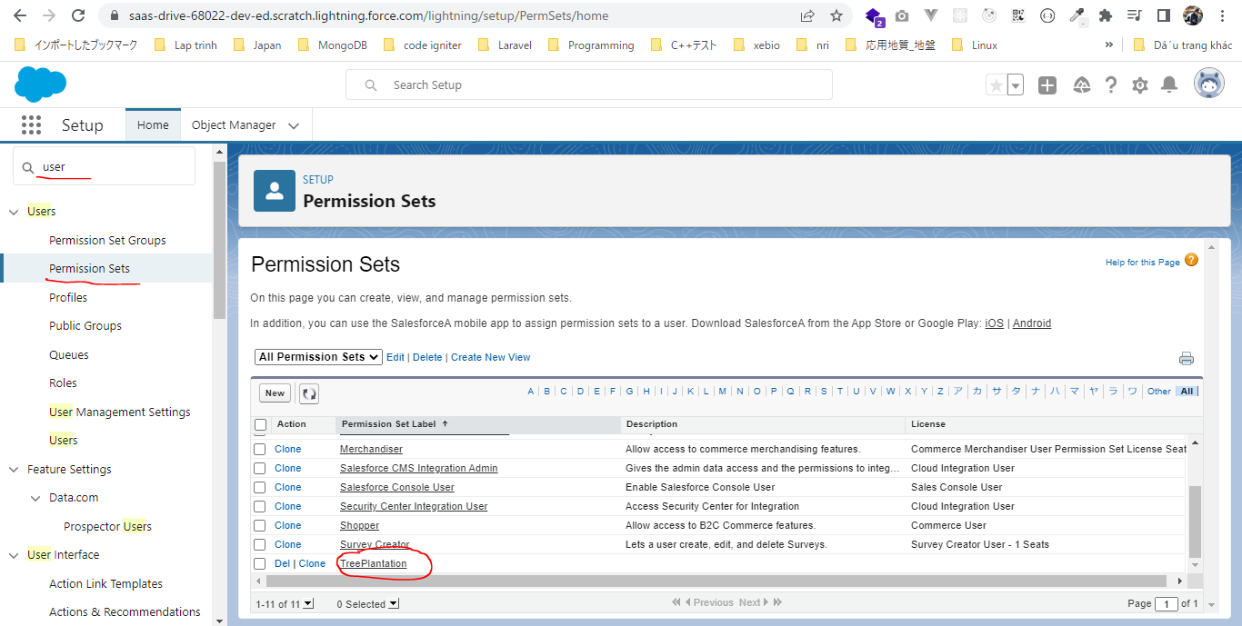

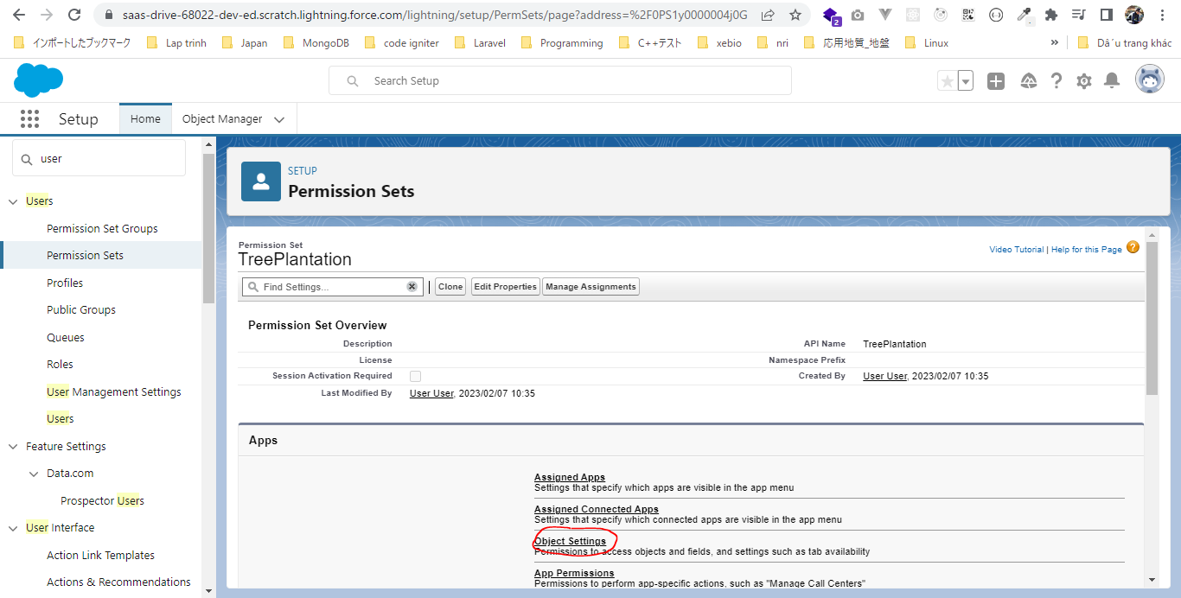

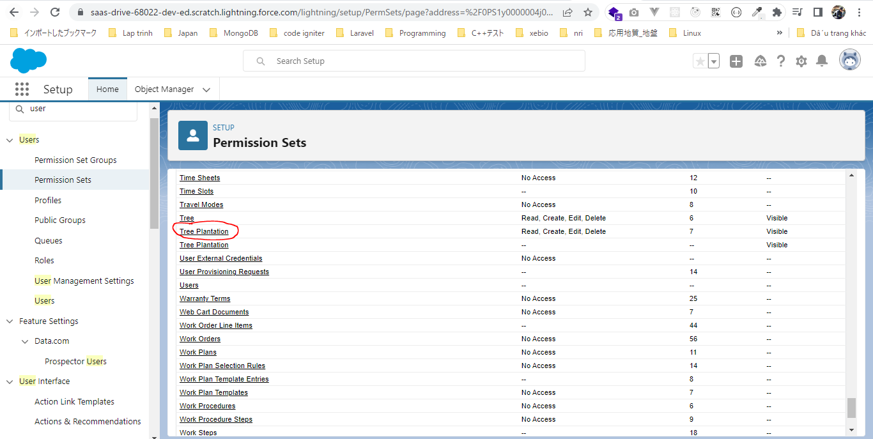

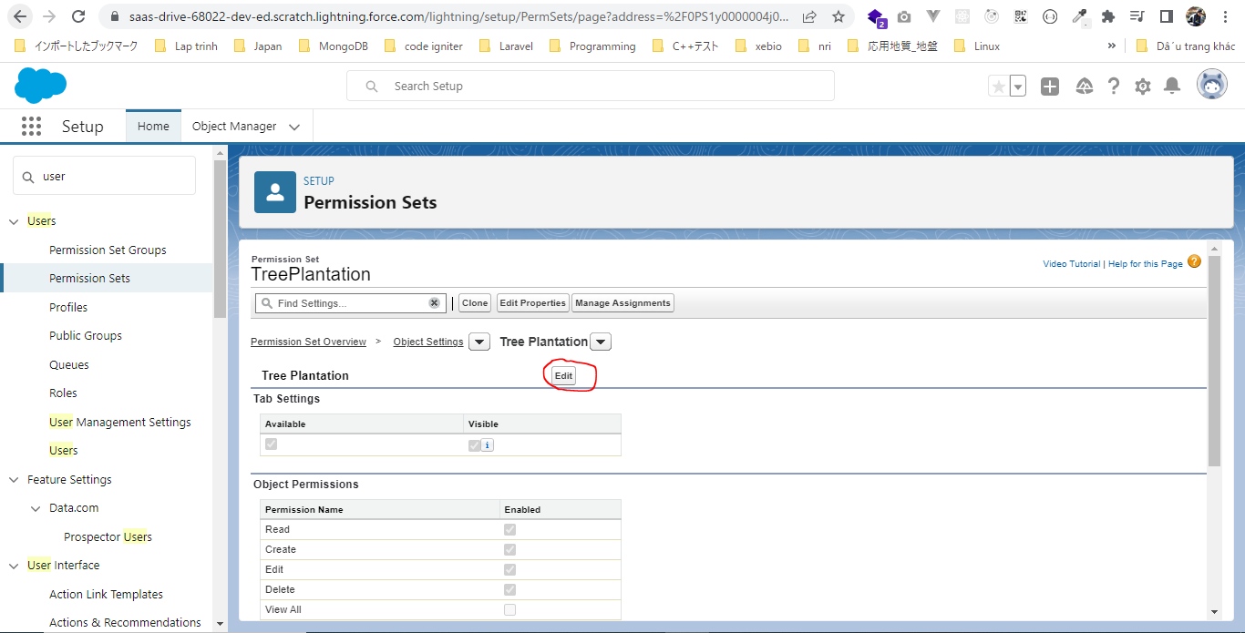

 | Check out
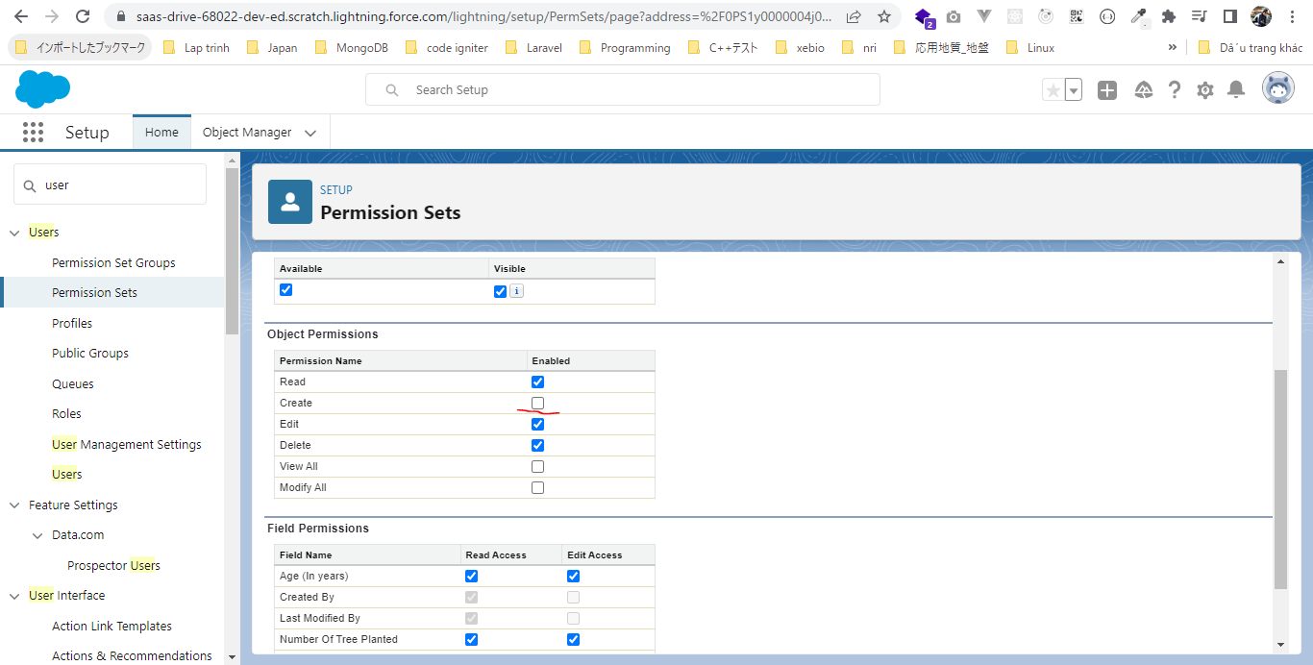

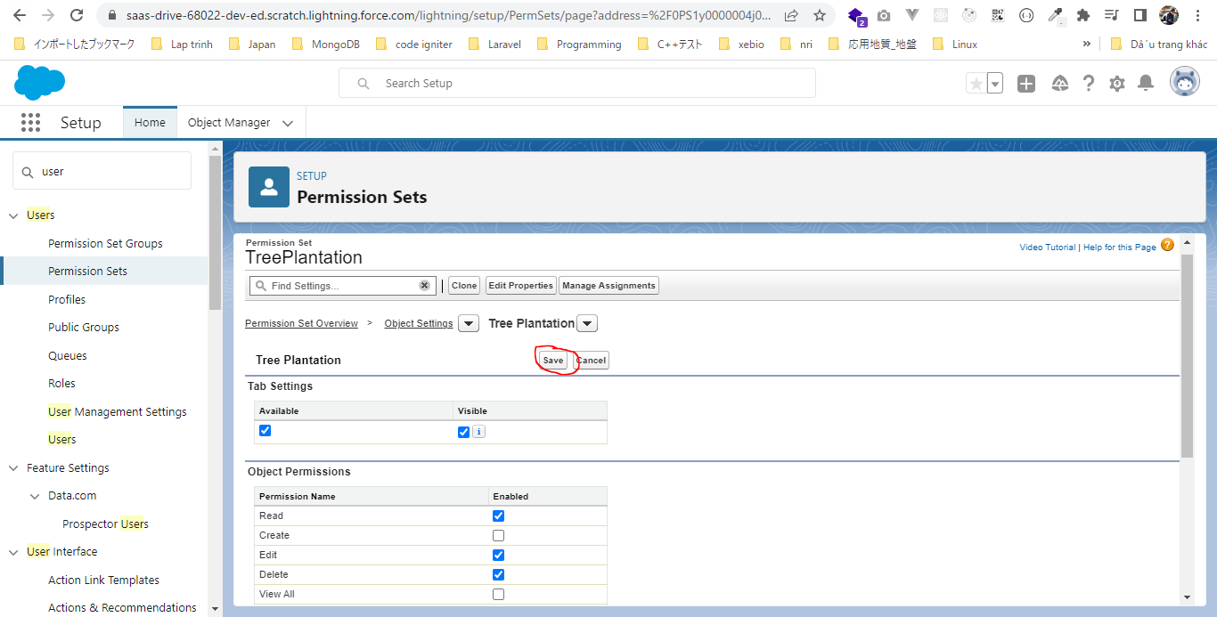

Run status command again
 | sfdx force:source:status -r

 | sfdx force:source:pull

 | Check status again
 | sfdx force:source:status -r

