openssl
openssl for windows
 | download
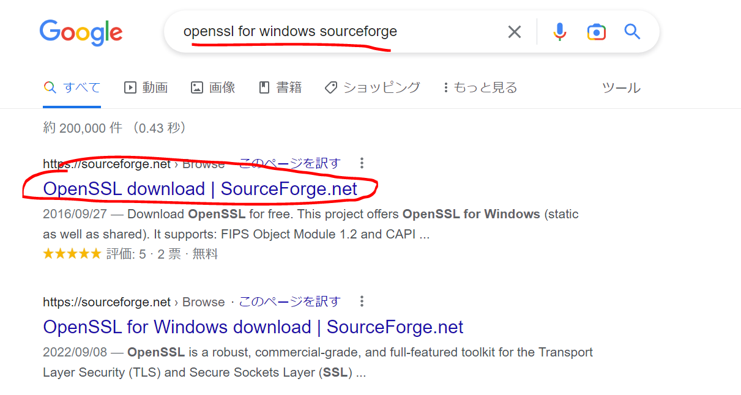

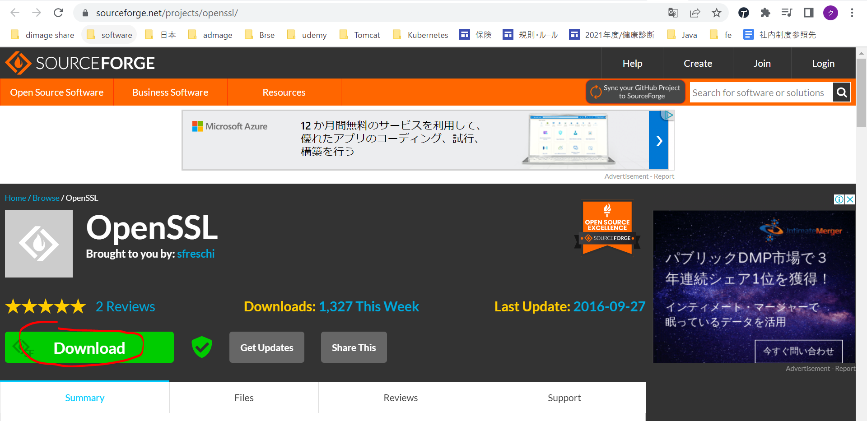

 | Sau khi download giải nén ra và copy vào folder Users\quang-vu

 | environment path
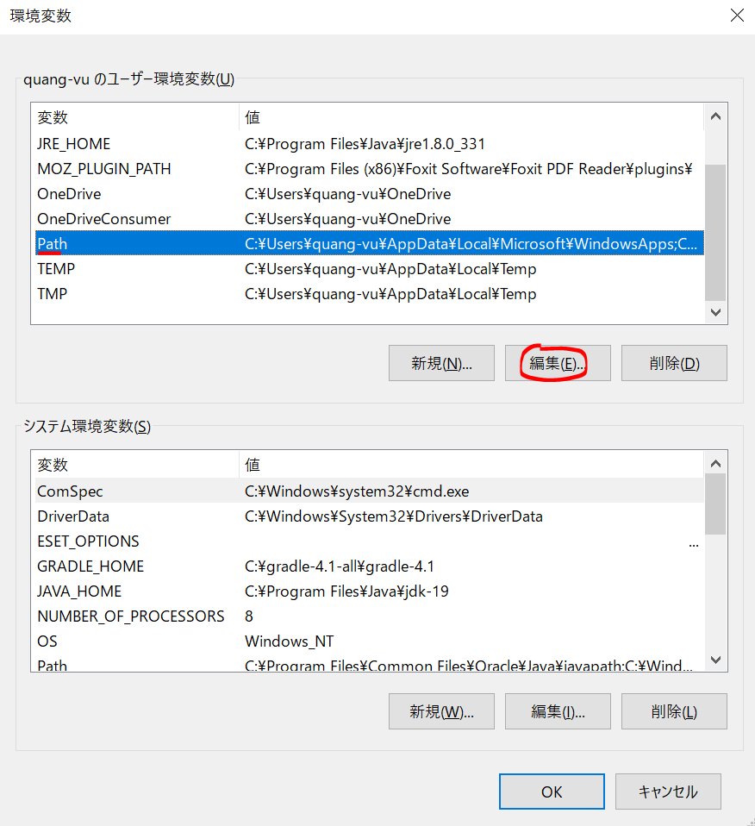

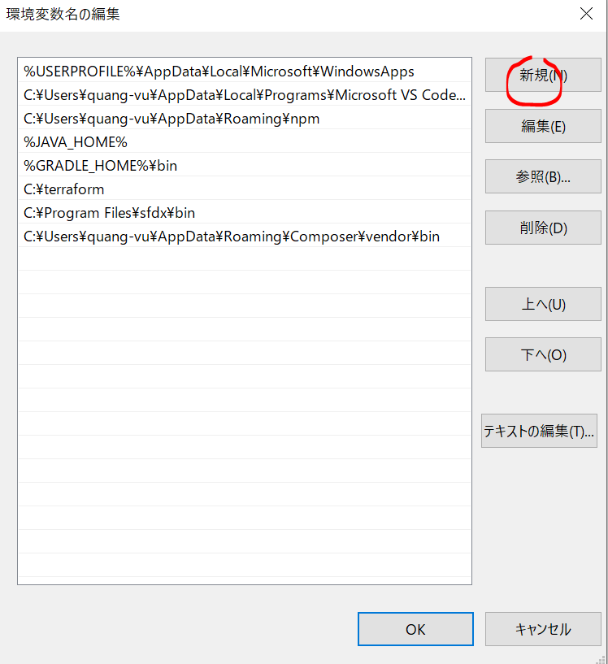

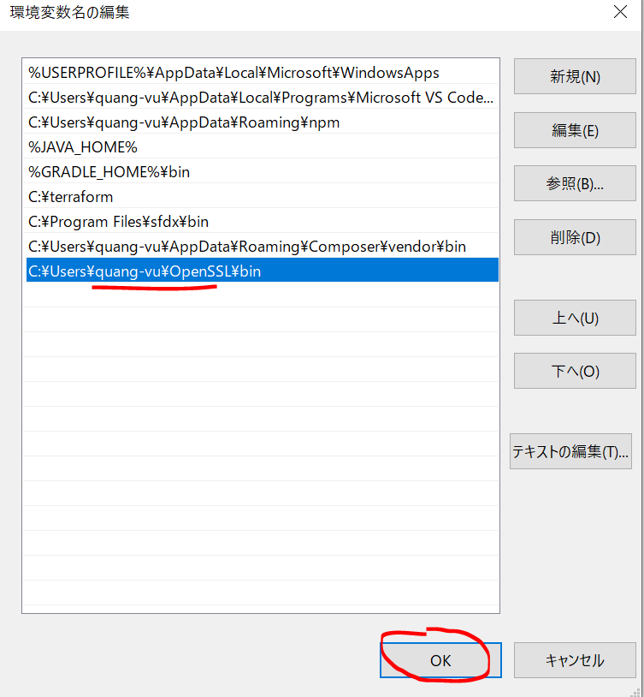

 | Config openssl.cnf
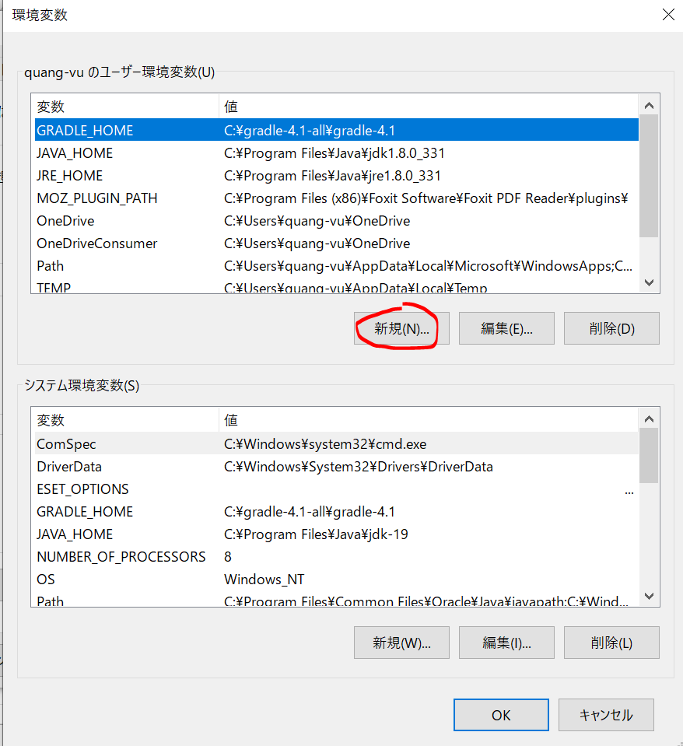

 | Check
 | openssl

Generate SSL Certificate
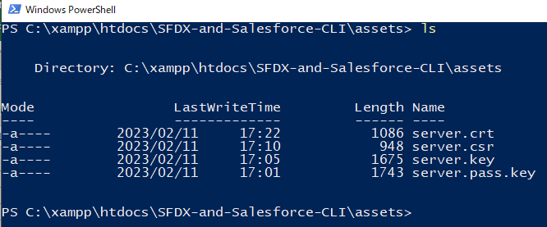
構成
 | assets |  |  |  |  |  |  | → | new
 |  | server.crt |  |  |  |  |  | → | created by command
 |  | server.csr |  |  |  |  |  | → | created by command
 |  | server.key |  |  |  |  |  | → | created by command
 |  | server.pass.key |  |  |  |  |  | → | created by command
 | CLISession
 |  | .sfdx
 |  |  | sfdx-config.json
 |  | config
 |  |  | project-scratch-def.json
 |  | force-app
 |  |  | main
 |  |  |  | default
 |  |  |  |  | applications
 |  |  |  |  | classes
 |  |  |  |  |  | TreeListControllerTest
 |  |  |  |  |  | TreeLocationControllerTest
 |  |  |  |  | flexipages
 |  |  |  |  |  | Tree_Plantation.flexipage-meta.xml
 |  |  |  |  | layouts
 |  |  |  |  | lwc
 |  |  |  |  |  | newTreePlantation
 |  |  |  |  |  |  | newTreePlantation.html
 |  |  |  |  |  |  | newTreePlantation.js
 |  |  |  |  |  |  | newTreePlantation.js-meta.xml
 |  |  |  |  |  | treePlantationExplorer
 |  |  |  |  |  |  | treePlantationExplorer.html
 |  |  |  |  |  |  | treePlantationExplorer.js
 |  |  |  |  |  |  | treePlantationExplorer.js-meta.xml
 |  |  |  |  | objects
 |  |  |  |  | permissionsets
 |  |  |  |  |  | TreePlantation.permissionset-meta.xml
 |  |  |  |  | staticresources
 |  |  |  |  | tabs
 |  | manifest
 |  |  | package.xml
 |  | metadata
 |  | sample-data
 |  |  | City__c.json
 |  |  | Tree__c-Tree_Plantation__c-plan.json
 |  |  | Tree__cs.json
 |  |  | Tree_Plantation__cs.json
 | sfdx-dev-cycle-demo
 |  | force-app
 |  |  | main
 |  |  |  | default
 |  |  |  |  | classes
 |  |  |  |  |  | TreeLocationControllerTest
 |  |  |  |  | lwc
 |  |  |  |  |  | newTreePlantation
 |  |  |  |  |  |  | newTreePlantation.html
 |  |  |  |  |  |  | newTreePlantation.js
 |  |  |  |  |  | treePlantationExplorer
 |  |  |  |  |  |  | treePlantationExplorer.html
 | tree-plantation
 |  | force-app
 |  |  | main
 |  |  |  | default
 |  |  |  |  | lwc
 |  |  |  |  |  | newTreePlantation
 |  |  |  |  |  |  | newTreePlantation.html
 |  |  |  |  |  |  | newTreePlantation.js
 |  |  |  |  | staticresources
 |  |  |  |  |  | treeimages
 |  | sample-data
 |  |  | City__c.json
 |  |  | import-plan.json
 |  |  | Tree__cs.json
 |  |  | Tree_Plantation__cs.json

 | Generate Private Key
 | openssl genrsa -des3 -passout pass:x -out server.pass.key 2048

 | Generate Server Key
 | openssl rsa -passin pass:x -in server.pass.key -out server.key

 | Generate ssl certificate request
 | openssl req -new -key server.key -out server.csr
 | it is going to ask us for the password, just leave it as blank and hit enter because we do not want to use the password here as we will be automating all our steps using
 | CLI and we do not want to enter password anywhere
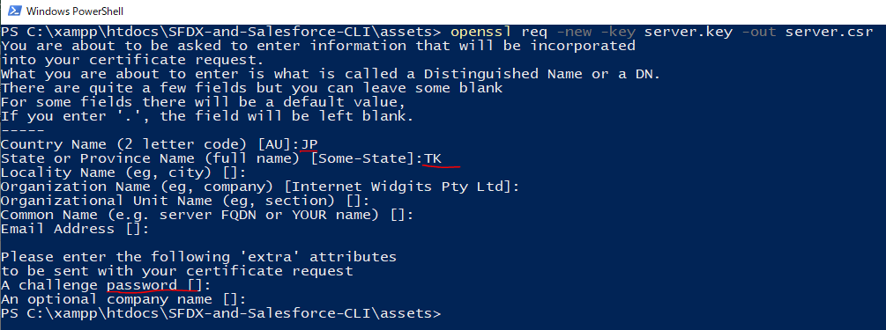

 | Generate ssl digital certificate
 | openssl x509 -req -sha256 -days 365 -in server.csr -signkey server.key -out server.crt

