Create EC2
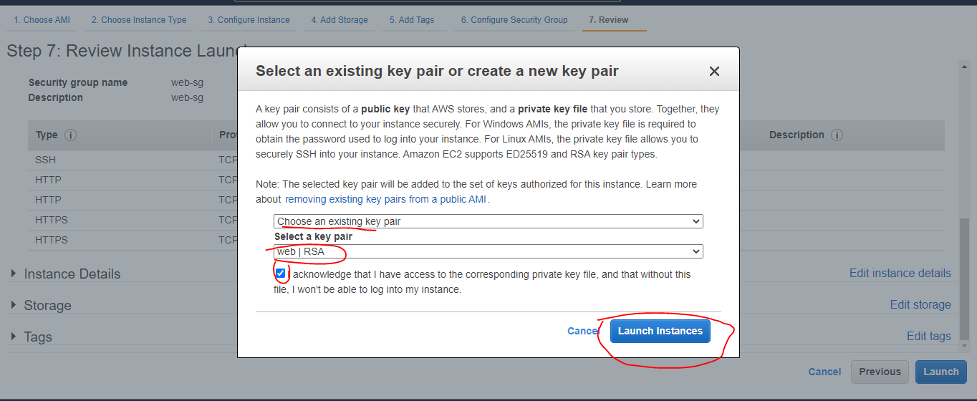
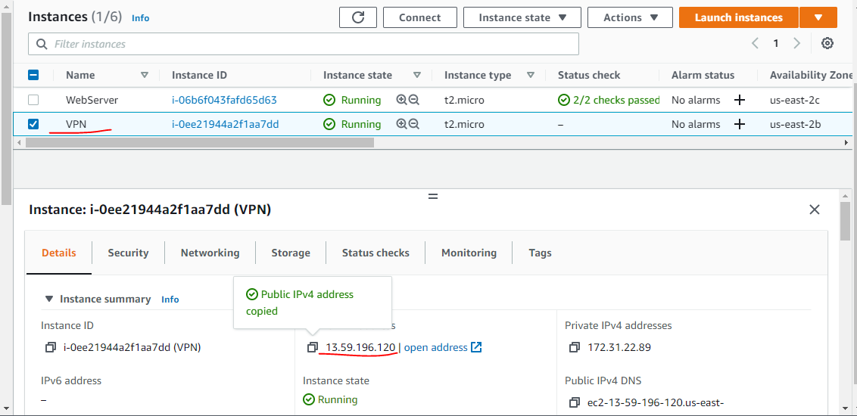
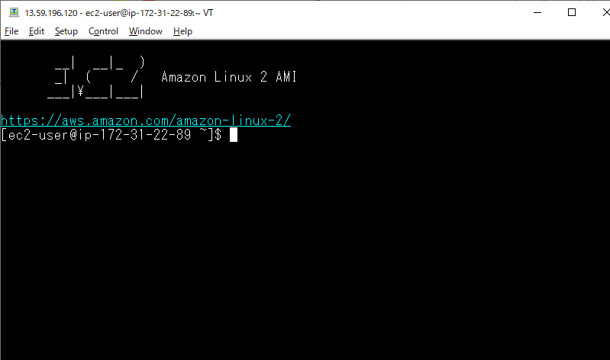
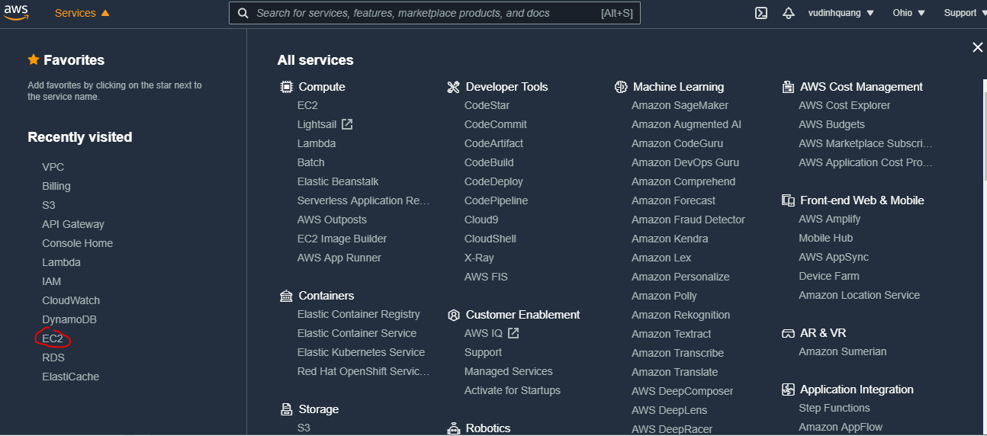

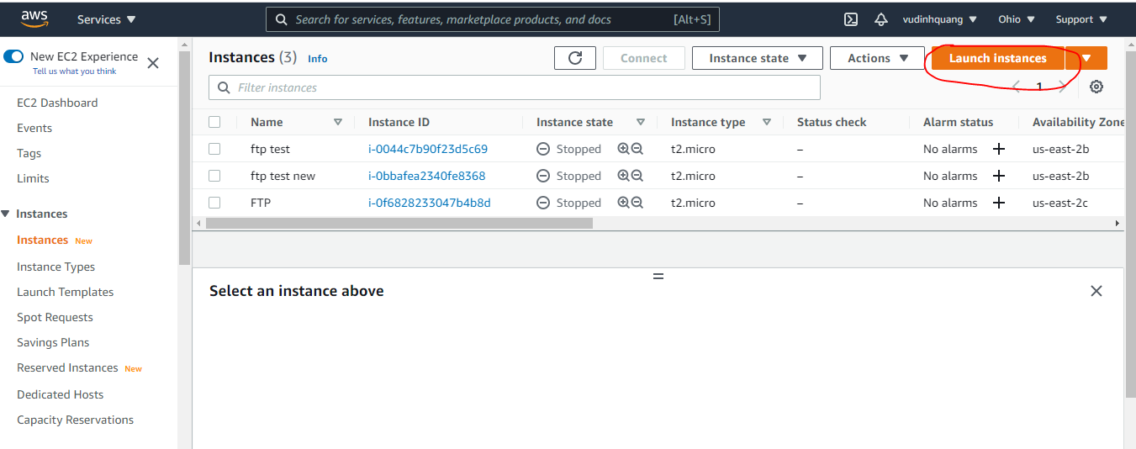

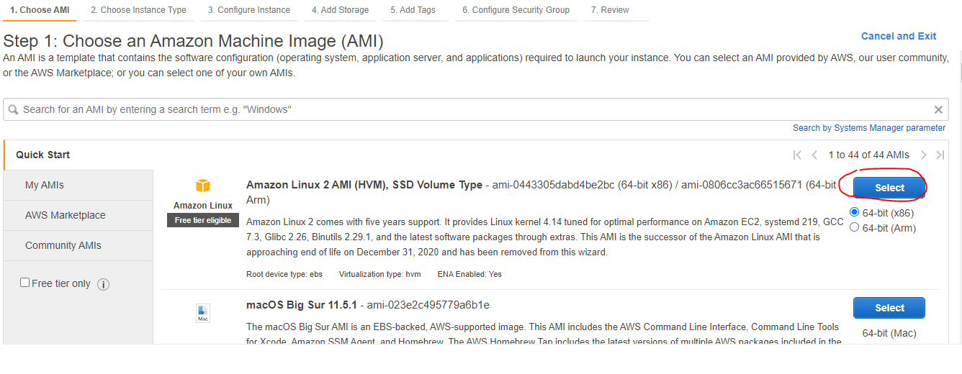

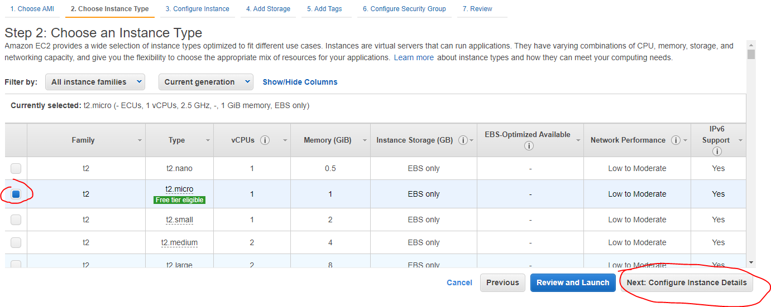

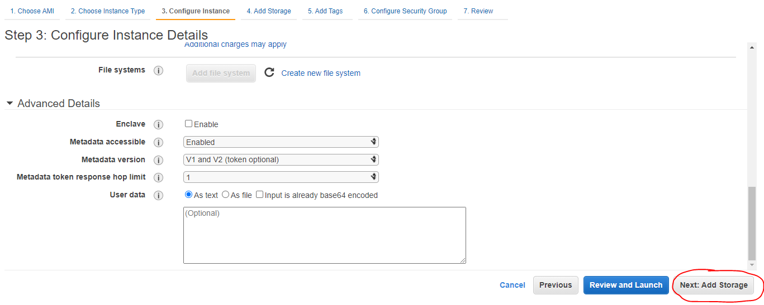

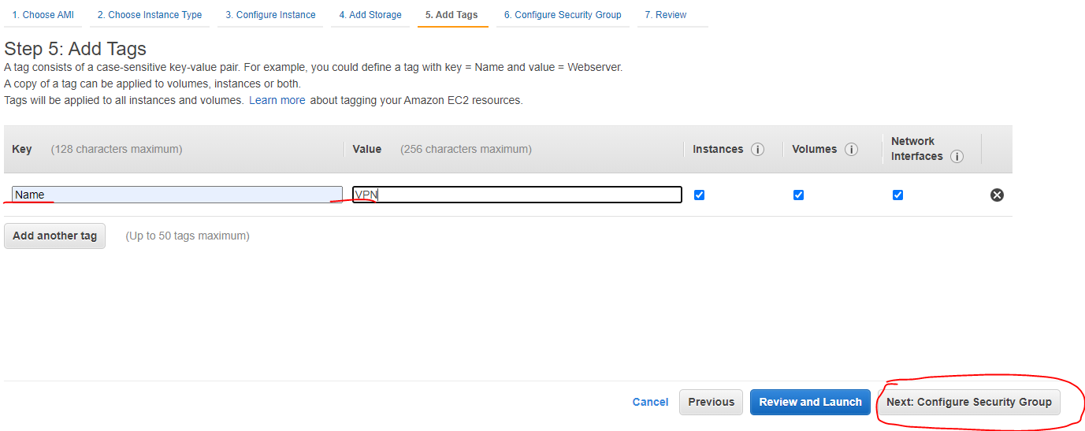

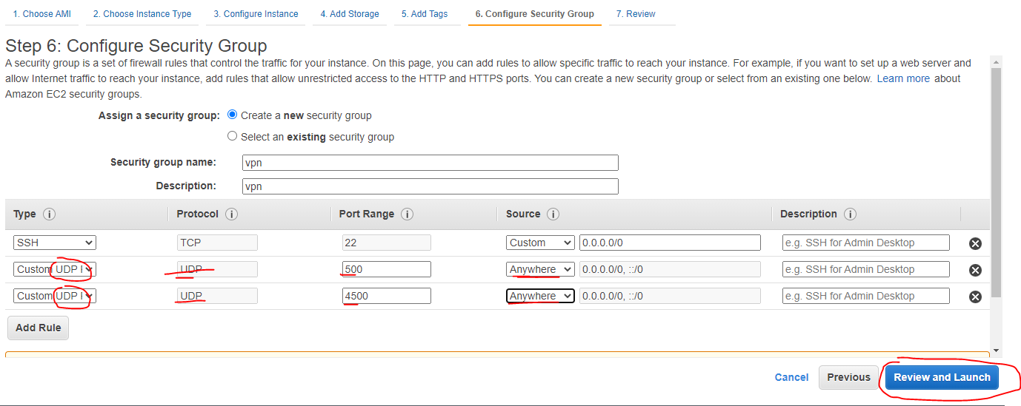

Open port on Security Group for EC2

Install & Configuration
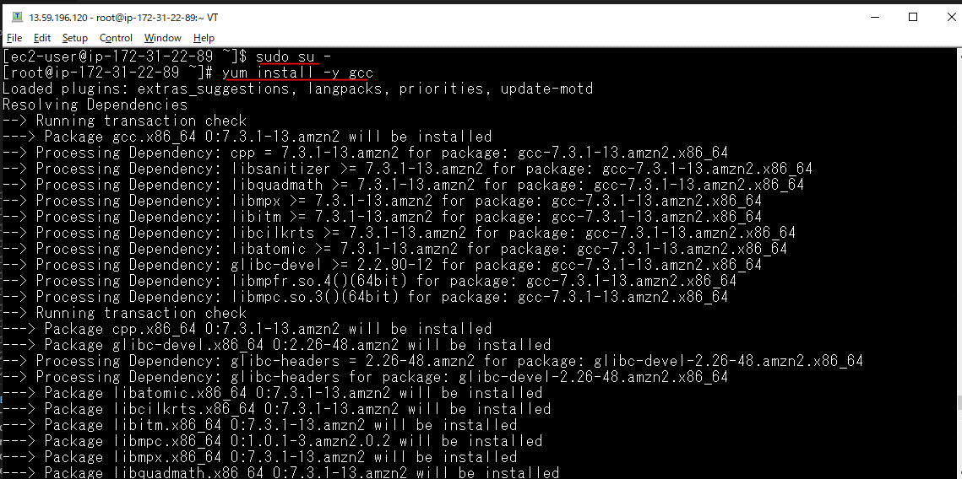
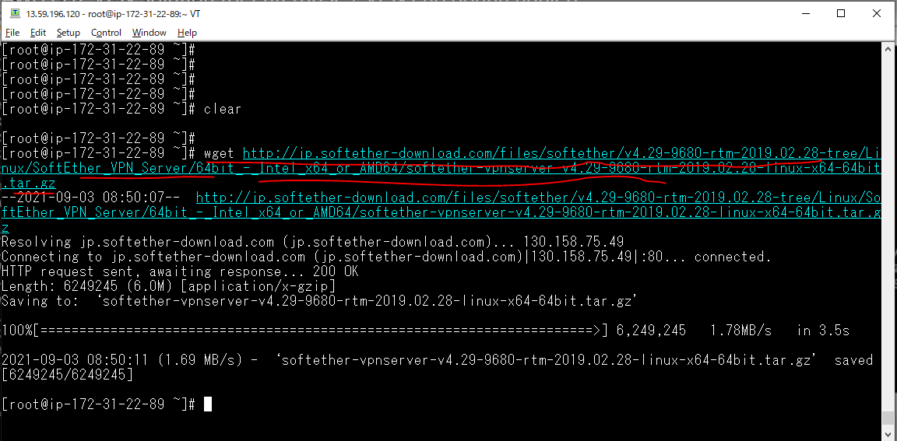
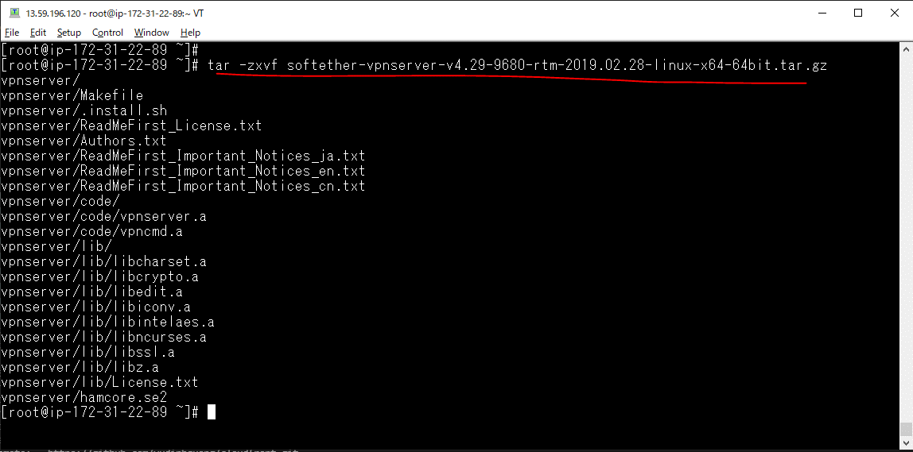
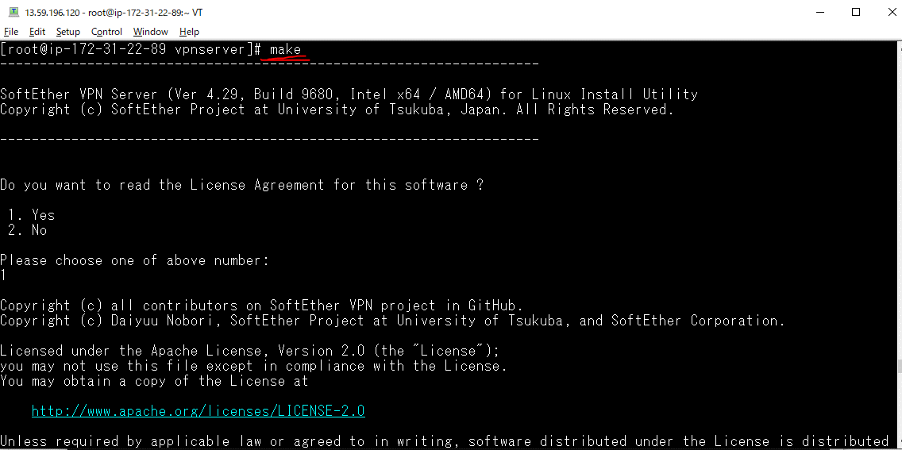
sudo su –
yum install -y gcc
wget http://jp.softether-download.com/files/softether/v4.29-9680-rtm-2019.02.28-tree/Linux/SoftEther_VPN_Server/64bit_-_Intel_x64_or_AMD64/softether-vpnserver-v4.29-9680-rtm-2019.02.28-linux-x64-64bit.tar.gz
tar -zxvf softether-vpnserver-v4.29-9680-rtm-2019.02.28-linux-x64-64bit.tar.gz
cd vpnserver
make
cd ./
mv vpnserver /usr/local

Set permission
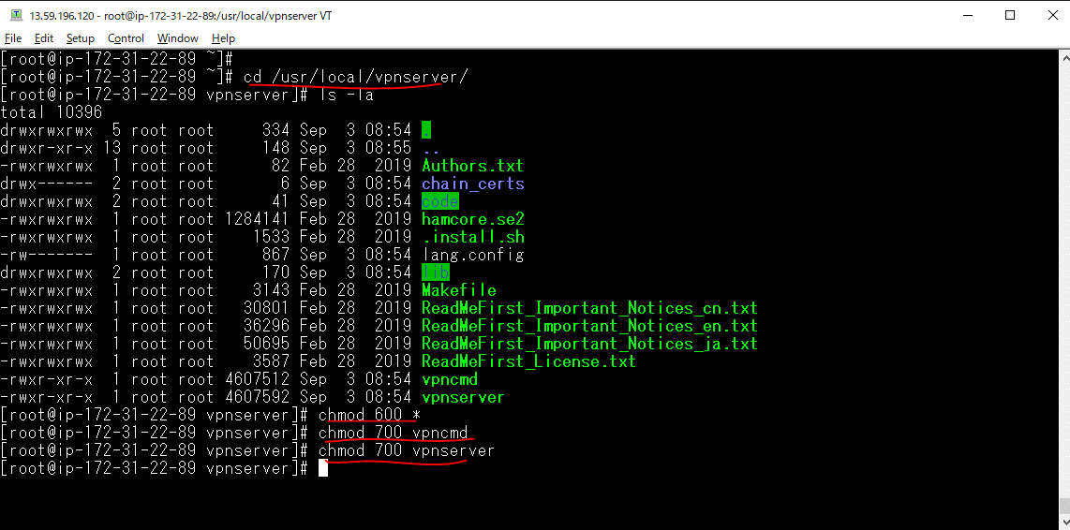
cd /usr/local/vpnserver/
chmod 600 *
chmod 700 vpncmd
chmod 700 vpnserver

Create start-up script
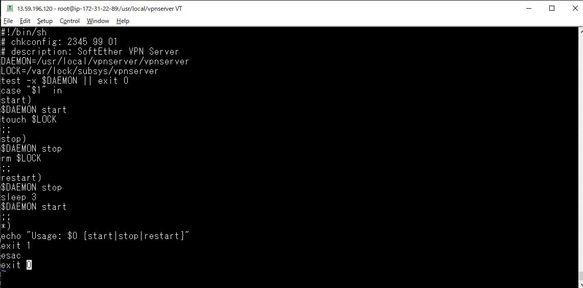
vi /etc/init.d/vpnserver
 | #!/bin/sh # chkconfig: 2345 99 01 # description: SoftEther VPN Server DAEMON=/usr/local/vpnserver/vpnserver LOCK=/var/lock/subsys/vpnserver test -x $DAEMON || exit 0 case "$1" in start) $DAEMON start touch $LOCK ;; stop) $DAEMON stop rm $LOCK ;; restart) $DAEMON stop sleep 3 $DAEMON start ;; *) echo "Usage: $0 {start|stop|restart}" exit 1 esac exit 0

chmod 755 /etc/init.d/vpnserver
/sbin/chkconfig --add vpnserver
service vpnserver start

Create HUB for client connectio
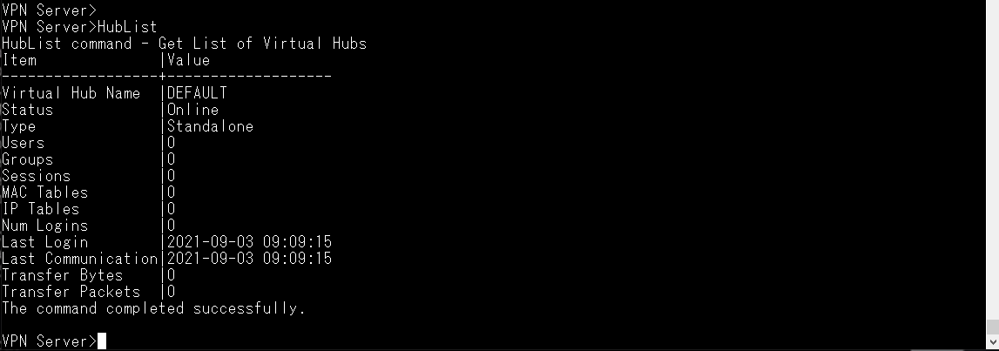
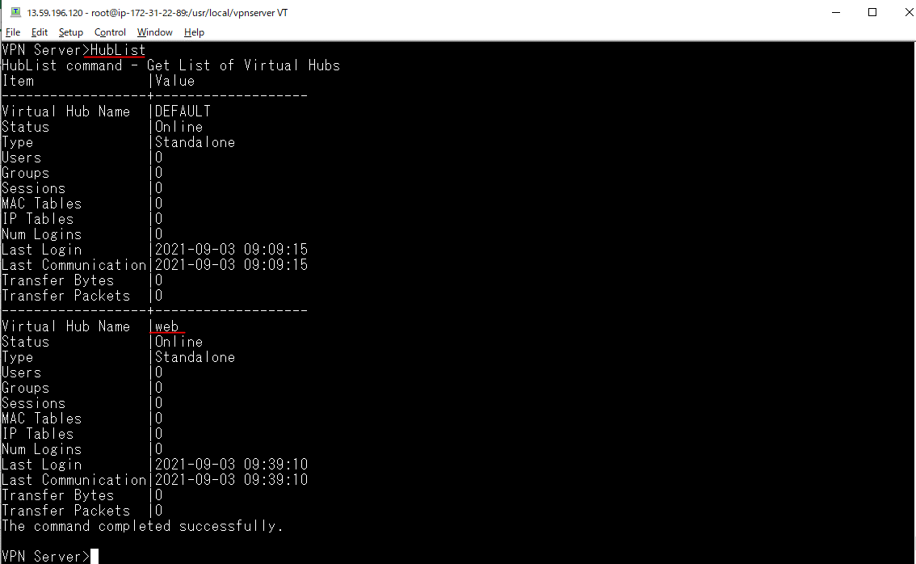
Create HUB for client connection
cd /usr/local/vpnserver/
./vpncmd
VPN Server> HubList
VPN Server> HubCreate
Hub Name: web
Password: 123456

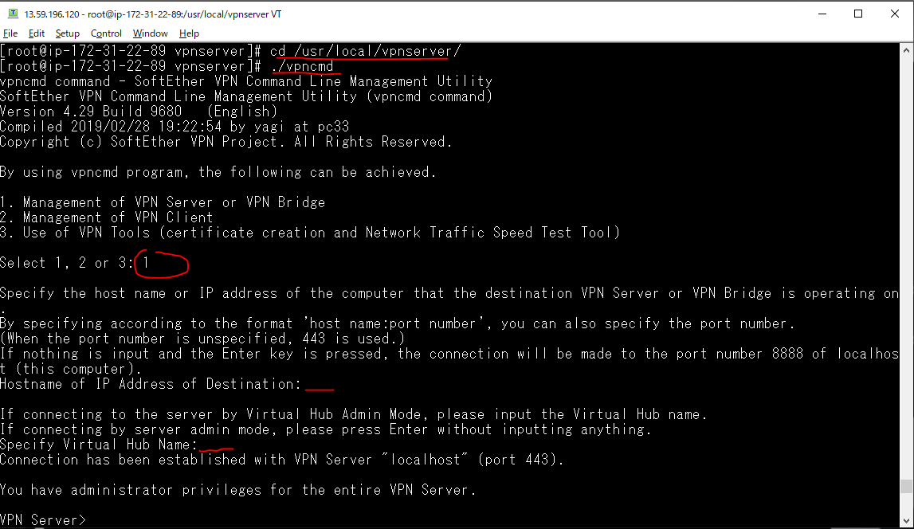

 | Không cần nhập

 | Không cần nhập

Create a VPN account for client
Create a VPN account for client access
VPN Server> HUB web
VPN Server/web> UserList
VPN Server/web> UserCreate
User Name: quang
VPN Server/web> UserPasswordSet
User Name: quang

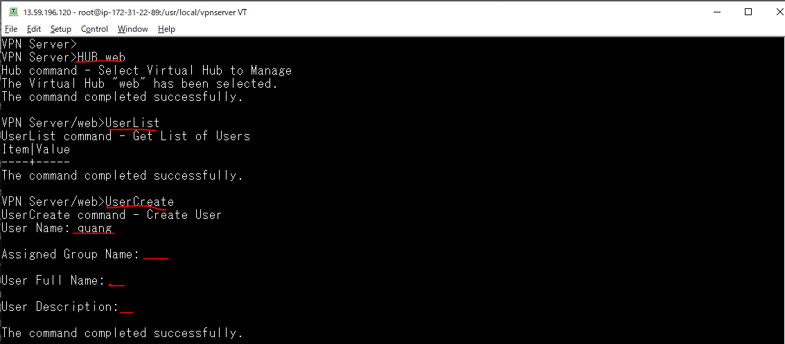

 | web is Hub's name

 | Để mặc định

 | Để mặc định

 | Để mặc định

before VPN connect
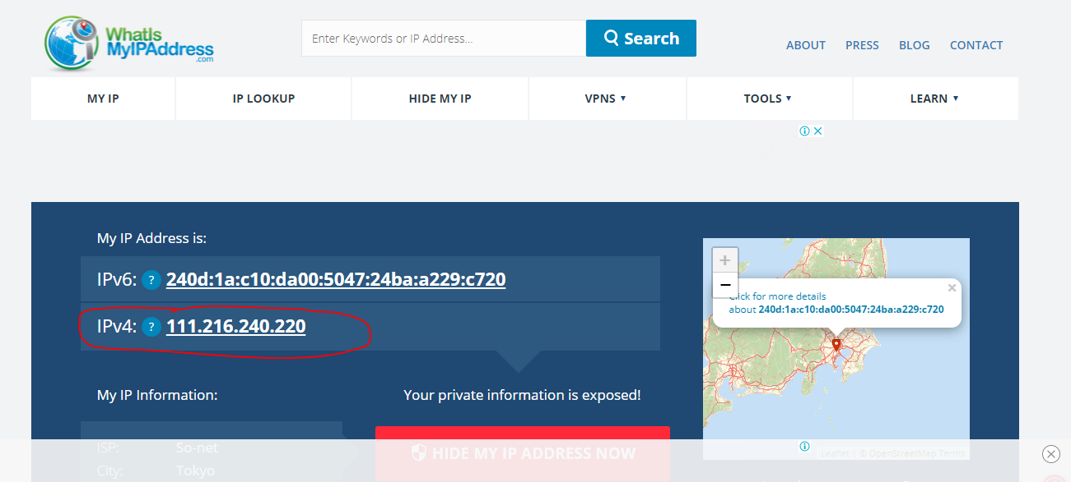

Connect VPN from Window
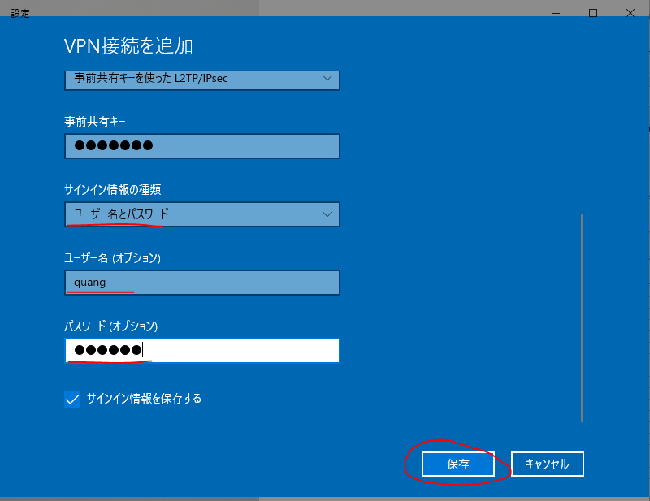
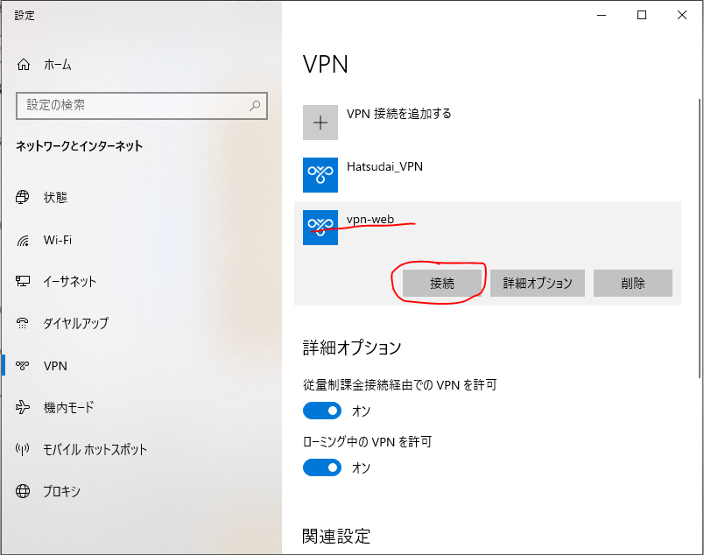
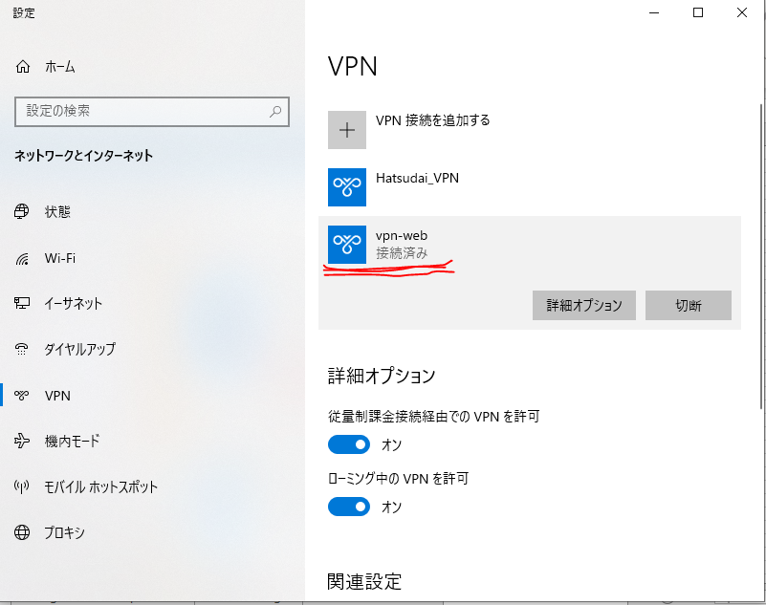
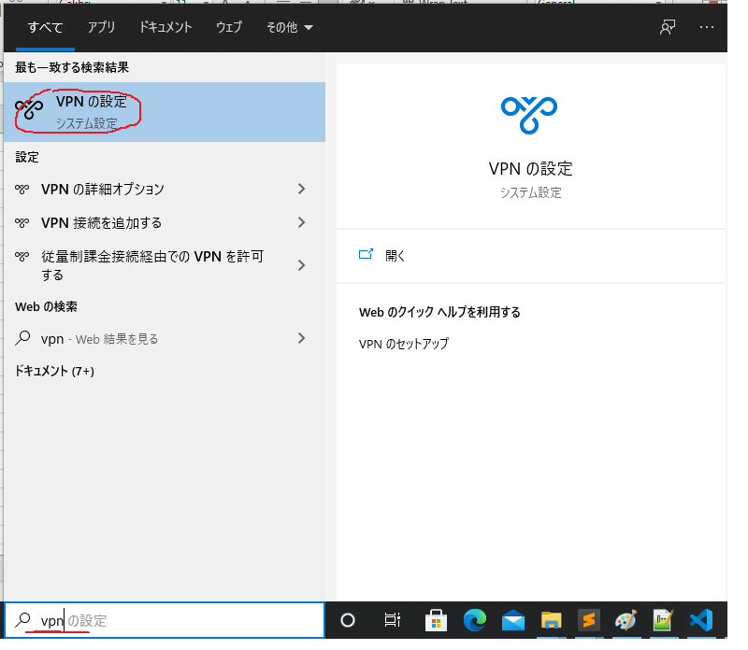

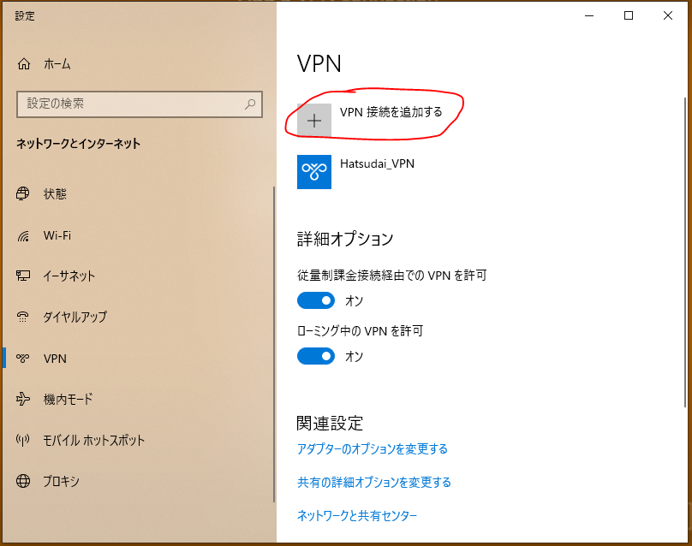

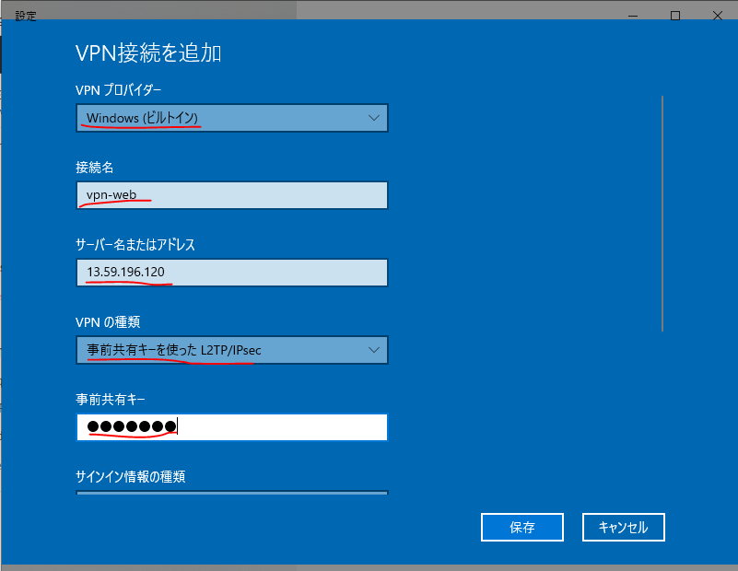

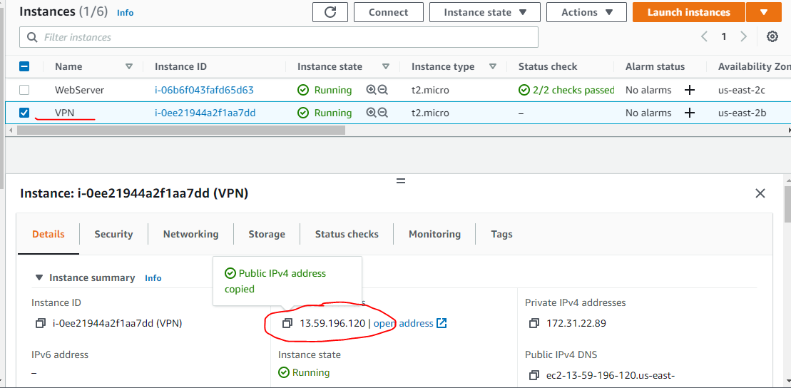

EC2 IP

Pre Shared Key for Ipsec: 9999999

after VPN connect
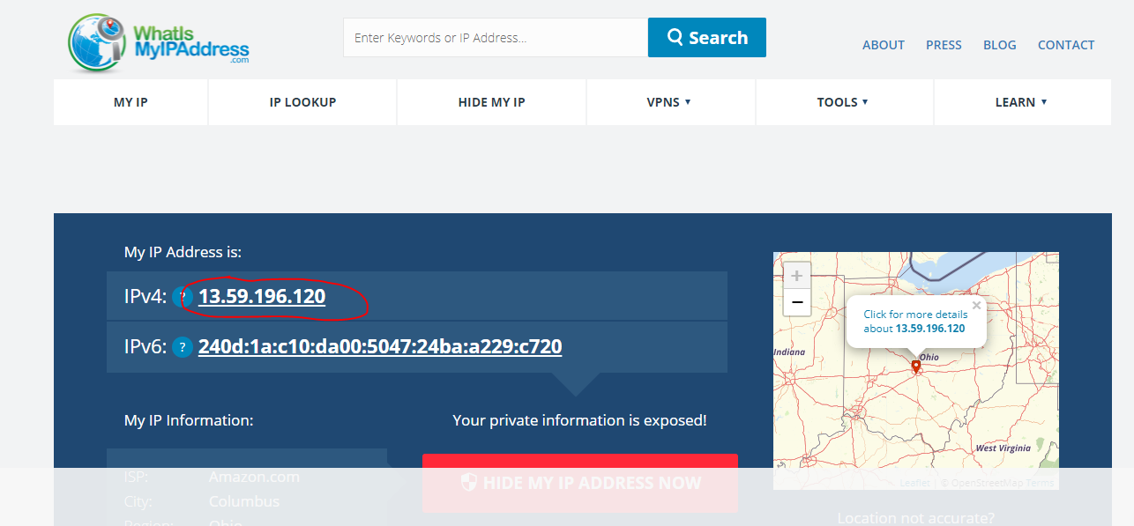
13.59.196.120 is EC2 public IP

