Security Groups
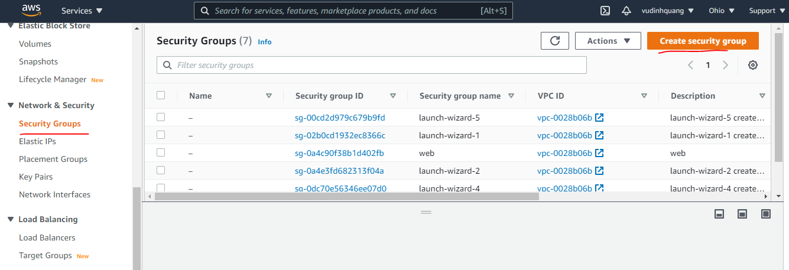

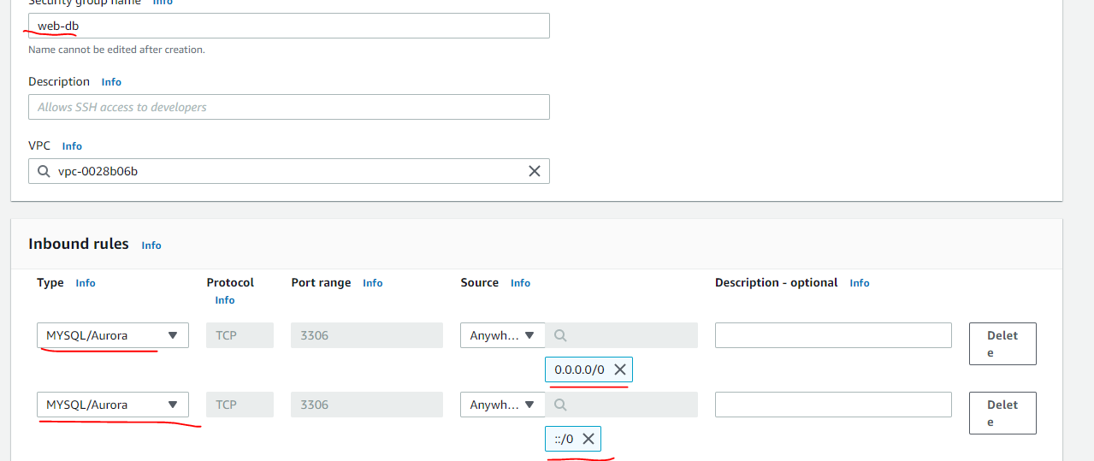
web-db

RDS MySQL
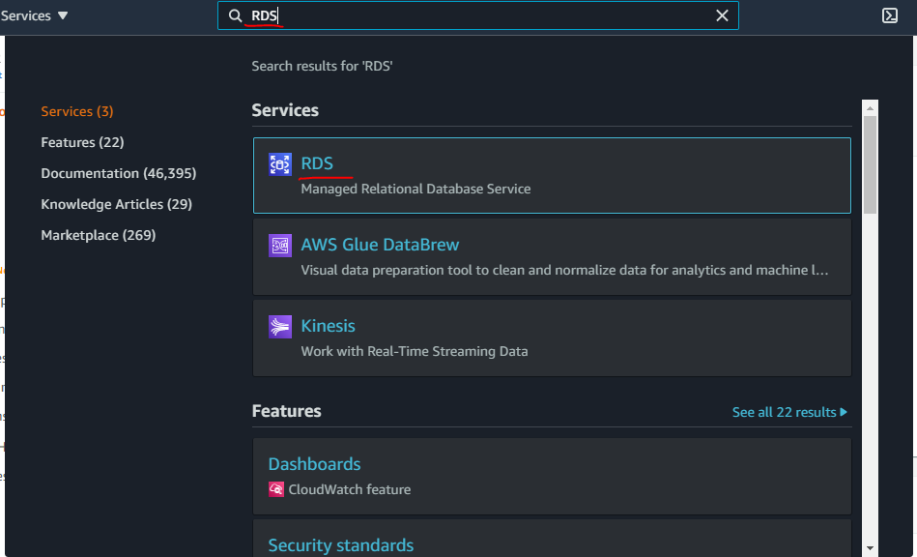

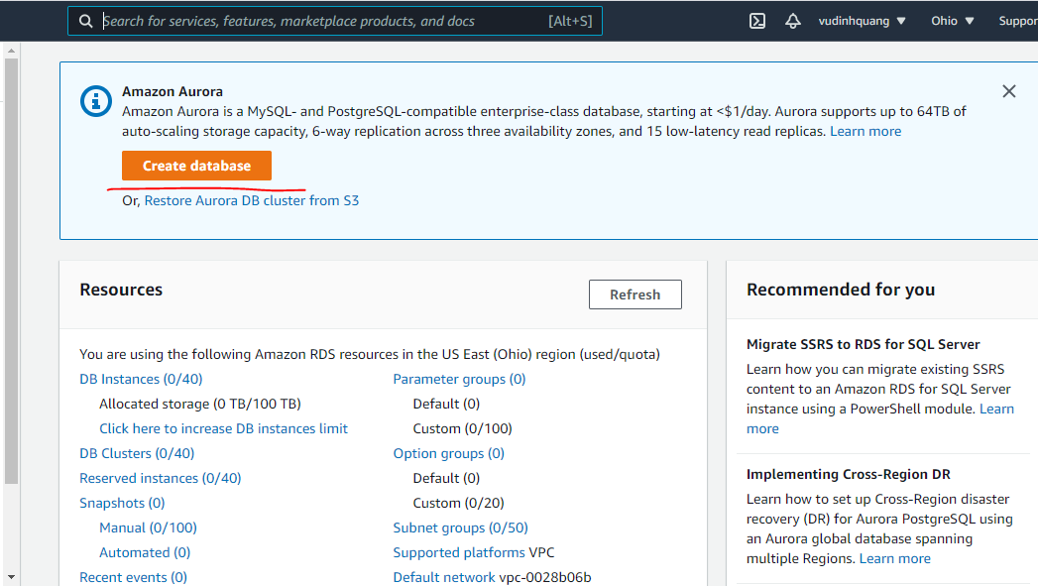

 |  | web-db

Endpoint
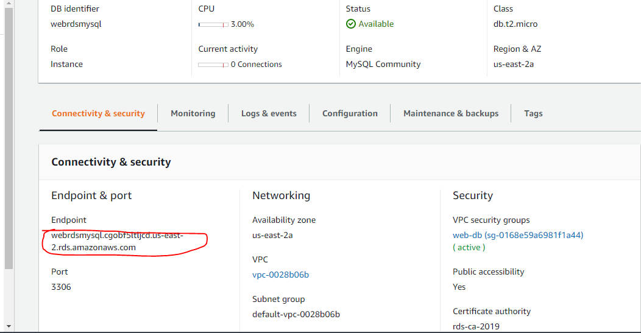

 | $db = new mysqli('webrdsmysql.cgobf5ltljcd.us-east-2.rds.amazonaws.com', 'admin', 'webrdsmysql', 'webrdsmysql');

EC2
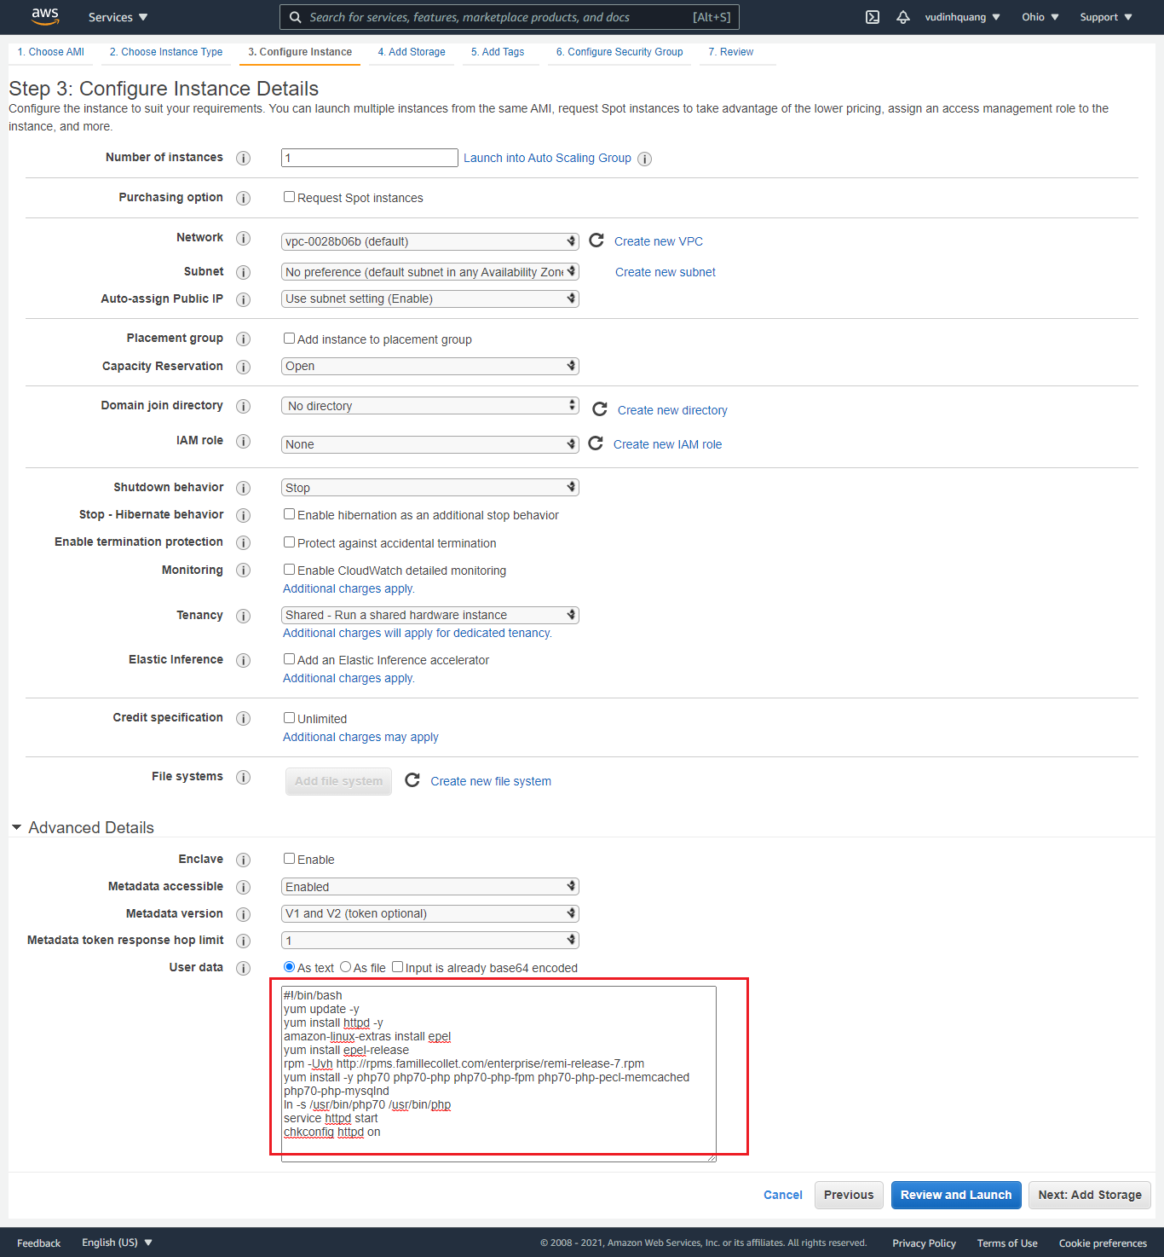

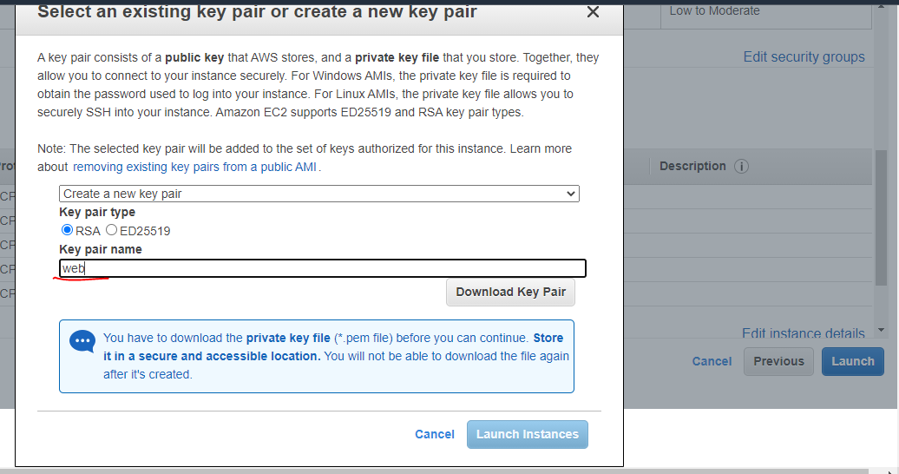

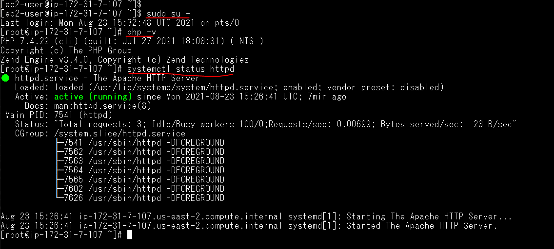
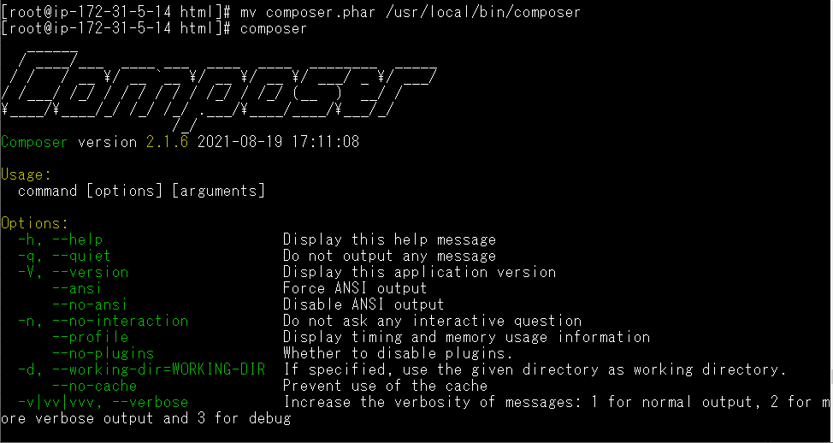

 | sudo su -
 | cd /var/www/html
 | curl -sS https://getcomposer.org/installer | php
 | mv composer.phar /usr/local/bin/composer
 | composer require "programster/mysql-session-handler"

set.php
 | <?php
 | ini_set('display_errors', 1);
 | ini_set('display_startup_errors', 1);
 | error_reporting(E_ALL);
 | date_default_timezone_set('Asia/Bangkok');
 | require 'vendor/autoload.php';

 | # Create your MySQL database connection
 | $db = new mysqli('webrdsmysql.cgobf5ltljcd.us-east-2.rds.amazonaws.com', 'admin', 'webrdsmysql', 'webrdsmysql');

 | # Create the session handler using that connection and pass it the name of the table
 | # The handler will try to create it if it doesn't already exist.
 | $handler = new \Programster\SessionHandler\SessionHandler($db, 'my_sessions_table');

 | # Tell PHP to use the handler we just created.
 | session_set_save_handler($handler, true);

 | # Start your session
 | session_start();

 | # Set a session variable.
 | echo "Set Server 1<br/>"; |  | echo "Set Server 2<br/>";

 | if (isset($_SESSION["username"])) {
 | echo $_SESSION["username"];
 | } else {
 | $_SESSION["username"] = " Vu Dinh Quang";
 | }
 | ?>

get.php
 | <?php
 | ini_set('display_errors', 1);
 | ini_set('display_startup_errors', 1);
 | error_reporting(E_ALL);
 | require 'vendor/autoload.php';

 | # Create your MySQL database connection
 | $db = new mysqli('webrdsmysql.cgobf5ltljcd.us-east-2.rds.amazonaws.com', 'admin', 'webrdsmysql', 'webrdsmysql');

 | # Create the session handler using that connection and pass it the name of the table
 | # The handler will try to create it if it doesn't already exist.
 | $handler = new \Programster\SessionHandler\SessionHandler($db, 'my_sessions_table');

 | # Tell PHP to use the handler we just created.
 | session_set_save_handler($handler, true);
 | session_start();

 | echo "Get Server 1<br/>"; |  | echo "Get Server 1<br/>";

 | if (isset($_SESSION["username"])) {
 |  | echo $_SESSION["username"];
 | }
 | ?>

index.htnl |  | Toi khoe Server 1 | Toi khoe Server 2
/var/www/html

Check DB
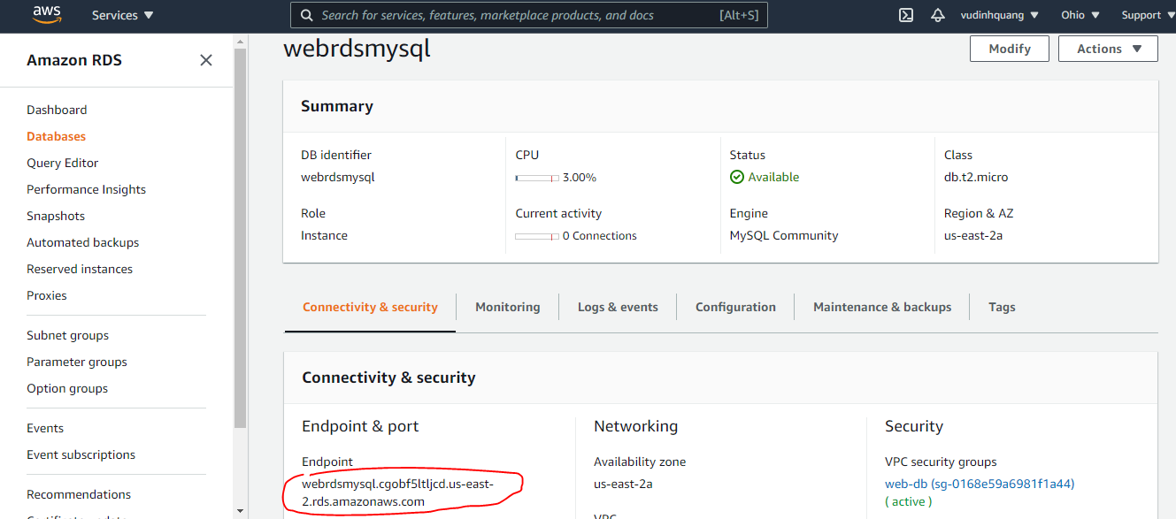
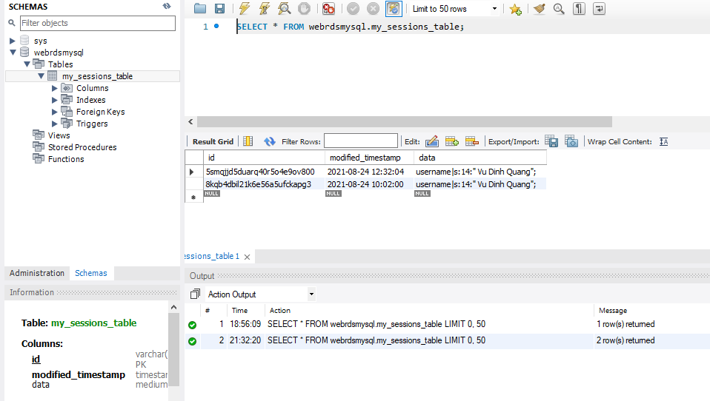
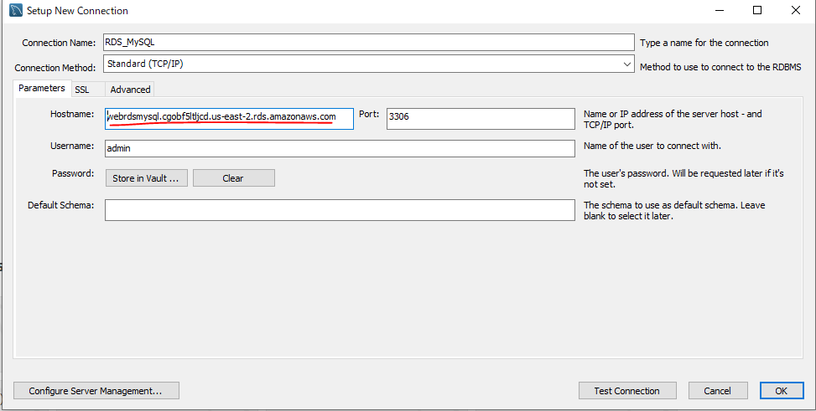
Endpoint

Load Balancers
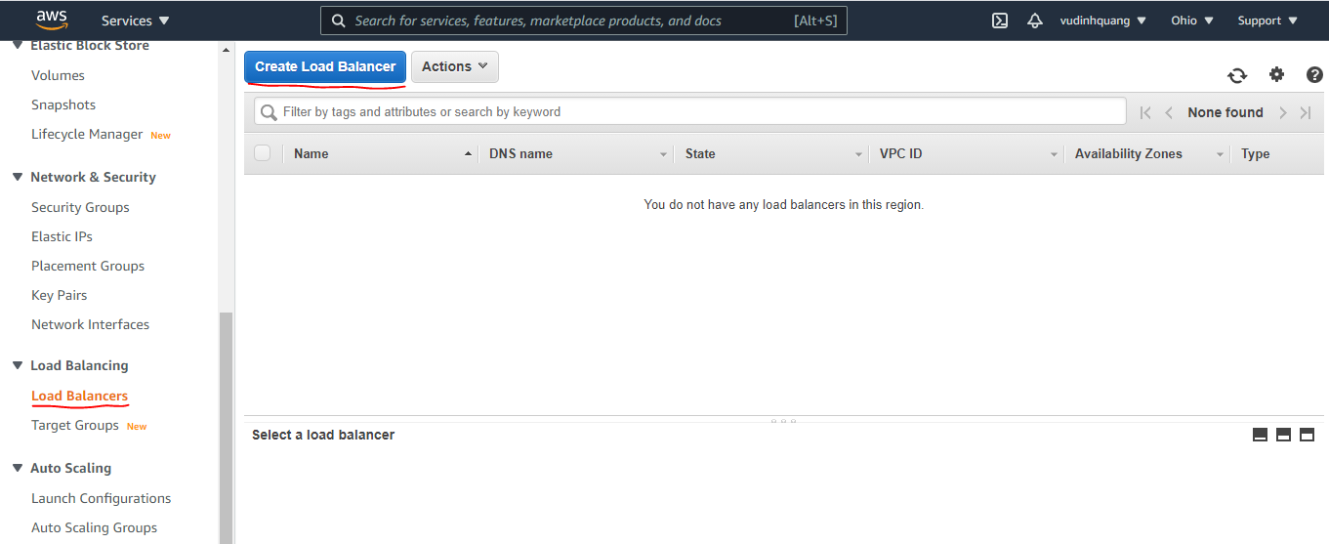

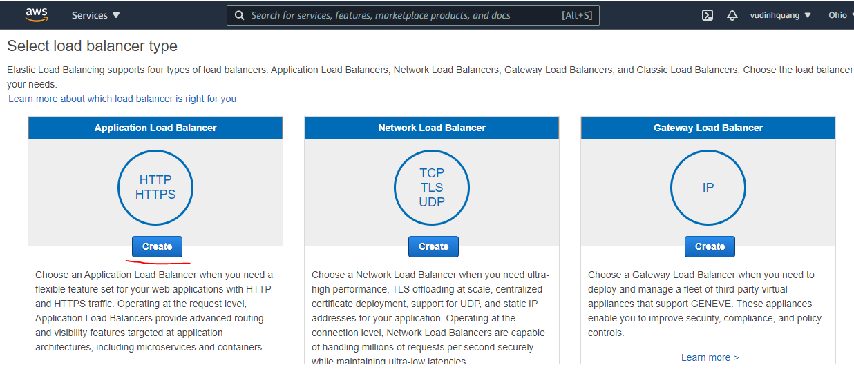

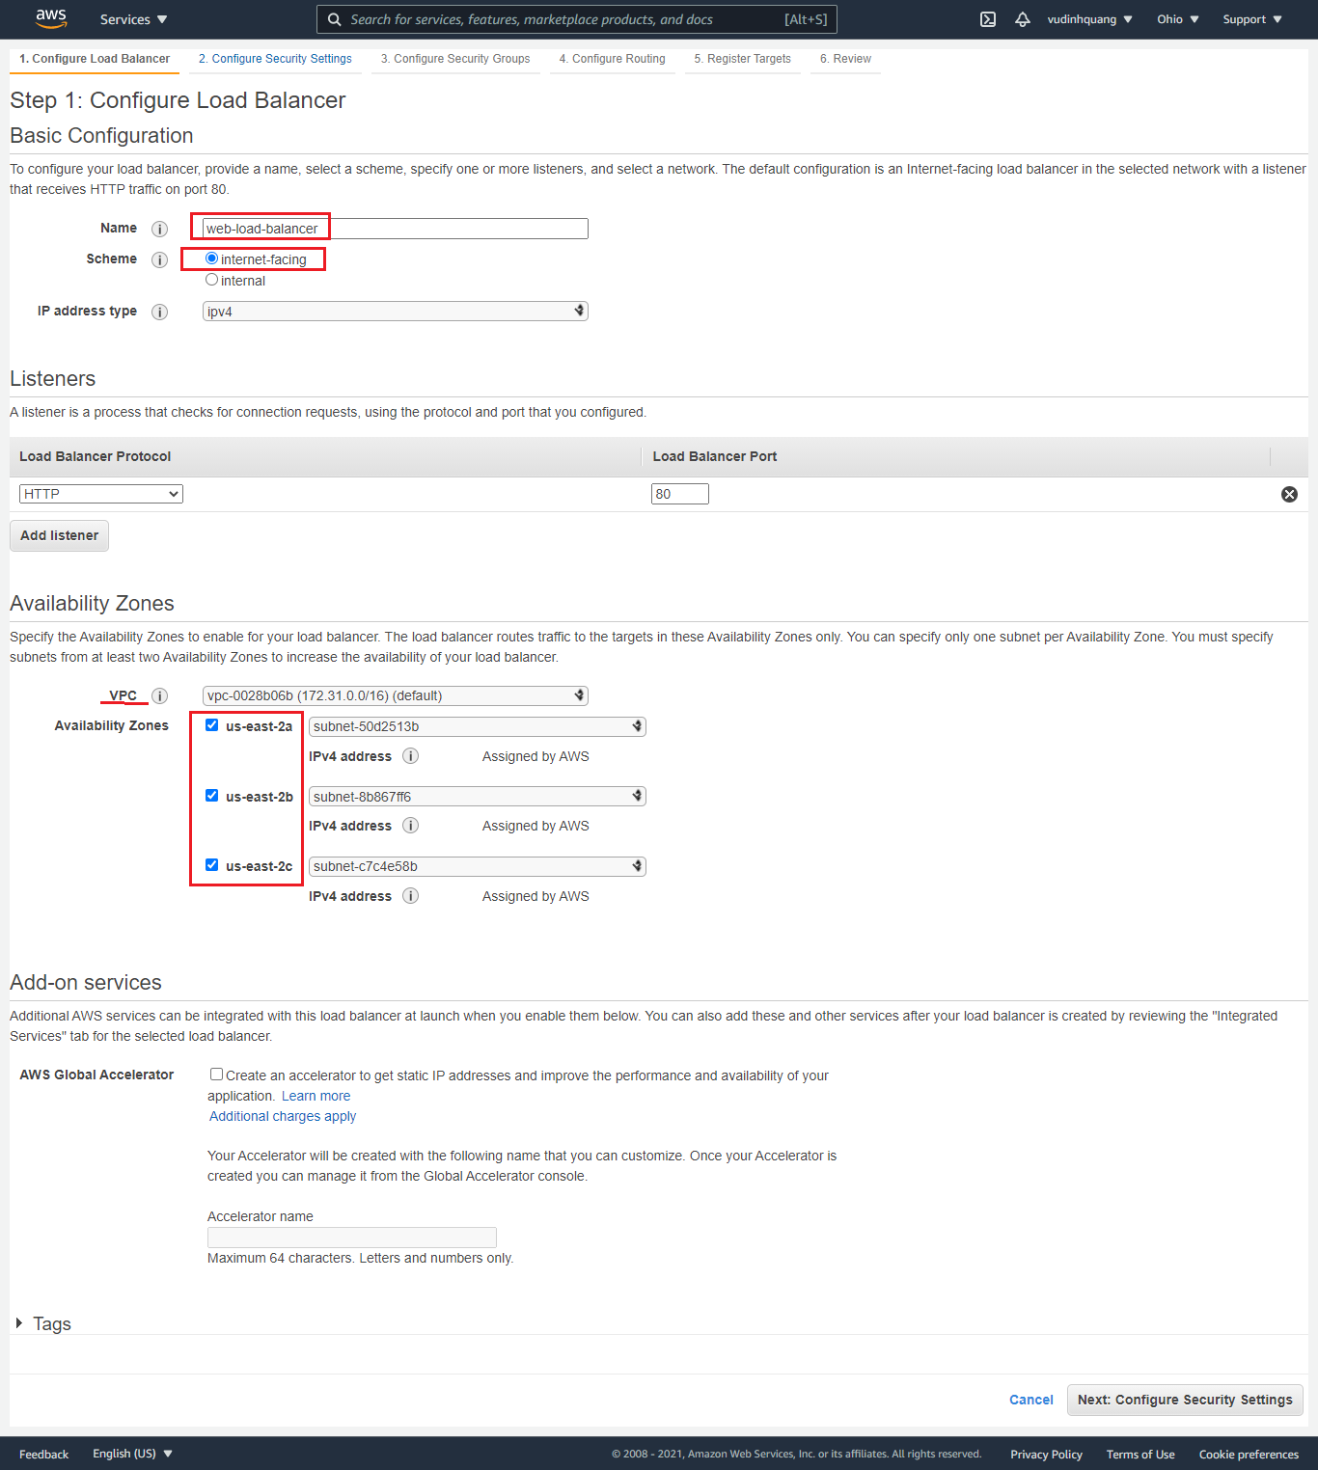

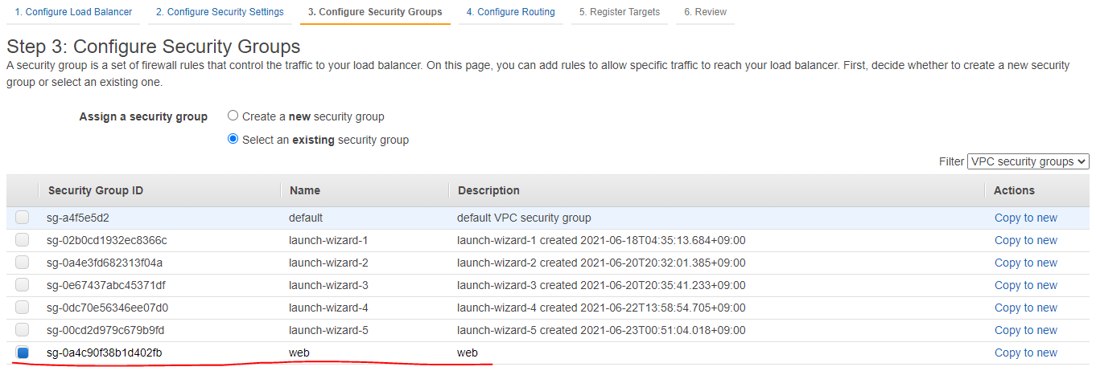

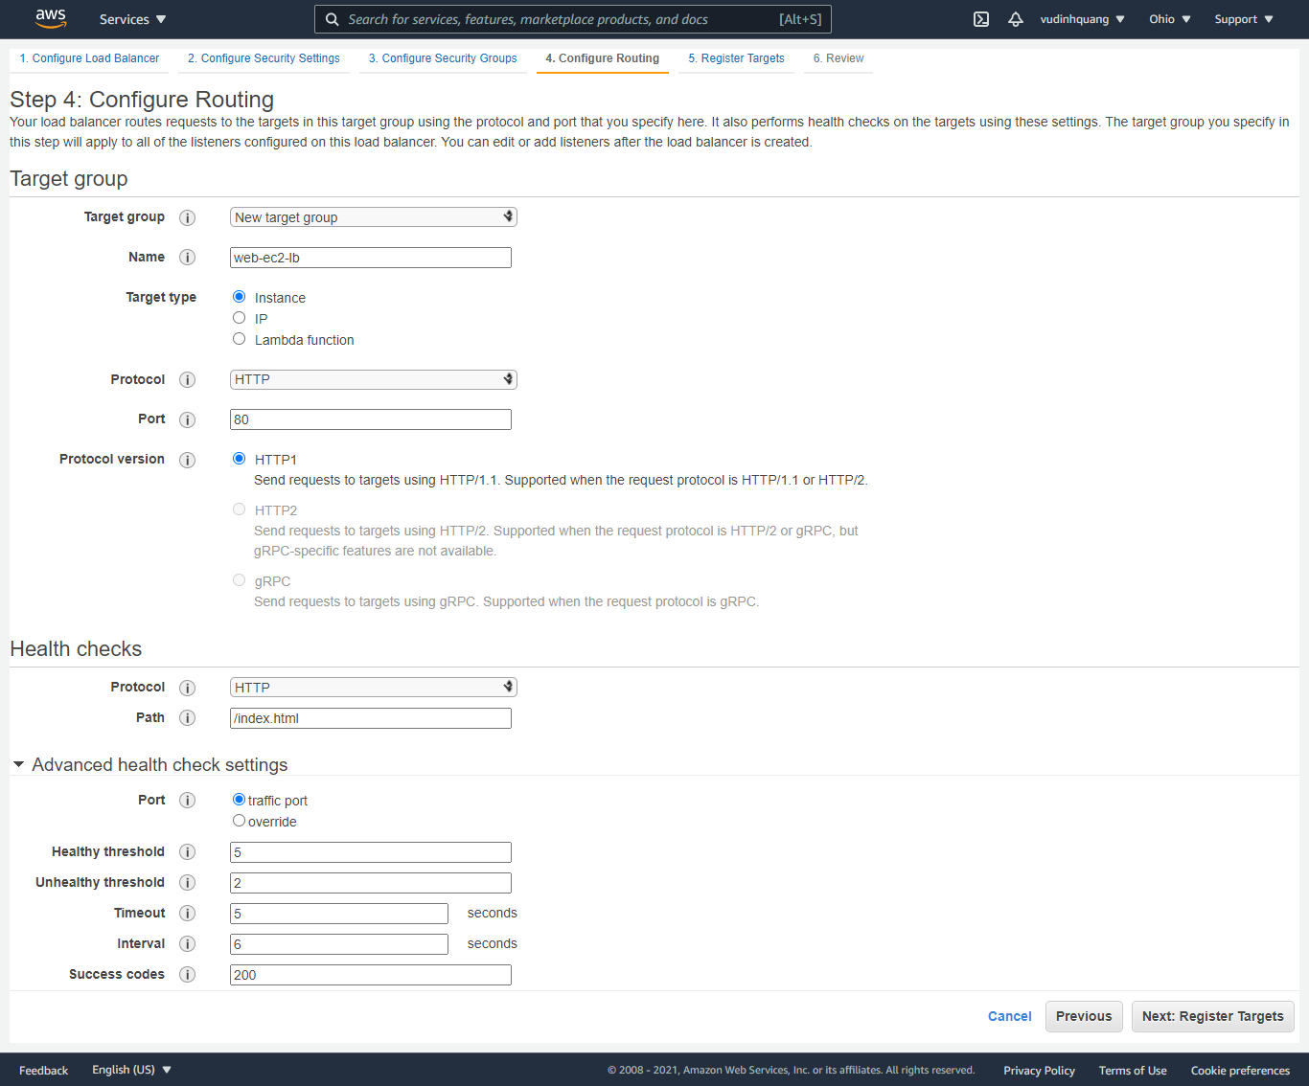

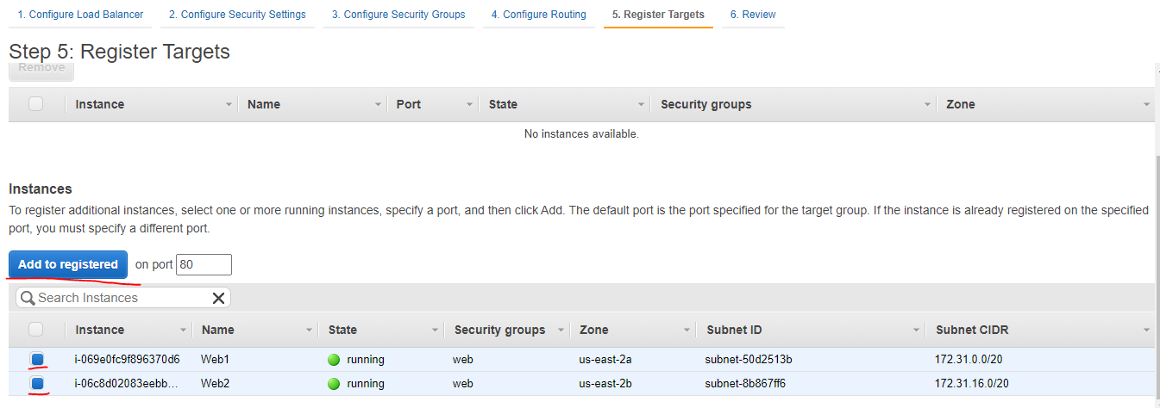

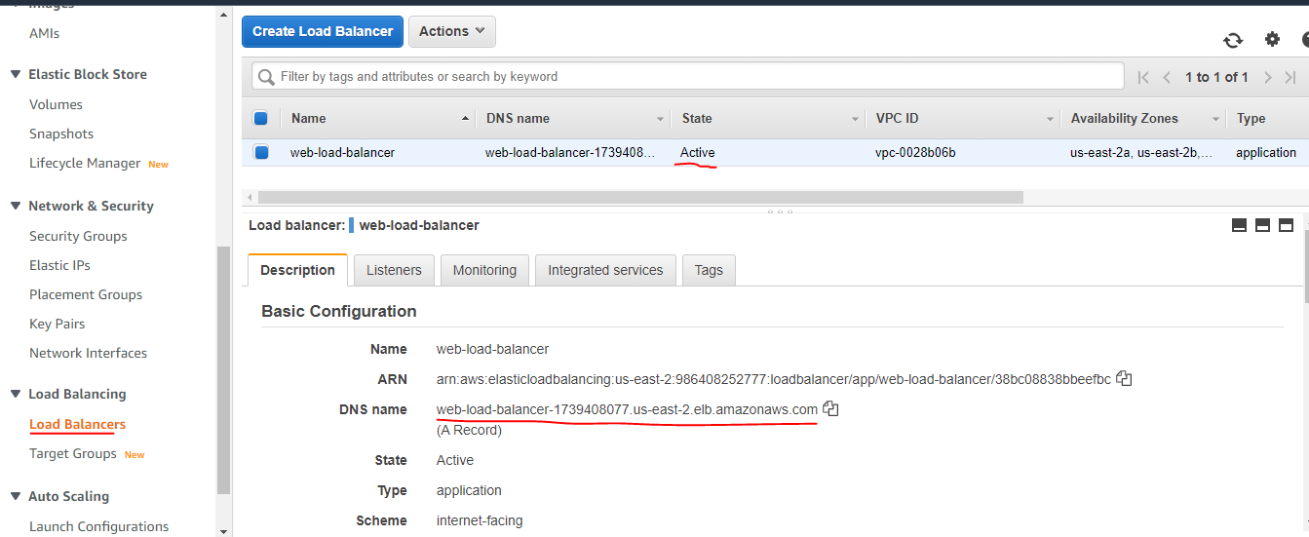

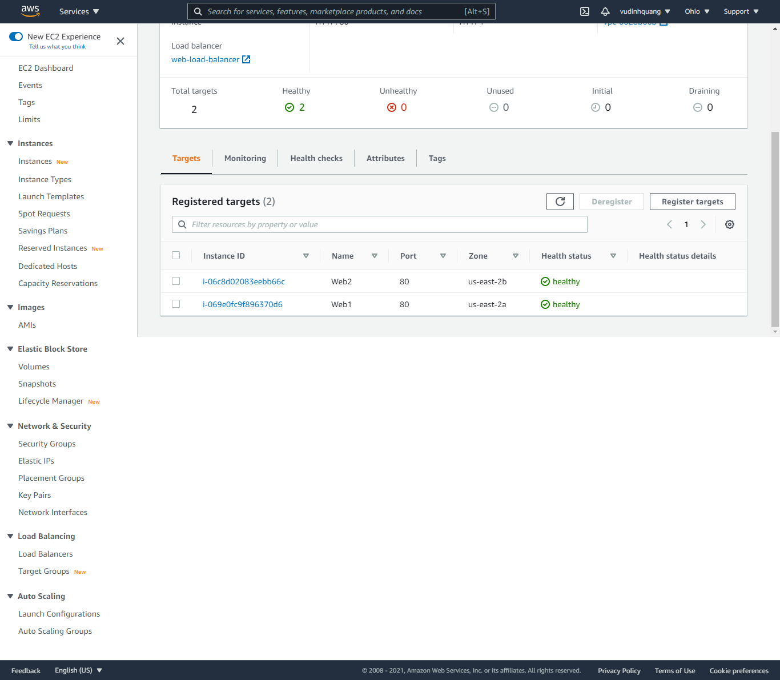

check LB with RDS MySQL
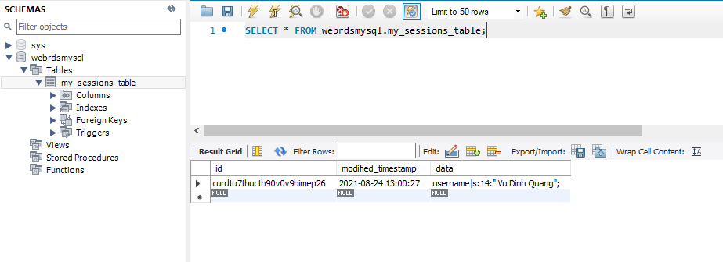
set.php

get.php

DB

