Display a view
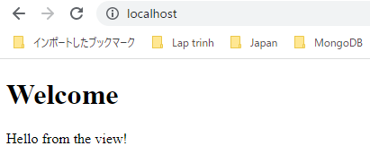
 | Display a view: create a class to render views and use it in a controller

構成
 | build-php-mvc-framework
 |  | App
 |  |  | Controllers
 |  |  |  | Admin
 |  |  |  |  | Users.php
 |  |  |  | Home.php |  | → | code
 |  |  |  | Posts.php
 |  |  | Models
 |  |  | Views
 |  |  |  | Home |  | → | new | Mình để tên folder là Home cùng tên với Controller
 |  |  |  |  | index.php | → | new
 |  | Core
 |  |  | Controller.php
 |  |  | Router.php
 |  |  | View.php |  |  | → | new
 |  | logs
 |  | public
 |  |  | .htaccess
 |  |  | index.php
 |  | vendor

build-php-mvc-framework\Core\View.php
 | <?php

 | namespace Core;

 | /**
 | * View
 | */
 | class View
 | {

 | /**
 | * Render a view file
 | *
 | * @param string $view The view file
 | *
 | * @return void
 | */
 | public static function render($view)
 | {
 | $file = "../App/Views/$view"; // relative to Core directory

 | if (is_readable($file)) {
 | require $file;
 | } else {
 | echo "$file not found";
 | }
 | }
 | }

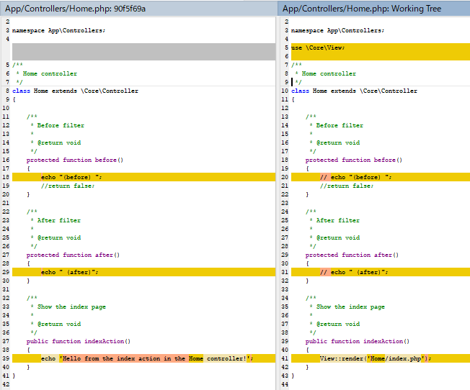
build-php-mvc-framework\App\Controllers\Home.php
 | <?php

 | namespace App\Controllers;

 | use \Core\View;

 | /**
 | * Home controller
 | */
 | class Home extends \Core\Controller
 | {

 | /**
 | * Before filter
 | *
 | * @return void
 | */
 | protected function before()
 | {
 | // echo "(before) ";
 | //return false;
 | }

 | /**
 | * After filter
 | *
 | * @return void
 | */
 | protected function after()
 | {
 | // echo " (after)";
 | }

 | /**
 | * Show the index page
 | *
 | * @return void
 | */
 | public function indexAction()
 | {
 | View::render('Home/index.php');
 | }
 | }

build-php-mvc-framework\App\Views\Home\index.php
 | <!DOCTYPE html>
 | <html>

 | <head>
 | <meta charset="UTF-8">
 | <title>Home</title>
 | </head>

 | <body>
 | <h1>Welcome</h1>
 | <p>Hello from the view!</p>
 | </body>

 | </html>

Check by browser
 | http://localhost/

PassDataFromControllerToView
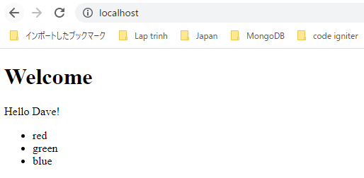
 | Pass data from the controller to the view

構成
 | build-php-mvc-framework
 |  | App
 |  |  | Controllers
 |  |  |  | Admin
 |  |  |  |  | Users.php
 |  |  |  | Home.php |  | → | code
 |  |  |  | Posts.php
 |  |  | Models
 |  |  | Views
 |  |  |  | Home
 |  |  |  |  | index.php | → | code
 |  | Core
 |  |  | Controller.php
 |  |  | Router.php
 |  |  | View.php |  |  | → | code
 |  | logs
 |  | public
 |  |  | .htaccess
 |  |  | index.php
 |  | vendor

build-php-mvc-framework\Core\View.php
 | <?php

 | namespace Core;

 | /**
 | * View
 | */
 | class View
 | {

 | /**
 | * Render a view file
 | *
 | * @param string $view The view file
 | *
 | * @return void
 | */
 | public static function render($view, $args = []) |  |  |  |  |  |  | → | $args là data được pass từ controller đến view
 | {
 | extract($args, EXTR_SKIP); |  |  |  |  |  |  | → | convert $args từ array sang variable

 | $file = "../App/Views/$view"; // relative to Core directory

 | if (is_readable($file)) {
 | require $file;
 | } else {
 | echo "$file not found";
 | }
 | }
 | }

build-php-mvc-framework\App\Controllers\Home.php
 | <?php

 | namespace App\Controllers;

 | use \Core\View;

 | /**
 | * Home controller
 | */
 | class Home extends \Core\Controller
 | {

 | /**
 | * Before filter
 | *
 | * @return void
 | */
 | protected function before()
 | {
 | // echo "(before) ";
 | //return false;
 | }

 | /**
 | * After filter
 | *
 | * @return void
 | */
 | protected function after()
 | {
 | // echo " (after)";
 | }

 | /**
 | * Show the index page
 | *
 | * @return void
 | */
 | public function indexAction()
 | {
 | View::render('Home/index.php', [
 | 'name' => 'Dave',
 | 'colours' => ['red', 'green', 'blue']
 | ]);
 | }
 | }

build-php-mvc-framework\App\Views\Home\index.php
 | <!DOCTYPE html>
 | <html>

 | <head>
 | <meta charset="UTF-8">
 | <title>Home</title>
 | </head>

 | <body>
 | <h1>Welcome</h1>
 | <p>Hello <?php echo htmlspecialchars($name); ?>!</p> |  |  |  |  |  | → | htmlspecialchars dùng để escape các ký tự html

 | <ul>
 | <?php foreach ($colours as $colour) : ?>
 | <li><?php echo htmlspecialchars($colour); ?></li>
 | <?php endforeach; ?>
 | </ul>
 | </body>

 | </html>

Check browser
 | http://localhost/

add a template engine
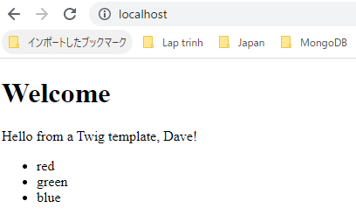
 | Make views easier to create and maintain: add a template engine

 | twig
 | https://twig.symfony.com/doc/3.x/intro.html

構成
 | build-php-mvc-framework
 |  | App
 |  |  | Controllers
 |  |  |  | Admin
 |  |  |  |  | Users.php
 |  |  |  | Home.php |  | → | code
 |  |  |  | Posts.php
 |  |  | Models
 |  |  | Views
 |  |  |  | Home
 |  |  |  |  | index.php
 |  |  |  |  | index.html | → | new
 |  | Core
 |  |  | Controller.php
 |  |  | Router.php
 |  |  | View.php |  |  | → | code
 |  | logs
 |  | public
 |  |  | .htaccess
 |  |  | index.php |  |  | → | code
 |  | vendor

 | composer require "twig/twig:^3.0"
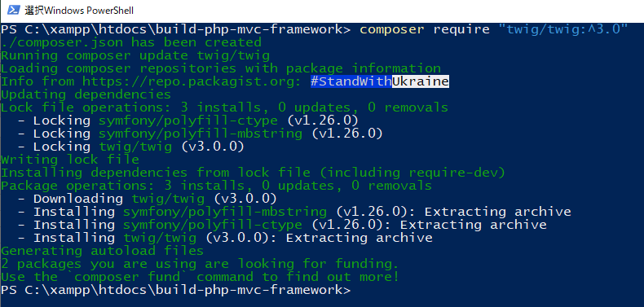

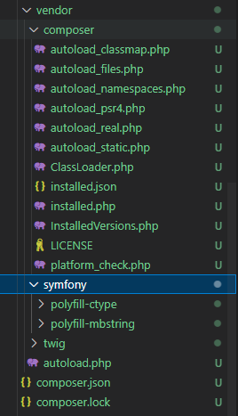

build-php-mvc-framework\Core\View.php
 | <?php

 | namespace Core;

 | /**
 | * View
 | */
 | class View
 | {

 | /**
 | * Render a view file
 | *
 | * @param string $view The view file
 | *
 | * @return void
 | */
 | public static function render($view, $args = [])
 | {
 | extract($args, EXTR_SKIP);

 | $file = "../App/Views/$view"; // relative to Core directory

 | if (is_readable($file)) {
 | require $file;
 | } else {
 | echo "$file not found";
 | }
 | }

 | /**
 | * Render a view template using Twig
 | *
 | * @param string $template The template file
 | * @param array $args Associative array of data to display in the view (optional)
 | *
 | * @return void
 | */
 | public static function renderTemplate($template, $args = [])
 | {
 | $loader = new \Twig\Loader\FilesystemLoader("../App/Views");
 | $twig = new \Twig\Environment($loader);

 | echo $twig->render($template, $args);
 | }
 | }

build-php-mvc-framework\App\Controllers\Home.php
 | <?php

 | namespace App\Controllers;

 | use \Core\View;

 | /**
 | * Home controller
 | */
 | class Home extends \Core\Controller
 | {

 | /**
 | * Before filter
 | *
 | * @return void
 | */
 | protected function before()
 | {
 | // echo "(before) ";
 | //return false;
 | }

 | /**
 | * After filter
 | *
 | * @return void
 | */
 | protected function after()
 | {
 | // echo " (after)";
 | }

 | /**
 | * Show the index page
 | *
 | * @return void
 | */
 | public function indexAction()
 | {
 | View::renderTemplate('Home/index.html', [
 | 'name' => 'Dave',
 | 'colours' => ['red', 'green', 'blue']
 | ]);
 | }
 | }

build-php-mvc-framework\App\Views\Home\index.html
 | <!DOCTYPE html>
 | <html>
 | <head>
 | <meta charset="UTF-8" />
 | <title>Home</title>
 | </head>
 | <body>
 | <h1>Welcome</h1>
 | <p>Hello from a Twig template, {{ name }}!</p>

 | <ul>
 | {% for colour in colours %}
 | <li>{{ colour }}</li>
 | {% endfor %}
 | </ul>
 | </body>
 | </html>

Check browser
 | http://localhost/

add a base template
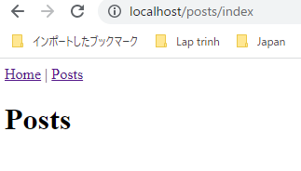
 | Remove repetition in the view templates: add a base template to inherit from

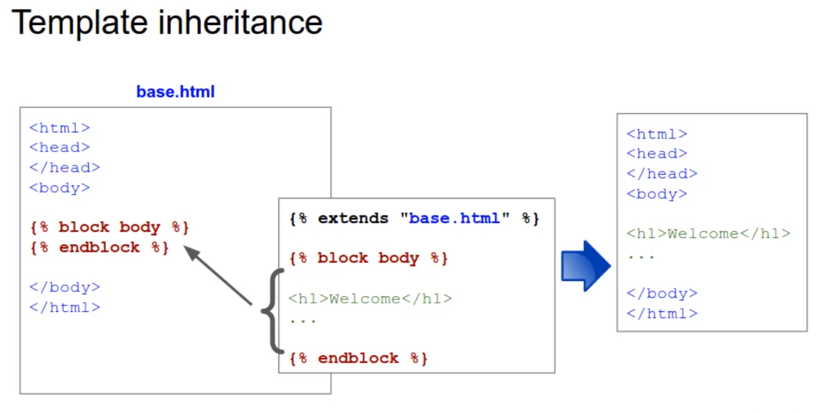

構成
 | build-php-mvc-framework
 |  | App
 |  |  | Controllers
 |  |  |  | Admin
 |  |  |  |  | Users.php
 |  |  |  | Home.php
 |  |  |  | Posts.php
 |  |  | Models
 |  |  | Views
 |  |  |  | Home
 |  |  |  |  | index.php
 |  |  |  |  | index.html | code
 |  |  |  | base.html |  | new
 |  | Core
 |  |  | Controller.php
 |  |  | Router.php
 |  |  | View.php
 |  | logs
 |  | public
 |  |  | .htaccess
 |  |  | index.php
 |  | vendor

build-php-mvc-framework\App\Views\base.html
 | <!DOCTYPE html>
 | <html>
 | <head>
 | <meta charset="UTF-8">
 | <title>{% block title %}{% endblock %}</title>
 | </head>
 | <body>
 | <nav>
 | <a href="/">Home</a> |
 | <a href="/posts/index">Posts</a>
 | </nav>

 | {% block body %}
 | {% endblock %}
 | </body>
 | </html>

build-php-mvc-framework\App\Views\Home\index.html
 | {% extends "base.html" %}

 | {% block title %}Home{% endblock %}

 | {% block body %}

 | <h1>Welcome</h1>
 | <p>Hello from a Twig template, {{ name }}!</p>

 | <ul>
 | {% for colour in colours %}
 | <li>{{ colour }}</li>
 | {% endfor %}
 | </ul>

 | {% endblock %}

build-php-mvc-framework\App\Controllers\Posts.php
 | <?php

 | namespace App\Controllers;

 | use \Core\View;

 | /**
 | * Posts controller
 | *
 | */
 | class Posts extends \Core\Controller
 | {

 | /**
 | * Show the index page
 | *
 | * @return void
 | */
 | public function indexAction()
 | {
 | View::renderTemplate('Posts/index.html');
 | }

 | /**
 | * Show the add new page
 | *
 | * @return void
 | */
 | public function addNewAction()
 | {
 | echo 'Hello from the addNew action in the Posts controller!';
 | }

 | /**
 | * Show the edit page
 | *
 | * @return void
 | */
 | public function editAction()
 | {
 | echo 'Hello from the edit action in the Posts controller!';
 | echo '<p>Route parameters: <pre>' .
 | htmlspecialchars(print_r($this->route_params, true)) . '</pre></p>';
 | }
 | }

build-php-mvc-framework\App\Views\Posts\index.html
 | {% extends "base.html" %}

 | {% block title %}Posts{% endblock %}

 | {% block body %}

 | <h1>Posts</h1>

 | {% endblock %}

Check by browser
 | http://localhost/
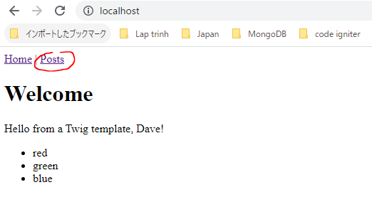

 | Sau khi click thì redirect sang trang http://localhost/posts/index

