What is the Size of a Variable
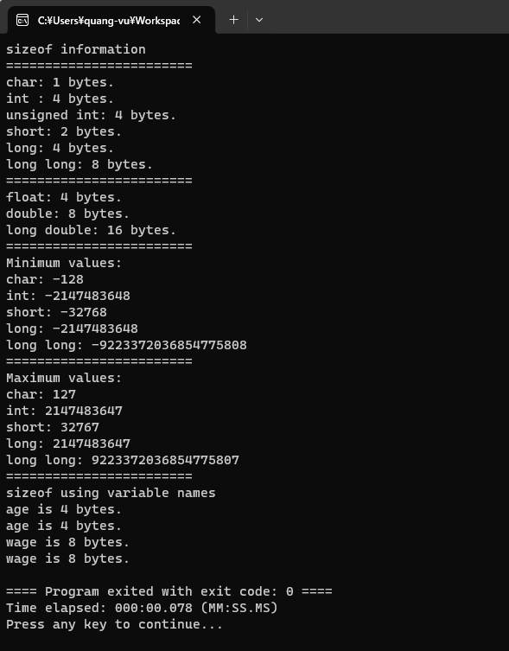
c-plus-plus
 | 1.Installation-and-Setup
 | 2.Getting-Started
 | 3.Variables-and-Constants
 |  | 1.Global-Variables
 |  | 2.What-is-the-Size-of-a-Variable
 |  |  | SizeofOperator
 |  |  |  | main.cpp

Sizeof can also be used to determine the sizeof compound types like arrays, structures and objects. In order to determine the sizeof a specific type, We can also determine the
sizeof variables using their names.

// Section 6
// The sizeof operator

#include <iostream>
#include <climits> // make sure you include climits for integer types
// Similar information for floating point numbers
// is contained in <cfloat>

using namespace std;

int main() {

cout << "sizeof information" << endl;
cout << "========================" << endl;

cout << "char: " << sizeof(char) << " bytes." << endl; |  |  |  |  | → | 1 bytes
cout << "int : " << sizeof(int) << " bytes." << endl; |  |  |  |  | → | 4 bytes
cout << "unsigned int: " << sizeof(unsigned int) << " bytes." << endl; |  |  |  |  | → | 4 bytes
cout << "short: " << sizeof(short) << " bytes." << endl; |  |  |  |  | → | 2 bytes
cout << "long: " << sizeof(long) << " bytes." << endl; |  |  |  |  | → | 4 bytes
cout << "long long: " << sizeof(long long) << " bytes." << endl; |  |  |  |  | → | 8 bytes

cout << "========================" << endl;

cout << "float: " << sizeof(float) << " bytes." << endl; |  |  |  |  | → | 4 bytes
cout << "double: " << sizeof(double) << " bytes." << endl; |  |  |  |  | → | 8 bytes
cout << "long double: " << sizeof(long double) << " bytes." << endl; |  |  |  |  | → | 16 bytes
//
//
// use values defined in <climits>
cout << "========================" << endl;

cout << "Minimum values:" << endl;
cout << "char: " << CHAR_MIN << endl; |  |  |  |  | → | -128 | → the min value we can store in char type
cout << "int: " << INT_MIN << endl; |  |  |  |  | → | -2147483648
cout << "short: " << SHRT_MIN << endl; |  |  |  |  | → | -32768
cout << "long: " << LONG_MIN << endl; |  |  |  |  | → | -2147483648
cout << "long long: " << LLONG_MIN << endl; |  |  |  |  | → | -9223372036854770000
//
cout << "========================" << endl;

cout << "Maximum values:" << endl;
cout << "char: " << CHAR_MAX << endl; |  |  |  |  | → | 127
cout << "int: " << INT_MAX << endl; |  |  |  |  | → | 2147483647
cout << "short: " << SHRT_MAX << endl; |  |  |  |  | → | 32767
cout << "long: " << LONG_MAX << endl; |  |  |  |  | → | 2147483647
cout << "long long: " << LLONG_MAX << endl; |  |  |  |  | → | 9223372036854775807
//
// sizeof can also be used with variable names
cout << "========================" << endl;

cout << "sizeof using variable names" << endl;
int age {21};
cout << "age is " << sizeof(age) << " bytes." << endl; |  |  |  |  | → | 4 bytes | →using sizeof with variable name
// or
cout << "age is " << sizeof age << " bytes." << endl; |  |  |  |  | → | 4 bytes

double wage { 22.24};
cout << "wage is " << sizeof(wage) << " bytes." << endl; |  |  |  |  | → | 8 bytes
// or
cout << "wage is " << sizeof wage << " bytes." << endl; |  |  |  |  | → | 8 bytes

return 0;
}

