CodeLite Interface
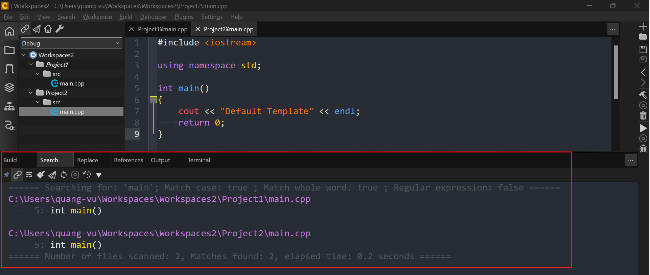
c-plus-plus
 | 1.Installation-and-Setup
 |  | 1.Configuring-CodeLite-on-Windows
 |  | 2.Creating-a-Default-CodeLite-Project-Template
 |  |  | Workspaces2
 |  |  |  | Project1
 |  |  |  |  | src
 |  |  |  |  |  | main.cpp
 |  |  |  | Project2
 |  |  |  |  | src
 |  |  |  |  |  | main.cpp
 | 2.Getting-Started

This is where the workspace and projects
We can use two of them to open an existing workspace or create a new workspace
We can see recently opened workspaces
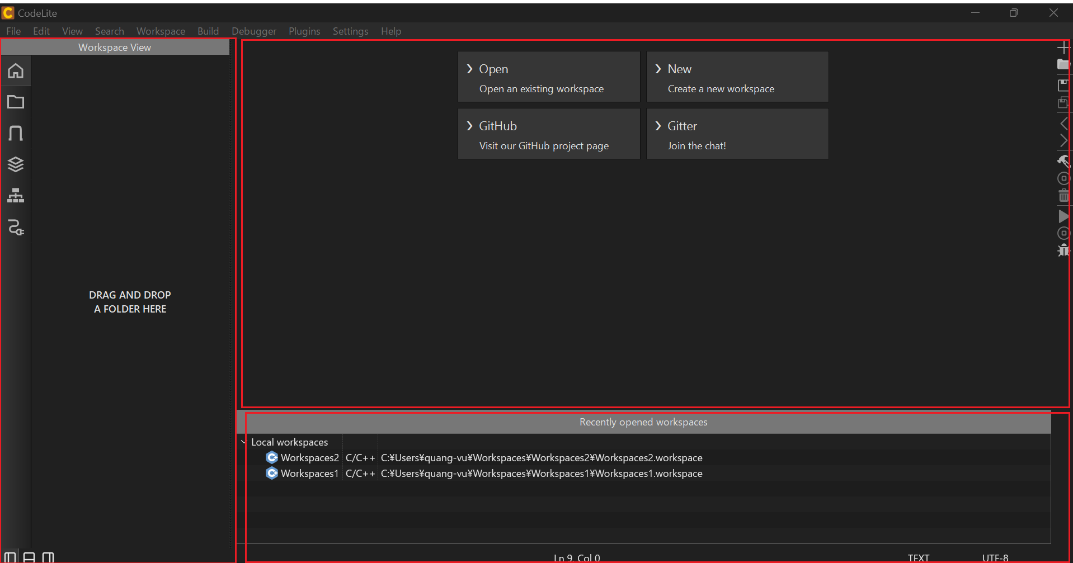

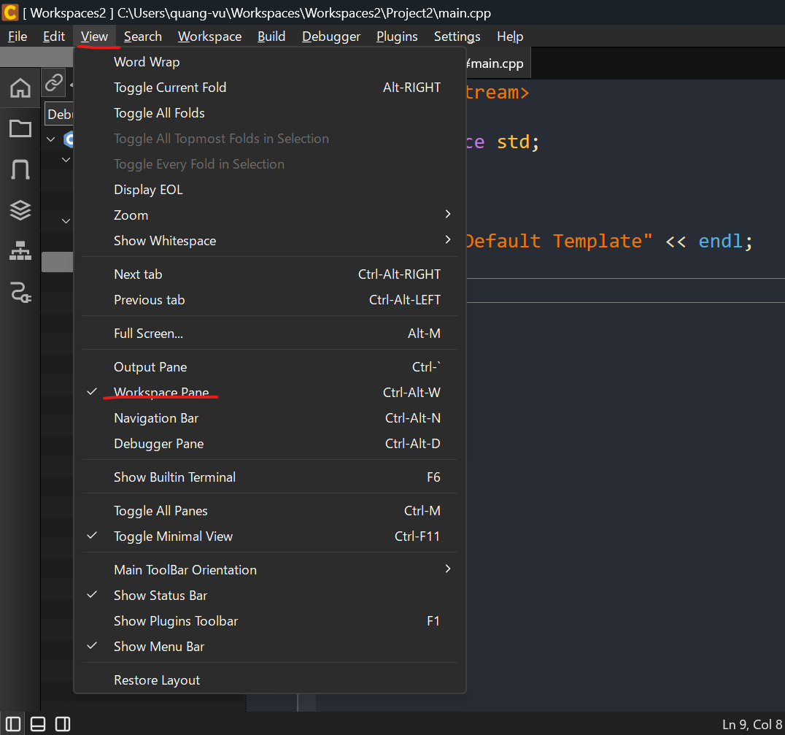

Collapses
Sometimes, we've got a lot of projects in here and they all get expanded and it's really hard to find project which we want. So if we click that,
it just collapses everything. Then, we can expand whatever I like again.
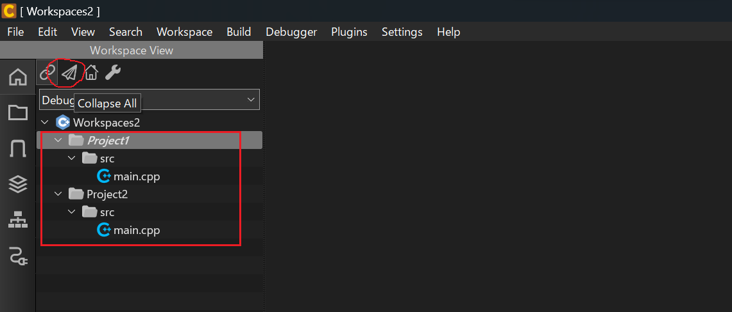

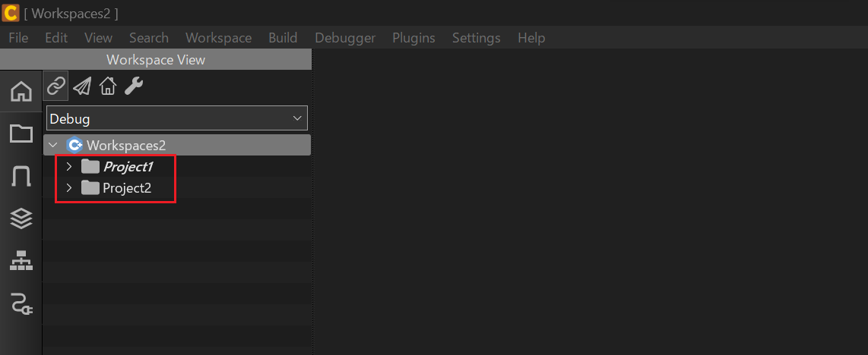

Go to Active Project
If we are somewhere down here, and we want to go to our active project, we can just click that home icon and that takes us to our active
project right away and opens it up
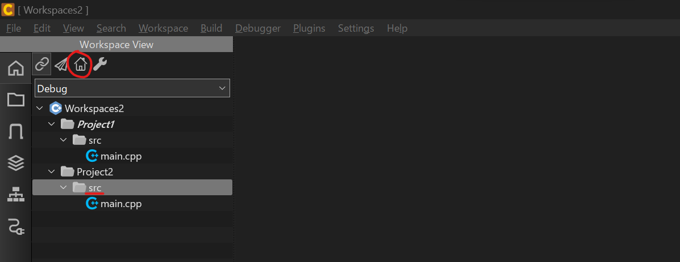

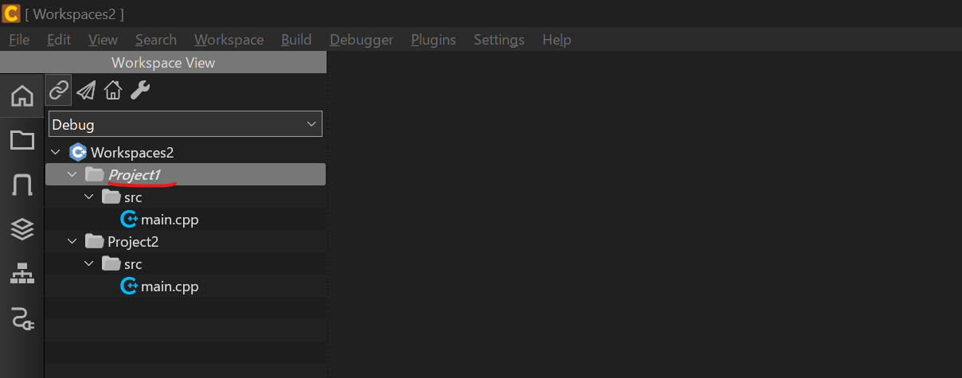

Link Editor
we can tab between those two to change to editor of each project. And we can see this color bar over here in the Workspace view, jumping to the appropriate file in the project.
We can turn that off by clicking that little link right here but should turn on

Show output pane
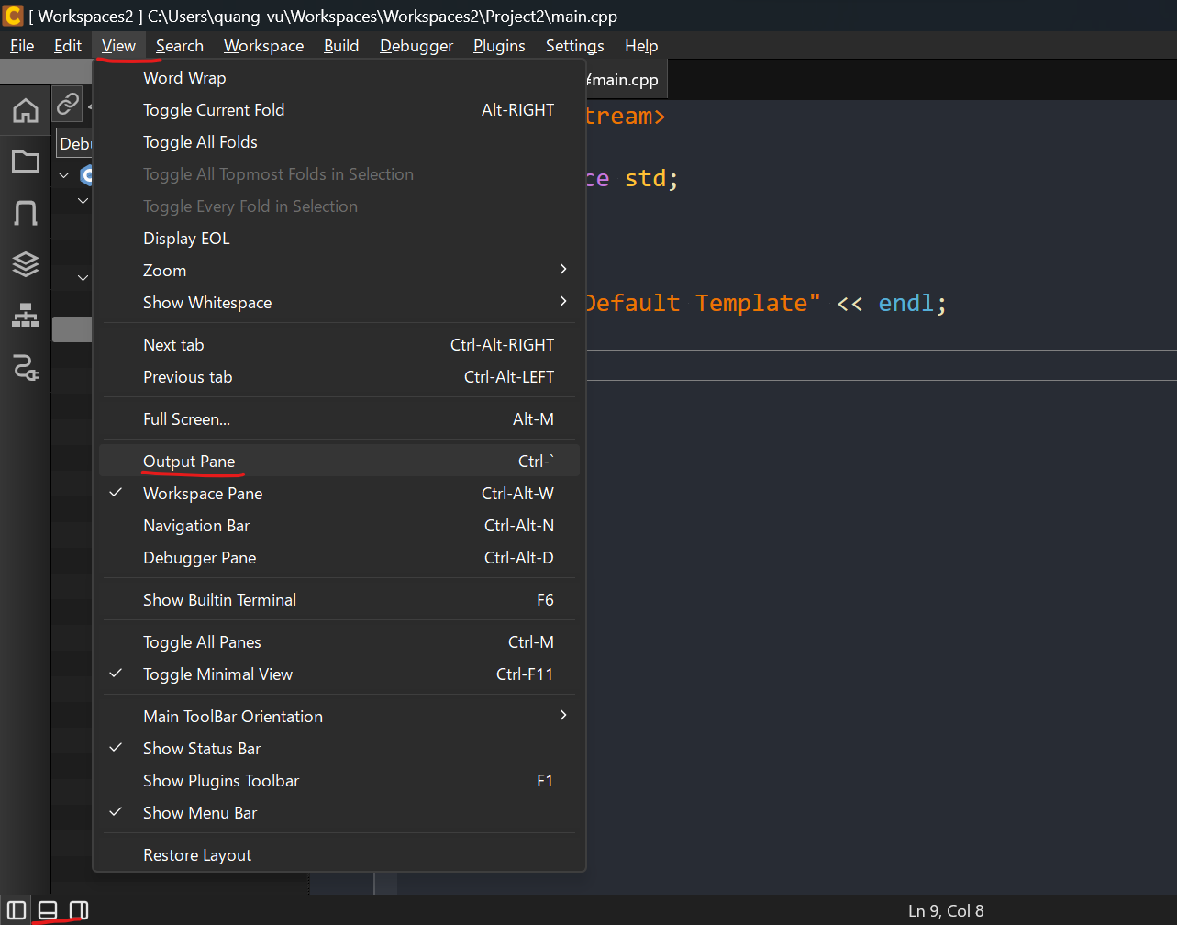

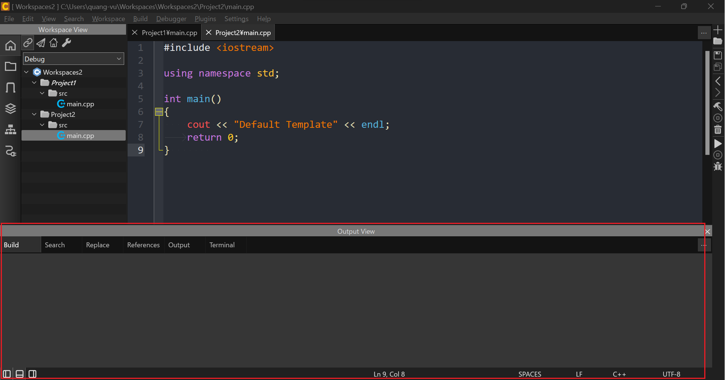

Restore layout
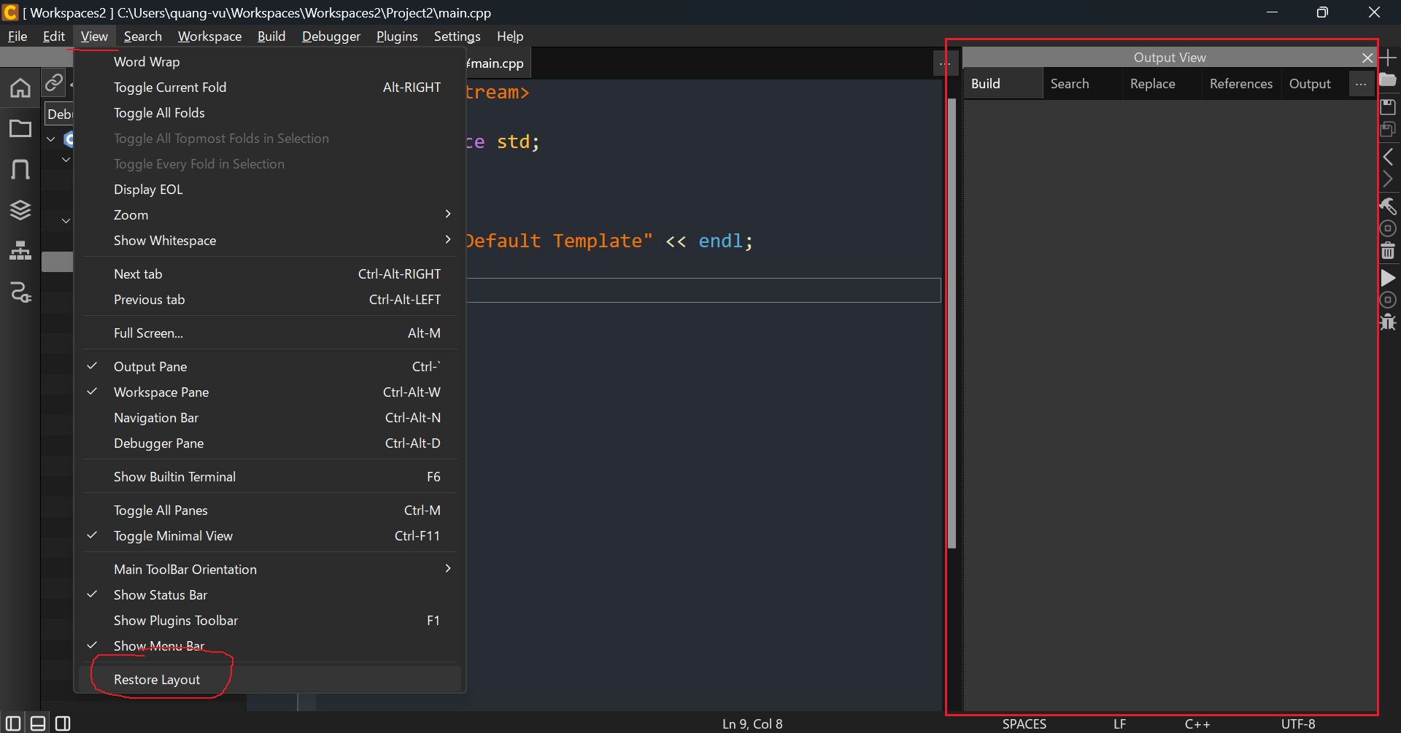

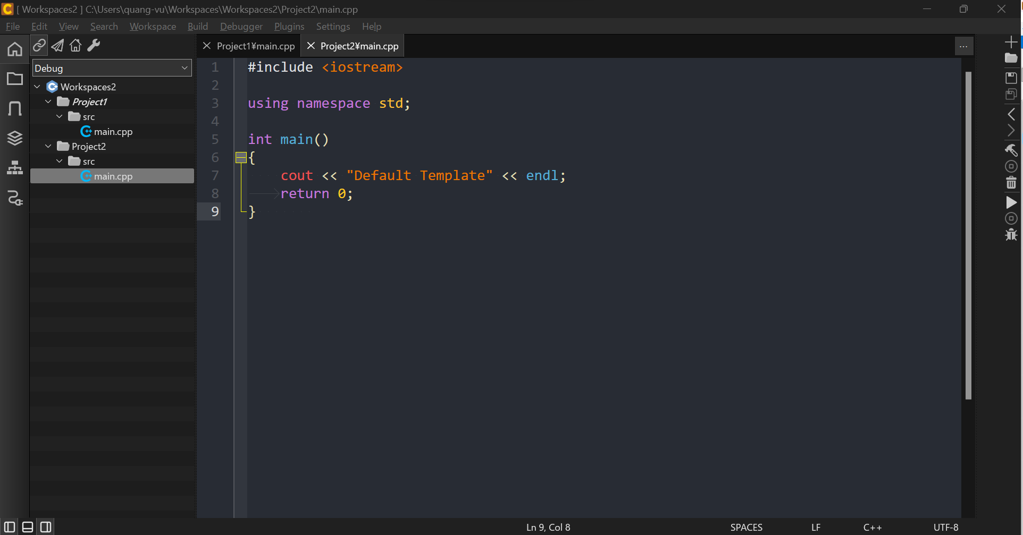

Main ToolBar
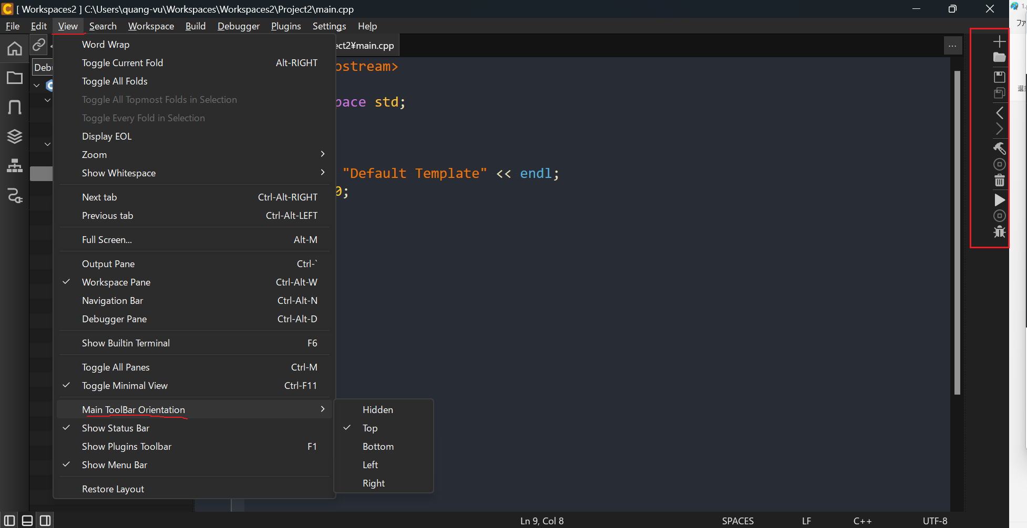

Project
・Build: When we want to build the active project. CodeLite is going to go out there and it's going to see first, has it already been built? If it has been built, then it's going to say, has
anything changed in the source code here, since the last build? If the answer is no, then it's not going to rebuild it, It doesn't need to rebuild it, since the build is current. If we have made
any changes or it's the first time we build, it's going to certainly build it.
・Clean: removes any intermediate files, the executables, it just basically clears out everything. Not our source code, just the build products, cleans out everything. So the next time we build,
we have a clean build, in other words, there's nothing prebuilt.
・Rebuild: Rebuild does both of those essentially. First it cleans and then it builds.
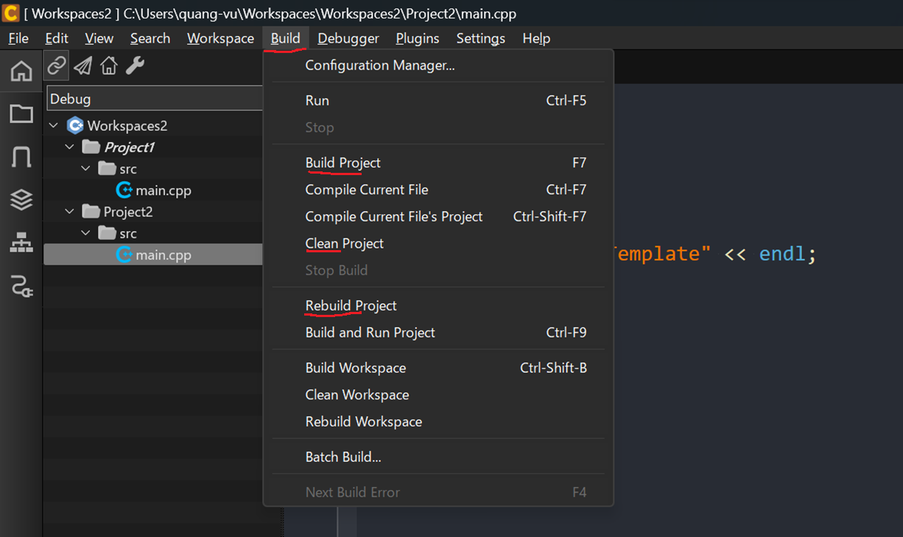

Workspace
We can also build, clean and rebuild workspace
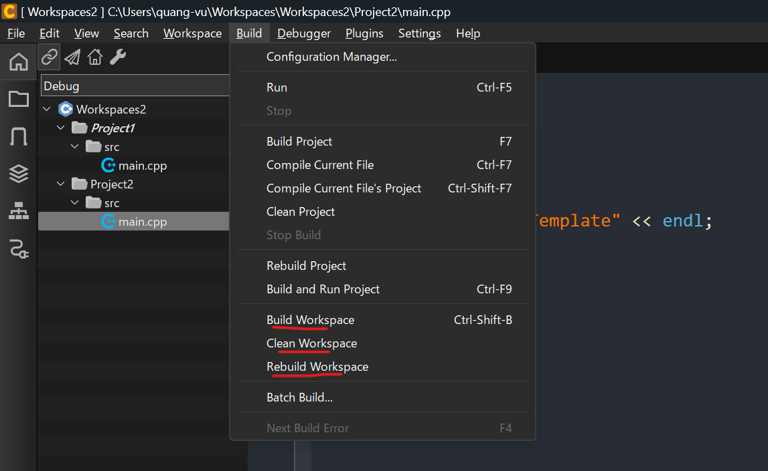

Search
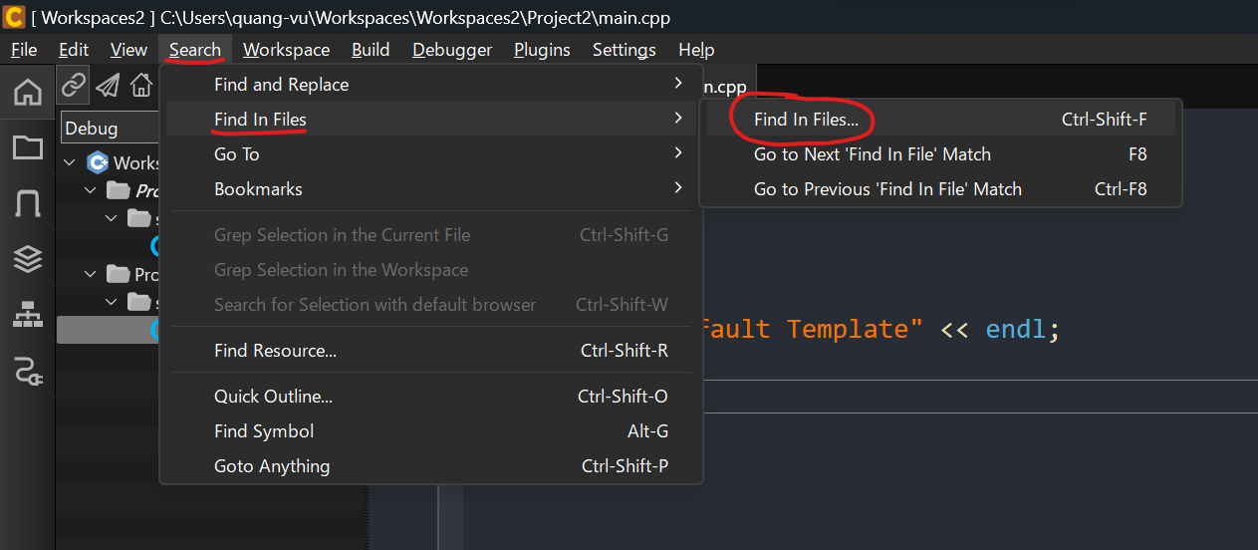

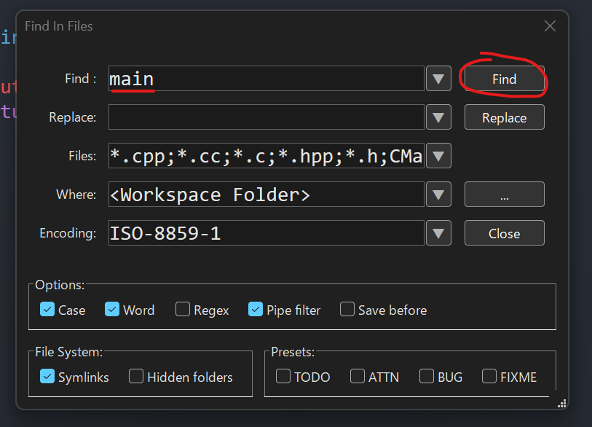

Result

Writing our first program
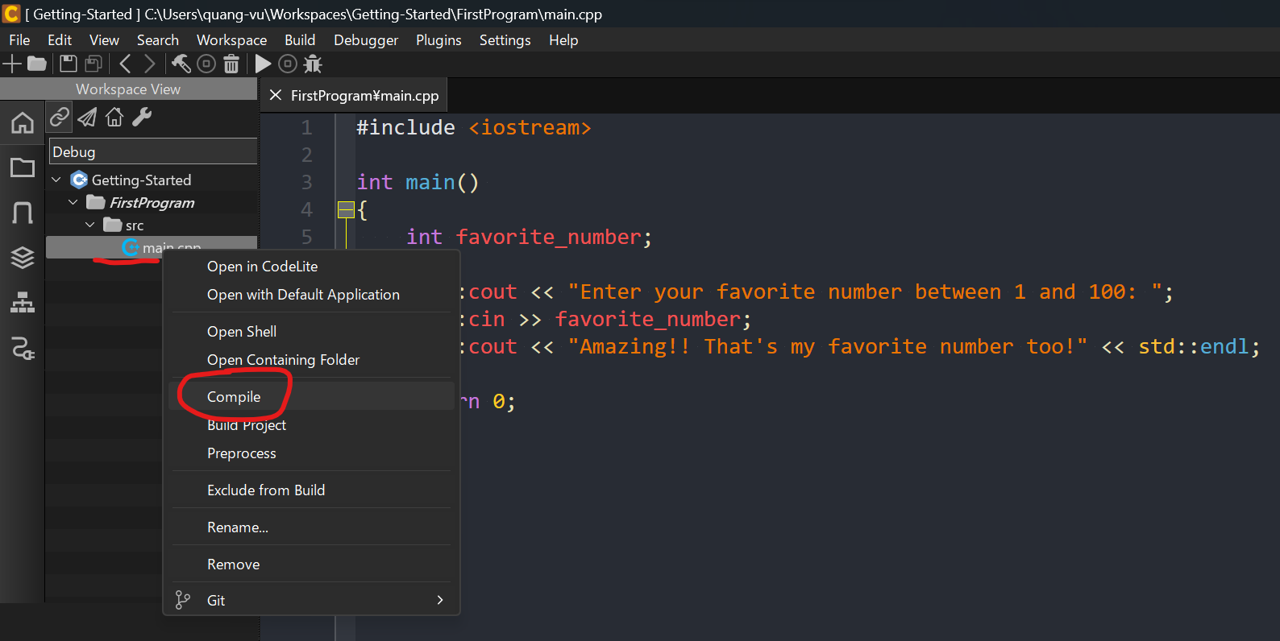
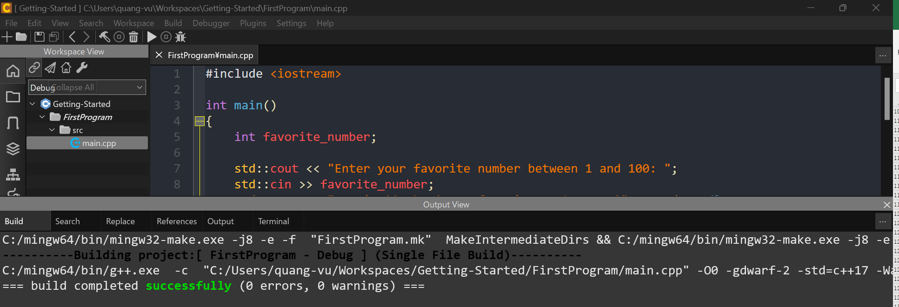
c-plus-plus
 | 1.Installation-and-Setup
 |  | 1.Configuring-CodeLite-on-Windows
 |  | 2.Creating-a-Default-CodeLite-Project-Template
 | 2.Getting-Started
 |  | 1.Writing-our-first-program
 |  |  | Getting-Started
 |  |  |  | FirstProgram
 |  |  |  |  | src
 |  |  |  |  |  | main.cpp

Create nnew workspace
Getting-Started
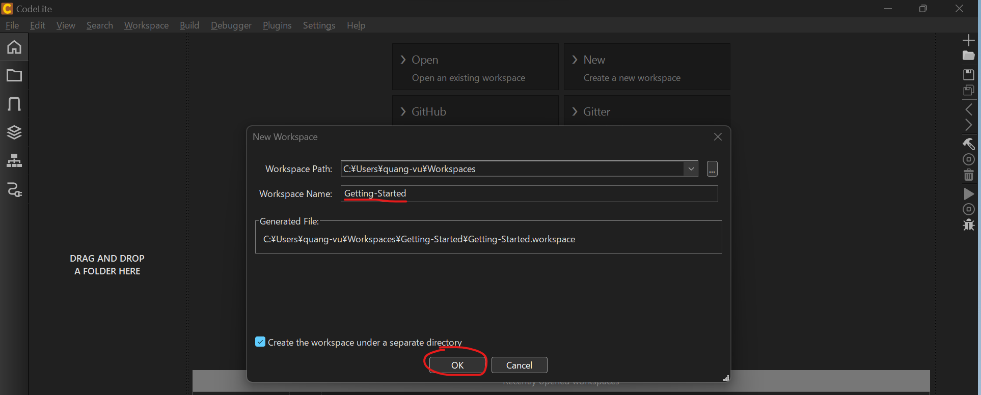

Create project
FirstProgram
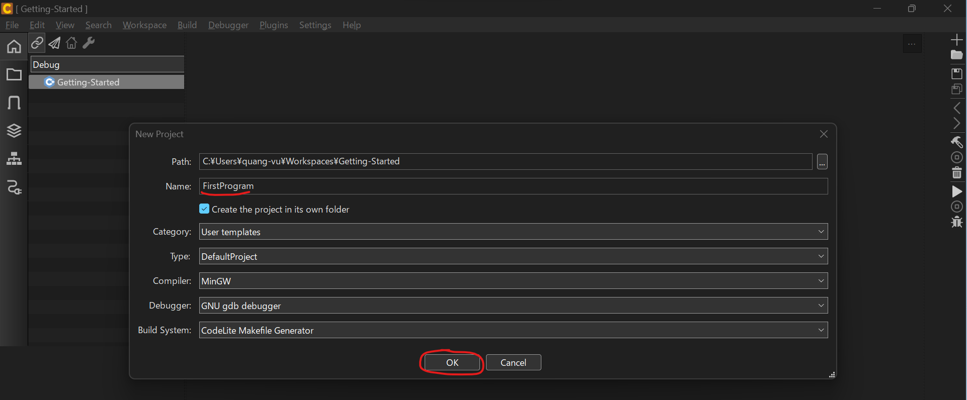

Working Directory
$(ProjectPath)
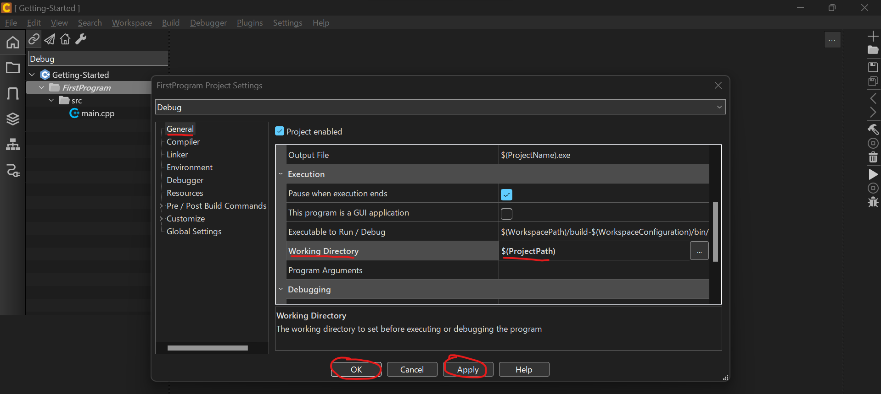

c-plus-plus\2.Getting-Started\1.Writing-our-first-program\Getting-Started\FirstProgram\main.cpp
#include <iostream>

int main()
{
int favorite_number;

std::cout << "Enter your favorite number between 1 and 100: ";
std::cin >> favorite_number;
std::cout << "Amazing!! That's my favorite number too!" << std::endl;

return 0;
}

Compile

Building our first program
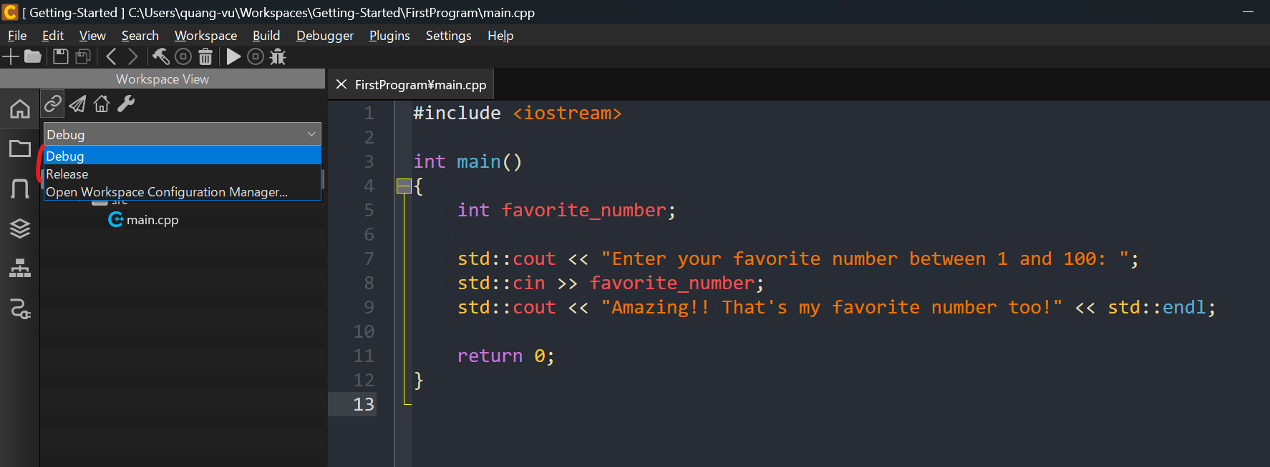
c-plus-plus
 | 1.Installation-and-Setup
 |  | 1.Configuring-CodeLite-on-Windows
 |  | 2.Creating-a-Default-CodeLite-Project-Template
 | 2.Getting-Started
 |  | 1.Writing-our-first-program
 |  |  | Getting-Started
 |  |  |  | FirstProgram
 |  |  |  |  | src
 |  |  |  |  |  | main.cpp

There's a couple of ways to compile
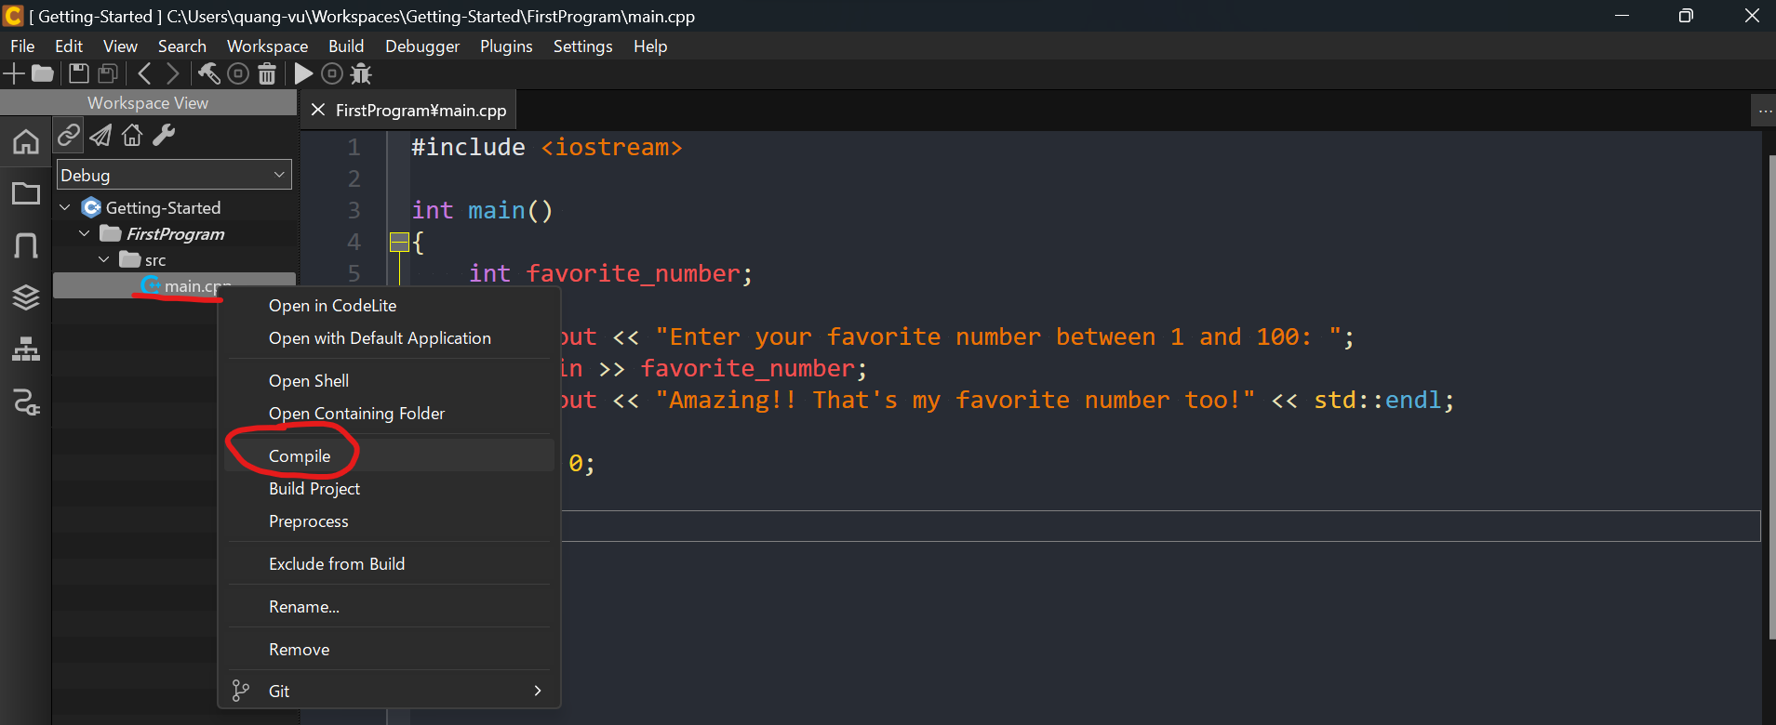

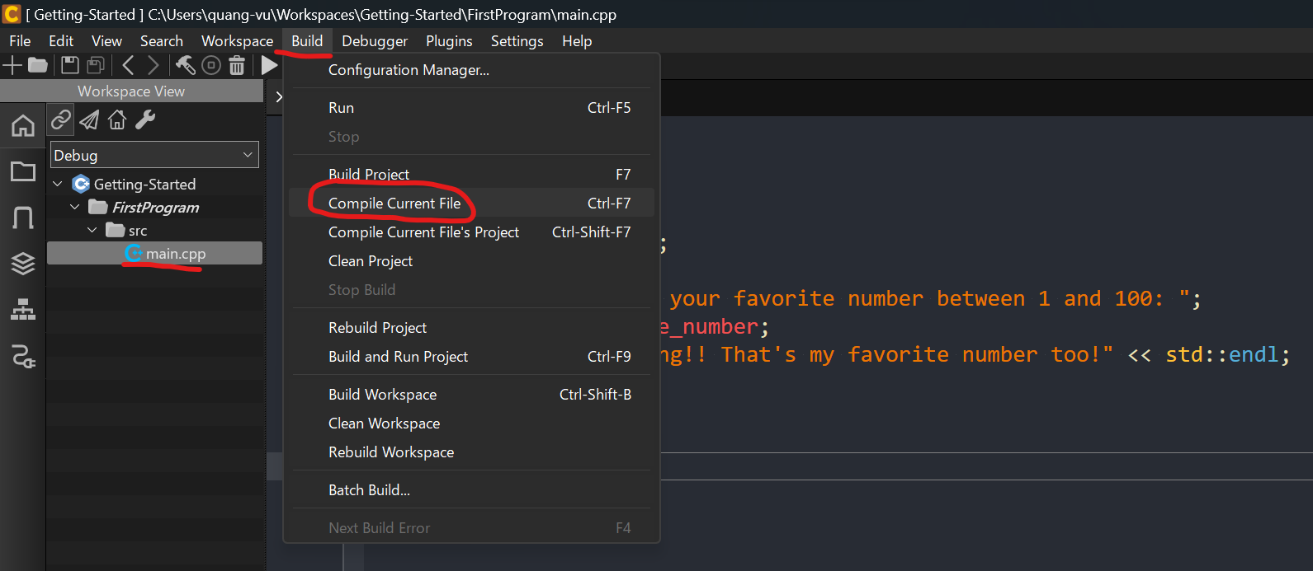

Clean project
When we compile a c++ program, we are converting the cpp source code to an object format, right. A machine language or a binary format. That's going to create a .o file or a .obj file That's
the purpose of compiling. Now as our programs are compiled, they will have many of these .object files. The clean process removes all those object files and puts our project in a clean state.
In other words source code only. No object files.
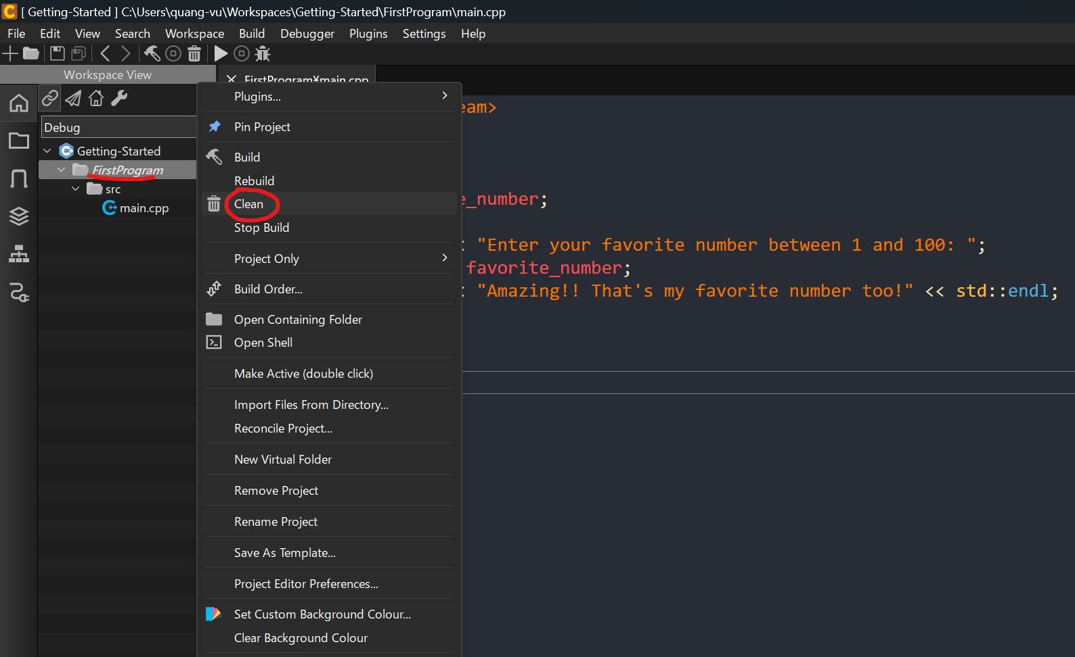

Build
It's going to go through our project looking at all the c++ files and only build what it needs to build
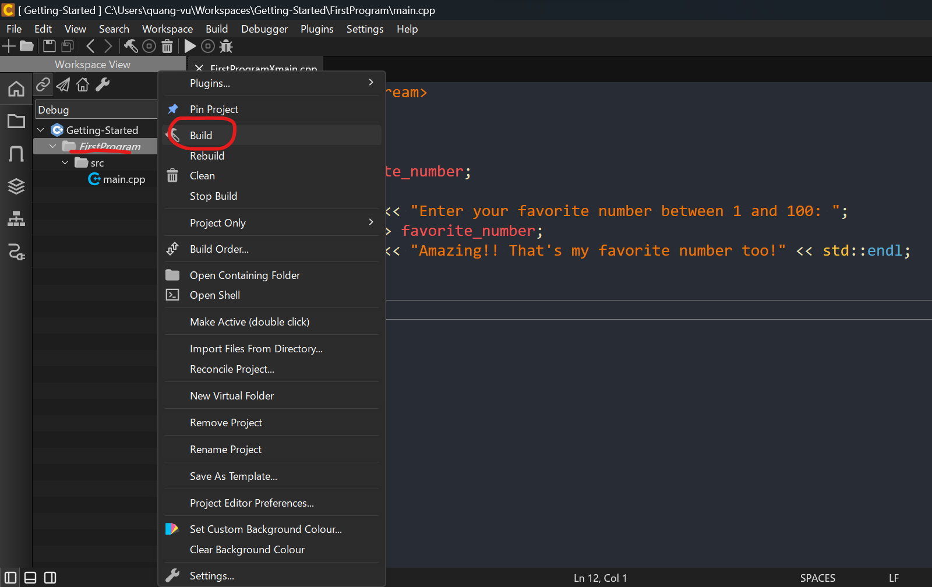

Rebuild
Rebuild is the combination of a clean and a build. So when we say hey rebuild the project, it's going to do a clean, it's going to clean everything out and then it's
going to build it again.
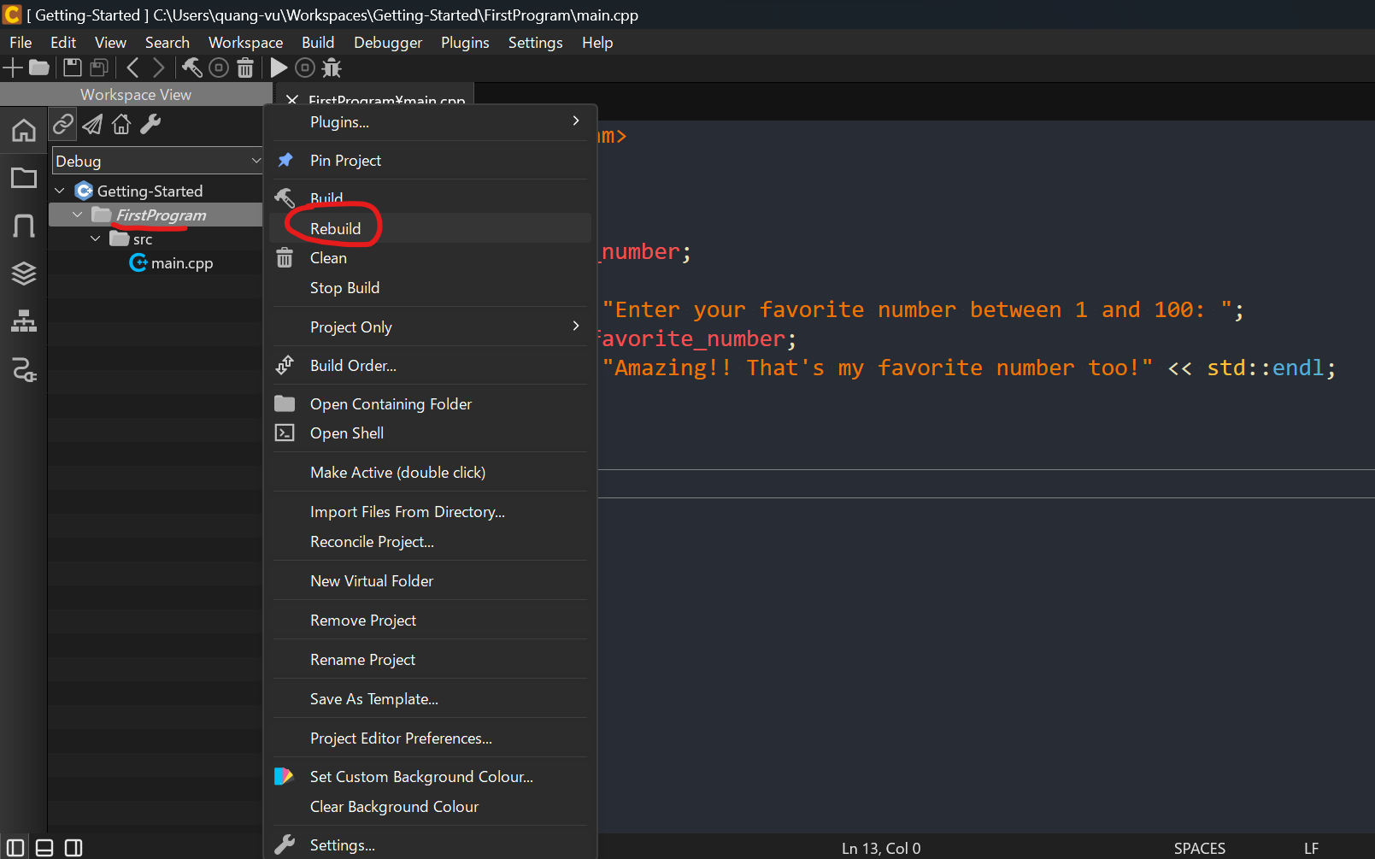

Run
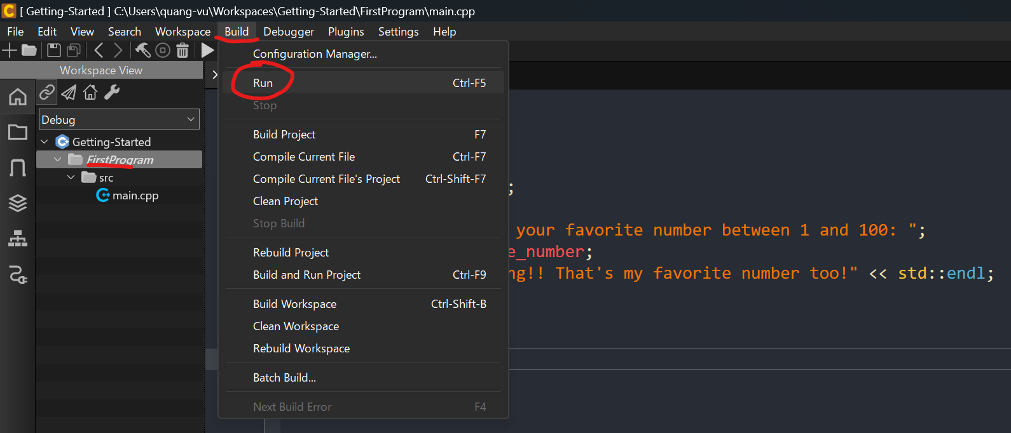

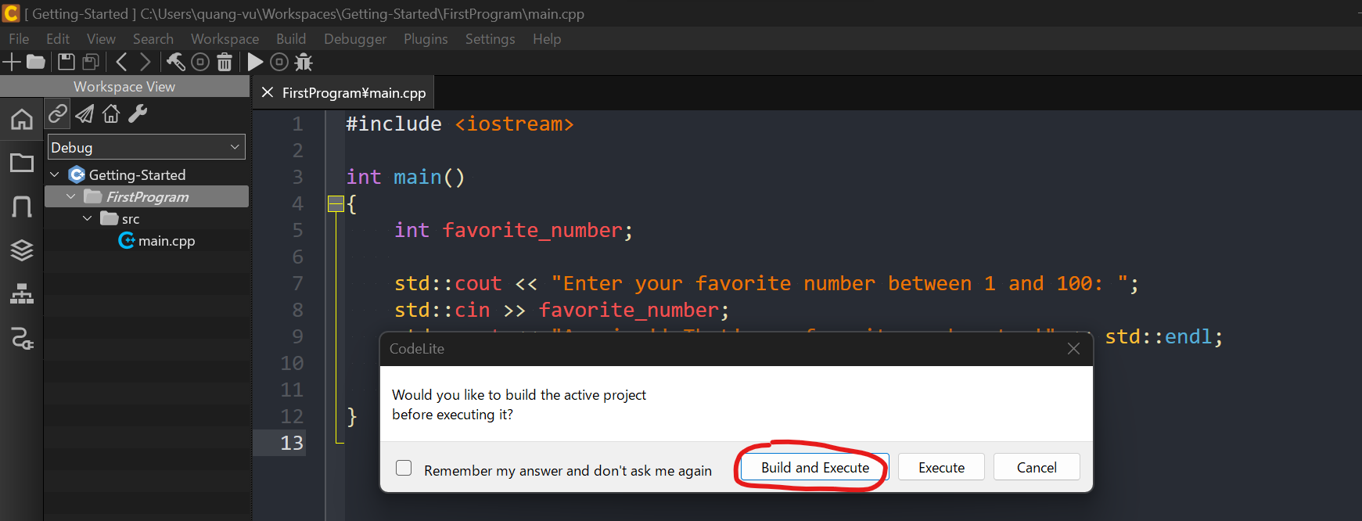

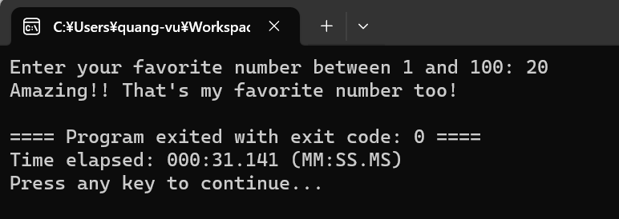

Explorer
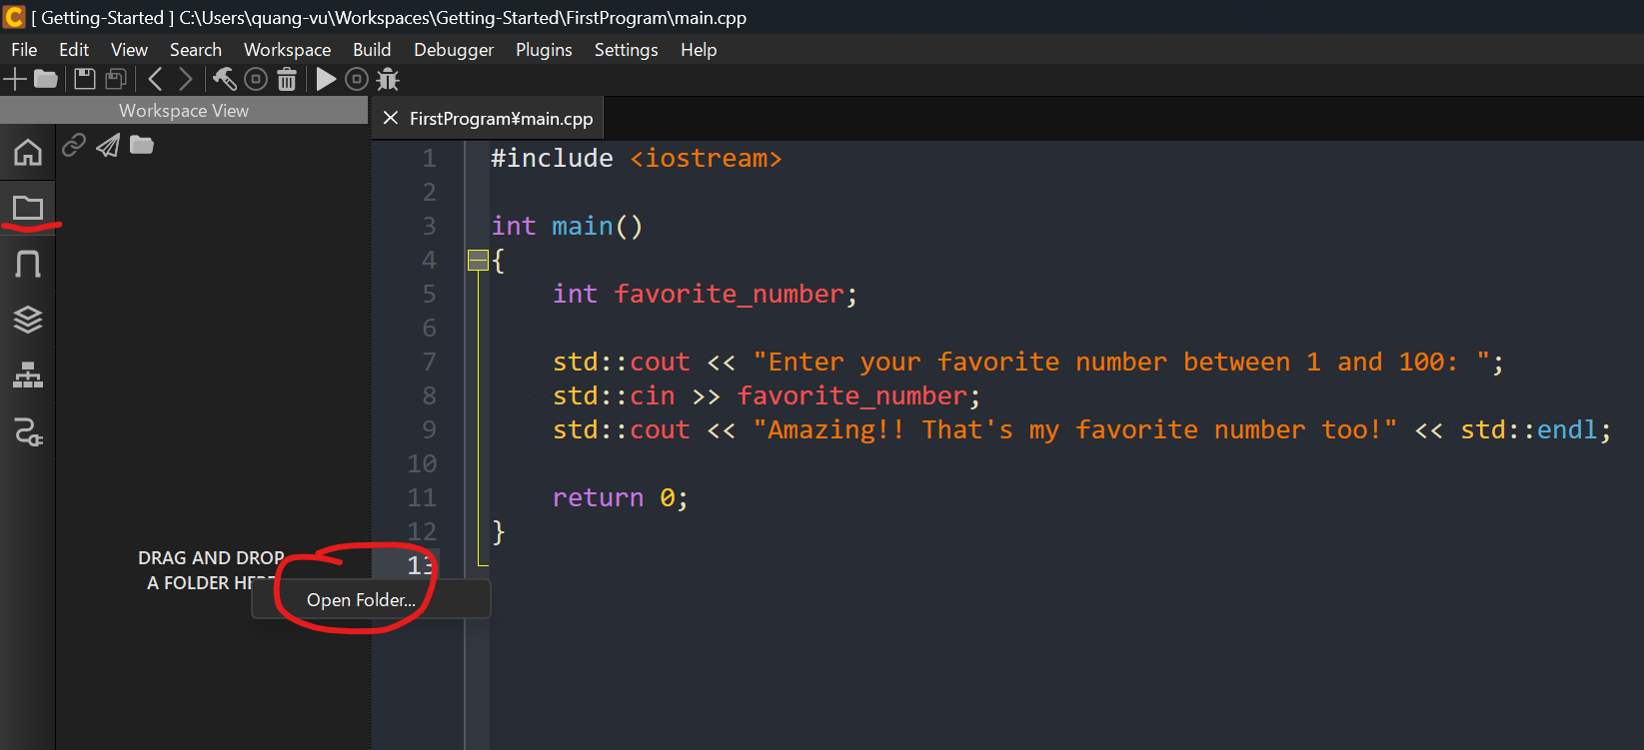

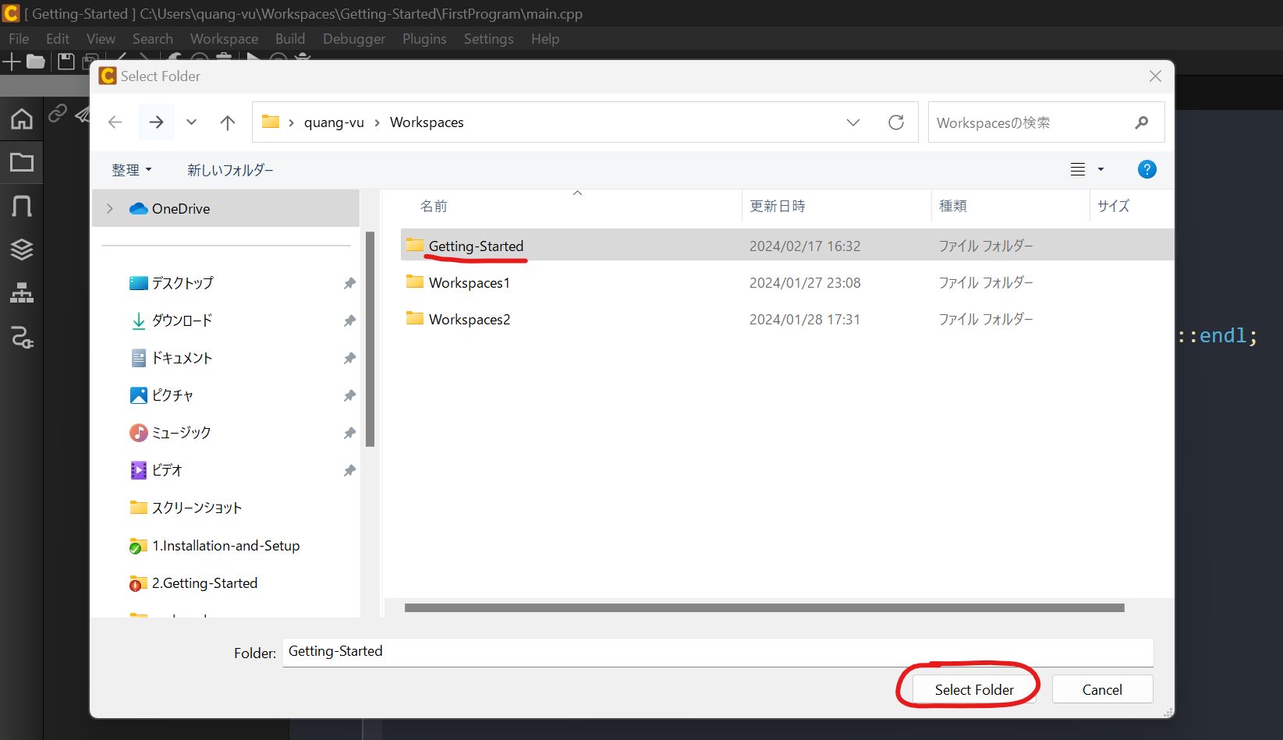

We can see object file(.o), .d file and all of this will be removed when we clean
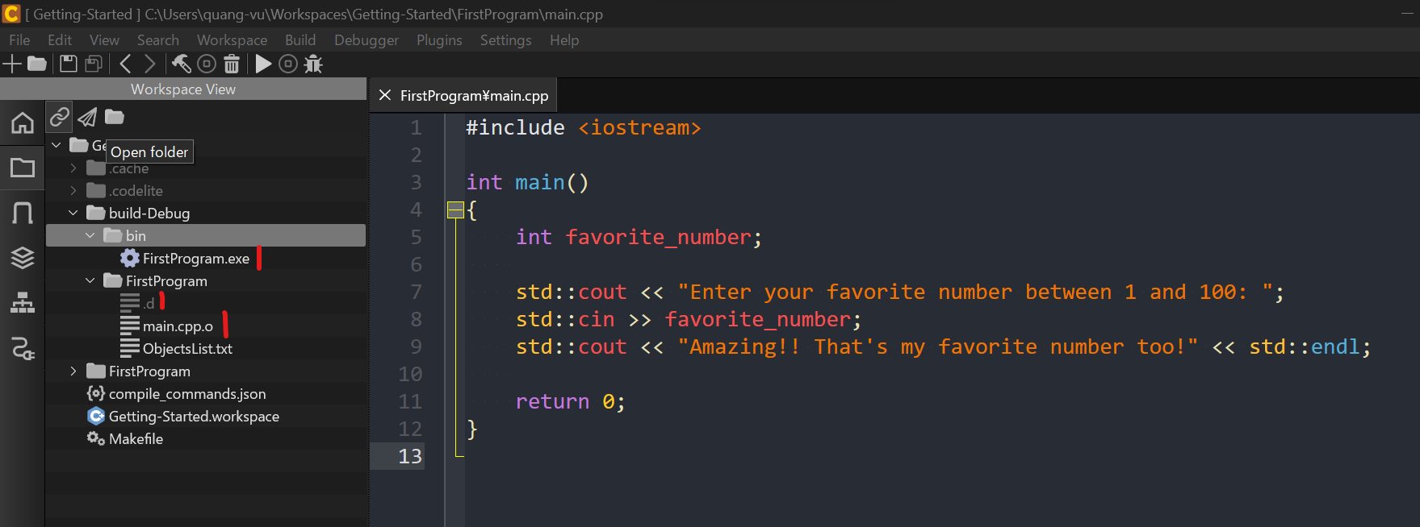

Clean
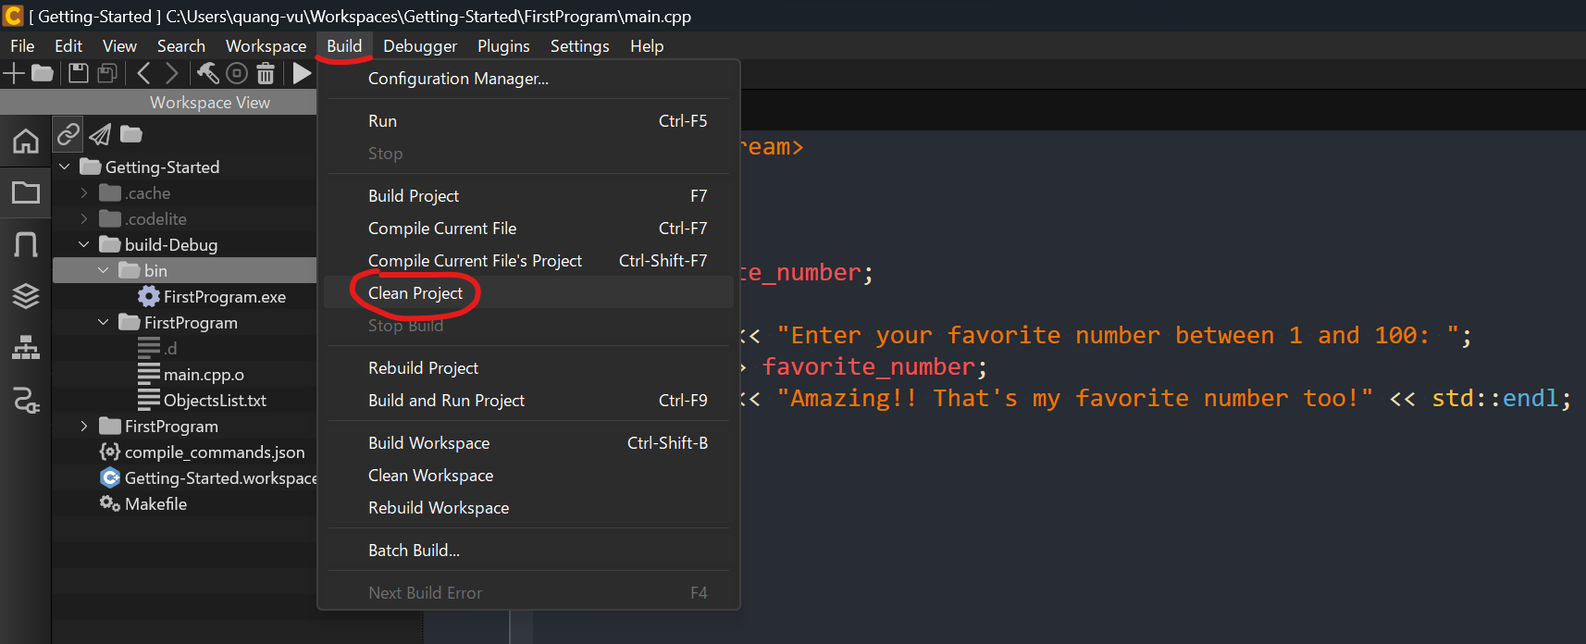

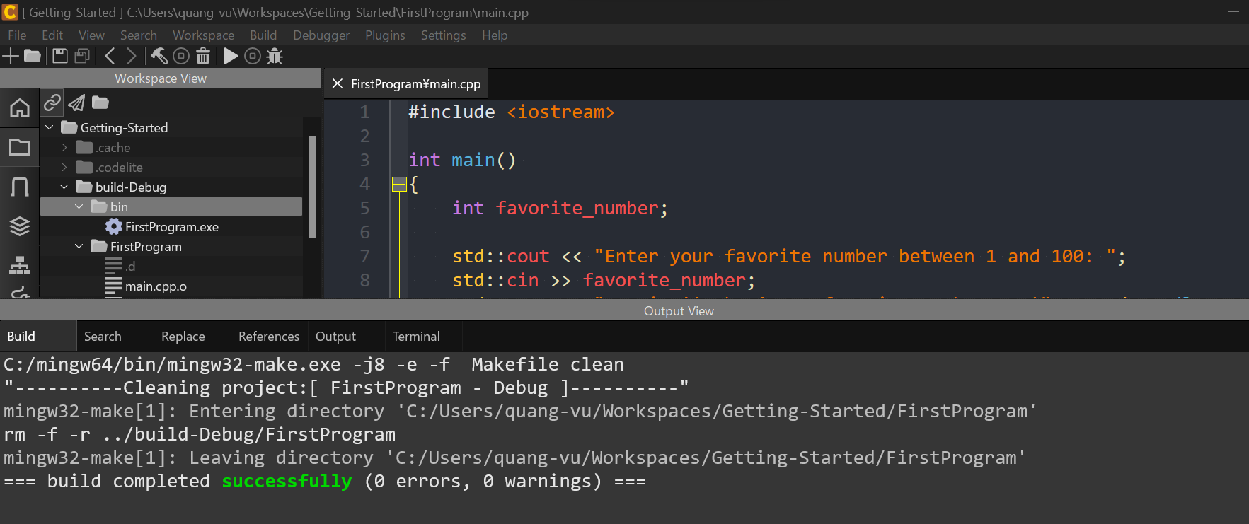

Refresh
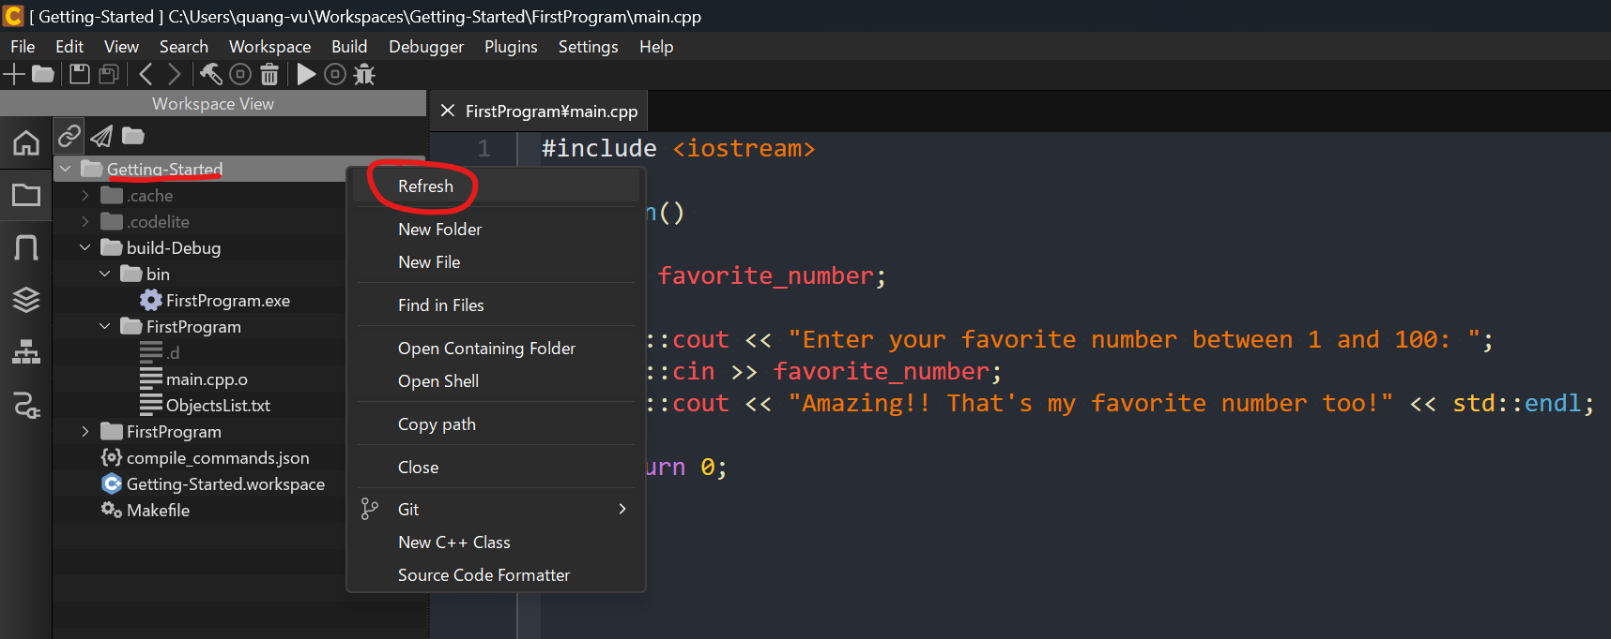

we can check object file and .d file are removed
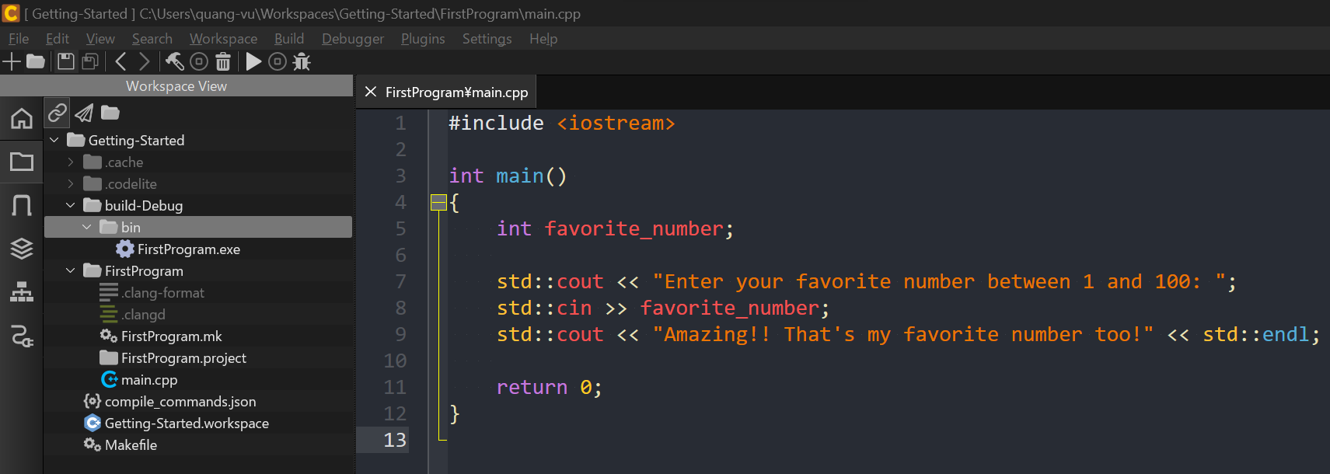

Workspace
We can see in workspace we have debug and release
The difference is the debug configuration creates object files that has debugging information in them. It's got all those variable names and stuff. we can have all that
information available to us and it makes us very, very productive.
The release configuration removes all of that stuff. And it does more optimizations.

