Sơ đồ
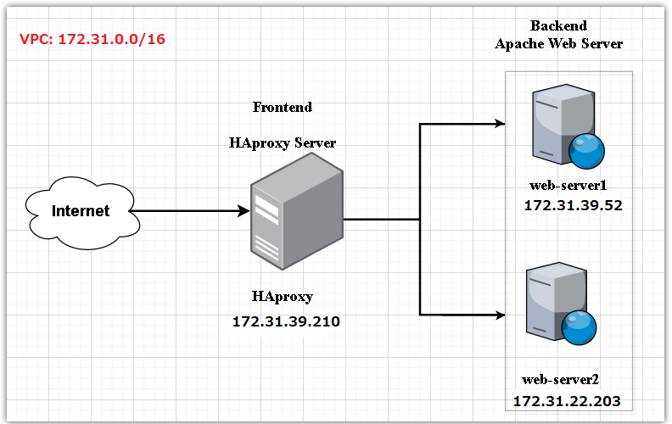
Mô Hình bài toán
Web Server 1

Client
HAProxy Server
Web Server 2

Web Server 2

server1
Mô phỏng

yahoo.com
backend bke_80_test1

server1
 |  |  | testhaproxy1.com
wikipedia.org
frontend http-in
server2
 | 80, 443 |  |  | testhaproxy2.com
frontend https-in
bing.com

server3

google.com
 |  | testhaproxy1.com
 |  | testhaproxy2.com
server1
backend bke_80_test2
wikipedia.org
backend bke_443

Mô hình Lab

Create EC2 web-server1
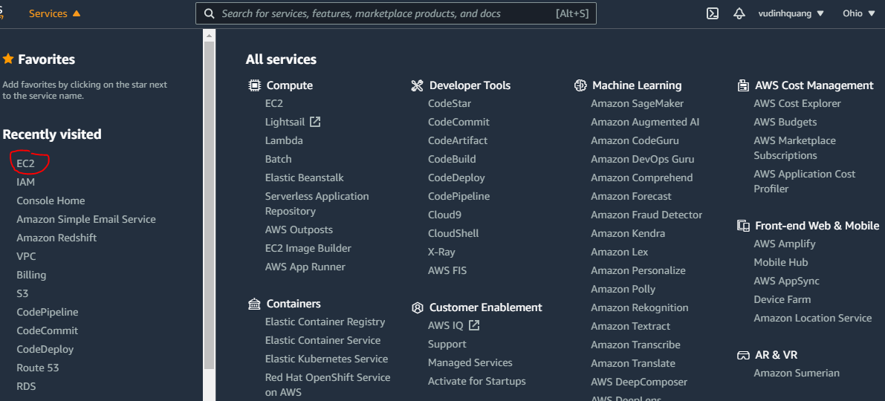

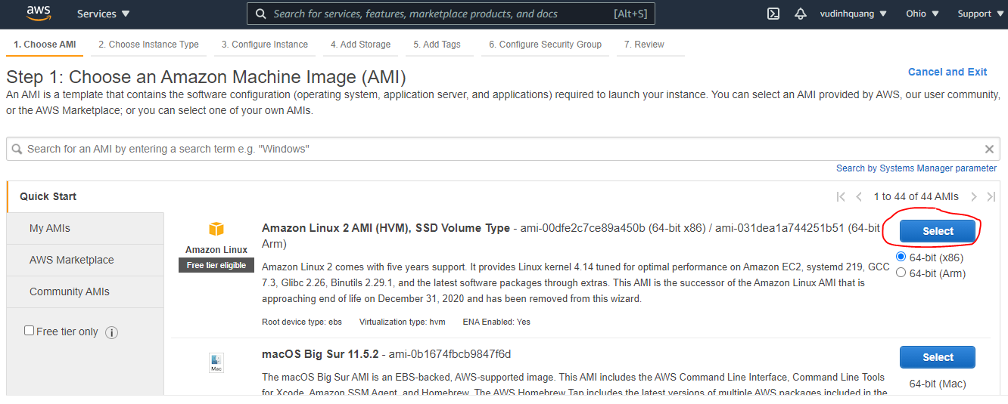

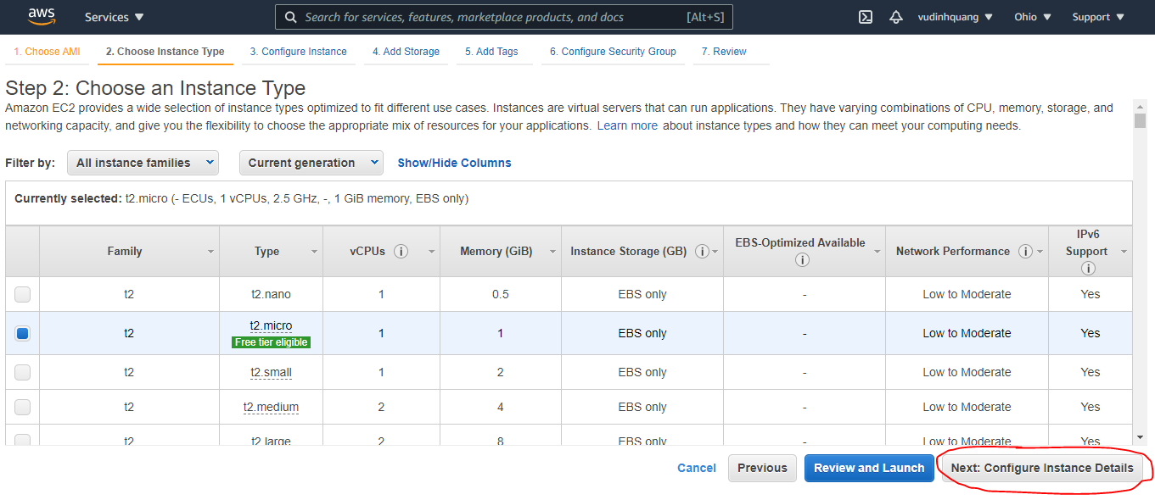

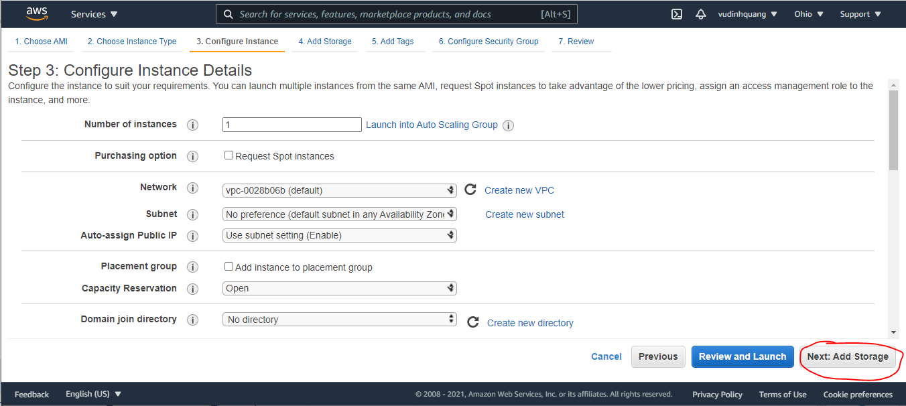

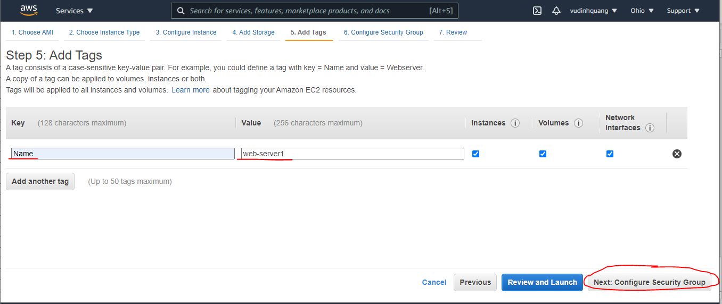

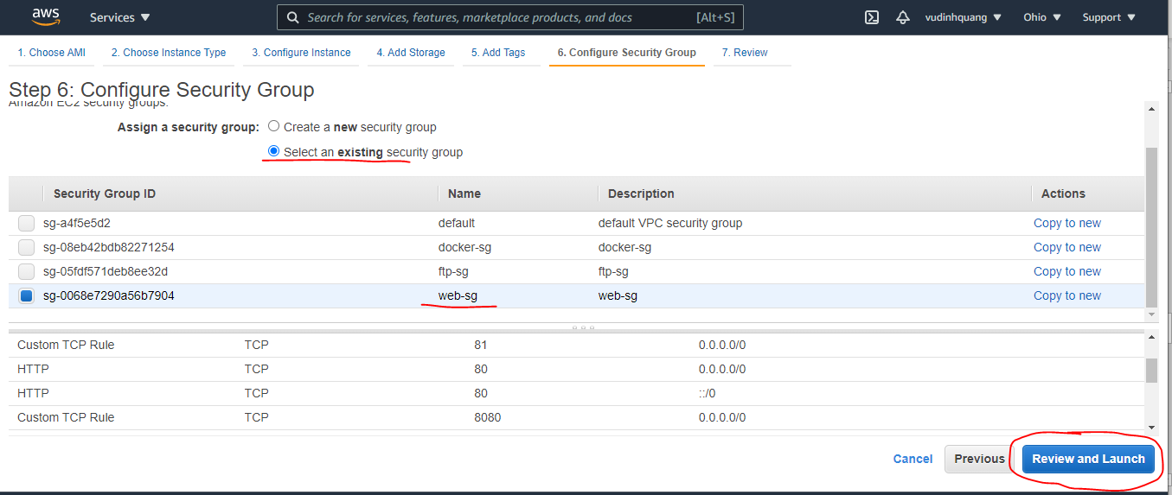

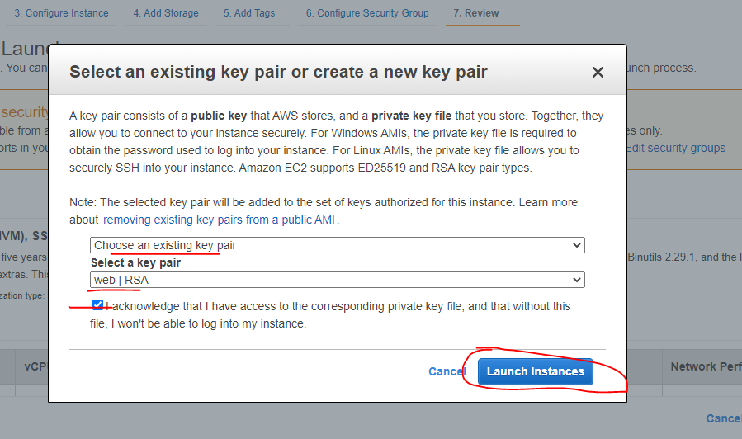

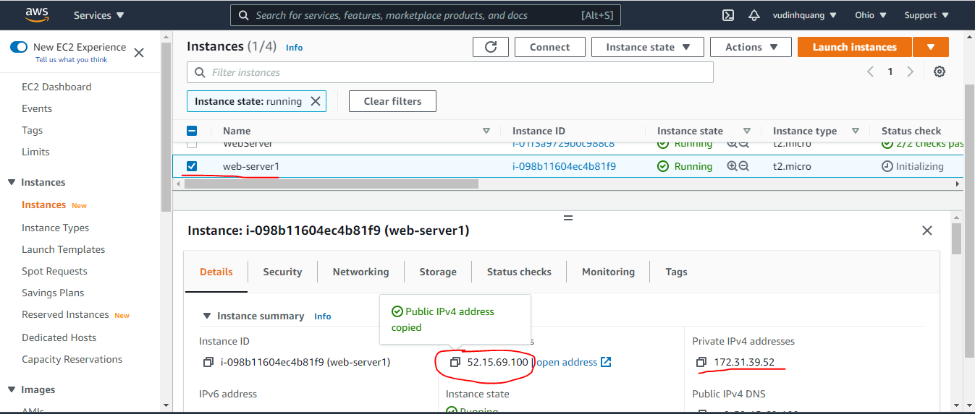

Install apache on web-server1
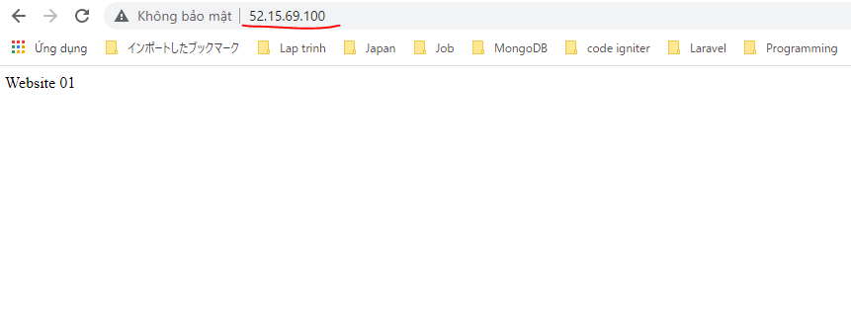
Install Apache
 | yum install httpd -y
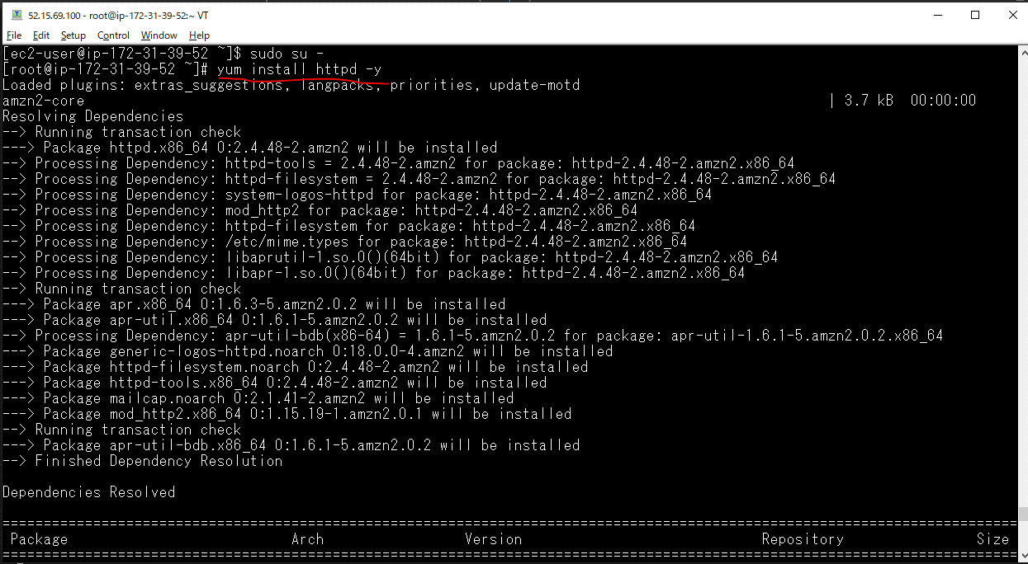

index.html
 | vi /var/www/html/index.html

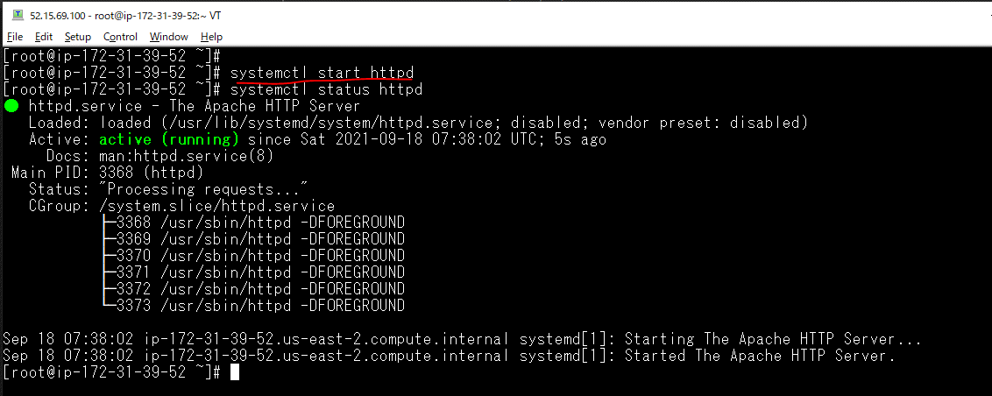

Check browser by web-server1 Public IP

Create EC2 web-server2
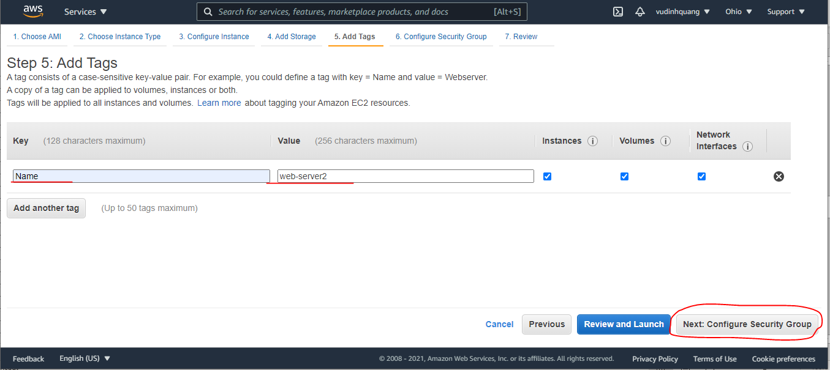

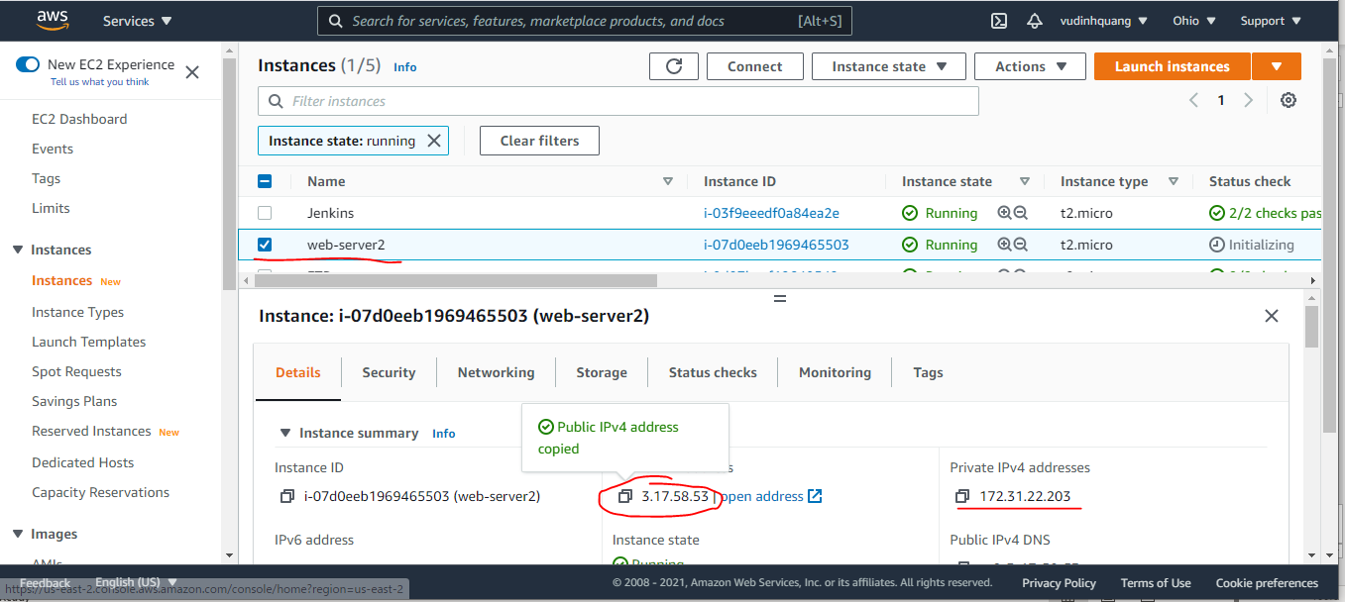

Install apache on web-server2
Install Apache
 | yum install httpd -y
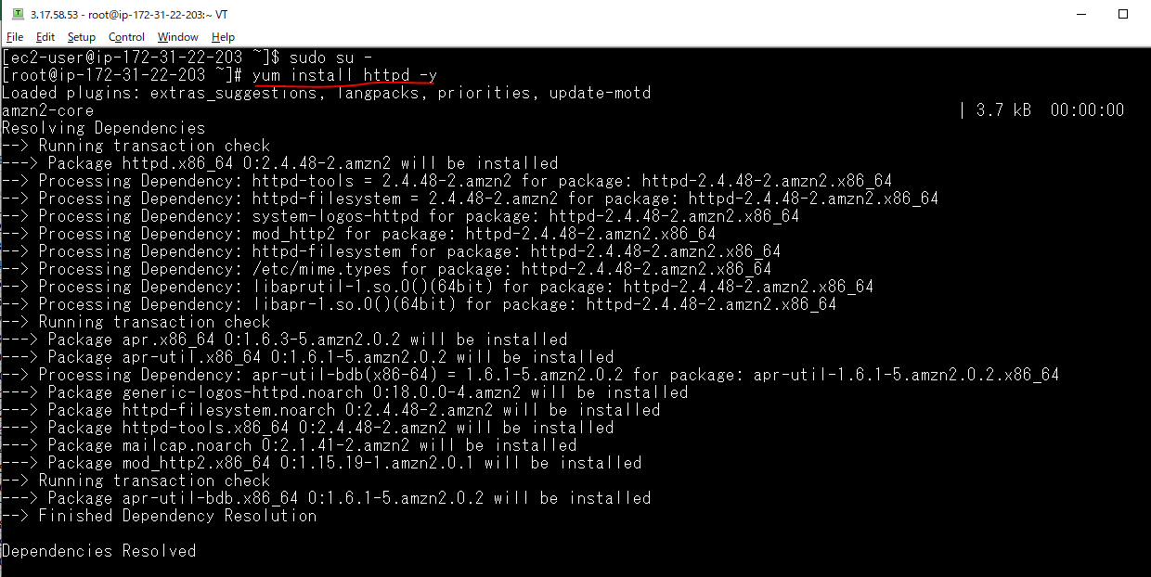

index.html
 | vi /var/www/html/index.html

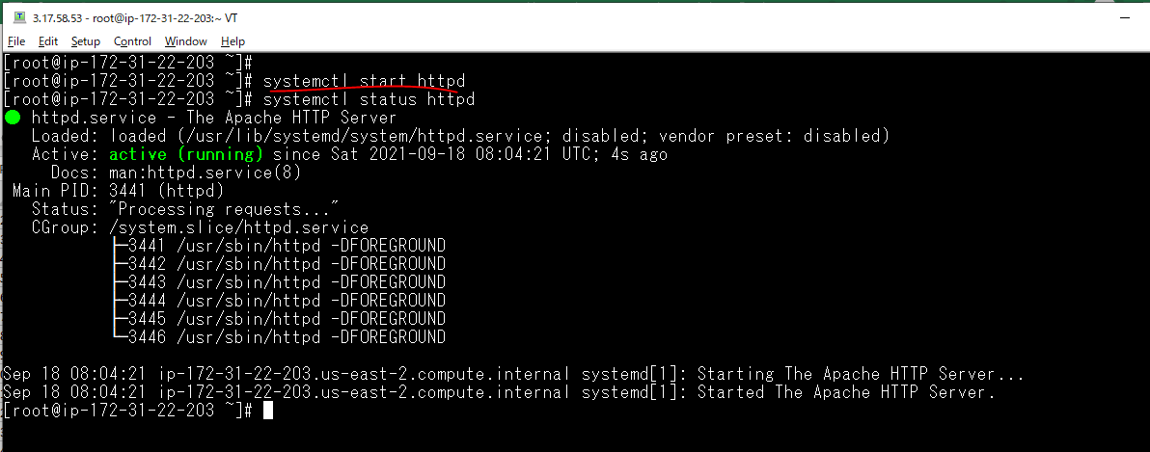

Check browser by web-server1 Public IP

Create EC2 HAproxy Server
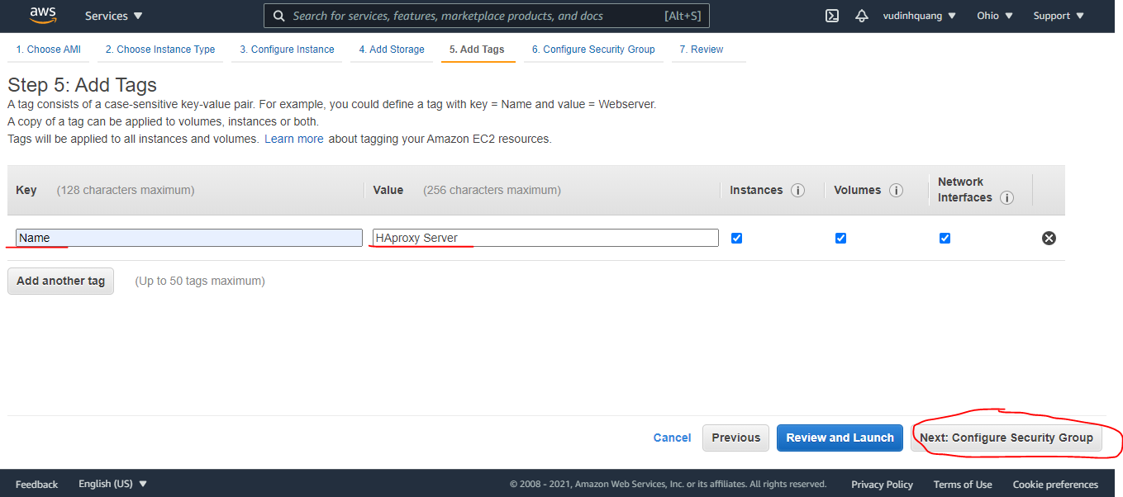

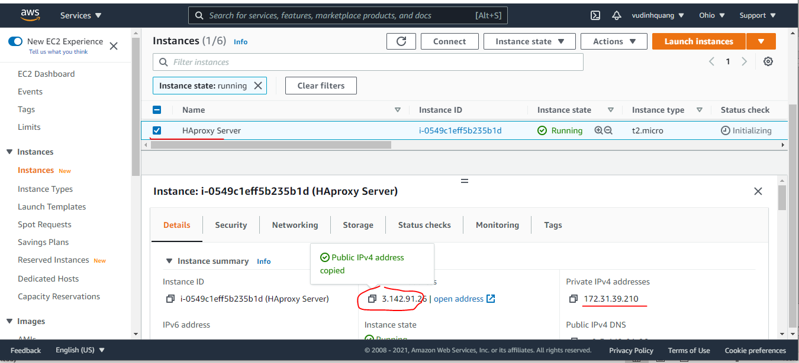

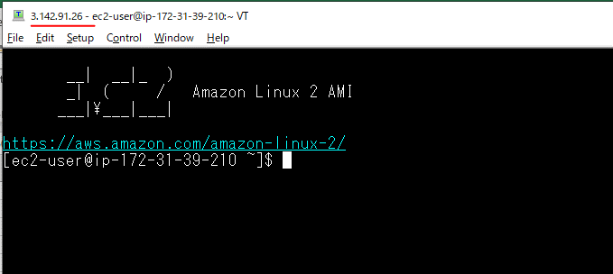

Install HAProxy
yum -y install haproxy
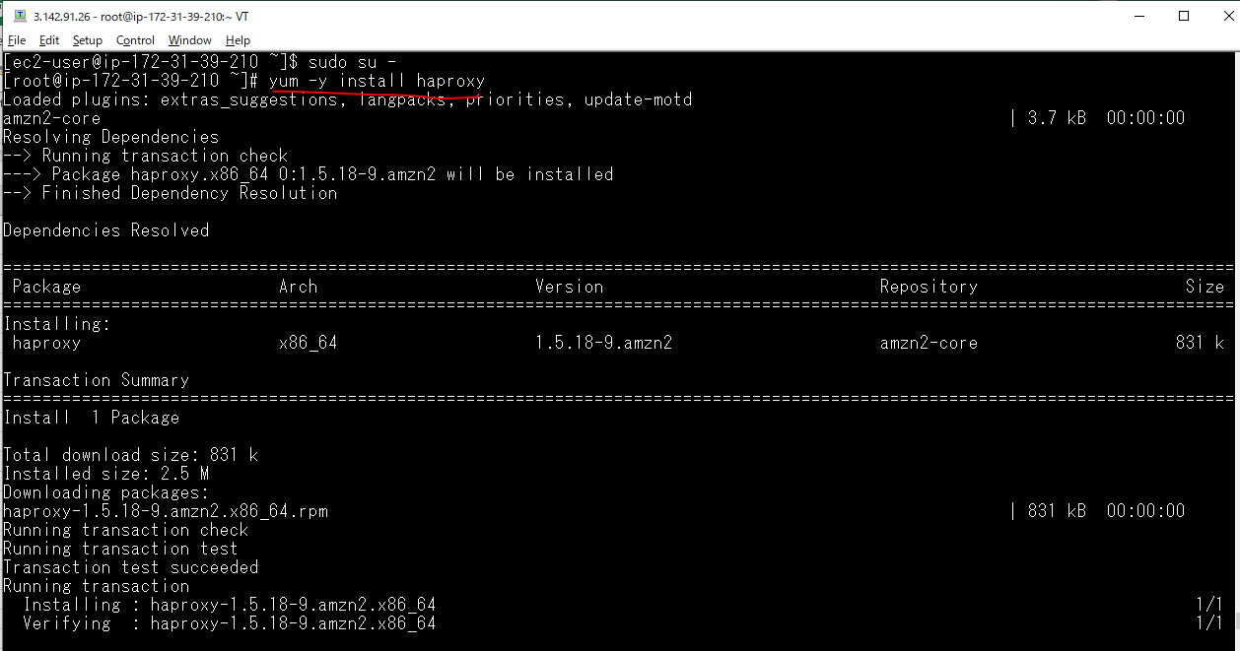

systemctl start haproxy
systemctl enable haproxy

Config HAProxy
mv /etc/haproxy/haproxy.cfg /etc/haproxy/haproxy.cfg.org
vi /etc/haproxy/haproxy.cfg
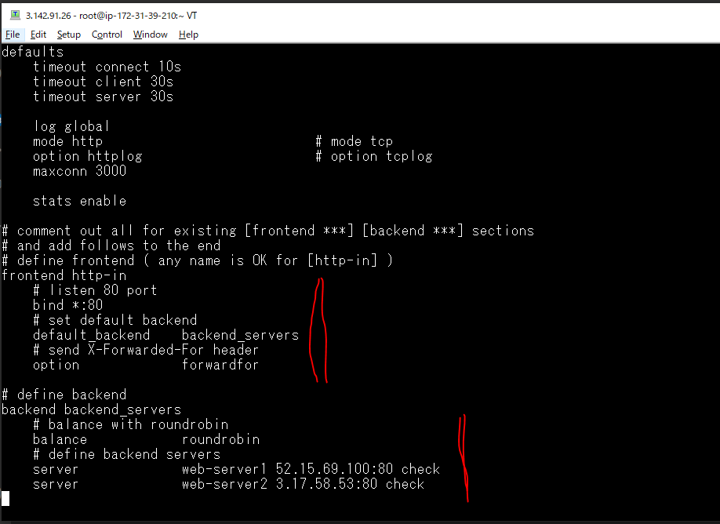

 |  | public IP of web-server1
 |  | public IP of web-server2

Restart haproxy
 | systemctl restart haproxy

Config trang thống kê haproxy
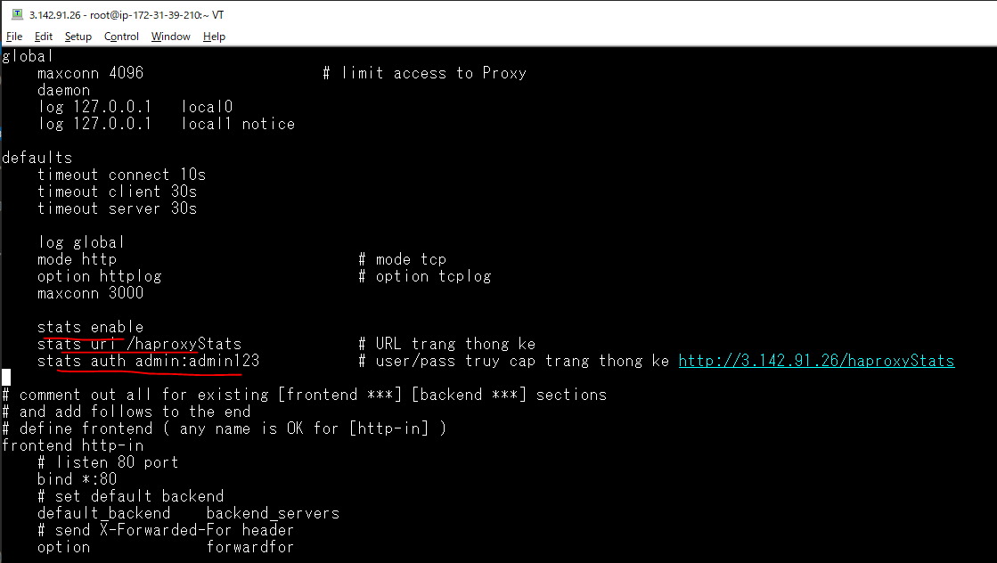
vi /etc/haproxy/haproxy.cfg

Check haproxy on browser
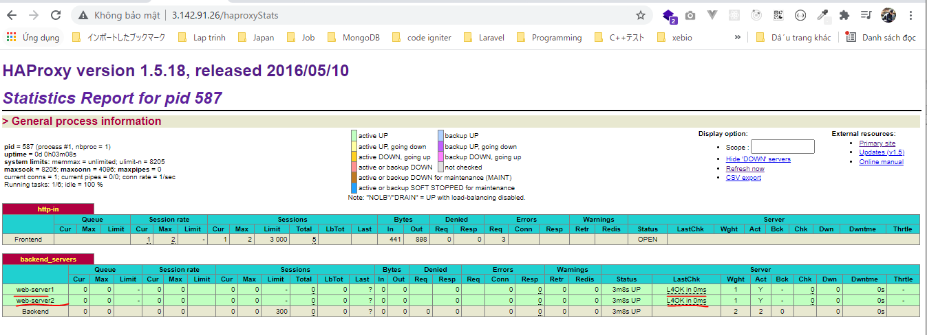
http://3.142.91.26/haproxyStats
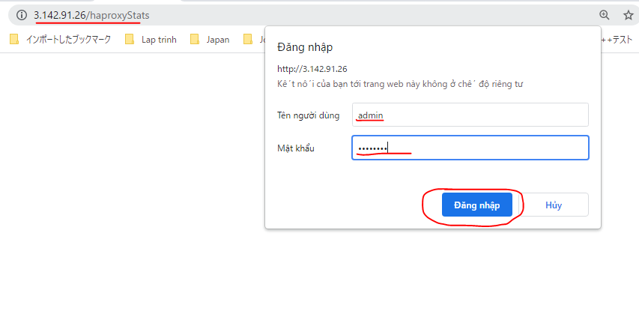

 | pwd: admin123

