Create EC2
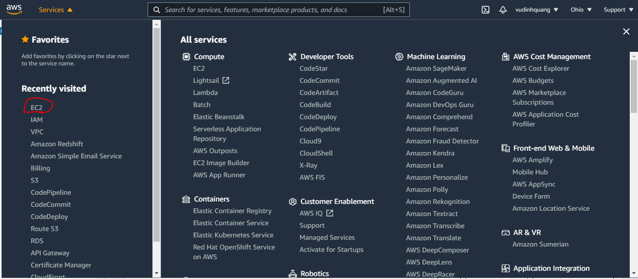

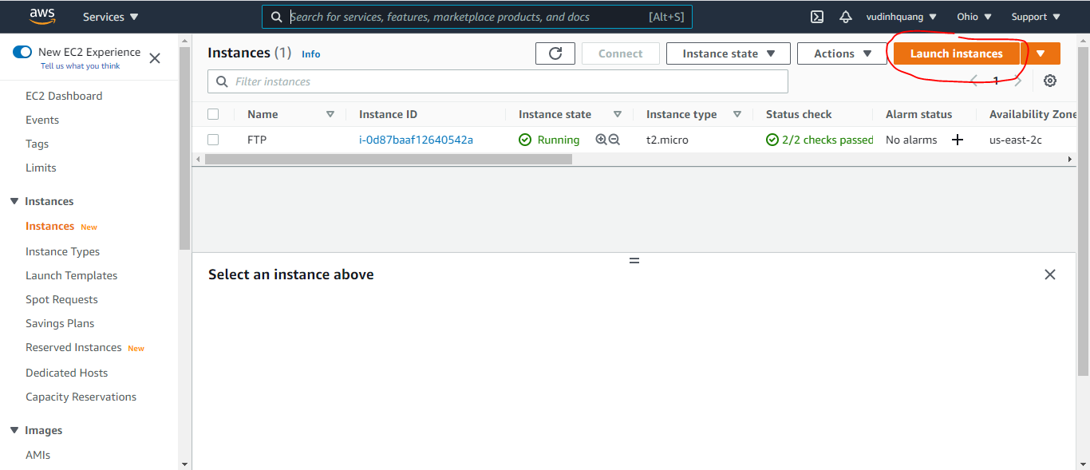

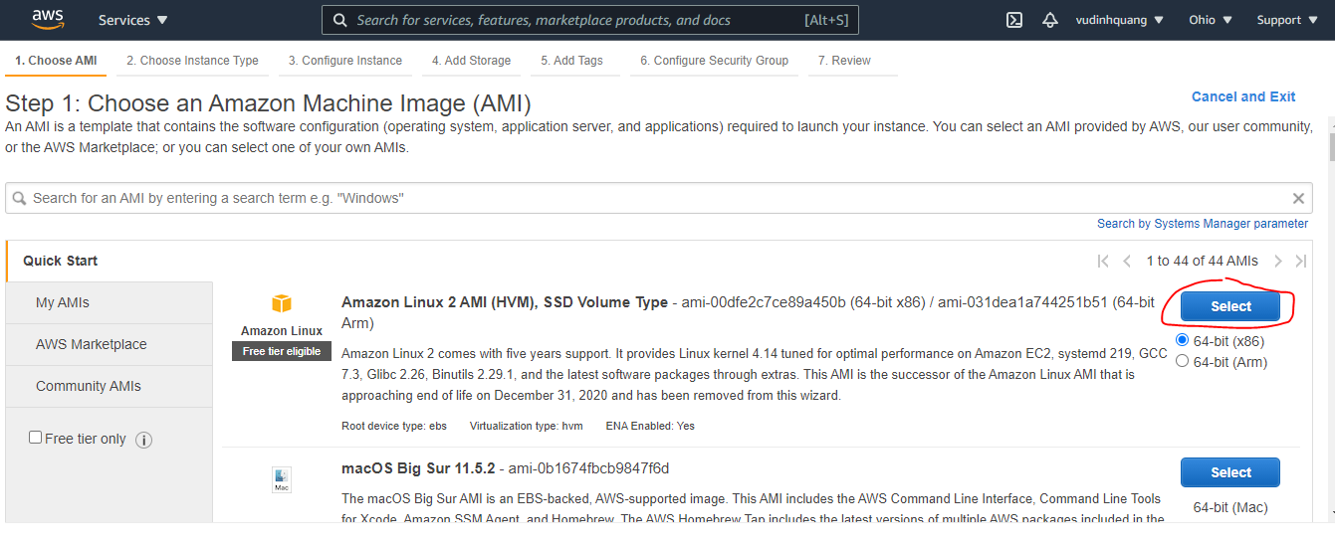

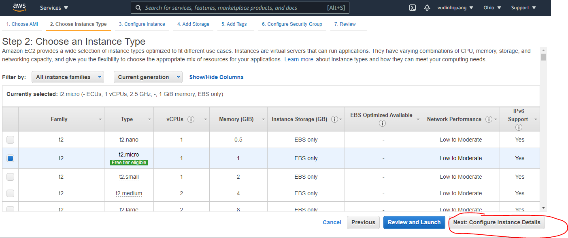

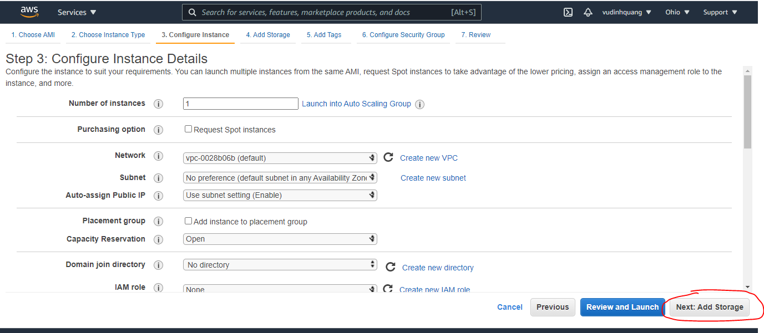

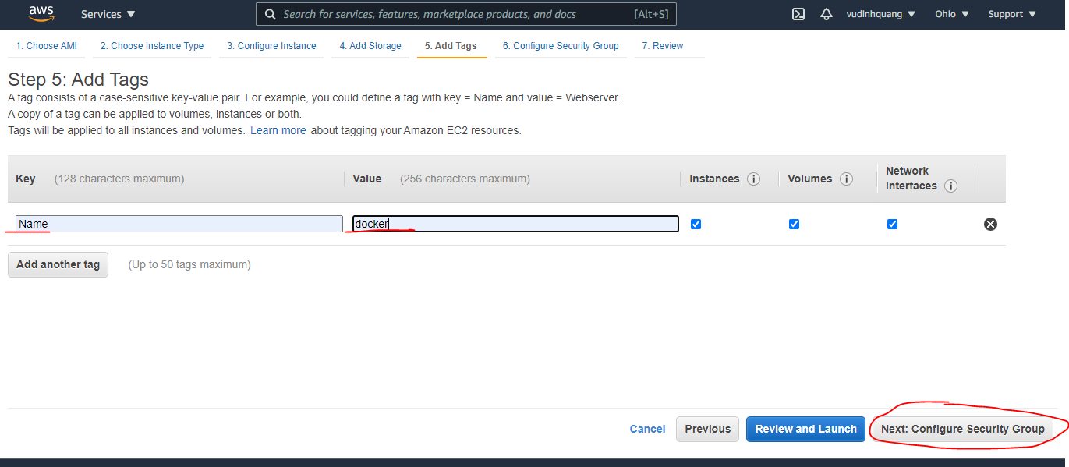

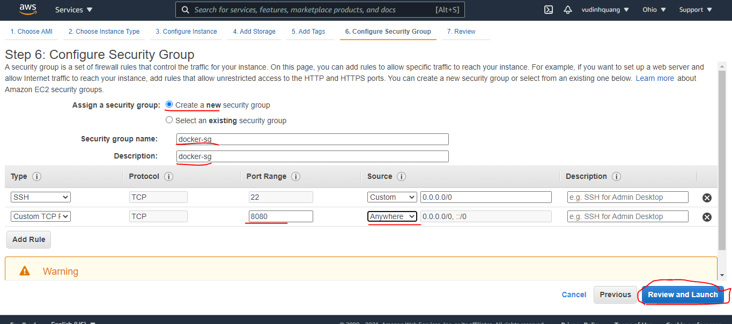

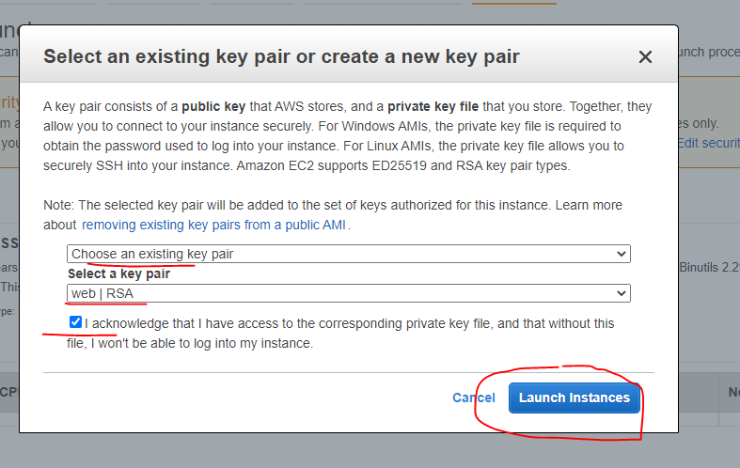

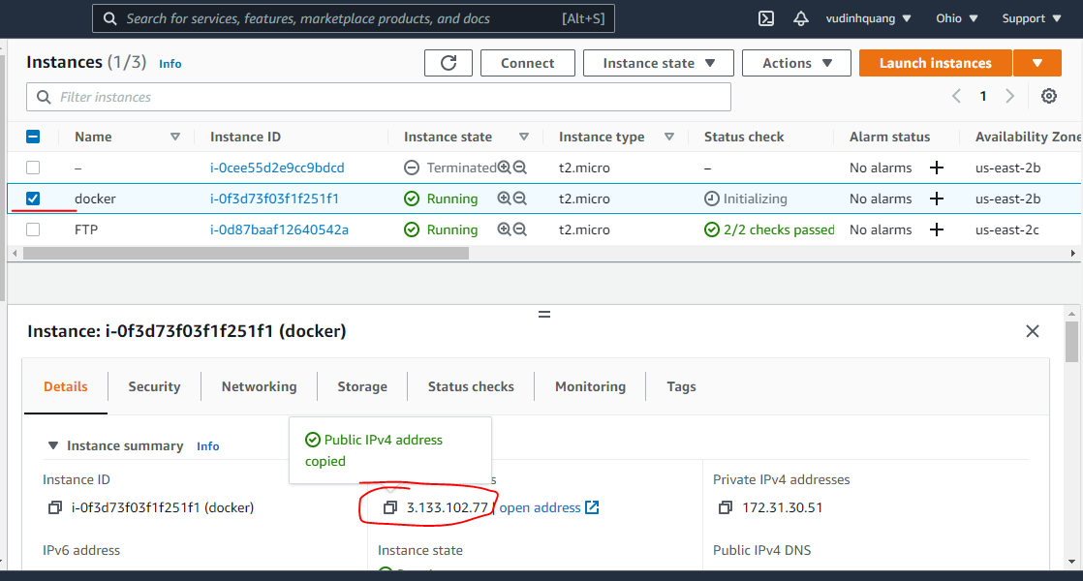

Install docker
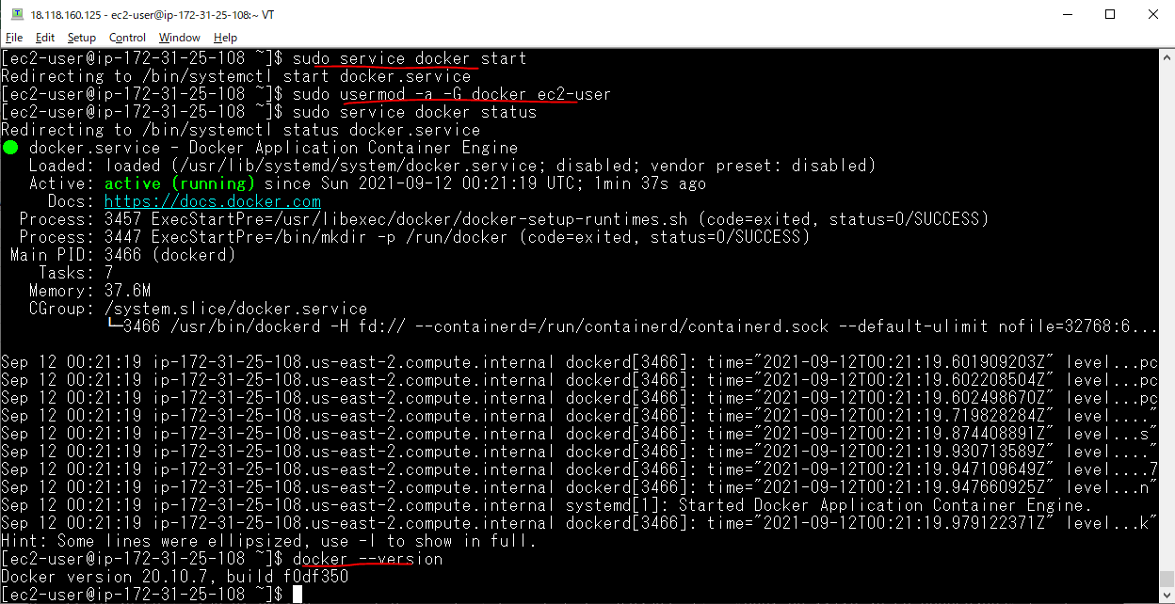
sudo yum update -y

sudo yum install -y docker
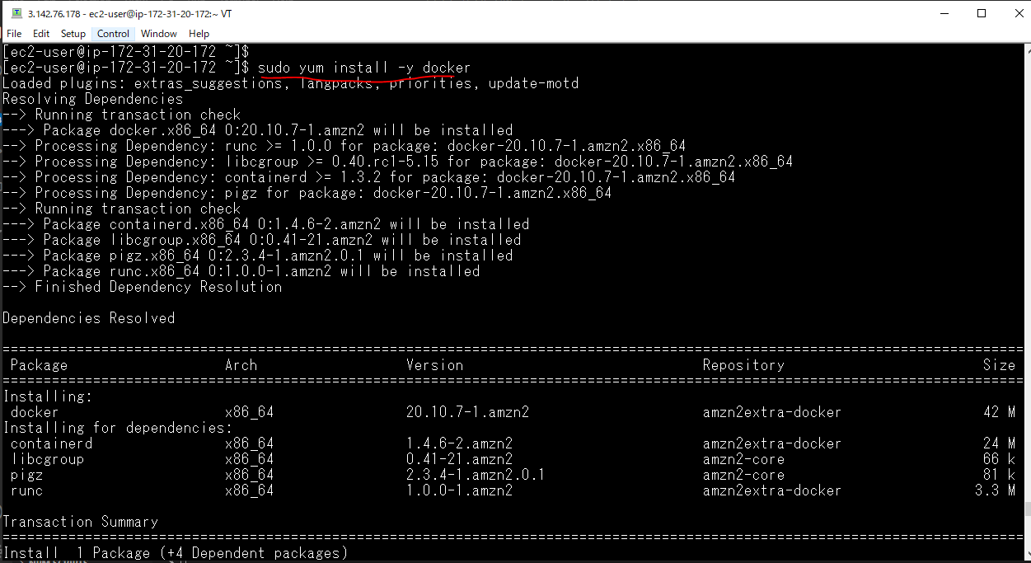

sudo service docker start

Install docker-compose
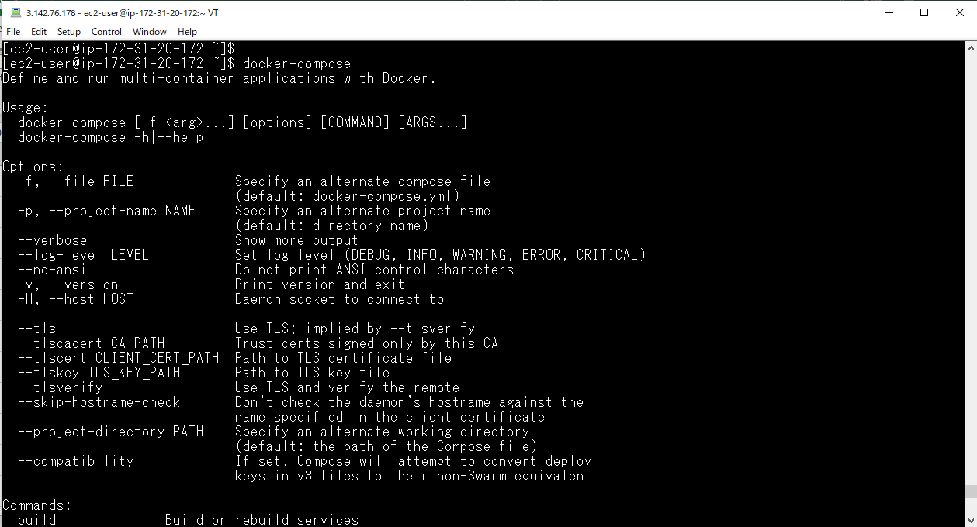
sudo curl -L https://github.com/docker/compose/releases/download/1.22.0/docker-compose-$(uname -s)-$(uname -m) -o /usr/local/bin/docker-compose

sudo chmod +x /usr/local/bin/docker-compose

docker-compose

Image and container
Tìm image để cài đặt(image chính thức thì OFICIAL: OK)
 | docker search centos
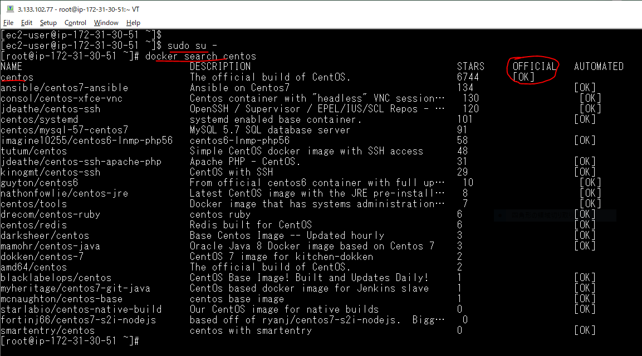

List các image đang có
 | docker image ls

Pull image về
 | docker pull centos:7

 |  | TAG value is 7, it means version 7

Chạy 1 container từ image
 | docker run --privileged -d -p 8080:80 centos:7 /sbin/init

Vào container để chạy lệnh
 | docker exec -it cec40f7cebad /bin/bash

Cài đặt apache
 | yum -y install httpd
 | systemctl start httpd
 | systemctl enable httpd
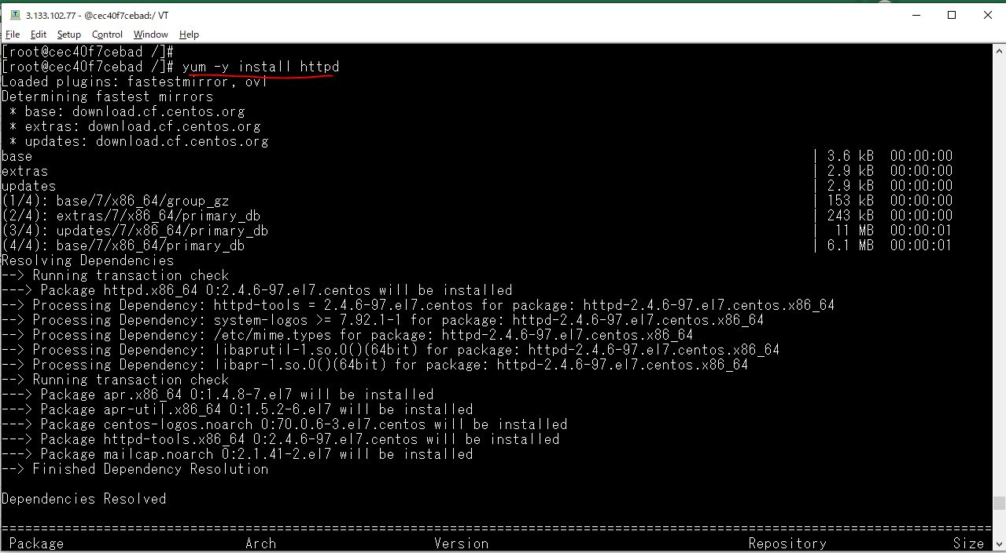

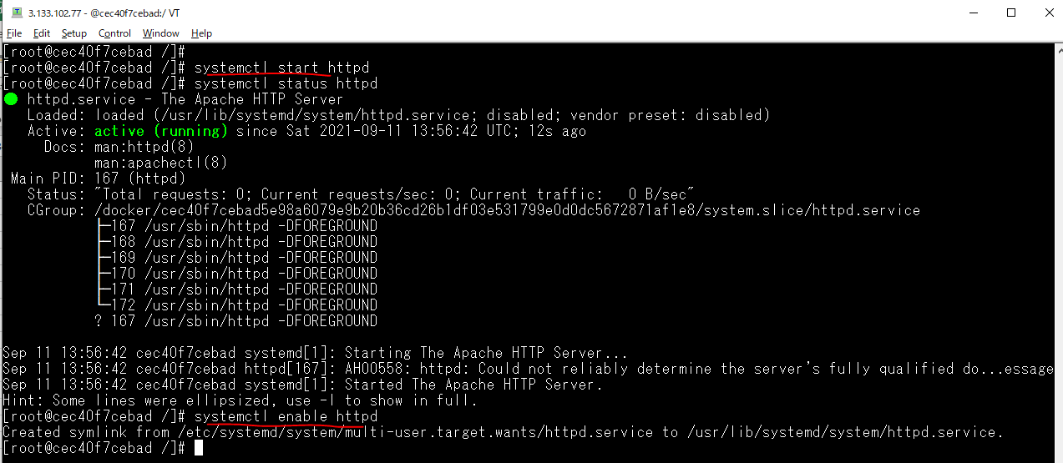

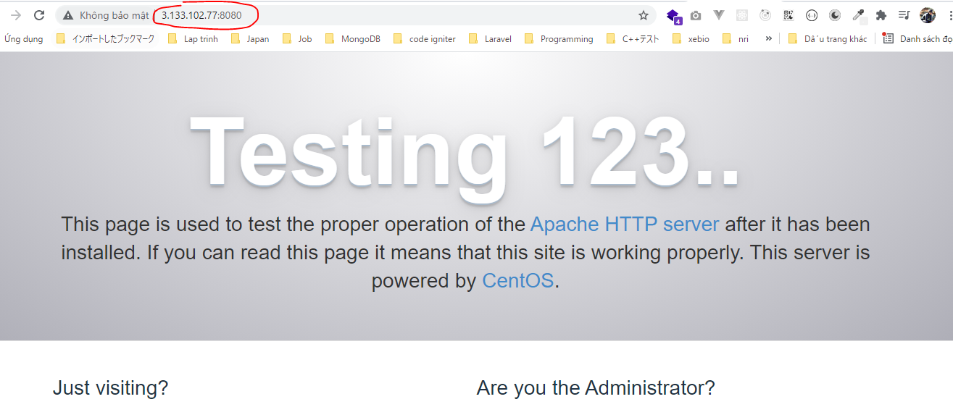
 |  |  | EC2 Public IP: 3.133.102.77
 |  |  | Security Groups Inbound rules: 8080 PORT is opened

echo "Hello Web" > /var/www/html/index.html

Check on browser

Thoát ra khỏi container

Fix error
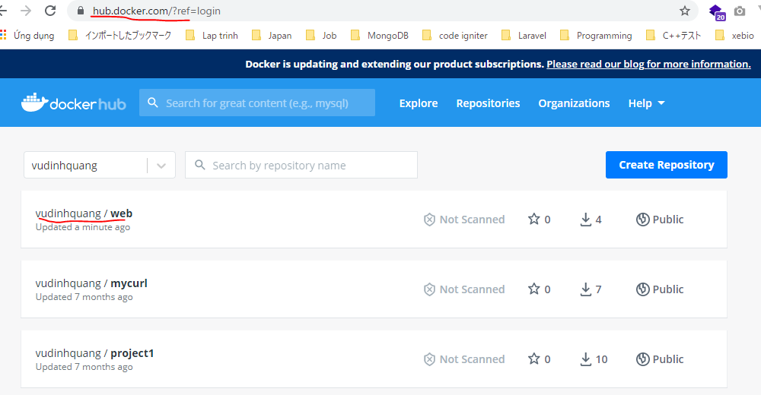
Tạo image để triển khai cho máy khác
 | docker commit -m "web project" -a "Vu Dinh Quang" cec40f7cebad vudinhquang/web:v1

 |  |  |  | docker hub id: vudinhquang

Check image created

 |  | version: v1

Push again

 |  |  | version: v1

Check on docker hub

Create new EC2(docker-test)
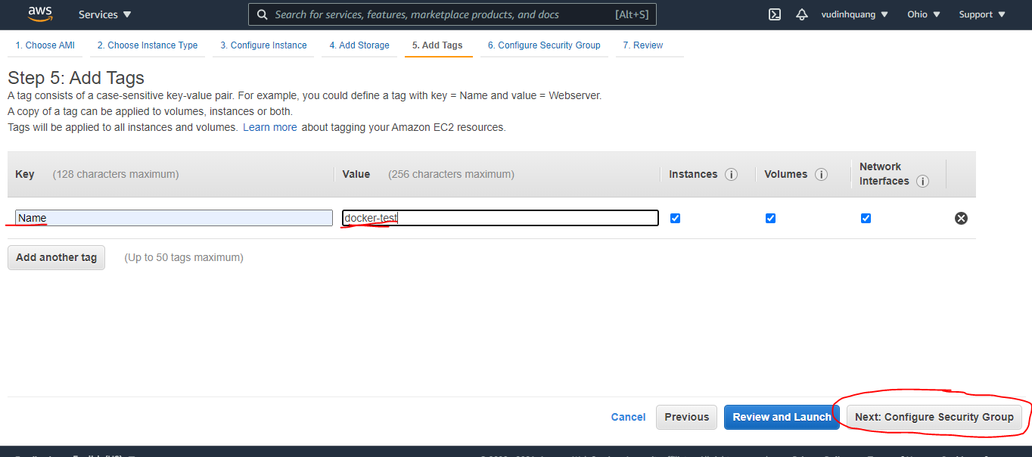

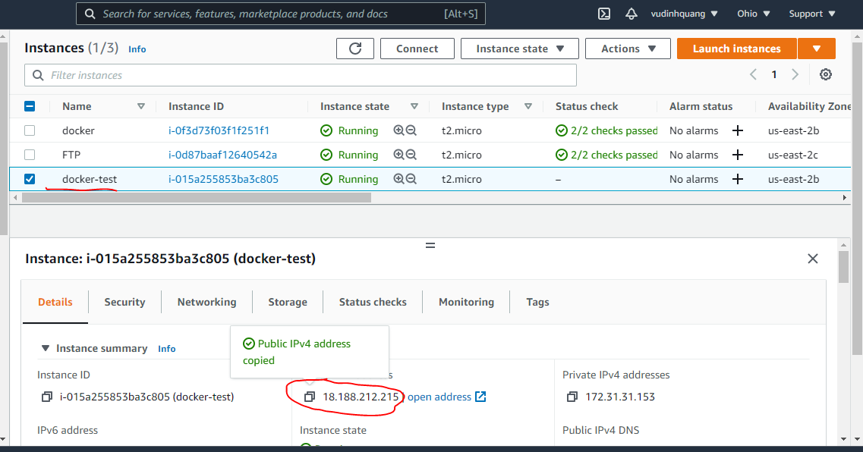

Install docker on docker-test
sudo yum update -y

sudo yum install -y docker
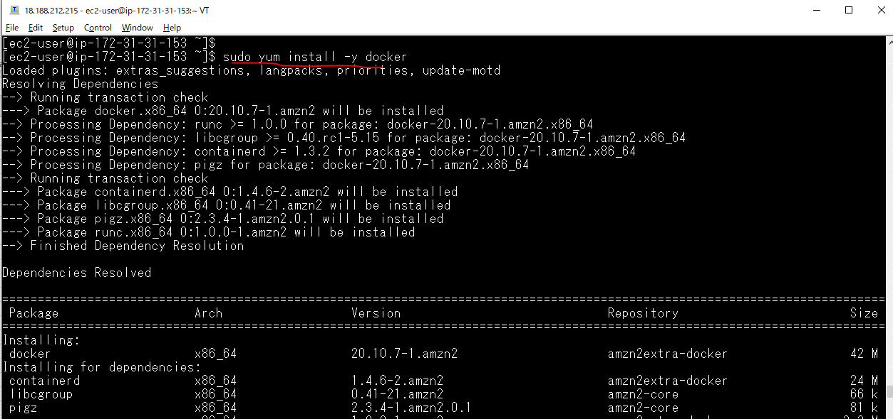

sudo service docker start

Edit image on docker EC2
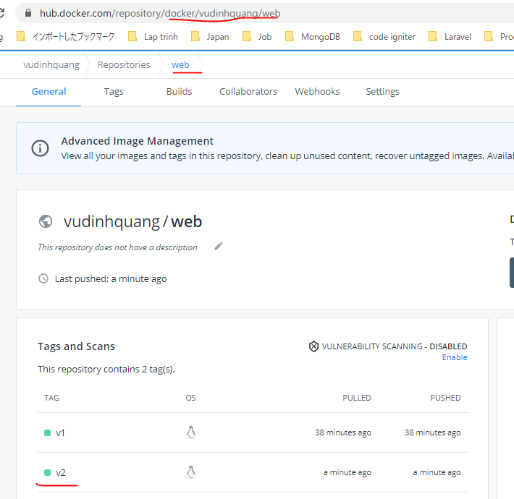
Vào container để sửa
 | docker exec -it cec40f7cebad /bin/bash

vi /var/www/html/index.html

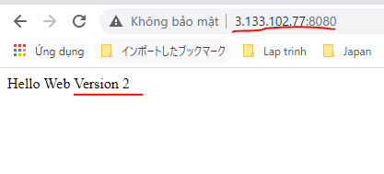
 | docker EC2 public IP: 3.133.102.77 | docker-test EC2 public IP: 18.188.212.215
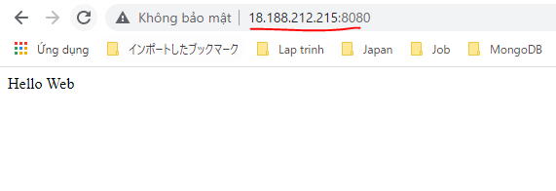

Tạo image version 2 rồi push lại
 | docker commit -m "web project version 2" -a "Vu Dinh Quang" cec40f7cebad vudinhquang/web:v2

Push again

 |  |  | version: v2

Check on docker hub

docker-test EC2 pullimage again
docker-test EC2 pull image again
 | docker pull vudinhquang/web:v2
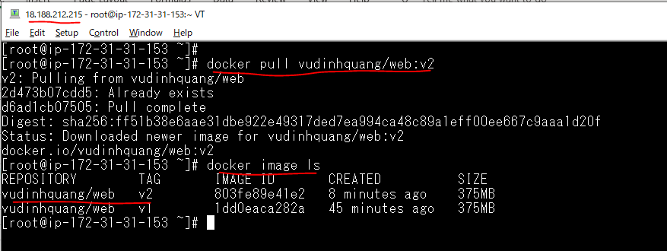

Stop current running container
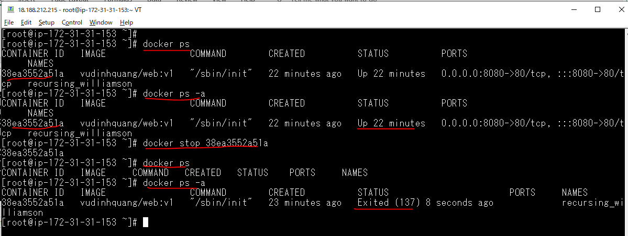

Start container từ image v2
 | docker run --privileged -d -p 8080:80 vudinhquang/web:v2 /sbin/init

Check browser by docker-test public IP

other command
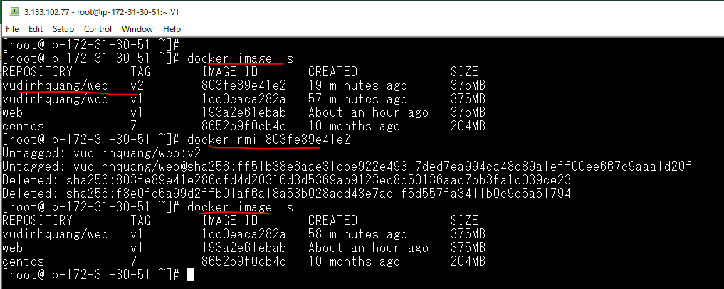
Xóa containner

Xóa image

