Create EC2
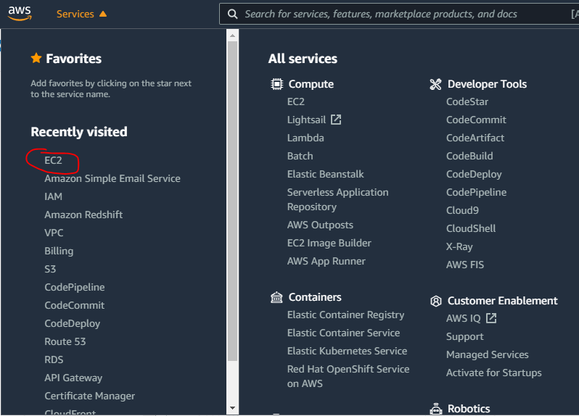

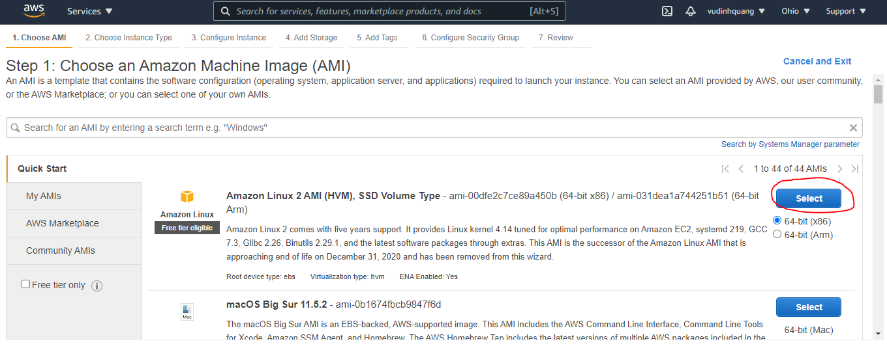

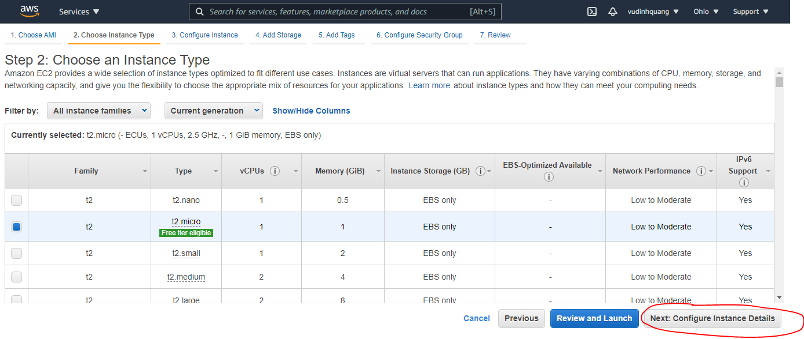

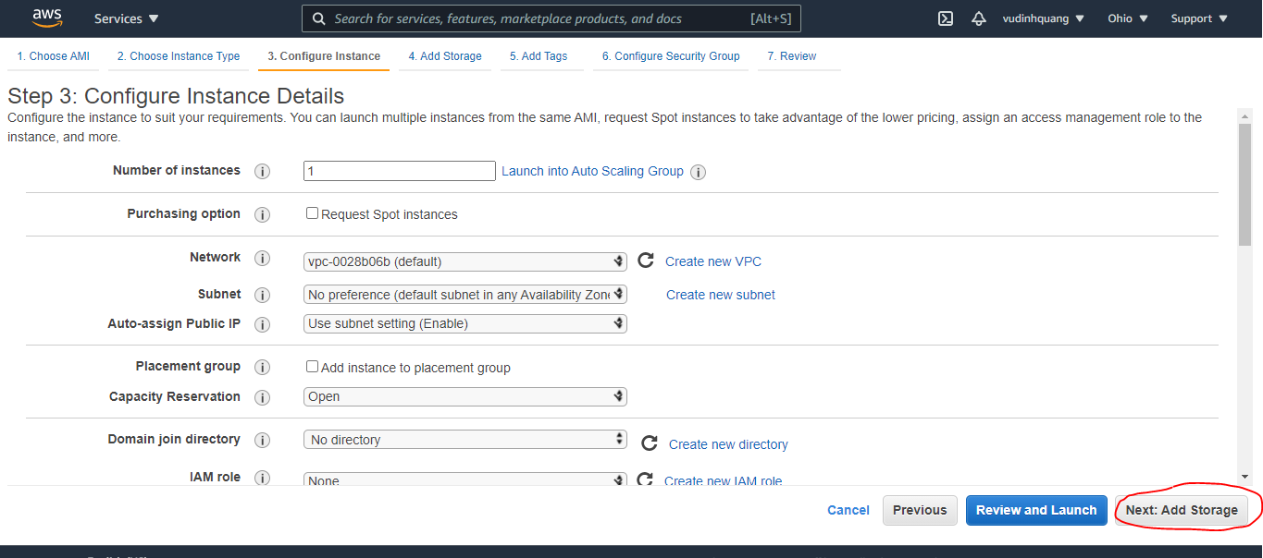

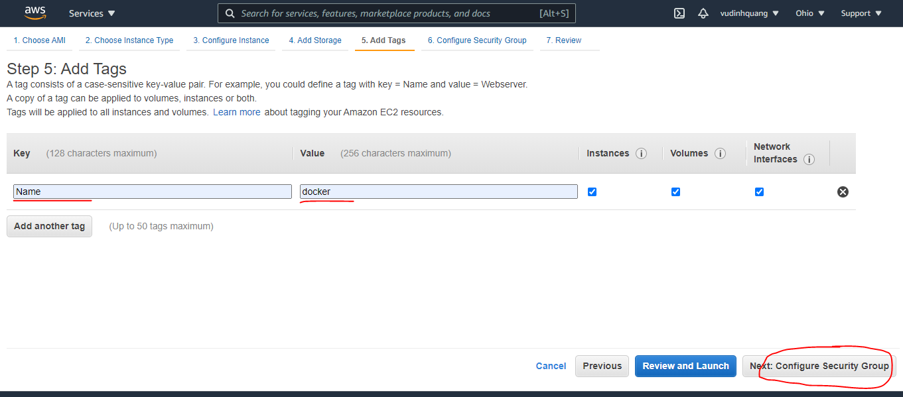

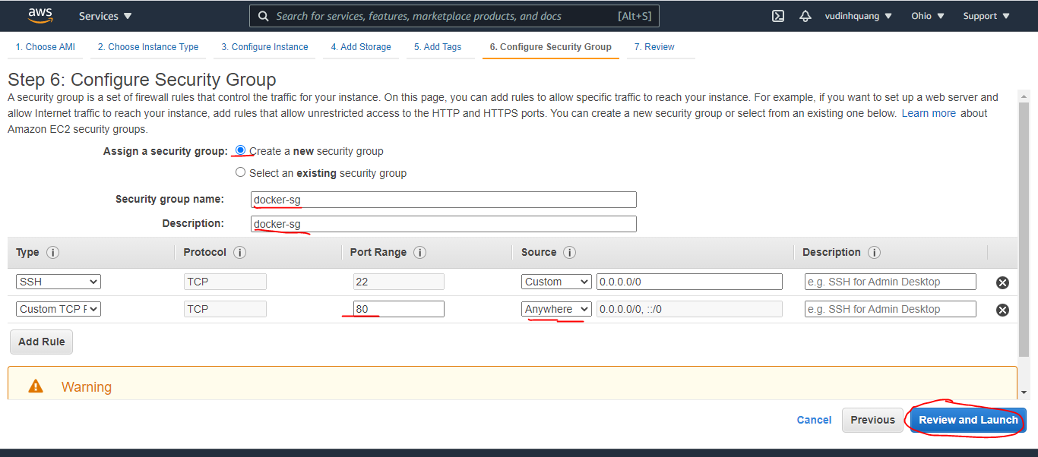

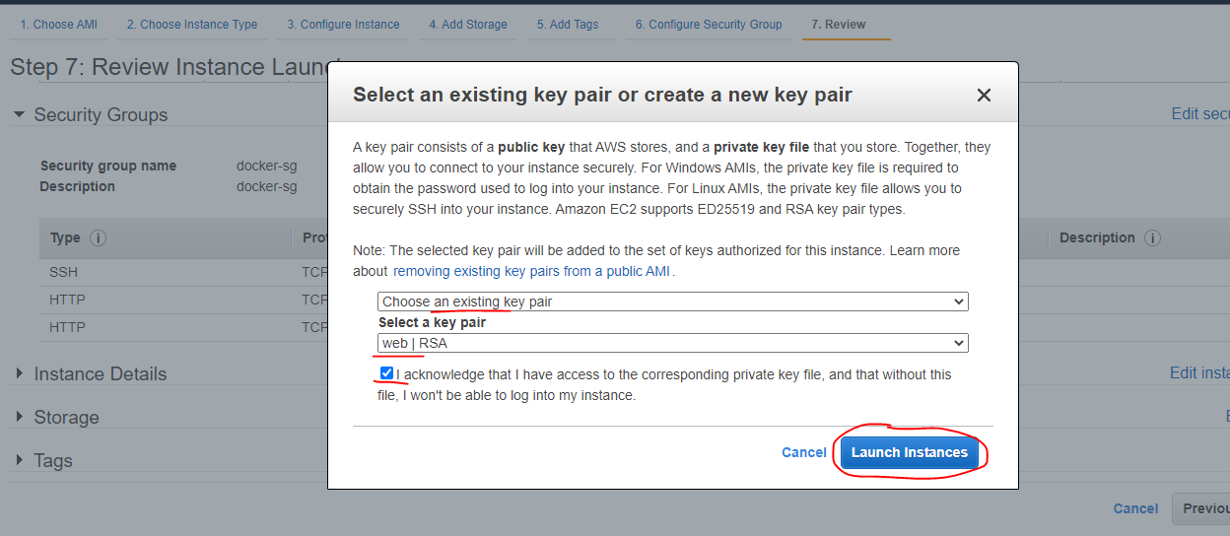

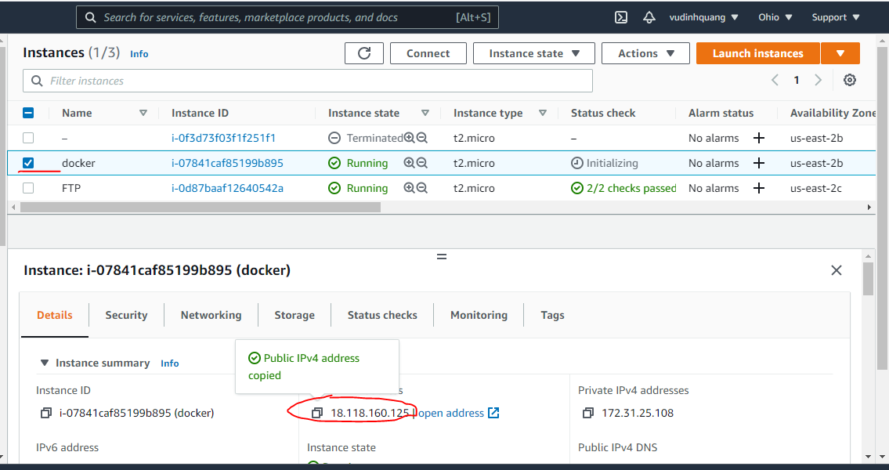

Install docker
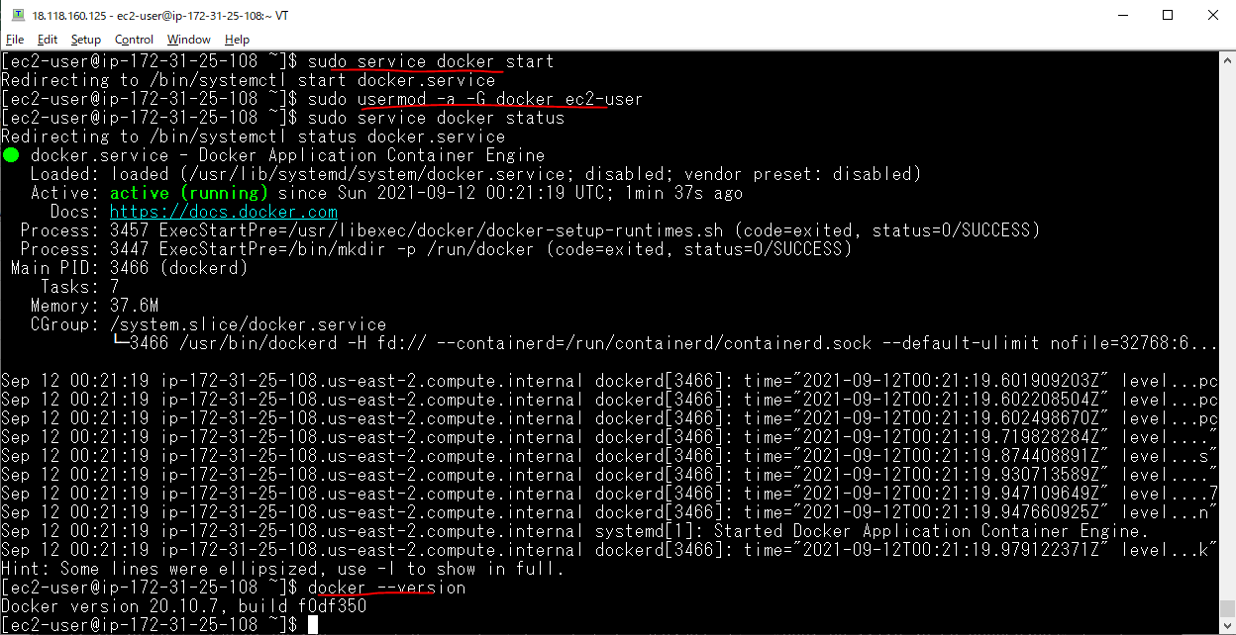
sudo yum update -y

sudo yum install -y docker
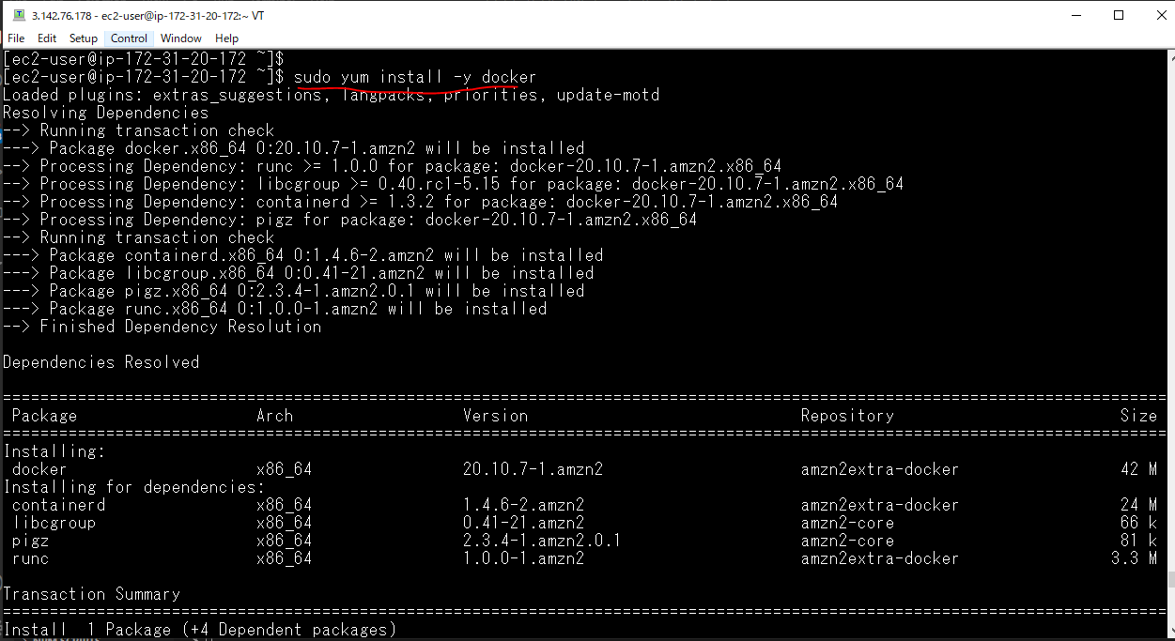

sudo service docker start

Install docker-compose
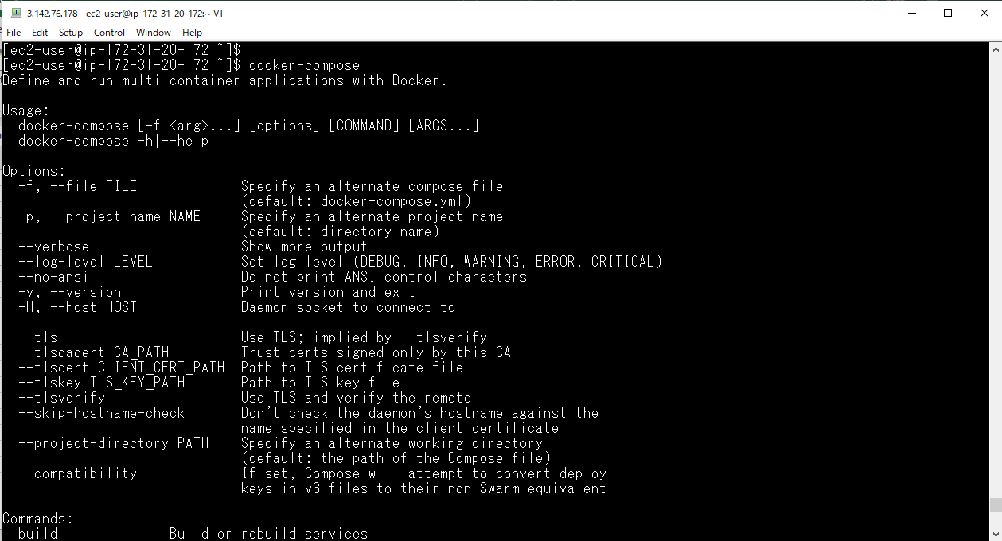
sudo curl -L https://github.com/docker/compose/releases/download/1.22.0/docker-compose-$(uname -s)-$(uname -m) -o /usr/local/bin/docker-compose

sudo chmod +x /usr/local/bin/docker-compose

docker-compose

Create Dockerfile
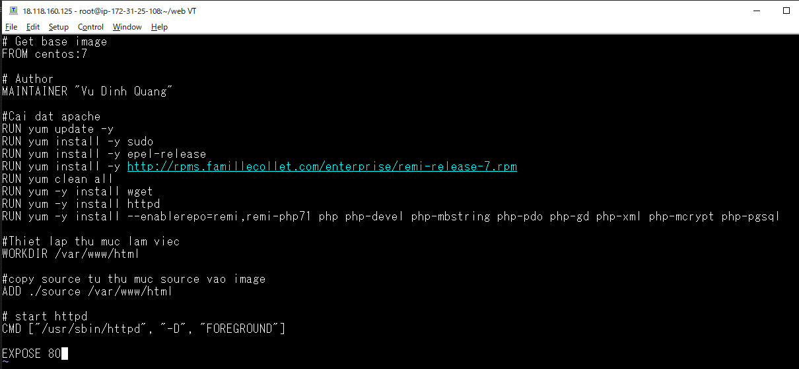
vi test .php

vi Dockerfile

Build image
docker build -t web .
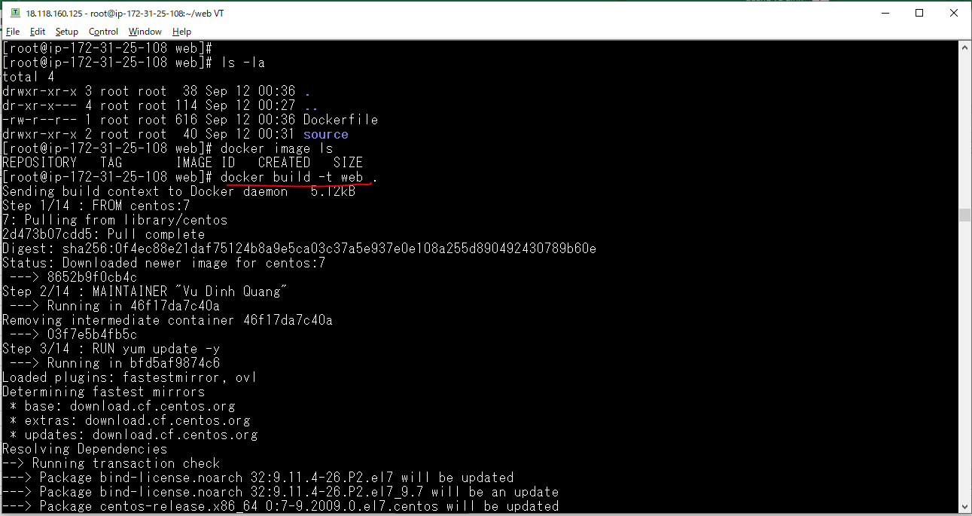

docker image ls

Create and run container
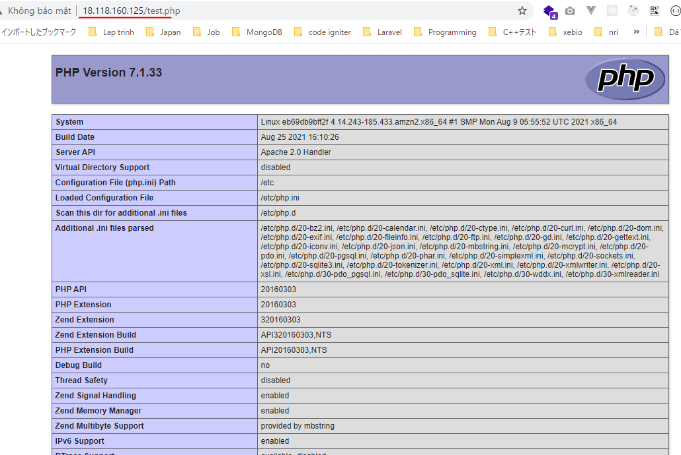
Tạo và chạy container
 | docker run -d -p 80:80 web

Test on browser

Stop and delete
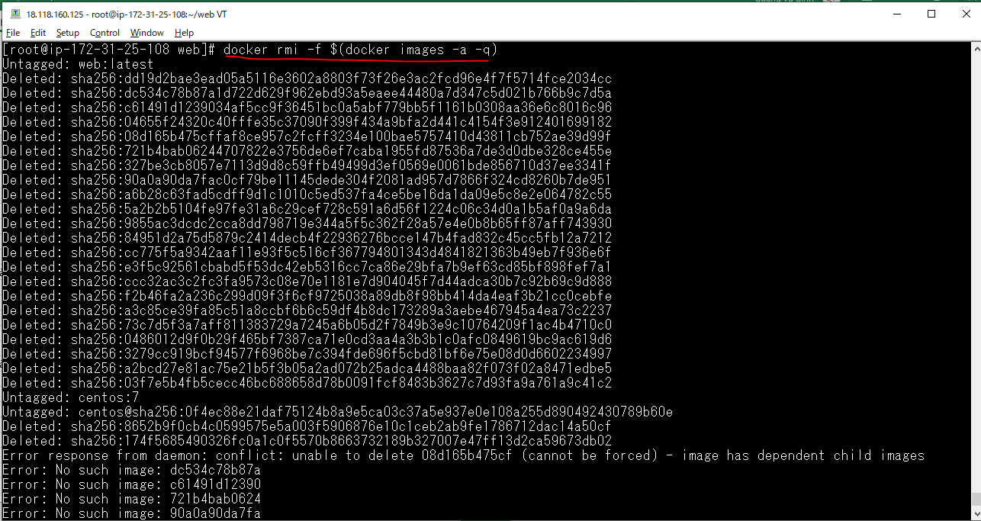
Stop toàn bộ container
 | docker stop $(docker ps -a -q)

Xóa toàn bộ container
 | docker rm $(docker ps -a -q)

Xóa toàn bộ image
 | docker rmi -f $(docker images -a -q)

