Prepair
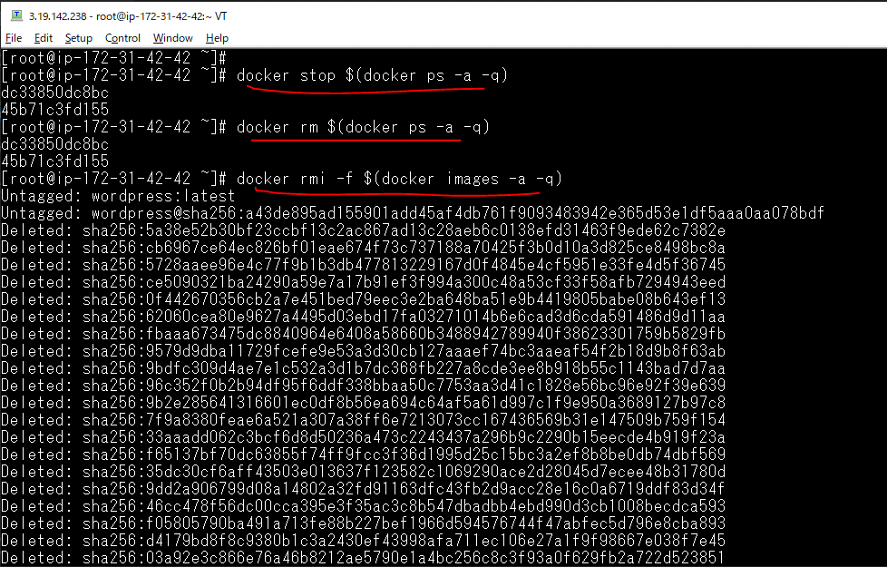
Stop toàn bộ container
 | docker stop $(docker ps -a -q)
Xóa toàn bộ container
 | docker rm $(docker ps -a -q)
Xóa toàn bộ image
 | docker rmi -f $(docker images -a -q)

Workflow
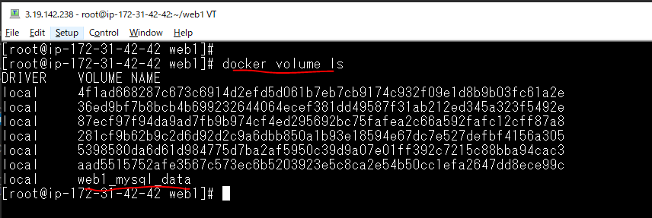
web1 folder
 | mkdir -p docker/mysql/conf.d
 | mkdir -p docker/mysql/initdb.d
 | mkdir -p log/mysql
 | chmod -Rf 777 log

vi docker/mysql/conf.d/my.cnf
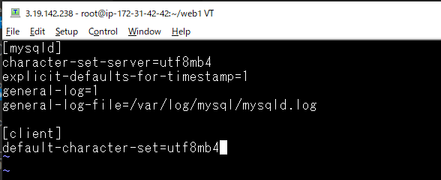

vi docker/mysql/initdb.d/schema.sql

vi docker/mysql/initdb.d/testdata.sql

vi docker/mysql/Dockerfile

vi docker-compose.yml
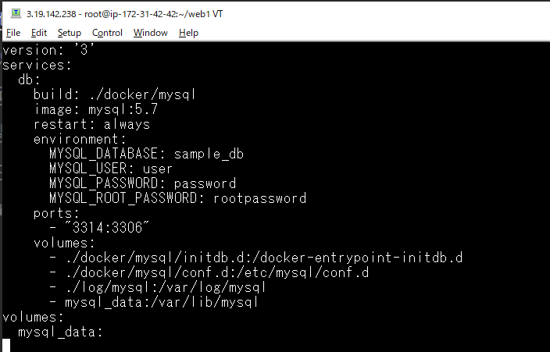

Build container
 | docker-compose up -d
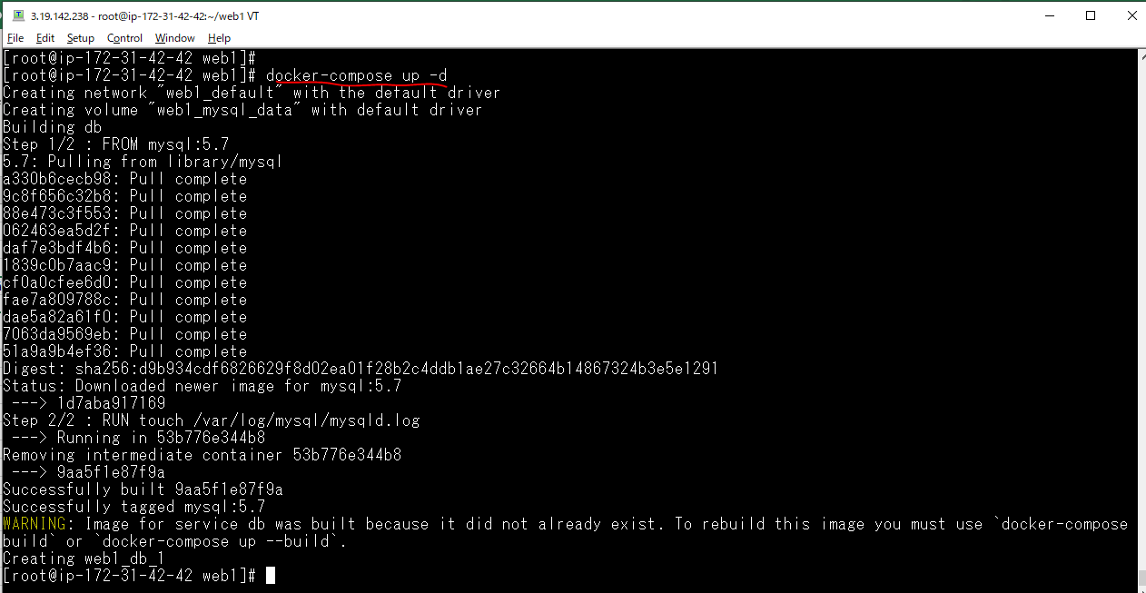

List các container đã được build
 | docker ps

List các volume đã tạo

Check by Mysql Workbench
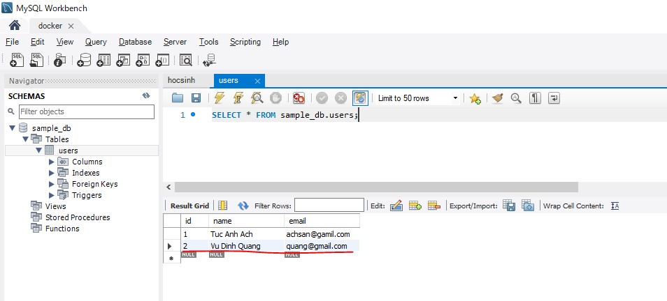
Check database access
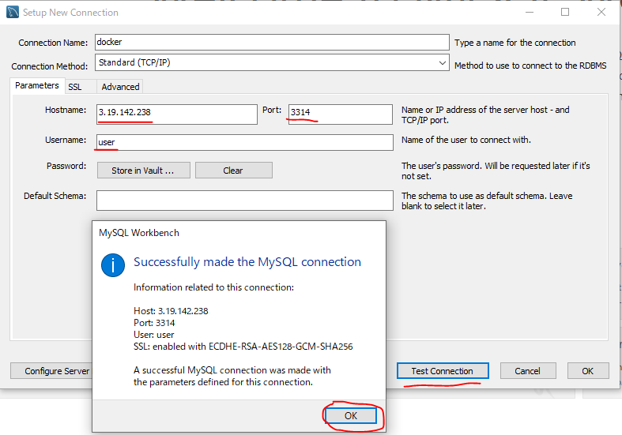

Check init data is inserted
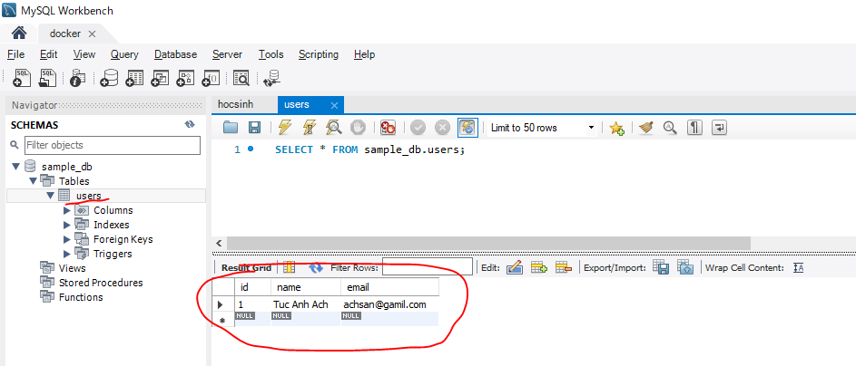

 |  | schema.sql:
 | sample-project/ |  | CREATE TABLE users (
 | ├ docker/ |  | id INT NOT NULL AUTO_INCREMENT,
 | | └ mysql/ |  | name VARCHAR(32) NOT NULL,
 | | ├ conf.d/ |  | email VARCHAR(32) NOT NULL,
 | | | └ my.cnf |  | PRIMARY KEY (id)
 | | ├ initdb.d/ |  | );
 | | | ├ schema.sql
 | | | └ testdata.sql | testdata.sql:
 | | └ Dockerfile |  | INSERT INTO users (id,name,email) VALUES (1, 'Tuc Anh Ach','achsan@gamil.com');
 | ├ log/mysql
 | |
 | └ docker-compose.yml

Insert new record

Remove all image and container
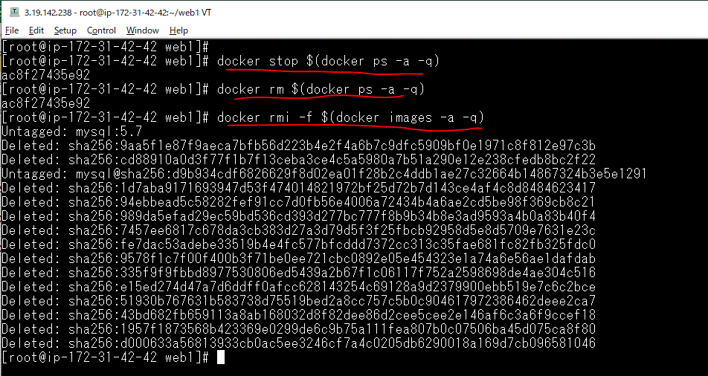
Stop toàn bộ container
 | docker stop $(docker ps -a -q)
Xóa toàn bộ container
 | docker rm $(docker ps -a -q)
Xóa toàn bộ image
 | docker rmi -f $(docker images -a -q)

Build container again
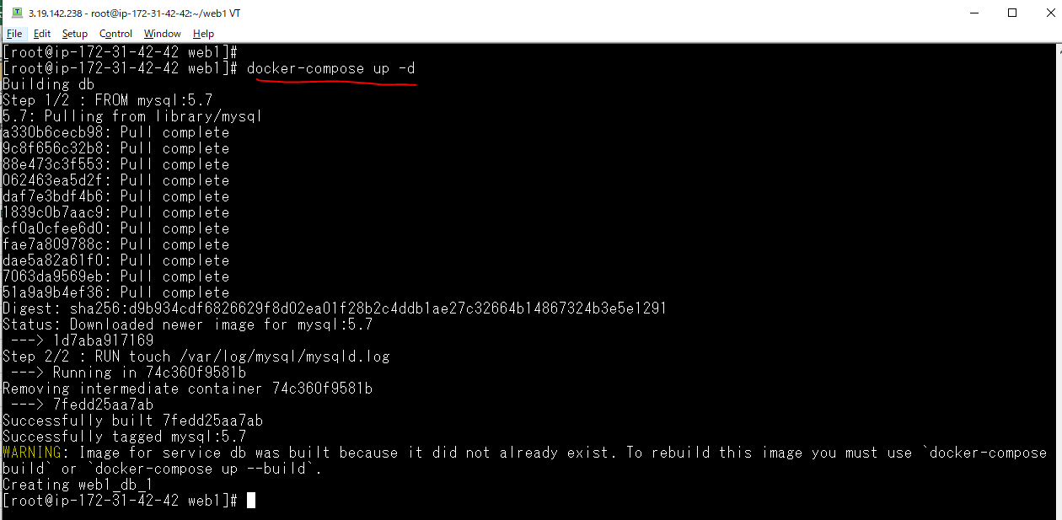
Build container again
 | docker-compose up -d

Check data
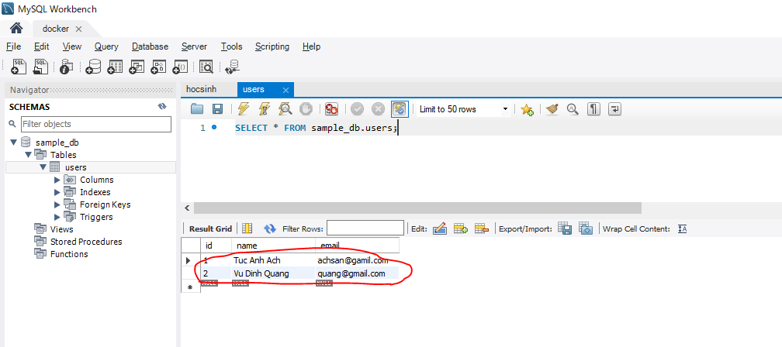
Data vẫn còn nguyên vẹn

