setup
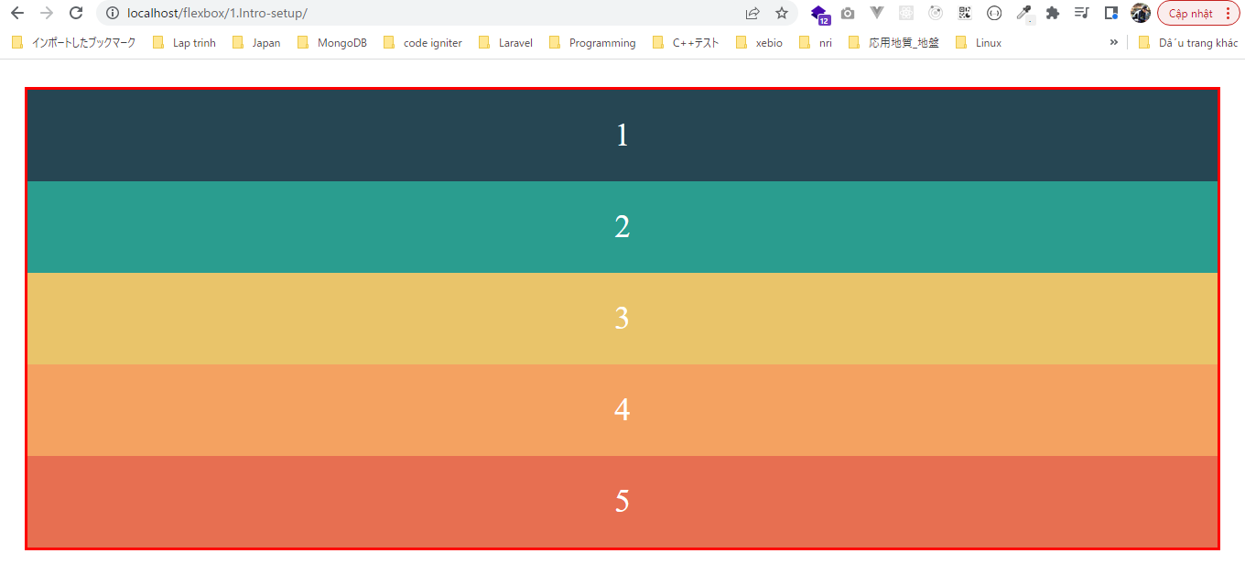
 | Chuẩn bị giao diện cho các phần tiếp theo

構成
 | 1.Intro-setup
 |  | 1.setup
 |  |  | css
 |  |  |  | style.css
 |  |  | index.html

flexbox\1.Intro-setup\css\style.css
 | * {
 | margin: 0;
 | padding: 0;
 | box-sizing: border-box;
 | }

 | body {
 | color: #fff;
 | padding: 30px;
 | font-size: 35px;
 | text-align: center;
 | }

 | .container {
 | border: 3px solid red;
 | }

 | .box {
 | color: #fff;
 | padding: 30px;
 | font-size: 35px;
 | text-align: center;
 | }

 | .box-1 {
 | background-color: #264653;
 | }

 | .box-2 {
 | background-color: #2a9d8f;
 | }

 | .box-3 {
 | background-color: #e9c46a;
 | }

 | .box-4 {
 | background-color: #f4a261;
 | }

 | .box-5 {
 | background-color: #e76f51;
 | }

flexbox\1.Intro-setup\index.html
 | <!DOCTYPE html>
 | <html lang="en">
 | <head>
 | <meta charset="UTF-8" />
 | <meta name="viewport" content="width=device-width, initial-scale=1.0" />
 | <title>Flexbox</title>
 | <link rel="stylesheet" href="css/style.css" />
 | </head>

 | <body>
 | <div class="container">
 | <div class="box box-1">1</div>
 | <div class="box box-2">2</div>
 | <div class="box box-3">3</div>
 | <div class="box box-4">4</div>
 | <div class="box box-5">5</div>
 | </div>
 | </body>
 | </html>

Check browser

