Properties
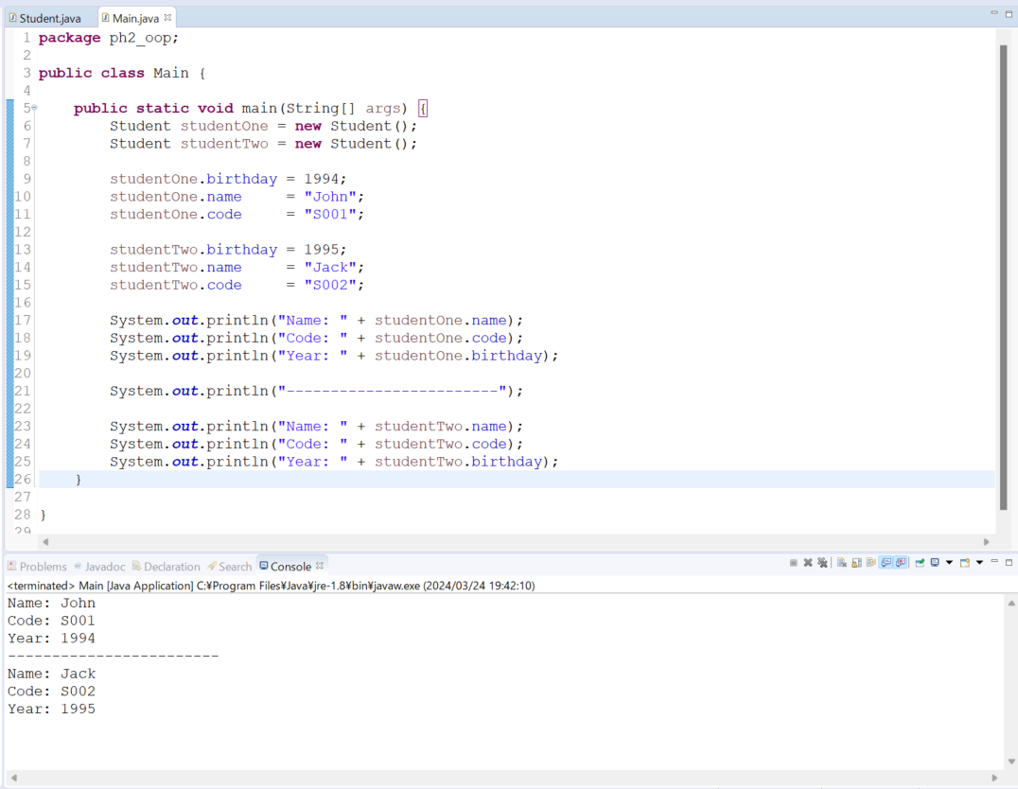
java_training
 | src
 |  | ph1_basic
 |  | ph2_oop
 |  |  | Main.java | → | edit
 |  |  | Student.java | → | edit
 |  |  | Teacher.java

java_training\src\ph2_oop\Student.java
package ph2_oop;

public class Student {
public String name;
public String code;
public int birthday;
}

java_training\src\ph2_oop\Main.java
package ph2_oop;

public class Main {

public static void main(String[] args) {
Student studentOne = new Student();
Student studentTwo = new Student();

studentOne.birthday = 1994;
studentOne.name = "John";
studentOne.code = "S001";

studentTwo.birthday = 1995;
studentTwo.name = "Jack";
studentTwo.code = "S002";

System.out.println("Name: " + studentOne.name);
System.out.println("Code: " + studentOne.code);
System.out.println("Year: " + studentOne.birthday);

System.out.println("------------------------");

System.out.println("Name: " + studentTwo.name);
System.out.println("Code: " + studentTwo.code);
System.out.println("Year: " + studentTwo.birthday);
}

}

Thực thi

Getter & setter
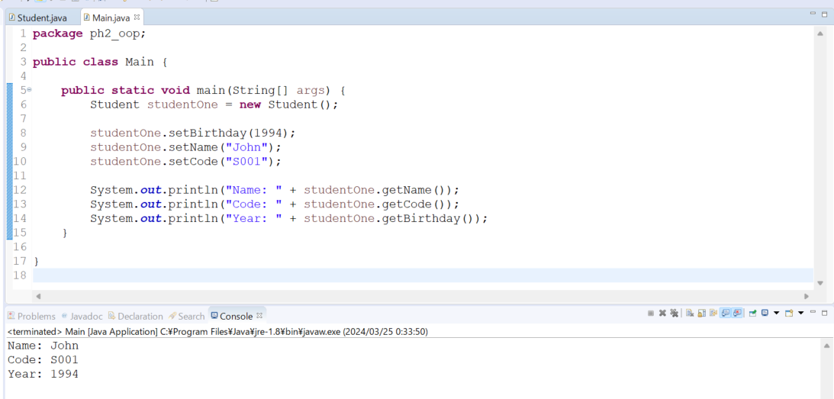
java_training
 | src
 |  | ph1_basic
 |  | ph2_oop
 |  |  | Main.java |  | → | edit
 |  |  | Student.java |  | → | edit
 |  |  | Teacher.java

java_training\src\ph2_oop\Student.java
Tạo tự động bằng Eclipe: Chuột phải -> Source -> Generate Getters and Setters
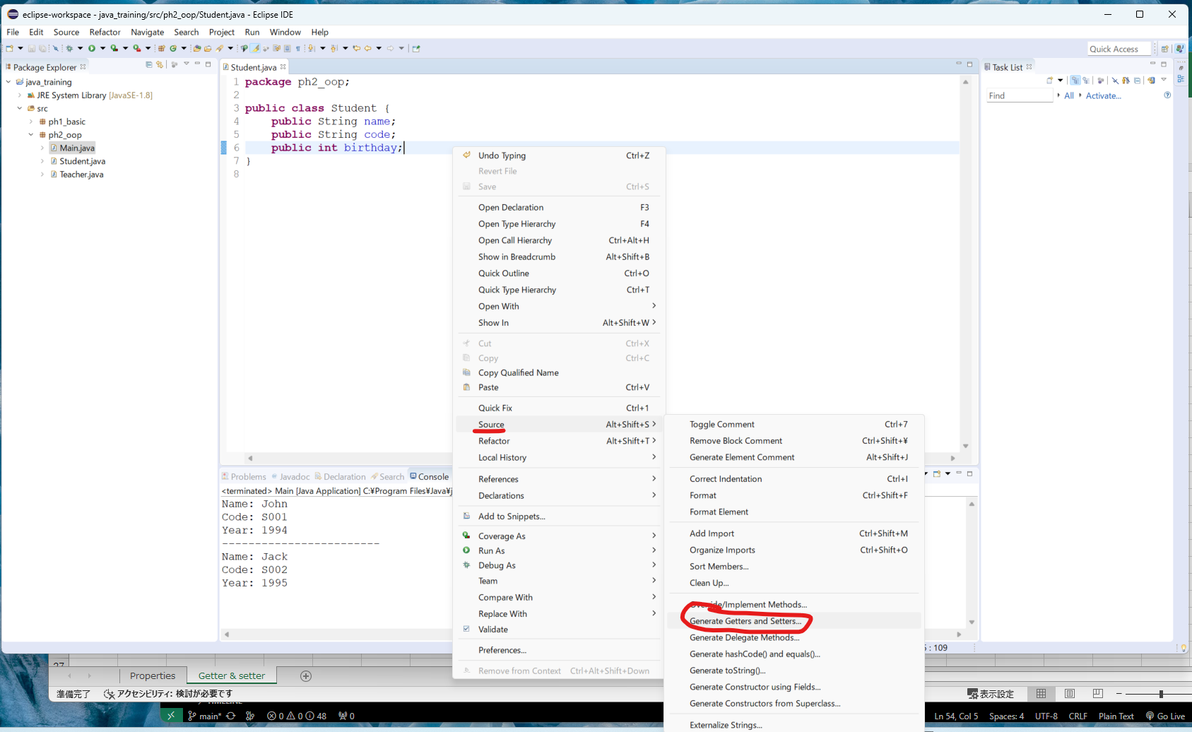

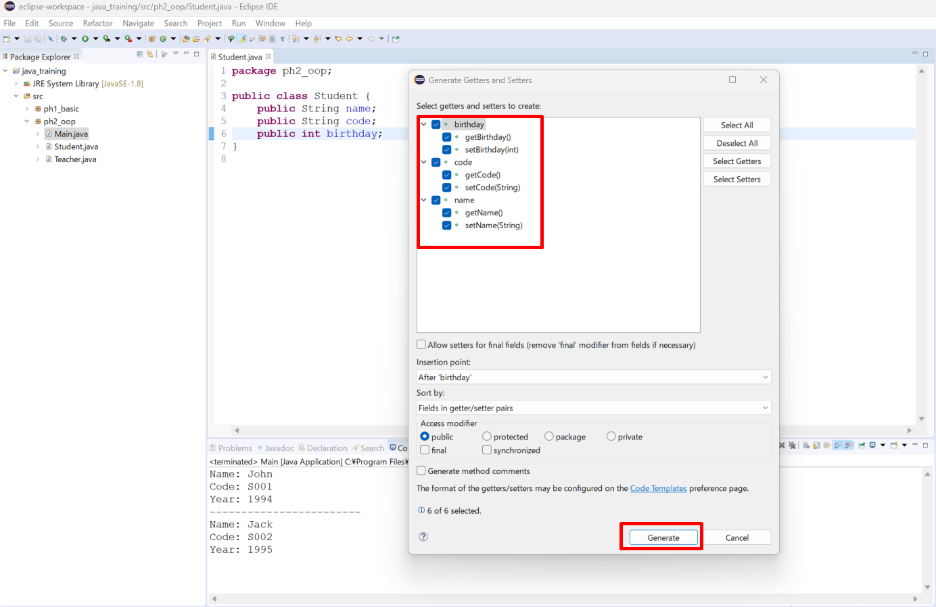

java_training\src\ph2_oop\Student.java
package ph2_oop;

public class Student {
public String name;
public String code;
public int birthday;
public String getName() { |  |  |  | → | Phương thức getter trả về thuộc tính của đối tượng do đó cần có kiểu trả về
return name;
}
public void setName(String name) { |  |  |  | → | Phương thức setter dùng để thiết lập giá trị cho thuộc tính nên không cần thiết lập kiểu trả về nên data type của phương thức là void
this.name = name;
}
public String getCode() {
return code;
}
public void setCode(String code) {
this.code = code;
}
public int getBirthday() {
return birthday;
}
public void setBirthday(int birthday) {
this.birthday = birthday;
}
}

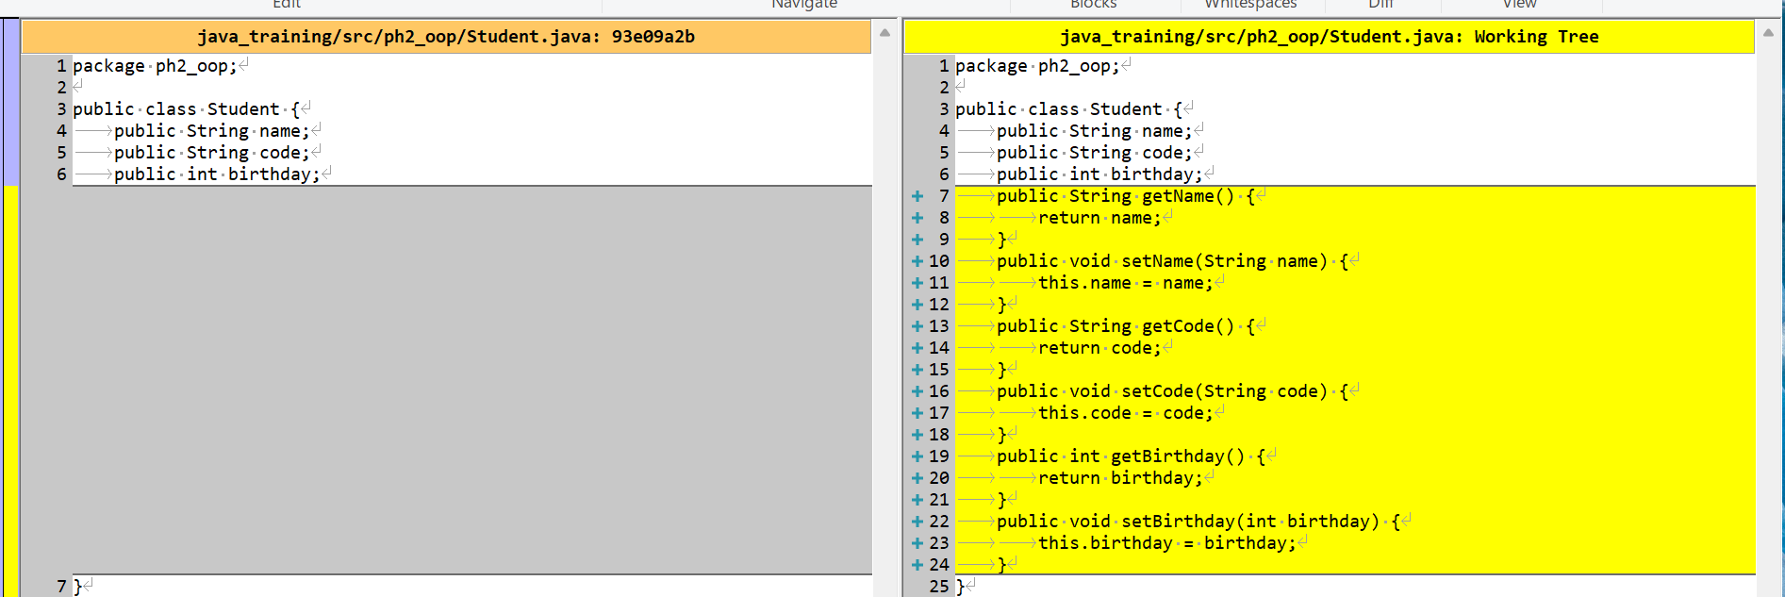

java_training\src\ph2_oop\Main.java
package ph2_oop;

public class Main {

public static void main(String[] args) {
Student studentOne = new Student();

studentOne.setBirthday(1994);
studentOne.setName("John");
studentOne.setCode("S001");

System.out.println("Name: " + studentOne.getName());
System.out.println("Code: " + studentOne.getCode());
System.out.println("Year: " + studentOne.getBirthday());
}

}

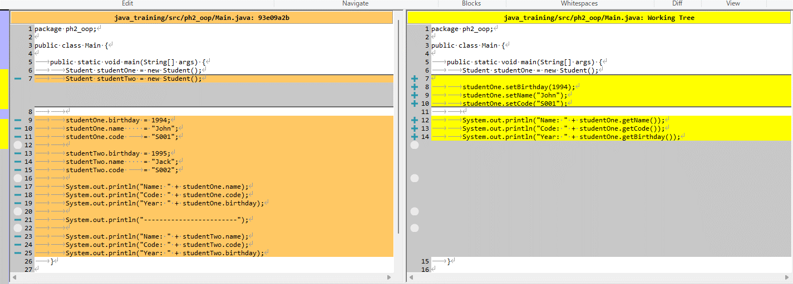

Thực thi

ShowInfo
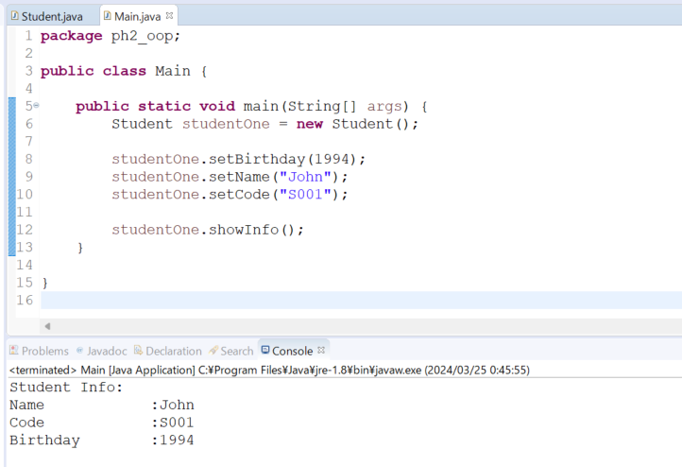
java_training
 | src
 |  | ph1_basic
 |  | ph2_oop
 |  |  | Main.java | → | edit
 |  |  | Student.java | → | edit
 |  |  | Teacher.java

java_training\src\ph2_oop\Student.java
package ph2_oop;

public class Student {
public String name;
public String code;
public int birthday;
public String getName() {
return name;
}
public void setName(String name) {
this.name = name;
}
public String getCode() {
return code;
}
public void setCode(String code) {
this.code = code;
}
public int getBirthday() {
return birthday;
}
public void setBirthday(int birthday) {
this.birthday = birthday;
}

// Show Student Info
public void showInfo() {
System.out.println("Student Info: ");
System.out.println("Name \t\t:" + this.getName()); |  |  |  |  | → | \t: Phím Tab
System.out.println("Code \t\t:" + this.getCode());
System.out.println("Birthday \t:" + this.getBirthday());
}
}

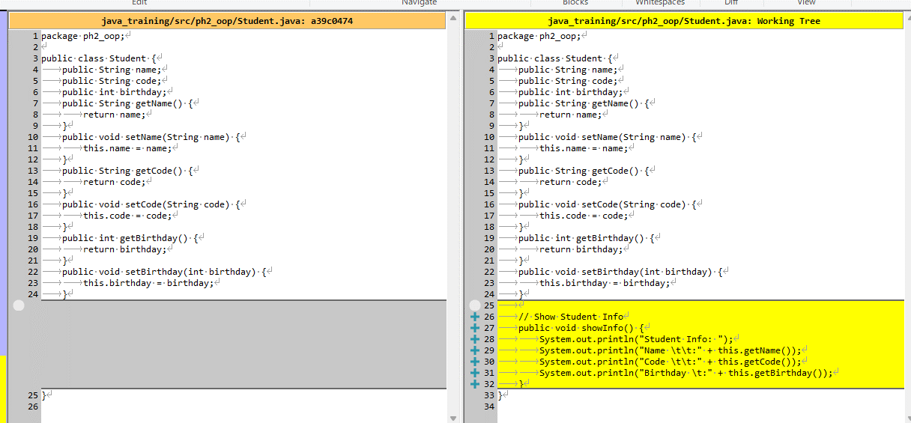

java_training\src\ph2_oop\Main.java
package ph2_oop;

public class Main {

public static void main(String[] args) {
Student studentOne = new Student();

studentOne.setBirthday(1994);
studentOne.setName("John");
studentOne.setCode("S001");

studentOne.showInfo();
}

}

Thực thi

GetAge
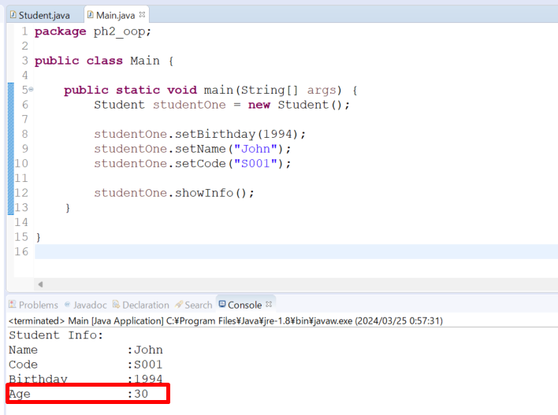
java_training
 | src
 |  | ph1_basic
 |  | ph2_oop
 |  |  | Main.java
 |  |  | Student.java | → | edit
 |  |  | Teacher.java

java_training\src\ph2_oop\Student.java
package ph2_oop;

import java.util.Calendar;

public class Student {
public String name;
public String code;
public int birthday;
public String getName() {
return name;
}
public void setName(String name) {
this.name = name;
}
public String getCode() {
return code;
}
public void setCode(String code) {
this.code = code;
}
public int getBirthday() {
return birthday;
}
public void setBirthday(int birthday) {
this.birthday = birthday;
}

public int getAge() { |  |  |  |  | → | Kiểu trả về là int không phải là kiểu void
Calendar now = Calendar.getInstance();
return now.get(Calendar.YEAR) - this.getBirthday();
}

// Show Student Info
public void showInfo() { |  |  |  |  | → | Kiểu trà về là kiểu void
System.out.println("Student Info: ");
System.out.println("Name \t\t:" + this.getName());
System.out.println("Code \t\t:" + this.getCode());
System.out.println("Birthday \t:" + this.getBirthday());
System.out.println("Age \t\t:" + this.getAge());
}
}

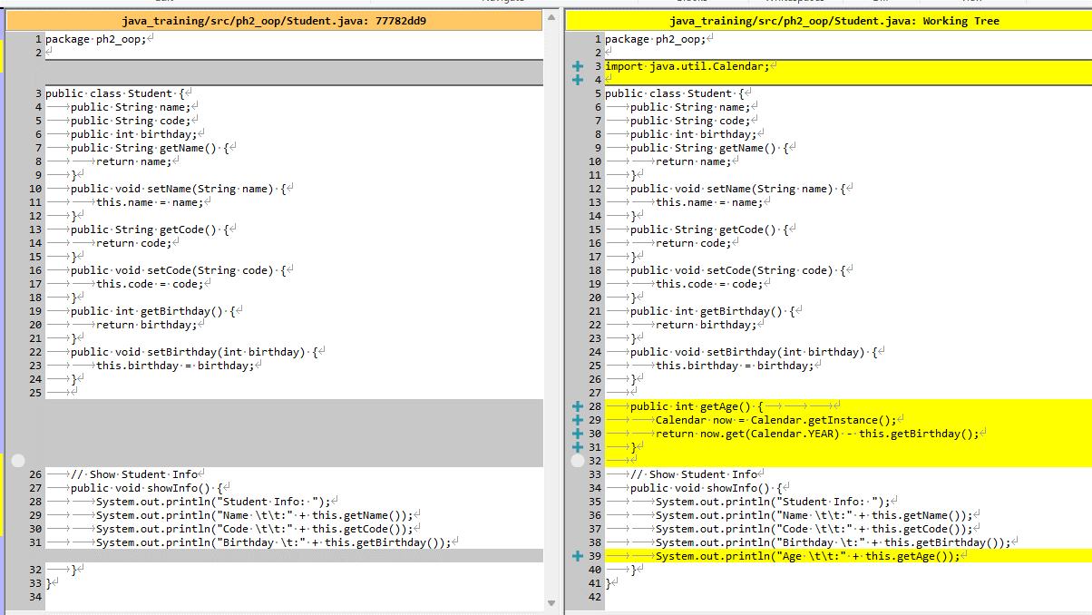

Thực thi

