Introduce & Analytict
java_training
 | src
 |  | bookstore
 |  |  | Book.java
 |  |  | Main.java | → | new
 |  |  | MainV1.java | → | backup Main.java trước đó đã tạo
 |  |  | Store.java | → | new
 |  | ph1_basic
 |  | ph2_oop
 |  | ph3_array
 |  |  | ArrayBasic.java
 |  |  | ArrayClass.java
 |  |  | ArrayExe.java
 |  |  | ArrayMulti.java

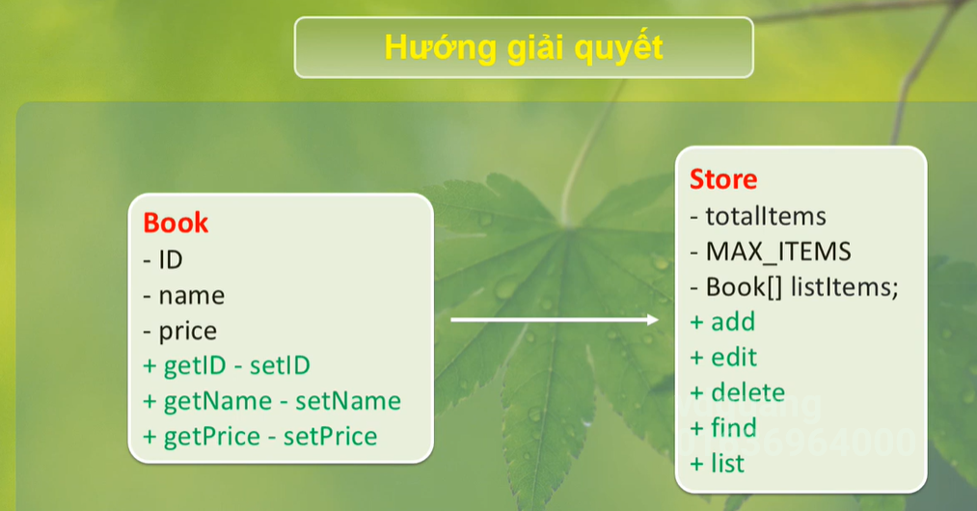

java_training\src\bookstore\Main.java
package bookstore;

import java.util.Scanner;

public class Main {

public static void main(String[] args) {
Scanner sc = new Scanner(System.in);
int functionID = 0;
boolean flag = true;

do {
showMenu();
functionID = sc.nextInt();
sc.nextLine();

switch (functionID) {
case 1: addBook(); break;
case 2: editBook(); break;
case 3: deleteBook(); break;
case 4: findBook(); break;
case 5: listBook(); break;
case 6:
default:
flag = false;
break;
}
} while (flag == true);

sc.close();
}

public static void showMenu(){
myPrint("----------- BOOK MANAGER ----------- ");
myPrint("1. Add book");
myPrint("2. Edit book");
myPrint("3. Delete book");
myPrint("4. Find book");
myPrint("5. List book");
myPrint("6. Exit");
myPrint("Your choise [1-6]: ");
}

public static void addBook(){
myPrint("addBook");
}

public static void myPrint(String content){
System.out.println(content);
}

public static void deleteBook(){
myPrint("deleteBook");
}

public static void findBook(){
myPrint("findBook");
}

public static void editBook(){
myPrint("editBook");
}

public static void listBook(){
myPrint("listBook");
}
}

java_training\src\bookstore\Store.java |  |  |  |  |  | → | Dùng để mô tả phần lưu trữ
package bookstore;

public class Store {
private static int totalItems = 0; // Số quyển sách hiện tại trong kho sách
private final int MAX_ITEMS = 10; // Số quyển sách lớn nhất mà kho sách chứa được
private Book[] listItems = null; |  |  |  |  |  | → | Danh sách list các quyển sách

public Store(){
listItems = new Book[MAX_ITEMS]; |  |  |  |  |  | → | Khởi tạo
}

public int getItemPosition(String bookID){
return -1;
}

// checkFull
public boolean checkFull(){
return false;
}

// Add book
public void add(Book bookObj){
}

// Edit book
public void edit(String bookID, String bookName, double bookPrice){
}

// Delete book
public void delete(String bookID){
}

// Find book
public void find(String bookID){
}

// list book
public void list(){
}
}

Add & List
java_training
 | src
 |  | bookstore
 |  |  | Book.java
 |  |  | Main.java | → | edit
 |  |  | MainV1.java
 |  |  | Store.java | → | edit
 |  | ph1_basic
 |  | ph2_oop
 |  | ph3_array
 |  |  | ArrayBasic.java
 |  |  | ArrayClass.java
 |  |  | ArrayExe.java
 |  |  | ArrayMulti.java

java_training\src\bookstore\Main.java
package bookstore;

import java.util.Scanner;

public class Main {
private static Store storeObj = new Store();

public static void main(String[] args) {
Scanner sc = new Scanner(System.in);
int functionID = 0;
boolean flag = true;

do {
showMenu();
functionID = sc.nextInt();
sc.nextLine();

switch (functionID) {
case 1: addBook(); break;
case 2: editBook(); break;
case 3: deleteBook(); break;
case 4: findBook(); break;
case 5: listBook(); break;
case 6:
default:
flag = false;
break;
}
} while (flag == true);

sc.close();
}

public static void showMenu(){
myPrint("----------- BOOK MANAGER ----------- ");
myPrint("1. Add book");
myPrint("2. Edit book");
myPrint("3. Delete book");
myPrint("4. Find book");
myPrint("5. List book");
myPrint("6. Exit");
myPrint("Your choise [1-6]: ");
}

public static void addBook(){
Scanner sc = new Scanner(System.in);

String bookName = "";
String bookID = "";
double bookPrice= 0;

myPrint("ID: ");
bookID = sc.nextLine();

myPrint("Name: ");
bookName = sc.nextLine();

myPrint("Price: ");
bookPrice = sc.nextDouble();

Book bookObj = new Book(bookID, bookName, bookPrice);
storeObj.add(bookObj);
}

public static void myPrint(String content){
System.out.println(content);
}

public static void deleteBook(){
myPrint("deleteBook");
}

public static void findBook(){
myPrint("findBook");
}

public static void editBook(){
myPrint("editBook");
}

public static void listBook(){
storeObj.list();
}
}

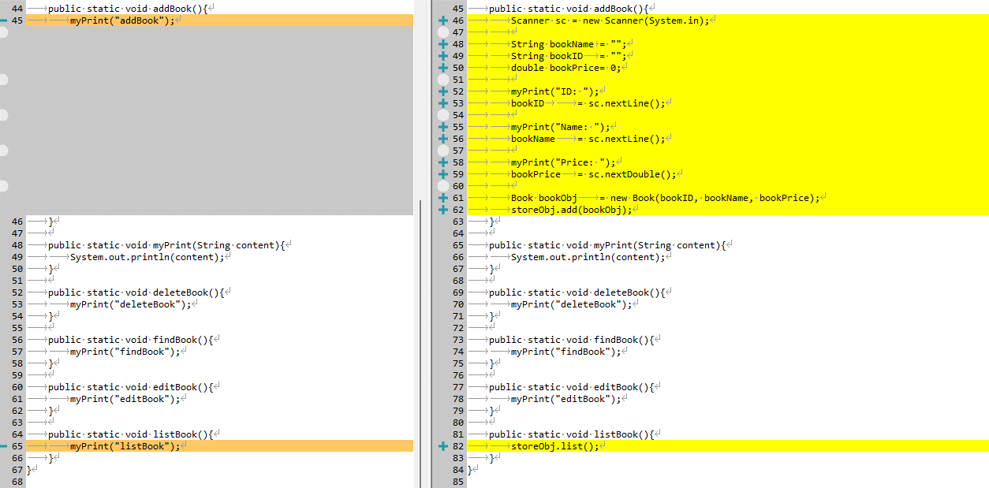

java_training\src\bookstore\Store.java
package bookstore;

public class Store {
private static int totalItems = 0; // Số quyển sách hiện tại trong kho sách
private final int MAX_ITEMS = 10; // Số quyển sách lớn nhất mà kho sách chứa được
private Book[] listItems = null;

public Store(){
listItems = new Book[MAX_ITEMS];
}

public int getItemPosition(String bookID){
return -1;
}

// checkFull
public boolean checkFull(){
return false;
}

// Add book
public void add(Book bookObj){
this.listItems[totalItems] = bookObj;
this.totalItems++;
System.out.println("Add Successfull!");
}

// Edit book
public void edit(String bookID, String bookName, double bookPrice){
}

// Delete book
public void delete(String bookID){
}

// Find book
public void find(String bookID){
}

// list book
public void list(){
for(int i = 0; i < totalItems; i++){
this.listItems[i].showInfo();
}
}
}

Thực thi
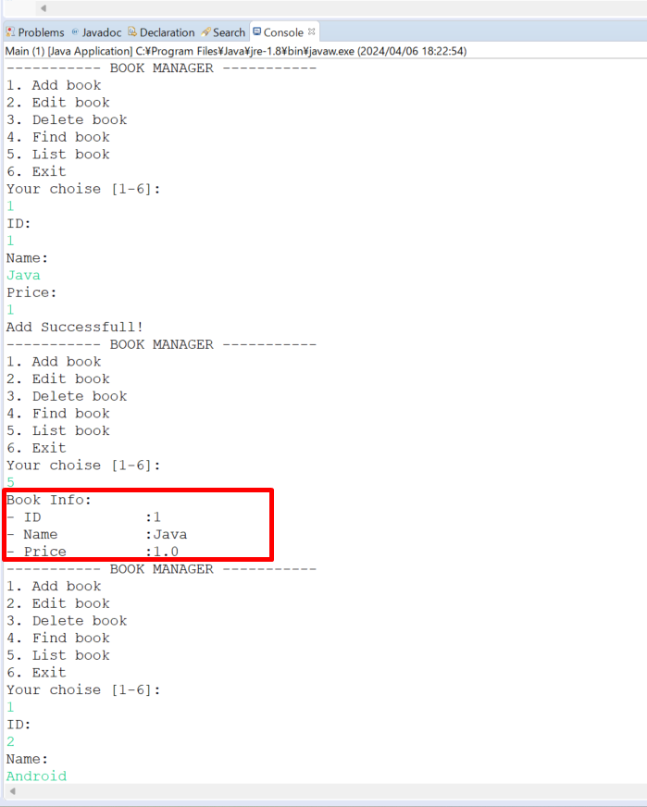

 |  |  |  |  |  | → | Sau khi add 1 quyển sách thì có 1 quyển sách

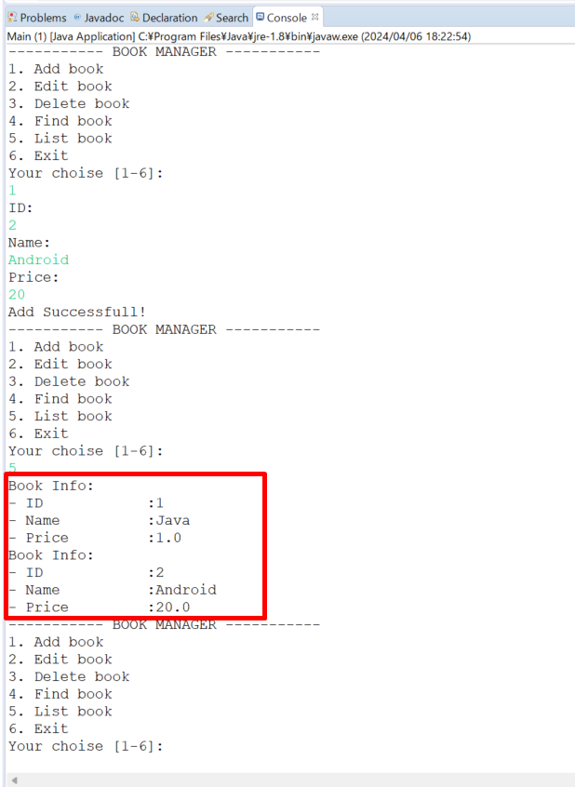

 |  |  |  |  |  | → | Sau khi add thêm 1 quyển sách nữa thì có 2 quyển sách

Check Full & Check Empty
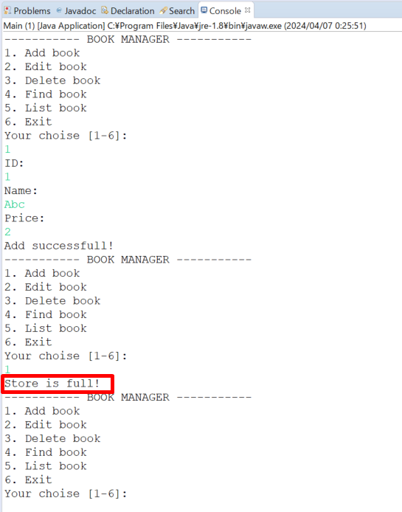
java_training
 | src
 |  | bookstore
 |  |  | Book.java
 |  |  | Main.java | → | edit
 |  |  | MainV1.java
 |  |  | Store.java | → | edit
 |  | ph1_basic
 |  | ph2_oop
 |  | ph3_array
 |  |  | ArrayBasic.java
 |  |  | ArrayClass.java
 |  |  | ArrayExe.java
 |  |  | ArrayMulti.java

java_training\src\bookstore\Store.java
package bookstore;

public class Store {
private static int totalItems = 0; // Số quyển sách hiện tại trong kho sách
private final int MAX_ITEMS = 1; // Số quyển sách lớn nhất mà kho sách chứa được
private Book[] listItems = null;

public Store(){
listItems = new Book[MAX_ITEMS];
}

public int getItemPosition(String bookID){
return -1;
}

// checkFull
public boolean checkFull(){
if(totalItems == MAX_ITEMS) return true;
return false;
}

// checkEmpty
public boolean checkEmpty(){
if(totalItems == 0) return true;
return false;
}

// Add book
public void add(Book bookObj){
if(this.checkFull() == false){
this.listItems[totalItems] = bookObj;
totalItems++;
System.out.println("Add successfull!");
}else{
System.out.println("Store is full!");
}
}

// Edit book
public void edit(String bookID, String bookName, double bookPrice){
}

// Delete book
public void delete(String bookID){
}

// Find book
public void find(String bookID){
}

// list book
public void list(){
if(this.checkEmpty() == false){
for(int i = 0; i < totalItems; i++){
this.listItems[i].showInfo();
}
}else{
System.out.println("Store is empty!");
}
}
}

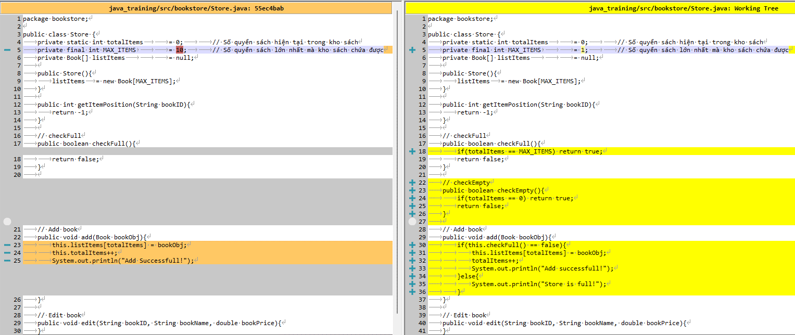

java_training\src\bookstore\Main.java
package bookstore;

import java.util.Scanner;

public class Main {
private static Store storeObj = new Store();

public static void main(String[] args) {
Scanner sc = new Scanner(System.in);
int functionID = 0;
boolean flag = true;

do {
showMenu();
functionID = sc.nextInt();
sc.nextLine();

switch (functionID) {
case 1: addBook(); break;
case 2: editBook(); break;
case 3: deleteBook(); break;
case 4: findBook(); break;
case 5: listBook(); break;
case 6:
default:
flag = false;
break;
}
} while (flag == true);

sc.close();
}

public static void showMenu(){
myPrint("----------- BOOK MANAGER ----------- ");
myPrint("1. Add book");
myPrint("2. Edit book");
myPrint("3. Delete book");
myPrint("4. Find book");
myPrint("5. List book");
myPrint("6. Exit");
myPrint("Your choise [1-6]: ");
}

public static void addBook(){
if(storeObj.checkFull() == false) {
Scanner sc = new Scanner(System.in);

String bookName = "";
String bookID = "";
double bookPrice= 0;

myPrint("ID: ");
bookID = sc.nextLine();

myPrint("Name: ");
bookName = sc.nextLine();

myPrint("Price: ");
bookPrice = sc.nextDouble();

Book bookObj = new Book(bookID, bookName, bookPrice);
storeObj.add(bookObj);
} else {
System.out.println("Store is full!");
}
}

public static void myPrint(String content){
System.out.println(content);
}

public static void deleteBook(){
myPrint("deleteBook");
}

public static void findBook(){
myPrint("findBook");
}

public static void editBook(){
myPrint("editBook");
}

public static void listBook(){
storeObj.list();
}
}

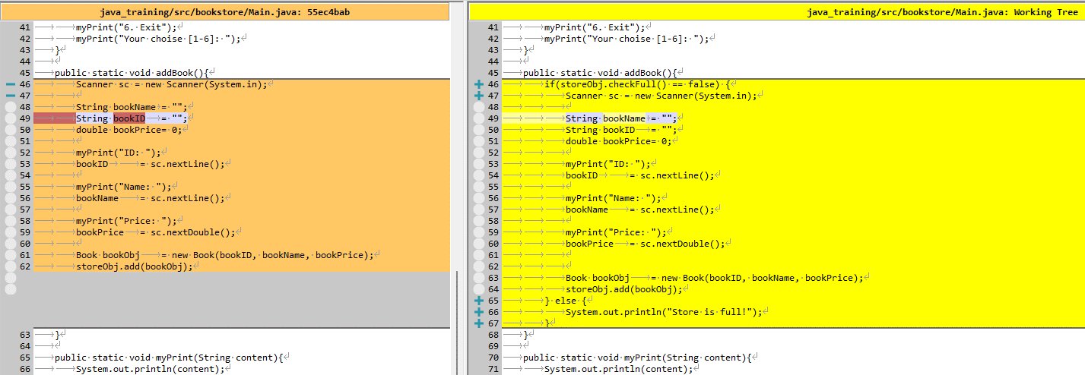

Thực thi

Find
java_training
 | src
 |  | bookstore
 |  |  | Book.java
 |  |  | Main.java | → | edit
 |  |  | MainV1.java
 |  |  | Store.java | → | edit
 |  | ph1_basic
 |  | ph2_oop
 |  | ph3_array
 |  |  | ArrayBasic.java
 |  |  | ArrayClass.java
 |  |  | ArrayExe.java
 |  |  | ArrayMulti.java

java_training\src\bookstore\Store.java
package bookstore;

public class Store {
private static int totalItems = 0; // Số quyển sách hiện tại trong kho sách
private final int MAX_ITEMS = 10; // Số quyển sách lớn nhất mà kho sách chứa được
private Book[] listItems = null;

public Store(){
listItems = new Book[MAX_ITEMS];
}

public int getItemPosition(String bookID){
if (totalItems > 0) {
for(int i = 0; i < totalItems; i++){
if(bookID.equals(listItems[i].getID())==true) return i;
}
}
return -1;
}

// checkFull
public boolean checkFull(){
if(totalItems == MAX_ITEMS) return true;
return false;
}

// checkEmpty
public boolean checkEmpty(){
if(totalItems == 0) return true;
return false;
}

// Add book
public void add(Book bookObj){
if(this.checkFull() == false){
this.listItems[totalItems] = bookObj;
totalItems++;
System.out.println("Add successfull!");
}else{
System.out.println("Store is full!");
}
}

// Edit book
public void edit(String bookID, String bookName, double bookPrice){
}

// Delete book
public void delete(String bookID){
}

// Find book
public void find(String bookID){
// listItems[bookPosition] = [1 Java 20]
// listItems[bookPosition] = [2 Android 30]
// listItems[bookPosition] = [3 PHP 10]
int bookPosition = this.getItemPosition(bookID);
if(bookPosition == -1){
System.out.println("This book is not exist!");
}else{
listItems[bookPosition].showInfo();
}
}

// list book
public void list(){
if(this.checkEmpty() == false){
for(int i = 0; i < totalItems; i++){
this.listItems[i].showInfo();
}
}else{
System.out.println("Store is empty!");
}
}
}

java_training\src\bookstore\Main.java
package bookstore;

import java.util.Scanner;

public class Main {
private static Store storeObj = new Store();

public static void main(String[] args) {
Scanner sc = new Scanner(System.in);
int functionID = 0;
boolean flag = true;

do {
showMenu();
functionID = sc.nextInt();
sc.nextLine();

switch (functionID) {
case 1: addBook(); break;
case 2: editBook(); break;
case 3: deleteBook(); break;
case 4: findBook(); break;
case 5: listBook(); break;
case 6:
default:
flag = false;
break;
}
} while (flag == true);

sc.close();
}

public static void showMenu(){
myPrint("----------- BOOK MANAGER ----------- ");
myPrint("1. Add book");
myPrint("2. Edit book");
myPrint("3. Delete book");
myPrint("4. Find book");
myPrint("5. List book");
myPrint("6. Exit");
myPrint("Your choise [1-6]: ");
}

public static void addBook(){
if(storeObj.checkFull() == false) {
Scanner sc = new Scanner(System.in);

String bookName = "";
String bookID = "";
double bookPrice= 0;

myPrint("ID: ");
bookID = sc.nextLine();

myPrint("Name: ");
bookName = sc.nextLine();

myPrint("Price: ");
bookPrice = sc.nextDouble();

Book bookObj = new Book(bookID, bookName, bookPrice);
storeObj.add(bookObj);
} else {
System.out.println("Store is full!");
}
}

public static void myPrint(String content){
System.out.println(content);
}

public static void deleteBook(){
myPrint("deleteBook");
}

public static void findBook(){
Scanner sc = new Scanner(System.in);

String bookID = "";

myPrint("ID muon tim kiem: ");
bookID = sc.nextLine();

storeObj.find(bookID);
}

public static void editBook(){
myPrint("editBook");
}

public static void listBook(){
storeObj.list();
}
}

Thực thi
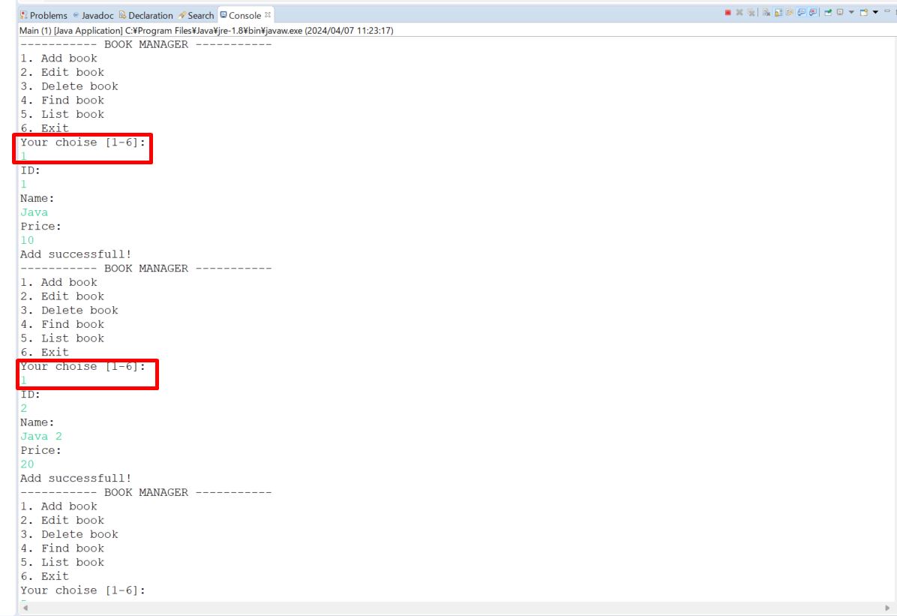

 |  |  |  |  |  | → | Thêm quyển sách thứ nhất

 |  |  |  |  |  | → | Thêm quyển sách thứ 2

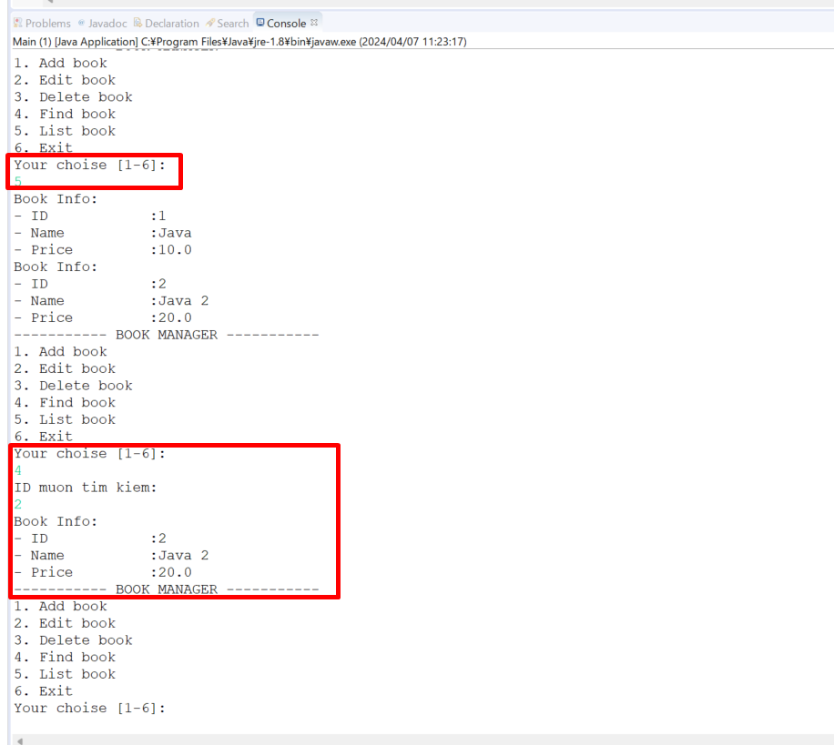

 |  |  |  |  |  | → | List ra danh sách các quyển sách

 |  |  |  |  |  | → | Tìm kiếm quyển sách có id là 2

Edit
java_training
 | src
 |  | bookstore
 |  |  | Book.java
 |  |  | Main.java | → | edit
 |  |  | MainV1.java
 |  |  | Store.java | → | edit
 |  | ph1_basic
 |  | ph2_oop
 |  | ph3_array
 |  |  | ArrayBasic.java
 |  |  | ArrayClass.java
 |  |  | ArrayExe.java
 |  |  | ArrayMulti.java

java_training\src\bookstore\Store.java
package bookstore;

public class Store {
private static int totalItems = 0; // Số quyển sách hiện tại trong kho sách
private final int MAX_ITEMS = 10; // Số quyển sách lớn nhất mà kho sách chứa được
private Book[] listItems = null;

public Store(){
listItems = new Book[MAX_ITEMS];
}

public int getItemPosition(String bookID){
if (totalItems > 0) {
for(int i = 0; i < totalItems; i++){
if(bookID.equals(listItems[i].getID())==true) return i;
}
}
return -1;
}

// checkFull
public boolean checkFull(){
if(totalItems == MAX_ITEMS) return true;
return false;
}

// checkEmpty
public boolean checkEmpty(){
if(totalItems == 0) return true;
return false;
}

// Add book
public void add(Book bookObj){
if(this.checkFull() == false){
this.listItems[totalItems] = bookObj;
totalItems++;
System.out.println("Add successfull!");
}else{
System.out.println("Store is full!");
}
}

// Edit book
public void edit(String bookID, String bookName, double bookPrice){
int bookPosition = this.getItemPosition(bookID);
if(bookPosition == -1){
System.out.println("This book is not exist!");
}else{
listItems[bookPosition].setName(bookName);
listItems[bookPosition].setPrice(bookPrice);
System.out.println("Edit successfull!");
}
}

// Delete book
public void delete(String bookID){
}

// Find book
public void find(String bookID){
// listItems[bookPosition] = [1 Java 20]
// listItems[bookPosition] = [2 Android 30]
// listItems[bookPosition] = [3 PHP 10]
int bookPosition = this.getItemPosition(bookID);
if(bookPosition == -1){
System.out.println("This book is not exist!");
}else{
listItems[bookPosition].showInfo();
}
}

// list book
public void list(){
if(this.checkEmpty() == false){
for(int i = 0; i < totalItems; i++){
this.listItems[i].showInfo();
}
}else{
System.out.println("Store is empty!");
}
}
}

java_training\src\bookstore\Main.java
package bookstore;

import java.util.Scanner;

public class Main {
private static Store storeObj = new Store();

public static void main(String[] args) {
Scanner sc = new Scanner(System.in);
int functionID = 0;
boolean flag = true;

do {
showMenu();
functionID = sc.nextInt();
sc.nextLine();

switch (functionID) {
case 1: addBook(); break;
case 2: editBook(); break;
case 3: deleteBook(); break;
case 4: findBook(); break;
case 5: listBook(); break;
case 6:
default:
flag = false;
break;
}
} while (flag == true);

sc.close();
}

public static void showMenu(){
myPrint("----------- BOOK MANAGER ----------- ");
myPrint("1. Add book");
myPrint("2. Edit book");
myPrint("3. Delete book");
myPrint("4. Find book");
myPrint("5. List book");
myPrint("6. Exit");
myPrint("Your choise [1-6]: ");
}

public static void addBook(){
if(storeObj.checkFull() == false) {
Scanner sc = new Scanner(System.in);

String bookName = "";
String bookID = "";
double bookPrice= 0;

myPrint("ID: ");
bookID = sc.nextLine();

myPrint("Name: ");
bookName = sc.nextLine();

myPrint("Price: ");
bookPrice = sc.nextDouble();

Book bookObj = new Book(bookID, bookName, bookPrice);
storeObj.add(bookObj);
} else {
System.out.println("Store is full!");
}
}

public static void myPrint(String content){
System.out.println(content);
}

public static void deleteBook(){
myPrint("deleteBook");
}

public static void findBook(){
Scanner sc = new Scanner(System.in);

String bookID = "";

myPrint("ID muon tim kiem: ");
bookID = sc.nextLine();

storeObj.find(bookID);
}

public static void editBook(){
Scanner sc = new Scanner(System.in);

String bookName = "";
String bookID = "";
double bookPrice= 0;

myPrint("ID: ");
bookID = sc.nextLine();

myPrint("Name: ");
bookName = sc.nextLine();

myPrint("Price: ");
bookPrice = sc.nextDouble();

storeObj.edit(bookID, bookName, bookPrice);
}

public static void listBook(){
storeObj.list();
}
}

Thực thi
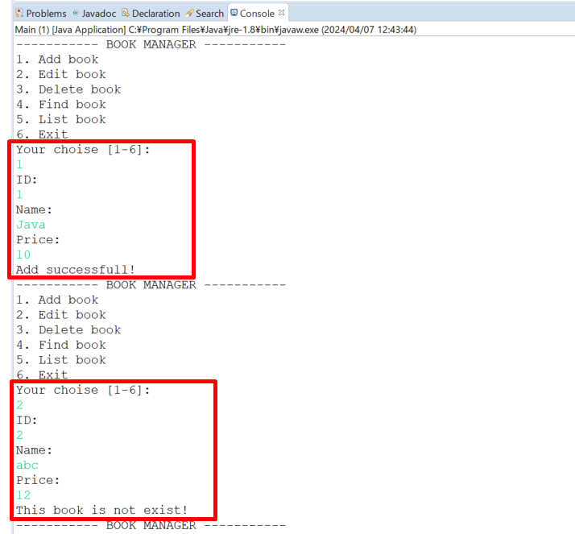

 |  |  |  |  |  | → | Thêm 1 quyển sách có Id là 1

 |  |  |  |  |  | → | Edit quyển sách có Id là 2 không tồn tại nên hiển thị lên thông báo lỗi not exist

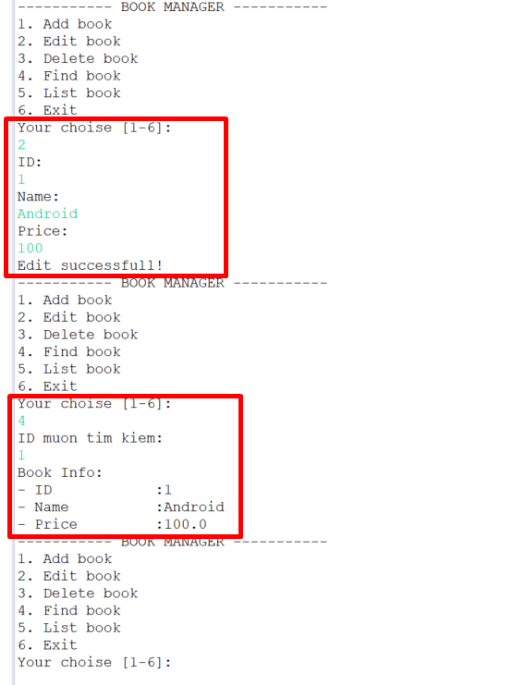

 |  |  |  |  |  | → | Chọn lại edit với Id của quyển sách là 1 -> Edit thành công

 |  |  |  |  |  | → | Xem lại thông tin quyển sách đã edit

Delete
java_training
 | src
 |  | bookstore
 |  |  | Book.java
 |  |  | Main.java | → | edit
 |  |  | MainV1.java
 |  |  | Store.java | → | edit
 |  | ph1_basic
 |  | ph2_oop
 |  | ph3_array
 |  |  | ArrayBasic.java
 |  |  | ArrayClass.java
 |  |  | ArrayExe.java
 |  |  | ArrayMulti.java

java_training\src\bookstore\Store.java
package bookstore;

public class Store {
private static int totalItems = 0; // Số quyển sách hiện tại trong kho sách
private final int MAX_ITEMS = 10; // Số quyển sách lớn nhất mà kho sách chứa được
private Book[] listItems = null;

public Store(){
listItems = new Book[MAX_ITEMS];
}

public int getItemPosition(String bookID){
if (totalItems > 0) {
for(int i = 0; i < totalItems; i++){
if(bookID.equals(listItems[i].getID())==true) return i;
}
}
return -1;
}

// checkFull
public boolean checkFull(){
if(totalItems == MAX_ITEMS) return true;
return false;
}

// checkEmpty
public boolean checkEmpty(){
if(totalItems == 0) return true;
return false;
}

// Add book
public void add(Book bookObj){
int bookPosition = this.getItemPosition(bookObj.getID());
if(bookPosition == -1) { |  |  |  |  |  | → | Id của quyển sách chưa tồn tại thì mới tiến hành thêm
if(this.checkFull() == false){
this.listItems[totalItems] = bookObj;
totalItems++;
System.out.println("Add successfull!");
}else{
System.out.println("Store is full!");
}
} else {
System.out.println("Id cua sach da ton tai");
}
}

// Edit book
public void edit(String bookID, String bookName, double bookPrice){
int bookPosition = this.getItemPosition(bookID);
if(bookPosition == -1){
System.out.println("This book is not exist!");
}else{
listItems[bookPosition].setName(bookName);
listItems[bookPosition].setPrice(bookPrice);
System.out.println("Edit successfull!");
}
}

// Delete book
public void delete(String bookID){
int bookPosition = this.getItemPosition(bookID);
if(bookPosition == -1){
System.out.println("This book is not exist!");
}else{
for(int i = bookPosition; i < totalItems - 1; i++){
listItems[i] = listItems[i+1];
}
this.totalItems--; |  |  |  |  |  | → | Sau khi xóa đi 1 quyển sách thì tổng số quyển sách giảm đi 1
System.out.println("Delete successfull!");
}
}

// Find book
public void find(String bookID){
// listItems[bookPosition] = [1 Java 20]
// listItems[bookPosition] = [2 Android 30]
// listItems[bookPosition] = [3 PHP 10]
int bookPosition = this.getItemPosition(bookID);
if(bookPosition == -1){
System.out.println("This book is not exist!");
}else{
listItems[bookPosition].showInfo();
}
}

// list book
public void list(){
if(this.checkEmpty() == false){
for(int i = 0; i < totalItems; i++){
this.listItems[i].showInfo();
}
}else{
System.out.println("Store is empty!");
}
}
}

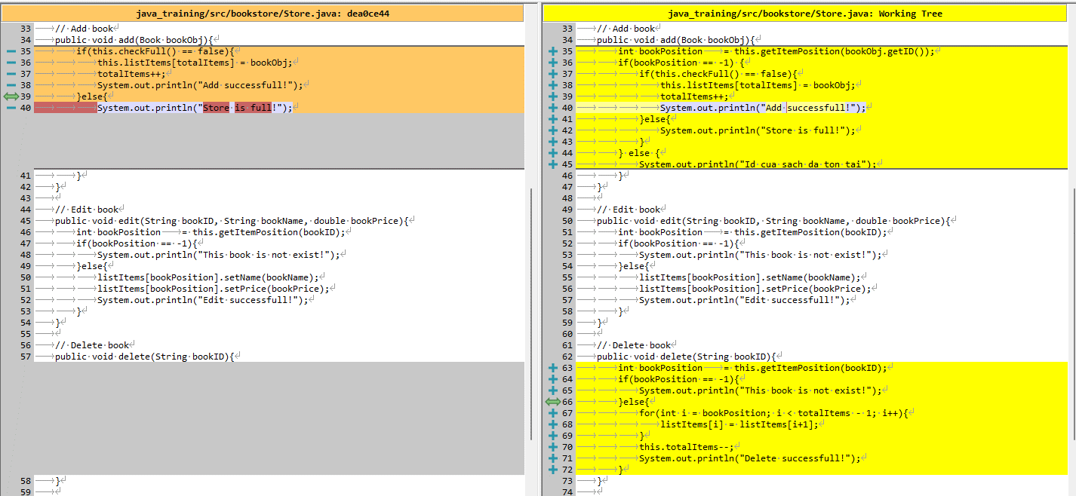

java_training\src\bookstore\Main.java
package bookstore;

import java.util.Scanner;

public class Main {
private static Store storeObj = new Store();

public static void main(String[] args) {
Scanner sc = new Scanner(System.in);
int functionID = 0;
boolean flag = true;

do {
showMenu();
functionID = sc.nextInt();
sc.nextLine();

switch (functionID) {
case 1: addBook(); break;
case 2: editBook(); break;
case 3: deleteBook(); break;
case 4: findBook(); break;
case 5: listBook(); break;
case 6:
default:
flag = false;
break;
}
} while (flag == true);

sc.close();
}

public static void showMenu(){
myPrint("----------- BOOK MANAGER ----------- ");
myPrint("1. Add book");
myPrint("2. Edit book");
myPrint("3. Delete book");
myPrint("4. Find book");
myPrint("5. List book");
myPrint("6. Exit");
myPrint("Your choise [1-6]: ");
}

public static void addBook(){
if(storeObj.checkFull() == false) {
Scanner sc = new Scanner(System.in);

String bookName = "";
String bookID = "";
double bookPrice= 0;

myPrint("ID: ");
bookID = sc.nextLine();

myPrint("Name: ");
bookName = sc.nextLine();

myPrint("Price: ");
bookPrice = sc.nextDouble();

Book bookObj = new Book(bookID, bookName, bookPrice);
storeObj.add(bookObj);
} else {
System.out.println("Store is full!");
}
}

public static void myPrint(String content){
System.out.println(content);
}

public static void deleteBook(){
Scanner sc = new Scanner(System.in);

String bookID = "";

myPrint("ID cua quyen sach muon xoa: ");
bookID = sc.nextLine();

storeObj.delete(bookID);
}

public static void findBook(){
Scanner sc = new Scanner(System.in);

String bookID = "";

myPrint("ID muon tim kiem: ");
bookID = sc.nextLine();

storeObj.find(bookID);
}

public static void editBook(){
Scanner sc = new Scanner(System.in);

String bookName = "";
String bookID = "";
double bookPrice= 0;

myPrint("ID: ");
bookID = sc.nextLine();

myPrint("Name: ");
bookName = sc.nextLine();

myPrint("Price: ");
bookPrice = sc.nextDouble();

storeObj.edit(bookID, bookName, bookPrice);
}

public static void listBook(){
storeObj.list();
}
}

Thực thi
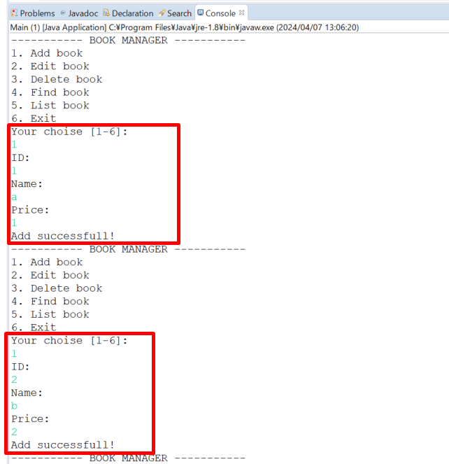

 |  |  |  |  |  |  | → | Thêm quyển sách thứ nhất có Id là 1

 |  |  |  |  |  |  | → | Thêm quyển sách thứ nhất có Id là 2

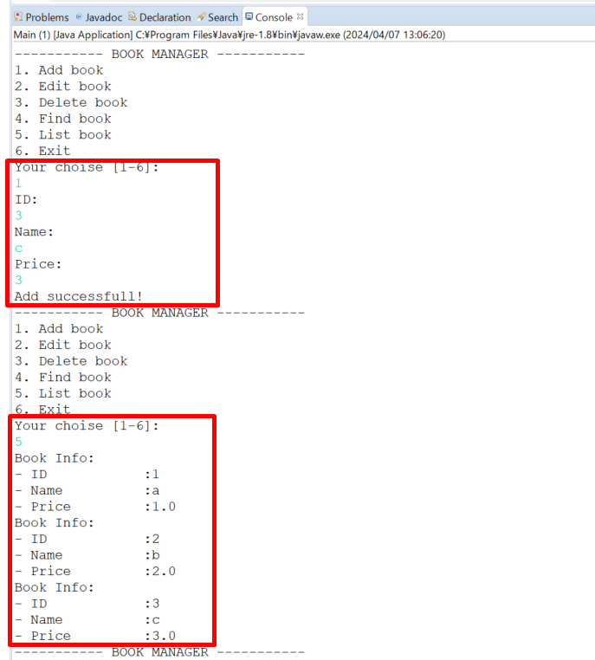

 |  |  |  |  |  |  | → | Thêm quyển sách thứ nhất có Id là 3

 |  |  |  |  |  |  | → | Xem danh sách list các quyển sách

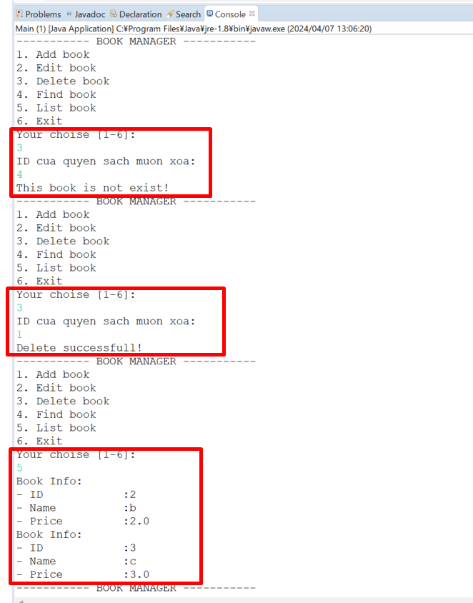

 |  |  |  |  |  |  | → | Thực hiện xóa nhưng nhập Id không tồn tại -> hiển thị thông báo not exist

 |  |  |  |  |  |  | → | Nhập Id tồn tại(Id=1) để xóa quyển sách -> xóa thành công

 |  |  |  |  |  |  | → | Xem lại danh sách list còn 2 quyển sách

