Toán tử số học
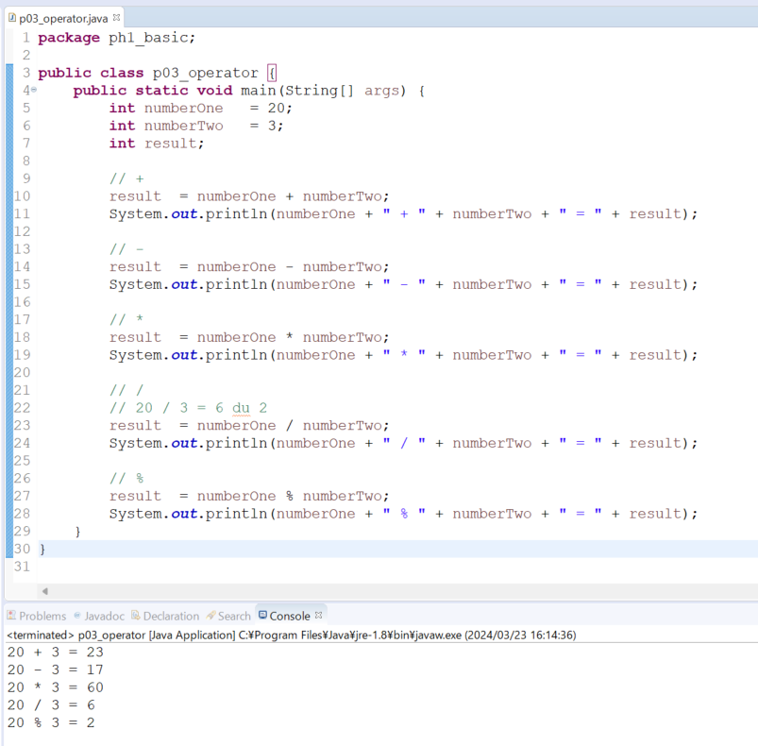
java_training
 | src
 |  | ph1_basic
 |  |  | p01_introduce.java
 |  |  | p02_variable.java
 |  |  | p03_operator.java | → | new

Toán tử số học gồm: + (cộng), - (trừ), * (nhân), / (chia), % (chia lấy phần dư).

java\java_training\src\ph1_basic\p03_operator.java
package ph1_basic;

public class p03_operator {
 | public static void main(String[] args) {
 |  | int numberOne | = 20;
 |  | int numberTwo | = 3;
 |  | int result;

 |  | // +
 |  | result | = numberOne + numberTwo;
 |  | System.out.println(numberOne + " + " + numberTwo + " = " + result);

 |  | // -
 |  | result | = numberOne - numberTwo;
 |  | System.out.println(numberOne + " - " + numberTwo + " = " + result);

 |  | // *
 |  | result | = numberOne * numberTwo;
 |  | System.out.println(numberOne + " * " + numberTwo + " = " + result);

 |  | // /
 |  | // 20 / 3 = 6 du 2
 |  | result | = numberOne / numberTwo;
 |  | System.out.println(numberOne + " / " + numberTwo + " = " + result);

 |  | // %
 |  | result | = numberOne % numberTwo;
 |  | System.out.println(numberOne + " % " + numberTwo + " = " + result);
 | }
}

Thực thi

Toán tử gán
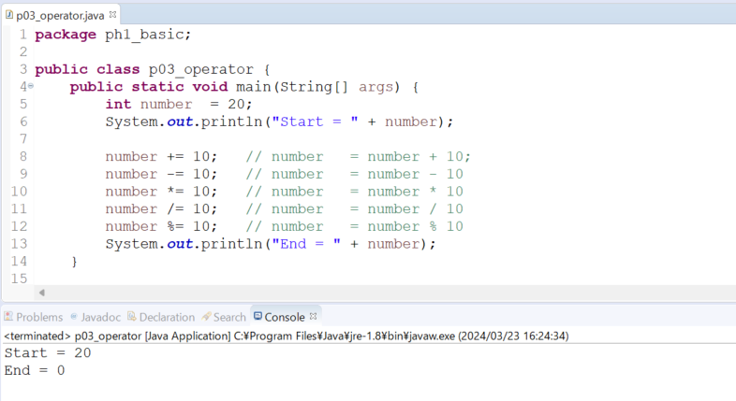
java_training
 | src
 |  | ph1_basic
 |  |  | p01_introduce.java
 |  |  | p02_variable.java
 |  |  | p03_operator.java | → | edit

Toan tu gan += -= *= /= %=

java\java_training\src\ph1_basic\p03_operator.java
package ph1_basic;

public class p03_operator {
 | public static void main(String[] args) {
 |  | int number | = 20;
 |  | System.out.println("Start = " + number);

 |  | number += 10; // number = number + 10;
 |  | number -= 10; // number = number - 10
 |  | number *= 10; // number = number * 10
 |  | number /= 10; // number = number / 10
 |  | number %= 10; // number = number % 10
 |  | System.out.println("End = " + number);
 | }

 | // 001 Toan tu so hoc + - * / %
 | public static void main001(String[] args) {
 |  | int numberOne | = 20;
 |  | int numberTwo | = 3;
 |  | int result;

 |  | // +
 |  | result | = numberOne + numberTwo;
 |  | System.out.println(numberOne + " + " + numberTwo + " = " + result);

 |  | // -
 |  | result | = numberOne - numberTwo;
 |  | System.out.println(numberOne + " - " + numberTwo + " = " + result);

 |  | // *
 |  | result | = numberOne * numberTwo;
 |  | System.out.println(numberOne + " * " + numberTwo + " = " + result);

 |  | // /
 |  | // 20 / 3 = 6 du 2
 |  | result | = numberOne / numberTwo;
 |  | System.out.println(numberOne + " / " + numberTwo + " = " + result);

 |  | // %
 |  | result | = numberOne % numberTwo;
 |  | System.out.println(numberOne + " % " + numberTwo + " = " + result);
 | }
}

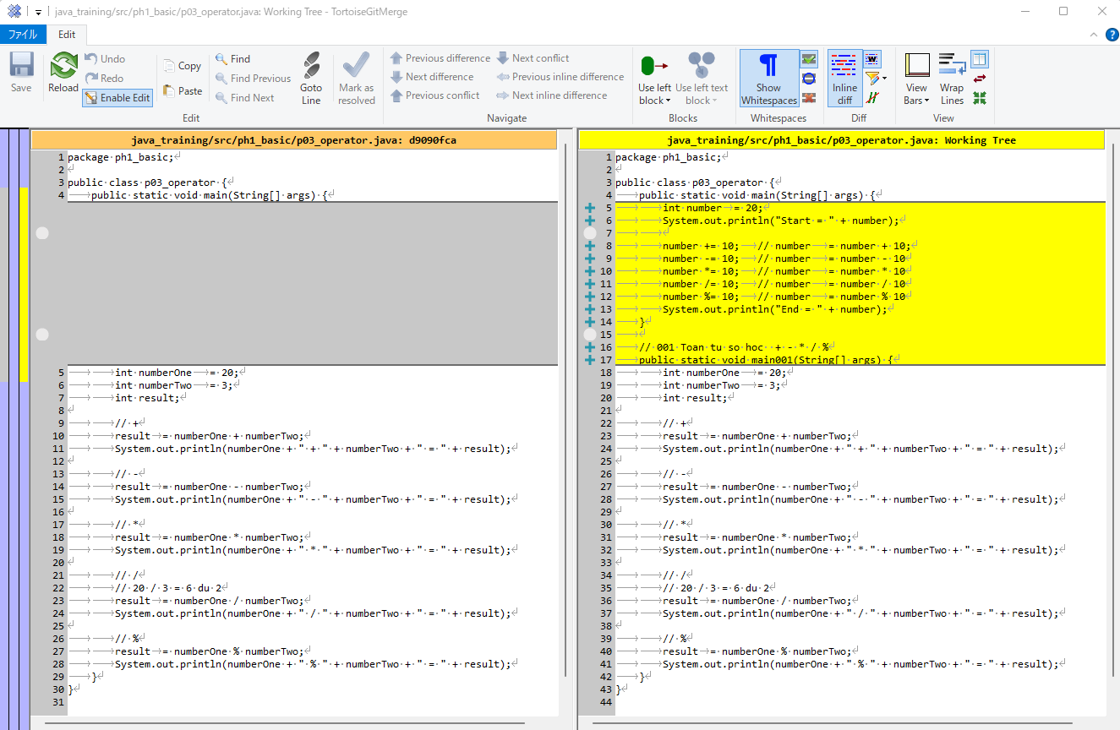

Thực thi

Toán tử ++ --
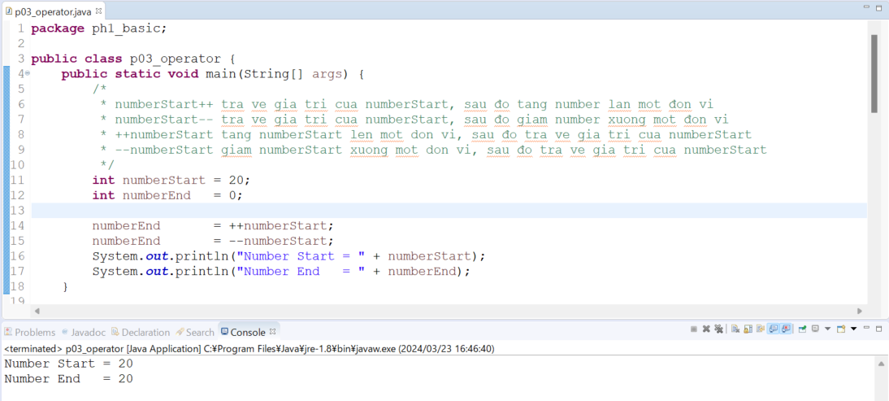
java_training
 | src
 |  | ph1_basic
 |  |  | p01_introduce.java
 |  |  | p02_variable.java
 |  |  | p03_operator.java |  | → | edit

numberStart++ tra ve gia tri cua numberStart, sau đo tang number lan mot đon vi
numberStart-- tra ve gia tri cua numberStart, sau đo giam number xuong mot đon vi
++numberStart tang numberStart len mot don vi, sau đo tra ve gia tri cua numberStart
--numberStart giam numberStart xuong mot don vi, sau đo tra ve gia tri cua numberStart

java\java_training\src\ph1_basic\p03_operator.java
package ph1_basic;

public class p03_operator {
 | public static void main(String[] args) {
 |  | /*
 |  | * numberStart++ tra ve gia tri cua numberStart, sau đo tang number lan mot đon vi
 |  | * numberStart-- tra ve gia tri cua numberStart, sau đo giam number xuong mot đon vi
 |  | * ++numberStart tang numberStart len mot don vi, sau đo tra ve gia tri cua numberStart
 |  | * --numberStart giam numberStart xuong mot don vi, sau đo tra ve gia tri cua numberStart
 |  | */
 |  | int numberStart = 20;
 |  | int numberEnd = 0;

 |  | numberEnd = ++numberStart;
 |  | numberEnd = --numberStart;
 |  | System.out.println("Number Start = " + numberStart);
 |  | System.out.println("Number End = " + numberEnd);
 | }

 | // 002 Toan tu gan += -= *= /= %=
 | public static void main002(String[] args) {
 |  | int number | = 20;
 |  | System.out.println("Start = " + number);

 |  | number += 10; | // number | = number + 10;
 |  | number -= 10; | // number | #NAME?
 |  | number *= 10; | // number | #NAME?
 |  | number /= 10; | // number | #NAME?
 |  | number %= 10; | // number | = number % 10
 |  | System.out.println("End = " + number);
 | }

 | // 001 Toan tu so hoc + - * / %
 | public static void main001(String[] args) {
 |  | int numberOne | = 20;
 |  | int numberTwo | = 3;
 |  | int result;

 |  | // +
 |  | result | = numberOne + numberTwo;
 |  | System.out.println(numberOne + " + " + numberTwo + " = " + result);

 |  | // -
 |  | result | = numberOne - numberTwo;
 |  | System.out.println(numberOne + " - " + numberTwo + " = " + result);

 |  | // *
 |  | result | = numberOne * numberTwo;
 |  | System.out.println(numberOne + " * " + numberTwo + " = " + result);

 |  | // /
 |  | // 20 / 3 = 6 du 2
 |  | result | = numberOne / numberTwo;
 |  | System.out.println(numberOne + " / " + numberTwo + " = " + result);

 |  | // %
 |  | result | = numberOne % numberTwo;
 |  | System.out.println(numberOne + " % " + numberTwo + " = " + result);
 | }
}

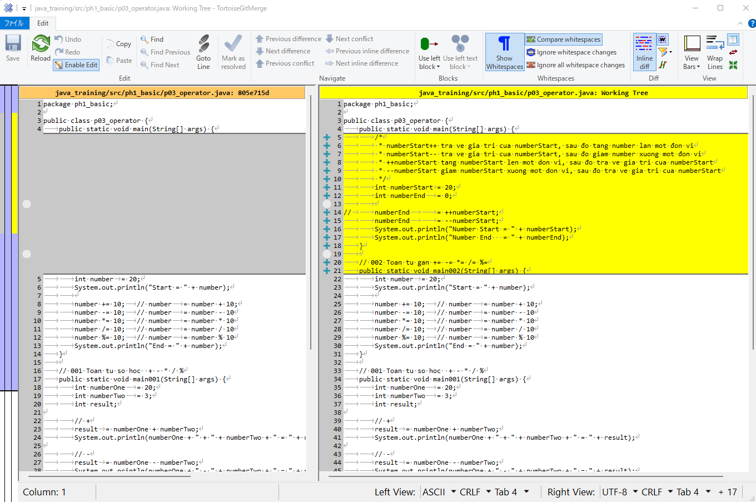

Thực thi

Toán tử so sánh
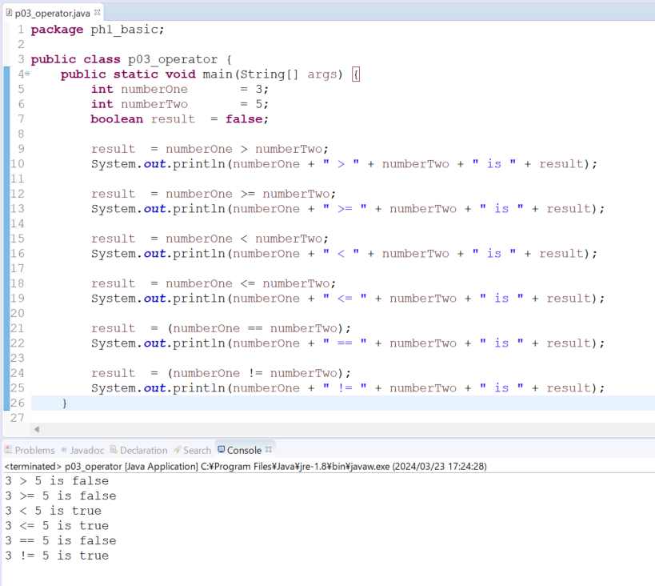
java_training
 | src
 |  | ph1_basic
 |  |  | p01_introduce.java
 |  |  | p02_variable.java
 |  |  | p03_operator.java |  | → | edit

Toán tử so sánh > < >= <= == != <>

java\java_training\src\ph1_basic\p03_operator.java
package ph1_basic;

public class p03_operator {
 | public static void main(String[] args) {
 |  | int numberOne = 3;
 |  | int numberTwo = 5;
 |  | boolean result = false;

 |  | result | = numberOne > numberTwo;
 |  | System.out.println(numberOne + " > " + numberTwo + " is " + result);

 |  | result | = numberOne >= numberTwo;
 |  | System.out.println(numberOne + " >= " + numberTwo + " is " + result);

 |  | result | = numberOne < numberTwo;
 |  | System.out.println(numberOne + " < " + numberTwo + " is " + result);

 |  | result | = numberOne <= numberTwo;
 |  | System.out.println(numberOne + " <= " + numberTwo + " is " + result);

 |  | result | = (numberOne == numberTwo);
 |  | System.out.println(numberOne + " == " + numberTwo + " is " + result);

 |  | result | = (numberOne != numberTwo);
 |  | System.out.println(numberOne + " != " + numberTwo + " is " + result);
 | }

 | // 003 Toan tu ++ --
 | public static void main003(String[] args) {
 |  | /*
 |  | * numberStart++ tra ve gia tri cua numberStart, sau đo tang number lan mot đon vi
 |  | * numberStart-- tra ve gia tri cua numberStart, sau đo giam number xuong mot đon vi
 |  | * ++numberStart tang numberStart len mot don vi, sau đo tra ve gia tri cua numberStart
 |  | * --numberStart giam numberStart xuong mot don vi, sau đo tra ve gia tri cua numberStart
 |  | */
 |  | int numberStart | = 20;
 |  | int numberEnd | = 0;

 |  | numberEnd |  | = ++numberStart;
 |  | numberEnd |  | = --numberStart;
 |  | System.out.println("Number Start = " + numberStart);
 |  | System.out.println("Number End = " + numberEnd);
 | }

 | // 002 Toan tu gan += -= *= /= %=
 | public static void main002(String[] args) {
 |  | int number | = 20;
 |  | System.out.println("Start = " + number);

 |  | number += 10; | // number | = number + 10;
 |  | number -= 10; | // number | #NAME?
 |  | number *= 10; | // number | #NAME?
 |  | number /= 10; | // number | #NAME?
 |  | number %= 10; | // number | = number % 10
 |  | System.out.println("End = " + number);
 | }

 | // 001 Toan tu so hoc + - * / %
 | public static void main001(String[] args) {
 |  | int numberOne | = 20;
 |  | int numberTwo | = 3;
 |  | int result;

 |  | // +
 |  | result | = numberOne + numberTwo;
 |  | System.out.println(numberOne + " + " + numberTwo + " = " + result);

 |  | // -
 |  | result | = numberOne - numberTwo;
 |  | System.out.println(numberOne + " - " + numberTwo + " = " + result);

 |  | // *
 |  | result | = numberOne * numberTwo;
 |  | System.out.println(numberOne + " * " + numberTwo + " = " + result);

 |  | // /
 |  | // 20 / 3 = 6 du 2
 |  | result | = numberOne / numberTwo;
 |  | System.out.println(numberOne + " / " + numberTwo + " = " + result);

 |  | // %
 |  | result | = numberOne % numberTwo;
 |  | System.out.println(numberOne + " % " + numberTwo + " = " + result);
 | }
}

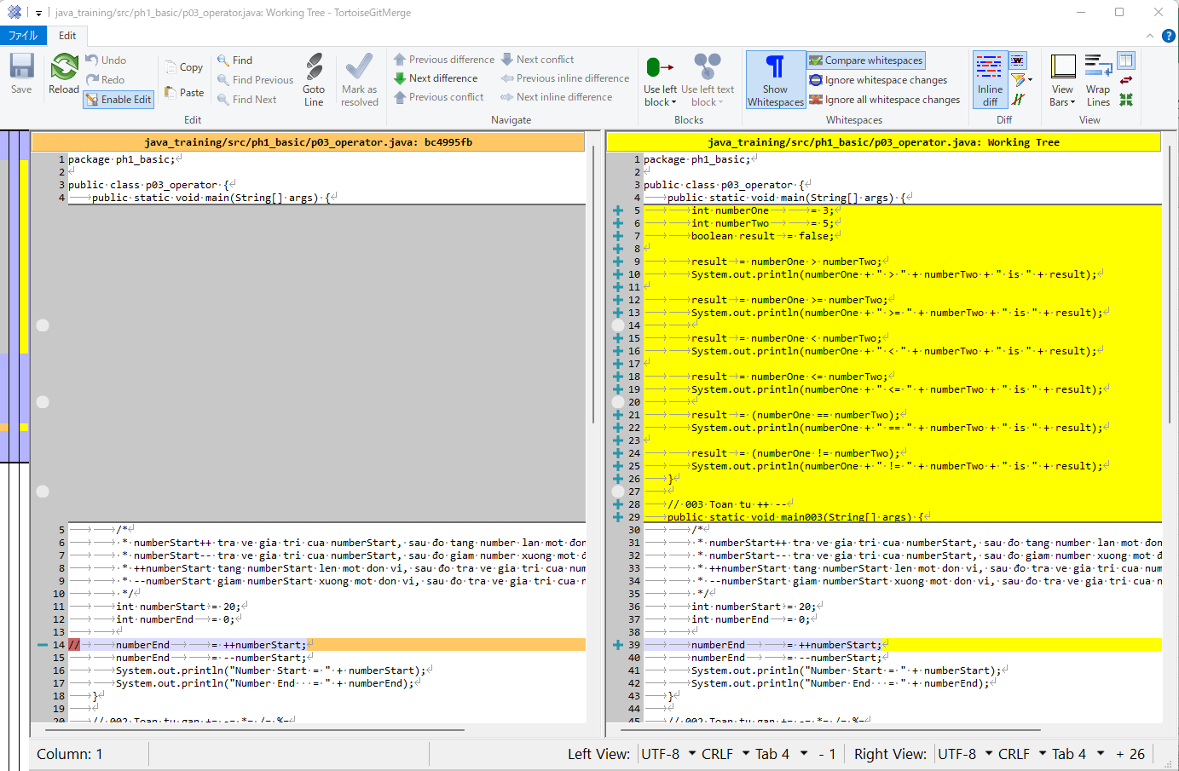

Thực thi

Toán tử logic
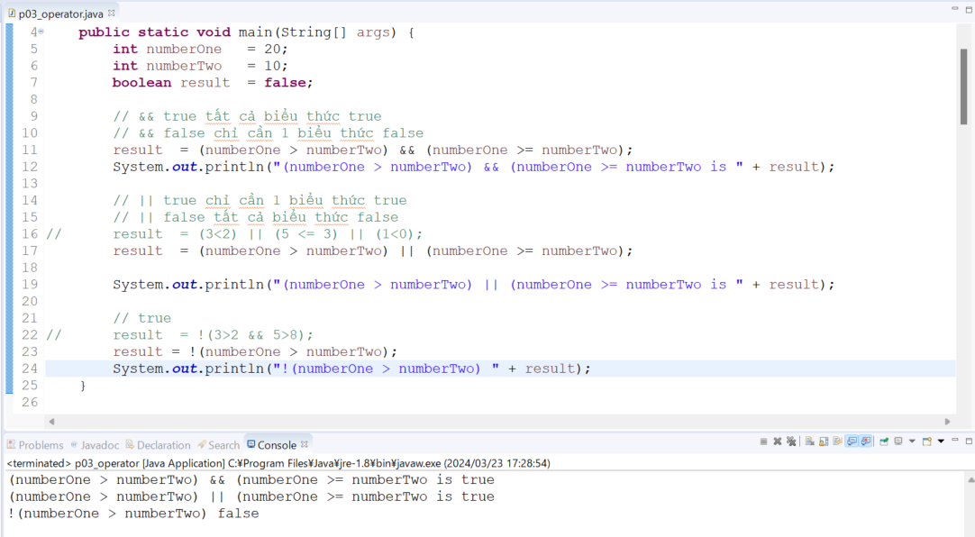
java_training
 | src
 |  | ph1_basic
 |  |  | p01_introduce.java
 |  |  | p02_variable.java
 |  |  | p03_operator.java | → | edit

Toán tử logic && || !

java\java_training\src\ph1_basic\p03_operator.java
package ph1_basic;

public class p03_operator {
public static void main(String[] args) {
int numberOne = 20;
int numberTwo = 10;
boolean result = false;

// && true tất cả biểu thức true
// && false chỉ cần 1 biểu thức false
result = (numberOne > numberTwo) && (numberOne >= numberTwo);
System.out.println("(numberOne > numberTwo) && (numberOne >= numberTwo is " + result);

// || true chỉ cần 1 biểu thức true
// || false tất cả biểu thức false
// result = (3<2) || (5 <= 3) || (1<0);
result = (numberOne > numberTwo) || (numberOne >= numberTwo);

System.out.println("(numberOne > numberTwo) || (numberOne >= numberTwo is " + result);

// true
// result = !(3>2 && 5>8);
result = !(numberOne > numberTwo);
System.out.println("!(numberOne > numberTwo) " + result);
}

// 004 Toán tử so sánh > < >= <= == !=
public static void main004(String[] args) {
int numberOne = 3;
int numberTwo = 5;
boolean result = false;

result = numberOne > numberTwo;
System.out.println(numberOne + " > " + numberTwo + " is " + result);

result = numberOne >= numberTwo;
System.out.println(numberOne + " >= " + numberTwo + " is " + result);

result = numberOne < numberTwo;
System.out.println(numberOne + " < " + numberTwo + " is " + result);

result = numberOne <= numberTwo;
System.out.println(numberOne + " <= " + numberTwo + " is " + result);

result = (numberOne == numberTwo);
System.out.println(numberOne + " == " + numberTwo + " is " + result);

result = (numberOne != numberTwo);
System.out.println(numberOne + " != " + numberTwo + " is " + result);
}

// 003 Toan tu ++ --
public static void main003(String[] args) {
/*
* numberStart++ tra ve gia tri cua numberStart, sau đo tang number lan mot đon vi
* numberStart-- tra ve gia tri cua numberStart, sau đo giam number xuong mot đon vi
* ++numberStart tang numberStart len mot don vi, sau đo tra ve gia tri cua numberStart
* --numberStart giam numberStart xuong mot don vi, sau đo tra ve gia tri cua numberStart
*/
int numberStart = 20;
int numberEnd = 0;

numberEnd = ++numberStart;
numberEnd = --numberStart;
System.out.println("Number Start = " + numberStart);
System.out.println("Number End = " + numberEnd);
}

// 002 Toan tu gan += -= *= /= %=
public static void main002(String[] args) {
int number = 20;
System.out.println("Start = " + number);

number += 10; // number = number + 10;
number -= 10; // number = number - 10
number *= 10; // number = number * 10
number /= 10; // number = number / 10
number %= 10; // number = number % 10
System.out.println("End = " + number);
}

// 001 Toan tu so hoc + - * / %
public static void main001(String[] args) {
int numberOne = 20;
int numberTwo = 3;
int result;

// +
result = numberOne + numberTwo;
System.out.println(numberOne + " + " + numberTwo + " = " + result);

// -
result = numberOne - numberTwo;
System.out.println(numberOne + " - " + numberTwo + " = " + result);

// *
result = numberOne * numberTwo;
System.out.println(numberOne + " * " + numberTwo + " = " + result);

// /
// 20 / 3 = 6 du 2
result = numberOne / numberTwo;
System.out.println(numberOne + " / " + numberTwo + " = " + result);

// %
result = numberOne % numberTwo;
System.out.println(numberOne + " % " + numberTwo + " = " + result);
}
}

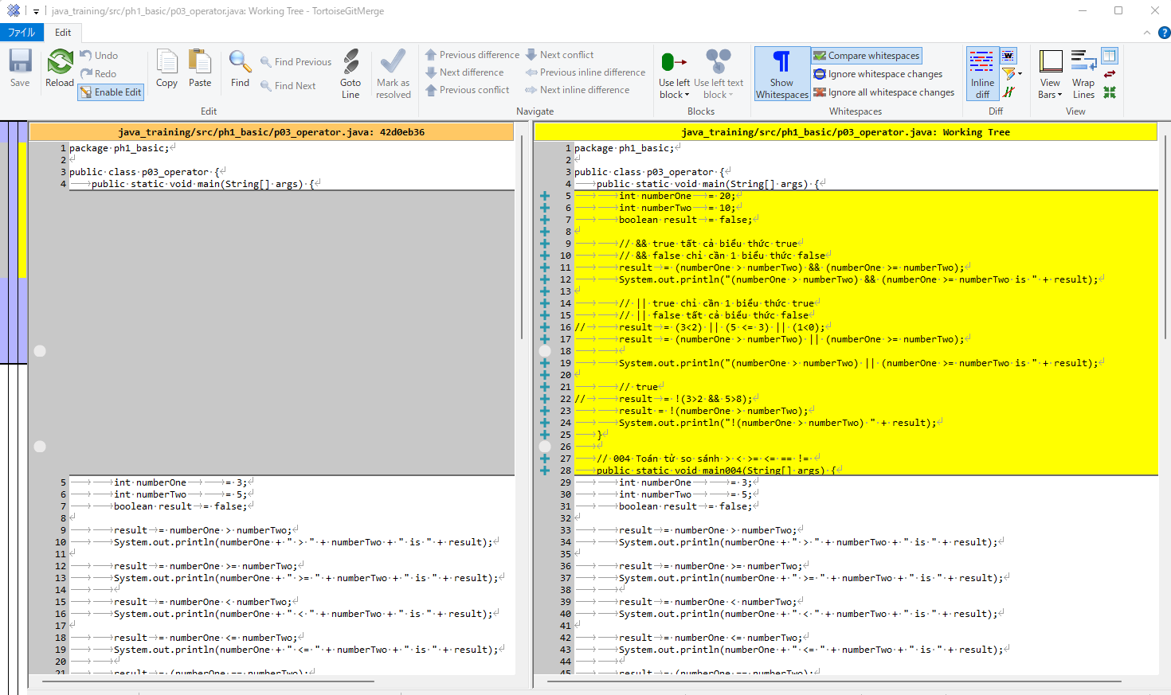

Thực thi

Sử dụng Math
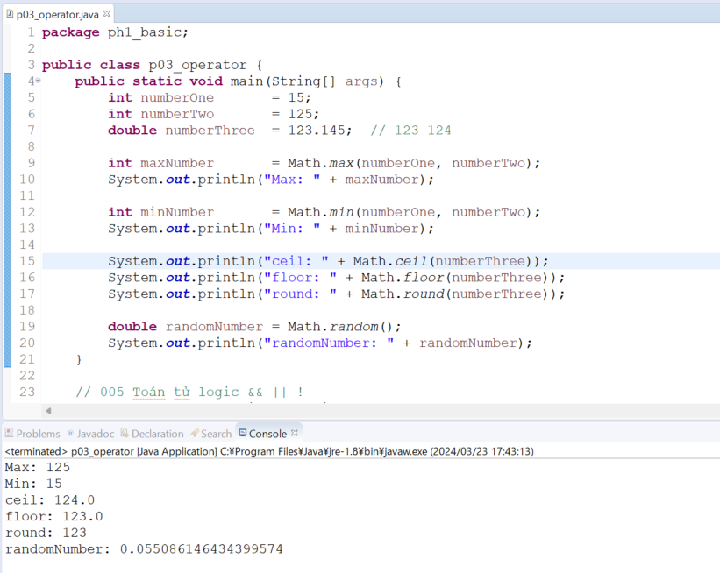
java_training
 | src
 |  | ph1_basic
 |  |  | p01_introduce.java
 |  |  | p02_variable.java
 |  |  | p03_operator.java |  | → | edit

java\java_training\src\ph1_basic\p03_operator.java
package ph1_basic;

public class p03_operator {
 | public static void main(String[] args) {
 |  | int numberOne = 15;
 |  | int numberTwo = 125;
 |  | double numberThree = 123.145; // 123 124

 |  | int maxNumber = Math.max(numberOne, numberTwo); |  |  |  |  | → | Math.max: Giá trị lớn nhất giữa 2 số
 |  | System.out.println("Max: " + maxNumber);

 |  | int minNumber = Math.min(numberOne, numberTwo);
 |  | System.out.println("Min: " + minNumber);

 |  | System.out.println("ceil: " + Math.ceil(numberThree));
 |  | System.out.println("floor: " + Math.floor(numberThree));
 |  | System.out.println("round: " + Math.round(numberThree)); |  |  |  |  | → | round: Tròn gần nhất

 |  | double randomNumber = Math.random(); |  |  |  |  | → | random: Phát sinh số ngẫu nhiên trong khoảng 0 đến 1
 |  | System.out.println("randomNumber: " + randomNumber);
 | }

 | // 005 Toán tử logic && || !
 | public static void main005(String[] args) {
 |  | int numberOne | = 20;
 |  | int numberTwo | = 10;
 |  | boolean result | = false;

 |  | // && true tất cả biểu thức true
 |  | // && false chỉ cần 1 biểu thức false
 |  | result | = (numberOne > numberTwo) && (numberOne >= numberTwo);
 |  | System.out.println("(numberOne > numberTwo) && (numberOne >= numberTwo is " + result);

 |  | // || true chỉ cần 1 biểu thức true
 |  | // || false tất cả biểu thức false
// |  | result | = (3<2) || (5 <= 3) || (1<0);
 |  | result | = (numberOne > numberTwo) || (numberOne >= numberTwo);

 |  | System.out.println("(numberOne > numberTwo) || (numberOne >= numberTwo is " + result);

 |  | // true
// |  | result | = !(3>2 && 5>8);
 |  | result = !(numberOne > numberTwo);
 |  | System.out.println("!(numberOne > numberTwo) " + result);
 | }

 | // 004 Toán tử so sánh > < >= <= == !=
 | public static void main004(String[] args) {
 |  | int numberOne |  | = 3;
 |  | int numberTwo |  | = 5;
 |  | boolean result | = false;

 |  | result | = numberOne > numberTwo;
 |  | System.out.println(numberOne + " > " + numberTwo + " is " + result);

 |  | result | = numberOne >= numberTwo;
 |  | System.out.println(numberOne + " >= " + numberTwo + " is " + result);

 |  | result | = numberOne < numberTwo;
 |  | System.out.println(numberOne + " < " + numberTwo + " is " + result);

 |  | result | = numberOne <= numberTwo;
 |  | System.out.println(numberOne + " <= " + numberTwo + " is " + result);

 |  | result | = (numberOne == numberTwo);
 |  | System.out.println(numberOne + " == " + numberTwo + " is " + result);

 |  | result | = (numberOne != numberTwo);
 |  | System.out.println(numberOne + " != " + numberTwo + " is " + result);
 | }

 | // 003 Toan tu ++ --
 | public static void main003(String[] args) {
 |  | /*
 |  | * numberStart++ tra ve gia tri cua numberStart, sau đo tang number lan mot đon vi
 |  | * numberStart-- tra ve gia tri cua numberStart, sau đo giam number xuong mot đon vi
 |  | * ++numberStart tang numberStart len mot don vi, sau đo tra ve gia tri cua numberStart
 |  | * --numberStart giam numberStart xuong mot don vi, sau đo tra ve gia tri cua numberStart
 |  | */
 |  | int numberStart | = 20;
 |  | int numberEnd | = 0;

 |  | numberEnd |  | = ++numberStart;
 |  | numberEnd |  | = --numberStart;
 |  | System.out.println("Number Start = " + numberStart);
 |  | System.out.println("Number End = " + numberEnd);
 | }

 | // 002 Toan tu gan += -= *= /= %=
 | public static void main002(String[] args) {
 |  | int number | = 20;
 |  | System.out.println("Start = " + number);

 |  | number += 10; | // number | = number + 10;
 |  | number -= 10; | // number | #NAME?
 |  | number *= 10; | // number | #NAME?
 |  | number /= 10; | // number | #NAME?
 |  | number %= 10; | // number | = number % 10
 |  | System.out.println("End = " + number);
 | }

 | // 001 Toan tu so hoc + - * / %
 | public static void main001(String[] args) {
 |  | int numberOne | = 20;
 |  | int numberTwo | = 3;
 |  | int result;

 |  | // +
 |  | result | = numberOne + numberTwo;
 |  | System.out.println(numberOne + " + " + numberTwo + " = " + result);

 |  | // -
 |  | result | = numberOne - numberTwo;
 |  | System.out.println(numberOne + " - " + numberTwo + " = " + result);

 |  | // *
 |  | result | = numberOne * numberTwo;
 |  | System.out.println(numberOne + " * " + numberTwo + " = " + result);

 |  | // /
 |  | // 20 / 3 = 6 du 2
 |  | result | = numberOne / numberTwo;
 |  | System.out.println(numberOne + " / " + numberTwo + " = " + result);

 |  | // %
 |  | result | = numberOne % numberTwo;
 |  | System.out.println(numberOne + " % " + numberTwo + " = " + result);
 | }
}

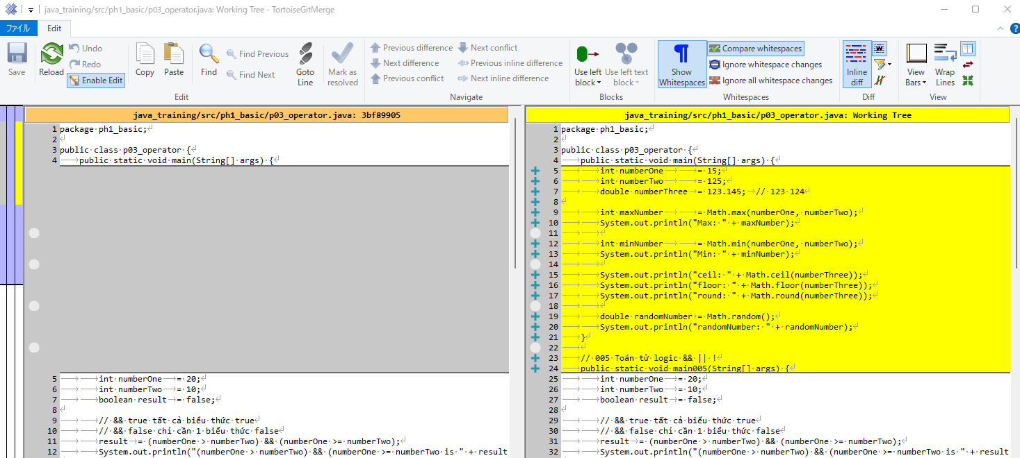

Thực thi

Ex Số lớn nhất
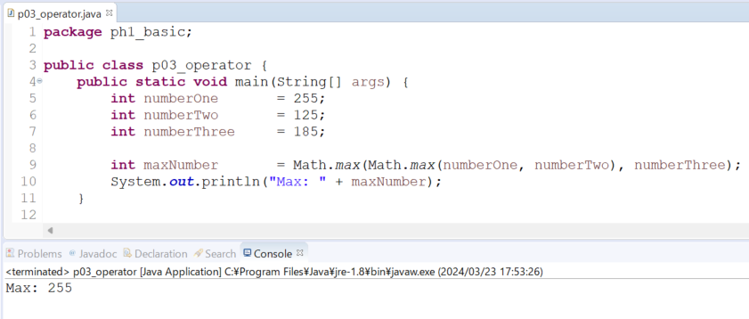
java_training
 | src
 |  | ph1_basic
 |  |  | p01_introduce.java
 |  |  | p02_variable.java
 |  |  | p03_operator.java |  | → | edit

java\java_training\src\ph1_basic\p03_operator.java
package ph1_basic;

public class p03_operator {
 | public static void main(String[] args) {
 |  | int numberOne = 255;
 |  | int numberTwo = 125;
 |  | int numberThree = 185;

 |  | int maxNumber = Math.max(Math.max(numberOne, numberTwo), numberThree);
 |  | System.out.println("Max: " + maxNumber);
 | }

 | // 006 Hàm toán học phổ biến
 | public static void main006(String[] args) {
 |  | int numberOne |  | = 15;
 |  | int numberTwo |  | = 125;
 |  | double numberThree | = 123.145; | // 123 124

 |  | int maxNumber |  | = Math.max(numberOne, numberTwo);
 |  | System.out.println("Max: " + maxNumber);

 |  | int minNumber |  | = Math.min(numberOne, numberTwo);
 |  | System.out.println("Min: " + minNumber);

 |  | System.out.println("ceil: " + Math.ceil(numberThree));
 |  | System.out.println("floor: " + Math.floor(numberThree));
 |  | System.out.println("round: " + Math.round(numberThree));

 |  | double randomNumber | = Math.random();
 |  | System.out.println("randomNumber: " + randomNumber);
 | }

 | // 005 Toán tử logic && || !
 | public static void main005(String[] args) {
 |  | int numberOne | = 20;
 |  | int numberTwo | = 10;
 |  | boolean result | = false;

 |  | // && true tất cả biểu thức true
 |  | // && false chỉ cần 1 biểu thức false
 |  | result | = (numberOne > numberTwo) && (numberOne >= numberTwo);
 |  | System.out.println("(numberOne > numberTwo) && (numberOne >= numberTwo is " + result);

 |  | // || true chỉ cần 1 biểu thức true
 |  | // || false tất cả biểu thức false
// |  | result | = (3<2) || (5 <= 3) || (1<0);
 |  | result | = (numberOne > numberTwo) || (numberOne >= numberTwo);

 |  | System.out.println("(numberOne > numberTwo) || (numberOne >= numberTwo is " + result);

 |  | // true
// |  | result | = !(3>2 && 5>8);
 |  | result = !(numberOne > numberTwo);
 |  | System.out.println("!(numberOne > numberTwo) " + result);
 | }

 | // 004 Toán tử so sánh > < >= <= == !=
 | public static void main004(String[] args) {
 |  | int numberOne |  | = 3;
 |  | int numberTwo |  | = 5;
 |  | boolean result | = false;

 |  | result | = numberOne > numberTwo;
 |  | System.out.println(numberOne + " > " + numberTwo + " is " + result);

 |  | result | = numberOne >= numberTwo;
 |  | System.out.println(numberOne + " >= " + numberTwo + " is " + result);

 |  | result | = numberOne < numberTwo;
 |  | System.out.println(numberOne + " < " + numberTwo + " is " + result);

 |  | result | = numberOne <= numberTwo;
 |  | System.out.println(numberOne + " <= " + numberTwo + " is " + result);

 |  | result | = (numberOne == numberTwo);
 |  | System.out.println(numberOne + " == " + numberTwo + " is " + result);

 |  | result | = (numberOne != numberTwo);
 |  | System.out.println(numberOne + " != " + numberTwo + " is " + result);
 | }

 | // 003 Toan tu ++ --
 | public static void main003(String[] args) {
 |  | /*
 |  | * numberStart++ tra ve gia tri cua numberStart, sau đo tang number lan mot đon vi
 |  | * numberStart-- tra ve gia tri cua numberStart, sau đo giam number xuong mot đon vi
 |  | * ++numberStart tang numberStart len mot don vi, sau đo tra ve gia tri cua numberStart
 |  | * --numberStart giam numberStart xuong mot don vi, sau đo tra ve gia tri cua numberStart
 |  | */
 |  | int numberStart | = 20;
 |  | int numberEnd | = 0;

 |  | numberEnd |  | = ++numberStart;
 |  | numberEnd |  | = --numberStart;
 |  | System.out.println("Number Start = " + numberStart);
 |  | System.out.println("Number End = " + numberEnd);
 | }

 | // 002 Toan tu gan += -= *= /= %=
 | public static void main002(String[] args) {
 |  | int number | = 20;
 |  | System.out.println("Start = " + number);

 |  | number += 10; | // number | = number + 10;
 |  | number -= 10; | // number | #NAME?
 |  | number *= 10; | // number | #NAME?
 |  | number /= 10; | // number | #NAME?
 |  | number %= 10; | // number | = number % 10
 |  | System.out.println("End = " + number);
 | }

 | // 001 Toan tu so hoc + - * / %
 | public static void main001(String[] args) {
 |  | int numberOne | = 20;
 |  | int numberTwo | = 3;
 |  | int result;

 |  | // +
 |  | result | = numberOne + numberTwo;
 |  | System.out.println(numberOne + " + " + numberTwo + " = " + result);

 |  | // -
 |  | result | = numberOne - numberTwo;
 |  | System.out.println(numberOne + " - " + numberTwo + " = " + result);

 |  | // *
 |  | result | = numberOne * numberTwo;
 |  | System.out.println(numberOne + " * " + numberTwo + " = " + result);

 |  | // /
 |  | // 20 / 3 = 6 du 2
 |  | result | = numberOne / numberTwo;
 |  | System.out.println(numberOne + " / " + numberTwo + " = " + result);

 |  | // %
 |  | result | = numberOne % numberTwo;
 |  | System.out.println(numberOne + " % " + numberTwo + " = " + result);
 | }
}

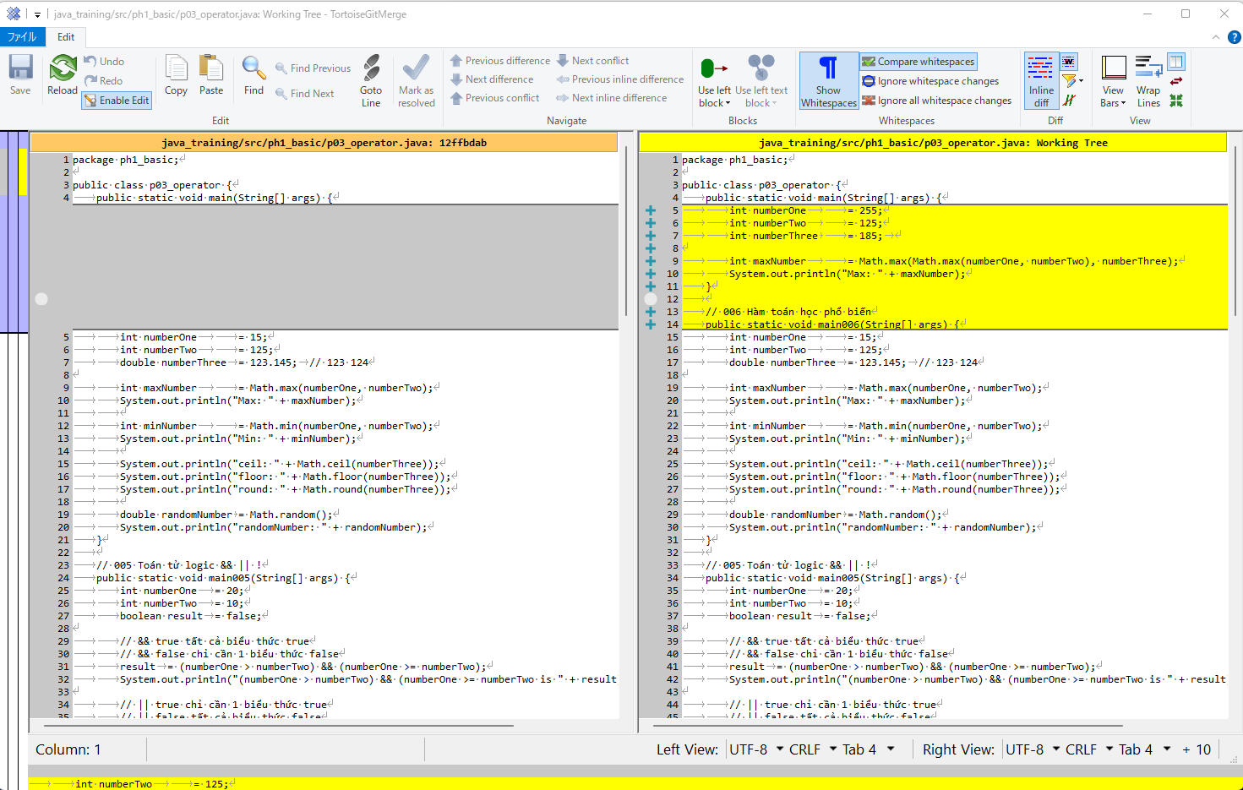

Thực thi

Ex Số ngẫu nhiên
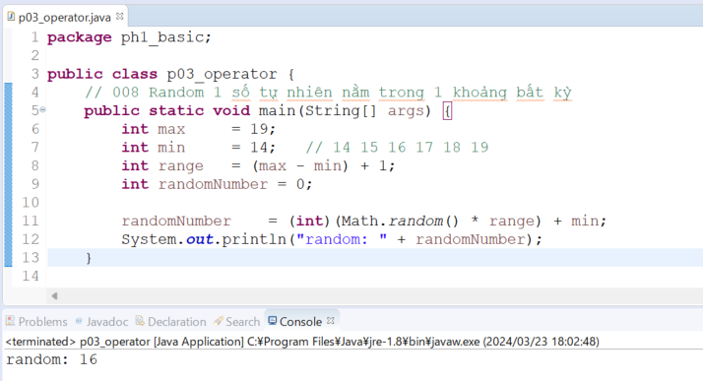
java_training
 | src
 |  | ph1_basic
 |  |  | p01_introduce.java
 |  |  | p02_variable.java
 |  |  | p03_operator.java |  | → | edit

java\java_training\src\ph1_basic\p03_operator.java
package ph1_basic;

public class p03_operator {
 | // 008 Random 1 số tự nhiên nằm trong 1 khoảng bất kỳ
 | public static void main(String[] args) {
 |  | int max = 19;
 |  | int min = 14; // 14 15 16 17 18 19
 |  | int range = (max - min) + 1;
 |  | int randomNumber = 0;

 |  | randomNumber = (int)(Math.random() * range) + min;
 |  | System.out.println("random: " + randomNumber);
 | }

 | // 007 MAX
 | public static void main007(String[] args) {
 |  | int numberOne |  | = 255;
 |  | int numberTwo |  | = 125;
 |  | int numberThree |  | = 185;

 |  | int maxNumber |  | = Math.max(Math.max(numberOne, numberTwo), numberThree);
 |  | System.out.println("Max: " + maxNumber);
 | }

 | // 006 Hàm toán học phổ biến
 | public static void main006(String[] args) {
 |  | int numberOne |  | = 15;
 |  | int numberTwo |  | = 125;
 |  | double numberThree | = 123.145; | // 123 124

 |  | int maxNumber |  | = Math.max(numberOne, numberTwo);
 |  | System.out.println("Max: " + maxNumber);

 |  | int minNumber |  | = Math.min(numberOne, numberTwo);
 |  | System.out.println("Min: " + minNumber);

 |  | System.out.println("ceil: " + Math.ceil(numberThree));
 |  | System.out.println("floor: " + Math.floor(numberThree));
 |  | System.out.println("round: " + Math.round(numberThree));

 |  | double randomNumber | = Math.random();
 |  | System.out.println("randomNumber: " + randomNumber);
 | }

 | // 005 Toán tử logic && || !
 | public static void main005(String[] args) {
 |  | int numberOne | = 20;
 |  | int numberTwo | = 10;
 |  | boolean result | = false;

 |  | // && true tất cả biểu thức true
 |  | // && false chỉ cần 1 biểu thức false
 |  | result | = (numberOne > numberTwo) && (numberOne >= numberTwo);
 |  | System.out.println("(numberOne > numberTwo) && (numberOne >= numberTwo is " + result);

 |  | // || true chỉ cần 1 biểu thức true
 |  | // || false tất cả biểu thức false
// |  | result | = (3<2) || (5 <= 3) || (1<0);
 |  | result | = (numberOne > numberTwo) || (numberOne >= numberTwo);

 |  | System.out.println("(numberOne > numberTwo) || (numberOne >= numberTwo is " + result);

 |  | // true
// |  | result | = !(3>2 && 5>8);
 |  | result = !(numberOne > numberTwo);
 |  | System.out.println("!(numberOne > numberTwo) " + result);
 | }

 | // 004 Toán tử so sánh > < >= <= == !=
 | public static void main004(String[] args) {
 |  | int numberOne |  | = 3;
 |  | int numberTwo |  | = 5;
 |  | boolean result | = false;

 |  | result | = numberOne > numberTwo;
 |  | System.out.println(numberOne + " > " + numberTwo + " is " + result);

 |  | result | = numberOne >= numberTwo;
 |  | System.out.println(numberOne + " >= " + numberTwo + " is " + result);

 |  | result | = numberOne < numberTwo;
 |  | System.out.println(numberOne + " < " + numberTwo + " is " + result);

 |  | result | = numberOne <= numberTwo;
 |  | System.out.println(numberOne + " <= " + numberTwo + " is " + result);

 |  | result | = (numberOne == numberTwo);
 |  | System.out.println(numberOne + " == " + numberTwo + " is " + result);

 |  | result | = (numberOne != numberTwo);
 |  | System.out.println(numberOne + " != " + numberTwo + " is " + result);
 | }

 | // 003 Toan tu ++ --
 | public static void main003(String[] args) {
 |  | /*
 |  | * numberStart++ tra ve gia tri cua numberStart, sau đo tang number lan mot đon vi
 |  | * numberStart-- tra ve gia tri cua numberStart, sau đo giam number xuong mot đon vi
 |  | * ++numberStart tang numberStart len mot don vi, sau đo tra ve gia tri cua numberStart
 |  | * --numberStart giam numberStart xuong mot don vi, sau đo tra ve gia tri cua numberStart
 |  | */
 |  | int numberStart | = 20;
 |  | int numberEnd | = 0;

 |  | numberEnd |  | = ++numberStart;
 |  | numberEnd |  | = --numberStart;
 |  | System.out.println("Number Start = " + numberStart);
 |  | System.out.println("Number End = " + numberEnd);
 | }

 | // 002 Toan tu gan += -= *= /= %=
 | public static void main002(String[] args) {
 |  | int number | = 20;
 |  | System.out.println("Start = " + number);

 |  | number += 10; | // number | = number + 10;
 |  | number -= 10; | // number | #NAME?
 |  | number *= 10; | // number | #NAME?
 |  | number /= 10; | // number | #NAME?
 |  | number %= 10; | // number | = number % 10
 |  | System.out.println("End = " + number);
 | }

 | // 001 Toan tu so hoc + - * / %
 | public static void main001(String[] args) {
 |  | int numberOne | = 20;
 |  | int numberTwo | = 3;
 |  | int result;

 |  | // +
 |  | result | = numberOne + numberTwo;
 |  | System.out.println(numberOne + " + " + numberTwo + " = " + result);

 |  | // -
 |  | result | = numberOne - numberTwo;
 |  | System.out.println(numberOne + " - " + numberTwo + " = " + result);

 |  | // *
 |  | result | = numberOne * numberTwo;
 |  | System.out.println(numberOne + " * " + numberTwo + " = " + result);

 |  | // /
 |  | // 20 / 3 = 6 du 2
 |  | result | = numberOne / numberTwo;
 |  | System.out.println(numberOne + " / " + numberTwo + " = " + result);

 |  | // %
 |  | result | = numberOne % numberTwo;
 |  | System.out.println(numberOne + " % " + numberTwo + " = " + result);
 | }
}

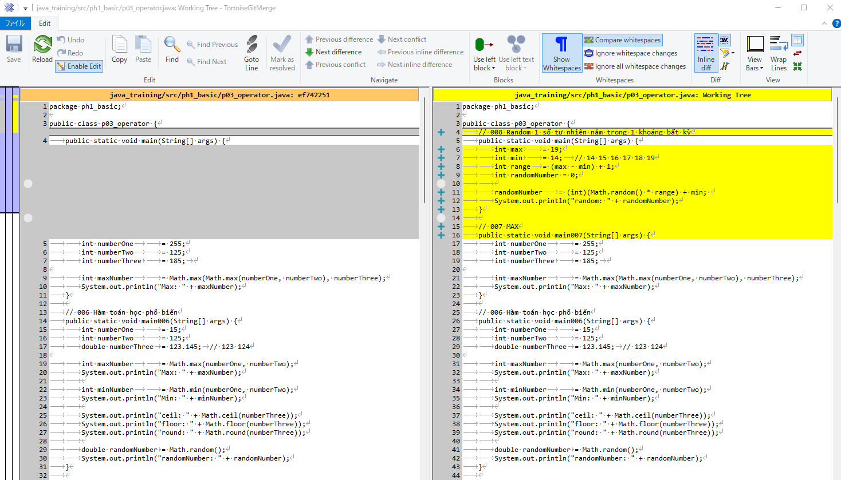

Thực thi

