Properties
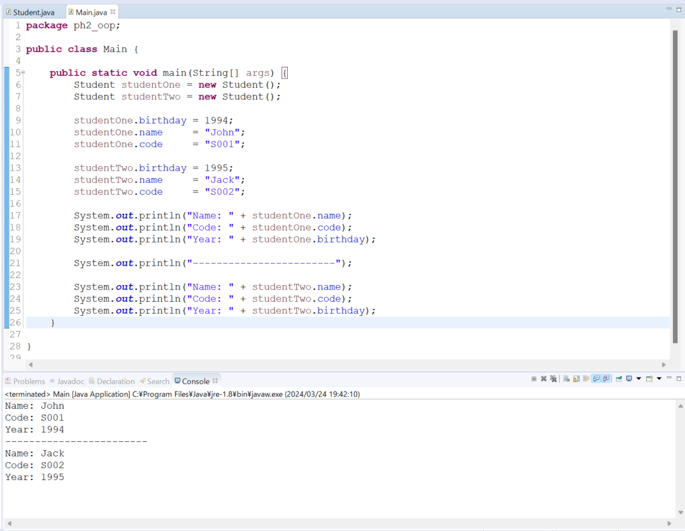
java_training
 | src
 |  | ph1_basic
 |  | ph2_oop
 |  |  | Main.java | → | edit
 |  |  | Student.java | → | edit
 |  |  | Teacher.java

java_training\src\ph2_oop\Student.java
package ph2_oop;

public class Student {
public String name;
public String code;
public int birthday;
}

java_training\src\ph2_oop\Main.java
package ph2_oop;

public class Main {

public static void main(String[] args) {
Student studentOne = new Student();
Student studentTwo = new Student();

studentOne.birthday = 1994;
studentOne.name = "John";
studentOne.code = "S001";

studentTwo.birthday = 1995;
studentTwo.name = "Jack";
studentTwo.code = "S002";

System.out.println("Name: " + studentOne.name);
System.out.println("Code: " + studentOne.code);
System.out.println("Year: " + studentOne.birthday);

System.out.println("------------------------");

System.out.println("Name: " + studentTwo.name);
System.out.println("Code: " + studentTwo.code);
System.out.println("Year: " + studentTwo.birthday);
}

}

Thực thi

