Shape 01
java_training
 | src
 |  | ph1_basic
 |  |  | p01_introduce.java
 |  |  | p02_variable.java
 |  |  | p03_operator.java
 |  |  | p04_condition.java
 |  |  | p05_loop.java
 |  |  | p06_caculator.java
 |  |  | p07_find.java
 |  |  | p08_shape.java |  | → | new

java_training\src\ph1_basic\p08_shape.java
package ph1_basic;

public class p08_shape {
 | public static void main(String[] args) {
 |  | /*
 |  |  | * |  |  | number=1
 |  |  | * * |  | number=2
 |  |  | * * * |  | number=3
 |  |  | * * * * | number=4
 |  |  | * * * * * | number=5
 |  | */

 |  | int number = 1;
 |  | while(number <= 9){
 |  |  | for(int i = 1; i <= number; i++){
 |  |  |  | System.out.print("* ");
 |  |  | }
 |  |  | System.out.println();
 |  |  | number++;
 |  | }
 | }
}

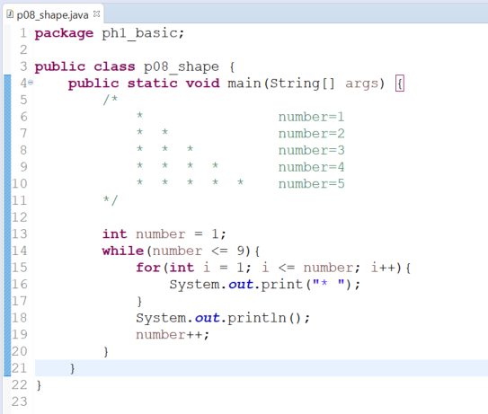

Thực thi

Shape 02
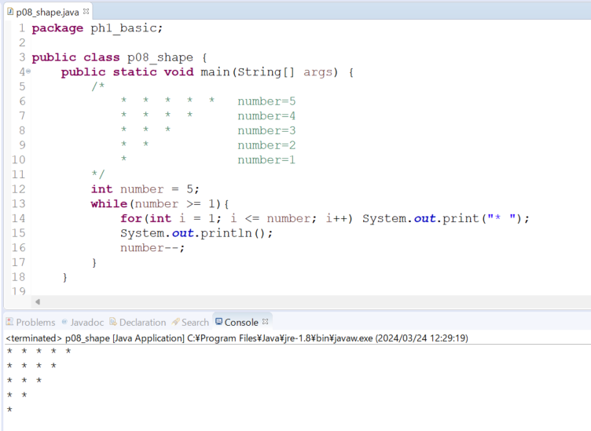
java_training
 | src
 |  | ph1_basic
 |  |  | p01_introduce.java
 |  |  | p02_variable.java
 |  |  | p03_operator.java
 |  |  | p04_condition.java
 |  |  | p05_loop.java
 |  |  | p06_caculator.java
 |  |  | p07_find.java
 |  |  | p08_shape.java | → | edit

java_training\src\ph1_basic\p08_shape.java
package ph1_basic;

public class p08_shape {
public static void main(String[] args) {
/*
* * * * * number=5
* * * * number=4
* * * number=3
* * number=2
* number=1
*/
int number = 5;
while(number >= 1){
for(int i = 1; i <= number; i++) System.out.print("* ");
System.out.println();
number--;
}
}

// 001 Shape 1
public static void main001(String[] args) {
/*
* number=1
* * number=2
* * * number=3
* * * * number=4
* * * * * number=5
*/

int number = 1;
while(number <= 9){
for(int i = 1; i <= number; i++){
System.out.print("* ");
}
System.out.println();
number++;
}
}
}

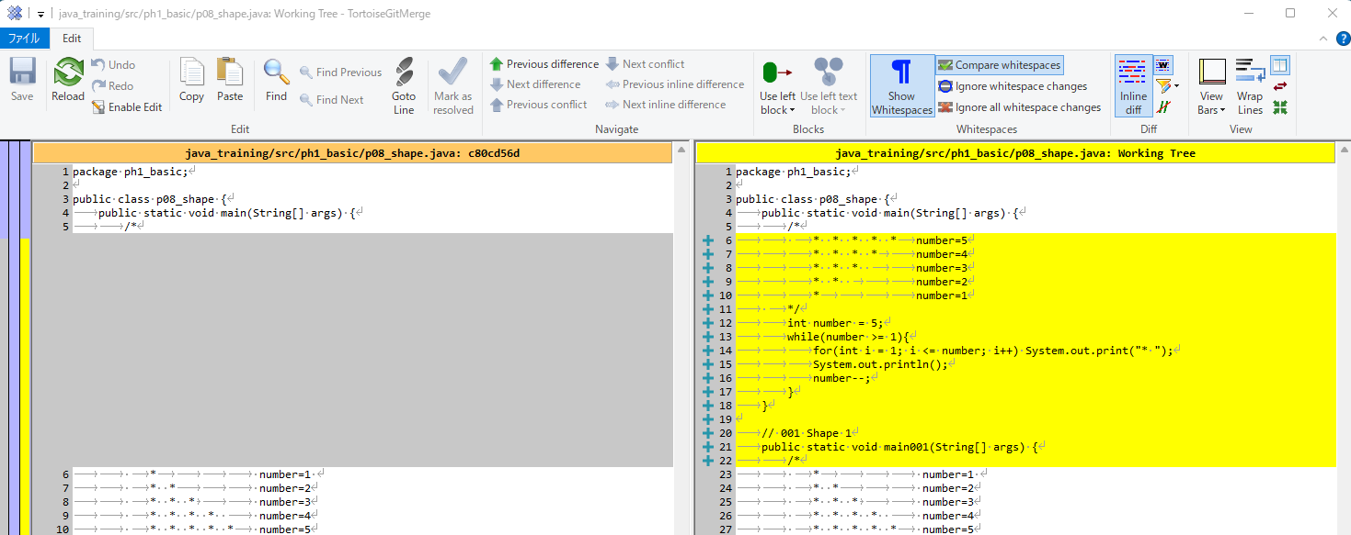

Thực thi

Shape 03
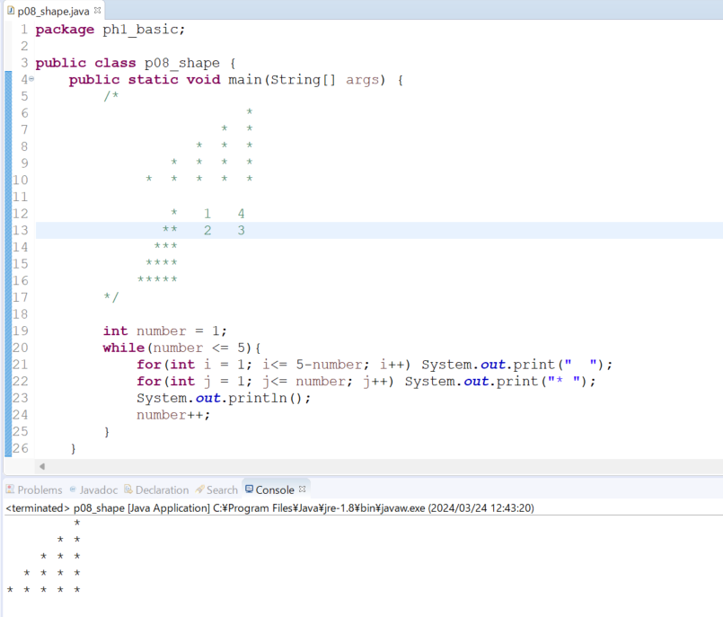
java_training
 | src
 |  | ph1_basic
 |  |  | p01_introduce.java
 |  |  | p02_variable.java
 |  |  | p03_operator.java
 |  |  | p04_condition.java
 |  |  | p05_loop.java
 |  |  | p06_caculator.java
 |  |  | p07_find.java
 |  |  | p08_shape.java | → | edit

java_training\src\ph1_basic\p08_shape.java
package ph1_basic;

public class p08_shape {
public static void main(String[] args) {
/*
*
* *
* * *
* * * *
* * * * *

* 1 4
** 2 3
***
****
*****
*/

int number = 1;
while(number <= 5){
for(int i = 1; i<= 5-number; i++) System.out.print(" ");
for(int j = 1; j<= number; j++) System.out.print("* ");
System.out.println();
number++;
}
}

// 002 Shape 2
public static void main002(String[] args) {
/*
* * * * * number=5
* * * * number=4
* * * number=3
* * number=2
* number=1
*/
int number = 5;
while(number >= 1){
for(int i = 1; i <= number; i++) System.out.print("* ");
System.out.println();
number--;
}
}

// 001 Shape 1
public static void main001(String[] args) {
/*
* number=1
* * number=2
* * * number=3
* * * * number=4
* * * * * number=5
*/

int number = 1;
while(number <= 9){
for(int i = 1; i <= number; i++){
System.out.print("* ");
}
System.out.println();
number++;
}
}
}

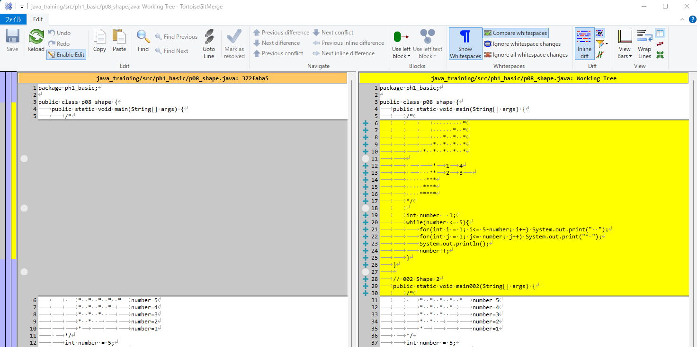

Thực thi

Shape 04
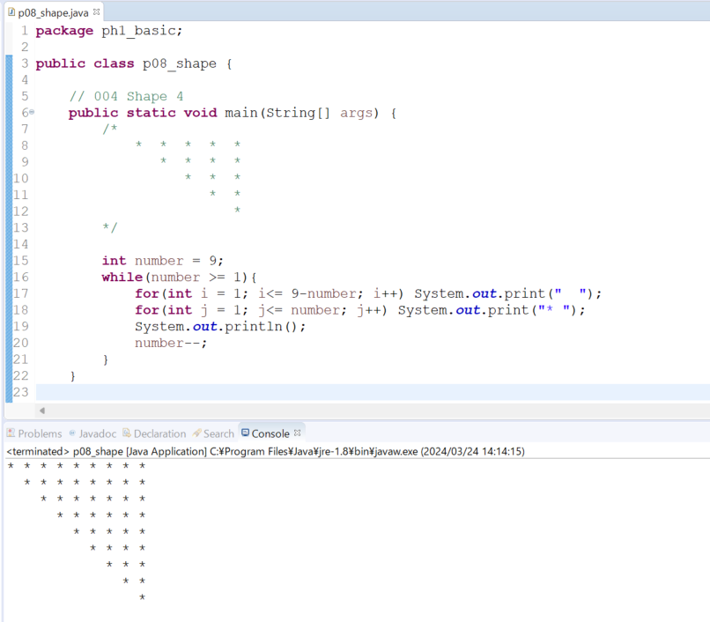
java_training
 | src
 |  | ph1_basic
 |  |  | p01_introduce.java
 |  |  | p02_variable.java
 |  |  | p03_operator.java
 |  |  | p04_condition.java
 |  |  | p05_loop.java
 |  |  | p06_caculator.java
 |  |  | p07_find.java
 |  |  | p08_shape.java |  |  | → | edit

java_training\src\ph1_basic\p08_shape.java
package ph1_basic;

public class p08_shape {

 | // 004 Shape 4
 | public static void main(String[] args) {
 |  | /*
 |  |  | * * * * *
 |  |  | * * * *
 |  |  |  | * * *
 |  |  |  |  | * *
 |  |  |  |  |  | *
 |  | */

 |  | int number = 9;
 |  | while(number >= 1){
 |  |  | for(int i = 1; i<= 9-number; i++) System.out.print(" ");
 |  |  | for(int j = 1; j<= number; j++) System.out.print("* ");
 |  |  | System.out.println();
 |  |  | number--;
 |  | }
 | }

 | // 003 Shape 3
 | public static void main003(String[] args) {
 |  | /*
 |  |  |  | *
 |  |  |  | * *
 |  |  |  | * * *
 |  |  |  | * * * *
 |  |  | * * * * *

 |  |  |  | * | 1 | 4
 |  |  | ** | 2 | 3
 |  | ***
 |  | ****
 |  | *****
 |  | */

 |  | int number = 1;
 |  | while(number <= 5){
 |  |  | for(int i = 1; i<= 5-number; i++) System.out.print(" ");
 |  |  | for(int j = 1; j<= number; j++) System.out.print("* ");
 |  |  | System.out.println();
 |  |  | number++;
 |  | }
 | }

 | // 002 Shape 2
 | public static void main002(String[] args) {
 |  | /*
 |  |  | * * * * * | number=5
 |  |  | * * * * |  | number=4
 |  |  | * * * |  | number=3
 |  |  | * * |  |  | number=2
 |  |  | * |  |  |  | number=1
 |  | */
 |  | int number = 5;
 |  | while(number >= 1){
 |  |  | for(int i = 1; i <= number; i++) System.out.print("* ");
 |  |  | System.out.println();
 |  |  | number--;
 |  | }
 | }

 | // 001 Shape 1
 | public static void main001(String[] args) {
 |  | /*
 |  |  | * |  |  |  | number=1
 |  |  | * * |  |  | number=2
 |  |  | * * * |  |  | number=3
 |  |  | * * * * | number=4
 |  |  | * * * * * | number=5
 |  | */

 |  | int number = 1;
 |  | while(number <= 9){
 |  |  | for(int i = 1; i <= number; i++){
 |  |  |  | System.out.print("* ");
 |  |  | }
 |  |  | System.out.println();
 |  |  | number++;
 |  | }
 | }
}

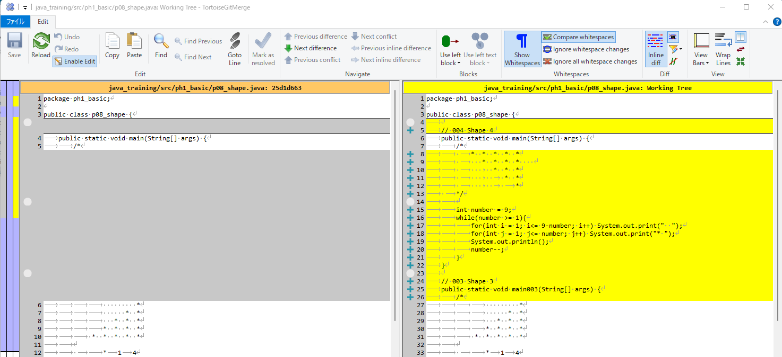

Thực thi

Shape 05
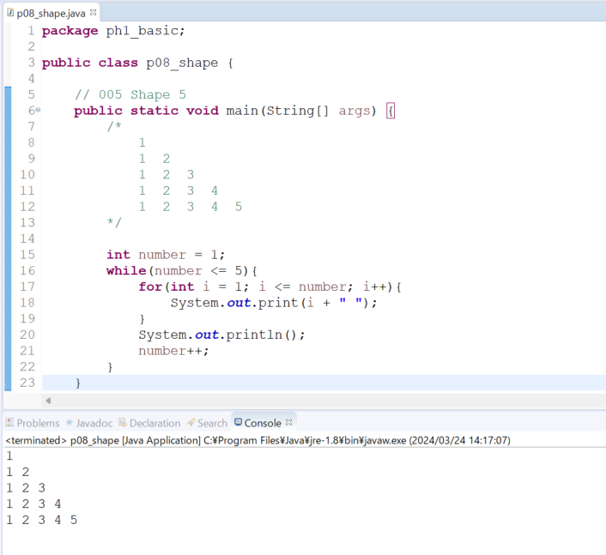
java_training
 | src
 |  | ph1_basic
 |  |  | p01_introduce.java
 |  |  | p02_variable.java
 |  |  | p03_operator.java
 |  |  | p04_condition.java
 |  |  | p05_loop.java
 |  |  | p06_caculator.java
 |  |  | p07_find.java
 |  |  | p08_shape.java |  |  | → | edit

java_training\src\ph1_basic\p08_shape.java
package ph1_basic;

public class p08_shape {

 | // 005 Shape 5
 | public static void main(String[] args) {
 |  | /*
 |  |  | 1
 |  |  | 1 2
 |  |  | 1 2 3
 |  |  | 1 2 3 4
 |  |  | 1 2 3 4 5
 |  | */

 |  | int number = 1;
 |  | while(number <= 5){
 |  |  | for(int i = 1; i <= number; i++){
 |  |  |  | System.out.print(i + " ");
 |  |  | }
 |  |  | System.out.println();
 |  |  | number++;
 |  | }
 | }

 | // 004 Shape 4
 | public static void main004(String[] args) {
 |  | /*
 |  |  | * * * * *
 |  |  | * * * *
 |  |  |  | * * *
 |  |  |  |  | * *
 |  |  |  |  |  | *
 |  | */

 |  | int number = 9;
 |  | while(number >= 1){
 |  |  | for(int i = 1; i<= 9-number; i++) System.out.print(" ");
 |  |  | for(int j = 1; j<= number; j++) System.out.print("* ");
 |  |  | System.out.println();
 |  |  | number--;
 |  | }
 | }

 | // 003 Shape 3
 | public static void main003(String[] args) {
 |  | /*
 |  |  |  | *
 |  |  |  | * *
 |  |  |  | * * *
 |  |  |  | * * * *
 |  |  | * * * * *

 |  |  |  | * | 1 | 4
 |  |  | ** | 2 | 3
 |  | ***
 |  | ****
 |  | *****
 |  | */

 |  | int number = 1;
 |  | while(number <= 5){
 |  |  | for(int i = 1; i<= 5-number; i++) System.out.print(" ");
 |  |  | for(int j = 1; j<= number; j++) System.out.print("* ");
 |  |  | System.out.println();
 |  |  | number++;
 |  | }
 | }

 | // 002 Shape 2
 | public static void main002(String[] args) {
 |  | /*
 |  |  | * * * * * | number=5
 |  |  | * * * * |  | number=4
 |  |  | * * * |  | number=3
 |  |  | * * |  |  | number=2
 |  |  | * |  |  |  | number=1
 |  | */
 |  | int number = 5;
 |  | while(number >= 1){
 |  |  | for(int i = 1; i <= number; i++) System.out.print("* ");
 |  |  | System.out.println();
 |  |  | number--;
 |  | }
 | }

 | // 001 Shape 1
 | public static void main001(String[] args) {
 |  | /*
 |  |  | * |  |  |  | number=1
 |  |  | * * |  |  | number=2
 |  |  | * * * |  |  | number=3
 |  |  | * * * * | number=4
 |  |  | * * * * * | number=5
 |  | */

 |  | int number = 1;
 |  | while(number <= 9){
 |  |  | for(int i = 1; i <= number; i++){
 |  |  |  | System.out.print("* ");
 |  |  | }
 |  |  | System.out.println();
 |  |  | number++;
 |  | }
 | }
}

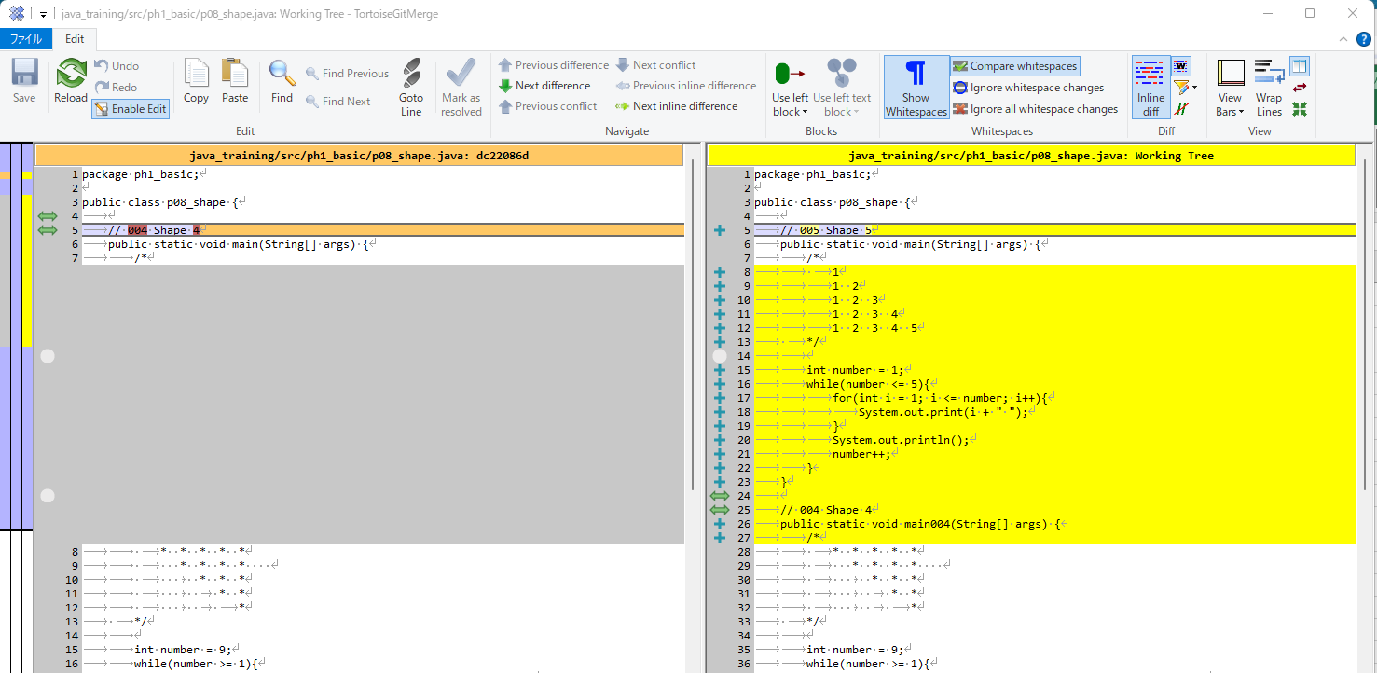

Thực thi

Shape 06
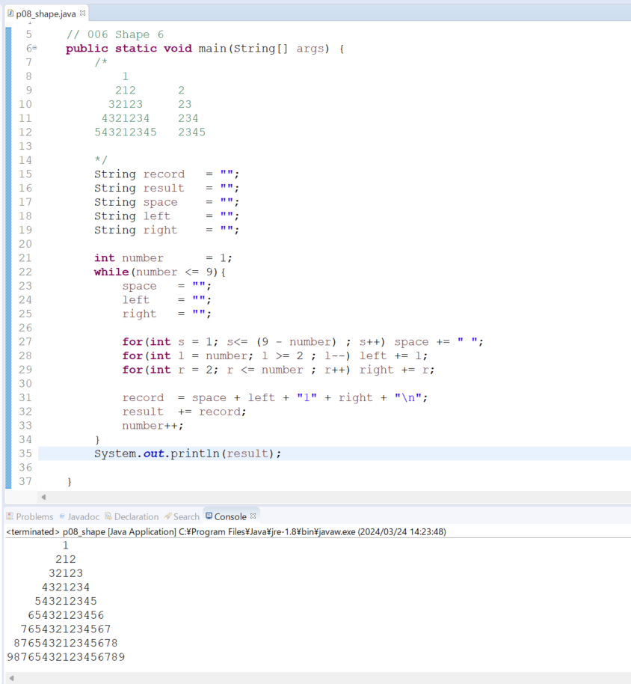
java_training
 | src
 |  | ph1_basic
 |  |  | p01_introduce.java
 |  |  | p02_variable.java
 |  |  | p03_operator.java
 |  |  | p04_condition.java
 |  |  | p05_loop.java
 |  |  | p06_caculator.java
 |  |  | p07_find.java
 |  |  | p08_shape.java | → | edit

java_training\src\ph1_basic\p08_shape.java
package ph1_basic;

public class p08_shape {

// 006 Shape 6
public static void main(String[] args) {
/*
1
212 2
32123 23
4321234 234
543212345 2345

*/
String record = "";
String result = "";
String space = "";
String left = "";
String right = "";

int number = 1;
while(number <= 9){
space = "";
left = "";
right = "";

for(int s = 1; s<= (9 - number) ; s++) space += " ";
for(int l = number; l >= 2 ; l--) left += l;
for(int r = 2; r <= number ; r++) right += r;

record = space + left + "1" + right + "\n";
result += record;
number++;
}
System.out.println(result);

}

// 005 Shape 5
public static void main005(String[] args) {
/*
1
1 2
1 2 3
1 2 3 4
1 2 3 4 5
*/

int number = 1;
while(number <= 5){
for(int i = 1; i <= number; i++){
System.out.print(i + " ");
}
System.out.println();
number++;
}
}

// 004 Shape 4
public static void main004(String[] args) {
/*
* * * * *
* * * *
* * *
* *
*
*/

int number = 9;
while(number >= 1){
for(int i = 1; i<= 9-number; i++) System.out.print(" ");
for(int j = 1; j<= number; j++) System.out.print("* ");
System.out.println();
number--;
}
}

// 003 Shape 3
public static void main003(String[] args) {
/*
*
* *
* * *
* * * *
* * * * *

* 1 4
** 2 3
***
****
*****
*/

int number = 1;
while(number <= 5){
for(int i = 1; i<= 5-number; i++) System.out.print(" ");
for(int j = 1; j<= number; j++) System.out.print("* ");
System.out.println();
number++;
}
}

// 002 Shape 2
public static void main002(String[] args) {
/*
* * * * * number=5
* * * * number=4
* * * number=3
* * number=2
* number=1
*/
int number = 5;
while(number >= 1){
for(int i = 1; i <= number; i++) System.out.print("* ");
System.out.println();
number--;
}
}

// 001 Shape 1
public static void main001(String[] args) {
/*
* number=1
* * number=2
* * * number=3
* * * * number=4
* * * * * number=5
*/

int number = 1;
while(number <= 9){
for(int i = 1; i <= number; i++){
System.out.print("* ");
}
System.out.println();
number++;
}
}
}

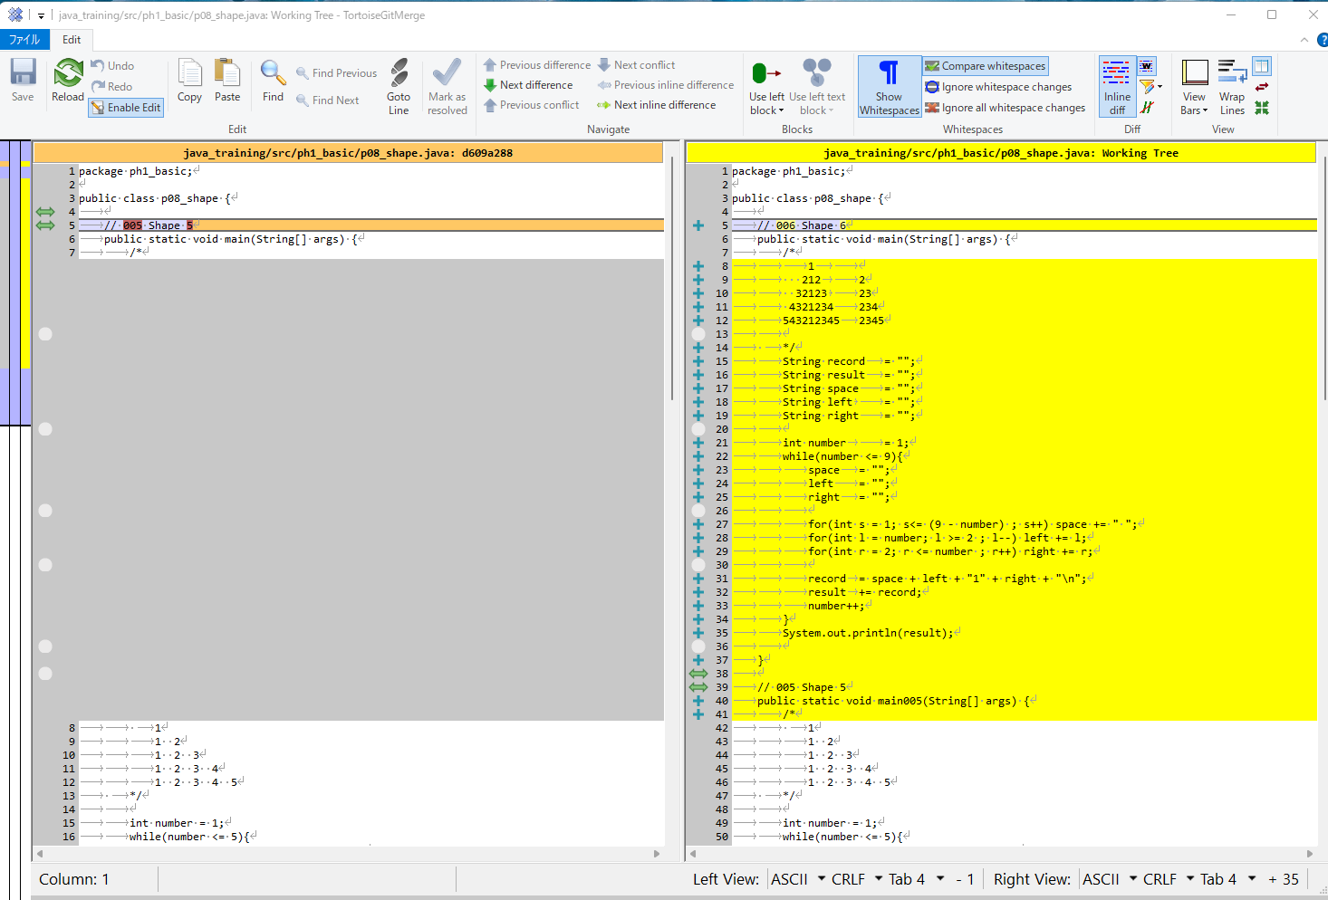

Thực thi

Shape 07
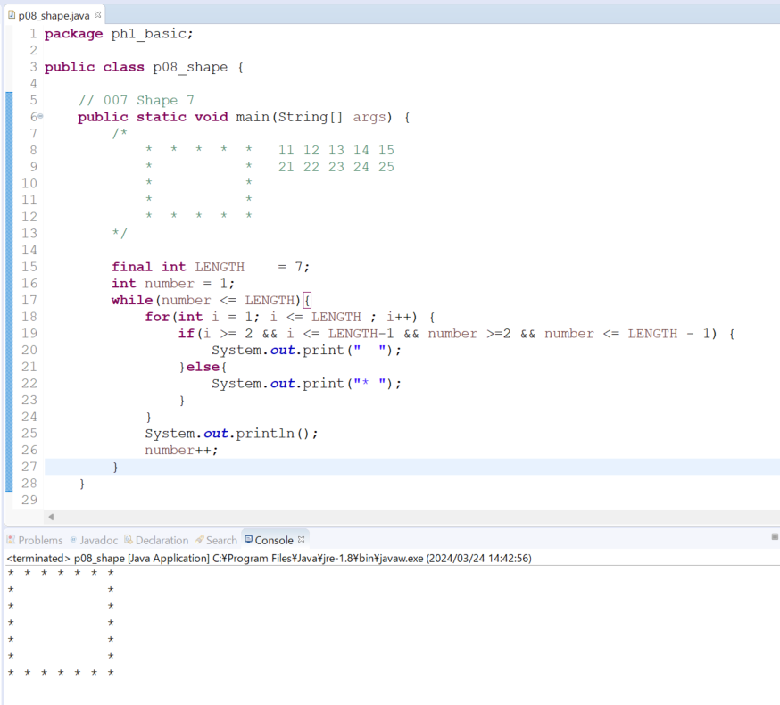
java_training
 | src
 |  | ph1_basic
 |  |  | p01_introduce.java
 |  |  | p02_variable.java
 |  |  | p03_operator.java
 |  |  | p04_condition.java
 |  |  | p05_loop.java
 |  |  | p06_caculator.java
 |  |  | p07_find.java
 |  |  | p08_shape.java | → | edit

java_training\src\ph1_basic\p08_shape.java
package ph1_basic;

public class p08_shape {

// 007 Shape 7
public static void main(String[] args) {
/*
* * * * * 11 12 13 14 15
* * 21 22 23 24 25
* *
* *
* * * * *
*/

final int LENGTH = 7;
int number = 1;
while(number <= LENGTH){
for(int i = 1; i <= LENGTH ; i++) {
if(i >= 2 && i <= LENGTH-1 && number >=2 && number <= LENGTH - 1) {
System.out.print(" ");
}else{
System.out.print("* ");
}
}
System.out.println();
number++;
}
}

// 006 Shape 6
public static void main006(String[] args) {
/*
1
212 2
32123 23
4321234 234
543212345 2345

*/
String record = "";
String result = "";
String space = "";
String left = "";
String right = "";

int number = 1;
while(number <= 9){
space = "";
left = "";
right = "";

for(int s = 1; s<= (9 - number) ; s++) space += " ";
for(int l = number; l >= 2 ; l--) left += l;
for(int r = 2; r <= number ; r++) right += r;

record = space + left + "1" + right + "\n";
result += record;
number++;
}
System.out.println(result);

}

// 005 Shape 5
public static void main005(String[] args) {
/*
1
1 2
1 2 3
1 2 3 4
1 2 3 4 5
*/

int number = 1;
while(number <= 5){
for(int i = 1; i <= number; i++){
System.out.print(i + " ");
}
System.out.println();
number++;
}
}

// 004 Shape 4
public static void main004(String[] args) {
/*
* * * * *
* * * *
* * *
* *
*
*/

int number = 9;
while(number >= 1){
for(int i = 1; i<= 9-number; i++) System.out.print(" ");
for(int j = 1; j<= number; j++) System.out.print("* ");
System.out.println();
number--;
}
}

// 003 Shape 3
public static void main003(String[] args) {
/*
*
* *
* * *
* * * *
* * * * *

* 1 4
** 2 3
***
****
*****
*/

int number = 1;
while(number <= 5){
for(int i = 1; i<= 5-number; i++) System.out.print(" ");
for(int j = 1; j<= number; j++) System.out.print("* ");
System.out.println();
number++;
}
}

// 002 Shape 2
public static void main002(String[] args) {
/*
* * * * * number=5
* * * * number=4
* * * number=3
* * number=2
* number=1
*/
int number = 5;
while(number >= 1){
for(int i = 1; i <= number; i++) System.out.print("* ");
System.out.println();
number--;
}
}

// 001 Shape 1
public static void main001(String[] args) {
/*
* number=1
* * number=2
* * * number=3
* * * * number=4
* * * * * number=5
*/

int number = 1;
while(number <= 9){
for(int i = 1; i <= number; i++){
System.out.print("* ");
}
System.out.println();
number++;
}
}
}

Thực thi

Shape 08
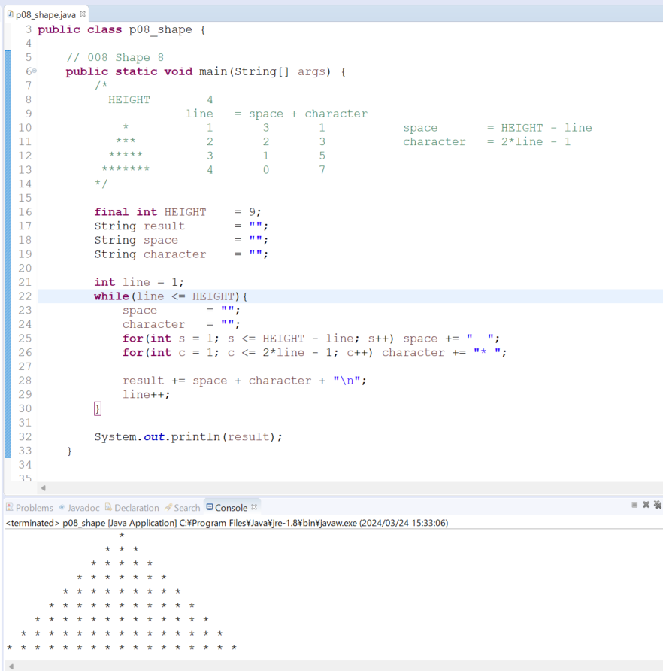
java_training
 | src
 |  | ph1_basic
 |  |  | p01_introduce.java
 |  |  | p02_variable.java
 |  |  | p03_operator.java
 |  |  | p04_condition.java
 |  |  | p05_loop.java
 |  |  | p06_caculator.java
 |  |  | p07_find.java
 |  |  | p08_shape.java | → | edit

java_training\src\ph1_basic\p08_shape.java
package ph1_basic;

public class p08_shape {

// 008 Shape 8
public static void main(String[] args) {
/*
HEIGHT 4
line = space + character
* 1 3 1 space = HEIGHT - line
*** 2 2 3 character = 2*line - 1
***** 3 1 5
******* 4 0 7
*/

final int HEIGHT = 9;
String result = "";
String space = "";
String character = "";

int line = 1;
while(line <= HEIGHT){
space = "";
character = "";
for(int s = 1; s <= HEIGHT - line; s++) space += " ";
for(int c = 1; c <= 2*line - 1; c++) character += "* ";

result += space + character + "\n";
line++;
}

System.out.println(result);
}

// 007 Shape 7
public static void main007(String[] args) {
/*
* * * * * 11 12 13 14 15
* * 21 22 23 24 25
* *
* *
* * * * *
*/

final int LENGTH = 7;
int number = 1;
while(number <= LENGTH){
for(int i = 1; i <= LENGTH ; i++) {
if(i >= 2 && i <= LENGTH-1 && number >=2 && number <= LENGTH - 1) {
System.out.print(" ");
}else{
System.out.print("* ");
}
}
System.out.println();
number++;
}
}

// 006 Shape 6
public static void main006(String[] args) {
/*
1
212 2
32123 23
4321234 234
543212345 2345

*/
String record = "";
String result = "";
String space = "";
String left = "";
String right = "";

int number = 1;
while(number <= 9){
space = "";
left = "";
right = "";

for(int s = 1; s<= (9 - number) ; s++) space += " ";
for(int l = number; l >= 2 ; l--) left += l;
for(int r = 2; r <= number ; r++) right += r;

record = space + left + "1" + right + "\n";
result += record;
number++;
}
System.out.println(result);

}

// 005 Shape 5
public static void main005(String[] args) {
/*
1
1 2
1 2 3
1 2 3 4
1 2 3 4 5
*/

int number = 1;
while(number <= 5){
for(int i = 1; i <= number; i++){
System.out.print(i + " ");
}
System.out.println();
number++;
}
}

// 004 Shape 4
public static void main004(String[] args) {
/*
* * * * *
* * * *
* * *
* *
*
*/

int number = 9;
while(number >= 1){
for(int i = 1; i<= 9-number; i++) System.out.print(" ");
for(int j = 1; j<= number; j++) System.out.print("* ");
System.out.println();
number--;
}
}

// 003 Shape 3
public static void main003(String[] args) {
/*
*
* *
* * *
* * * *
* * * * *

* 1 4
** 2 3
***
****
*****
*/

int number = 1;
while(number <= 5){
for(int i = 1; i<= 5-number; i++) System.out.print(" ");
for(int j = 1; j<= number; j++) System.out.print("* ");
System.out.println();
number++;
}
}

// 002 Shape 2
public static void main002(String[] args) {
/*
* * * * * number=5
* * * * number=4
* * * number=3
* * number=2
* number=1
*/
int number = 5;
while(number >= 1){
for(int i = 1; i <= number; i++) System.out.print("* ");
System.out.println();
number--;
}
}

// 001 Shape 1
public static void main001(String[] args) {
/*
* number=1
* * number=2
* * * number=3
* * * * number=4
* * * * * number=5
*/

int number = 1;
while(number <= 9){
for(int i = 1; i <= number; i++){
System.out.print("* ");
}
System.out.println();
number++;
}
}
}

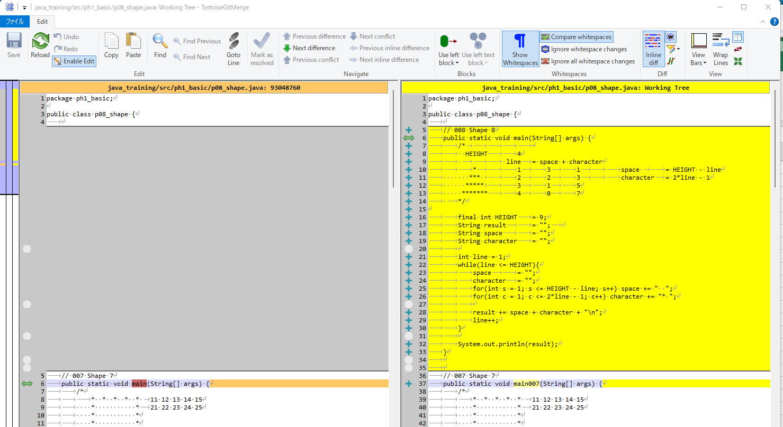

Thực thi

