Sheet1
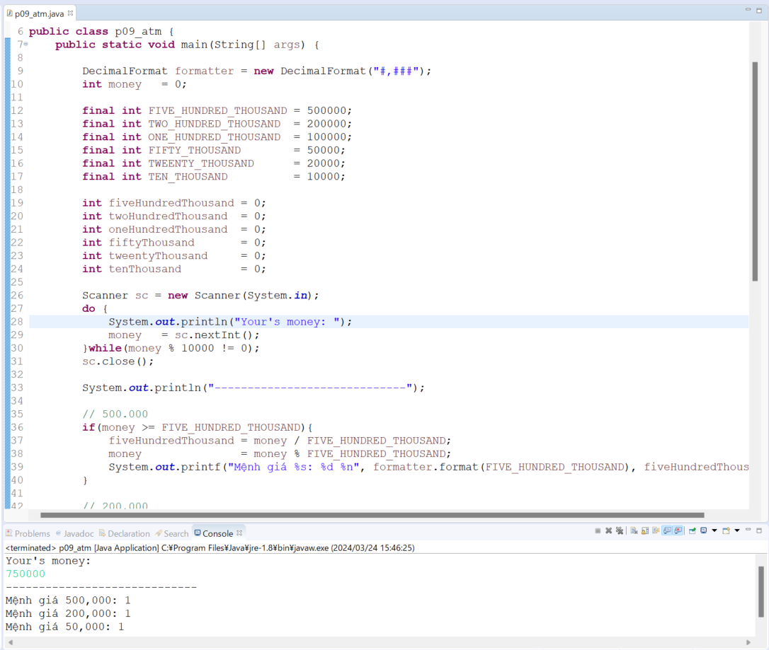
java_training
 | src
 |  | ph1_basic
 |  |  | p01_introduce.java
 |  |  | p02_variable.java
 |  |  | p03_operator.java
 |  |  | p04_condition.java
 |  |  | p05_loop.java
 |  |  | p06_caculator.java
 |  |  | p07_find.java
 |  |  | p08_shape.java
 |  |  | p09_atm.java | → | add

Tổng số các tờ tiền phải là nhỏ nhất
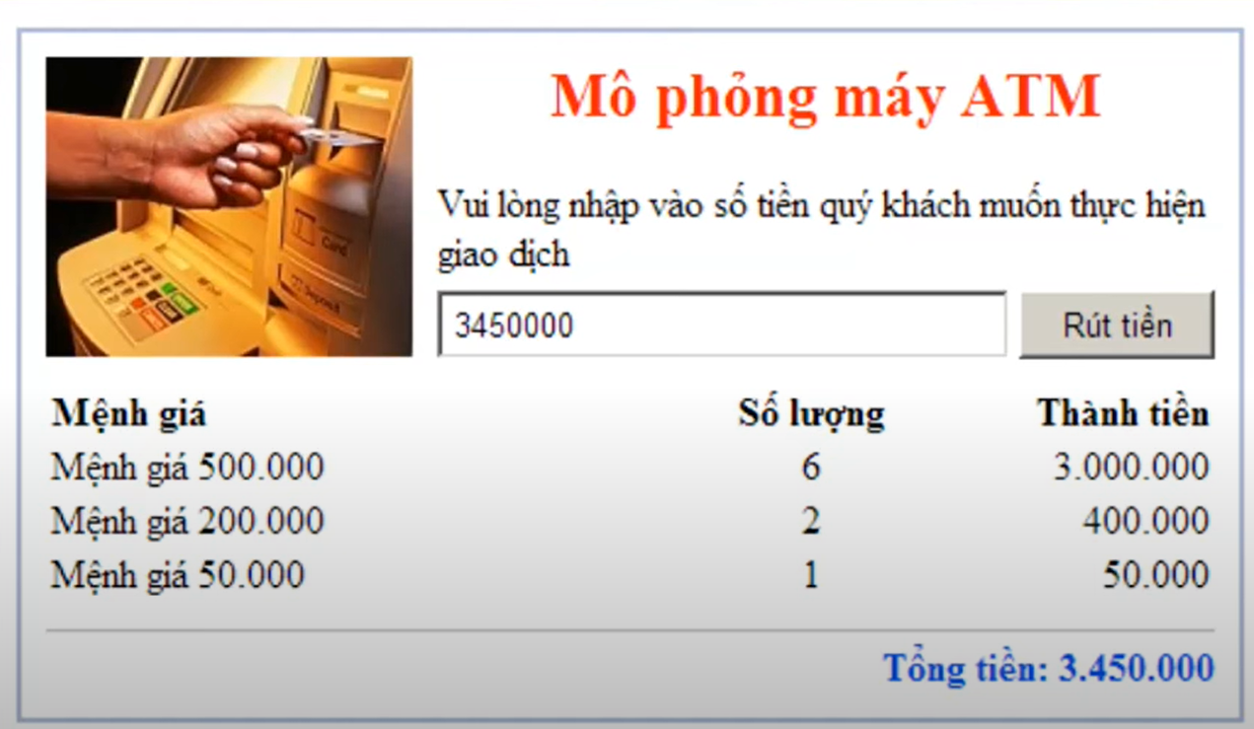

java_training\src\ph1_basic\p09_atm.java
package ph1_basic;

import java.text.DecimalFormat;
import java.util.Scanner;

public class p09_atm {
public static void main(String[] args) {

DecimalFormat formatter = new DecimalFormat("#,###"); |  |  |  |  |  | → | Kiểu định dạng muốn hiển thị là phân biệt giữa hàng nghìn. Trả về 1 chuỗi
int money = 0;

final int FIVE_HUNDRED_THOUSAND = 500000;
final int TWO_HUNDRED_THOUSAND = 200000;
final int ONE_HUNDRED_THOUSAND = 100000;
final int FIFTY_THOUSAND = 50000;
final int TWEENTY_THOUSAND = 20000;
final int TEN_THOUSAND = 10000;

int fiveHundredThousand = 0;
int twoHundredThousand = 0;
int oneHundredThousand = 0;
int fiftyThousand = 0;
int tweentyThousand = 0;
int tenThousand = 0;

Scanner sc = new Scanner(System.in);
do {
System.out.println("Your's money: ");
money = sc.nextInt();
}while(money % 10000 != 0);
sc.close();

System.out.println("-----------------------------");

// 500.000
if(money >= FIVE_HUNDRED_THOUSAND){
fiveHundredThousand = money / FIVE_HUNDRED_THOUSAND;
money = money % FIVE_HUNDRED_THOUSAND;
System.out.printf("Mệnh giá %s: %d %n", formatter.format(FIVE_HUNDRED_THOUSAND), fiveHundredThousand); |  |  |  |  |  | → | %n hoặc \n đều được, dùng để xuống dòng
}

// 200.000
if(money >= TWO_HUNDRED_THOUSAND){
twoHundredThousand = money / TWO_HUNDRED_THOUSAND;
money = money % TWO_HUNDRED_THOUSAND;
System.out.printf("Mệnh giá %s: %d %n", formatter.format(TWO_HUNDRED_THOUSAND), twoHundredThousand);
}

// 100.000
if(money >= ONE_HUNDRED_THOUSAND){
oneHundredThousand = money / ONE_HUNDRED_THOUSAND;
money = money % ONE_HUNDRED_THOUSAND;
System.out.printf("Mệnh giá %s: %d %n", formatter.format(ONE_HUNDRED_THOUSAND), oneHundredThousand);
}

// 50.000
if(money >= FIFTY_THOUSAND){
fiftyThousand = money / FIFTY_THOUSAND;
money = money % FIFTY_THOUSAND;
System.out.printf("Mệnh giá %s: %d %n", formatter.format(FIFTY_THOUSAND), fiftyThousand);
}

// 20.000
if(money >= TWEENTY_THOUSAND){
tweentyThousand = money / TWEENTY_THOUSAND;
money = money % TWEENTY_THOUSAND;
System.out.printf("Mệnh giá %s: %d %n", formatter.format(TWEENTY_THOUSAND), tweentyThousand);
}

// 10.000
if(money >= TEN_THOUSAND){
tenThousand = money / TEN_THOUSAND;
money = money % TEN_THOUSAND;
System.out.printf("Mệnh giá %s: %d %n", formatter.format(TEN_THOUSAND), tenThousand);
}
}
}

Thực thi

