Kiến trúc - các thành phần
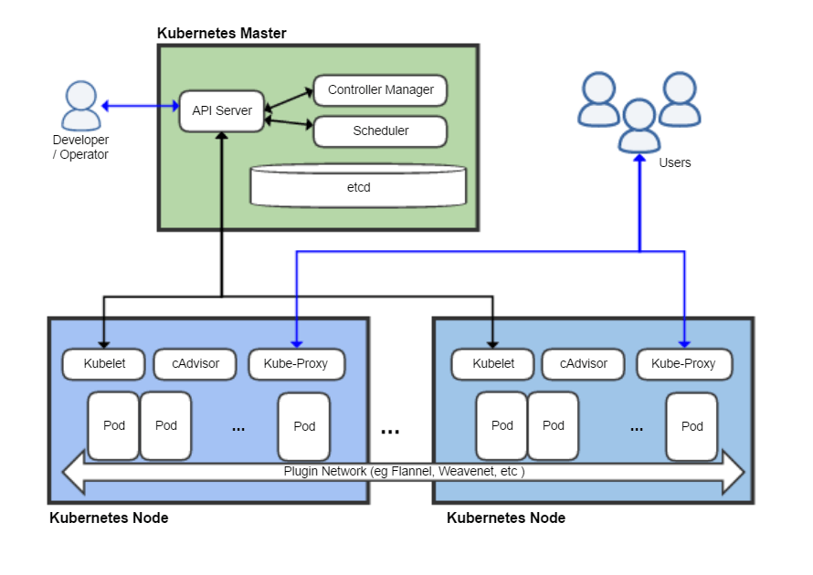

Create EC2(master.xtl)
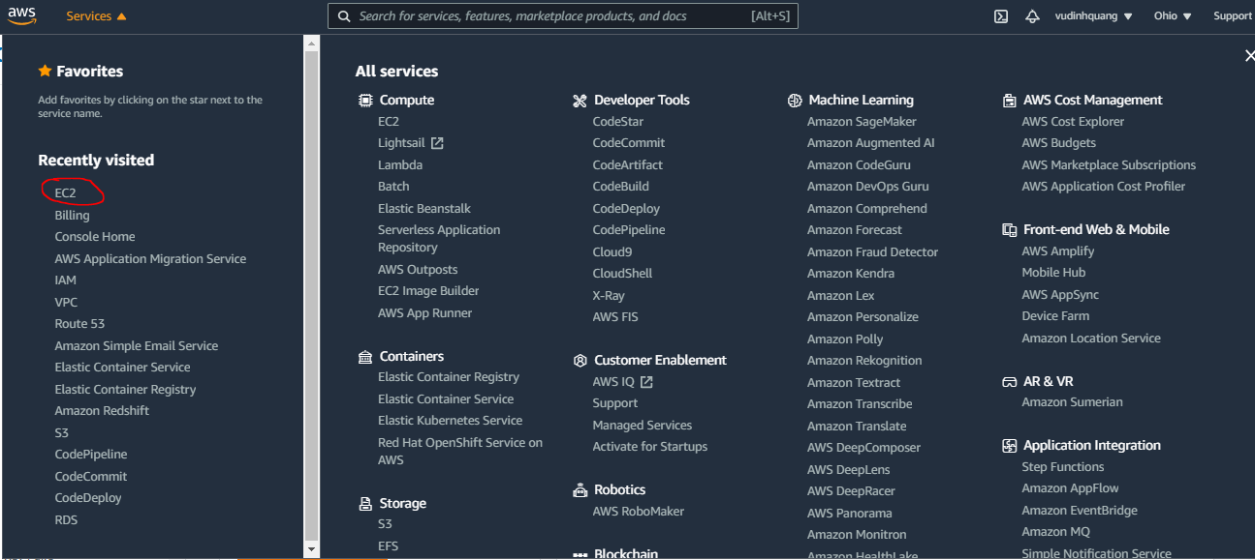

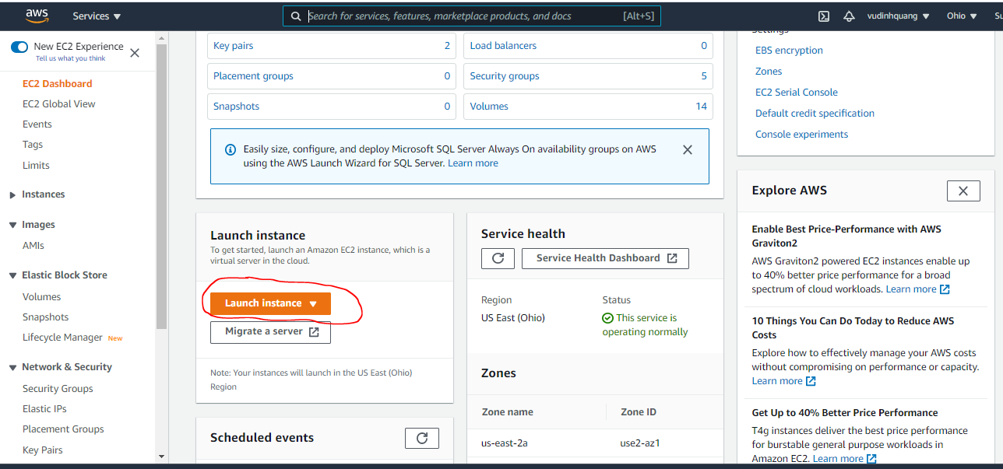

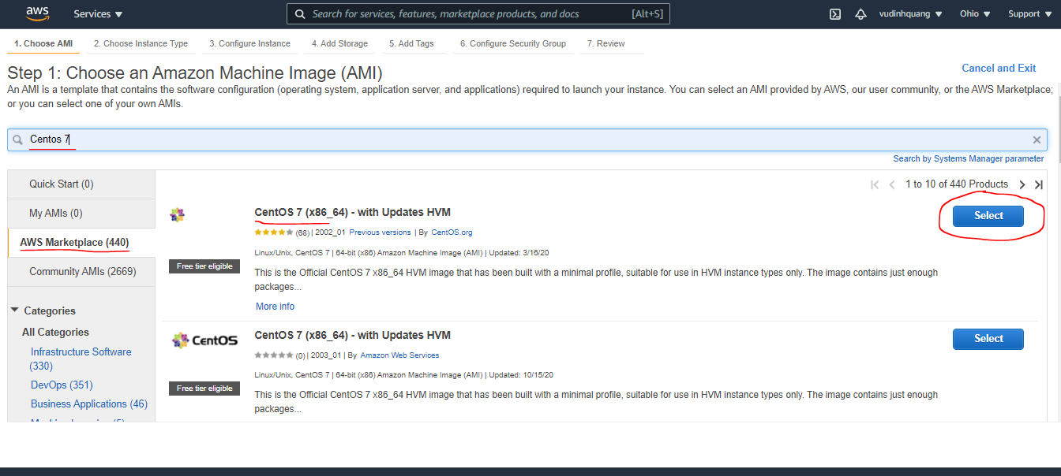

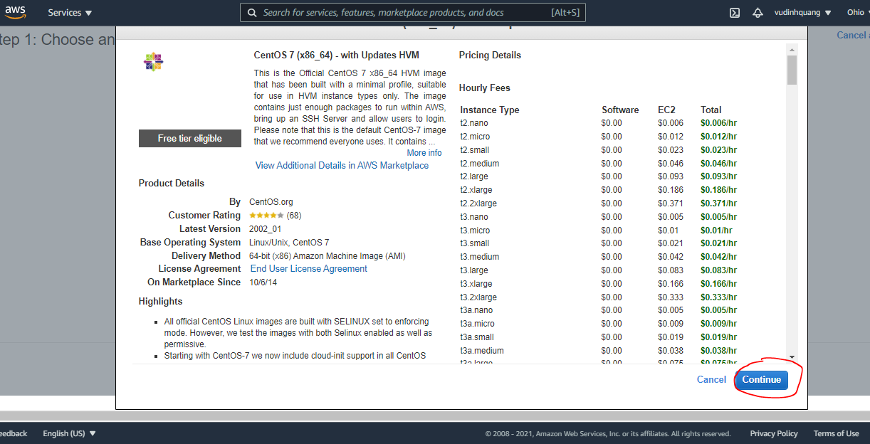

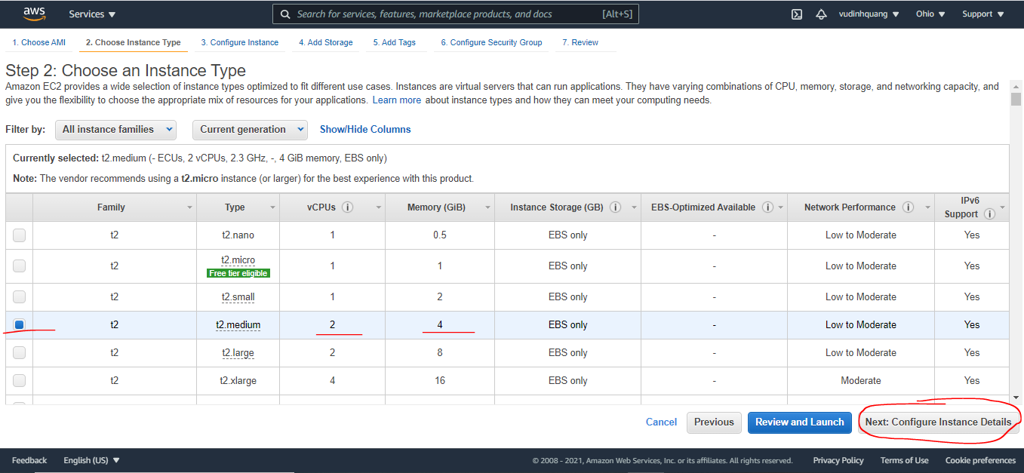

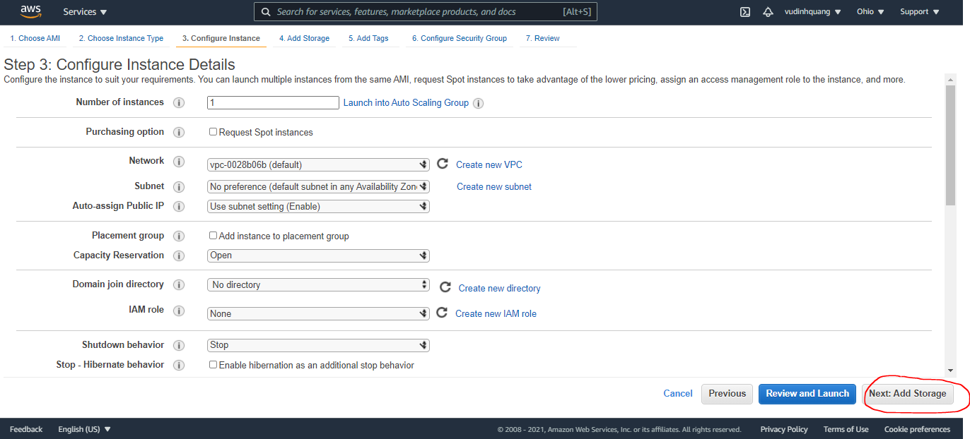

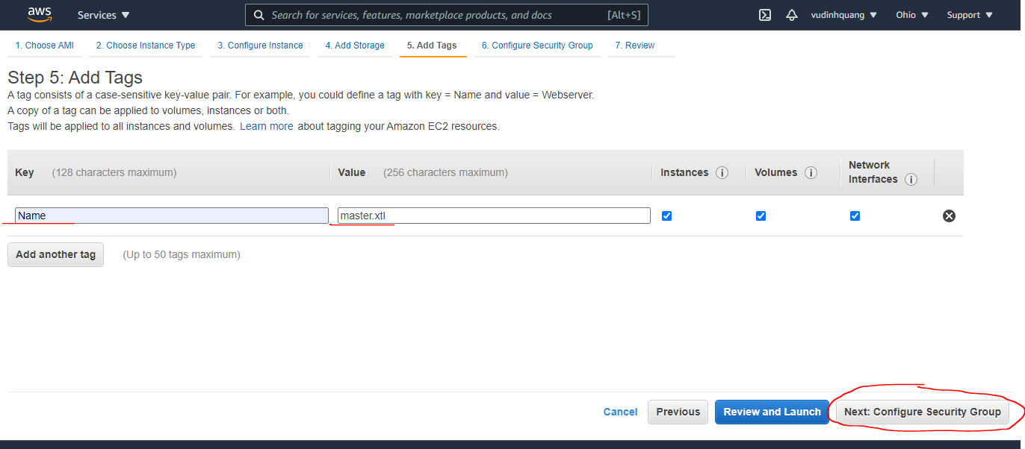

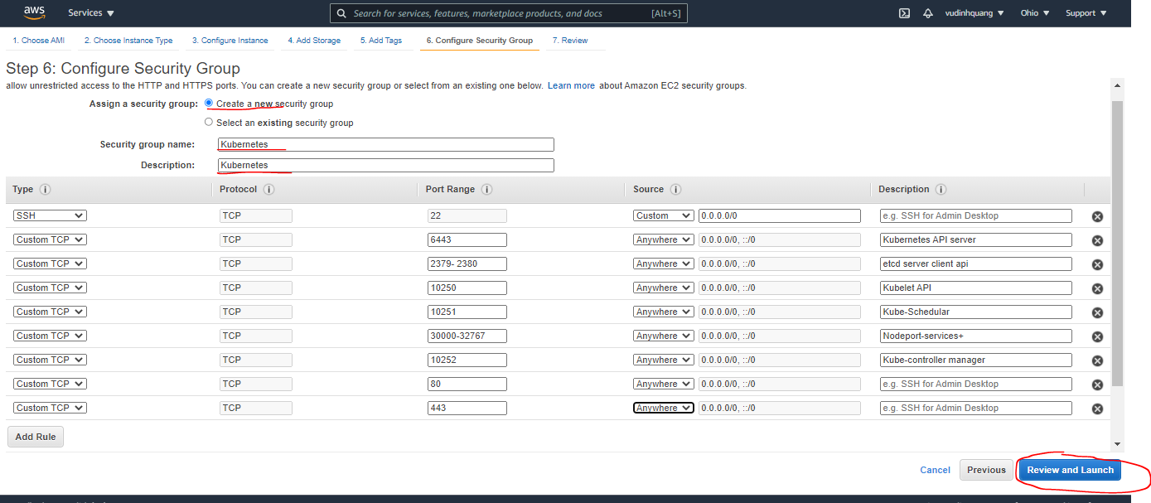

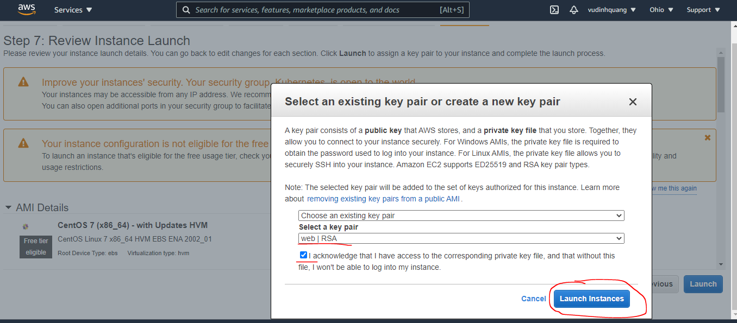

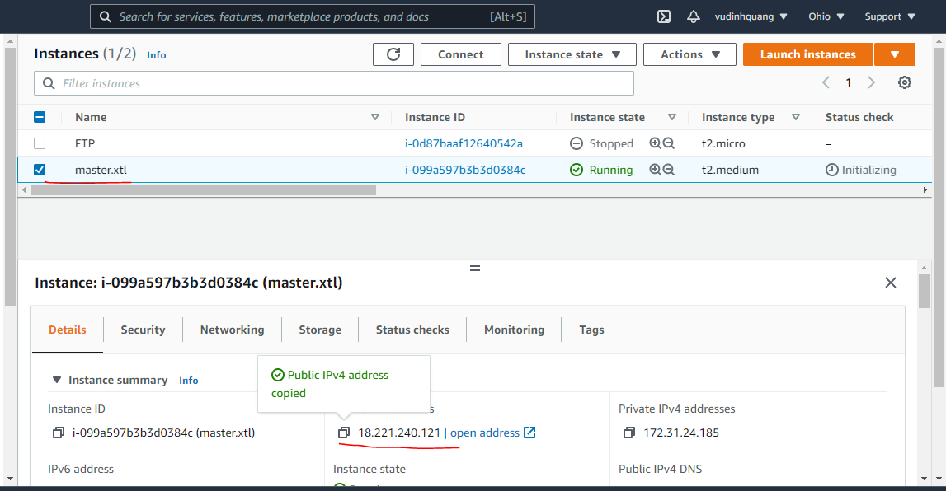

Create EC2(worker1.xtl)
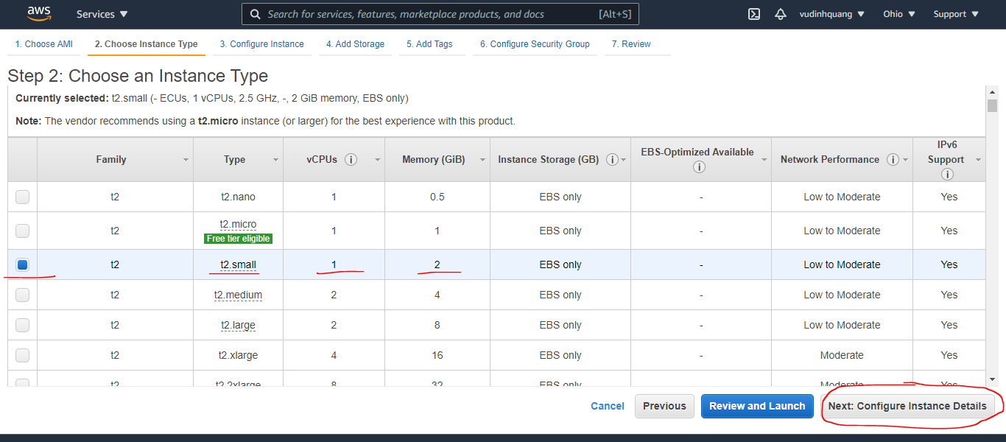

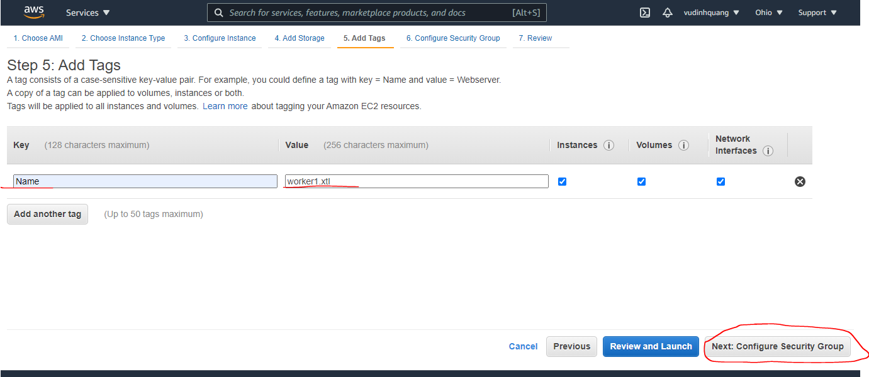

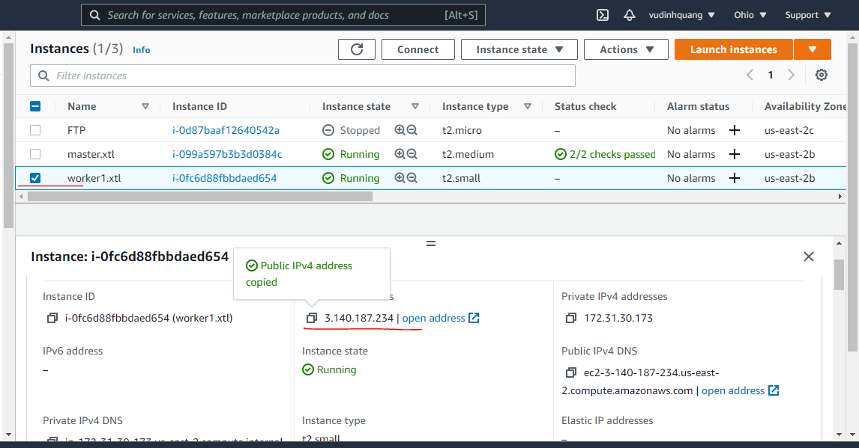

Create EC2(worker2.xtl)
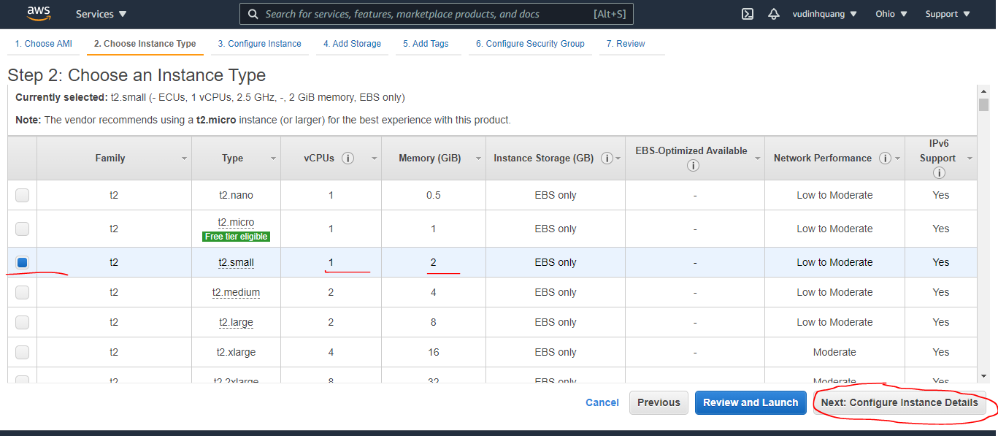

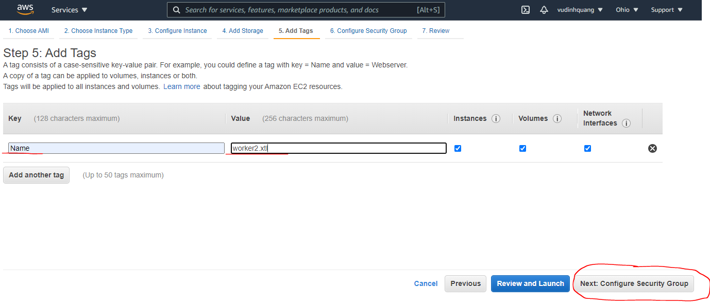

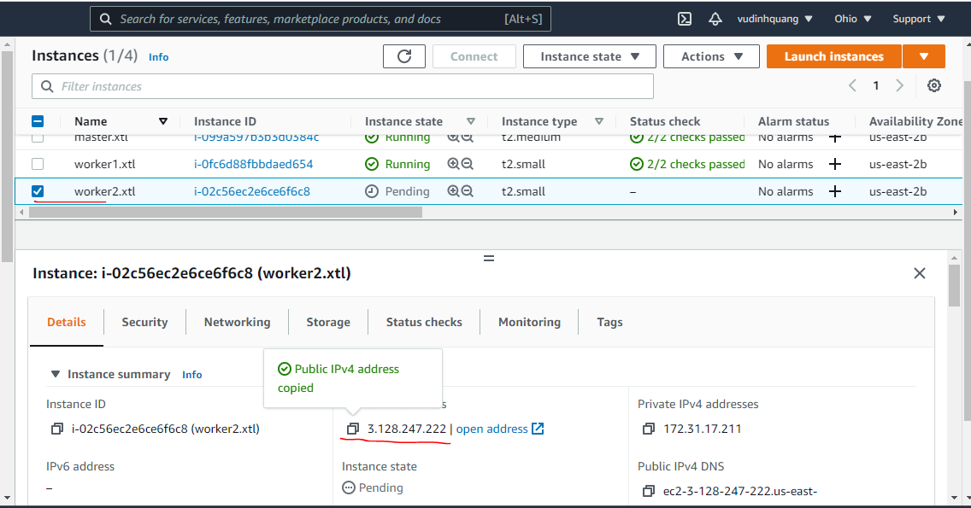

On both Kmaster and Kworker
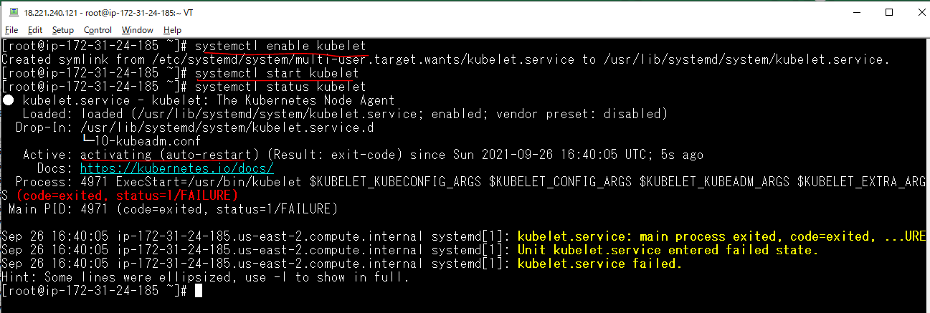
Disable SELinux temporarily (disable the security of Linux)
 | setenforce 0

The free command gives information about used and unused memory usage and swap memory of a system
 | free -h

Tắt swap
 | swapoff -a

Update sysctl settings for Kubernetes networking
 | cat >>/etc/sysctl.d/kubernetes.conf<<EOF
 | net.bridge.bridge-nf-call-ip6tables = 1
 | net.bridge.bridge-nf-call-iptables = 1
 | EOF

Installaton Docker
 | yum install -y yum-utils device-mapper-persistent-data lvm2
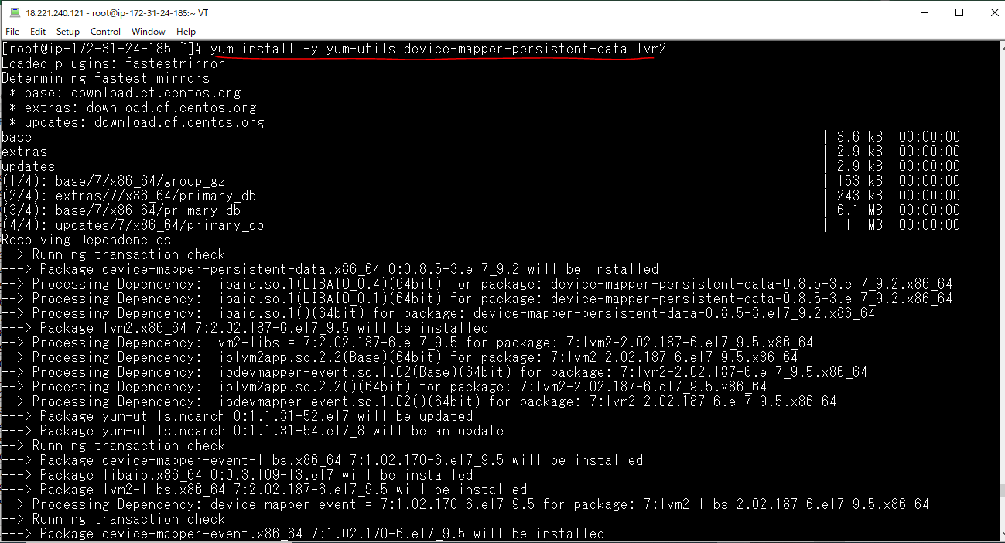

 | yum-config-manager --add-repo https://download.docker.com/linux/centos/docker-ce.repo

 | yum update -y && yum install yum install docker -y
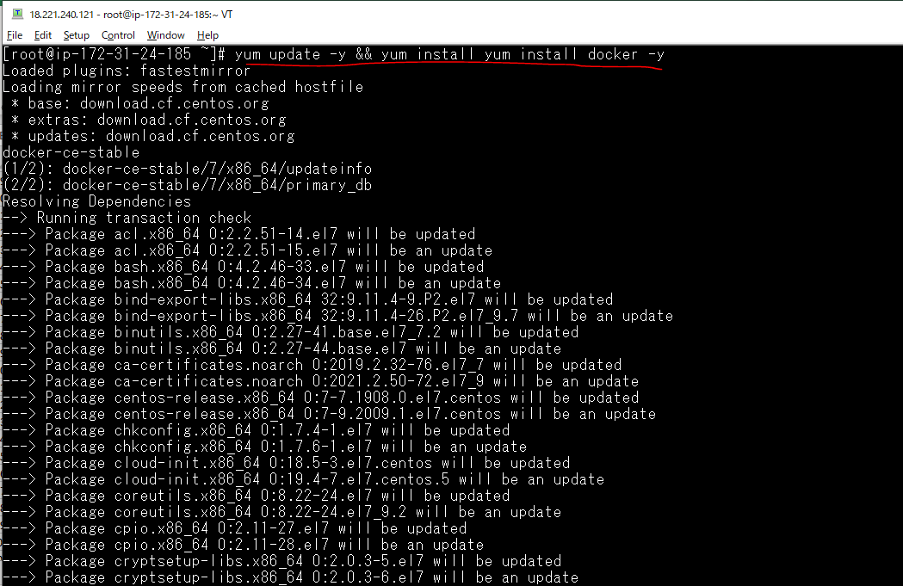

 | systemctl enable docker
 | systemctl start docker
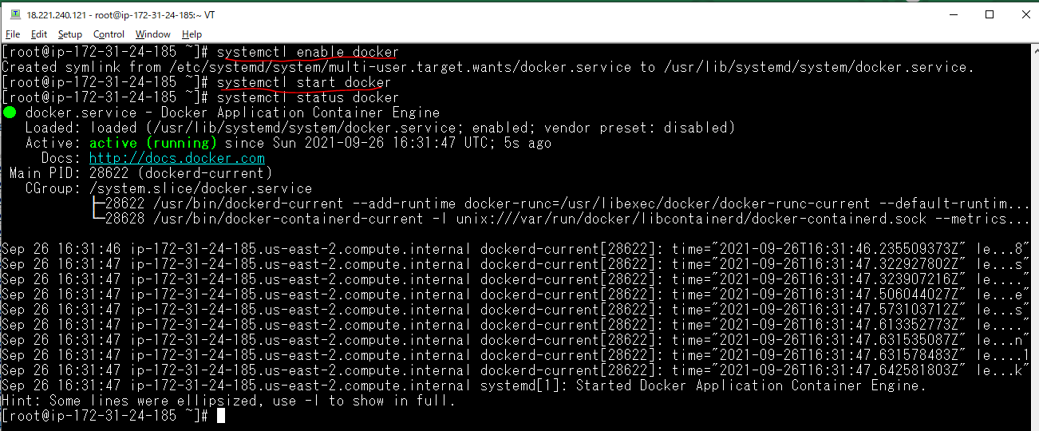

Kubernetes Setup
 | cat <<EOF > /etc/yum.repos.d/kubernetes.repo
 | [kubernetes]
 | name=Kubernetes
 | baseurl=https://packages.cloud.google.com/yum/repos/kubernetes-el7-x86_64
 | enabled=1
 | gpgcheck=1
 | repo_gpgcheck=1
 | gpgkey=https://packages.cloud.google.com/yum/doc/yum-key.gpg
 | https://packages.cloud.google.com/yum/doc/rpm-package-key.gpg
 | EOF
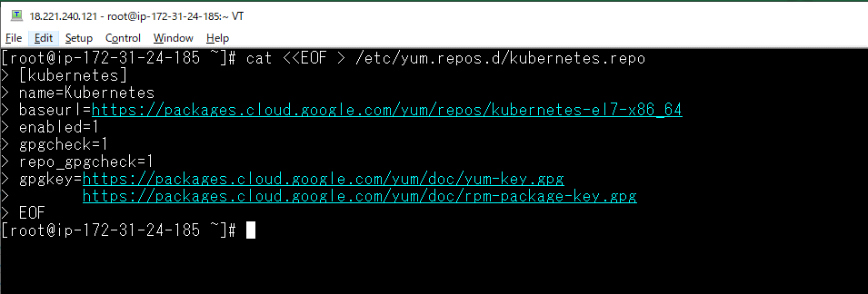

installation Kubelet , Kubeadm, Kubectl
 | yum install kubeadm kubectl kubelet -y
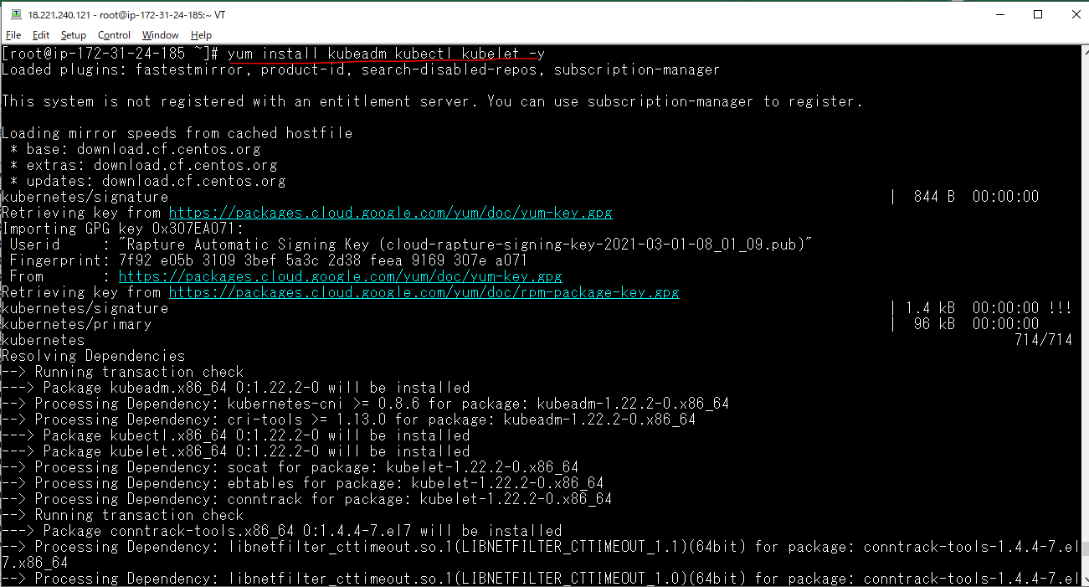

Check docker is running
 | docker
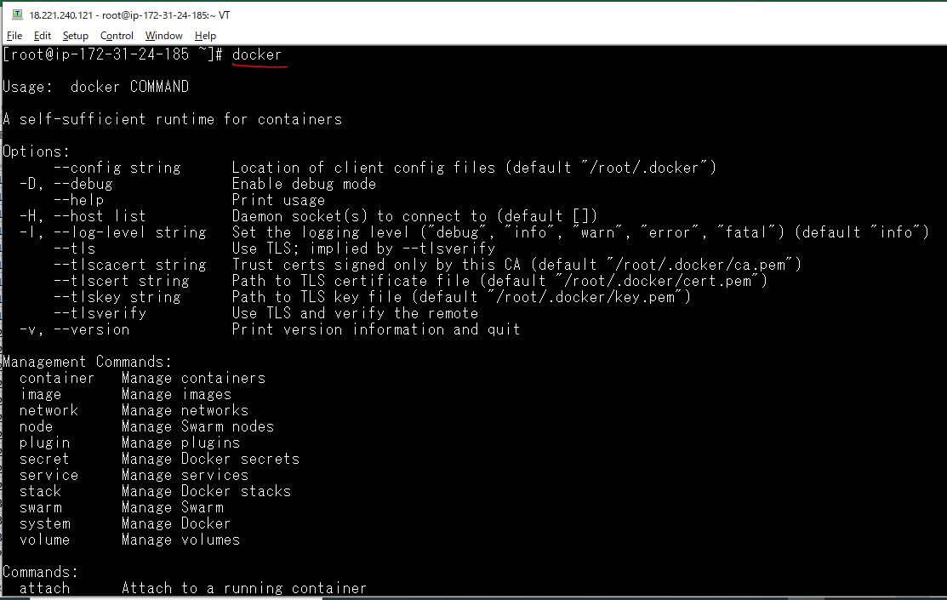

Check kubelet is inactive
 | systemctl status kubelet

 | systemctl enable kubelet
 | systemctl start kubelet

On kmaster
Khởi tạo một Cluster
 | kubeadm init --apiserver-advertise-address=172.31.24.185 --pod-network-cidr=192.168.0.0/16
 | 172.31.24.185 is private IP of master.xtl
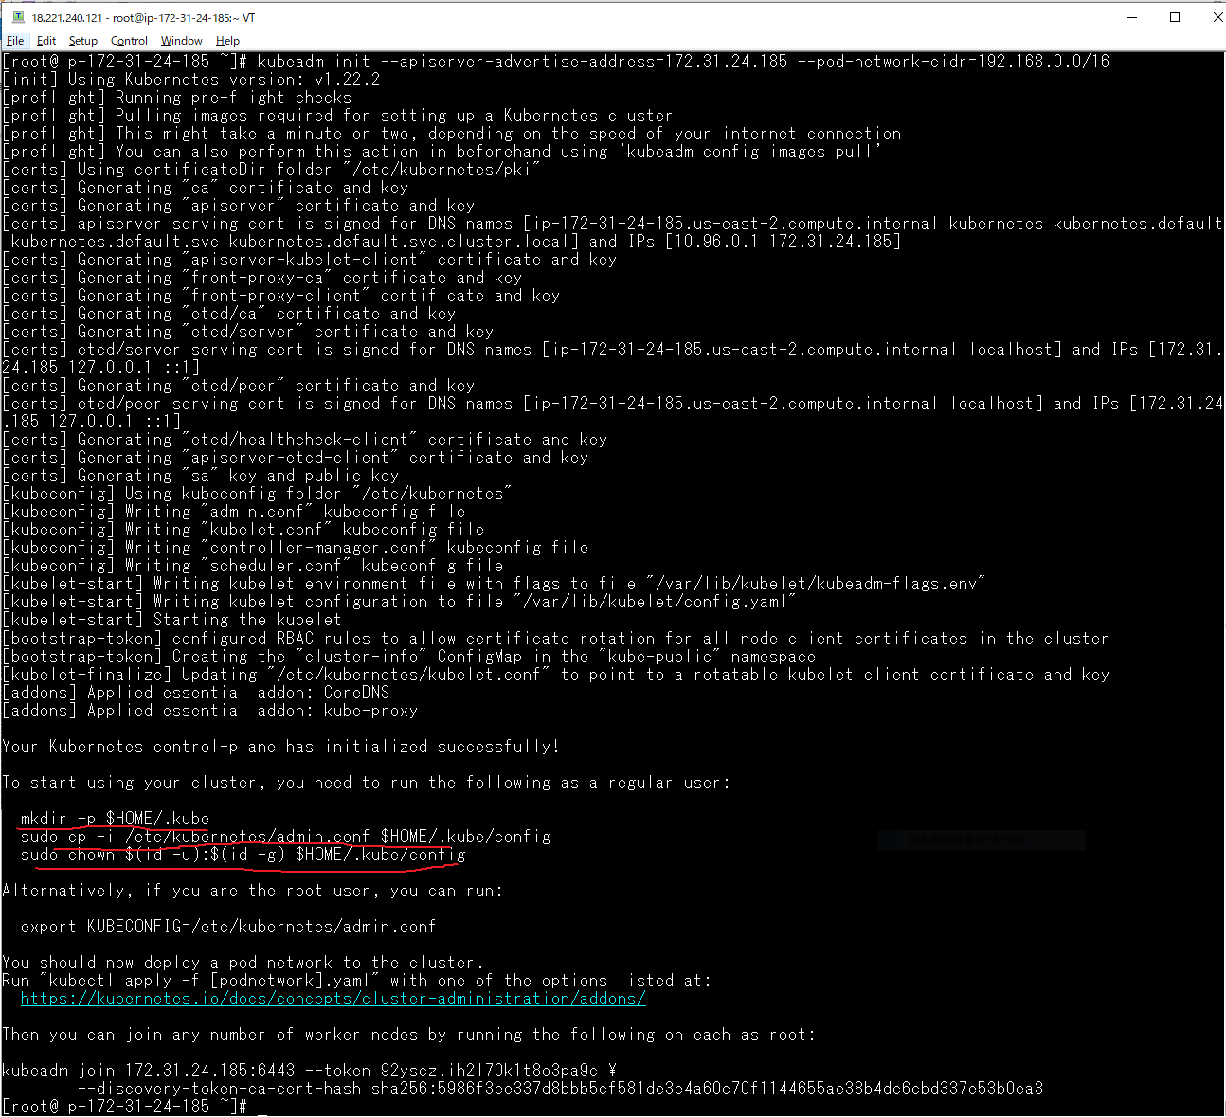

 | mkdir -p $HOME/.kube

 | sudo cp -i /etc/kubernetes/admin.conf $HOME/.kube/config

 | sudo chown $(id -u):$(id -g) $HOME/.kube/config

Deploy Calico network
 | kubectl apply -f https://docs.projectcalico.org/manifests/calico.yaml
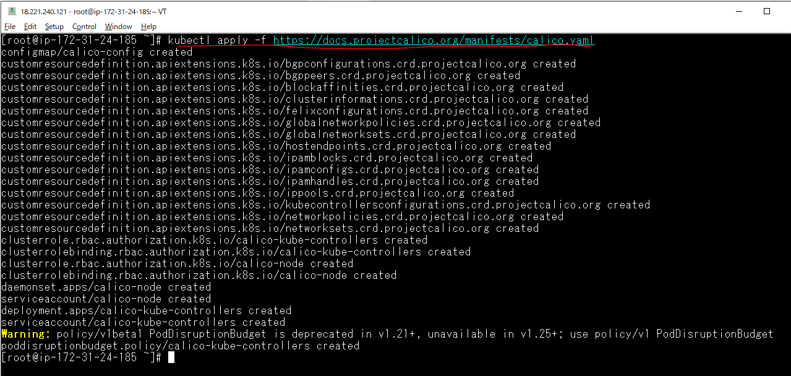

Thông tin cluster
 | kubectl cluster-info

Các node trong cluster
 | kubectl get nodes

Lệnh kết nối Node vào Cluster
 | kubeadm token create --print-join-command

Kiểm tra thông tin node
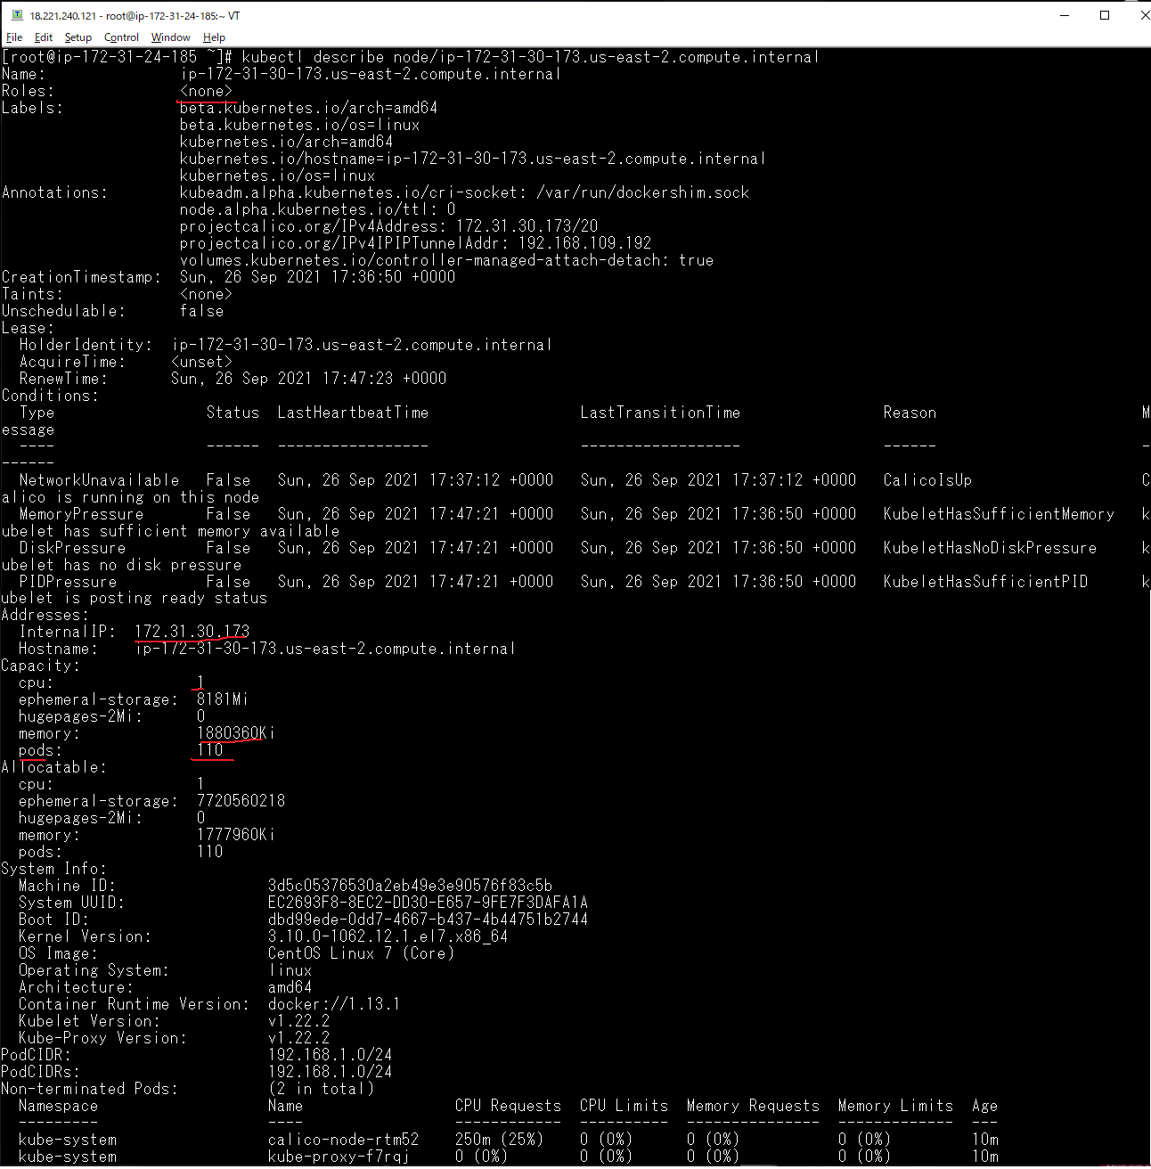

kubectl
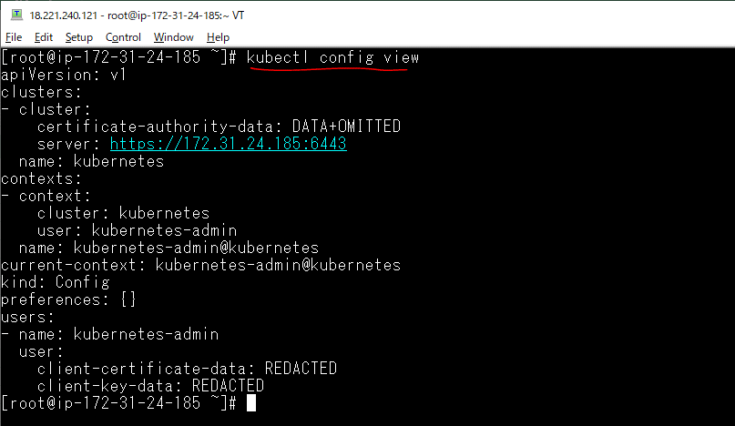
kubectl config get-contexts

kubectl config view

