Register commands
Make sure that everything is running right
 | php artisan list
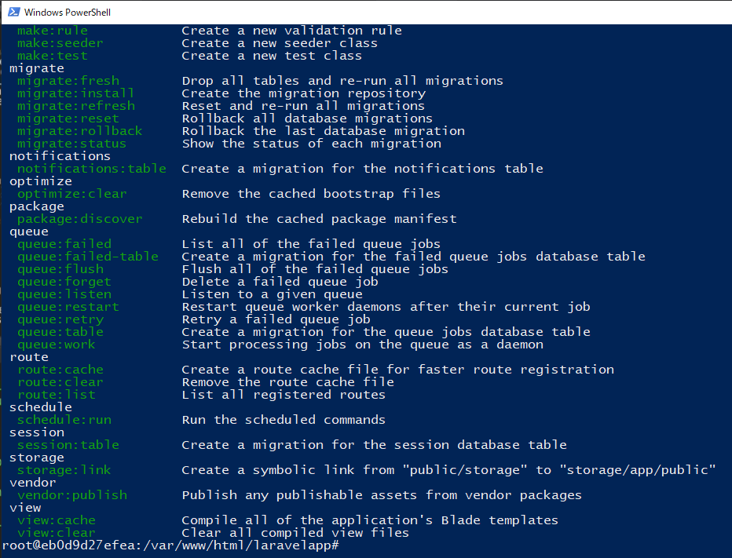

handle: whatever we need to do

mailtrap.io
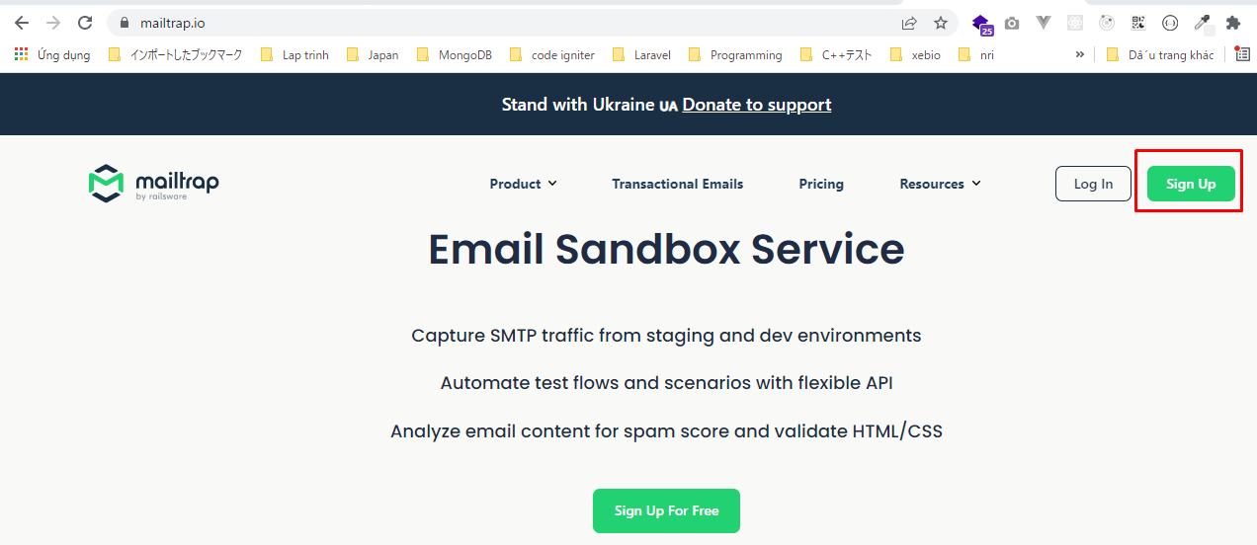
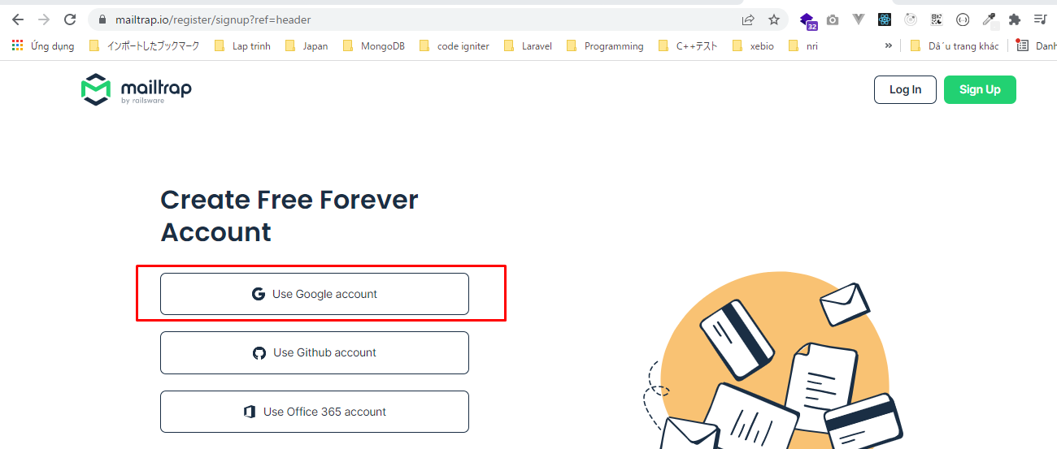
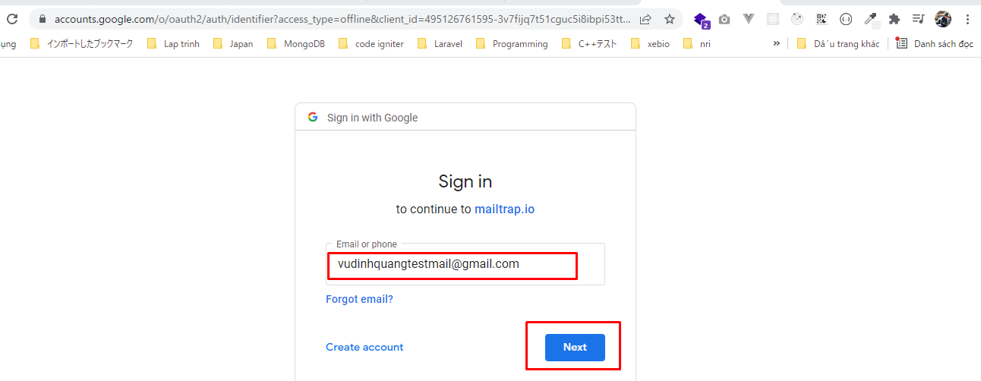
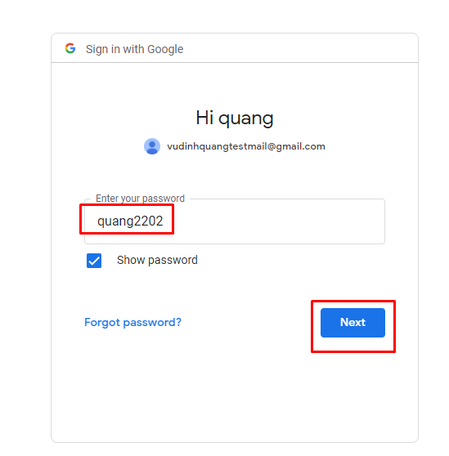
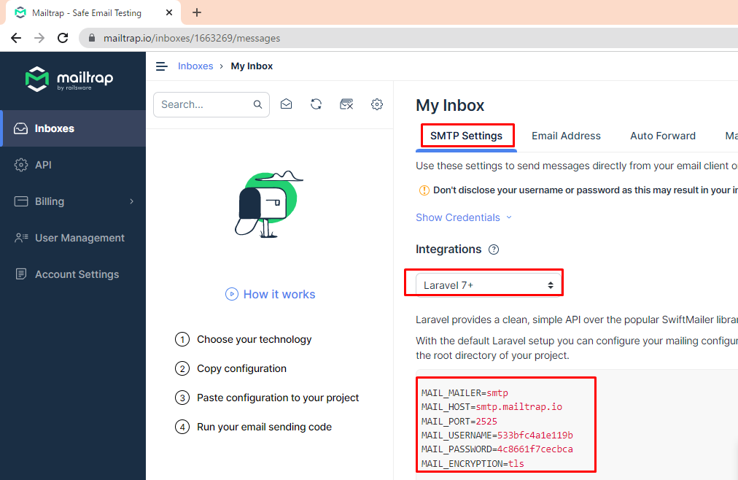
Sign Up
 | URL: https://mailtrap.io/

.env
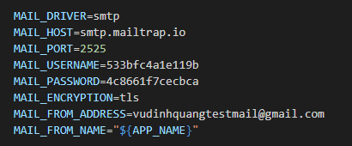
MAIL_DRIVER=smtp
MAIL_HOST=smtp.mailtrap.io
MAIL_PORT=2525
MAIL_USERNAME=533bfc4a1e119b
MAIL_PASSWORD=4c8661f7cecbca
MAIL_ENCRYPTION=tls
MAIL_FROM_ADDRESS=vudinhquangtestmail@gmail.com
MAIL_FROM_NAME="${APP_NAME}"

