Setup Information
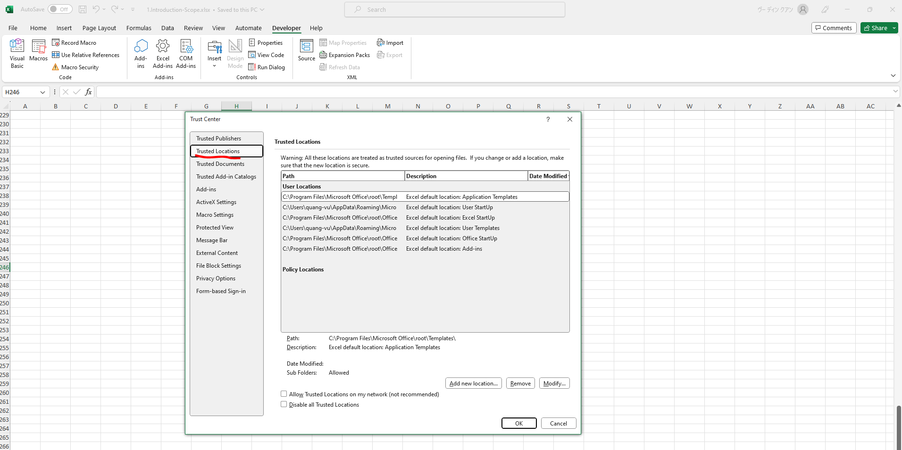
Important Compatibility & Setup Information

Cách thay đổi ngôn ngữ trong excel



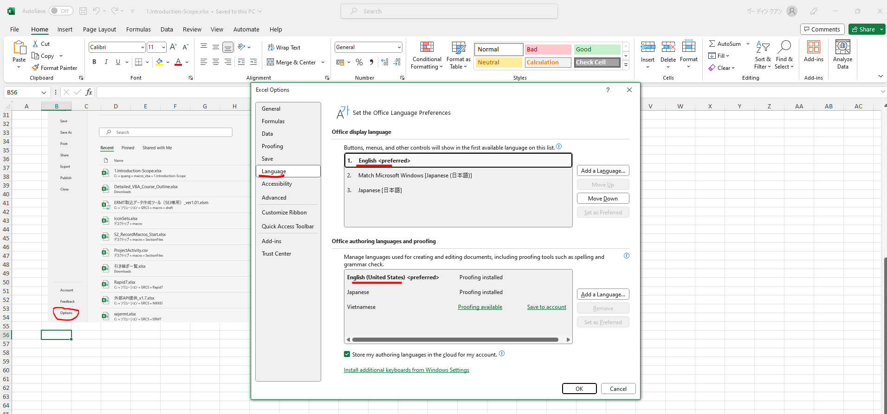

active developer tab

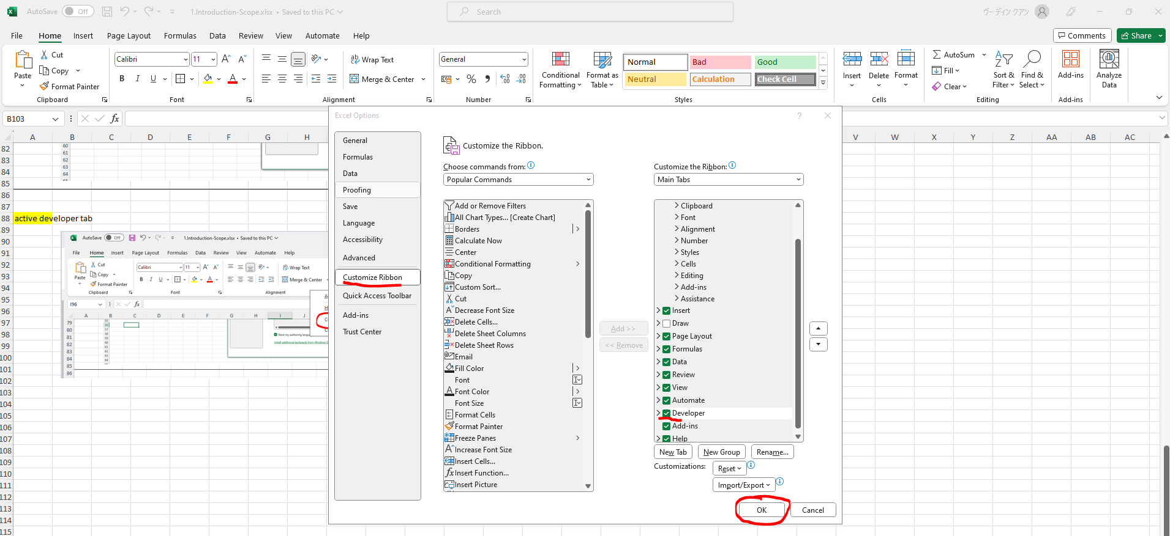

macro security

 | Disable VBA macros without notification: every time we open a new file that has macro they are by default disables unless we enable them
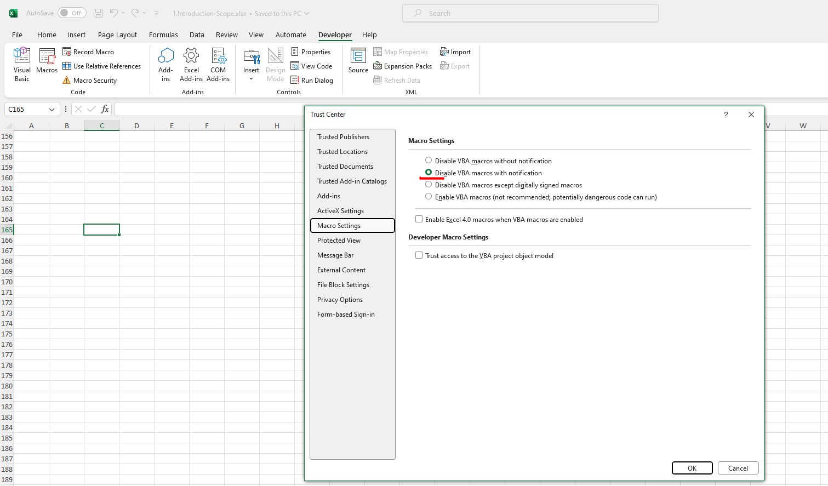

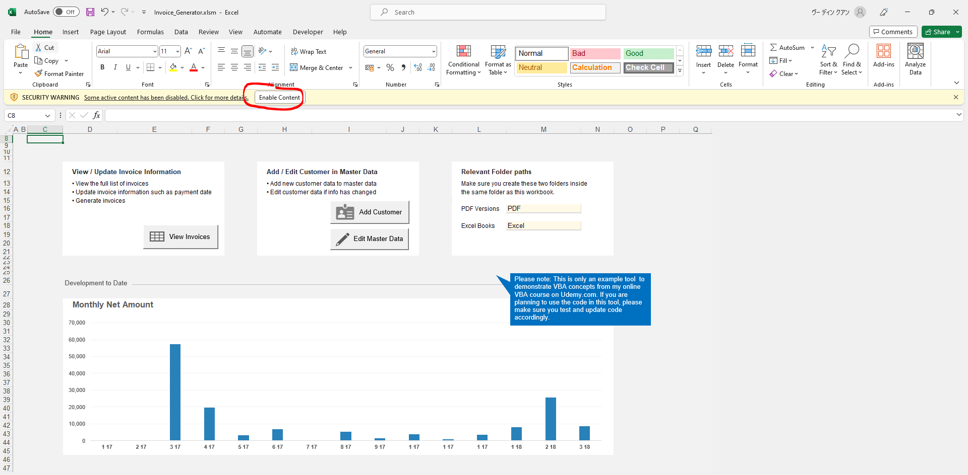

 | One way to handle macro security can be to have a designated folder as a trusted location

