Create EC2
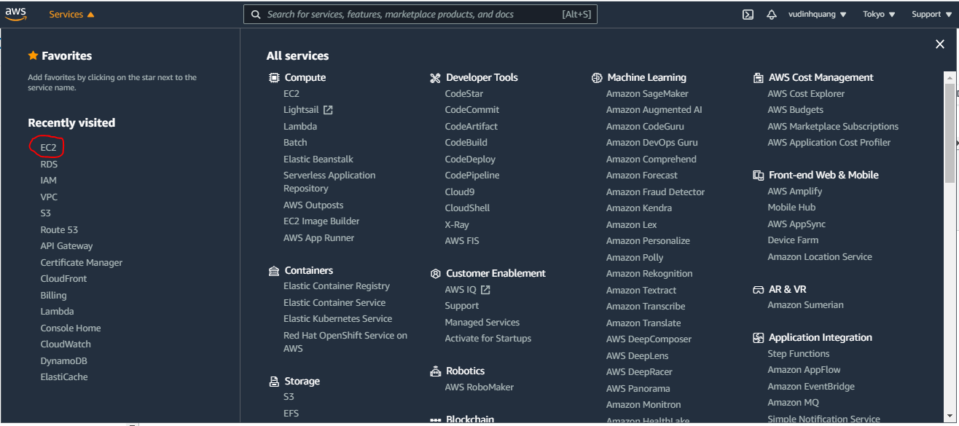

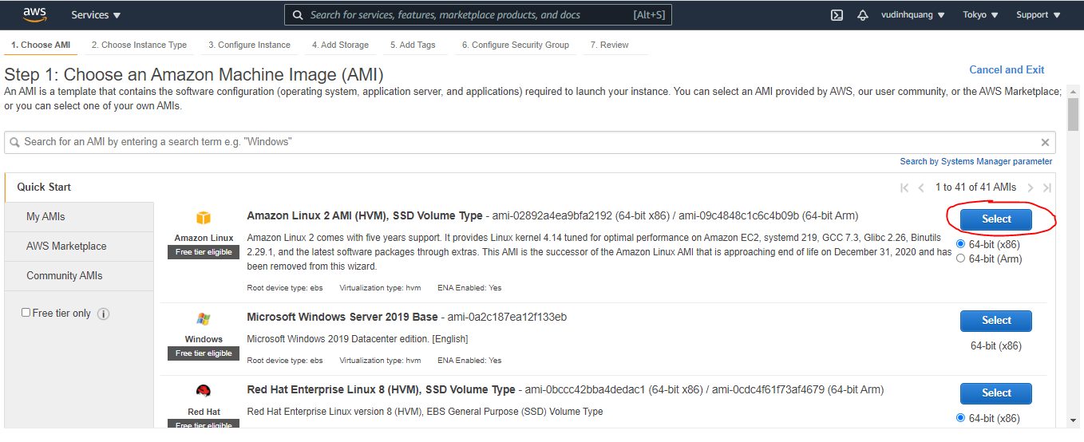

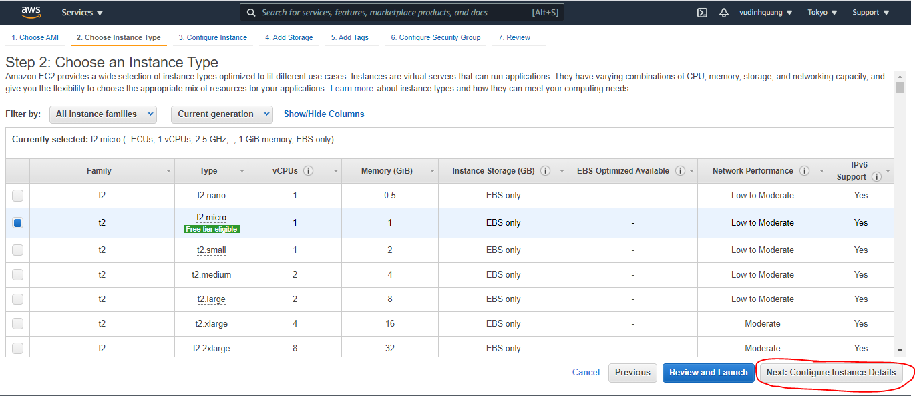

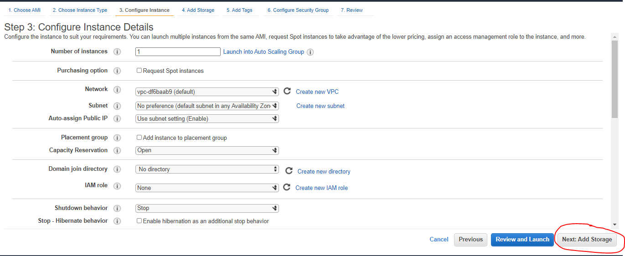

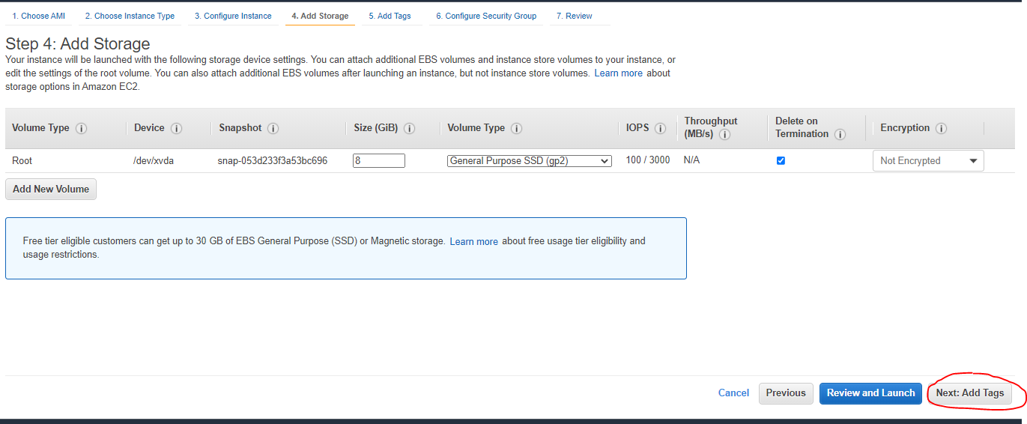

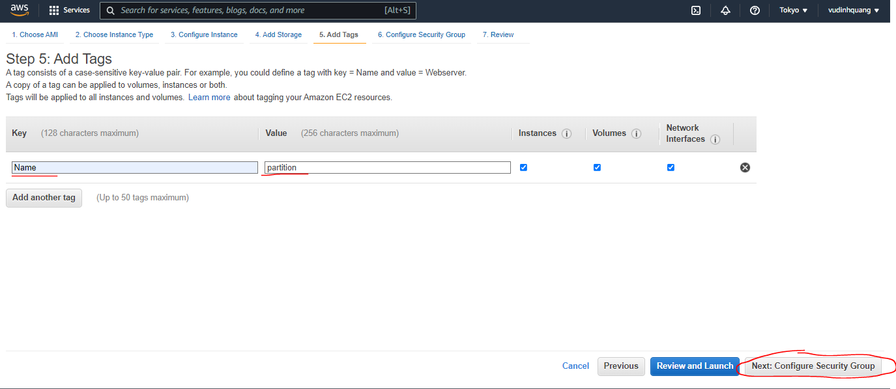

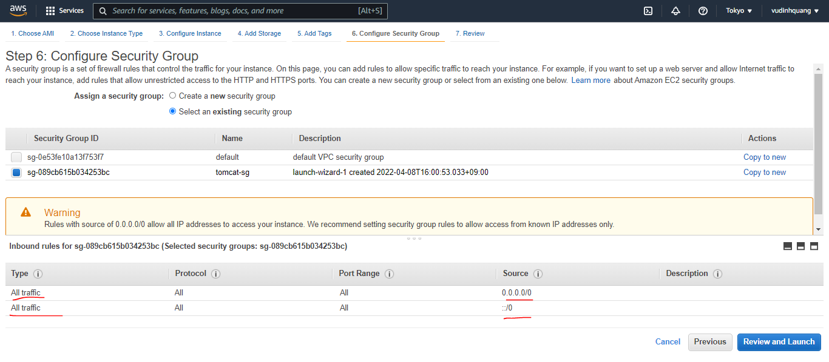

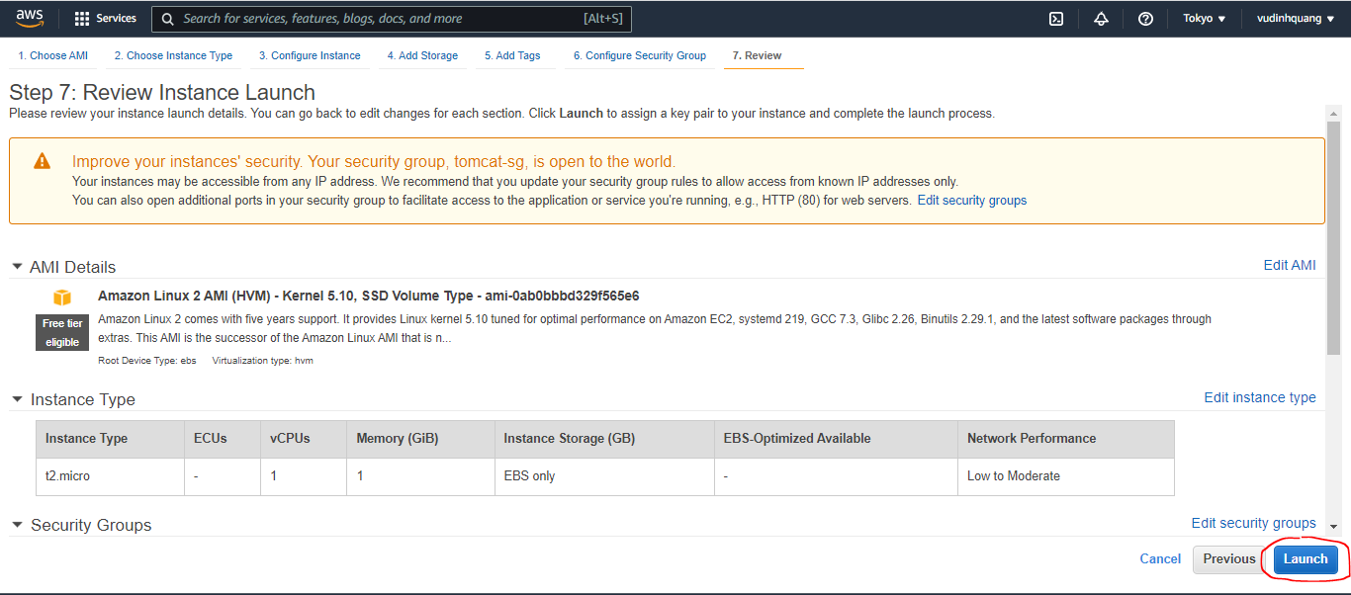

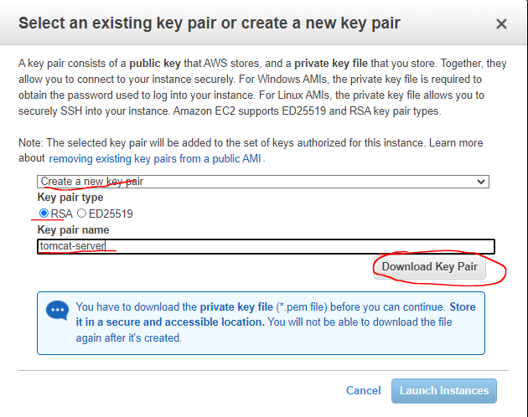

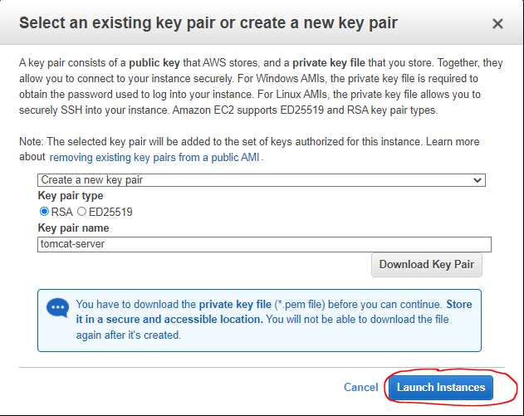

mysql
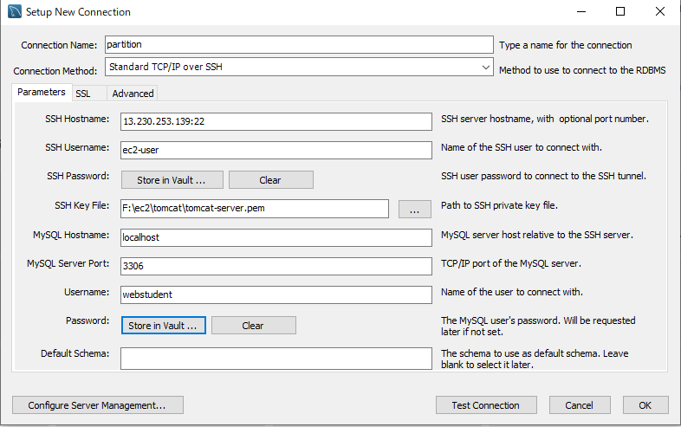
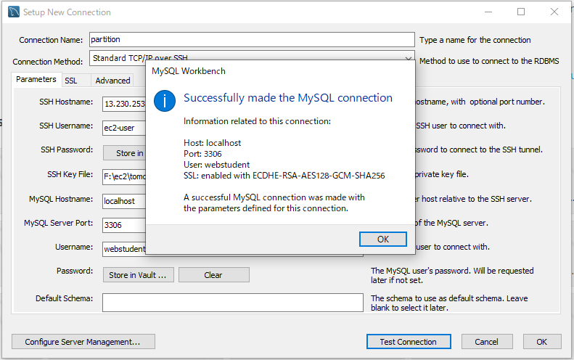
install mysql 5.7 on ec2 amazon linux
URL: https://ebc-2in2crc.hatenablog.jp/entry/2021/04/03/160313

yumを最新状態にする。
 | sudo su
 | sudo yum update -y
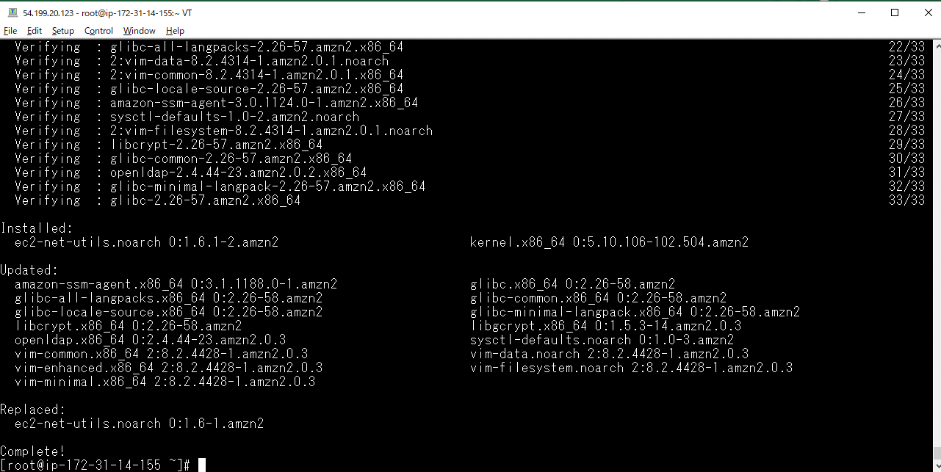

インスタンス作成初期からインストールされているMariaDB用パッケージを削除する
 | sudo yum remove mariadb-* -y
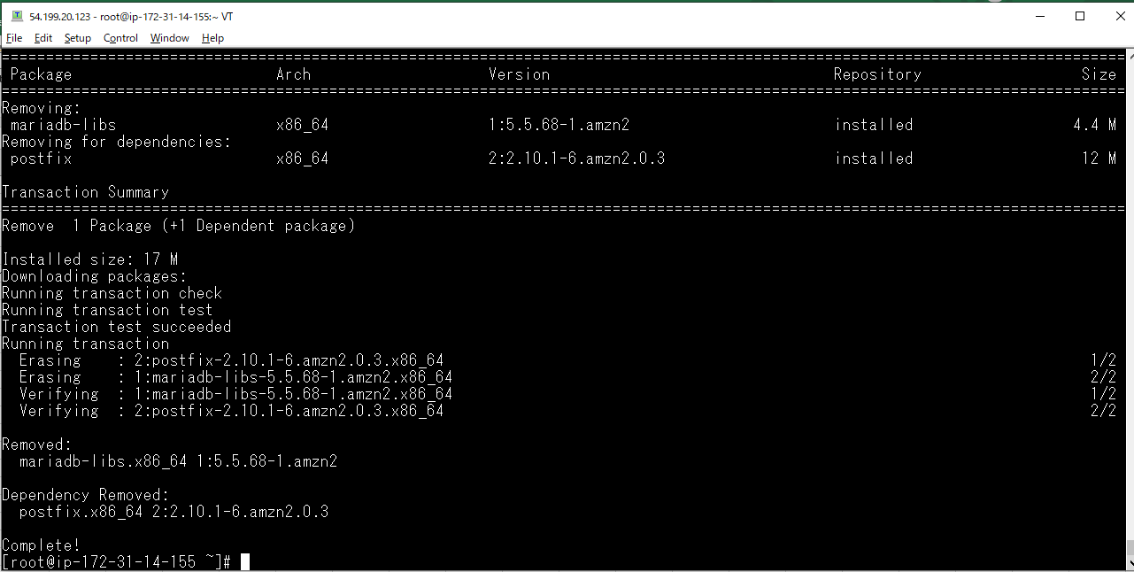

MySQL のリポジトリを yum に追加
 | sudo yum install -y https://dev.mysql.com/get/mysql80-community-release-el7-3.noarch.rpm
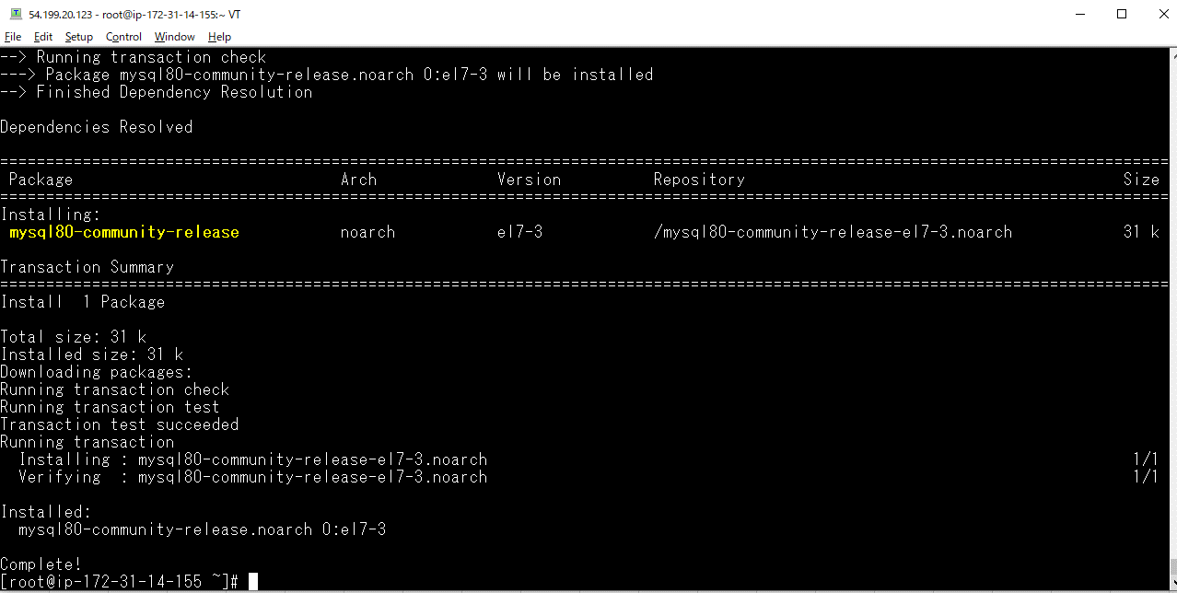

 | yum list installed | grep mysql

MySQL 5.7 を有効にする
 | MySQL のリポジトリを yum に追加するとデフォルトは MySQL 8.0 が有効になっているの
 | で sudo yum-config-manager コマンドで MySQL 8.0 は無効にして MySQL 5.7 を有効にしていく。
 | yum repolist all | grep -E "mysql[0-9]+-community/x86"

 | sudo yum-config-manager --disable mysql80-community
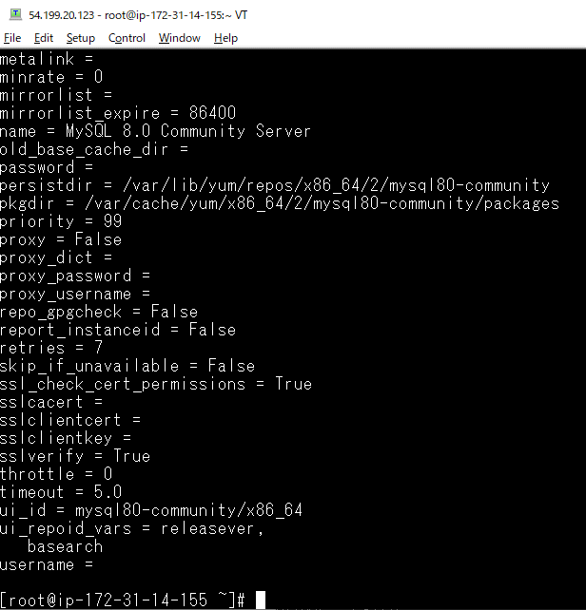

 | sudo yum-config-manager --enable mysql57-community
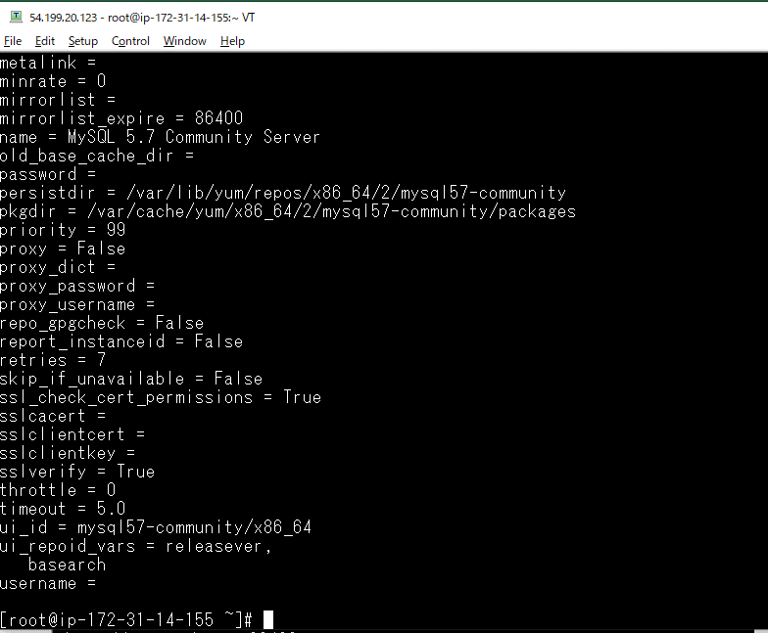

 | yum repolist all | grep -E "mysql[0-9]+-community/x86"

MySQL 5.7 のインストール
 | sudo yum install -y mysql-community-server
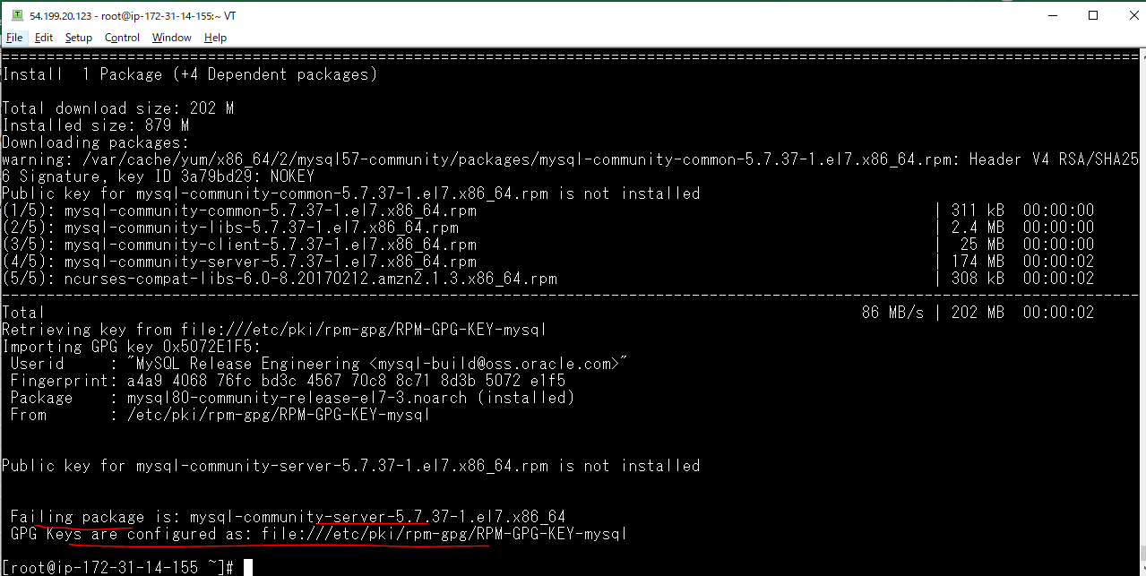

解決策
 | sudo rpm --import https://repo.mysql.com/RPM-GPG-KEY-mysql-2022

MySQL 5.7 のインストールと起動
 | Run this command again to install: sudo yum install -y mysql-community-server
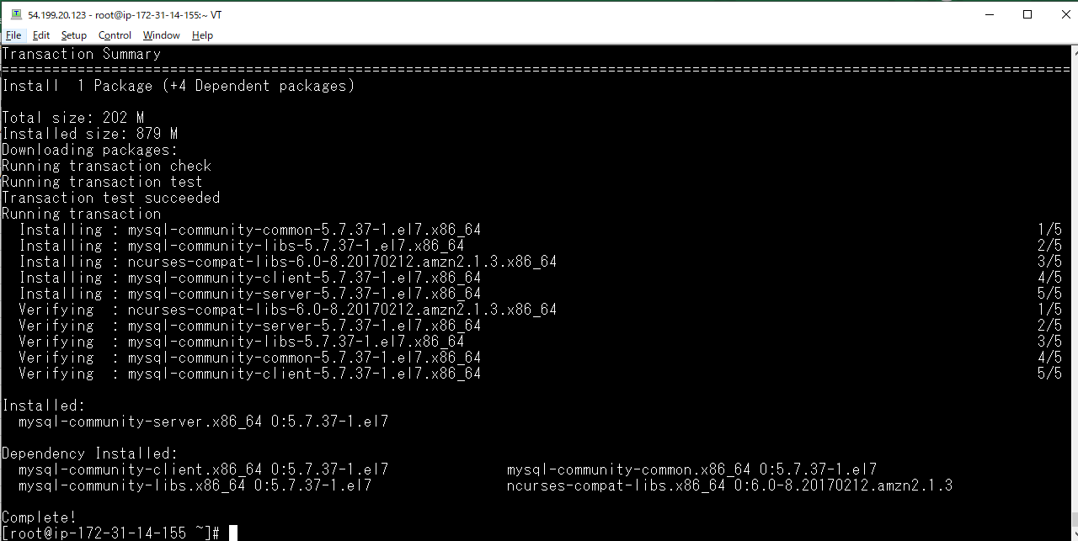

logファイルを作成する。
 | sudo touch /var/log/mysqld.log

mysqldを起動する。
 | sudo systemctl start mysqld

musqldの状態を確認する
 | sudo systemctl status mysqld
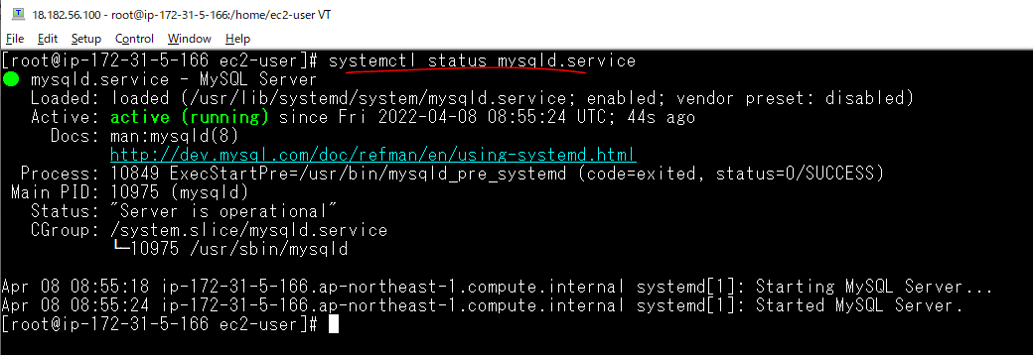

mysqldがインスタンスの起動と同時に起動するように設定する。
 | sudo systemctl enable mysqld

sudo systemctl stop mysqld

Start mysql
 | systemctl start mysqld
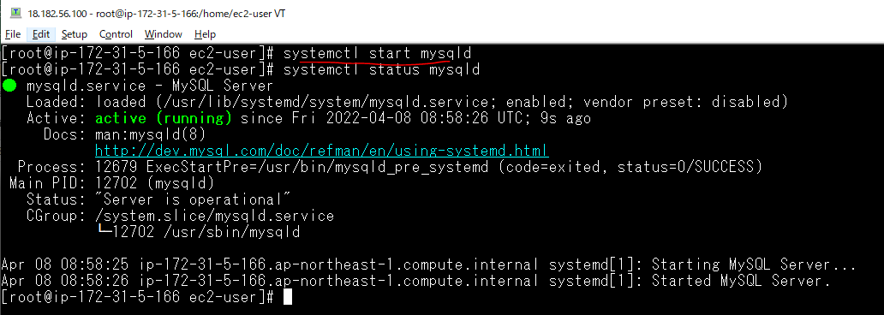

 | mysql --version

Get temporary password
 | sudo grep 'temporary password' /var/log/mysqld.log
 | temporary pwd: jySr;Le.w1bi

Mysql Server Initial Configuration
 | mysql_secure_installation
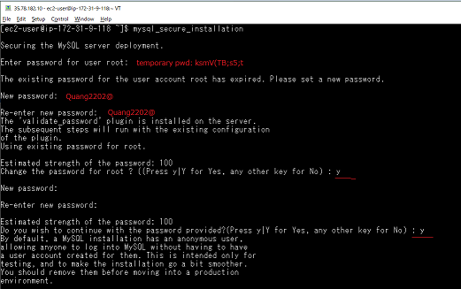

 |  | New pwd for root user: Quang2202@

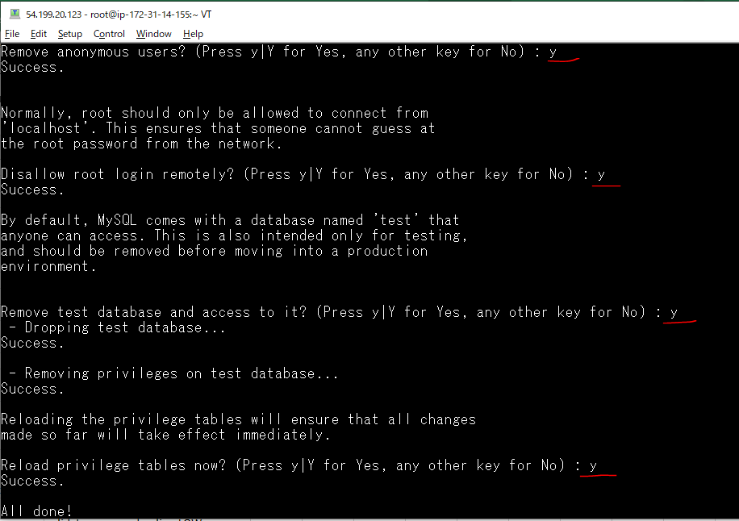

Config Mysql(ko lm với mysql 5.7)
 | vi /etc/my.cnf
 | validate_password.policy=LOW
 | validate_password.length=7
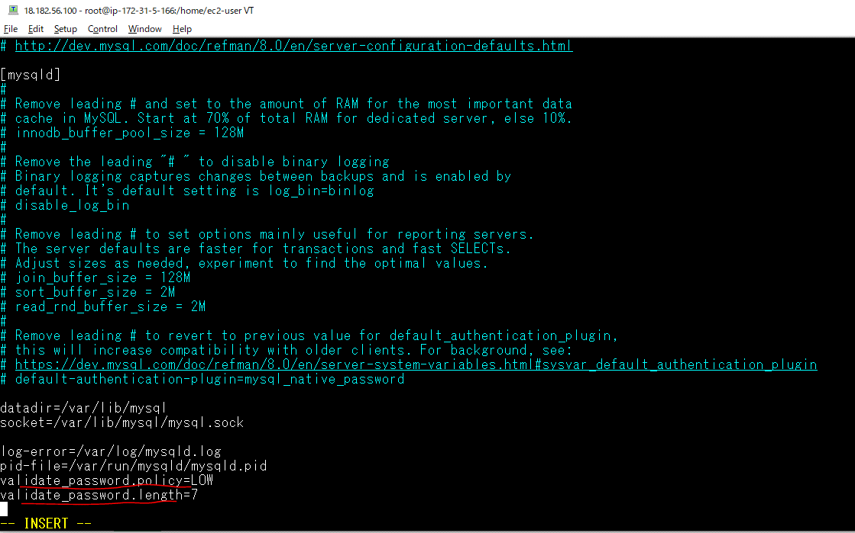

Restart mysql
 | sudo systemctl restart mysqld

Check validate setting
 | SHOW VARIABLES LIKE 'validate_password%';
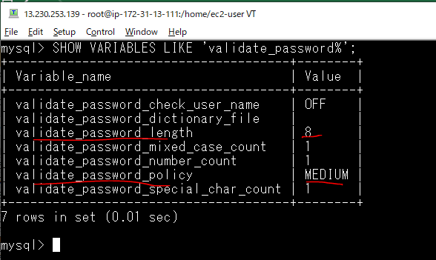

文字列の長さを変更、ポリシーを変更
 | set global validate_password_length=6;
 | set global validate_password_policy=LOW;
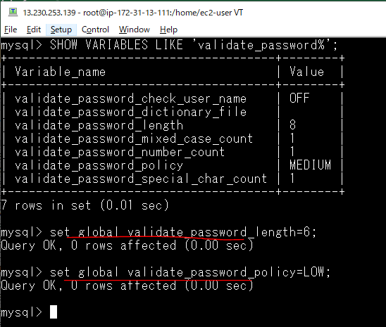

 | SHOW VARIABLES LIKE 'validate_password%';
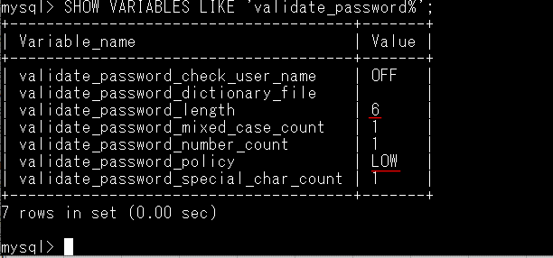

Create Local User
 | CREATE USER 'webstudent'@'localhost' IDENTIFIED BY 'webstudent';

Gán quyền truy xuất vào Database Mysql cho user
 | GRANT ALL PRIVILEGES ON * . * TO 'webstudent'@'localhost';

Connect Database by MySQL Workbench

data
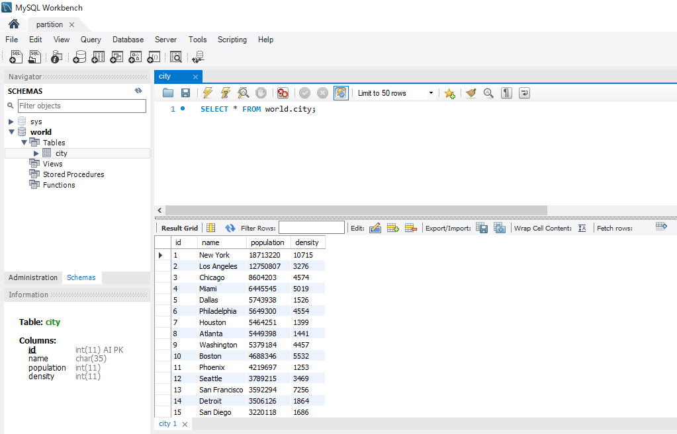
Execute 01-city.sql
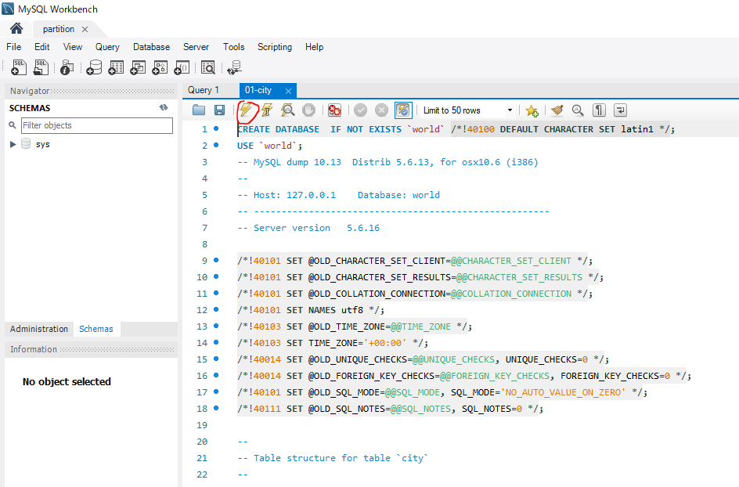

Execute 02-city-data.sql
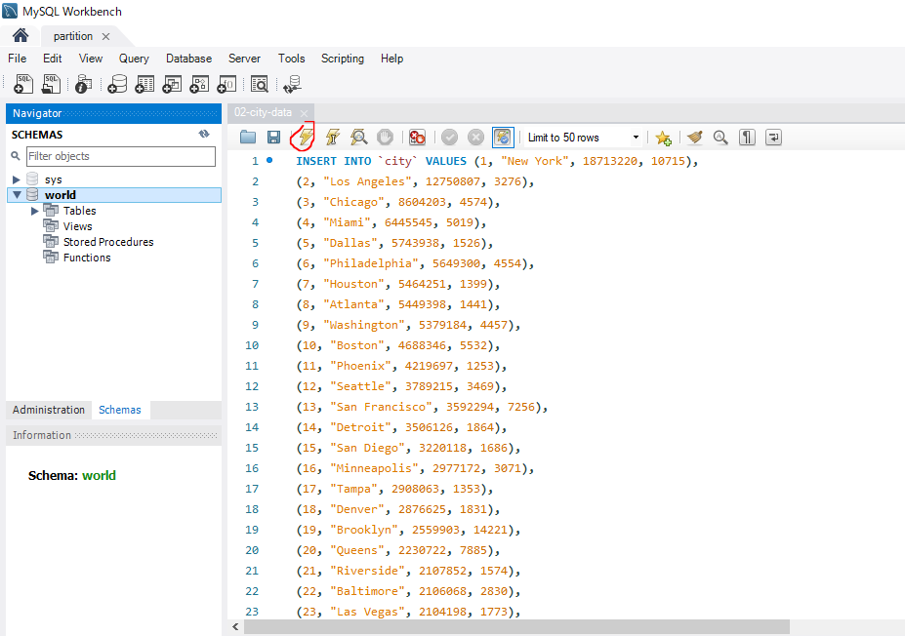

Check data inserted

check Engine Supports Partition
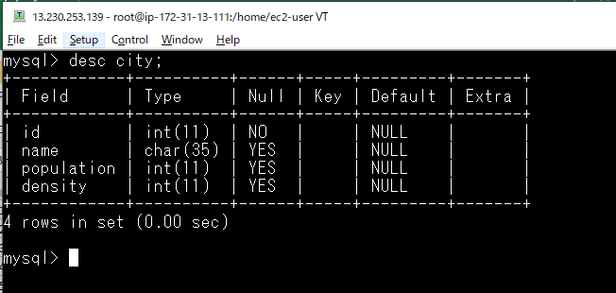
Check mysql is running
 | ps -ef | grep mysqld

Connect to mysql
 | mysql -uroot -pQuang2202@
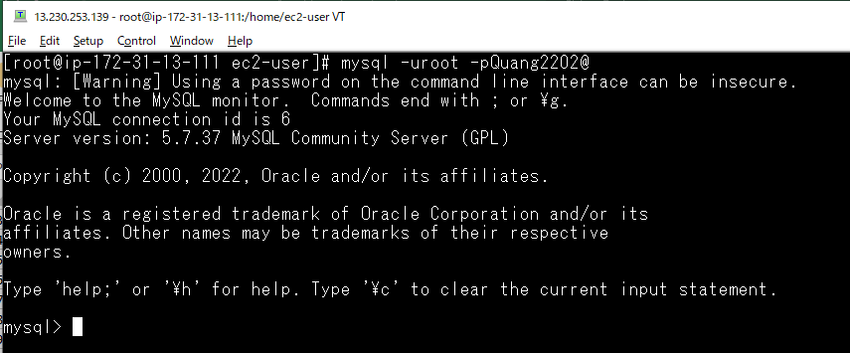

Clear
 | system clear;

Get version
 | select version();
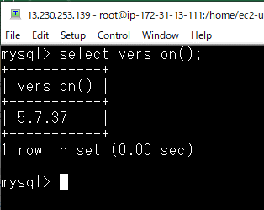

check having world database
 | show databases;
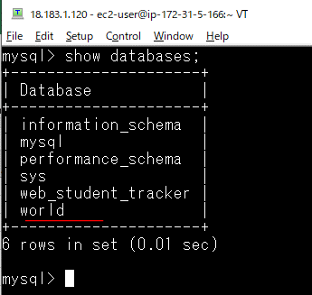

Change to world database
 | use world;
 | select database();
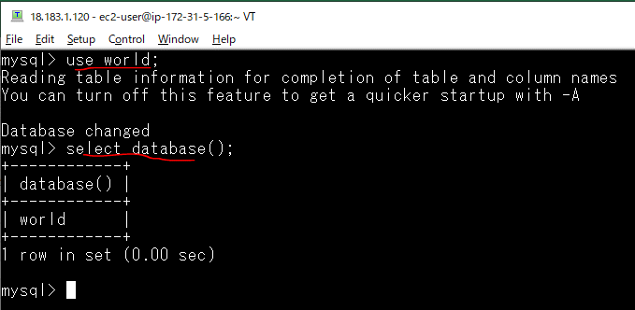

Check Engine Supports Partitioning
 | SHOW PLUGINS;
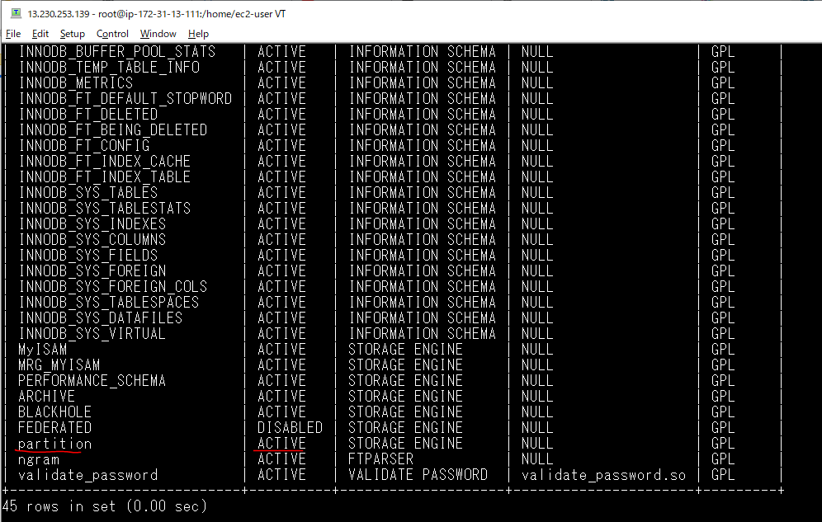

 | SELECT
 | PLUGIN_NAME as Name,
 | PLUGIN_VERSION as Version,
 | PLUGIN_STATUS as Status
 | FROM INFORMATION_SCHEMA.PLUGINS
 | WHERE PLUGIN_TYPE='STORAGE ENGINE';
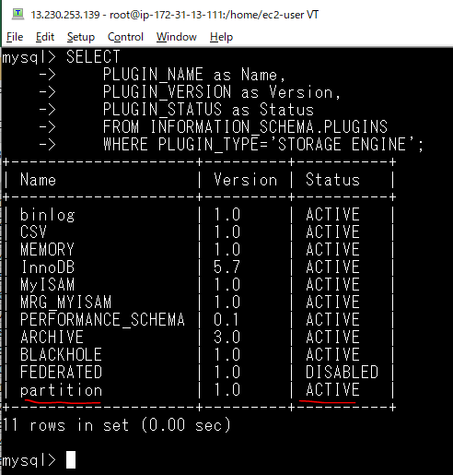

In this example id is not set primary key
 | desc city;

partition
select data
 | select * from city;
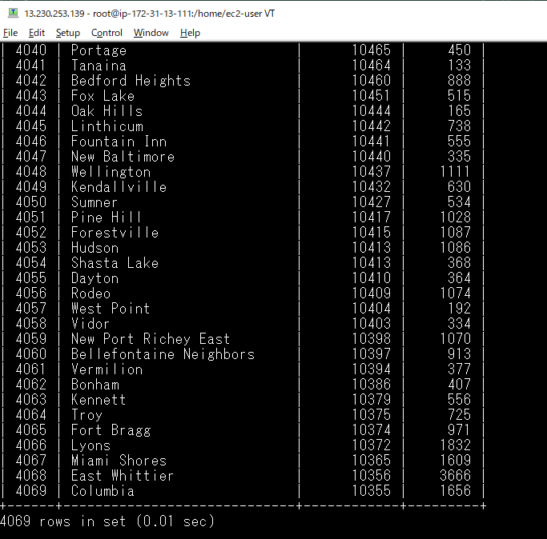

check mysql data directory
 | cat /etc/my.cnf
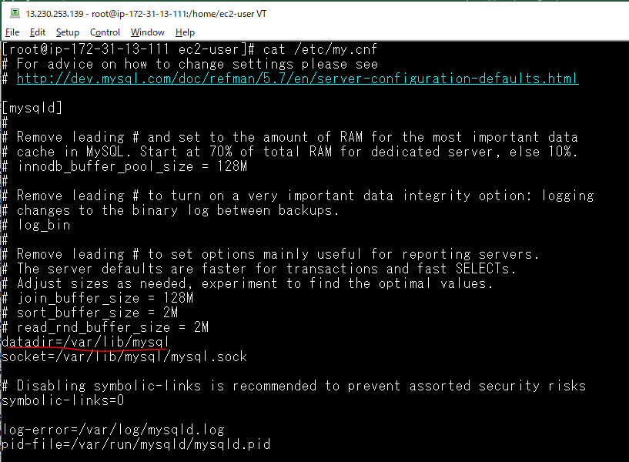

check city table is not partitioned
 | ls /var/lib/mysql/world/

 |  | do not have indication of table partition

check Create_options is empty
 | show table status like 'city'\G;
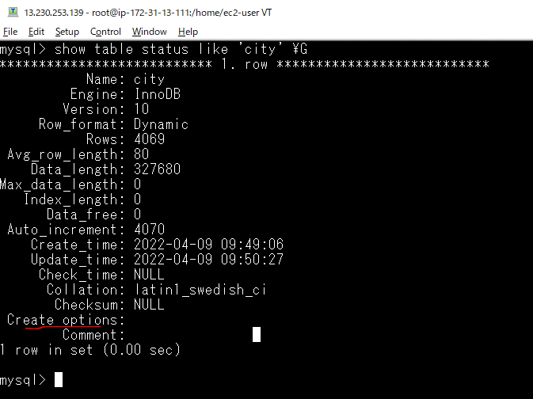

 |  |  | Create_options is empty

when do not have partition, we have scanned all of 4049 rows to get one row where id=1
 | explain select * from city where id=1 \G;
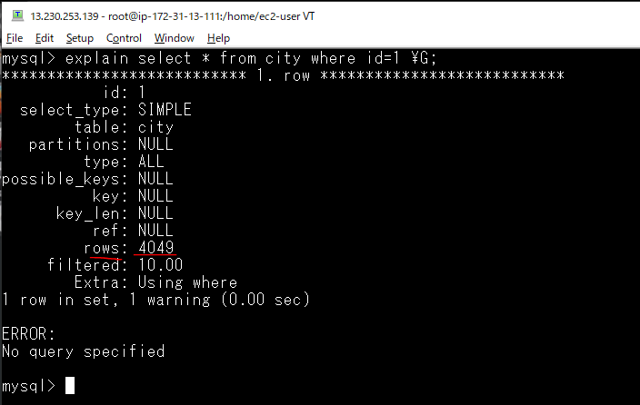

To improve performance is to partition table
 | alter table city partition by range columns(id) (
 | partition p0 VALUES LESS THAN (2000),
 | partition p1 VALUES LESS THAN (4000),
 | partition p2 VALUES LESS THAN MAXVALUE
 | );
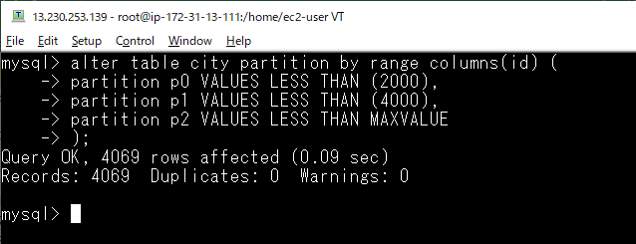

check Create_options is partitioned
 | show table status like 'city'\G;
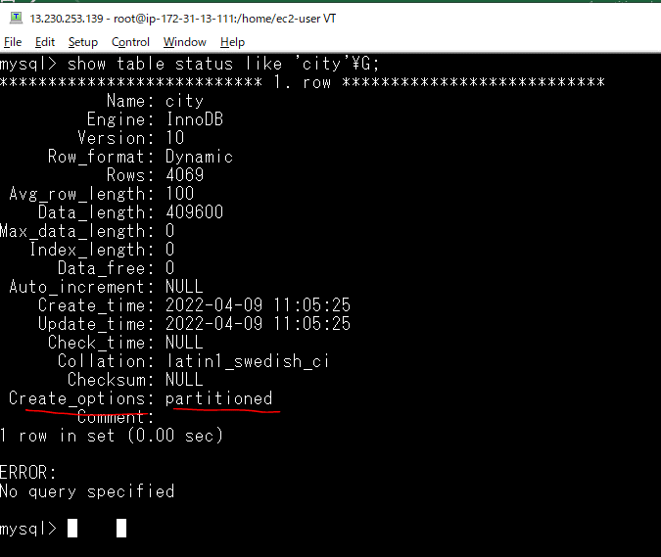

check city table already partitioned
 | ls /var/lib/mysql/world/

 |  |  | is splite into some files

 | use information_schema;
 | select * from partitions \G;
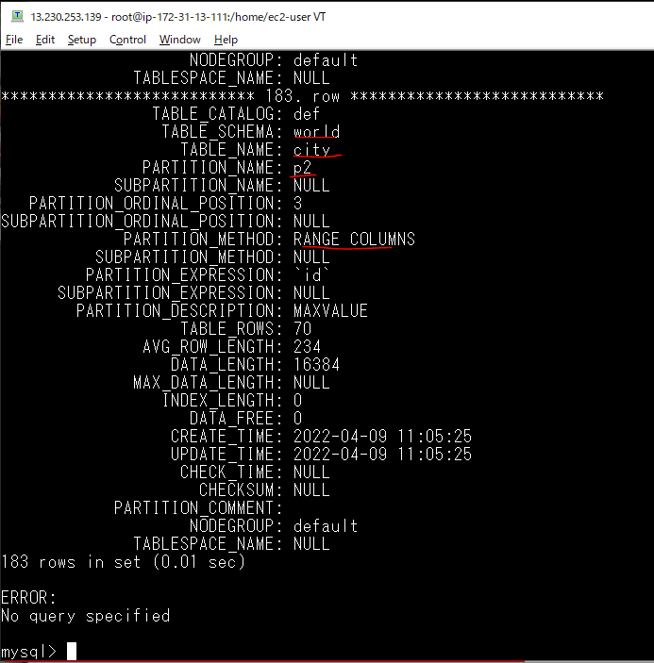

Detail about partition table
 | use world;
 | show create table city;
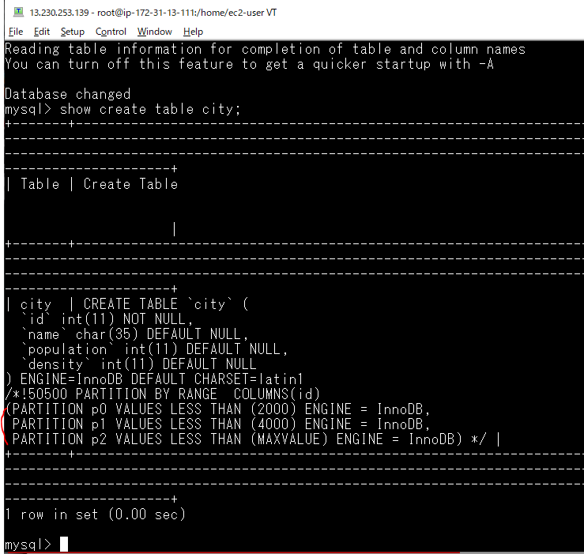

The scan was confined p0 with only ~2000 entites, it was improve performance
 | explain select * from city where id=1\G;
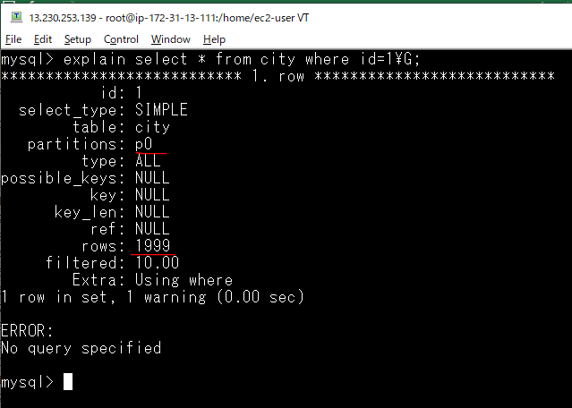

p1
 | explain select * from city where id=2001\G;
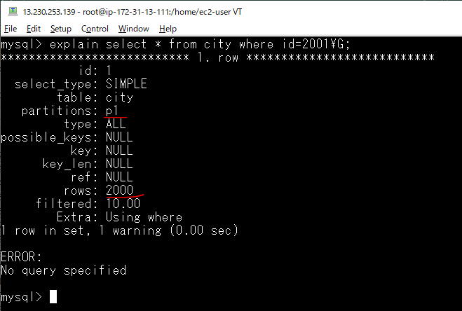

Remove partition
 | alter table city remove partitioning;
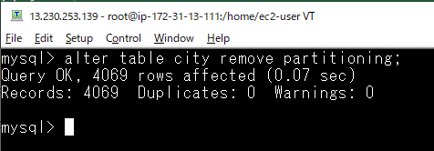

Check removed
 | show create table city;
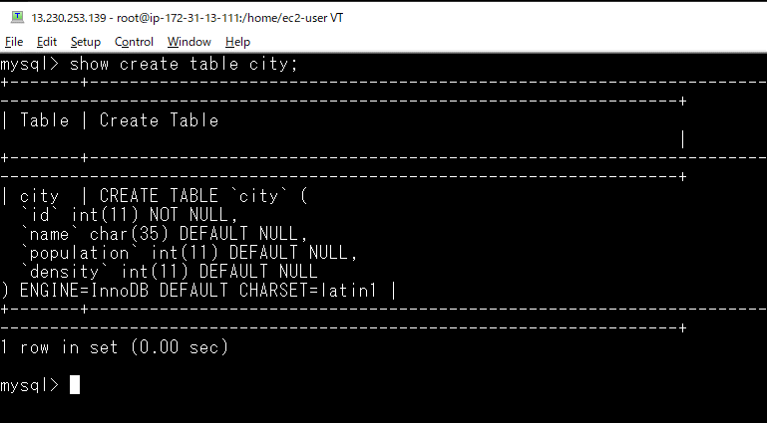

 | ls /var/lib/mysql/world/

 |  | single file

delete and add partition
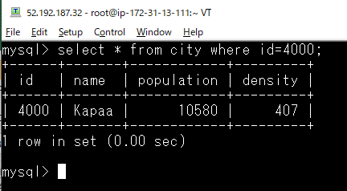
パーティションの作成
 | alter table city partition by range columns(id) (
 | partition p0 VALUES LESS THAN (2000),
 | partition p1 VALUES LESS THAN (4000),
 | partition p2 VALUES LESS THAN MAXVALUE
 | );


パーティションの確認
 | select TABLE_SCHEMA,TABLE_NAME,PARTITION_NAME,PARTITION_ORDINAL_POSITION,TABLE_ROWS
 | from INFORMATION_SCHEMA.PARTITIONS
 | WHERE TABLE_NAME='city';

対象パーティションの削除
 | ALTER TABLE city DROP PARTITION p2;


Check data id = 4000~4069 is deleted
 | SELECT count(*) FROM world.city;


パーティションの確認, partition p2 id=4000~ is deleted
 | select TABLE_SCHEMA,TABLE_NAME,PARTITION_NAME,PARTITION_ORDINAL_POSITION,TABLE_ROWS
 | from INFORMATION_SCHEMA.PARTITIONS
 | WHERE TABLE_NAME='city';

Check không thêm được record mới với id= 4000 vì partion id=4000~ đã bị xóa
 | INSERT INTO `city` VALUES (4000, "Kapaa", 10580, 407);

対象パーティションの追加
 | ALTER TABLE city ADD PARTITION (PARTITION p2 VALUES LESS THAN (6000));

パーティションの確認, partition p2 is added
 | select TABLE_SCHEMA,TABLE_NAME,PARTITION_NAME,PARTITION_ORDINAL_POSITION,TABLE_ROWS
 | from INFORMATION_SCHEMA.PARTITIONS
 | WHERE TABLE_NAME='city';


check p2
 | use information_schema;
 | select * from partitions \G;


Check can add new record with id=4000;
 | INSERT INTO `city` VALUES (4000, "Kapaa", 10580, 407);

 | select TABLE_SCHEMA,TABLE_NAME,PARTITION_NAME,PARTITION_ORDINAL_POSITION,TABLE_ROWS
 | from INFORMATION_SCHEMA.PARTITIONS
 | WHERE TABLE_NAME='city';


 | select * from city where id=4000;

