Oracle SQL Join Types
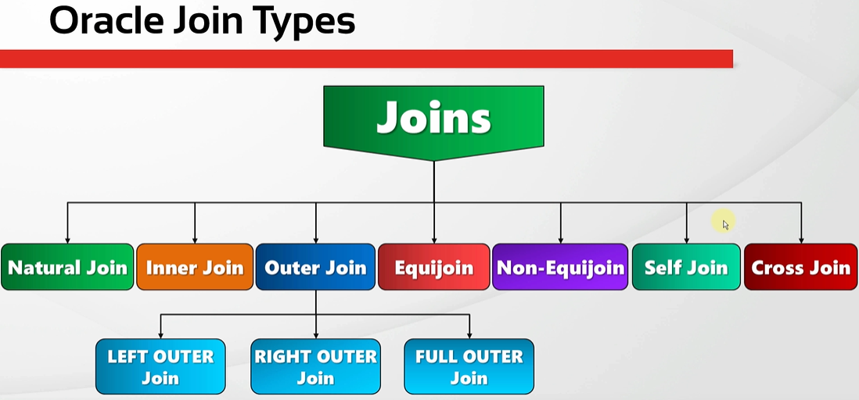
oracle
 | 1.Installing-VMware-and-VirtualBox-on-Windows
 | 2.Retrieving-Data
 | 3.RestrictingData
 | 4.SortingData
 | 5.UsingSubstitutionVariables
 | 6.Single-Row-Functions
 | 7.Conversion-Functions
 | 8.Conditional-Expressions
 | 9.Group-Functions
 | 10.Grouping-Data
 | 11.Joining-Multiple-Tables

Natural Join
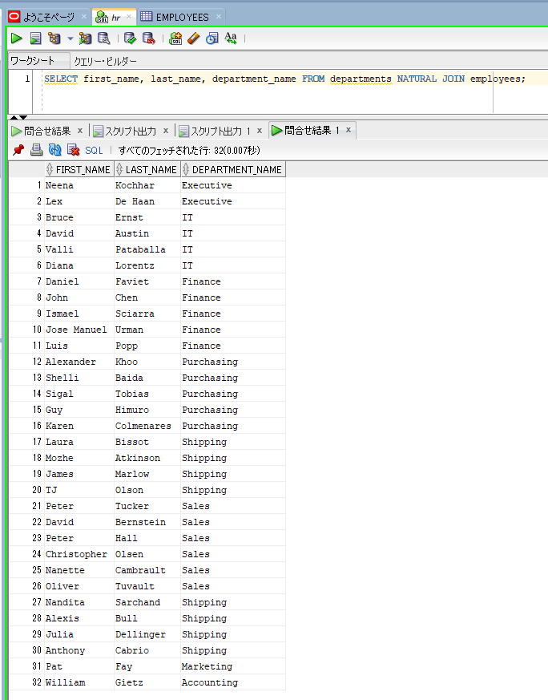
oracle
 | 1.Installing-VMware-and-VirtualBox-on-Windows
 | 2.Retrieving-Data
 | 3.RestrictingData
 | 4.SortingData
 | 5.UsingSubstitutionVariables
 | 6.Single-Row-Functions
 | 7.Conversion-Functions
 | 8.Conditional-Expressions
 | 9.Group-Functions
 | 10.Grouping-Data
 | 11.Joining-Multiple-Tables
 |  | 1.Natural+Join+(Code+Samples).sql

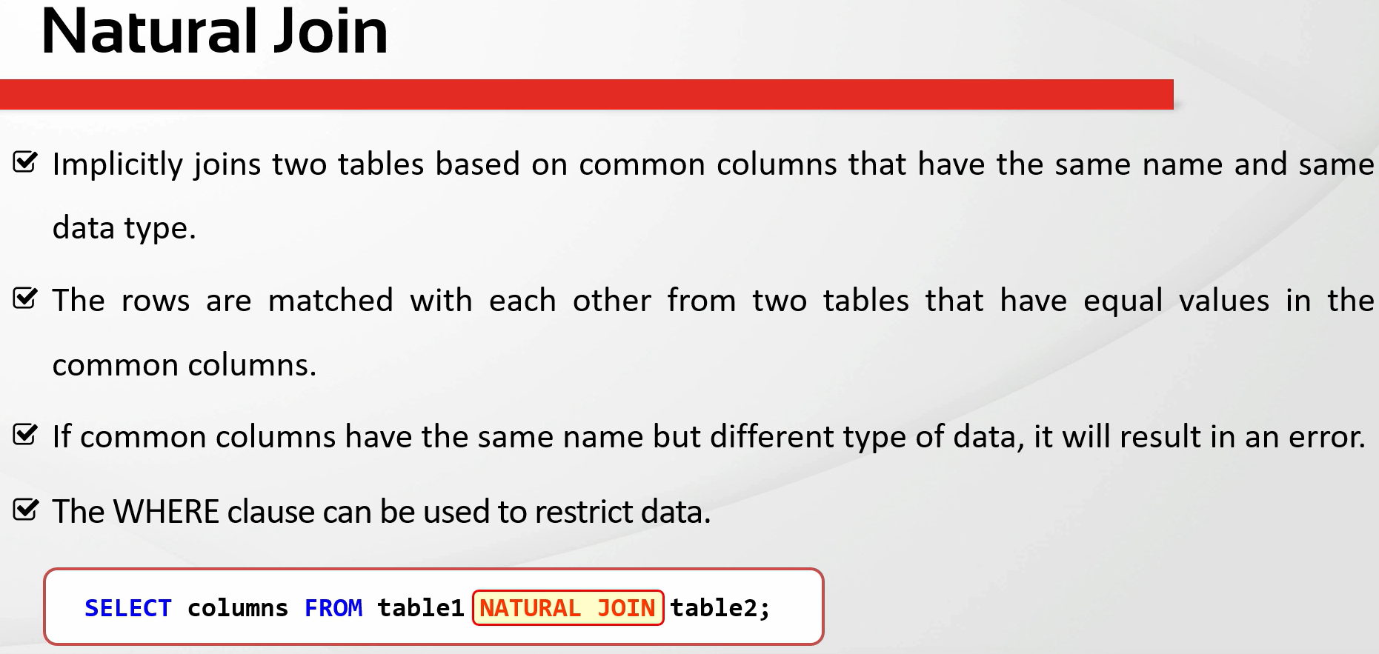

oracle\11.Joining-Multiple-Tables\1.Natural+Join+(Code+Samples).sql
/************* The Complete Oracle SQL Bootcamp *************
* Author : Oracle Master Training *
* Course : The Complete Oracle SQL Bootcamp *
* Lecture : Natural Join *
************************************************************/

DESC employees;
DESC departments;
SELECT * FROM employees;
SELECT * FROM departments;
SELECT * FROM employees NATURAL JOIN departments;
SELECT * FROM departments NATURAL JOIN employees;
SELECT first_name, last_name, department_name FROM departments NATURAL JOIN employees;

Natural join these 2 tables based on the common columns that have the same name(DEPARTMENT_ID, MANAGER_ID) |  |  |  | → | these columns have the same data type and column name
DESC employees;
DESC departments;
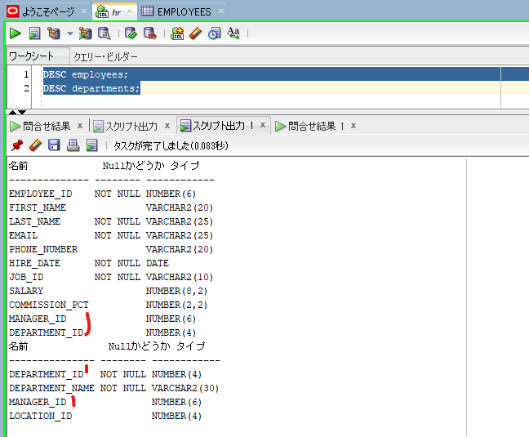

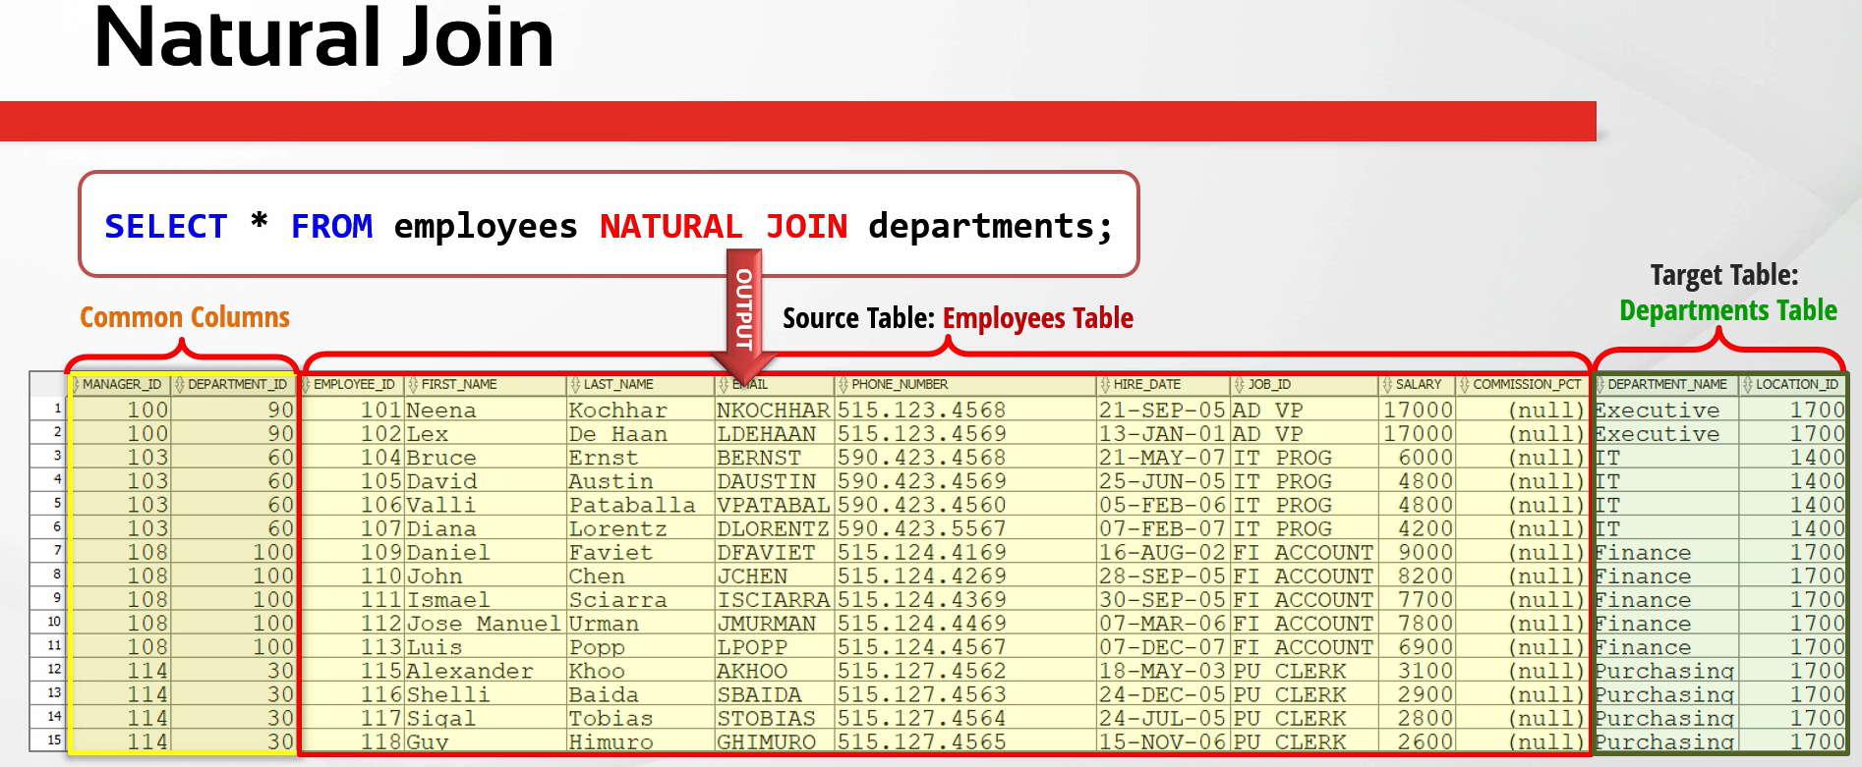

SELECT * FROM employees NATURAL JOIN departments;
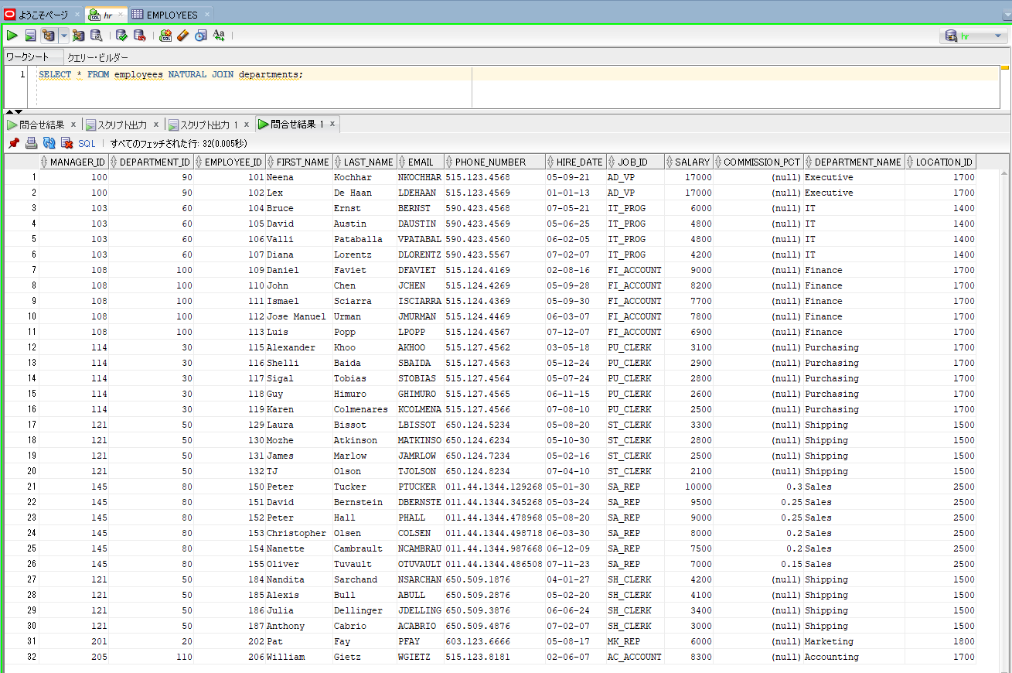

SELECT first_name, last_name, department_name FROM departments NATURAL JOIN employees; |  |  | → | We can also write some specific columns in the SELECT statement

