CASE Expressions
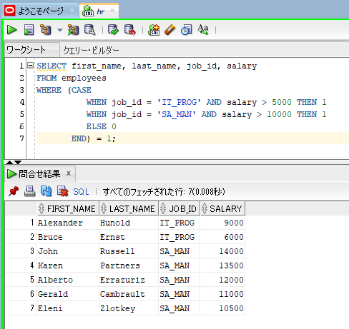
oracle
 | 1.Installing-VMware-and-VirtualBox-on-Windows
 | 2.Retrieving-Data
 | 3.RestrictingData
 | 4.SortingData
 | 5.UsingSubstitutionVariables
 | 6.Single-Row-Functions
 | 7.Conversion-Functions
 | 8.Conditional-Expressions
 |  | 1.Oracle+Conditional+Expressions-+CASE+Expressions+(Code+Samples).sql

simple case expression is the commonly used one among developers, but the search case expressions are also used often. So it is good to know both uses
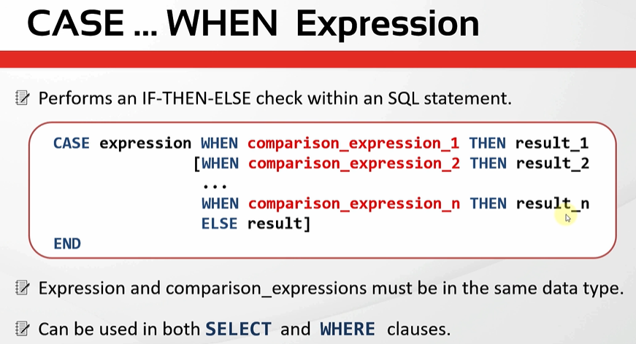

 |  |  |  |  | → | All of result must be same data type

 |  |  |  |  | → | Trả về NULL nếu không có điều kiện nào thỏa mãn và không có ELSE

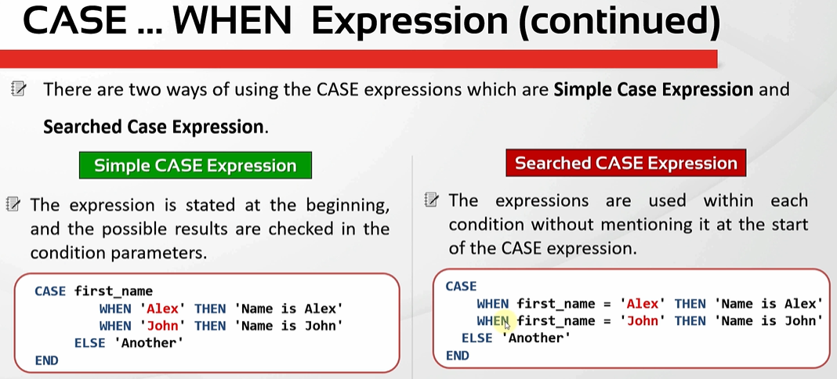

oracle\8.Conditional-Expressions\1.Oracle+Conditional+Expressions-+CASE+Expressions+(Code+Samples).sql
/************* The Complete Oracle SQL Bootcamp *********************
* Author : Oracle Master Training *
* Course : The Complete Oracle SQL Bootcamp *
* Lecture : Oracle Conditional Expressions: CASE Expressions *
********************************************************************/

--Example 1: (Buna bir bak istersen böyle yaptım ama fontu büyüttük ya senin SQL developerda sığarmı böyle)
SELECT first_name, last_name, job_id, salary,
CASE job_id
WHEN 'ST_CLERK' THEN salary * 1.2
WHEN 'SA_REP' THEN salary * 1.3
WHEN 'IT_PROG' THEN salary * 1.4
ELSE 0
END "UPDATED SALARY"
FROM employees;

--Example 2:
SELECT first_name, last_name, job_id, salary,
CASE job_id
WHEN 'ST_CLERK' THEN salary * 1.2
WHEN 'SA_REP' THEN salary * 1.3
WHEN 'IT_PROG' THEN salary * 1.4
ELSE salary
END "UPDATED SALARY"
FROM employees;

--Example 3:
SELECT first_name, last_name, job_id, salary,
CASE
WHEN job_id = 'ST_CLERK' THEN salary*1.2
WHEN job_id = 'SA_REP' THEN salary*1.3
WHEN job_id = 'IT_PROG' THEN salary*1.4
ELSE salary
END "UPDATED SALARY"
FROM employees;

--Example 4:
SELECT first_name, last_name, job_id, salary,
CASE WHEN job_id = 'ST_CLERK' THEN salary*1.2
WHEN job_id = 'SA_REP' THEN salary*1.3
WHEN job_id = 'IT_PROG' THEN salary*1.4
WHEN last_name = 'King' THEN 2*salary
ELSE salary END "UPDATED SALARY"
FROM employees;

--Example 5:
SELECT first_name, last_name, job_id, salary,
CASE
WHEN job_id = 'AD_PRES' THEN salary*1.2
WHEN job_id = 'SA_REP' THEN salary*1.3
WHEN job_id = 'IT_PROG' THEN salary*1.4
WHEN last_name = 'King' THEN 2*salary
ELSE salary
END "UPDATED SALARY"
FROM employees;
--Example 6:

SELECT first_name, last_name, job_id, salary
FROM employees
WHERE (CASE
WHEN job_id = 'IT_PROG' AND salary > 5000 THEN 1
WHEN job_id = 'SA_MAN' AND salary > 10000 THEN 1
ELSE 0
END) = 1;

--Example 1: (Buna bir bak istersen böyle yaptım ama fontu büyüttük ya senin SQL developerda sığarmı böyle)
SELECT first_name, last_name, job_id, salary,
CASE job_id
WHEN 'ST_CLERK' THEN salary * 1.2
WHEN 'SA_REP' THEN salary * 1.3
WHEN 'IT_PROG' THEN salary * 1.4
ELSE 0
END "UPDATED SALARY"
FROM employees;
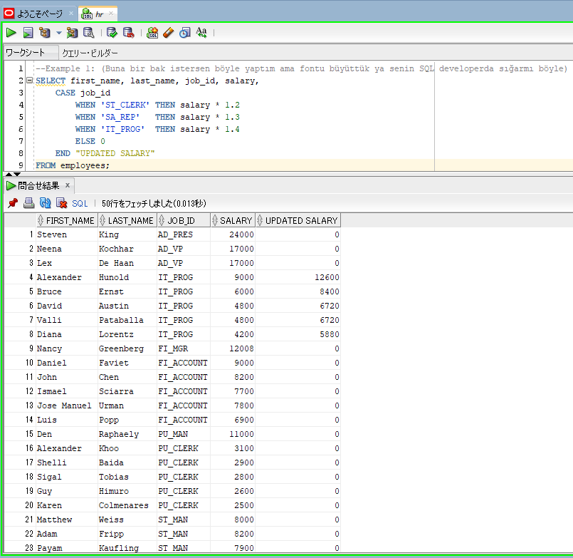

--Example 5:
SELECT first_name, last_name, job_id, salary,
CASE
WHEN job_id = 'AD_PRES' THEN salary*1.2 |  |  | → | We see that Steven King has job_id=AD_PRES. This case UPDATED SALARY is salary*1.2. That means these conditions are evaluated one by one
WHEN job_id = 'SA_REP' THEN salary*1.3 |  |  |  | starting from the first one to the end, consecutively. And if one conditon is satisfied then the related result is returned and the rest is not evaluated.
WHEN job_id = 'IT_PROG' THEN salary*1.4 |  |  |  | Oracle never evaluates a comparison expression if a previous comparison expression satisfies the condition
WHEN last_name = 'King' THEN 2*salary
ELSE salary
END "UPDATED SALARY"
FROM employees;
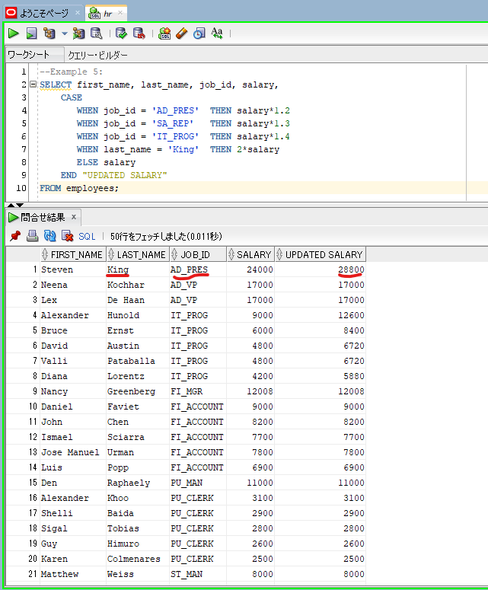

SELECT first_name, last_name, job_id, salary
FROM employees
WHERE (CASE |  |  | → | CASE expression in WHERE Clause. Inside of each condition, we can write as many columns or expressions as we like
WHEN job_id = 'IT_PROG' AND salary > 5000 THEN 1 |  |  |  | that returns true or false
WHEN job_id = 'SA_MAN' AND salary > 10000 THEN 1 |  |  |  | ⇔WHERE (job_id = 'IT_PROG' AND salary > 5000) or (job_id = 'SA_MAN' AND salary > 10000)
ELSE 0
END) = 1;

DECODE Function
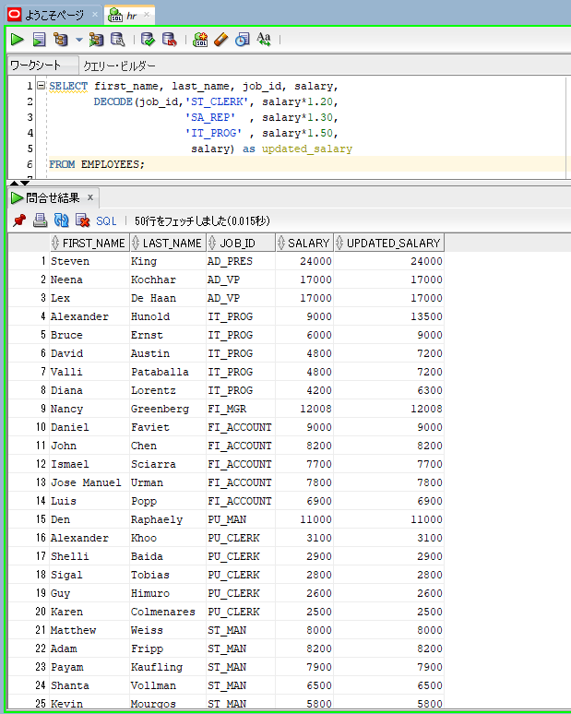
oracle
 | 1.Installing-VMware-and-VirtualBox-on-Windows
 | 2.Retrieving-Data
 | 3.RestrictingData
 | 4.SortingData
 | 5.UsingSubstitutionVariables
 | 6.Single-Row-Functions
 | 7.Conversion-Functions
 | 8.Conditional-Expressions
 |  | 1.Oracle+Conditional+Expressions-+CASE+Expressions+(Code+Samples).sql
 |  | 2.Oracle+Conditional+Expressions+-+DECODE+Function+(Code+Samples).sql

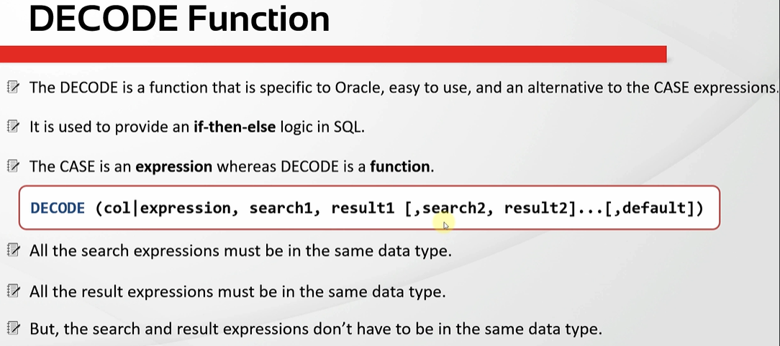

oracle\8.Conditional-Expressions\2.Oracle+Conditional+Expressions+-+DECODE+Function+(Code+Samples).sql
/************* The Complete Oracle SQL Bootcamp *********************
* Author : Oracle Master Training *
* Course : The Complete Oracle SQL Bootcamp *
* Lecture : Oracle Conditional Expressions DECODE Function *
********************************************************************/

SELECT DECODE (1, 1,'One', 2,'Two') result FROM dual;

SELECT DECODE (25, 1,'One', 2,'Two',3,'Three','Not Found') result FROM dual;

SELECT first_name, last_name, job_id, salary,
DECODE(job_id,'ST_CLERK',salary*1.20,
'SA_REP' ,salary*1.30,
'IT_PROG' ,salary*1.50 ) as updated_salary
FROM EMPLOYEES;

SELECT first_name, last_name, job_id, salary,
DECODE(job_id,'ST_CLERK', salary*1.20,
'SA_REP' , salary*1.30,
'IT_PROG' , salary*1.50,
salary) as updated_salary
FROM EMPLOYEES;

SELECT DECODE (1, 1,'One', 2,'Two') result FROM dual;
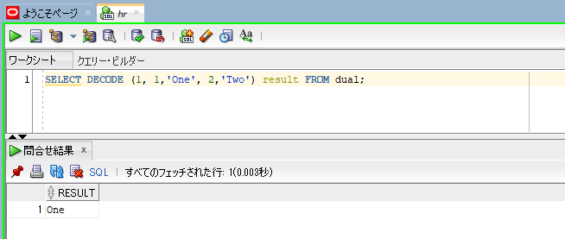

SELECT DECODE (25, 1,'One', 2,'Two',3,'Three','Not Found') result FROM dual; |  |  | → | all conditions do not satify, 'Not Found' is returned as the result
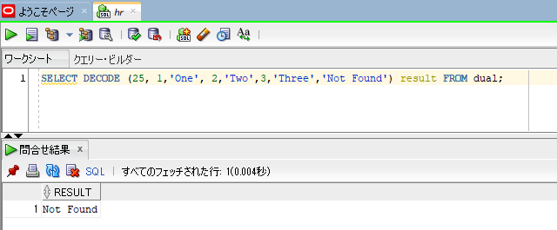

SELECT first_name, last_name, job_id, salary, |  |  |  | → | Do not have default value
DECODE(job_id,'ST_CLERK',salary*1.20,
'SA_REP' ,salary*1.30,
'IT_PROG' ,salary*1.50 ) as updated_salary
FROM EMPLOYEES;
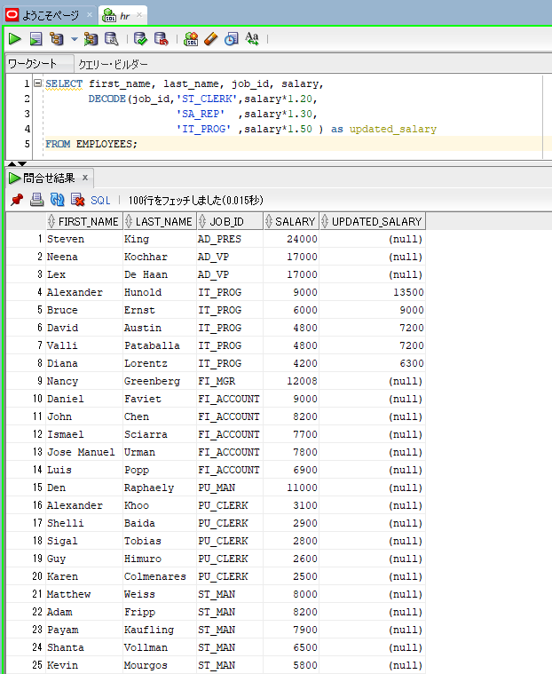

SELECT first_name, last_name, job_id, salary, |  |  |  | → | has salary as default value
DECODE(job_id,'ST_CLERK', salary*1.20,
'SA_REP' , salary*1.30,
'IT_PROG' , salary*1.50,
salary) as updated_salary
FROM EMPLOYEES;

