GROUP BY Clause (Part 1)
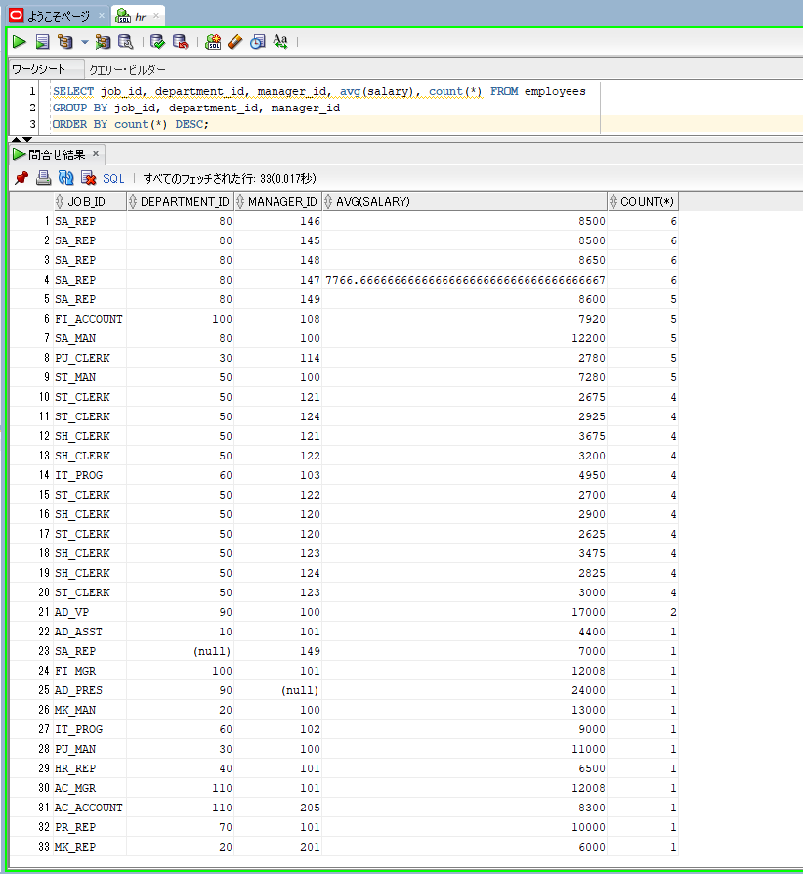
oracle
 | 1.Installing-VMware-and-VirtualBox-on-Windows
 | 2.Retrieving-Data
 | 3.RestrictingData
 | 4.SortingData
 | 5.UsingSubstitutionVariables
 | 6.Single-Row-Functions
 | 7.Conversion-Functions
 | 8.Conditional-Expressions
 | 9.Group-Functions
 | 10.Grouping-Data
 |  | 1.GROUP+BY+Clause+(Part+1)+(Code+Samples).sql

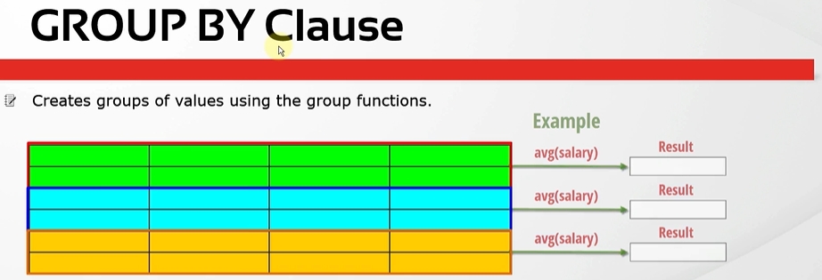

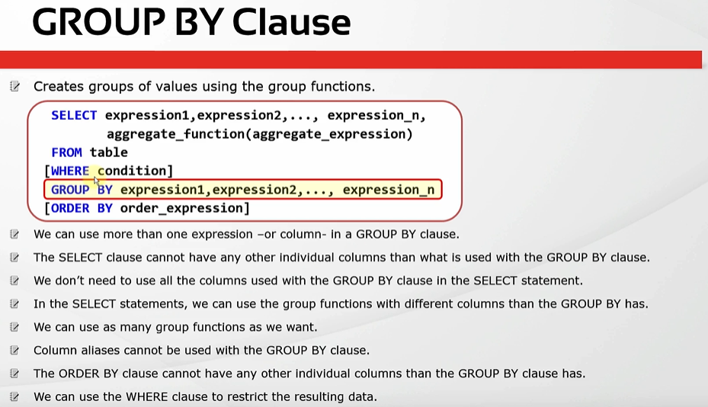

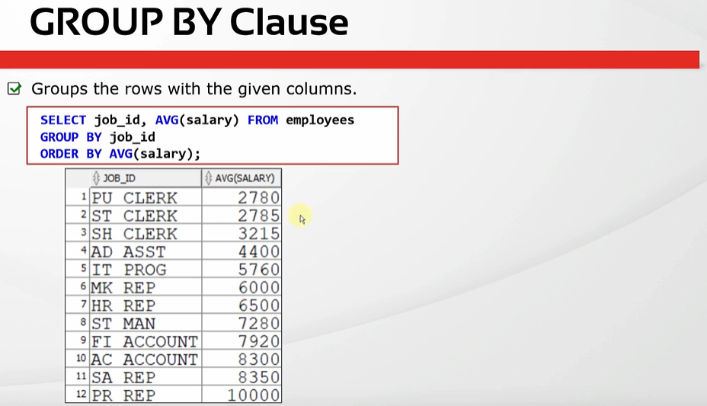

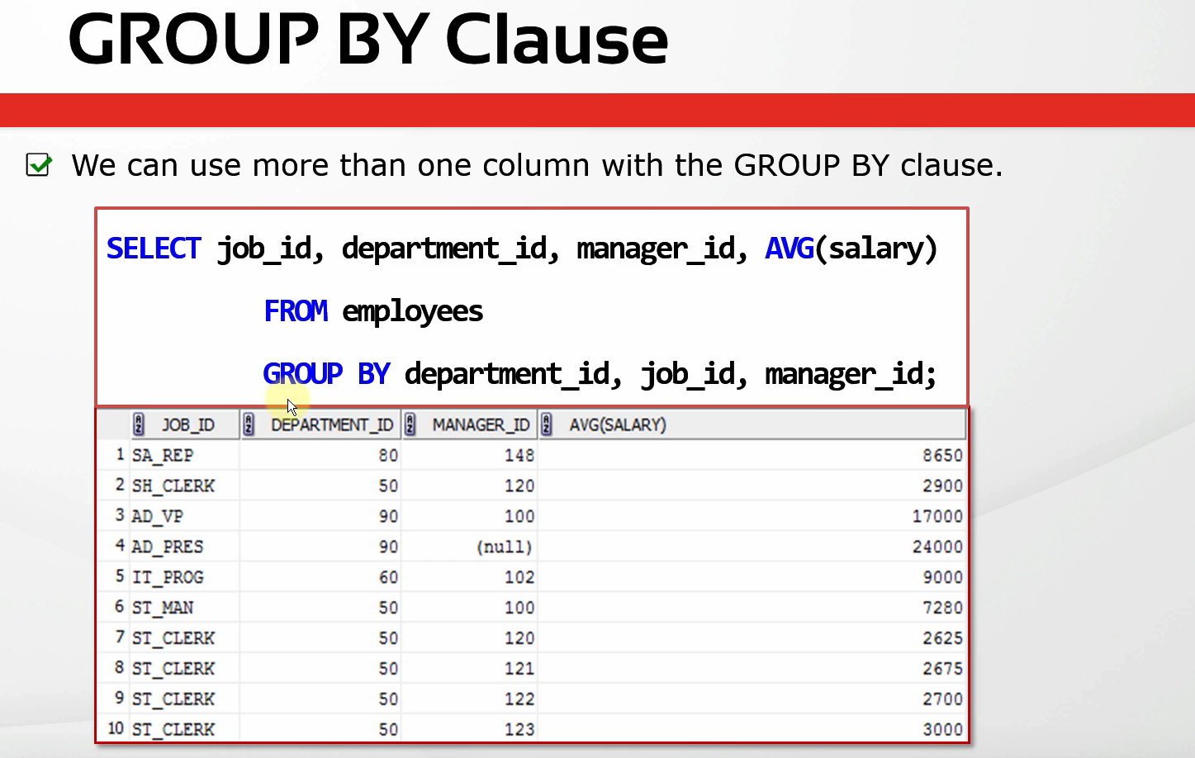

SELECT avg(salary) FROM employees; |  |  | → | This is the average salary of all the employees
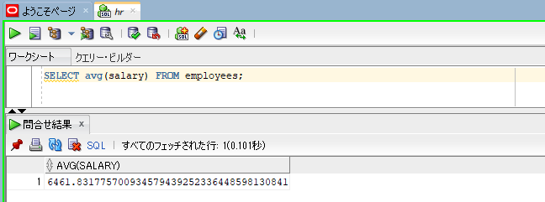

SELECT avg(salary) FROM employees WHERE job_id = 'IT_PROG'; |  |  | → | calculate the average salary of a specific job
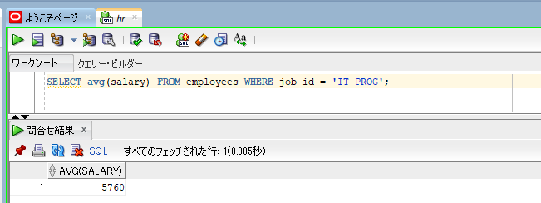

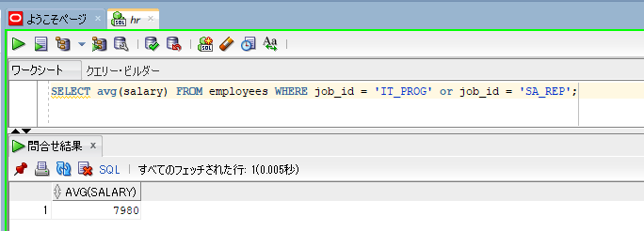
SELECT avg(salary) FROM employees WHERE job_id = 'IT_PROG' or job_id = 'SA_REP'; |  |  | → | calculate average salary of job_id = 'IT_PROG' or job_id = 'SA_REP'. This will be the average salary of all
 |  |  |  | the employees whose job ids are equal to IT_PROG or SA_REP.

SELECT job_id, avg(salary) FROM employees
GROUP BY job_id;
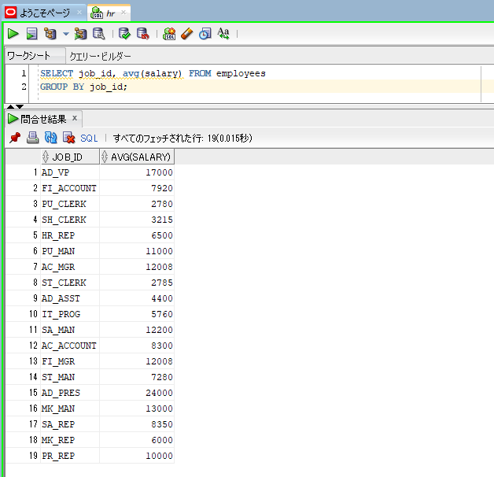

SELECT job_id, avg(salary) FROM employees
GROUP BY job_id
ORDER BY avg(salary);
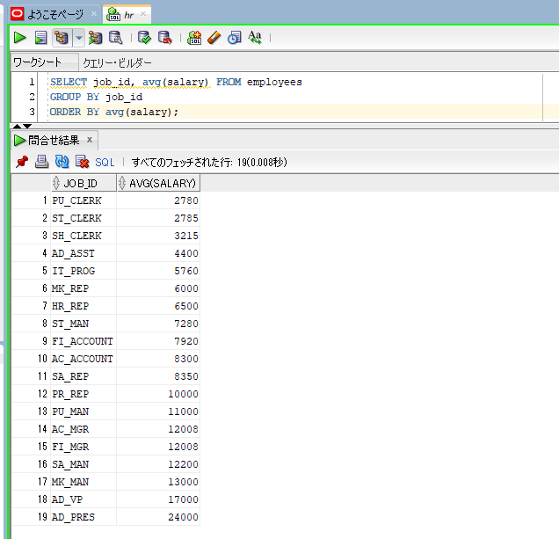

SELECT job_id, department_id, manager_id, avg(salary), count(*) FROM employees |  |  | → | we have grouped rows by three columns job_id, department_id, manager_id
GROUP BY job_id, department_id, manager_id
ORDER BY count(*) DESC;

