WhatIs-a-SubstitutionVariable
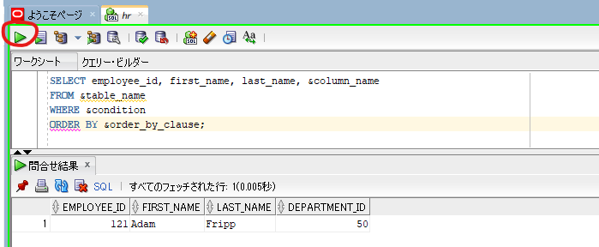
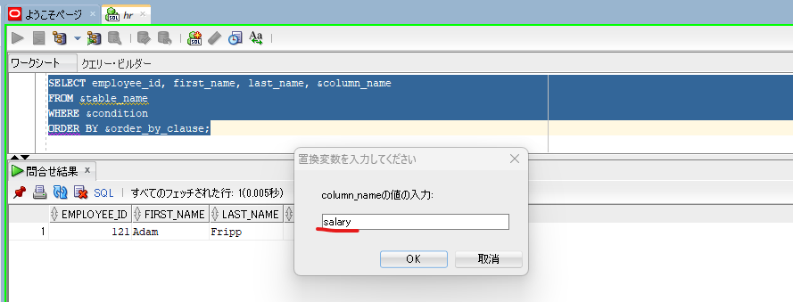
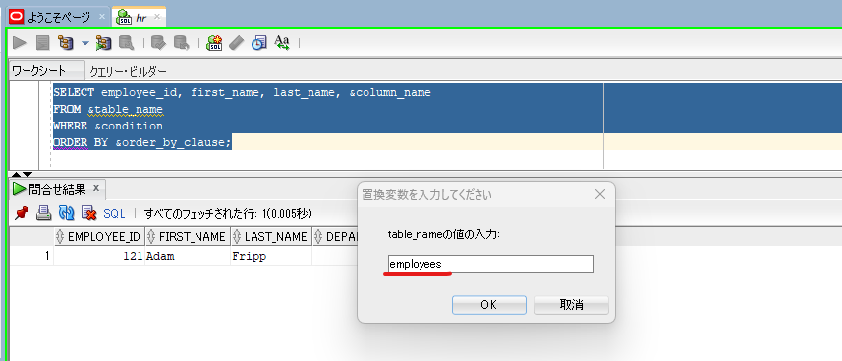
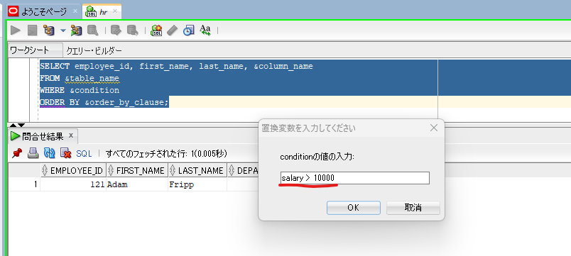
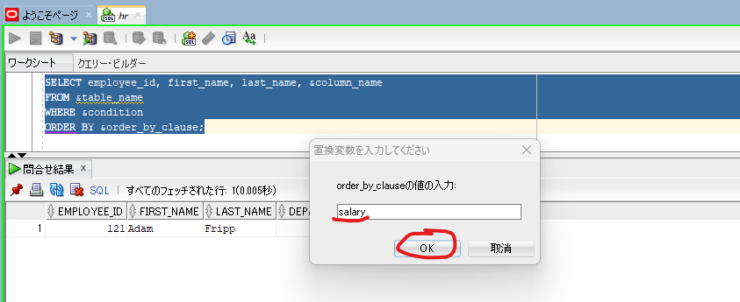
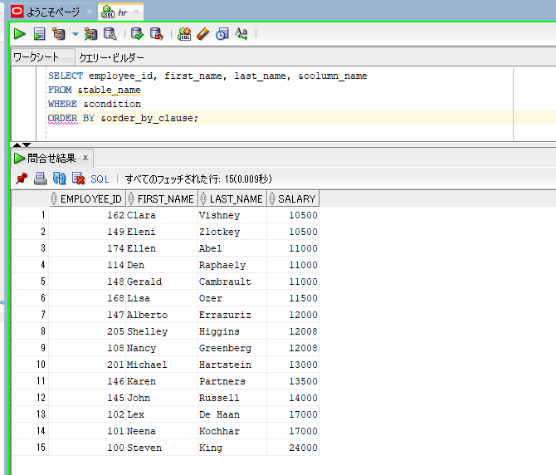
oracle
 | 1.Installing-VMware-and-VirtualBox-on-Windows
 | 2.Retrieving-Data
 | 3.RestrictingData
 | 4.SortingData
 | 5.UsingSubstitutionVariables
 |  | 1.What+is+a+Substitution+Variable(Code+Samples).sql | → | new

oracle\5.UsingSubstitutionVariables\1.What+is+a+Substitution+Variable(Code+Samples).sql
/************* The Complete Oracle SQL Bootcamp ****************
* Author : Oracle Master Training *
* Course : The Complete Oracle SQL Bootcamp *
* Lecture : What is a Substitution Variable *
***************************************************************/

SELECT employee_id, first_name, last_name, department_id
FROM employees WHERE department_id = 30;

SELECT employee_id, first_name, last_name, department_id
FROM employees WHERE department_id = &department_no;

SELECT employee_id, first_name, last_name, department_id
FROM employees WHERE first_name = '&name';

SELECT employee_id, first_name, last_name, department_id
FROM employees WHERE first_name = &name;

SELECT employee_id, first_name, last_name, &column_name
FROM &table_name
WHERE &condition
ORDER BY &order_by_clause;

SELECT employee_id, first_name, last_name, department_id
FROM employees WHERE department_id = &department_no;
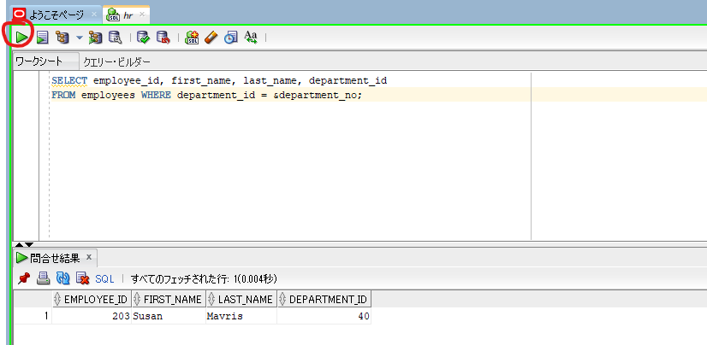

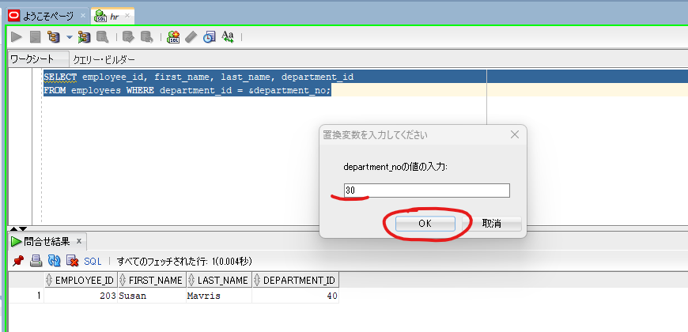

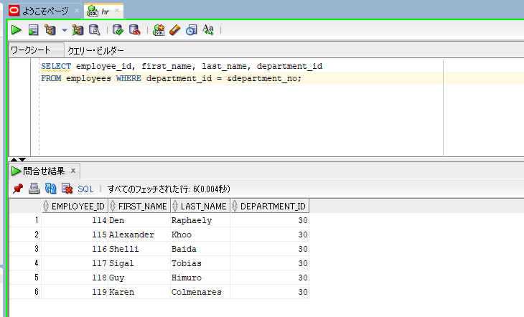

sqlplus hr/hr@orclpdb
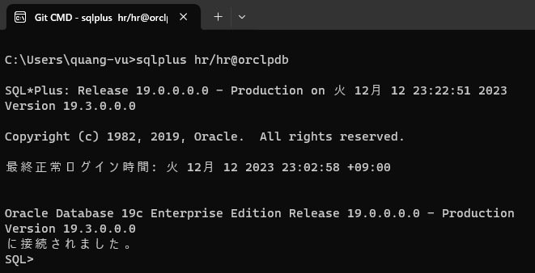

increase the line size in the SQL Plus to be able to see the output better.
set linesize 200

SELECT employee_id, first_name, last_name, department_id
FROM employees WHERE department_id = &department_no;

SELECT employee_id, first_name, last_name, department_id
FROM employees WHERE first_name = '&name';
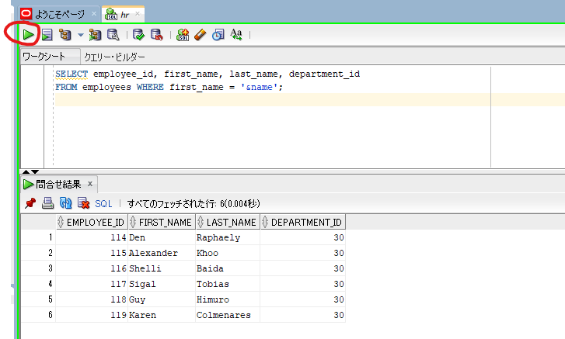

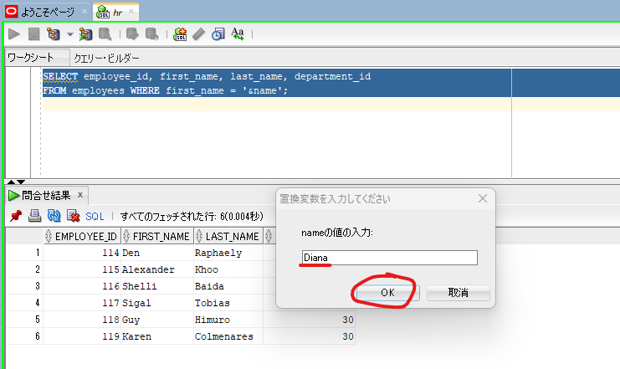

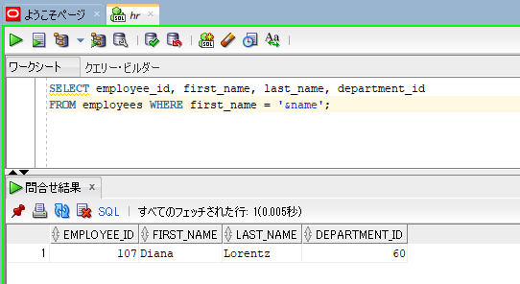

SELECT employee_id, first_name, last_name, department_id
FROM employees WHERE first_name = &name;
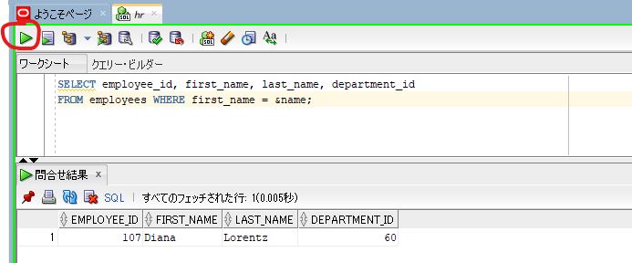

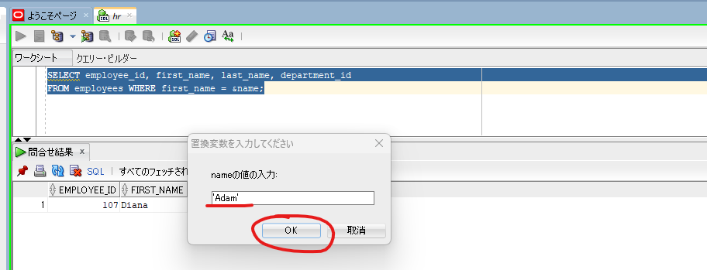

 |  |  |  |  | → | ’Adam'

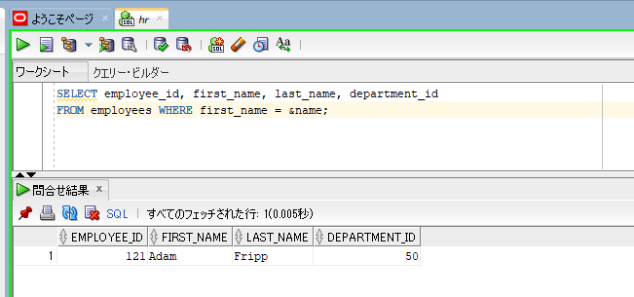

SELECT employee_id, first_name, last_name, &column_name
FROM &table_name
WHERE &condition
ORDER BY &order_by_clause;

&&AndDEFINE&UNDEFINECommands
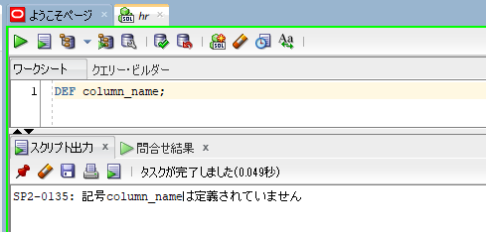
Double Ampersand (&&) and DEFINE & UNDEFINE Commands

oracle
 | 1.Installing-VMware-and-VirtualBox-on-Windows
 | 2.Retrieving-Data
 | 3.RestrictingData
 | 4.SortingData
 | 5.UsingSubstitutionVariables
 |  | 1.What+is+a+Substitution+Variable(Code+Samples).sql
 |  | 2.Double+Ampersand+(&&)+and+DEFINE&UNDEFINE+Commands(Code+Samples).sql |  | → | new

oracle\5.UsingSubstitutionVariables\2.Double+Ampersand+(&&)+and+DEFINE&UNDEFINE+Commands(Code+Samples).sql
/************* The Complete Oracle SQL Bootcamp ****************
* Author : Oracle Master Training *
* Course : The Complete Oracle SQL Bootcamp *
* Lecture : Double Ampersand (&&) and DEFINE&UNDEFINE Commands*
***************************************************************/

SELECT employee_id, first_name, last_name, salary
FROM employees
WHERE salary BETWEEN &sal AND &sal + 1000;

SELECT employee_id, first_name, last_name, salary
FROM employees
WHERE salary BETWEEN &&sal AND &sal + 1000;

SELECT employee_id, first_name, last_name, &&column_name
FROM employees
ORDER BY &column_name;

SELECT &&column_name
FROM employees
GROUP BY &column_name
ORDER BY &column_name;

DEFINE emp_num = 100;
SELECT * FROM employees WHERE employee_id = &emp_num;
DEFINE emp_num = 200;
DEFINE column_name = 'first_name';
UNDEFINE emp_num;
DEFINE;
DEFINE column_name;
UNDEF column_name;
DEF column_name;

SELECT employee_id, first_name, last_name, salary |  |  |  |  |  |  |  |  | → | We use this substitution variable more than once
FROM employees
WHERE salary BETWEEN &sal AND &sal + 1000;
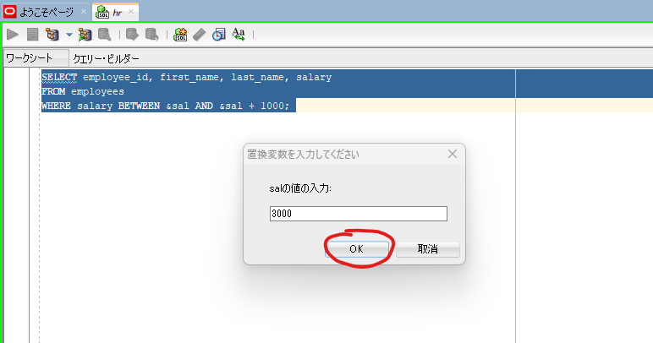

SQL Developer asks for the same variable again. Actually not for the same substitution variable. Because each substitution variable is another variable even if they have exactly the same
name
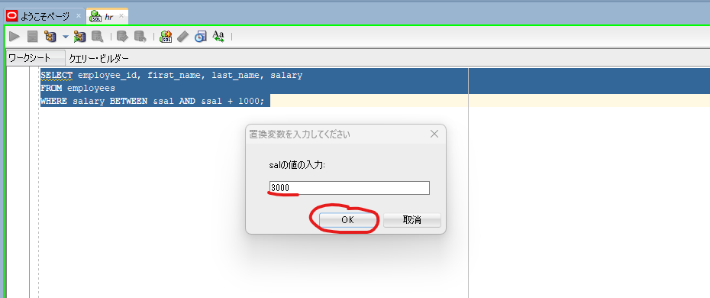

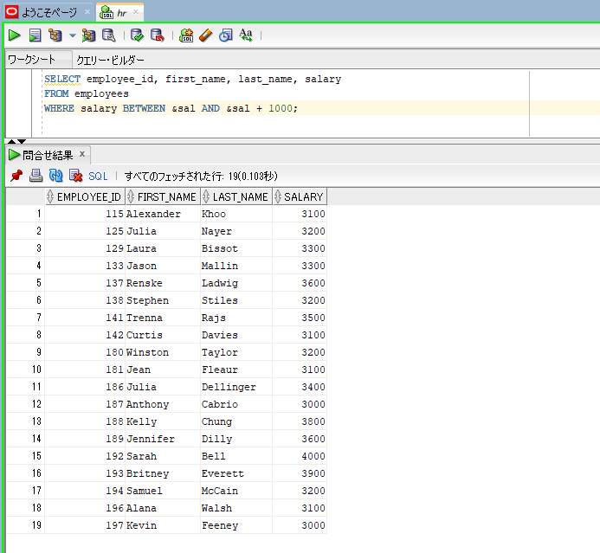

If the variable appears more than once, we just need to use a && instead of single once. We just need to add the additional ampersand to the first apperance of the variable
SELECT employee_id, first_name, last_name, salary
FROM employees
WHERE salary BETWEEN &&sal AND &sal + 1000;
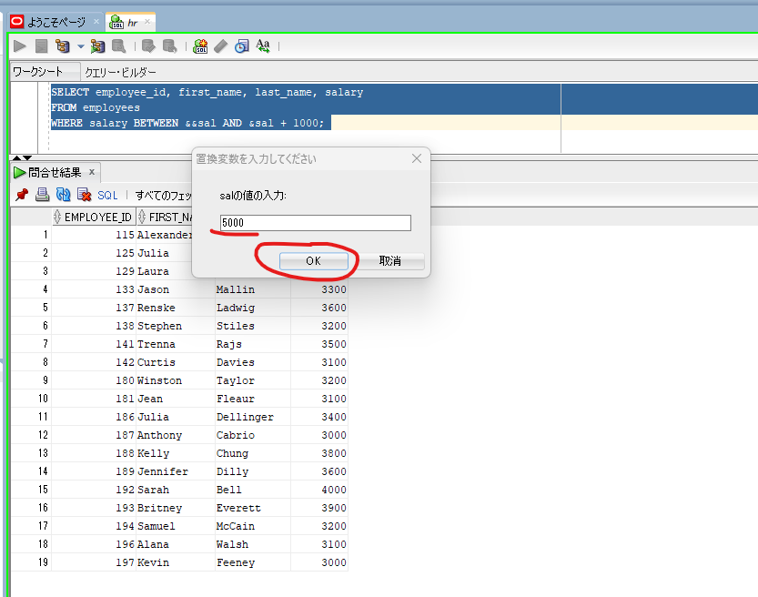

 |  |  |  |  |  |  |  | → | This time, the SQL Developer asked us to enter this value for only once

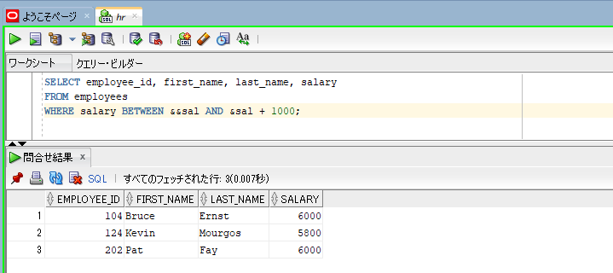

 | SELECT employee_id, first_name, last_name, &&column_name
 | FROM employees
 | ORDER BY &column_name;

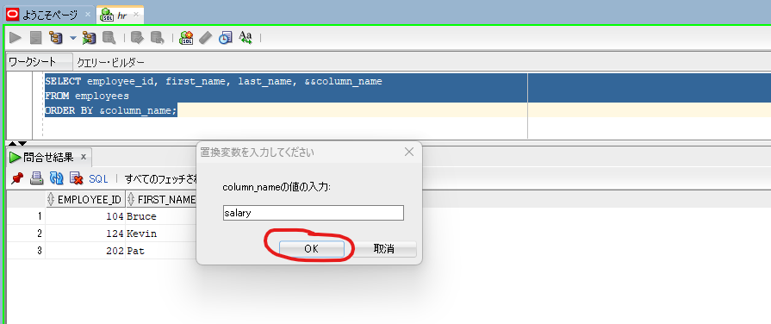

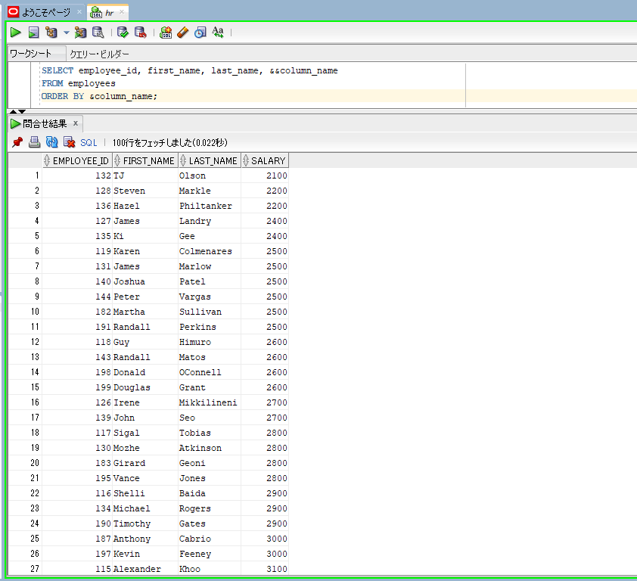

The good side of using double ampersand is that it allows us to reuse the substitution variable over and over again so that we can use the same variable in the next or previous statements.
Or if we run the same query again
 | SELECT employee_id, first_name, last_name, &&column_name
 | FROM employees
 | ORDER BY &column_name;

We see that the SQL Developer did not prompt for the value even for once. Because the value for that substitution variable is stored and will be stored until our session ends
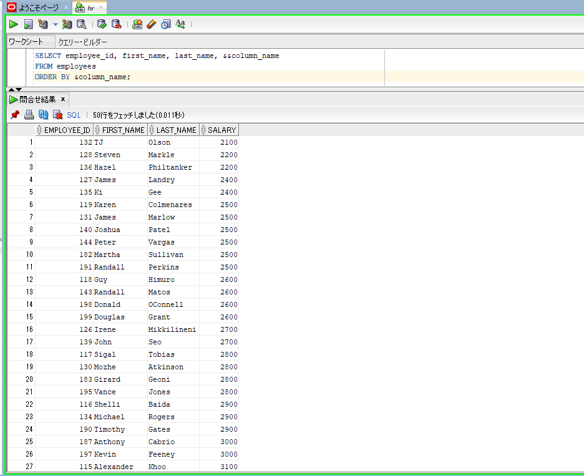

Even though we execute a totally different query the SQL developer did not prompt for the value even for once
 | SELECT &&column_name
 | FROM employees
 | GROUP BY &column_name
 | ORDER BY &column_name;

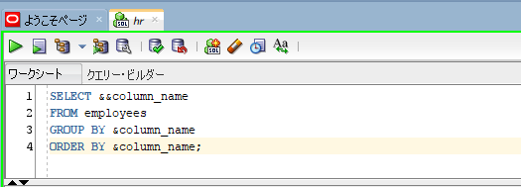

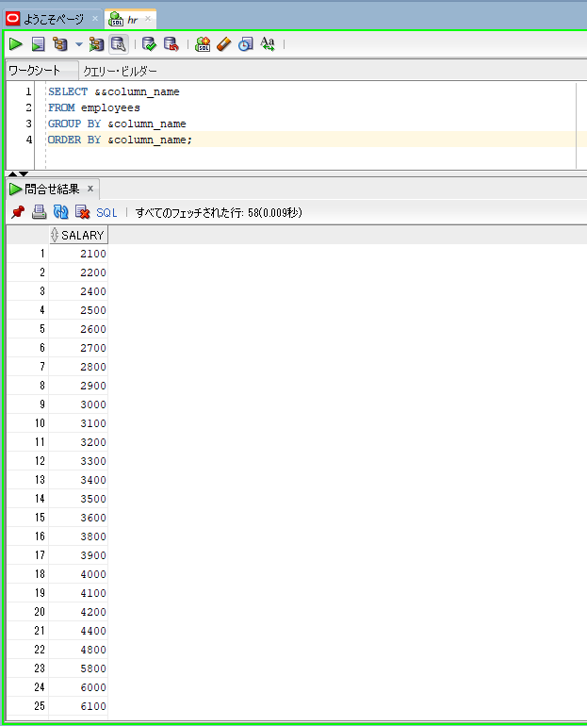

 | DEFINE emp_num = 100; |  |  | → | After execute this, it will show us nothing. That means, this task has successfully completed
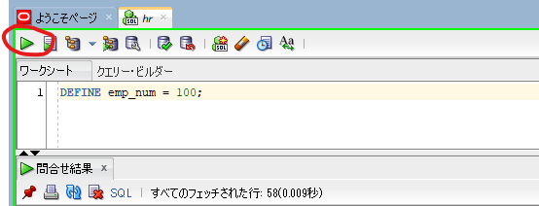

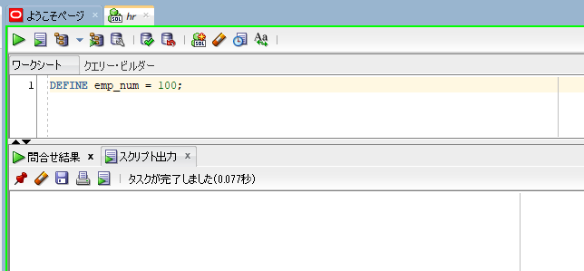

 | SELECT * FROM employees WHERE employee_id = &emp_num;

 | DEFINE emp_num = 200; |  |  |  |  | → | Modify the substitution variable

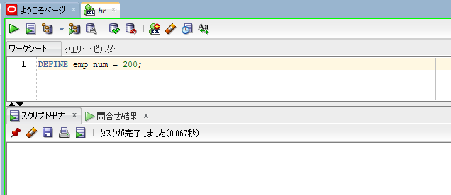

 | SELECT * FROM employees WHERE employee_id = &emp_num;

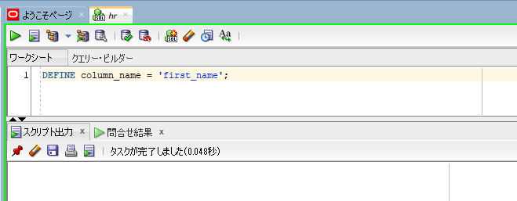
 | DEFINE column_name = 'first_name'; |  |  | → | even if we define a substitution variable with the same name with the double ampersand we will actually
 |  |  |  |  | modify that value

 | SELECT &&column_name
 | FROM employees
 | GROUP BY &column_name
 | ORDER BY &column_name;
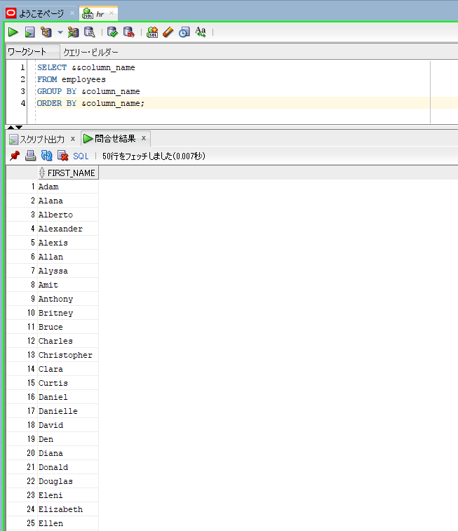

 |  | UNDEFINE emp_num; | → | Remove the variable using the UNDEFINE command
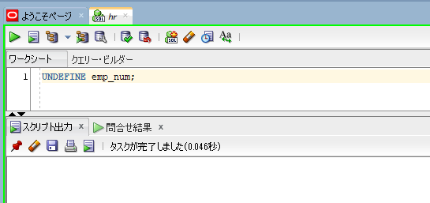

 |  | SELECT * FROM employees WHERE employee_id = &emp_num;
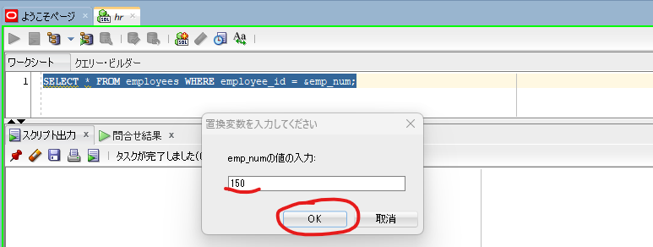

 |  |  |  |  |  |  |  | → | We removed emp_num variable using the UNDEFINE command the prompt window is asking us to enter a value for this variable again.

 |  | DEFINE; |  |  |  | → | We can see the defined substituation variables by executing the DEFINE command without any parameter
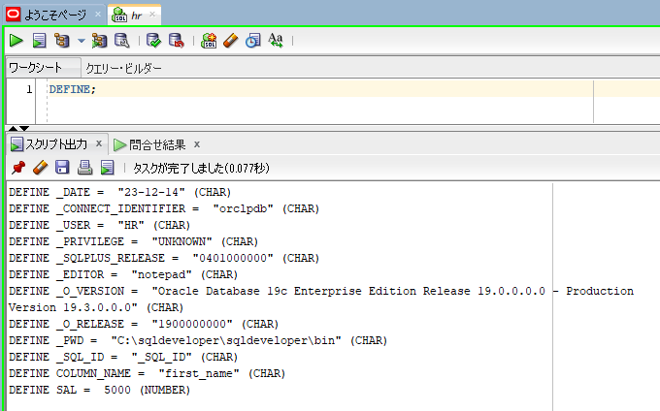

 |  | DEFINE column_name; |  | → | check a specific variable
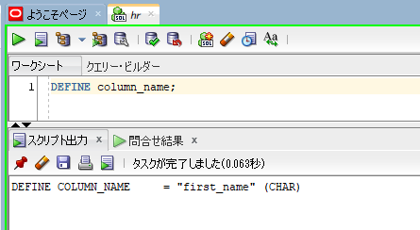

 |  | UNDEF column_name; |  | → | undfine
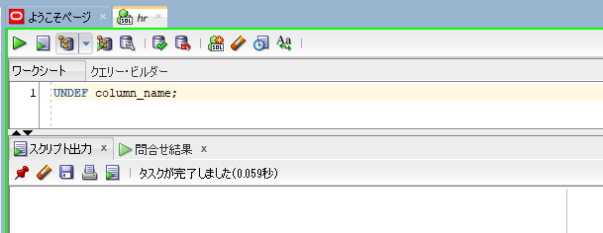

 |  | DEF column_name; |  | → | check value again after undefining

ACCEPT and PROMPT Commands
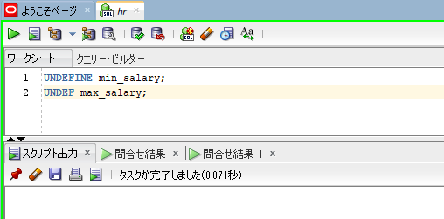
oracle
 | 1.Installing-VMware-and-VirtualBox-on-Windows
 | 2.Retrieving-Data
 | 3.RestrictingData
 | 4.SortingData
 | 5.UsingSubstitutionVariables
 |  | 1.What+is+a+Substitution+Variable(Code+Samples).sql
 |  | 2.Double+Ampersand+(&&)+and+DEFINE&UNDEFINE+Commands(Code+Samples).sql
 |  | 3.ACCEPT+and+PROMPT+Commands(Code+Samples).sql |  |  | → | new

oracle\5.UsingSubstitutionVariables\3.ACCEPT+and+PROMPT+Commands(Code+Samples).sql
/************* The Complete Oracle SQL Bootcamp ****************
* Author : Oracle Master Training *
* Course : The Complete Oracle SQL Bootcamp *
* Lecture : ACCEPT and PROMPT Commands *
***************************************************************/

ACCEPT emp_id PROMPT 'Please Enter a valid Employee ID:';

SELECT employee_id, first_name, last_name, salary
FROM employees
WHERE employee_id = &emp_id;

UNDEFINE emp_id;

ACCEPT min_salary PROMPT 'Please specify the MINIMUM salary:'
ACCEPT max_salary PROMPT 'Please specify the MAXIMUM salary:'
SELECT employee_id, last_name, salary
FROM employees
WHERE salary BETWEEN &min_salary AND &max_salary;
UNDEFINE min_salary;
UNDEF max_salary;

 |  | ACCEPT emp_id PROMPT 'Please Enter a valid Employee ID:';

 |  | SELECT employee_id, first_name, last_name, salary
 |  | FROM employees
 |  | WHERE employee_id = &emp_id;

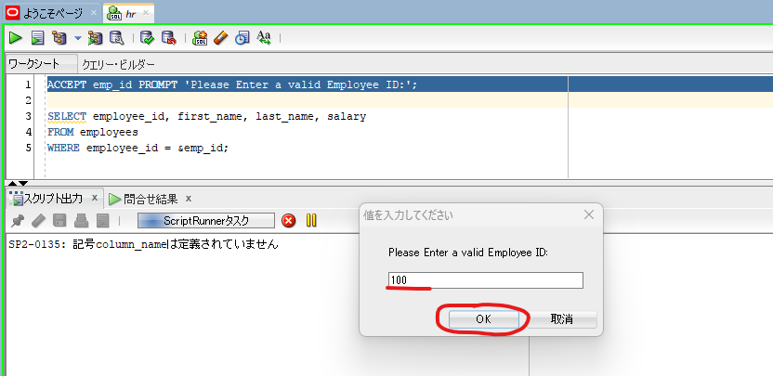

 |  |  |  |  |  |  | → | This variable will be stored until this session is terminated

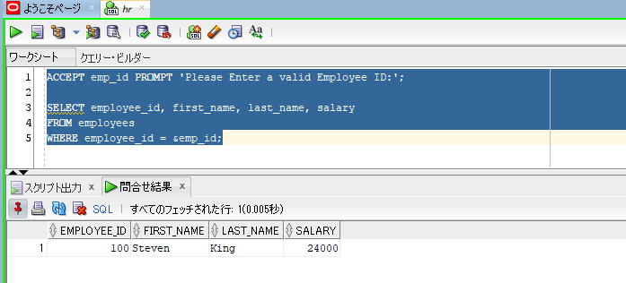

 |  |  |  |  |  |  | → | this query is executed without asking a value for this substitution variable
 |  | SELECT employee_id, first_name, last_name, salary
 |  | FROM employees
 |  | WHERE employee_id = &emp_id;

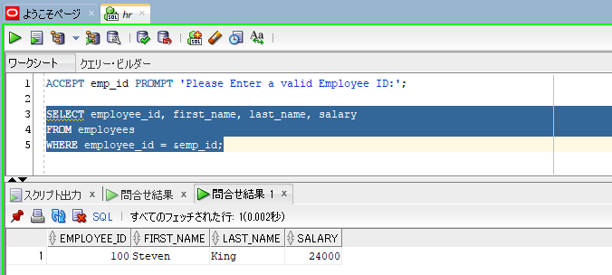

If we want to change value, we can easily execute that statement again to prompt for a value for variable again
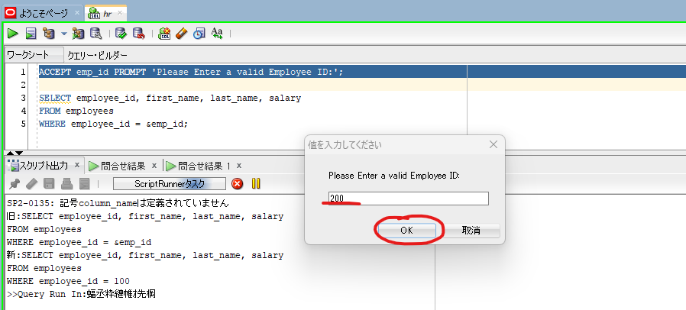

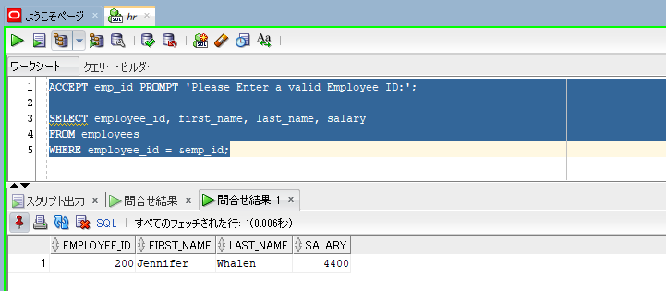

 | UNDEFINE emp_id; |  |  |  | → | We can easily undefine variable by writing
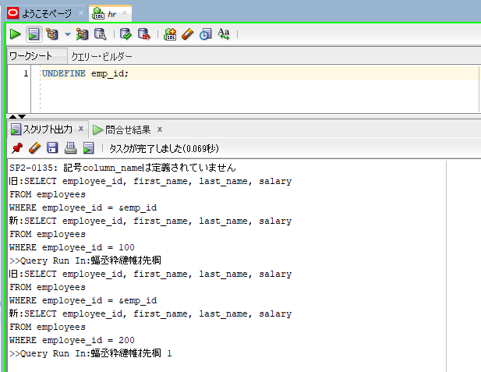

 | SELECT employee_id, first_name, last_name, salary
 | FROM employees
 | WHERE employee_id = &emp_id;
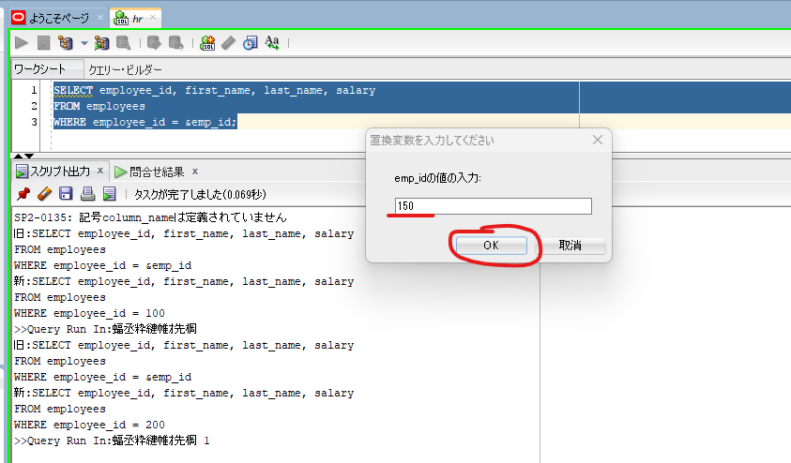

 |  |  |  |  |  |  | → | This time we have to input value again

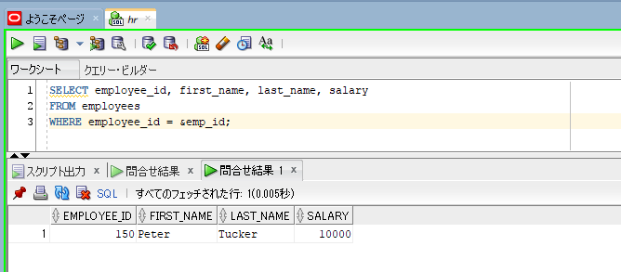

ACCEPT min_salary PROMPT 'Please specify the MINIMUM salary:' |  |  |  |  |  |  | → | We have 2 variables in the same query
ACCEPT max_salary PROMPT 'Please specify the MAXIMUM salary:'
SELECT employee_id, last_name, salary
FROM employees
WHERE salary BETWEEN &min_salary AND &max_salary;
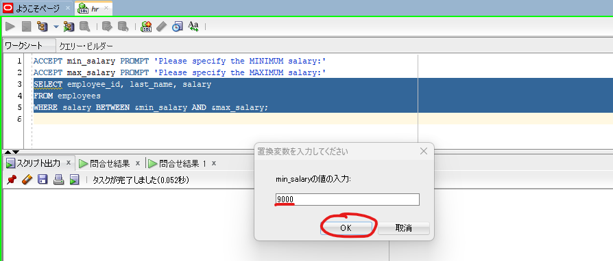

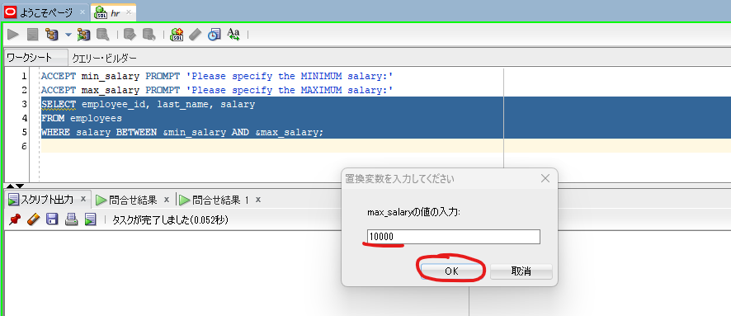

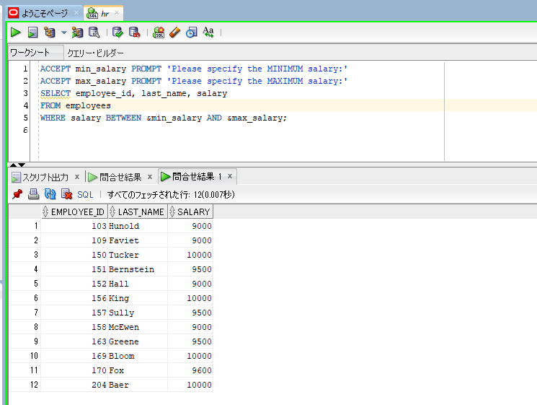

UNDEFINE min_salary; |  |  | → | remove variables
UNDEF max_salary;

SET VERIFY ON SET VERIFY OFF
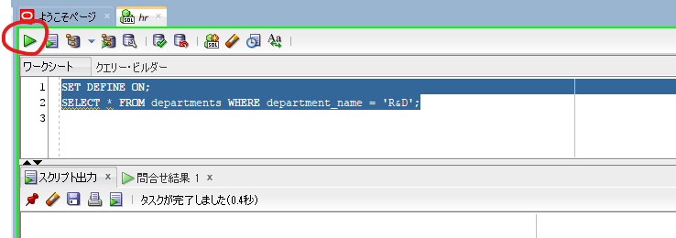

oracle
 | 1.Installing-VMware-and-VirtualBox-on-Windows
 | 2.Retrieving-Data
 | 3.RestrictingData
 | 4.SortingData
 | 5.UsingSubstitutionVariables
 |  | 1.What+is+a+Substitution+Variable(Code+Samples).sql
 |  | 2.Double+Ampersand+(&&)+and+DEFINE&UNDEFINE+Commands(Code+Samples).sql
 |  | 3.ACCEPT+and+PROMPT+Commands(Code+Samples).sql
 |  | 4.SET+VERIFY+ON-OFF+Commands(Code+Samples).sql | → | new

SELECT employee_id, first_name, last_name, department_id
FROM employees WHERE department_id = &dept_id;




 |  |  |  | → | The verification is not printed

SET VERIFY ON;
SELECT employee_id, first_name, last_name, department_id
FROM employees WHERE department_id = &dept_id;


 |  |  |  |  | → | Run script





 |  |  |  |  | → | We can see the new and old version of this statement are displayed in this tab

SET VERIFY OFF;
SELECT employee_id, first_name, last_name, department_id
FROM employees WHERE department_id = &dept_id;






 |  |  |  |  | → | We do not see the verification now

SELECT * FROM departments WHERE department_name = 'R&D';




 |  |  |  |  | → | We see that a prompt window appeared asking us to enter a value for D, this not what we want.
 |  |  |  |  |  | We do not mean that this is a substitution variable. This is the normal character ampersand(&) in the alphabet

SET DEFINE OFF; |  |  |  |  | → | to inform SQL Developer that we will not use a substitution variable in this session anymore
SELECT * FROM departments WHERE department_name = 'R&D';




 |  |  |  |  | → | SQL Developer used the ampersand character as a normal character instead of a substitution
 |  |  |  |  |  | variable identifier. And the prompt window did not appear and our query worked successfully

SET DEFINE ON; |  |  |  |  | → | enable substitution again, default it is enabled
SELECT * FROM departments WHERE department_name = 'R&D';

