Single Row Functions
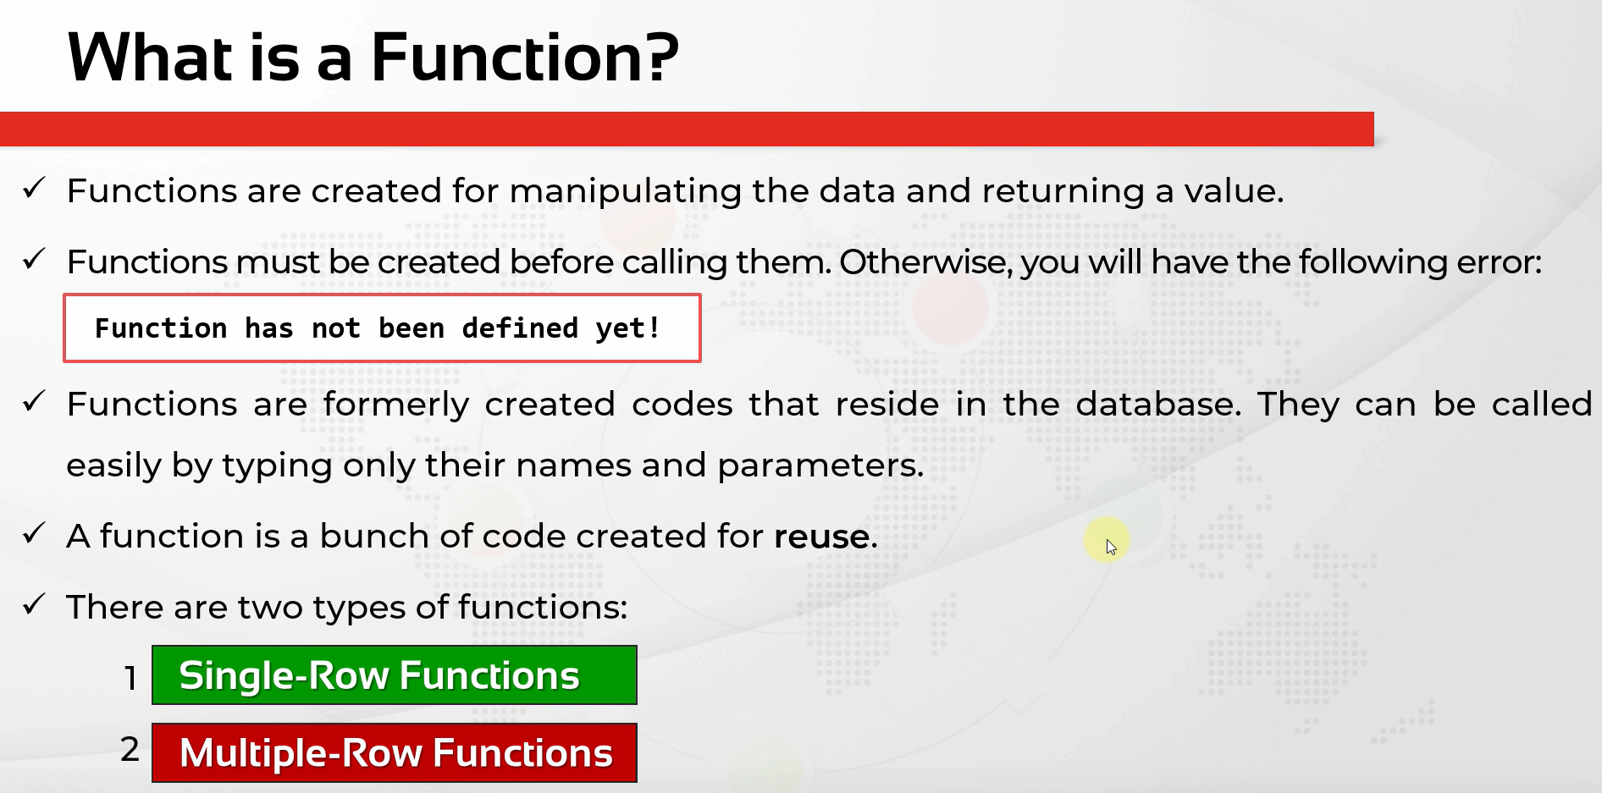

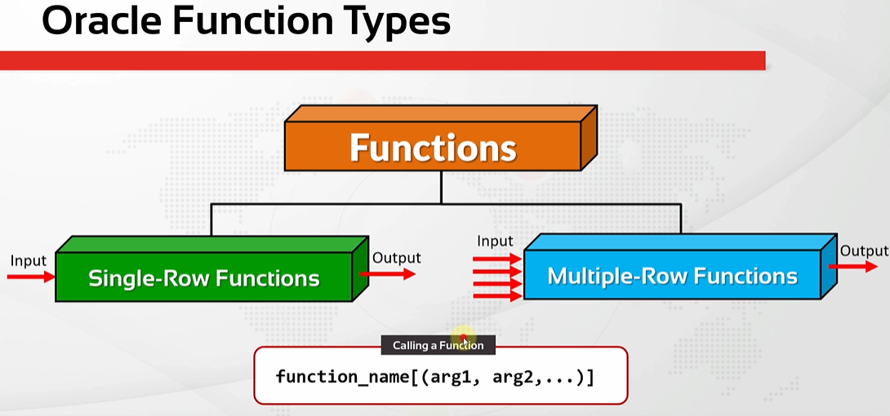

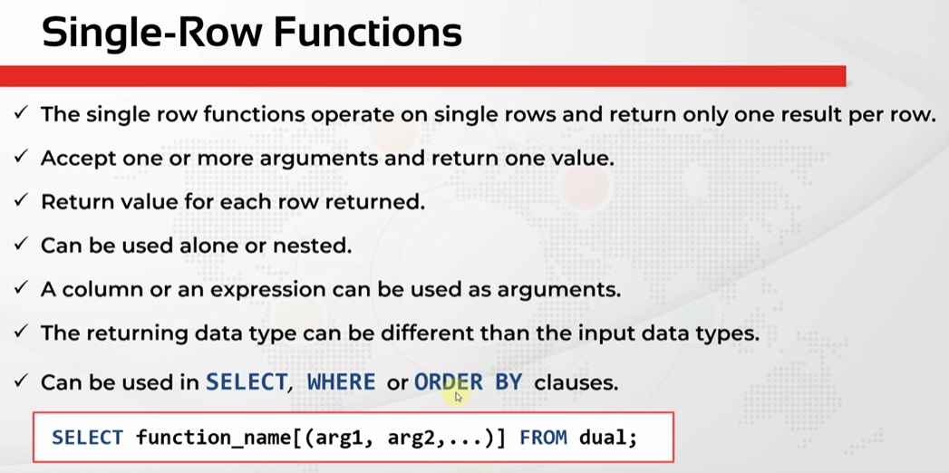

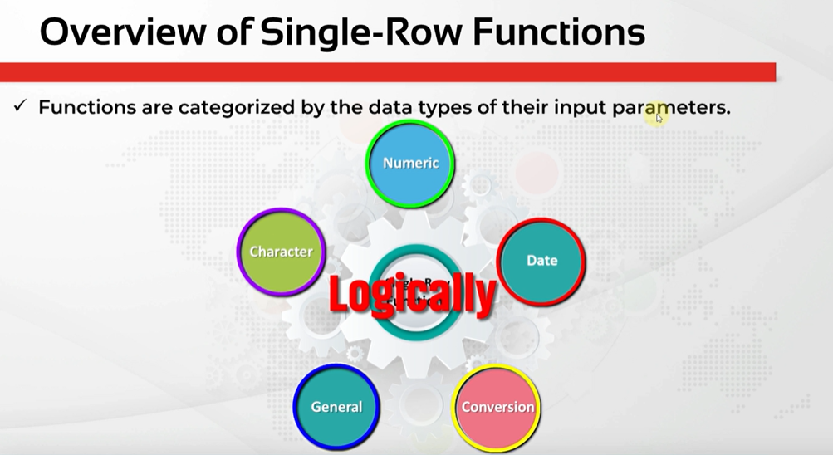

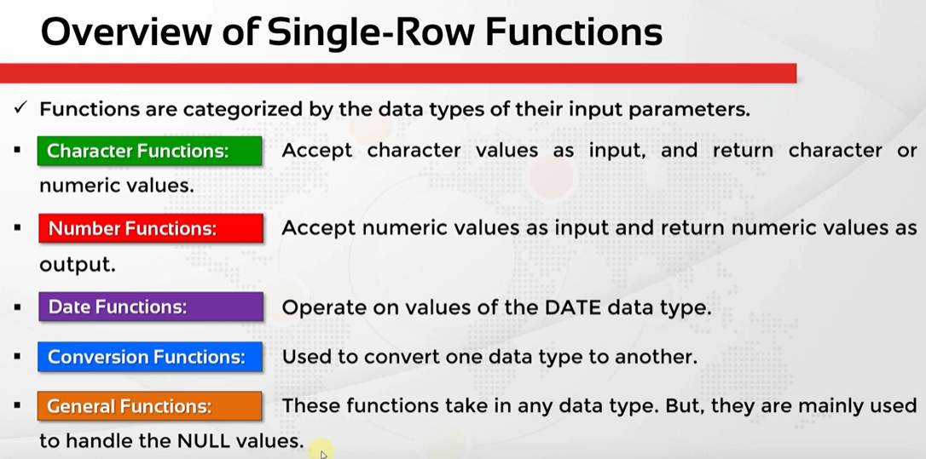

CharacterFunc-CaseConversion
oracle
 | 1.Installing-VMware-and-VirtualBox-on-Windows
 | 2.Retrieving-Data
 | 3.RestrictingData
 | 4.SortingData
 | 5.UsingSubstitutionVariables
 | 6.Single-Row-Functions
 |  | 1.Case+Conversion+(LOWER,+UPPER,+INITCAP)+Functios(Code+Samples).sql | → | new

oracle\6.Single-Row-Functions\1.Case+Conversion+(LOWER,+UPPER,+INITCAP)+Functios(Code+Samples).sql
/************* The Complete Oracle SQL Bootcamp ****************
* Author : Oracle Master Training *
* Course : The Complete Oracle SQL Bootcamp *
* Lecture : Case Conversion (LOWER, UPPER, INITCAP) Functios *
***************************************************************/

SELECT first_name, UPPER(first_name),
last_name, LOWER(last_name),
email, INITCAP(email) FROM employees;

SELECT first_name, UPPER(first_name),
last_name, LOWER(last_name),
email, INITCAP(email) FROM employees
WHERE job_id = 'IT_PROG';

SELECT first_name, UPPER(first_name),
last_name, LOWER(last_name),
email, INITCAP(email),
UPPER('bmw i8')FROM employees
WHERE job_id = 'IT_PROG';

SELECT * FROM employees
WHERE last_name = 'KING';

SELECT * FROM employees
WHERE last_name = 'king';

SELECT * FROM employees
WHERE LOWER(last_name) = 'king';

SELECT * FROM employees
WHERE UPPER(last_name) = 'KING';

SELECT * FROM employees
WHERE INITCAP(last_name) = 'King';

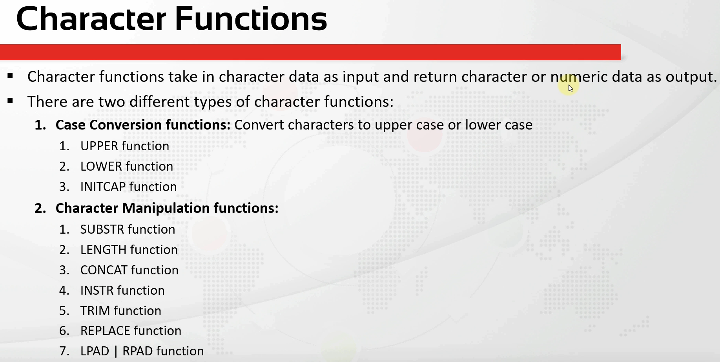

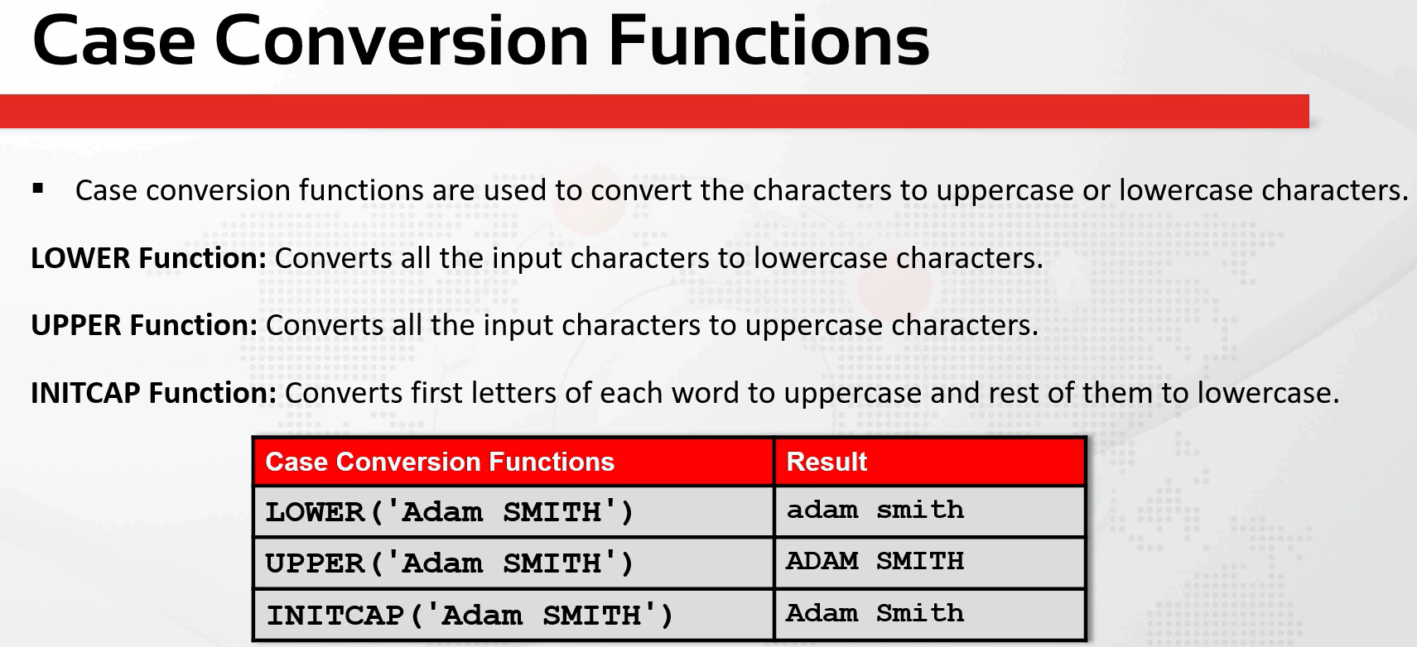

SELECT first_name, UPPER(first_name),
last_name, LOWER(last_name),
email, INITCAP(email),
UPPER('bmw i8')FROM employees
WHERE job_id = 'IT_PROG';
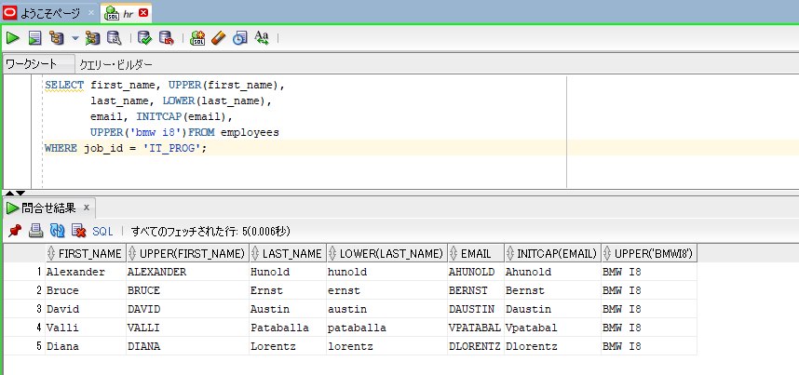

SELECT * FROM employees
WHERE LOWER(last_name) = 'king';

SELECT * FROM employees
WHERE UPPER(last_name) = 'KING';

SELECT * FROM employees
WHERE INITCAP(last_name) = 'King';

CharacterManipulationFunc-1
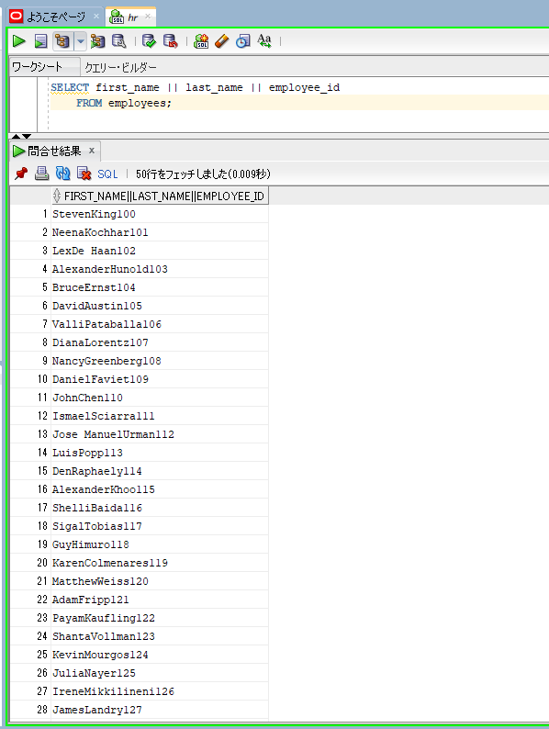
Character Functions - Character Manipulation Functions (Part 1)

oracle
 | 1.Installing-VMware-and-VirtualBox-on-Windows
 | 2.Retrieving-Data
 | 3.RestrictingData
 | 4.SortingData
 | 5.UsingSubstitutionVariables
 | 6.Single-Row-Functions
 |  | 1.Case+Conversion+(LOWER,+UPPER,+INITCAP)+Functios(Code+Samples).sql
 |  | 2.Character+Manipulation+Functions+(Part+1)+(Code+Samples).sql |  | → | new

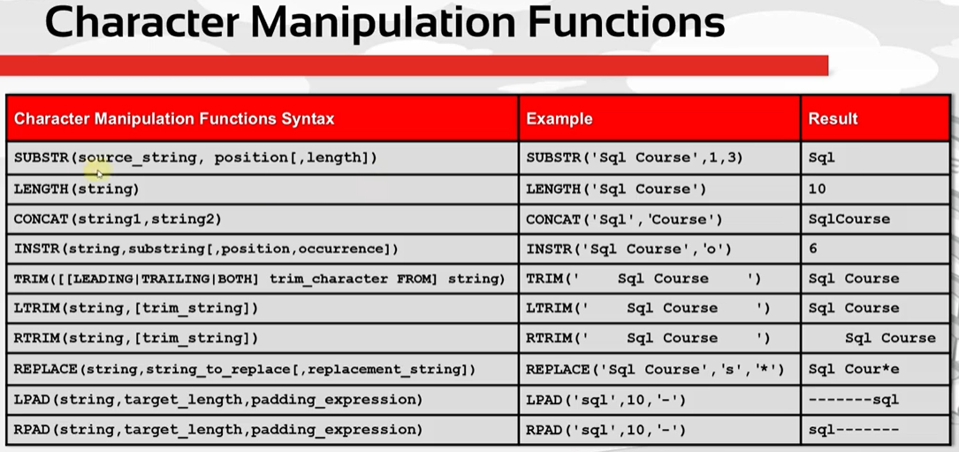

SELECT first_name, SUBSTR(first_name,3,6), SUBSTR(first_name,3),
last_name, LENGTH(last_name)
FROM employees;
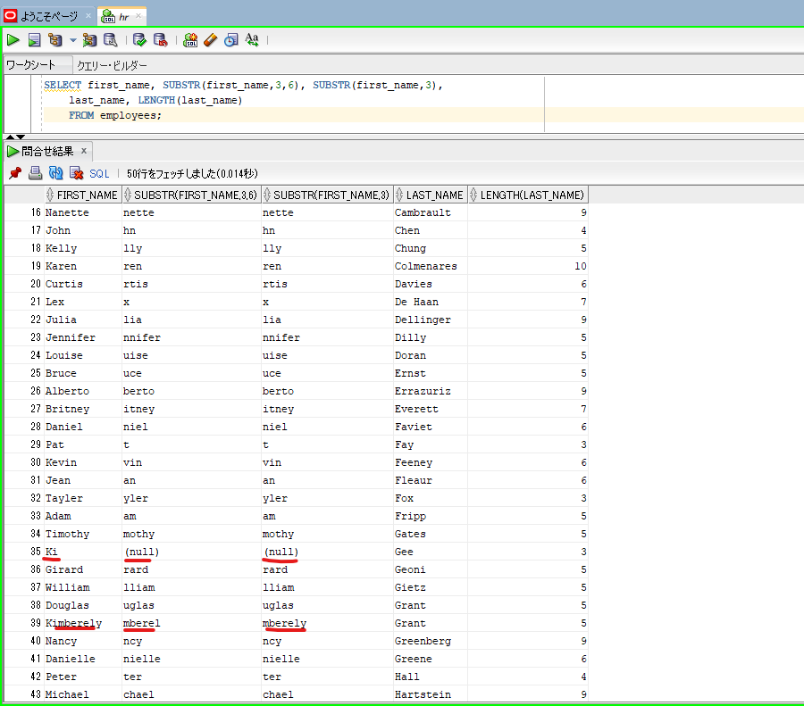

 |  |  |  |  |  | → | first_name only having 2 character so SUBSTR(first_name,3,6) and SUBSTR(first_name,3) result is null

SELECT CONCAT(first_name,last_name) |  |  | → | CONCAT function
FROM employees;
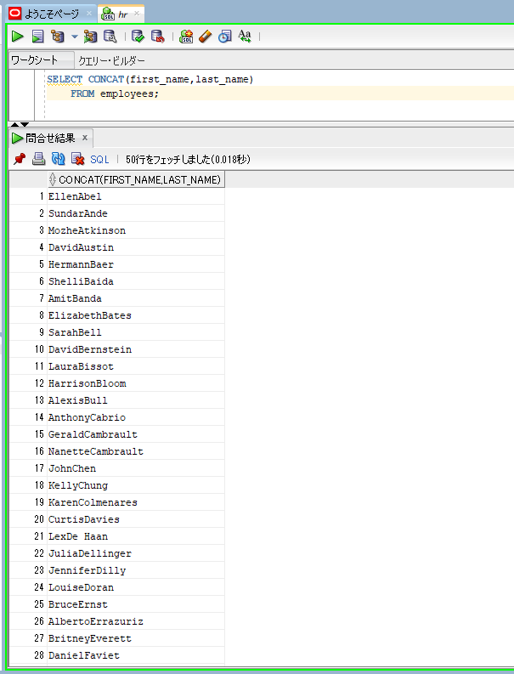

SELECT CONCAT(CONCAT(first_name,last_name),employee_id) |  |  | → | If we need to concatenate more than 2 strings, it gets harder to write
FROM employees;
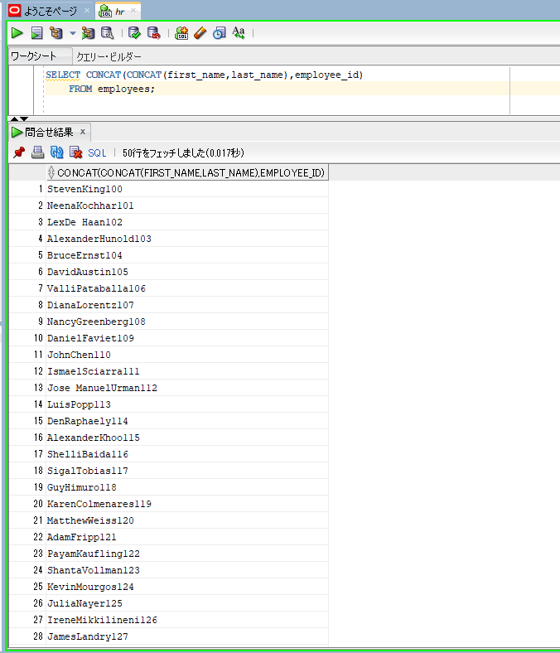

SELECT first_name || last_name || employee_id |  |  | → | concate operator is easier, so we should use the concatenation operators instead of the CONCAT function
FROM employees;

