Conversion Functions
oracle
 | 1.Installing-VMware-and-VirtualBox-on-Windows
 | 2.Retrieving-Data
 | 3.RestrictingData
 | 4.SortingData
 | 5.UsingSubstitutionVariables
 | 6.Single-Row-Functions
 | 7.Conversion-Functions
 |  | 1.Conversion+Functions(Code+Samples).sql

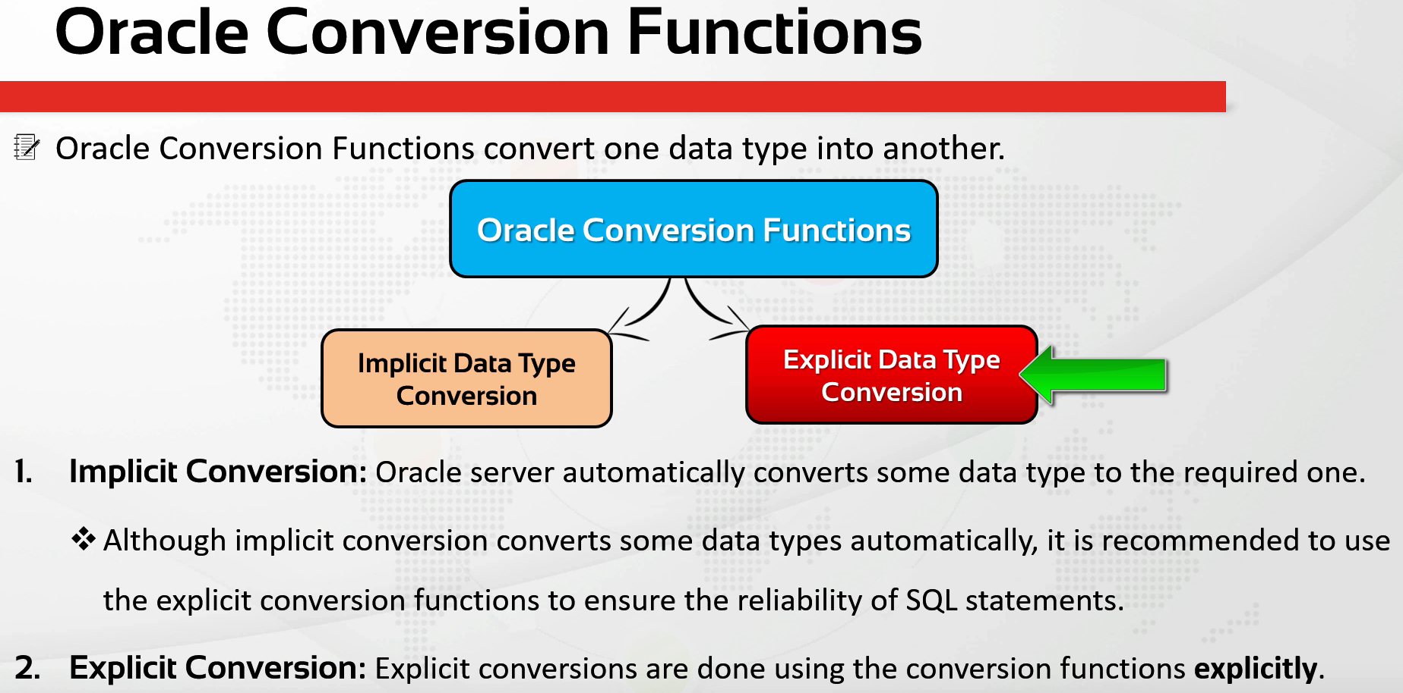

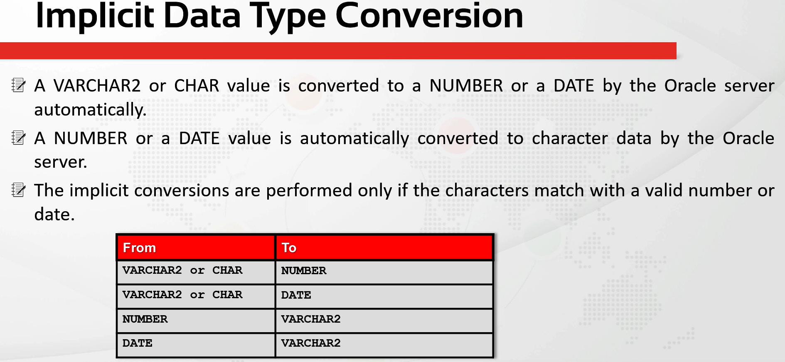

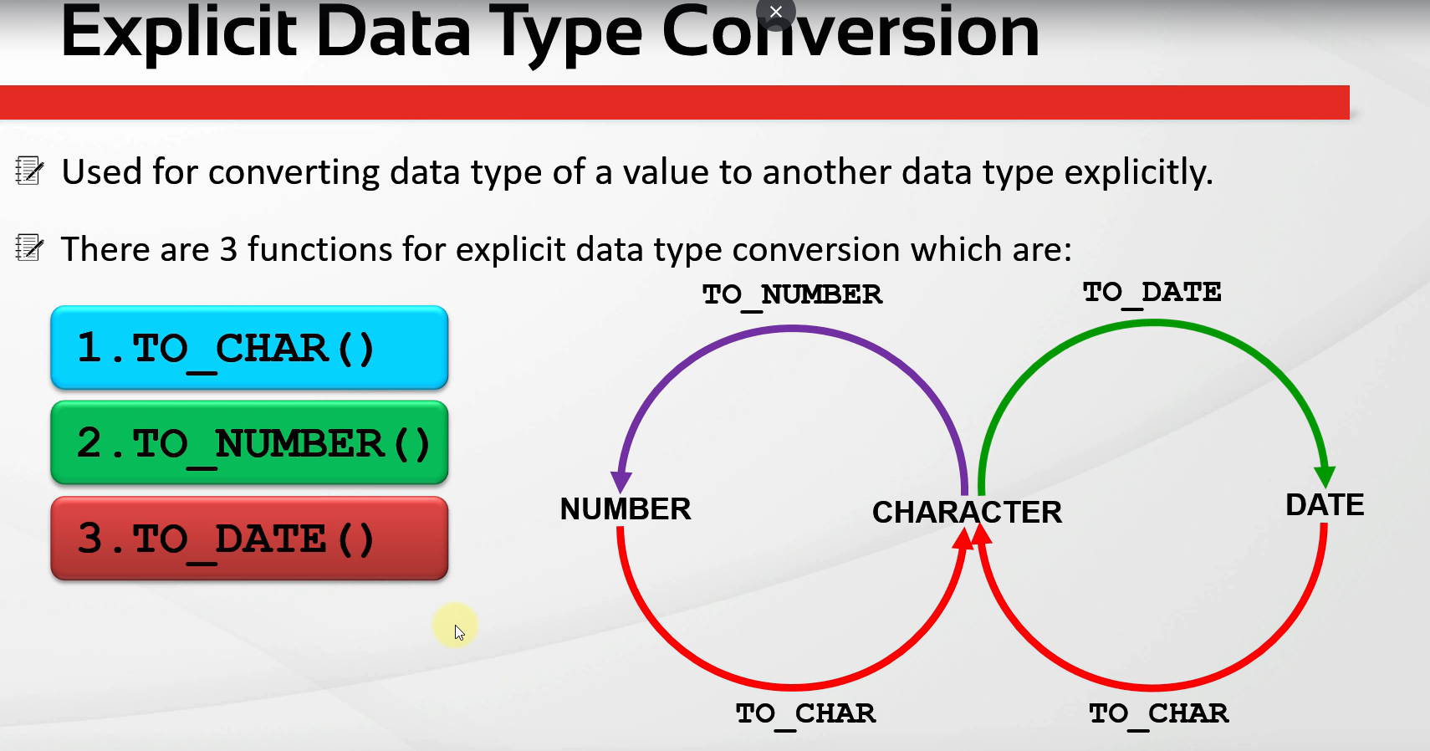

oracle\7.Conversion-Functions\1.Conversion+Functions(Code+Samples).sql
/************* The Complete Oracle SQL Bootcamp *************
* Author : Oracle Master Training *
* Course : The Complete Oracle SQL Bootcamp *
* Lecture : Conversion Functions in SQL *
************************************************************/

--Implicit Conversion FROM a VARCHAR2 value TO a "NUMBER" value.
SELECT * FROM EMPLOYEES WHERE salary > '5000';

--Implicit Conversion FROM a VARCHAR2 value TO a "DATE" value.
SELECT * FROM EMPLOYEES WHERE HIRE_DATE = '03-06-17';

--Implicit Conversion FROM a NUMBER value TO a VARCHAR2 value.
SELECT DEPARTMENT_ID || DEPARTMENT_NAME FROM DEPARTMENTS;

--Implicit Conversion FROM a DATE value TO a VARCHAR2 value.
SELECT FIRST_NAME || SYSDATE FROM EMPLOYEES;

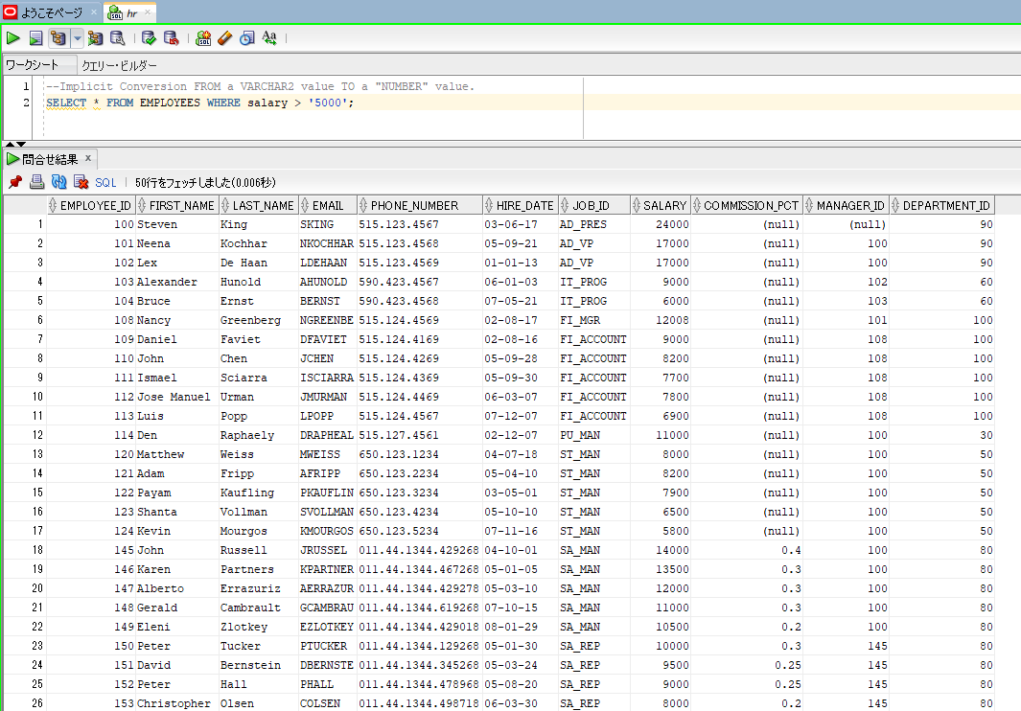
--Implicit Conversion FROM a VARCHAR2 value TO a "NUMBER" value.
SELECT * FROM EMPLOYEES WHERE salary > '5000'; |  |  | → | value 5000 is string, not a number, oracle auto convert this string to number and then executed the query. And this is called an implicit
 |  |  |  | conversion. It is not recommended

--Implicit Conversion FROM a VARCHAR2 value TO a "DATE" value.
SELECT * FROM EMPLOYEES WHERE HIRE_DATE = '03-06-17';

TO_CHAR-TO_DATE-TO_NUMBER-Func1
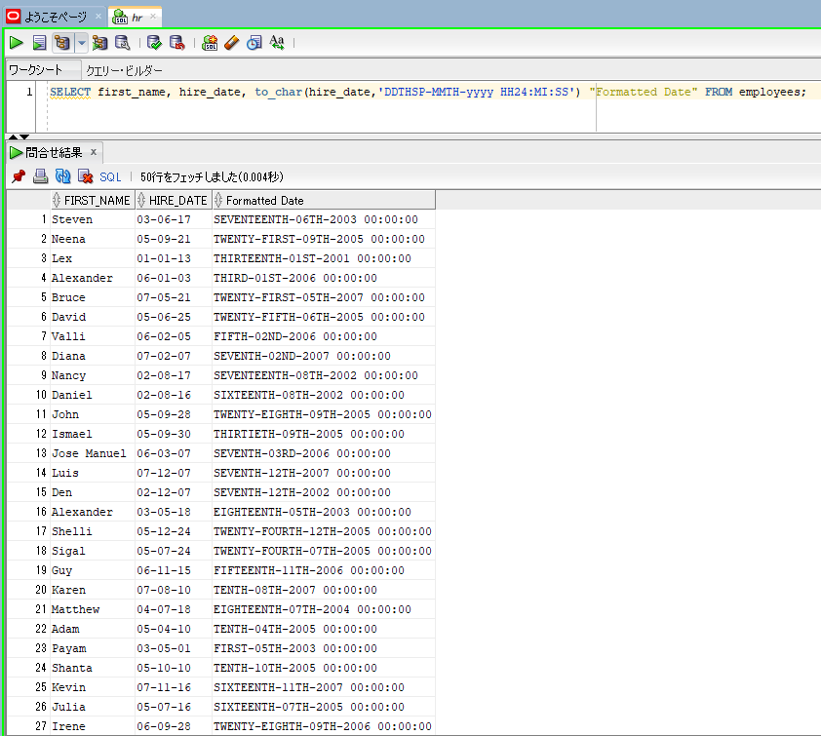
TO_CHAR, TO_DATE, TO_NUMBER Functions (Part 1)

oracle
 | 1.Installing-VMware-and-VirtualBox-on-Windows
 | 2.Retrieving-Data
 | 3.RestrictingData
 | 4.SortingData
 | 5.UsingSubstitutionVariables
 | 6.Single-Row-Functions
 | 7.Conversion-Functions
 |  | 1.Conversion+Functions(Code+Samples).sql
 |  | 2.TO_CHAR,+TO_DATE,+TO_NUMBER+Functions+(Part+1)+(Code+Samples).sql

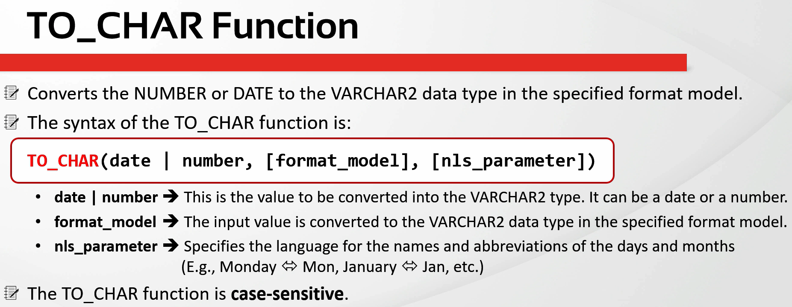

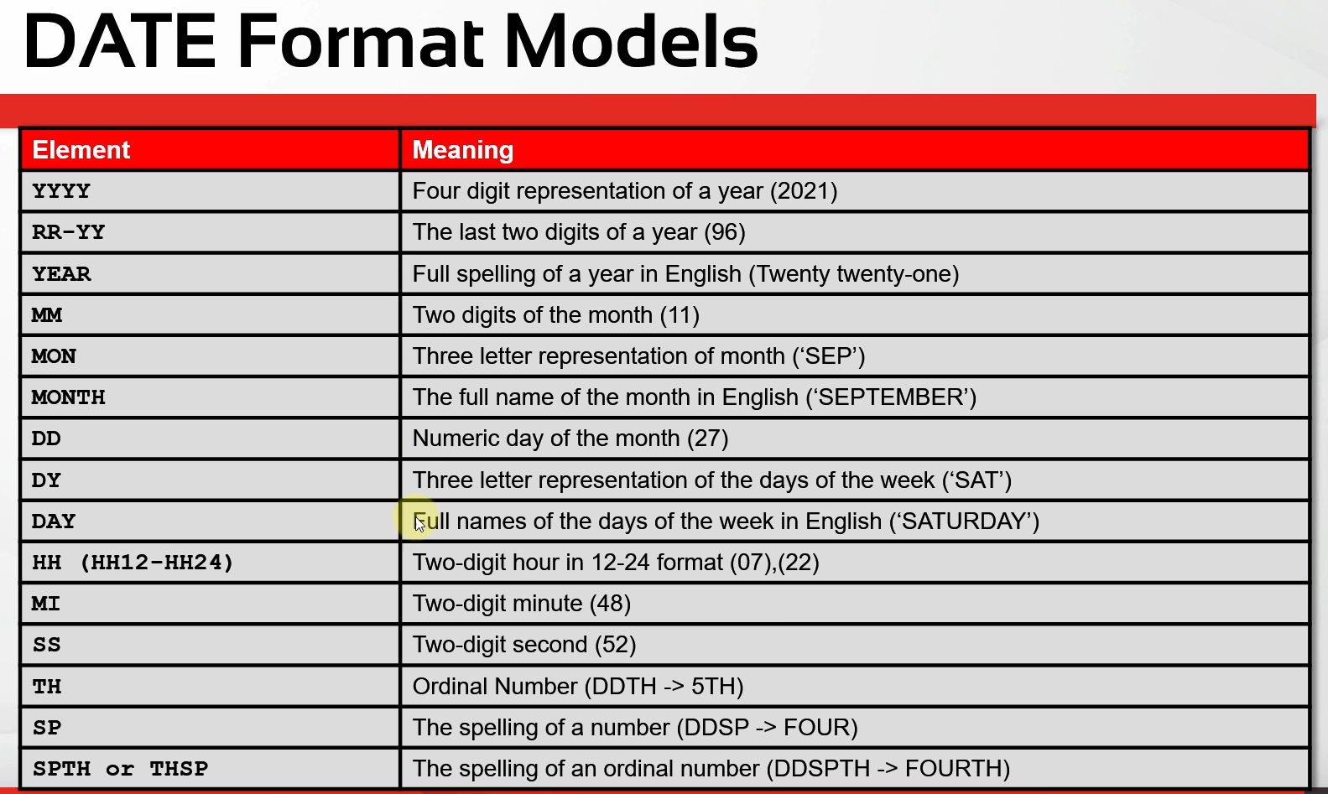

oracle\7.Conversion-Functions\2.TO_CHAR,+TO_DATE,+TO_NUMBER+Functions+(Part+1)+(Code+Samples).sql
/************* The Complete Oracle SQL Bootcamp *************
* Author : Oracle Master Training *
* Course : The Complete Oracle SQL Bootcamp *
* Lecture : TO_CHAR, TO_DATE, TO_NUMBER Functions (Part 1) *
************************************************************/

SELECT first_name, hire_date FROM employees;
SELECT first_name, hire_date, to_char(hire_date,'YYYY') "Formatted Date" FROM employees;
SELECT first_name, hire_date, to_char(hire_date,'YY') "Formatted Date" FROM employees;
SELECT first_name, hire_date, to_char(hire_date,'RR') "Formatted Date" FROM employees;
SELECT first_name, hire_date, to_char(hire_date,'YEAR') "Formatted Date" FROM employees;
SELECT first_name, hire_date, to_char(hire_date,'MM') "Formatted Date" FROM employees;
SELECT first_name, hire_date, to_char(hire_date,'MM-YYYY') "Formatted Date" FROM employees;
SELECT first_name, hire_date, to_char(hire_date,'MON-YYYY') "Formatted Date" FROM employees;
SELECT first_name, hire_date, to_char(hire_date,'MON-yyyy') "Formatted Date" FROM employees;
SELECT first_name, hire_date, to_char(hire_date,'mon-yyyy') "Formatted Date" FROM employees;
SELECT first_name, hire_date, to_char(hire_date,'Mon-yyyy') "Formatted Date" FROM employees;
SELECT first_name, hire_date, to_char(hire_date,'MONTH-yyyy') "Formatted Date" FROM employees;
SELECT first_name, hire_date, to_char(hire_date,'Month-yyyy') "Formatted Date" FROM employees;
SELECT first_name, hire_date, to_char(hire_date,'DD-Month-yyyy') "Formatted Date" FROM employees;
SELECT first_name, hire_date, to_char(hire_date,'DY-Month-yyyy') "Formatted Date" FROM employees;
SELECT first_name, hire_date, to_char(hire_date,'Dy-Month-yyyy') "Formatted Date" FROM employees;
SELECT first_name, hire_date, to_char(hire_date,'Day-Month-yyyy') "Formatted Date" FROM employees;
SELECT first_name, hire_date, to_char(hire_date,'Dy-Month-yyyy HH12') "Formatted Date" FROM employees;
SELECT first_name, hire_date, to_char(hire_date,'Dy-Month-yyyy HH24') "Formatted Date" FROM employees;
SELECT first_name, hire_date, to_char(hire_date,'Dy-Month-yyyy HH24:MI') "Formatted Date" FROM employees;
SELECT first_name, hire_date, to_char(hire_date,'Dy-Month-yyyy HH24:MI:SS') "Formatted Date" FROM employees;
SELECT first_name, hire_date, to_char(sysdate,'Dy-Month-yyyy HH24:MI:SS') "Formatted Date" FROM employees;
SELECT first_name, hire_date, to_char(hire_date,'DDTH-Month-yyyy HH24:MI:SS') "Formatted Date" FROM employees;
SELECT first_name, hire_date, to_char(hire_date,'DDTH-MMTH-yyyy HH24:MI:SS') "Formatted Date" FROM employees;
SELECT first_name, hire_date, to_char(hire_date,'DDSP-MMTH-yyyy HH24:MI:SS') "Formatted Date" FROM employees;
SELECT first_name, hire_date, to_char(hire_date,'DDSPTH-MMTH-yyyy HH24:MI:SS') "Formatted Date" FROM employees;
SELECT first_name, hire_date, to_char(hire_date,'DDTHSP-MMTH-yyyy HH24:MI:SS') "Formatted Date" FROM employees;

SELECT first_name, hire_date, to_char(hire_date,'YYYY') "Formatted Date" FROM employees;
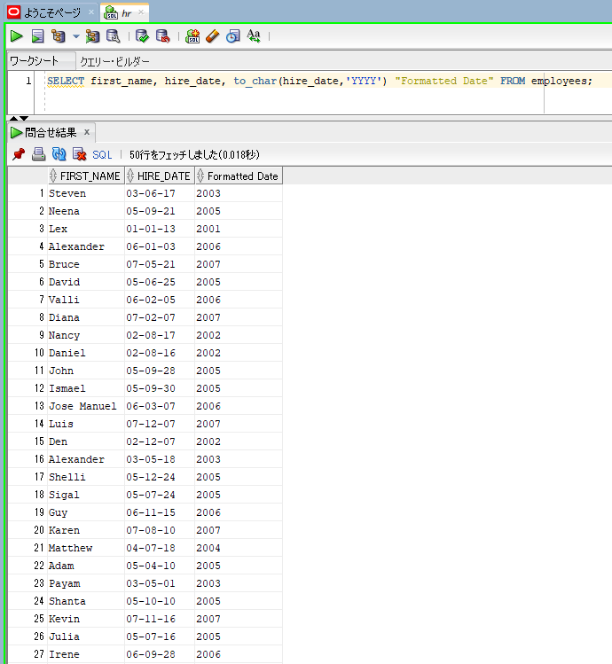

SELECT first_name, hire_date, to_char(hire_date,'YEAR') "Formatted Date" FROM employees;
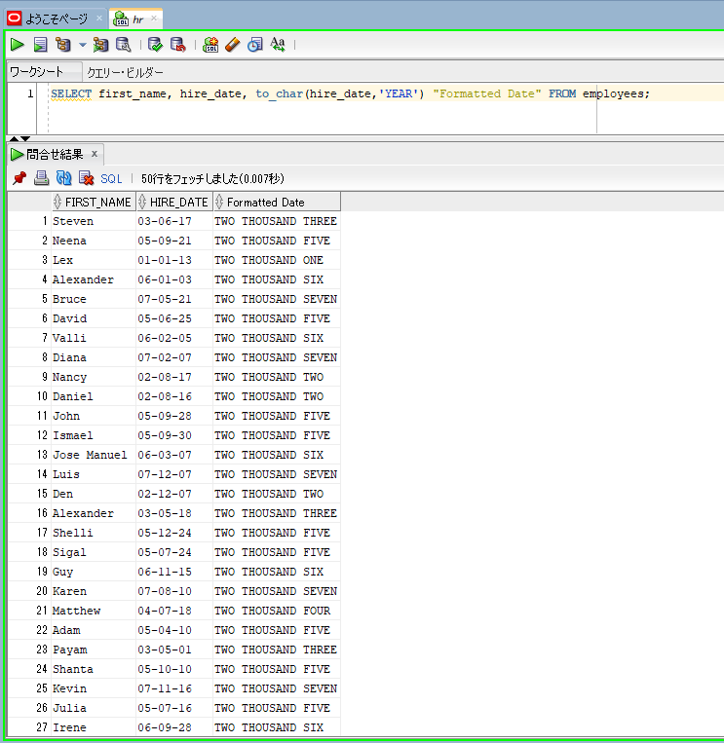

SELECT first_name, hire_date, to_char(hire_date,'MON-YYYY') "Formatted Date" FROM employees;
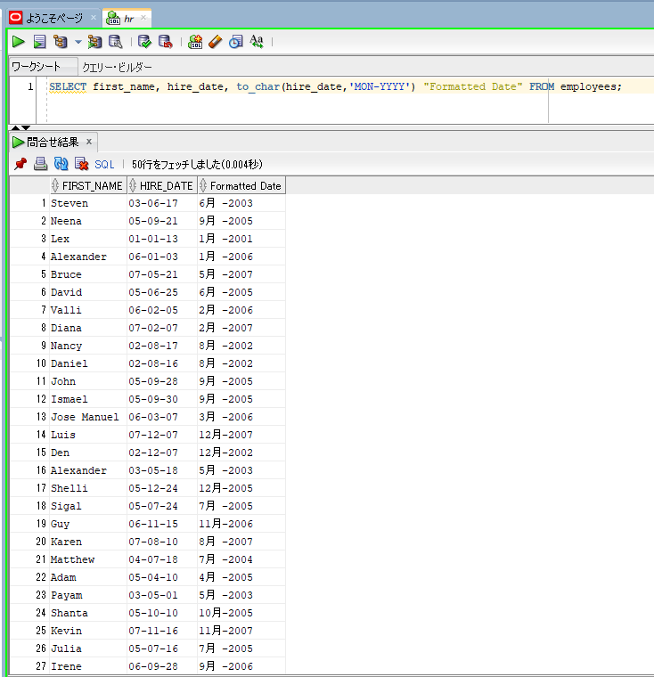

SELECT first_name, hire_date, to_char(hire_date,'MONTH-yyyy') "Formatted Date" FROM employees;
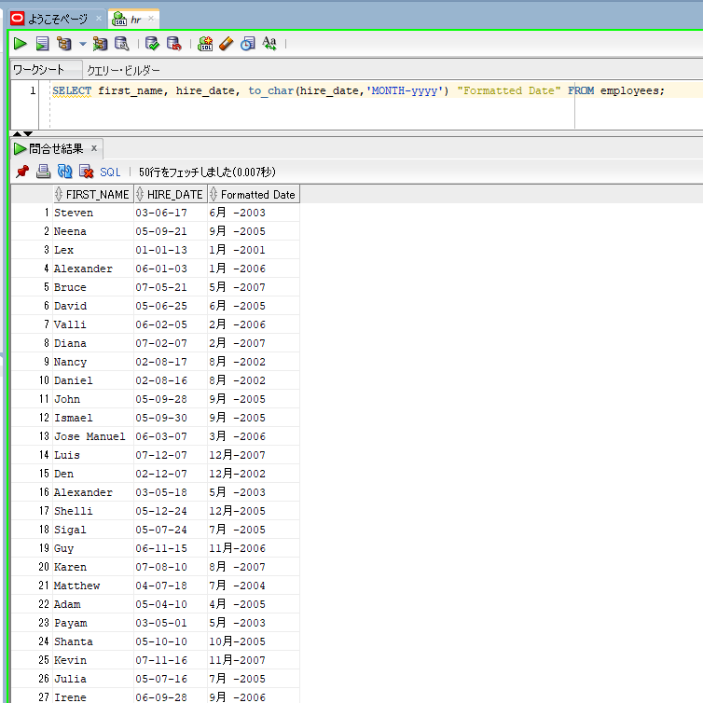

SELECT first_name, hire_date, to_char(hire_date,'DY-Month-yyyy') "Formatted Date" FROM employees;
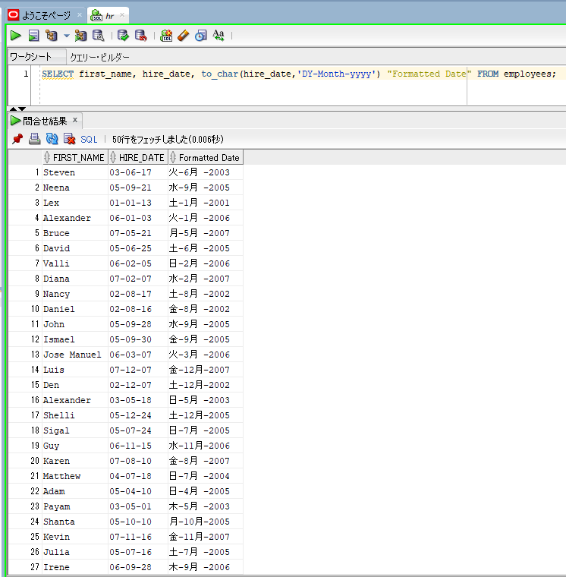

SELECT first_name, hire_date, to_char(hire_date,'Day-Month-yyyy') "Formatted Date" FROM employees;
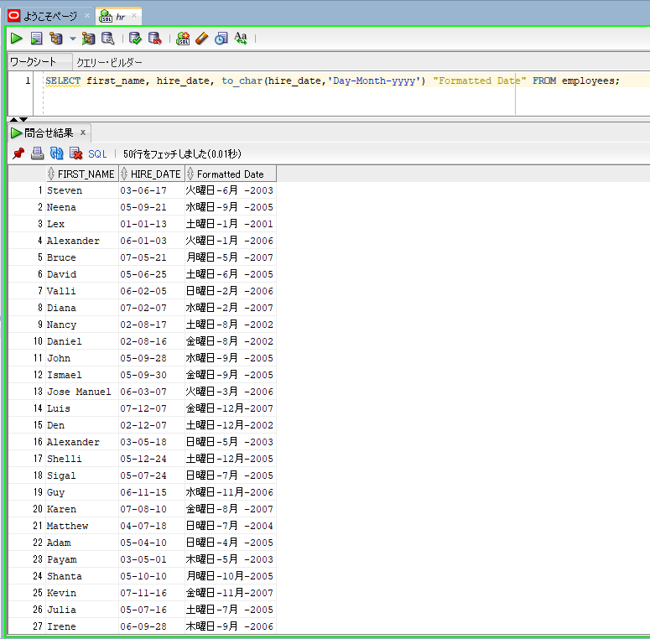

SELECT first_name, hire_date, to_char(sysdate,'Dy-Month-yyyy HH24:MI:SS') "Formatted Date" FROM employees;
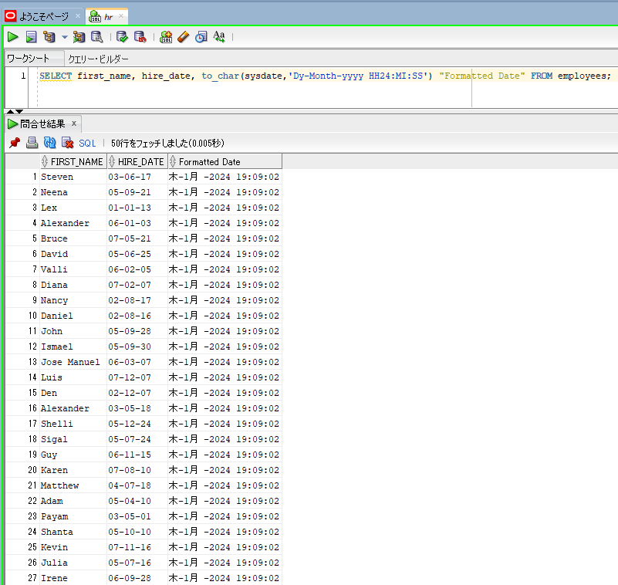

SELECT first_name, hire_date, to_char(hire_date,'DDTH-MMTH-yyyy HH24:MI:SS') "Formatted Date" FROM employees;
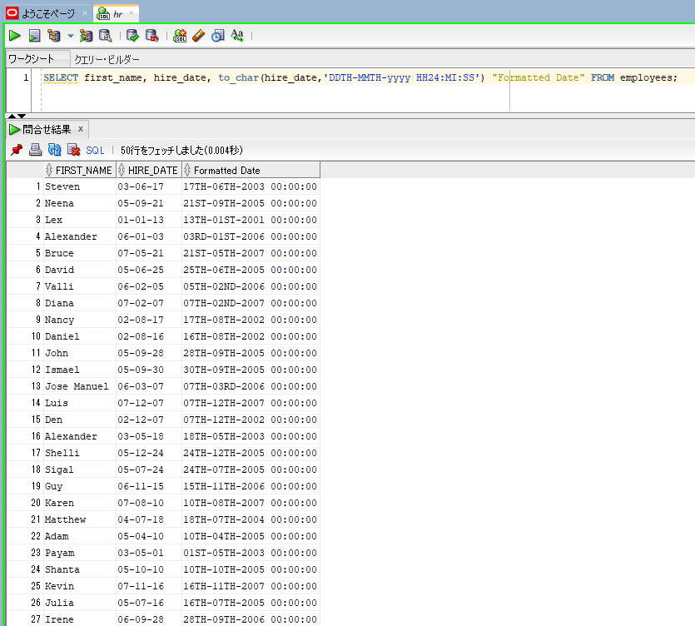

SELECT first_name, hire_date, to_char(hire_date,'DDSP-MMTH-yyyy HH24:MI:SS') "Formatted Date" FROM employees;
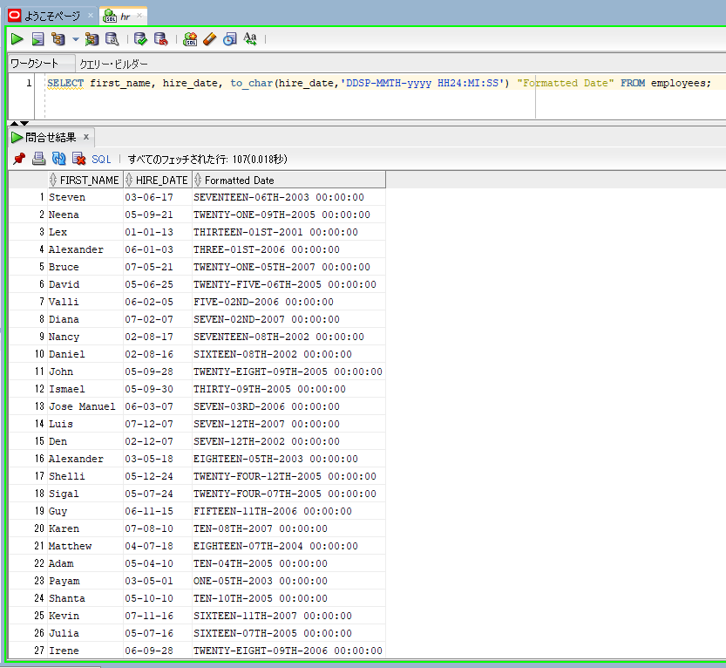

SELECT first_name, hire_date, to_char(hire_date,'DDSPTH-MMTH-yyyy HH24:MI:SS') "Formatted Date" FROM employees;
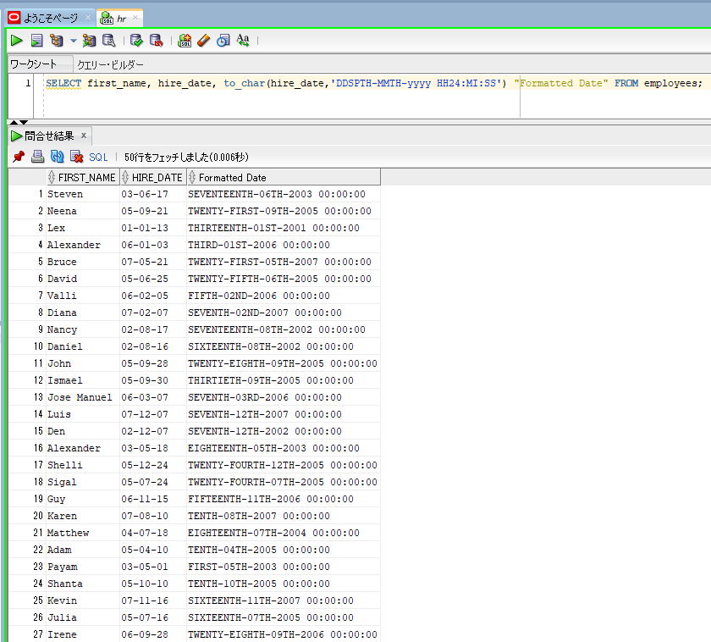

SELECT first_name, hire_date, to_char(hire_date,'DDTHSP-MMTH-yyyy HH24:MI:SS') "Formatted Date" FROM employees;

