Single Row Functions
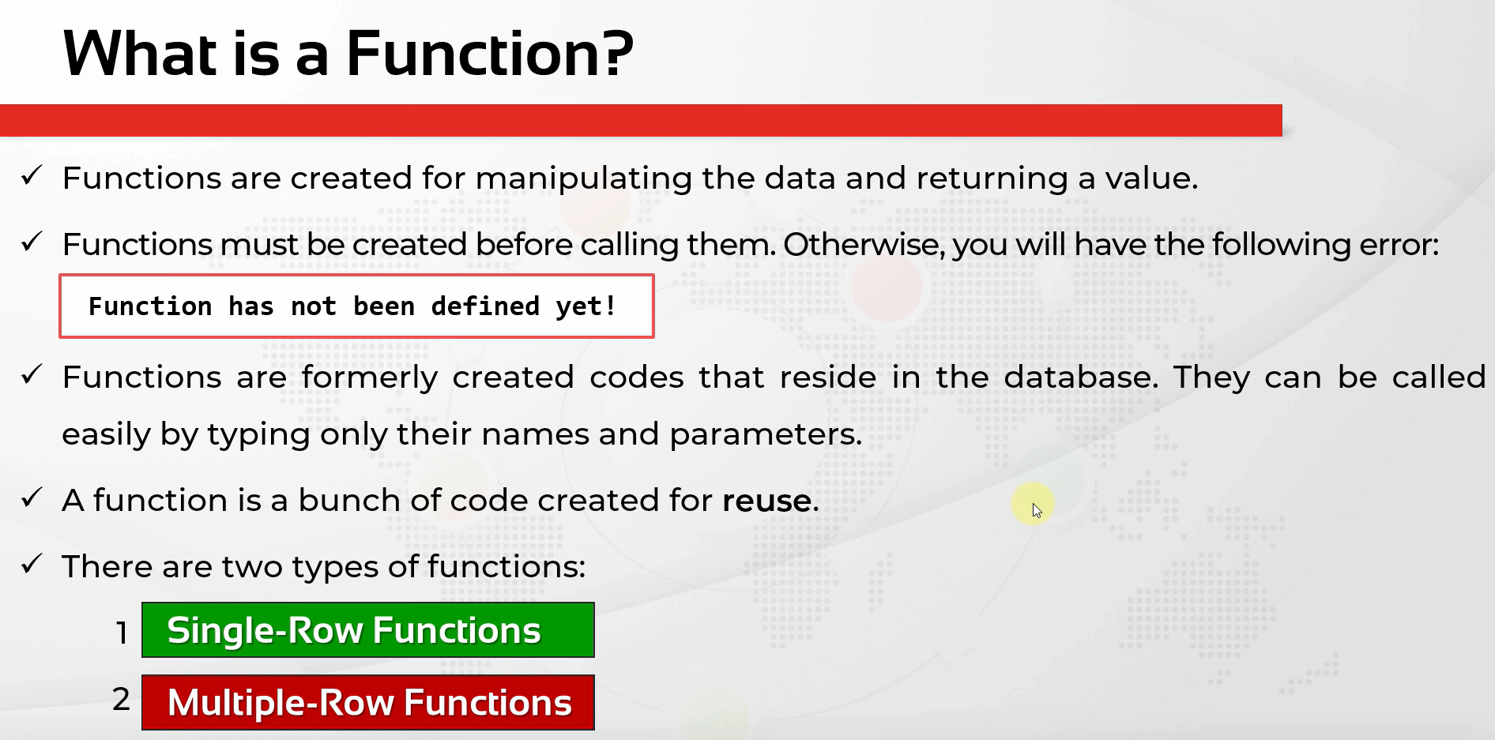

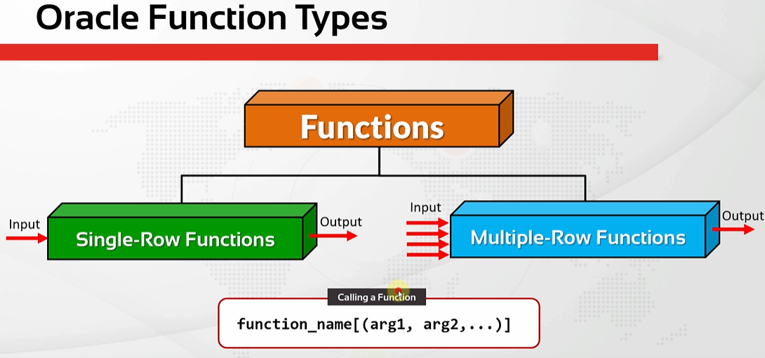

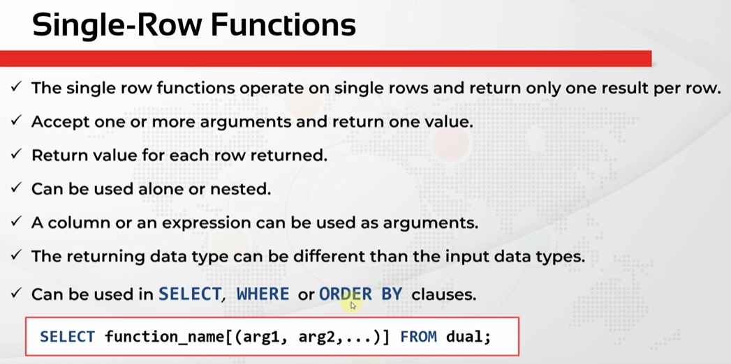

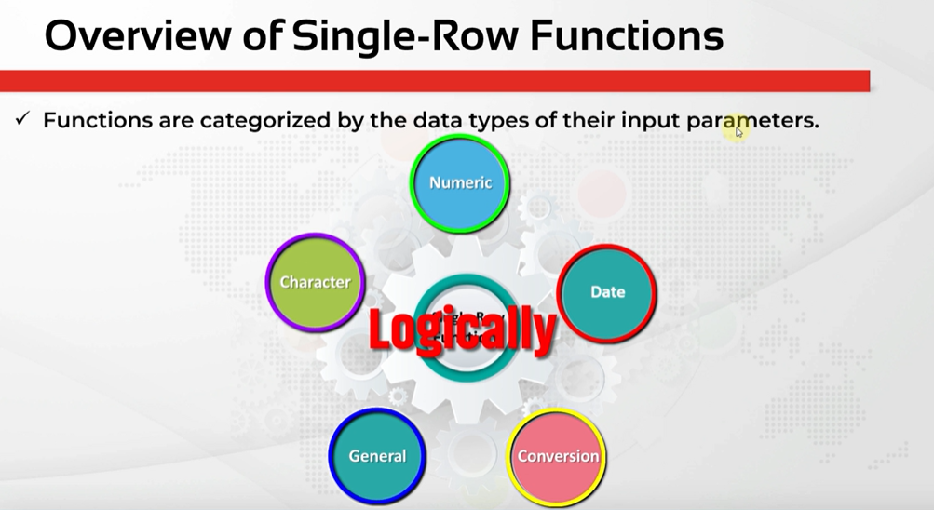

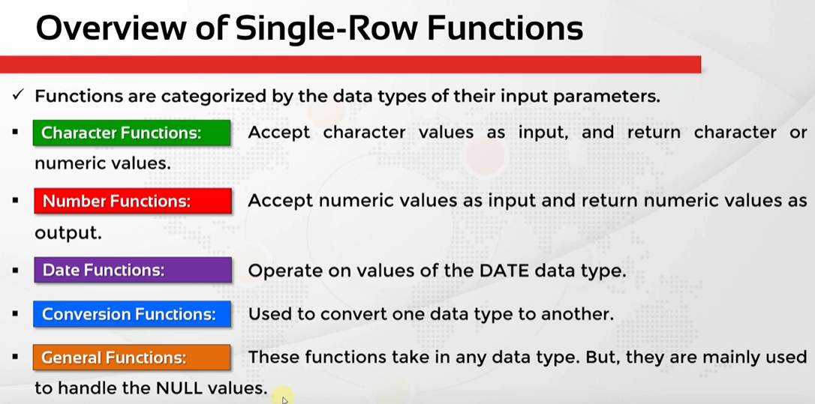

CharacterFunc-CaseConversion
oracle
 | 1.Installing-VMware-and-VirtualBox-on-Windows
 | 2.Retrieving-Data
 | 3.RestrictingData
 | 4.SortingData
 | 5.UsingSubstitutionVariables
 | 6.Single-Row-Functions
 |  | 1.Case+Conversion+(LOWER,+UPPER,+INITCAP)+Functios(Code+Samples).sql | → | new

oracle\6.Single-Row-Functions\1.Case+Conversion+(LOWER,+UPPER,+INITCAP)+Functios(Code+Samples).sql
/************* The Complete Oracle SQL Bootcamp ****************
* Author : Oracle Master Training *
* Course : The Complete Oracle SQL Bootcamp *
* Lecture : Case Conversion (LOWER, UPPER, INITCAP) Functios *
***************************************************************/

SELECT first_name, UPPER(first_name),
last_name, LOWER(last_name),
email, INITCAP(email) FROM employees;

SELECT first_name, UPPER(first_name),
last_name, LOWER(last_name),
email, INITCAP(email) FROM employees
WHERE job_id = 'IT_PROG';

SELECT first_name, UPPER(first_name),
last_name, LOWER(last_name),
email, INITCAP(email),
UPPER('bmw i8')FROM employees
WHERE job_id = 'IT_PROG';

SELECT * FROM employees
WHERE last_name = 'KING';

SELECT * FROM employees
WHERE last_name = 'king';

SELECT * FROM employees
WHERE LOWER(last_name) = 'king';

SELECT * FROM employees
WHERE UPPER(last_name) = 'KING';

SELECT * FROM employees
WHERE INITCAP(last_name) = 'King';

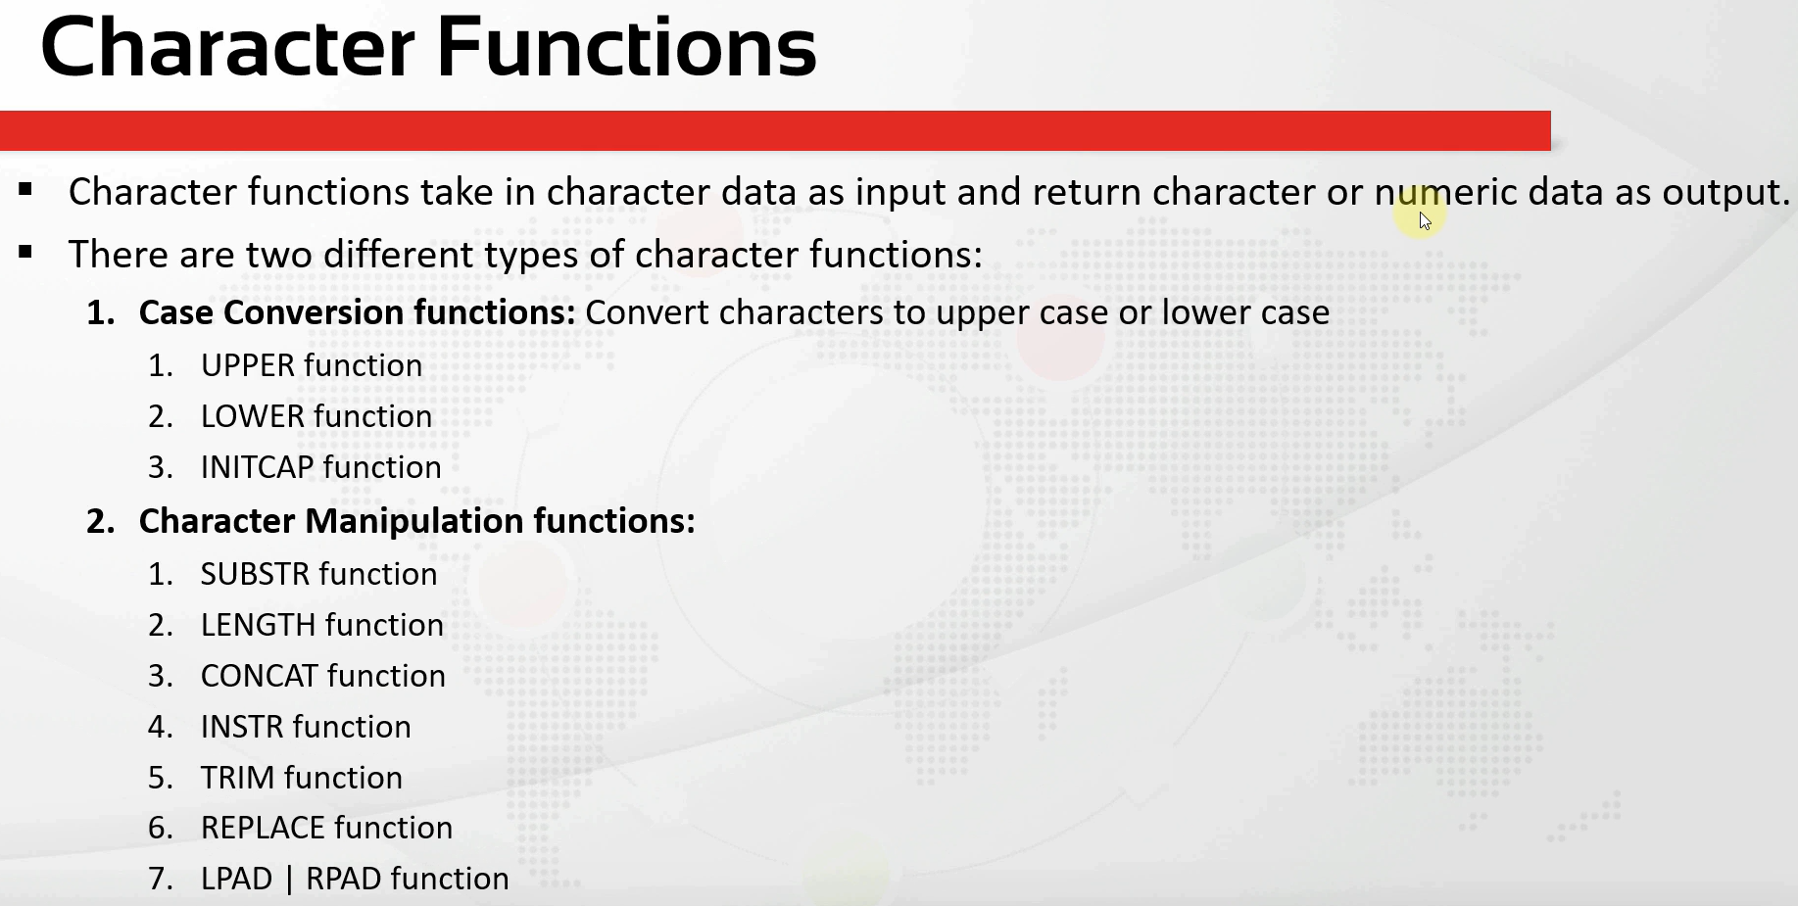

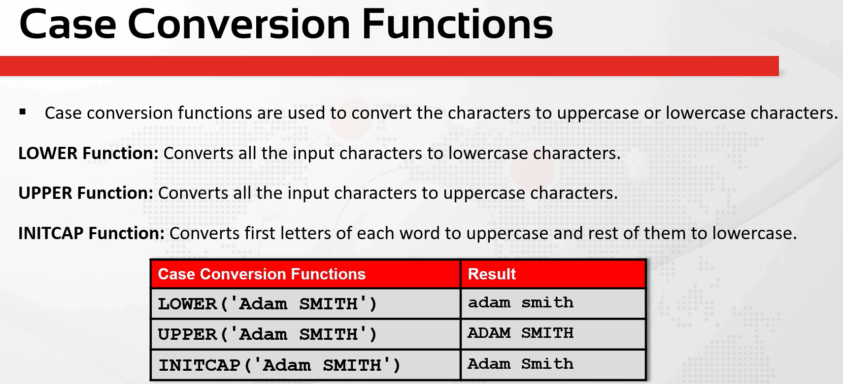

SELECT first_name, UPPER(first_name),
last_name, LOWER(last_name),
email, INITCAP(email),
UPPER('bmw i8')FROM employees
WHERE job_id = 'IT_PROG';
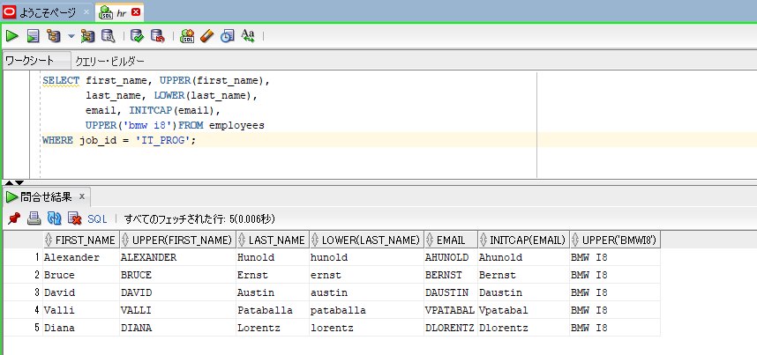

SELECT * FROM employees
WHERE LOWER(last_name) = 'king';

SELECT * FROM employees
WHERE UPPER(last_name) = 'KING';

SELECT * FROM employees
WHERE INITCAP(last_name) = 'King';

