Group Functions
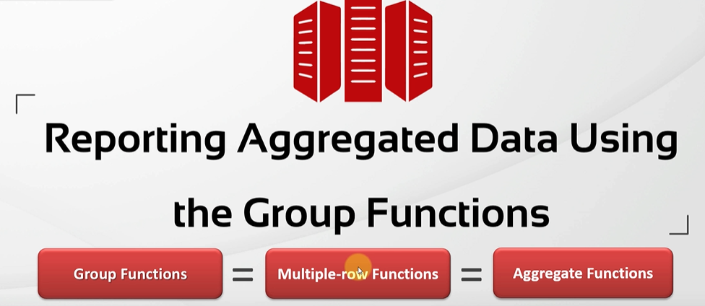
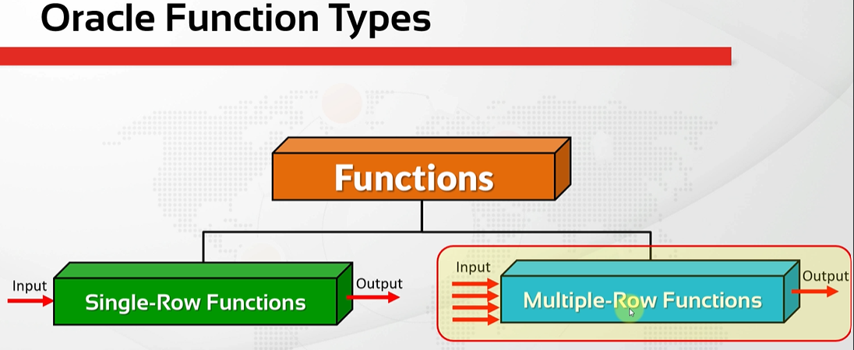
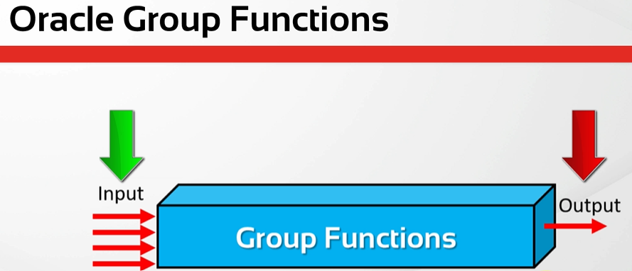
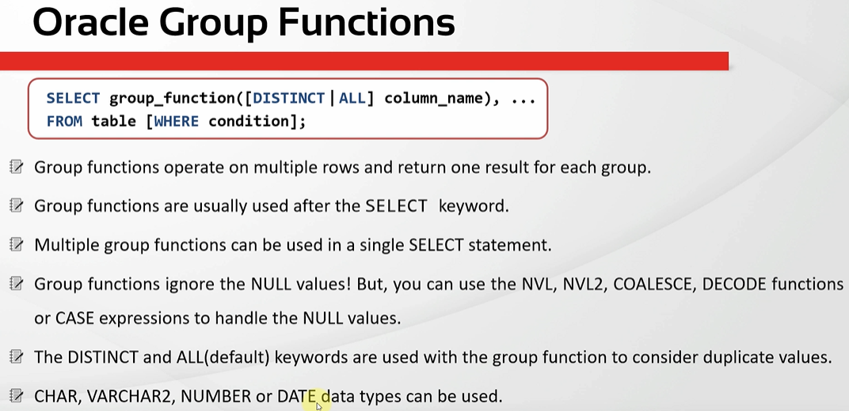
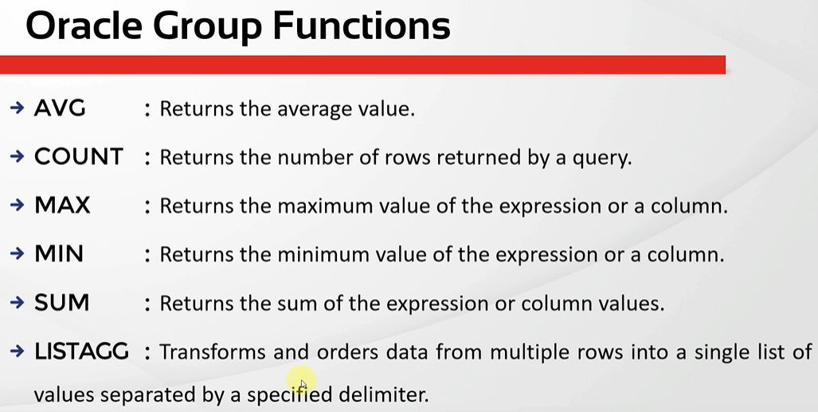
oracle
 | 1.Installing-VMware-and-VirtualBox-on-Windows
 | 2.Retrieving-Data
 | 3.RestrictingData
 | 4.SortingData
 | 5.UsingSubstitutionVariables
 | 6.Single-Row-Functions
 | 7.Conversion-Functions
 | 8.Conditional-Expressions

